Sheet1
1
2
3 |  | Addresses | B113.2 | IPMC-301.3 | IPMC-302.4 | IPMC-304.7 | IPMC-308.1 | PM-301.3 | Zombie
 | 0 | 101 LEONARD | 0 | 1 | 0 | 0 | 0 | 0 | 1
 | 1 | 103 WEYAND | 0 | 1 | 1 | 1 | 1 | 0 | 1
 | 2 | 106 TREEHAVEN | 0 | 1 | 1 | 1 | 1 | 0 | 1
 | 3 | 110 FAY | 0 | 1 | 0 | 0 | 1 | 0 | 1
 | 4 | 112 NORMAN | 0 | 1 | 1 | 1 | 0 | 0 | 1

4 |  | Addresses | B113.2 | IPMC-301.3 | IPMC-302.4 | IPMC-304.7 | IPMC-308.1 | PM-301.3 | Zombie
 | 0 | 101 LEONARD | 0 | 1 | 0 | 0 | 0 | 0 | 1
 | 1 | 103 WEYAND | 0 | 1 | 1 | 1 | 1 | 0 | 1
 | 2 | 106 TREEHAVEN | 0 | 1 | 1 | 1 | 1 | 0 | 1
 | 3 | 110 FAY | 0 | 1 | 0 | 0 | 1 | 0 | 1
 | 4 | 112 NORMAN | 0 | 1 | 1 | 1 | 0 | 0 | 1
 | ... | ... | ... | ... | ... | ... | ... | ... | ...
 | 285 | 97 WOODSIDE | 0 | 0 | 0 | 1 | 1 | 0 | 0
 | 286 | 98 TENTH | 0 | 0 | 0 | 1 | 0 | 0 | 0
 | 287 | 98 UNGER | 0 | 0 | 1 | 1 | 1 | 0 | 0
 | 288 | 99 CHAUNCEY | 0 | 0 | 0 | 0 | 1 | 0 | 0
 | 289 | 99 FREDRO | 0 | 0 | 0 | 1 | 1 | 0 | 0

5 |  | Addresses | B113.2 | IPMC-301.3 | IPMC-302.4 | IPMC-304.7 | IPMC-308.1 | PM-301.3 | Zombie
 | 285 | 97 WOODSIDE | 0 | 0 | 0 | 1 | 1 | 0 | 0
 | 286 | 98 TENTH | 0 | 0 | 0 | 1 | 0 | 0 | 0
 | 287 | 98 UNGER | 0 | 0 | 1 | 1 | 1 | 0 | 0
 | 288 | 99 CHAUNCEY | 0 | 0 | 0 | 0 | 1 | 0 | 0
 | 289 | 99 FREDRO | 0 | 0 | 0 | 1 | 1 | 0 | 0

6 | <class 'pandas.core.frame.DataFrame'>
 | RangeIndex: 290 entries, 0 to 289
 | Data columns (total 8 columns):
 | Addresses 290 non-null object
 | B113.2 290 non-null int64
 | IPMC-301.3 290 non-null int64
 | IPMC-302.4 290 non-null int64
 | IPMC-304.7 290 non-null int64
 | IPMC-308.1 290 non-null int64
 | PM-301.3 290 non-null int64
 | Zombie 290 non-null int64
 | dtypes: int64(7), object(1)
 | memory usage: 18.2+ KB

7 |  | B113.2 | IPMC-301.3 | IPMC-302.4 | IPMC-304.7 | IPMC-308.1 | PM-301.3 | Zombie
 | count | 290 | 290 | 290 | 290 | 290 | 290 | 290
 | mean | 0.006897 | 0.275862 | 0.417241 | 0.596552 | 0.565517 | 0.034483 | 0.289655
 | std | 0.082902 | 0.44772 | 0.493956 | 0.491437 | 0.496546 | 0.182781 | 0.454386
 | min | 0 | 0 | 0 | 0 | 0 | 0 | 0
 | 25% | 0 | 0 | 0 | 0 | 0 | 0 | 0
 | 50% | 0 | 0 | 0 | 1 | 1 | 0 | 0
 | 75% | 0 | 1 | 1 | 1 | 1 | 0 | 1
 | max | 1 | 1 | 1 | 1 | 1 | 1 | 1

8
9 | <seaborn.axisgrid.PairGrid at 0x1a1b88ff50>

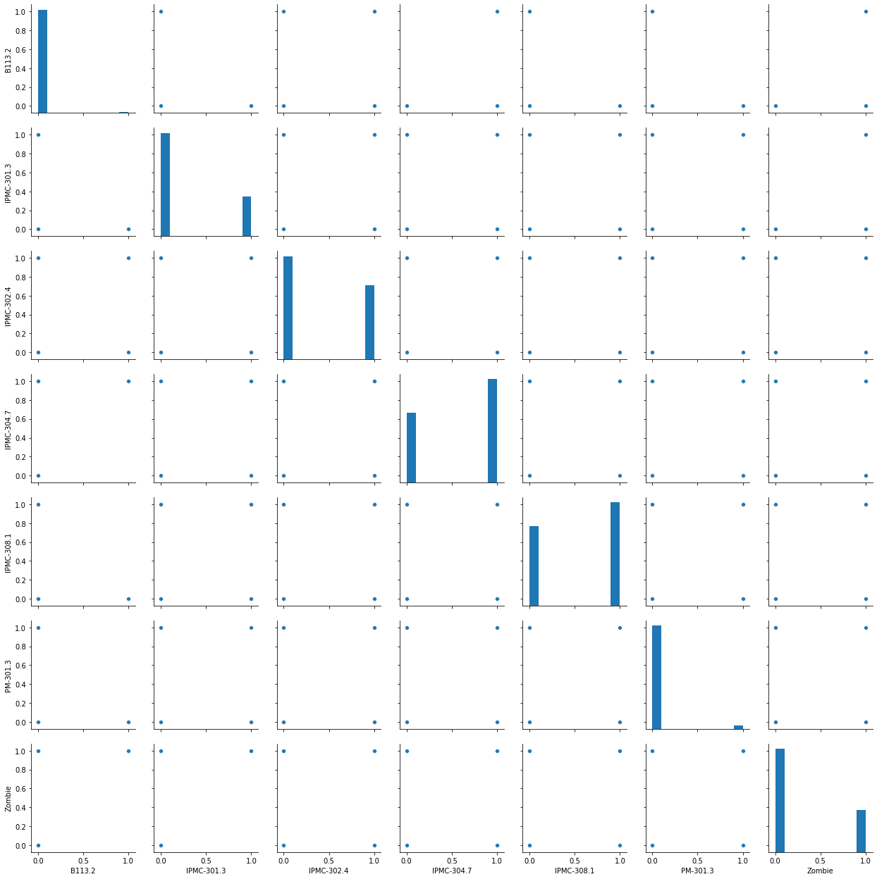

10 | /Users/rahulgaur9276/opt/anaconda3/lib/python3.7/site-packages/seaborn/axisgrid.py:2065: UserWarning: The `size` parameter has been renamed to `height`; pleaes update your code.
 | warnings.warn(msg, UserWarning)

 | <seaborn.axisgrid.PairGrid at 0x1a1d761a90>

11 |  | B113.2 | IPMC-301.3 | IPMC-302.4 | IPMC-304.7 | IPMC-308.1 | PM-301.3 | Zombie
 | count | 290 | 290 | 290 | 290 | 290 | 290 | 290
 | mean | 0.006897 | 0.275862 | 0.417241 | 0.596552 | 0.565517 | 0.034483 | 0.289655
 | std | 0.082902 | 0.44772 | 0.493956 | 0.491437 | 0.496546 | 0.182781 | 0.454386
 | min | 0 | 0 | 0 | 0 | 0 | 0 | 0
 | 25% | 0 | 0 | 0 | 0 | 0 | 0 | 0
 | 50% | 0 | 0 | 0 | 1 | 1 | 0 | 0
 | 75% | 0 | 1 | 1 | 1 | 1 | 0 | 1
 | 90% | 0 | 1 | 1 | 1 | 1 | 0 | 1
 | 95% | 0 | 1 | 1 | 1 | 1 | 0 | 1
 | 99% | 0 | 1 | 1 | 1 | 1 | 1 | 1
 | max | 1 | 1 | 1 | 1 | 1 | 1 | 1

12 | Addresses 0
 | B113.2 0
 | IPMC-301.3 0
 | IPMC-302.4 0
 | IPMC-304.7 0
 | IPMC-308.1 0
 | PM-301.3 0
 | Zombie 0
 | dtype: int64

13 | MODEL BUILDING

14
15
16 |  | Zombie
 | 0 | 1
 | 1 | 1
 | 2 | 1
 | 3 | 1
 | 4 | 1

17 |  | B113.2 | IPMC-301.3 | PM-301.3 | IPMC-308.1 | IPMC-304.7 | IPMC-302.4
 | 0 | 0 | 1 | 0 | 0 | 0 | 0
 | 1 | 0 | 1 | 0 | 1 | 1 | 1
 | 2 | 0 | 1 | 0 | 1 | 1 | 1
 | 3 | 0 | 1 | 0 | 1 | 0 | 0
 | 4 | 0 | 1 | 0 | 0 | 1 | 1

18
19 |  | Zombie
 | 59 | 1
 | 69 | 1
 | 134 | 0
 | 177 | 0
 | 60 | 1

20 | Running the first model

21
22 | /Users/rahulgaur9276/opt/anaconda3/lib/python3.7/site-packages/numpy/core/fromnumeric.py:2495: FutureWarning: Method .ptp is deprecated and will be removed in a future version. Use numpy.ptp instead.
 | return ptp(axis=axis, out=out, **kwargs)
 | /Users/rahulgaur9276/opt/anaconda3/lib/python3.7/site-packages/statsmodels/genmod/families/family.py:890: RuntimeWarning: invalid value encountered in true_divide
 | n_endog_mu = self._clean((1. - endog) / (1. - mu))
 | /Users/rahulgaur9276/opt/anaconda3/lib/python3.7/site-packages/statsmodels/genmod/families/family.py:942: RuntimeWarning: divide by zero encountered in true_divide
 | special.gammaln(n - y + 1) + y * np.log(mu / (1 - mu)) +
 | /Users/rahulgaur9276/opt/anaconda3/lib/python3.7/site-packages/statsmodels/genmod/families/family.py:943: RuntimeWarning: divide by zero encountered in log
 | n * np.log(1 - mu)) * var_weights
 | /Users/rahulgaur9276/opt/anaconda3/lib/python3.7/site-packages/statsmodels/genmod/families/family.py:943: RuntimeWarning: invalid value encountered in add
 | n * np.log(1 - mu)) * var_weights

 | Dep. Variable: | Zombie | No. Observations: | 203
 | Model: | GLM | Df Residuals: | 196
 | Model Family: | Binomial | Df Model: | 6
 | Link Function: | logit | Scale: | 1
 | Method: | IRLS | Log-Likelihood: | #N/A
 | Date: | Tue, 19 May 2020 | Deviance: | #N/A
 | Time: | 13:38:26 | Pearson chi2: | 61
 | No. Iterations: | 100
 | Covariance Type: | nonrobust
 |  | coef | std err | z | P>|z| | [0.025 | 0.975]
 | const | -39.5652 | 8320000 | -0.00000475 | 1 | -16300000 | 16300000
 | B113.2 | 41.3037 | 67100000 | 0.000000615 | 1 | -132000000 | 132000000
 | IPMC-301.3 | 111.7223 | 10300000 | 0.0000109 | 1 | -20100000 | 20100000
 | PM-301.3 | -0.9301 | 26200000 | -3.55E-08 | 1 | -51300000 | 51300000
 | IPMC-308.1 | 0.9045 | 1.443 | 0.627 | 0.531 | -1.924 | 3.733
 | IPMC-304.7 | 35.8275 | 8320000 | 0.0000043 | 1 | -16300000 | 16300000
 | IPMC-302.4 | -35.443 | 9150000 | -0.00000388 | 1 | -17900000 | 17900000
 | Dep. Variable: | Zombie | No. Observations: | 203
 | Model: | GLM | Df Residuals: | 196
 | Model Family: | Binomial | Df Model: | 6
 | Link Function: | logit | Scale: | 1
 | Method: | IRLS | Log-Likelihood: | #N/A
 | Date: | Tue, 19 May 2020 | Deviance: | #N/A
 | Time: | 13:38:26 | Pearson chi2: | 61
 | No. Iterations: | 100
 | Covariance Type: | nonrobust
 |  | coef | std err | z | P>|z| | [0.025 | 0.975]
 | const | -39.5652 | 8320000 | -0.00000475 | 1 | -16300000 | 16300000
 | B113.2 | 41.3037 | 67100000 | 0.000000615 | 1 | -132000000 | 132000000
 | IPMC-301.3 | 111.7223 | 10300000 | 0.0000109 | 1 | -20100000 | 20100000
 | PM-301.3 | -0.9301 | 26200000 | -3.55E-08 | 1 | -51300000 | 51300000
 | IPMC-308.1 | 0.9045 | 1.443 | 0.627 | 0.531 | -1.924 | 3.733
 | IPMC-304.7 | 35.8275 | 8320000 | 0.0000043 | 1 | -16300000 | 16300000
 | IPMC-302.4 | -35.443 | 9150000 | -0.00000388 | 1 | -17900000 | 17900000

23 | Correlation Matrix

24
25 | <matplotlib.axes._subplots.AxesSubplot at 0x1c20d297d0>

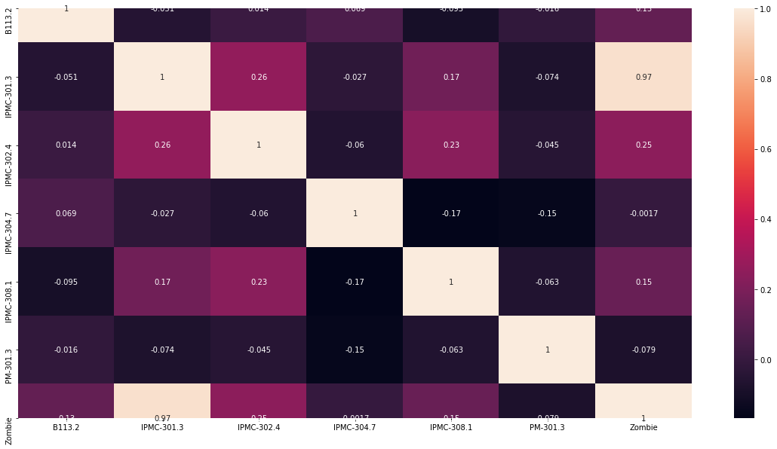

26 | Feature Selection Using RFE

27 | [ True True True False False False]
 | [1 1 1 2 3 4]

 | /Users/rahulgaur9276/opt/anaconda3/lib/python3.7/site-packages/sklearn/utils/validation.py:724: DataConversionWarning: A column-vector y was passed when a 1d array was expected. Please change the shape of y to (n_samples, ), for example using ravel().
 | y = column_or_1d(y, warn=True)
 | /Users/rahulgaur9276/opt/anaconda3/lib/python3.7/site-packages/sklearn/linear_model/logistic.py:432: FutureWarning: Default solver will be changed to 'lbfgs' in 0.22. Specify a solver to silence this warning.
 | FutureWarning)
 | /Users/rahulgaur9276/opt/anaconda3/lib/python3.7/site-packages/sklearn/linear_model/logistic.py:432: FutureWarning: Default solver will be changed to 'lbfgs' in 0.22. Specify a solver to silence this warning.
 | FutureWarning)
 | /Users/rahulgaur9276/opt/anaconda3/lib/python3.7/site-packages/sklearn/linear_model/logistic.py:432: FutureWarning: Default solver will be changed to 'lbfgs' in 0.22. Specify a solver to silence this warning.
 | FutureWarning)
 | /Users/rahulgaur9276/opt/anaconda3/lib/python3.7/site-packages/sklearn/linear_model/logistic.py:432: FutureWarning: Default solver will be changed to 'lbfgs' in 0.22. Specify a solver to silence this warning.
 | FutureWarning)

28
29
30 | Dropping Variable with high VIF

31 |  | Var | Vif
 | 4 | IPMC-308.1 | 1.86
 | 2 | IPMC-302.4 | 1.81
 | 1 | IPMC-301.3 | 1.48
 | 3 | IPMC-304.7 | 1.47
 | 0 | B113.2 | 1.02
 | 5 | PM-301.3 | 1.01

32 | Predictions

33 | /Users/rahulgaur9276/opt/anaconda3/lib/python3.7/site-packages/sklearn/linear_model/logistic.py:432: FutureWarning: Default solver will be changed to 'lbfgs' in 0.22. Specify a solver to silence this warning.
 | FutureWarning)
 | /Users/rahulgaur9276/opt/anaconda3/lib/python3.7/site-packages/sklearn/utils/validation.py:724: DataConversionWarning: A column-vector y was passed when a 1d array was expected. Please change the shape of y to (n_samples, ), for example using ravel().
 | y = column_or_1d(y, warn=True)

 | LogisticRegression(C=1.0, class_weight=None, dual=False, fit_intercept=True,
 | intercept_scaling=1, l1_ratio=None, max_iter=100,
 | multi_class='warn', n_jobs=None, penalty='l2',
 | random_state=None, solver='warn', tol=0.0001, verbose=0,
 | warm_start=False)

34
35
36
37 |  | 1
 | 0 | 0.9221
 | 1 | 0.925392
 | 2 | 0.060716
 | 3 | 0.066841
 | 4 | 0.909683

38 |  | 1
 | 82 | 0.071122
 | 83 | 0.919261
 | 84 | 0.063438
 | 85 | 0.076991
 | 86 | 0.063438

39
40
41
42
43 |  | Zombie | Zombie_Prob
 | 0 | 1 | 0.9221
 | 1 | 1 | 0.925392
 | 2 | 0 | 0.060716
 | 3 | 0 | 0.066841
 | 4 | 1 | 0.909683
 | ... | ... | ...
 | 82 | 0 | 0.071122
 | 83 | 1 | 0.919261
 | 84 | 0 | 0.063438
 | 85 | 0 | 0.076991
 | 86 | 0 | 0.063438

44
45 |  | Zombie | Zombie_Prob | predicted
 | 0 | 1 | 0.9221 | 1
 | 1 | 1 | 0.925392 | 1
 | 2 | 0 | 0.060716 | 0
 | 3 | 0 | 0.066841 | 0
 | 4 | 1 | 0.909683 | 1

46 | Model Evaluation

47
48 | Help on function confusion_matrix in module sklearn.metrics.classification:

 | confusion_matrix(y_true, y_pred, labels=None, sample_weight=None)
 | Compute confusion matrix to evaluate the accuracy of a classification

 | By definition a confusion matrix :math:`C` is such that :math:`C_{i, j}`
 | is equal to the number of observations known to be in group :math:`i` but
 | predicted to be in group :math:`j`.

 | Thus in binary classification, the count of true negatives is
 | :math:`C_{0,0}`, false negatives is :math:`C_{1,0}`, true positives is
 | :math:`C_{1,1}` and false positives is :math:`C_{0,1}`.

 | Read more in the :ref:`User Guide <confusion_matrix>`.

 | Parameters
 | ----------
 | y_true : array, shape = [n_samples]
 | Ground truth (correct) target values.

 | y_pred : array, shape = [n_samples]
 | Estimated targets as returned by a classifier.

 | labels : array, shape = [n_classes], optional
 | List of labels to index the matrix. This may be used to reorder
 | or select a subset of labels.
 | If none is given, those that appear at least once
 | in ``y_true`` or ``y_pred`` are used in sorted order.

 | sample_weight : array-like of shape = [n_samples], optional
 | Sample weights.

 | Returns
 | -------
 | C : array, shape = [n_classes, n_classes]
 | Confusion matrix

 | References
 | ----------
 | .. [1] `Wikipedia entry for the Confusion matrix
 | <https://en.wikipedia.org/wiki/Confusion_matrix>`_
 | (Wikipedia and other references may use a different
 | convention for axes)

 | Examples
 | --------
 | >>> from sklearn.metrics import confusion_matrix
 | >>> y_true = [2, 0, 2, 2, 0, 1]
 | >>> y_pred = [0, 0, 2, 2, 0, 2]
 | >>> confusion_matrix(y_true, y_pred)
 | array([[2, 0, 0],
 | [0, 0, 1],
 | [1, 0, 2]])

 | >>> y_true = ["cat", "ant", "cat", "cat", "ant", "bird"]
 | >>> y_pred = ["ant", "ant", "cat", "cat", "ant", "cat"]
 | >>> confusion_matrix(y_true, y_pred, labels=["ant", "bird", "cat"])
 | array([[2, 0, 0],
 | [0, 0, 1],
 | [1, 0, 2]])

 | In the binary case, we can extract true positives, etc as follows:

 | >>> tn, fp, fn, tp = confusion_matrix([0, 1, 0, 1], [1, 1, 1, 0]).ravel()
 | >>> (tn, fp, fn, tp)
 | (0, 2, 1, 1)

49 | array([[66, 0],
 | [ 1, 20]])

50 | 0.9885057471264368

51
52
53
54
55
56 |  | Zombie_Prob
 | 0 | 0.076991
 | 1 | 0.071122
 | 2 | 0.082555
 | 3 | 0.899922
 | 4 | 0.909683

57 |  | Zombie_Prob
 | 0 | 0.076991
 | 1 | 0.071122
 | 2 | 0.082555
 | 3 | 0.899922
 | 4 | 0.909683
 | ... | ...
 | 1154 | 0.086165
 | 1155 | 0.086165
 | 1156 | 0.086165
 | 1157 | 0.086165
 | 1158 | 0.086165

58
59 |  | Zombie_Prob | 1
 | 0 | 0.076991 | 0
 | 1 | 0.071122 | 0
 | 2 | 0.082555 | 0
 | 3 | 0.899922 | 1
 | 4 | 0.909683 | 1
 | ... | ... | ...
 | 1154 | 0.086165 | 0
 | 1155 | 0.086165 | 0
 | 1156 | 0.086165 | 0
 | 1157 | 0.086165 | 0
 | 1158 | 0.086165 | 0

60
61 |  | Zombie_Prob | 1
 | 0 | 0.076991 | 0
 | 1 | 0.071122 | 0
 | 2 | 0.082555 | 0
 | 3 | 0.899922 | 1
 | 4 | 0.909683 | 1
 | 5 | 0.933426 | 1
 | 6 | 0.076991 | 0
 | 7 | 0.071122 | 0
 | 8 | 0.063438 | 0
 | 9 | 0.071122 | 0
 | 10 | 0.063438 | 0
 | 11 | 0.071122 | 0
 | 12 | 0.896365 | 1
 | 13 | 0.05959 | 0
 | 14 | 0.884413 | 1
 | 15 | 0.071122 | 0
 | 16 | 0.048938 | 0
 | 17 | 0.071122 | 0
 | 18 | 0.071122 | 0
 | 19 | 0.066841 | 0
 | 20 | 0.066841 | 0
 | 21 | 0.082555 | 0
 | 22 | 0.071122 | 0
 | 23 | 0.071122 | 0
 | 24 | 0.066841 | 0
 | 25 | 0.076991 | 0
 | 26 | 0.054969 | 0
 | 27 | 0.071122 | 0
 | 28 | 0.909683 | 1
 | 29 | 0.076991 | 0
 | 30 | 0.071122 | 0
 | 31 | 0.05959 | 0
 | 32 | 0.076991 | 0
 | 33 | 0.05959 | 0
 | 34 | 0.076991 | 0
 | 35 | 0.071122 | 0
 | 36 | 0.076991 | 0
 | 37 | 0.063438 | 0
 | 38 | 0.071122 | 0
 | 39 | 0.076991 | 0
 | 40 | 0.071122 | 0
 | 41 | 0.071122 | 0
 | 42 | 0.884413 | 1
 | 43 | 0.071122 | 0
 | 44 | 0.071122 | 0
 | 45 | 0.054969 | 0
 | 46 | 0.071122 | 0
 | 47 | 0.076991 | 0
 | 48 | 0.909683 | 1
 | 49 | 0.071122 | 0
 | 50 | 0.076991 | 0
 | 51 | 0.071122 | 0
 | 52 | 0.071122 | 0
 | 53 | 0.063438 | 0
 | 54 | 0.048938 | 0
 | 55 | 0.063438 | 0
 | 56 | 0.054969 | 0
 | 57 | 0.054969 | 0
 | 58 | 0.071122 | 0
 | 59 | 0.071122 | 0
 | 60 | 0.066841 | 0
 | 61 | 0.063438 | 0
 | 62 | 0.076991 | 0
 | 63 | 0.063438 | 0
 | 64 | 0.071122 | 0
 | 65 | 0.071122 | 0
 | 66 | 0.071122 | 0
 | 67 | 0.896365 | 1
 | 68 | 0.063438 | 0
 | 69 | 0.071122 | 0
 | 70 | 0.054969 | 0
 | 71 | 0.896365 | 1
 | 72 | 0.071122 | 0
 | 73 | 0.066841 | 0
 | 74 | 0.076991 | 0
 | 75 | 0.884413 | 1
 | 76 | 0.076991 | 0
 | 77 | 0.071122 | 0
 | 78 | 0.071122 | 0
 | 79 | 0.076991 | 0
 | 80 | 0.05959 | 0
 | 81 | 0.076991 | 0
 | 82 | 0.071122 | 0
 | 83 | 0.071122 | 0
 | 84 | 0.076991 | 0
 | 85 | 0.071122 | 0
 | 86 | 0.071122 | 0
 | 87 | 0.076991 | 0
 | 88 | 0.884413 | 1
 | 89 | 0.071122 | 0
 | 90 | 0.076991 | 0
 | 91 | 0.076991 | 0
 | 92 | 0.063438 | 0
 | 93 | 0.054969 | 0
 | 94 | 0.071122 | 0
 | 95 | 0.071122 | 0
 | 96 | 0.071122 | 0
 | 97 | 0.071122 | 0
 | 98 | 0.071122 | 0
 | 99 | 0.071122 | 0
 | 100 | 0.071122 | 0
 | 101 | 0.909683 | 1
 | 102 | 0.063438 | 0
 | 103 | 0.048938 | 0
 | 104 | 0.071122 | 0
 | 105 | 0.909683 | 1
 | 106 | 0.076991 | 0
 | 107 | 0.071122 | 0
 | 108 | 0.076991 | 0
 | 109 | 0.919261 | 1
 | 110 | 0.071122 | 0
 | 111 | 0.082555 | 0
 | 112 | 0.071122 | 0
 | 113 | 0.063438 | 0
 | 114 | 0.071122 | 0
 | 115 | 0.063438 | 0
 | 116 | 0.071122 | 0
 | 117 | 0.063438 | 0
 | 118 | 0.071122 | 0
 | 119 | 0.063438 | 0
 | 120 | 0.071122 | 0
 | 121 | 0.066841 | 0
 | 122 | 0.071122 | 0
 | 123 | 0.071122 | 0
 | 124 | 0.909683 | 1
 | 125 | 0.076991 | 0
 | 126 | 0.071122 | 0
 | 127 | 0.909683 | 1
 | 128 | 0.076991 | 0
 | 129 | 0.919261 | 1
 | 130 | 0.048938 | 0
 | 131 | 0.919261 | 1
 | 132 | 0.071122 | 0
 | 133 | 0.925392 | 1
 | 134 | 0.063438 | 0
 | 135 | 0.063438 | 0
 | 136 | 0.063438 | 0
 | 137 | 0.054969 | 0
 | 138 | 0.054969 | 0
 | 139 | 0.884413 | 1
 | 140 | 0.048938 | 0
 | 141 | 0.066841 | 0
 | 142 | 0.05959 | 0
 | 143 | 0.925392 | 1
 | 144 | 0.076991 | 0
 | 145 | 0.071122 | 0
 | 146 | 0.909683 | 1
 | 147 | 0.076991 | 0
 | 148 | 0.071122 | 0
 | 149 | 0.048938 | 0
 | 150 | 0.071122 | 0
 | 151 | 0.063438 | 0
 | 152 | 0.076991 | 0
 | 153 | 0.076991 | 0
 | 154 | 0.066841 | 0
 | 155 | 0.066841 | 0
 | 156 | 0.054969 | 0
 | 157 | 0.066841 | 0
 | 158 | 0.071122 | 0
 | 159 | 0.071122 | 0
 | 160 | 0.063438 | 0
 | 161 | 0.063438 | 0
 | 162 | 0.063438 | 0
 | 163 | 0.063438 | 0
 | 164 | 0.063438 | 0
 | 165 | 0.082555 | 0
 | 166 | 0.063438 | 0
 | 167 | 0.063438 | 0
 | 168 | 0.076991 | 0
 | 169 | 0.071122 | 0
 | 170 | 0.071122 | 0
 | 171 | 0.063438 | 0
 | 172 | 0.076991 | 0
 | 173 | 0.919261 | 1
 | 174 | 0.071122 | 0
 | 175 | 0.05959 | 0
 | 176 | 0.063438 | 0
 | 177 | 0.076991 | 0
 | 178 | 0.076991 | 0
 | 179 | 0.884413 | 1
 | 180 | 0.05959 | 0
 | 181 | 0.071122 | 0
 | 182 | 0.071122 | 0
 | 183 | 0.925392 | 1
 | 184 | 0.071122 | 0
 | 185 | 0.919261 | 1
 | 186 | 0.086165 | 0
 | 187 | 0.086165 | 0
 | 188 | 0.086165 | 0
 | 189 | 0.086165 | 0
 | 190 | 0.086165 | 0
 | 191 | 0.086165 | 0
 | 192 | 0.086165 | 0
 | 193 | 0.086165 | 0
 | 194 | 0.086165 | 0
 | 195 | 0.086165 | 0
 | 196 | 0.086165 | 0
 | 197 | 0.086165 | 0
 | 198 | 0.086165 | 0
 | 199 | 0.086165 | 0
 | 200 | 0.086165 | 0
 | 201 | 0.086165 | 0
 | 202 | 0.086165 | 0
 | 203 | 0.086165 | 0
 | 204 | 0.086165 | 0
 | 205 | 0.086165 | 0
 | 206 | 0.086165 | 0
 | 207 | 0.086165 | 0
 | 208 | 0.086165 | 0
 | 209 | 0.086165 | 0
 | 210 | 0.086165 | 0
 | 211 | 0.086165 | 0
 | 212 | 0.086165 | 0
 | 213 | 0.086165 | 0
 | 214 | 0.086165 | 0
 | 215 | 0.086165 | 0
 | 216 | 0.086165 | 0
 | 217 | 0.086165 | 0
 | 218 | 0.086165 | 0
 | 219 | 0.086165 | 0
 | 220 | 0.086165 | 0
 | 221 | 0.086165 | 0
 | 222 | 0.086165 | 0
 | 223 | 0.086165 | 0
 | 224 | 0.086165 | 0
 | 225 | 0.086165 | 0
 | 226 | 0.086165 | 0
 | 227 | 0.086165 | 0
 | 228 | 0.086165 | 0
 | 229 | 0.086165 | 0
 | 230 | 0.086165 | 0
 | 231 | 0.086165 | 0
 | 232 | 0.086165 | 0
 | 233 | 0.086165 | 0
 | 234 | 0.086165 | 0
 | 235 | 0.086165 | 0
 | 236 | 0.086165 | 0
 | 237 | 0.086165 | 0
 | 238 | 0.086165 | 0
 | 239 | 0.086165 | 0
 | 240 | 0.086165 | 0
 | 241 | 0.086165 | 0
 | 242 | 0.086165 | 0
 | 243 | 0.086165 | 0
 | 244 | 0.086165 | 0
 | 245 | 0.086165 | 0
 | 246 | 0.086165 | 0
 | 247 | 0.086165 | 0
 | 248 | 0.086165 | 0
 | 249 | 0.086165 | 0
 | 250 | 0.086165 | 0
 | 251 | 0.086165 | 0
 | 252 | 0.086165 | 0
 | 253 | 0.086165 | 0
 | 254 | 0.086165 | 0
 | 255 | 0.086165 | 0
 | 256 | 0.086165 | 0
 | 257 | 0.086165 | 0
 | 258 | 0.086165 | 0
 | 259 | 0.086165 | 0
 | 260 | 0.086165 | 0
 | 261 | 0.086165 | 0
 | 262 | 0.086165 | 0
 | 263 | 0.086165 | 0
 | 264 | 0.086165 | 0
 | 265 | 0.086165 | 0
 | 266 | 0.086165 | 0
 | 267 | 0.086165 | 0
 | 268 | 0.086165 | 0
 | 269 | 0.086165 | 0
 | 270 | 0.086165 | 0
 | 271 | 0.086165 | 0
 | 272 | 0.086165 | 0
 | 273 | 0.086165 | 0
 | 274 | 0.086165 | 0
 | 275 | 0.086165 | 0
 | 276 | 0.086165 | 0
 | 277 | 0.086165 | 0
 | 278 | 0.086165 | 0
 | 279 | 0.086165 | 0
 | 280 | 0.086165 | 0
 | 281 | 0.086165 | 0
 | 282 | 0.086165 | 0
 | 283 | 0.086165 | 0
 | 284 | 0.086165 | 0
 | 285 | 0.086165 | 0
 | 286 | 0.086165 | 0
 | 287 | 0.086165 | 0
 | 288 | 0.086165 | 0
 | 289 | 0.086165 | 0
 | 290 | 0.086165 | 0
 | 291 | 0.086165 | 0
 | 292 | 0.086165 | 0
 | 293 | 0.086165 | 0
 | 294 | 0.086165 | 0
 | 295 | 0.086165 | 0
 | 296 | 0.086165 | 0
 | 297 | 0.086165 | 0
 | 298 | 0.086165 | 0
 | 299 | 0.086165 | 0
 | 300 | 0.086165 | 0
 | 301 | 0.086165 | 0
 | 302 | 0.086165 | 0
 | 303 | 0.086165 | 0
 | 304 | 0.086165 | 0
 | 305 | 0.086165 | 0
 | 306 | 0.086165 | 0
 | 307 | 0.086165 | 0
 | 308 | 0.086165 | 0
 | 309 | 0.086165 | 0
 | 310 | 0.086165 | 0
 | 311 | 0.086165 | 0
 | 312 | 0.086165 | 0
 | 313 | 0.086165 | 0
 | 314 | 0.086165 | 0
 | 315 | 0.086165 | 0
 | 316 | 0.086165 | 0
 | 317 | 0.086165 | 0
 | 318 | 0.086165 | 0
 | 319 | 0.086165 | 0
 | 320 | 0.086165 | 0
 | 321 | 0.086165 | 0
 | 322 | 0.086165 | 0
 | 323 | 0.086165 | 0
 | 324 | 0.086165 | 0
 | 325 | 0.086165 | 0
 | 326 | 0.086165 | 0
 | 327 | 0.086165 | 0
 | 328 | 0.086165 | 0
 | 329 | 0.086165 | 0
 | 330 | 0.086165 | 0
 | 331 | 0.086165 | 0
 | 332 | 0.086165 | 0
 | 333 | 0.086165 | 0
 | 334 | 0.086165 | 0
 | 335 | 0.086165 | 0
 | 336 | 0.086165 | 0
 | 337 | 0.086165 | 0
 | 338 | 0.086165 | 0
 | 339 | 0.086165 | 0
 | 340 | 0.086165 | 0
 | 341 | 0.086165 | 0
 | 342 | 0.086165 | 0
 | 343 | 0.086165 | 0
 | 344 | 0.086165 | 0
 | 345 | 0.086165 | 0
 | 346 | 0.086165 | 0
 | 347 | 0.086165 | 0
 | 348 | 0.086165 | 0
 | 349 | 0.086165 | 0
 | 350 | 0.086165 | 0
 | 351 | 0.086165 | 0
 | 352 | 0.086165 | 0
 | 353 | 0.086165 | 0
 | 354 | 0.086165 | 0
 | 355 | 0.086165 | 0
 | 356 | 0.086165 | 0
 | 357 | 0.086165 | 0
 | 358 | 0.086165 | 0
 | 359 | 0.086165 | 0
 | 360 | 0.086165 | 0
 | 361 | 0.086165 | 0
 | 362 | 0.086165 | 0
 | 363 | 0.086165 | 0
 | 364 | 0.086165 | 0
 | 365 | 0.086165 | 0
 | 366 | 0.086165 | 0
 | 367 | 0.086165 | 0
 | 368 | 0.086165 | 0
 | 369 | 0.086165 | 0
 | 370 | 0.086165 | 0
 | 371 | 0.086165 | 0
 | 372 | 0.086165 | 0
 | 373 | 0.086165 | 0
 | 374 | 0.086165 | 0
 | 375 | 0.086165 | 0
 | 376 | 0.086165 | 0
 | 377 | 0.086165 | 0
 | 378 | 0.086165 | 0
 | 379 | 0.086165 | 0
 | 380 | 0.086165 | 0
 | 381 | 0.086165 | 0
 | 382 | 0.086165 | 0
 | 383 | 0.086165 | 0
 | 384 | 0.086165 | 0
 | 385 | 0.086165 | 0
 | 386 | 0.086165 | 0
 | 387 | 0.086165 | 0
 | 388 | 0.086165 | 0
 | 389 | 0.086165 | 0
 | 390 | 0.086165 | 0
 | 391 | 0.086165 | 0
 | 392 | 0.086165 | 0
 | 393 | 0.086165 | 0
 | 394 | 0.086165 | 0
 | 395 | 0.086165 | 0
 | 396 | 0.086165 | 0
 | 397 | 0.086165 | 0
 | 398 | 0.086165 | 0
 | 399 | 0.086165 | 0
 | 400 | 0.086165 | 0
 | 401 | 0.086165 | 0
 | 402 | 0.086165 | 0
 | 403 | 0.086165 | 0
 | 404 | 0.086165 | 0
 | 405 | 0.086165 | 0
 | 406 | 0.086165 | 0
 | 407 | 0.086165 | 0
 | 408 | 0.086165 | 0
 | 409 | 0.086165 | 0
 | 410 | 0.086165 | 0
 | 411 | 0.086165 | 0
 | 412 | 0.086165 | 0
 | 413 | 0.086165 | 0
 | 414 | 0.086165 | 0
 | 415 | 0.086165 | 0
 | 416 | 0.086165 | 0
 | 417 | 0.086165 | 0
 | 418 | 0.086165 | 0
 | 419 | 0.086165 | 0
 | 420 | 0.086165 | 0
 | 421 | 0.086165 | 0
 | 422 | 0.086165 | 0
 | 423 | 0.086165 | 0
 | 424 | 0.086165 | 0
 | 425 | 0.086165 | 0
 | 426 | 0.086165 | 0
 | 427 | 0.086165 | 0
 | 428 | 0.086165 | 0
 | 429 | 0.086165 | 0
 | 430 | 0.086165 | 0
 | 431 | 0.086165 | 0
 | 432 | 0.086165 | 0
 | 433 | 0.086165 | 0
 | 434 | 0.086165 | 0
 | 435 | 0.086165 | 0
 | 436 | 0.086165 | 0
 | 437 | 0.086165 | 0
 | 438 | 0.086165 | 0
 | 439 | 0.086165 | 0
 | 440 | 0.086165 | 0
 | 441 | 0.086165 | 0
 | 442 | 0.086165 | 0
 | 443 | 0.086165 | 0
 | 444 | 0.086165 | 0
 | 445 | 0.086165 | 0
 | 446 | 0.086165 | 0
 | 447 | 0.086165 | 0
 | 448 | 0.086165 | 0
 | 449 | 0.086165 | 0
 | 450 | 0.086165 | 0
 | 451 | 0.086165 | 0
 | 452 | 0.086165 | 0
 | 453 | 0.086165 | 0
 | 454 | 0.086165 | 0
 | 455 | 0.086165 | 0
 | 456 | 0.086165 | 0
 | 457 | 0.086165 | 0
 | 458 | 0.086165 | 0
 | 459 | 0.086165 | 0
 | 460 | 0.086165 | 0
 | 461 | 0.086165 | 0
 | 462 | 0.086165 | 0
 | 463 | 0.086165 | 0
 | 464 | 0.086165 | 0
 | 465 | 0.086165 | 0
 | 466 | 0.086165 | 0
 | 467 | 0.086165 | 0
 | 468 | 0.086165 | 0
 | 469 | 0.086165 | 0
 | 470 | 0.086165 | 0
 | 471 | 0.086165 | 0
 | 472 | 0.086165 | 0
 | 473 | 0.086165 | 0
 | 474 | 0.086165 | 0
 | 475 | 0.086165 | 0
 | 476 | 0.086165 | 0
 | 477 | 0.086165 | 0
 | 478 | 0.086165 | 0
 | 479 | 0.086165 | 0
 | 480 | 0.086165 | 0
 | 481 | 0.086165 | 0
 | 482 | 0.086165 | 0
 | 483 | 0.086165 | 0
 | 484 | 0.086165 | 0
 | 485 | 0.086165 | 0
 | 486 | 0.086165 | 0
 | 487 | 0.086165 | 0
 | 488 | 0.086165 | 0
 | 489 | 0.086165 | 0
 | 490 | 0.086165 | 0
 | 491 | 0.086165 | 0
 | 492 | 0.086165 | 0
 | 493 | 0.086165 | 0
 | 494 | 0.086165 | 0
 | 495 | 0.086165 | 0
 | 496 | 0.086165 | 0
 | 497 | 0.086165 | 0
 | 498 | 0.086165 | 0
 | 499 | 0.086165 | 0
 | 500 | 0.086165 | 0
 | 501 | 0.086165 | 0
 | 502 | 0.086165 | 0
 | 503 | 0.086165 | 0
 | 504 | 0.086165 | 0
 | 505 | 0.086165 | 0
 | 506 | 0.086165 | 0
 | 507 | 0.086165 | 0
 | 508 | 0.086165 | 0
 | 509 | 0.086165 | 0
 | 510 | 0.086165 | 0
 | 511 | 0.086165 | 0
 | 512 | 0.086165 | 0
 | 513 | 0.086165 | 0
 | 514 | 0.086165 | 0
 | 515 | 0.086165 | 0
 | 516 | 0.086165 | 0
 | 517 | 0.086165 | 0
 | 518 | 0.086165 | 0
 | 519 | 0.086165 | 0
 | 520 | 0.086165 | 0
 | 521 | 0.086165 | 0
 | 522 | 0.086165 | 0
 | 523 | 0.086165 | 0
 | 524 | 0.086165 | 0
 | 525 | 0.086165 | 0
 | 526 | 0.086165 | 0
 | 527 | 0.086165 | 0
 | 528 | 0.086165 | 0
 | 529 | 0.086165 | 0
 | 530 | 0.086165 | 0
 | 531 | 0.086165 | 0
 | 532 | 0.086165 | 0
 | 533 | 0.086165 | 0
 | 534 | 0.086165 | 0
 | 535 | 0.086165 | 0
 | 536 | 0.086165 | 0
 | 537 | 0.086165 | 0
 | 538 | 0.086165 | 0
 | 539 | 0.086165 | 0
 | 540 | 0.086165 | 0
 | 541 | 0.086165 | 0
 | 542 | 0.086165 | 0
 | 543 | 0.086165 | 0
 | 544 | 0.086165 | 0
 | 545 | 0.086165 | 0
 | 546 | 0.086165 | 0
 | 547 | 0.086165 | 0
 | 548 | 0.086165 | 0
 | 549 | 0.086165 | 0
 | 550 | 0.086165 | 0
 | 551 | 0.086165 | 0
 | 552 | 0.086165 | 0
 | 553 | 0.086165 | 0
 | 554 | 0.086165 | 0
 | 555 | 0.086165 | 0
 | 556 | 0.086165 | 0
 | 557 | 0.086165 | 0
 | 558 | 0.086165 | 0
 | 559 | 0.086165 | 0
 | 560 | 0.086165 | 0
 | 561 | 0.086165 | 0
 | 562 | 0.086165 | 0
 | 563 | 0.086165 | 0
 | 564 | 0.086165 | 0
 | 565 | 0.086165 | 0
 | 566 | 0.086165 | 0
 | 567 | 0.086165 | 0
 | 568 | 0.086165 | 0
 | 569 | 0.086165 | 0
 | 570 | 0.086165 | 0
 | 571 | 0.086165 | 0
 | 572 | 0.086165 | 0
 | 573 | 0.086165 | 0
 | 574 | 0.086165 | 0
 | 575 | 0.086165 | 0
 | 576 | 0.086165 | 0
 | 577 | 0.086165 | 0
 | 578 | 0.086165 | 0
 | 579 | 0.086165 | 0
 | 580 | 0.086165 | 0
 | 581 | 0.086165 | 0
 | 582 | 0.086165 | 0
 | 583 | 0.086165 | 0
 | 584 | 0.086165 | 0
 | 585 | 0.086165 | 0
 | 586 | 0.086165 | 0
 | 587 | 0.086165 | 0
 | 588 | 0.086165 | 0
 | 589 | 0.086165 | 0
 | 590 | 0.086165 | 0
 | 591 | 0.086165 | 0
 | 592 | 0.086165 | 0
 | 593 | 0.086165 | 0
 | 594 | 0.086165 | 0
 | 595 | 0.086165 | 0
 | 596 | 0.086165 | 0
 | 597 | 0.086165 | 0
 | 598 | 0.086165 | 0
 | 599 | 0.086165 | 0
 | 600 | 0.086165 | 0
 | 601 | 0.086165 | 0
 | 602 | 0.086165 | 0
 | 603 | 0.086165 | 0
 | 604 | 0.086165 | 0
 | 605 | 0.086165 | 0
 | 606 | 0.086165 | 0
 | 607 | 0.086165 | 0
 | 608 | 0.086165 | 0
 | 609 | 0.086165 | 0
 | 610 | 0.086165 | 0
 | 611 | 0.086165 | 0
 | 612 | 0.086165 | 0
 | 613 | 0.086165 | 0
 | 614 | 0.086165 | 0
 | 615 | 0.086165 | 0
 | 616 | 0.086165 | 0
 | 617 | 0.086165 | 0
 | 618 | 0.086165 | 0
 | 619 | 0.086165 | 0
 | 620 | 0.086165 | 0
 | 621 | 0.086165 | 0
 | 622 | 0.086165 | 0
 | 623 | 0.086165 | 0
 | 624 | 0.086165 | 0
 | 625 | 0.086165 | 0
 | 626 | 0.086165 | 0
 | 627 | 0.086165 | 0
 | 628 | 0.086165 | 0
 | 629 | 0.086165 | 0
 | 630 | 0.086165 | 0
...

