Bug Report
Bug Report- Toppers Coaching Institute
Version Details: 1.0 Identified By: Rahul Ramesh Reported To: Environment Details: Browser-Google Chrome; OS-Windows10 Date: 20/04/2024

Bug ID | Expected Result | Bug Description | Steps to produce screen shot | Severity | Priority | Screen shot | Status
Def_TCI_01 | User can add their feedback in the 'What People Says' section | User can't add their experience in the review section. A predefined review only there. | 1.Open the website 2.Scroll down till 'What People Says' section | Major | High |  | New
Def_TCI_02 | Your Name' field in the 'Enquire Now' section accept alphabets only | Your Name' field should accept alphabetic characters only. But here the name field accept numeric and special characters also | 1.Open the website 2.Scroll down upto 'Enquiry Now' 3.In the 'Your Name' section enter a name including alphabets, numeric and special characters 4.Fill the other sections 5.Click the 'Send' button | Major | High | 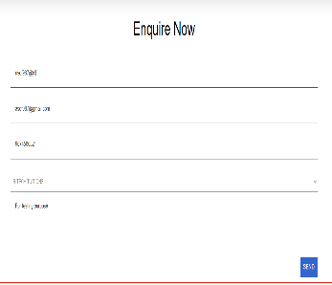 | New
Def_TCI_03 | User get an error message if user entered an invalid email address | Website didn't identify what user type after @ symbol. So invalid email addresses also accepted | 1.Open website 2.Scroll down to 'Enquiry Now' 3.Enter an invalid email address 4.Enter all other fields 5.Click the 'Send' button | Major | High |  | New
Def_TCI_04 | User expect details of each branch under b-tech when they click the branch title | It is better to use same colouring for all texts and different colour for hyper links. Otherwise user get confused whether it is a hyper link or text. User expect details of each branch | 1.Open the website 2.Click the 'Services' icon 3.Click the 'B-Tech Tutions' link 4.Click each branch | Minor | High | 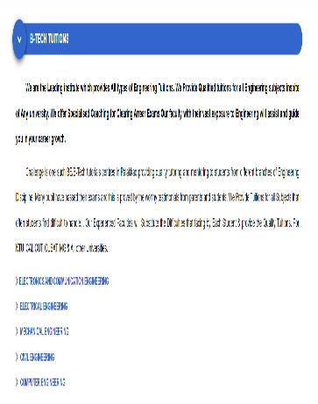 | New
Def_TCI_05 | User expect details of each special tuition when they click on each special course | User expect details of each special course when they click on each special course. It is better to choose same colour for all hyper links and different colour for all texts | 1.Open the website 2.Click the 'Services' icon 3.Click the 'B-Tech Tutions' link 4.Click each special courses | Minor | High | 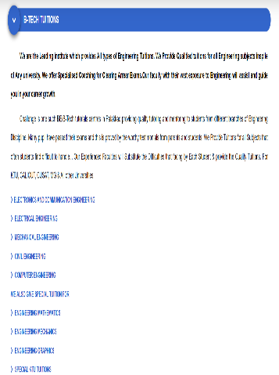 | New
Def_TCI_06 | User expect details of each branch under diploma tuitions when they click on each branch title | User expect details of each branch when they click on branch title. It is better to choose same colour for all hyper links and a different colour for all texts | 1.Open the website 2.Click the 'Services' icon 3.Click the diploma tuitions 4.Click each branch name | Minor | High | 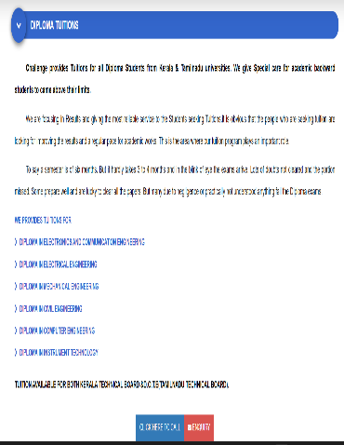 | New
Def_TCI_07 | User expect details of each branch under higher secondary tuitions when they click the branch title | User expect details of each branch when they click on branch title. It is better to choose same colour for all hyper links and a different colour for all texts | 1.Open the website 2.Click the 'Services' icon 3.Click on higher secondary tuitions 4.Click on each branch | Minor | High | 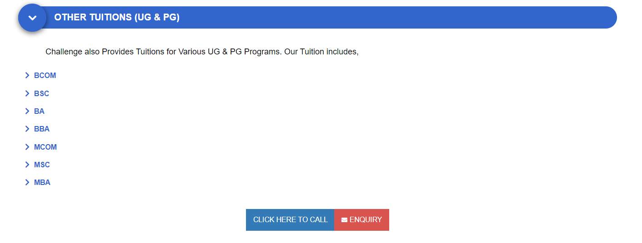 | New
Def_TCI_08 | User expect details of each stream under 'Other Tuitions(UG & PG)' when they click the stream title | User expect details of each stream when they click on stream title. It is better to choose same colour for all hyper links and a different colour for all texts. | 1.Open the website 2.Click 'Services' 3.Click on Other Tuitions (UG & PG) 4.Click on each degree | Minor | High |  | New
Def_TCI_09 | User should get details of 'Entrance Coaching' when they click on the title hyper link | Entrance Coaching' is designed as a hyper link. By clicking all other title hyper links user get details about it. So user expect details of 'Entrance Coaching' when they click on the title | 1.Open the website 2.Click 'Services' 3.Click Entrance Coaching | Major | High |  | New
Def_TCI_10 | User should redirect to whatsapp page when they click on the whatspp link in the 'Challenge Updates' page | Whatsapp icon is a hyper link just like facebook and twitter. But user didn't navigate to the whatsapp page when they click on it | 1.Open the website 2.Click 'Services' 3.Click the whatsapp icon | Major | High | 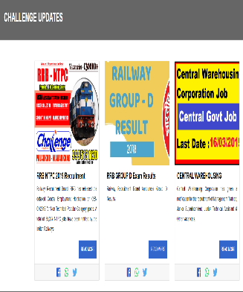 | New
Def_TCI_11 | User should get error message while they enter numeric and speical characters in the name field in 'Contact Us' page | User name field should accept alphabetical characters only. and didn't accept numeric and accept special charaters | 1.Open website 2.Click 'Contact Us' 3.Enter numeric values (or Special characters) in 'Your Name' field 4.Enter all other fields 5.Click the 'Send' button | Major | High | 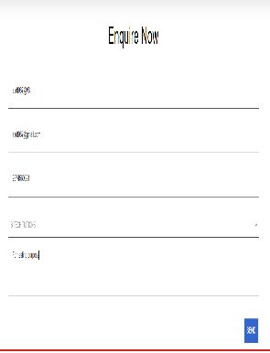 | New

Defect Distribution
DEFECT DISTRIBUTION GRAPH
MODULE NAME | DEFECT DISTRIBUTION
HOME PAGE | 3
SERVICE PAGE | 6
UPDATE PAGE | 1
GALLERY | 0
CONTACT US PAGE | 1

