Dashboard-1
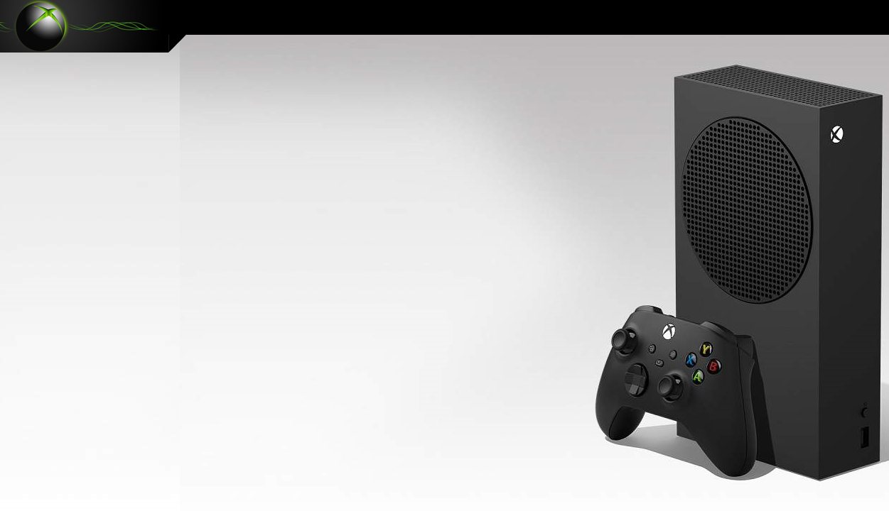
 | Soma de Total Value | Soma de Total Potential Sales Auto Renewal YES | Soma de Total Potential Sales Auto Renewal NO
Core | 444 | 1,275 | 1,250
Standard | 1,801 | 1,715 | 1,645
Ultimate | 5,388 | - | -
XBOX GAME PASS SUBSCRIPTION PLANS SALES

(*) Calculation period: 01/01/2024 - 31/12/2024 | Updated at: 25/12/2024 09:00:00

Olá Markus 'Notch' Persson! Você quer ver suas vendas?

CORE
R$ 444
R$ 5.388
R$ 3.360
R$ 1.801
R$ 2.525
ALL SUBSCRIPTION PLANS
(*) Growth potential
R$ 7.633
R$ 5.885
SUBSCRITION PLANS

Dashboard-2
XBOX GAME PASS SUBSCRIPTIONS SALES

(*) Calculation period: 01/01/2024 - 31/12/2024 | Updated at: 25/12/2024 09:00:00

Olá Markus 'Notch' Persson! Você quer ver suas vendas?
 | SUBSCRIPTIONS | MINECRAFT | EA | (-) COUPON | Total Gross Sales
1 | 2,935 | 3,880 | 2,940 | 2,122 | 9,755

GAME PASS SUBSCRIPTIONS SALES

R$ 3.880
GROSS SALES
CLIENTS
101
GROSS SALES
CLIENTS
96
R$ 2.940
GROSS SALES
CLIENTS
98
SUBS CRIP TIONS
R$ 2.935
GROSS SALES
CLIENTS
295
R$ 9.755

Dashboard-3
XBOX GAME SUBSCRIPTIONS SALES

Calculation period: 01/01/2024 - 31/12/2024 | Updated at: 25/12/2024 09:00:00
CORE
R$ 444
R$ 5.388
R$ 3.360
R$ 1.801
R$ 2.525
ALL GAME PASS PLANS
(*) Growth potential
R$ 7.633
R$ 5.885
SUBSCRITION PLANS

 | Soma de Total Value | Soma de Total Potential Sales Auto Renewal YES | Soma de Total Potential Sales Auto Renewal NO
Core | 444 | 1,275 | 1,250
Standard | 1,801 | 1,715 | 1,645
Ultimate | 5,388 | - | -

Olá Markus 'Notch' Persson! Você quer ver suas vendas?

GAME
PASS subscriptions
R$ 3.880
GROSS SALES
CLIENTS
101
GROSS SALES
CLIENTS
96
R$ 2.940
GROSS SALES
CLIENTS
98
SUBS CRIP TIONS
R$ 2.935
GROSS SALES
CLIENTS
295
R$ 9.755

subscription PLANS
R$ 6.370
Gross Sales
Clients
98
(-) Coupons
Net Sales
-R$ 982
R$ 5.388
-15%
% of G. sales
R$ 2.880
Gross Sales
Clients
96
(-) Coupons
Net Sales
-R$ 1.079
R$ 1.801
-37%
% of G. sales
R$ 505
Gross Sales
Clients
101
(-) Coupons
Net Sales
-R$ 61
R$ 444
-12%
% of G. sales
CORE
Total G.Sales
R$ 9.755
(-) Coupons
-R$ 2.122
Net Sales
R$ 7.633
Clients
295

