单词示例格式
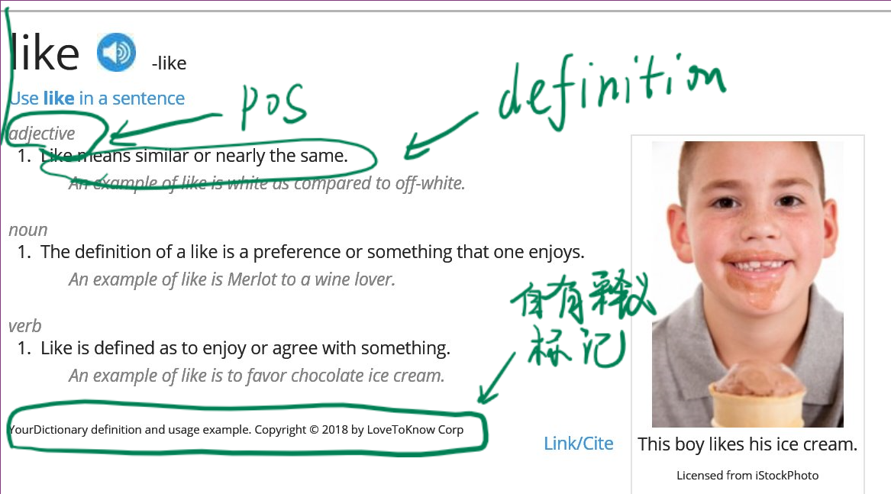
word | pos | definition
like | adjective | Like means similar or nearly the same.
 | noun | The definition of a like is a preference or something that one enjoys.
 | verb | Like is defined as to enjoy or agree with something.
united | adjective | The definition of united is joined together, acting as one or in agreement.
teacher | noun | The definition of a teacher is someone who helps others learn new things.
 | noun | Look is defined as the acting of seeing something with one's eyes or the physical appearance of someone or something.
 | verb | Look means to turn one's eyes toward something or to gaze at something with the eyes.

注： 0. 抓取“词表” tab 中所有单词的释义 1. 抓取your dictionary（https://www.yourdictionary.com/）的单词自有释义（如下图：自有释义下会有“YourDictionary definition and usage example. Copyright © 2018 by LoveToKnow Corp”字样。）无自有释义则留空 2. 解析同文件夹中 牛津袖珍释义.xml 英文释义
输出为三个 .csv: 1. yourdictionary.csv 2. oxford.csv 3. merged.csv，优先保留 yourdictionary.csv 结果，次之 oxford.csv，如无匹配 相应单词 pos definiton 两个字段留空

