Sheet1
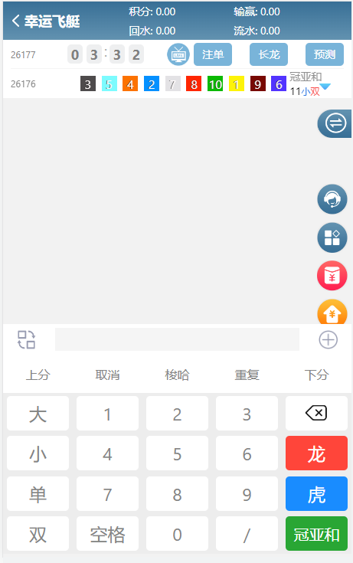
example
12/123/50
123/50
12大5000(小) | 1st, 2st > 6 bet 50 each other
大50000(小) | 1st >6 bet 50000
123单500(双) | 1st 2st 3st odd bety 500 each other
单500
12345龙500(虎) | 1st > 10st 2st >9st
龙500
冠亚和567 /50 | 1st + 2st = 5,6,7 bet 50 each other
冠亚和大 / 50 (大小 单 双)

上分 | up point
梭哈 | next bet use all remain point
下分 | down point
取消 | cancel previous bet
重复 | repeat before bet

