Sheet1
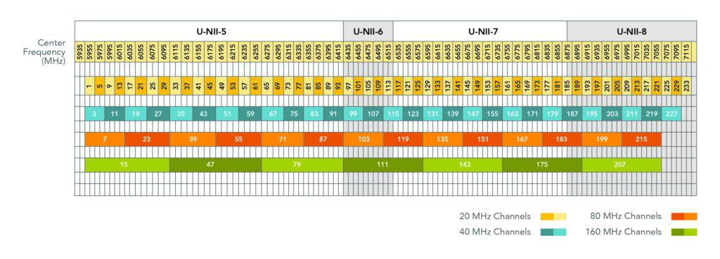
WIFI 6E
CH | CENTER_FREQ
7 | 5985
23 | 6065
39 | 6145
55 | 6225
71 | 6305
87 | 6385
103 | 6465
119 | 6545
135 | 6625
151 | 6705
167 | 6785
183 | 6865
199 | 6945
215 | 7025
229 | 7095

