27639_Monthly
27639-003 Monthly Detail (2025 vs 2026)

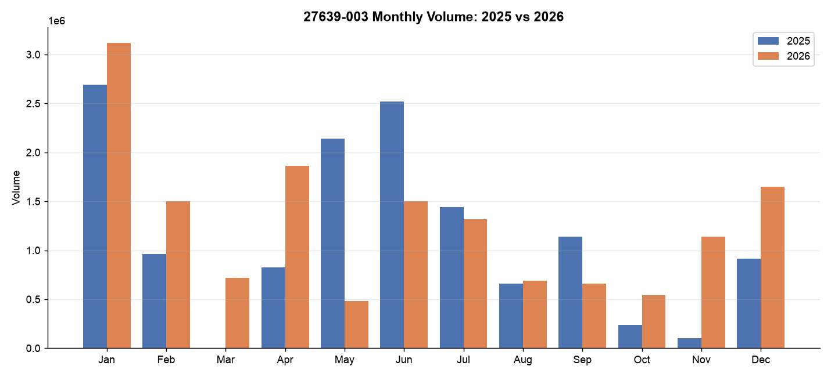
Month | 2025 | 2026 | Difference | YoY Change
Jan | 2,694,000 | 3,120,000 | 426,000 | +15.8%
Feb | 960,000 | 1,500,000 | 540,000 | +56.3%
Mar | 0 | 720,000 | 720,000
Apr | 825,000 | 1,860,000 | 1,035,000 | +125.5%
May | 2,142,000 | 480,000 | -1,662,000 | -77.6%
Jun | 2,520,000 | 1,500,000 | -1,020,000 | -40.5%
Jul | 1,440,000 | 1,320,000 | -120,000 | -8.3%
Aug | 660,000 | 690,000 | 30,000 | +4.5%
Sep | 1,140,000 | 660,000 | -480,000 | -42.1%
Oct | 240,000 | 540,000 | 300,000 | +125.0%
Nov | 105,000 | 1,140,000 | 1,035,000 | +985.7%
Dec | 915,000 | 1,650,000 | 735,000 | +80.3%
TOTAL | 13,641,000 | 15,180,000 | 1,539,000 | +11.3%

Combined_Monthly
63251-002 + 63252-002 Combined Monthly Detail

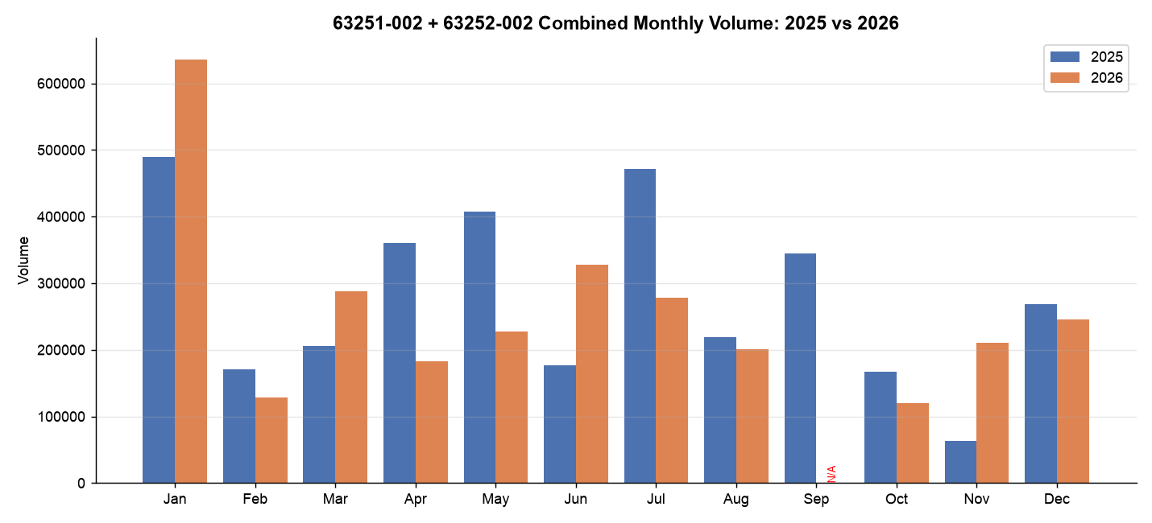
Month | 2025 (sum) | 2026 (sum) | Difference | YoY Change
Jan | 489,000 | 636,000 | 147,000 | +30.1%
Feb | 171,000 | 129,000 | -42,000 | -24.6%
Mar | 205,200 | 288,000 | 82,800 | +40.4%
Apr | 360,000 | 183,000 | -177,000 | -49.2%
May | 408,000 | 228,000 | -180,000 | -44.1%
Jun | 177,000 | 328,200 | 151,200 | +85.4%
Jul | 471,000 | 277,800 | -193,200 | -41.0%
Aug | 219,000 | 201,000 | -18,000 | -8.2%
Sep | 345,000 | N/A (63251 missing)
Oct | 167,400 | 120,000 | -47,400 | -28.3%
Nov | 63,000 | 210,000 | 147,000 | +233.3%
Dec | 268,800 | 246,000 | -22,800 | -8.5%
TOTAL | 3,344,400 | 2,847,000 | -497,400 | -14.9%

Fluctuation_3SKU
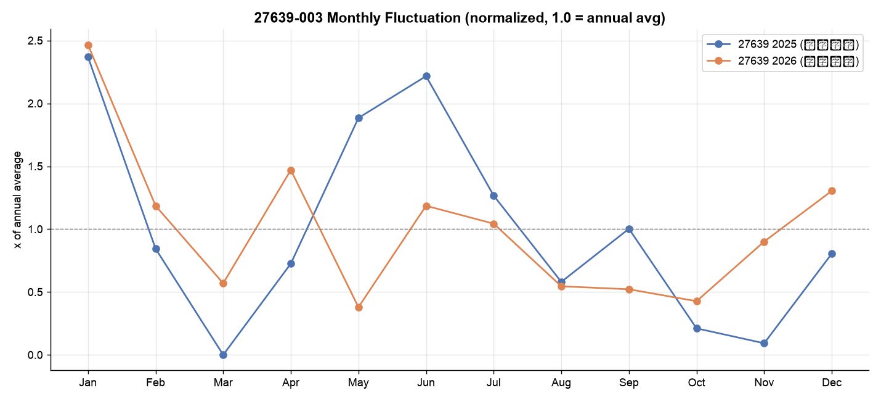
Monthly Fluctuation — 3 SKUs (2025 vs 2026)

Month | 27639 25 | 27639 26 | 27639 Δ% | 63251 25 | 63251 26 | 63251 Δ% | 63252 25 | 63252 26 | 63252 Δ%
Jan | 2,694,000 | +312000000.0% | 0.15812917595 | 237,000 | +30600000.0% | 0.29113924051 | 252,000 | +33000000.0% | 0.30952380952
Feb | 960,000 | +150000000.0% | 0.5625 | 81,000 | +7200000.0% | -0.11111111111 | 90,000 | +5700000.0% | -0.36666666667
Mar | 0 | +72000000.0% |  | 100,200 | +13500000.0% | 0.34730538922 | 105,000 | +15300000.0% | 0.45714285714
Apr | 825,000 | +186000000.0% | 1.2545454545 | 174,000 | +9300000.0% | -0.46551724138 | 186,000 | +9000000.0% | -0.51612903226
May | 2,142,000 | +48000000.0% | -0.77591036415 | 195,000 | +10200000.0% | -0.47692307692 | 213,000 | +12600000.0% | -0.40845070423
Jun | 2,520,000 | +150000000.0% | -0.40476190476 | 87,000 | +14820000.0% | 0.70344827586 | 90,000 | +18000000.0% | 1
Jul | 1,440,000 | +132000000.0% | -0.083333333333 | 228,000 | +13980000.0% | -0.38684210526 | 243,000 | +13800000.0% | -0.43209876543
Aug | 660,000 | +69000000.0% | 0.045454545455 | 108,000 | +9300000.0% | -0.13888888889 | 111,000 | +10800000.0% | -0.027027027027
Sep | 1,140,000 | +66000000.0% | -0.42105263158 | 165,000 |  |  | 180,000
Oct | 240,000 | +54000000.0% | 1.25 | 82,200 | +7200000.0% | -0.12408759124 | 85,200 | +4800000.0% | -0.43661971831
Nov | 105,000 | +114000000.0% | 9.8571428571 | 30,000 | +10200000.0% | 2.4 | 33,000 | +10800000.0% | 2.2727272727
Dec | 915,000 | +165000000.0% | 0.80327868852 | 127,800 | +12600000.0% | -0.014084507042 | 141,000 | +12000000.0% | -0.14893617021

Volatility (CV %)
SKU | CV 2025 | CV 2026
27639-003 | 79.6 | 59.4
63251-002 | 48.1 | 51.5
63252-002 | 48.4 | 57.3
Combined | 48.2 | 54.2

