carbonpremia
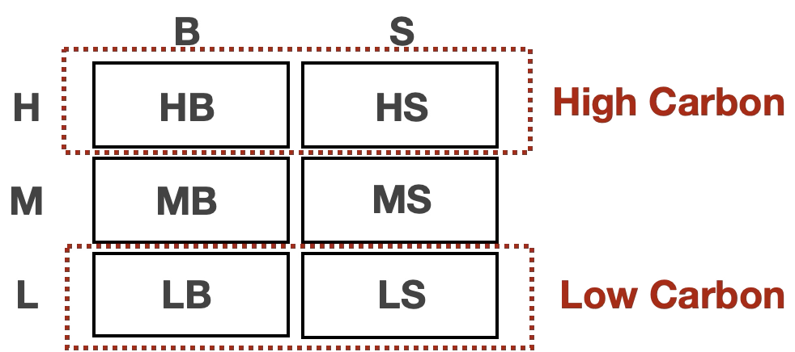
Lag 63 - FRM_10 |  |  |  |  | Lag 84 - FRM_10 |  |  |  |  | Lag 105 - FRM_10
 | (1) | (2) | (3) |  |  | (1) | (2) | (3) |  |  | (1) | (2) | (3)
VARIABLES | Return | Return | Return |  | VARIABLES | Return | Return | Return |  | VARIABLES | Return | Return | Return

L63_FRM_1_High_Low | 0.061*** |  |  |  | L84_FRM_1_High_Low | 0.041*** |  |  |  | L105_FRM_1_High_Low | 0.023**
 | (0.011) |  |  |  |  | (0.011) |  |  |  |  | (0.011)
L63_FRM_5_High_Low |  | 0.061*** |  |  | L84_FRM_5_High_Low |  | 0.047*** |  |  | L105_FRM_5_High_Low |  | 0.023*
 |  | (0.012) |  |  |  |  | (0.012) |  |  |  |  | (0.012)
L63_FRM_10_High_Low |  |  | 0.039*** |  | L84_FRM_10_High_Low |  |  | 0.020* |  | L105_FRM_10_High_Low |  |  | 0.006
 |  |  | (0.011) |  |  |  |  | (0.011) |  |  |  |  | (0.011)
Constant | -0.045*** | -0.046*** | -0.023** |  | Constant | -0.026** | -0.033*** | -0.006 |  | Constant | -0.008 | -0.008 | 0.010
 | (0.011) | (0.012) | (0.012) |  |  | (0.011) | (0.012) | (0.012) |  |  | (0.012) | (0.013) | (0.012)

Observations | 2,213 | 2,213 | 2,213 |  | Observations | 2,198 | 2,198 | 2,198 |  | Observations | 2,186 | 2,186 | 2,186
R-squared | 0.014 | 0.012 | 0.006 |  | R-squared | 0.006 | 0.007 | 0.002 |  | R-squared | 0.002 | 0.002 | 0.000
Controls | YES | YES | YES |  | Controls | YES | YES | YES |  | Controls | YES | YES | YES
Firm FE | YES | YES |  |  | Firm FE | YES | YES |  |  | Firm FE | YES | YES
Y | Sharpe_vol_High_Bench | Sharpe_vol_High_Bench | Sharpe_vol_High_Bench |  | Y | Sharpe_vol_High_Bench | Sharpe_vol_High_Bench | Sharpe_vol_High_Bench |  | Y | Sharpe_vol_High_Bench | Sharpe_vol_High_Bench | Sharpe_vol_High_Bench
cluster | Firm | Firm | Firm |  | cluster | Firm | Firm | Firm |  | cluster | Firm | Firm | Firm
Adjusted R-squared | 0.0136 | 0.0114 | 0.00514 |  | Adjusted R-squared | 0.00592 | 0.00674 | 0.00114 |  | Adjusted R-squared | 0.00156 | 0.00116 | -0.000336
Standard errors in parentheses |  |  |  |  | Standard errors in parentheses |  |  |  |  | Standard errors in parentheses
*** p<0.01, ** p<0.05, * p<0.1 |  |  |  |  | *** p<0.01, ** p<0.05, * p<0.1 |  |  |  |  | *** p<0.01, ** p<0.05, * p<0.1

 |  |  |  |  |  | l = 63
 |  | tau = 5
 |  | l = 63 | l = 84 | l= 105 |  | h = 63
 | beta | 0.036*** | 0.027** | -0.008 |  |  | (1) | (2) | (3)
 |  | (0.012) | (0.012) | (0.013) |  |  | Carbon Premium | Carbon Premium | Carbon Premium
 | obs | 2,206 | 2,189 | 2,177
 | Adjusted R2 | 0.094 | 0.094 | 0.095 |  | Tau = 1 | 0.04
 |  | tau = 1 |  |  |  | Tau = 5 |  | 0.036
 |  | l = 63 | l = 84 | l= 105 |  | Tau = 10 |  |  | 0.039
 | beta | 0.040*** | 0.024** | 0.000 |  | Obs | 2,206 | 2,206 | 2,206
 |  | (0.011) | (0.011) | (0.012) |  | R-squared | 0.096 | 0.094 | 0.092
 | obs | 2,206 | 2,189 | 2,177
 | Adjusted R2 | 0.096 | 0.094 | 0.095
 |  | tau = 10 |  |  |  | l = 84
 |  | l = 63 | l = 84 | l= 105
 | beta | 0.018 | 0.003 | -0.022* |  | h = 84
 |  | (0.012) | (0.012) | (0.012) |  |  | (1) | (2) | (3)
 | obs | 2,206 | 2,189 | 2,177 |  |  | Carbon Premium | Carbon Premium | Carbon Premium
 | Adjusted R2 | 0.092 | 0.092 | 0.096
 |  |  |  |  |  | Tau = 1 | 0.024
 |  |  |  |  |  | Tau = 5 |  | 0.027
 |  |  |  |  |  | Tau = 10 |  |  | 0.003
 |  |  |  |  |  | Obs | 2,198 | 2,198 | 2,198
 |  |  |  |  |  | R-squared | 0.094 | 0.094 | 0.092

 |  |  |  |  |  | l = 105

 |  |  |  |  |  | h=105
 |  |  |  |  |  |  | (1) | (2) | (3)
 |  |  |  |  |  |  | Carbon Premium | Carbon Premium | Carbon Premium

 |  |  |  |  |  | Tau = 1 | -0.008
 |  |  |  |  |  | Tau = 5 |  | 0
 |  |  |  |  |  | Tau = 10 |  |  | -0.022
 |  |  |  |  |  | Obs | 2,177 | 2,177 | 2,177
 |  |  |  |  |  | R-squared | 0.095 | 0.095 | 0.096

