Logistic_regression_model
 | Predictors | Intercept | APOE4 | ADAS13 | RAVLT | FAQ | CDR | MMSE
Healthy vs. MCI and AD | Coefficients | 1.133 | -0.211 | -0.180 | 0.081 | -0.039 | -0.541 | 0.096
 | p-value | 9.1E-244 | 7.5E-07 | 6.2E-12 | 4.4E-03 | 3.1E-03 | 5.7E-254 | 1.0E-05
Healthy and MCI vs. AD | Coefficients | 3.370 | -0.125 | -0.100 | 0.113 | -0.035 | -0.127 | 0.151
 | p-value | 1.05712950000000e-317 | 2.0E-03 | 3.8E-05 | 1.3E-02 | 6.4E-17 | 1.4E-70 | 1.0E-19

Healthy = 1
SMC = 1.5
EMCI=2
LMCI=2.5
AD=3

 | pTau over zscore-axis |  |  |  |  | delta pTau (from baseline) over zscore-axis
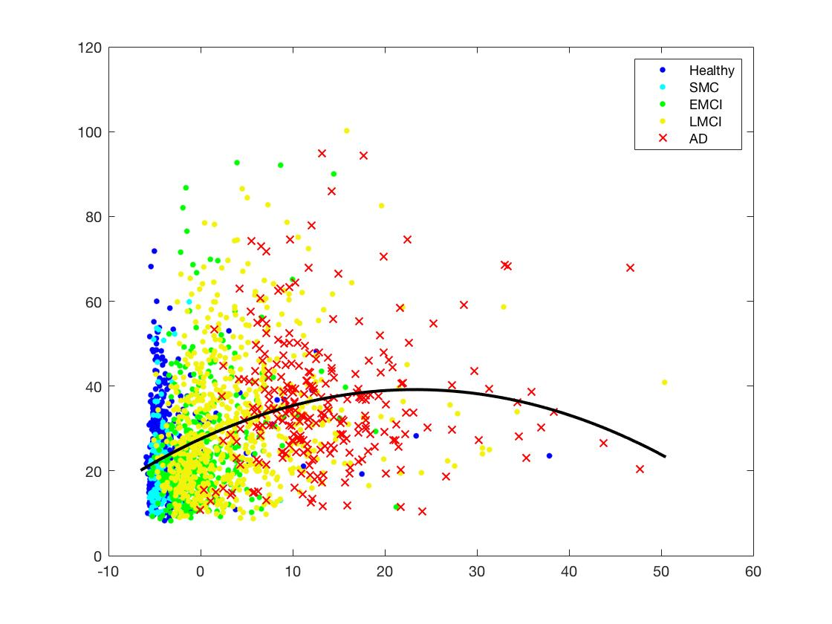
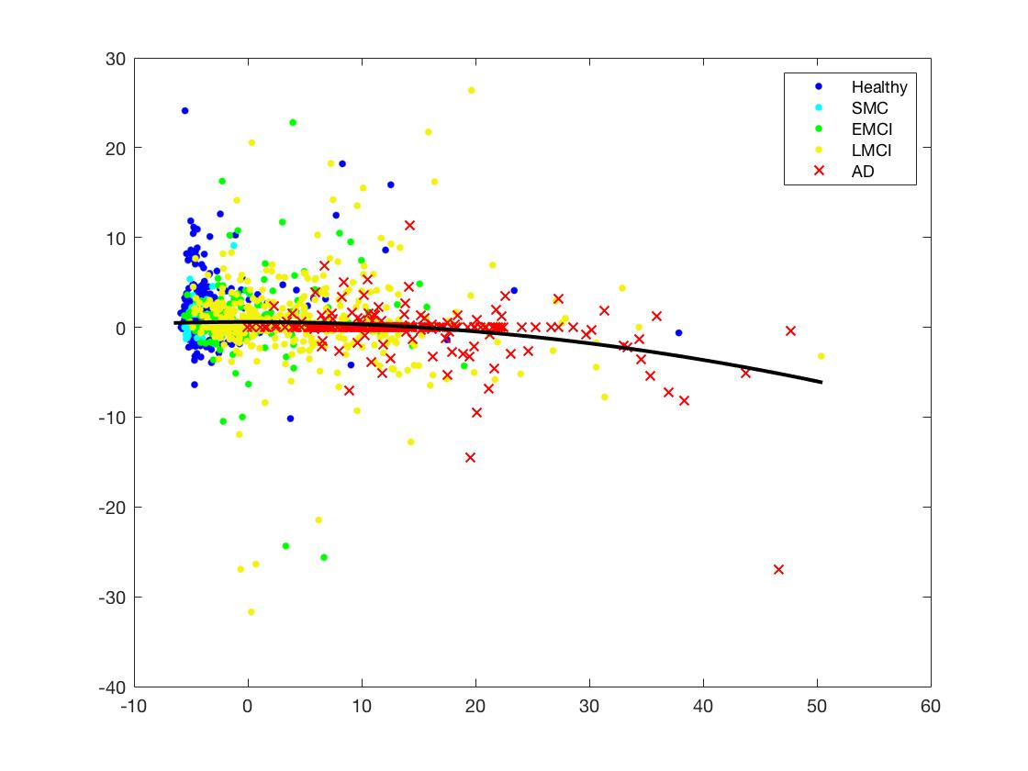

 | RMSE | 12.9 |  |  |  |  |  |  | 4.8
 | Rsq | 0.139 |  |  |  |  |  |  | 0.033

 |  | 0.0361

