Teams & Plan
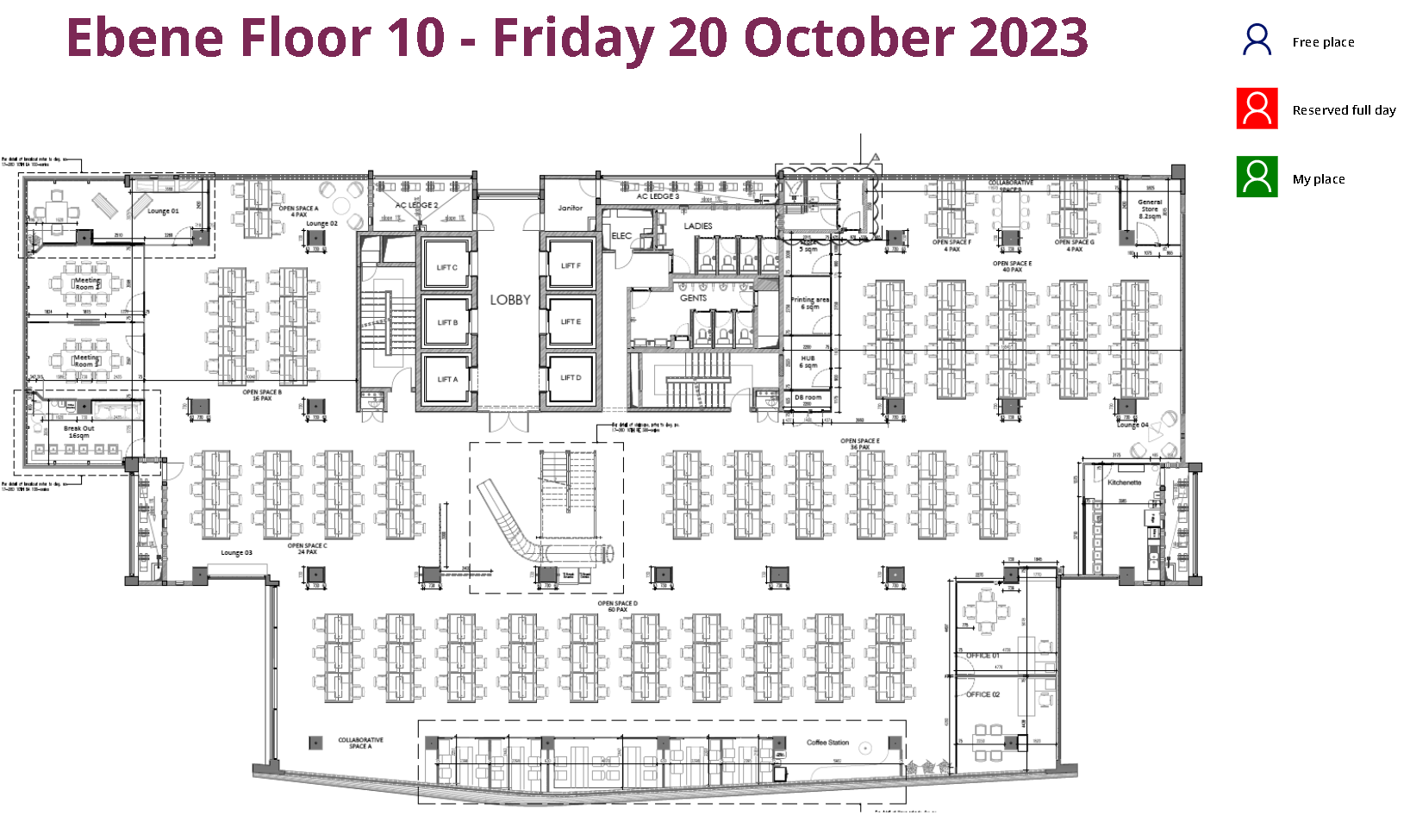
Row Labels | Count of EMPID
1 | 19
2 | 17
3 | 14
4 | 21
6 | 15
7 | 22
8 | 20
9 | 14
10 | 16
11 | 19
12 | 20
13 | 19
14 | 16
15 | 18
16 | 17
17 | 22
18 | 19
19 | 17
20 | 22
5 | 23
Grand Total | 370

