Assignment1
 |  |  | PYTHON ASSIGNMENT 1

 | 1. In the below elements which of them are values or an expression? eg:- values can be
 | integer or string and expressions will be mathematical operators.

 | * | expression
 | hello' | values
 | -87.8 | values
 | - | expression
 | / | expression
 | + | expression
 | 6 | values

 | 2. What is the difference between string and variable?

 | String is a refrence datatype or type of info used to store in a variable. It is used to represent text datatype.
 | Variable is something which work as a temporary storage locations , it is used to represent any value.basically it gives data to the computer for processing

 | 3. Describe three different data types.
 | In python there are 5 major types of data they are:
a | Numeric
b | Dictionary
c | Boolean
d | Set
e | Sequence type

a) | Numeric
 | In Python, numeric data type represent the data which has numeric value.
 | Numeric value can be integer, floating or complex
 | These values are defined as int, float and complex class in python respectively
 | Int--> (without decimal)
 | Float-->(With decimal)\
 | Complex(real part + imaginary part(a+bi))

b) | Sequence type
 | In python sequnce is an ordered collection of same or different datatypes
 | 1) String--> It is collection of multiple characters stored in single,double or tripple quotes
 | 2) List--> It is ordered collection of data with same or different datatype stored in a[].
 | List is mutable.i.e(can be modified after it is created)
 | 3)Tuple-->ordered collection of data with same of diff datatype stored in ()
 | Tuple is immutable(cannot be modified after created)
 | we can access all the above sequence type by using indexing.

c) | SET
 | Set is an unordered collection of datatype that has no duplicate elements and it is iterable and mutable.
 | It can be created by using built in set function.
 | The order of element is undefined.
 | Itcannot be accessed via index we have to iterate it through loop

 | 4. What is an expression made up of? What do all expressions do?
 | Expression is made up of operators and operand that is interpreted to produce some values.
 | Different types of expression performs different tasks and based on that we produce desired outputs.
 | types:
 | Constant Expression->(This expression has constant values only)
 | Arithmetic Expression->(This is used when we are dealing with some numeric results )
 | Arithmetic expressions are achived by using arithmetic operators such as +,-,/,*,**,%
 | Logical Expressions --> This expression gives results in true or false
 | to achieve this we make use of logical operators such as and,or,not
 | So basically logic expression we use in terms of one or multiple condition required to be staisfied.
 | We can use diff types of exp in a single exp that is termed as combinational exp.
 | We must follow operator precedence while using to form expression.
 | Precedence:
 | Paranthesis, exponential, (Unary +,-),( */%),(+-),(>><<),&,^,|,>=,<=><, equality operator(==,!=),(=,+=,-= /= *=),(is,isnot, innot in),(and,or,not)

 | 5. This assignment statements, like spam = 10. What is the difference between an
 | expression and a statement?
 | An expression is a combination of values, variables, operators and function calls that returns a result values.
 | An expression is evaluated to solve something. Eg x=2, y=3 , z = x+y
 | Note: The evaluation of an expression does not changes state and produce atleast one valueas a result.
 | Every expression can't be statement.
 | Any Instruction that python interpreter can execute is called as a statement.
 | eg spam = 10
 | print (spam)
 | Here the first line spam=10 is assignment statement
 | the second line print(spam) is a print statement
 | when we type a statement interpreter executes it , which means it does whatever statement says
 | Other statements in python (if statement, else statement, while statement etc)
 | Note:Execution of statement changes state.
 | Execution of statement may or may not produce or print result value it does whatever statement says.
 | Every statement is an expression.

 | 6.After running the following code, what does the variable bacon contain?
 | bacon = 22
 | bacon + 1
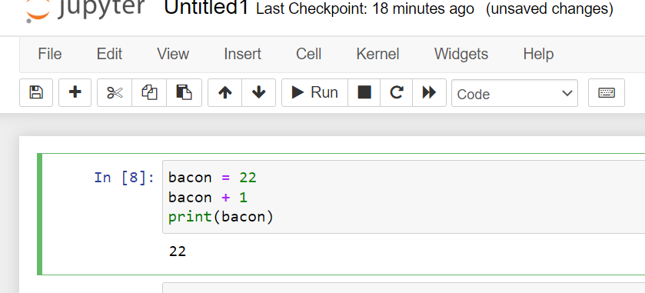

 | Variable bacon will still contain 22 coz after increment it is not stored or assigned to any variable hence won't display latest value.

 | 7. What should the values of the following two terms be?
 | spam'+'spamspam'
 | spam* 3
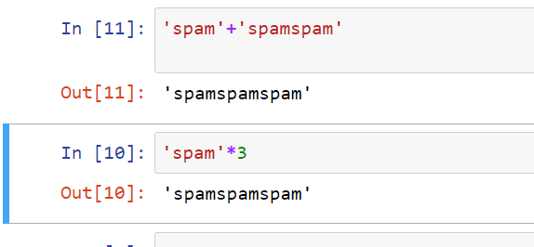

 | 8. Why is eggs a valid variable name while 100 is invalid?
 | Because variable name can only contain alpha numeric character and can start with letter or _ but cannot start with number.

 | 9. What three functions can be used to get the integer, floating-point number, or string
 | version of a value?
 | int()-> for integer value
 | float()->for floating
 | str()-> for string

 | 10. Why does this expression cause an error? How can you fix it?
 | I have eaten'+ 99 + 'burritos'
 | String + integer cannot concatenate will give typeerror it can be fixed by writing 99 in double or single quotes.

Assignment2
 |  |  | PYTHON ASSIGNMENT 2

1.What are the two values of the Boolean data type? How do you write them?
The two values of boolean datatype are True and False.
bool() returns true for any number,string,list,tuple,dict,set.
returns false for 0 ,empty string,list,tuple,dict,set

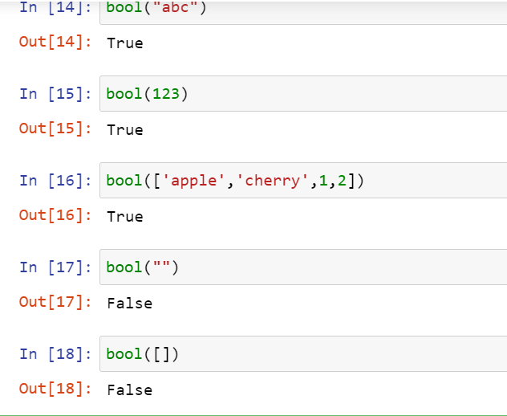

2. What are the three different types of Boolean operators?
1 AND-> returns true if all the conditions are true else false.
2 OR-> returns true if any one of the condition is true else false.
3 NOT-> if true returns false if false returns true.

3. Make a list of each Boolean operators truth tables (i.e. every possible combination of Boolean
values for the operator and what it evaluate ).

a | b | a and b | a | b | a or b | a | not a
T | T | T | T | T | T | T | F
T | F | F | T | F | T
F | T | F | F | T | T
F | F | F | F | F | F

4. What are the values of the following expressions?
(5 > 4) and (3 == 5) |  |  | FALSE
not (5 > 4) |  |  | FALSE
(5 > 4) or (3 == 5) |  |  | TRUE
not ((5 > 4) or (3 == 5)) |  |  | FALSE
(True and True) and (True == False) |  |  | FALSE
(not False) or (not True) |  |  | TRUE
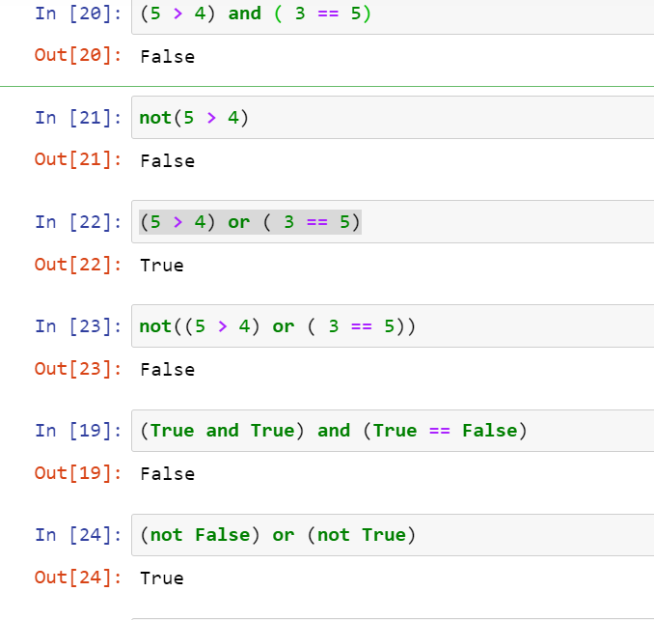

5. What are the six comparison operators?
< (Less than)
<= (Less than or equal to)
>(greater than)
>=(greater than or equal to)
=='(equal to equal to)
!= (not equal to)

6. How do you tell the difference between the equal to and assignment operators?Describe a
condition and when you would use one.
The assignment operator i.e = is used to assign a value to the variable.
The == operator is comparison operator and returns true if condition is true else returns false.
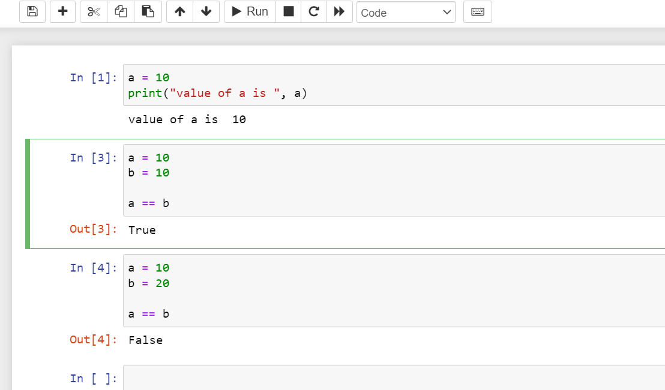

we will use assihgnment operator whenever we want to assign some value to the variable and
comparison operator whenever we will have to compare two operands

7. Identify the three blocks in this code:
spam = 0
if spam == 10: |  | First block
print('eggs')
if spam > 5: |  | Second block
print('bacon')
else: |  | Third block
print('ham')
print('spam')
print('spam')
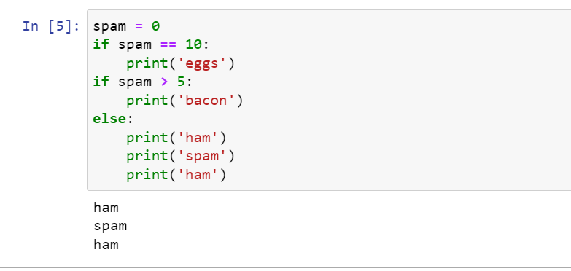

8. Write code that prints Hello if 1 is stored in spam, prints Howdy if 2 is stored in spam, and prints
Greetings! if anything else is stored in spam.
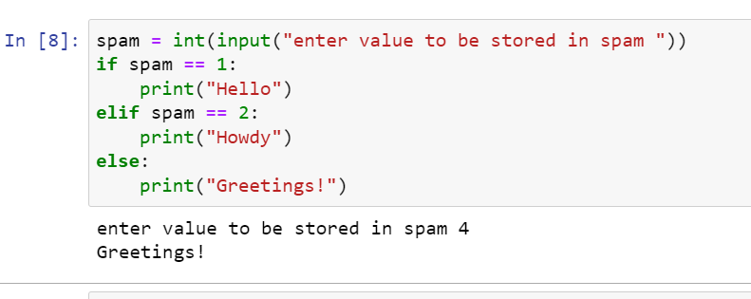

9.If your programme is stuck in an endless loop, what keys you’ll press?
Ctrl + C

10. How can you tell the difference between break and continue?
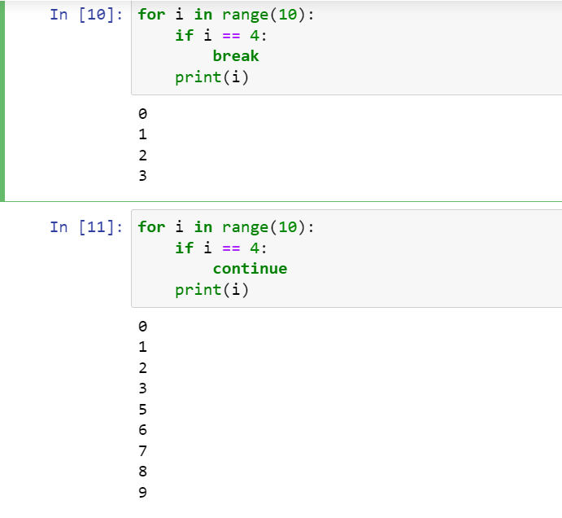

As we can see in the above output break statements break the iteration and terminate the loop and it will pass the control to the next loop.
but continue statement skip that particular iteration and executes the rest of the part without terminating
Whenever we want to skip some particular iteration then we use continue statements
when we want our loop to be terminated when some external condition is triggered then we use break

11. In a for loop, what is the difference between range(10), range(0, 10), and range(0, 10, 1)?
range(10) |  | range(stop) | It will start from 0 and stop at 9 (use to generate range numbers in series)
range(0, 10) |  | range(start, stop) | It will start from 0 and stop at 9 (used when user wants to give starting point)
range(0,10,1) |  | range(start, stop, step) | It will strat from 0 and stop at 9 but will give step size 1 i.e will skip 1 number and give alternate numbers as output(Used when user wants to give starting point as well as difference between two numbers.

12. Write a short program that prints the numbers 1 to 10 using a for loop. Then write an equivalent
program that prints the numbers 1 to 10 using a while loop.
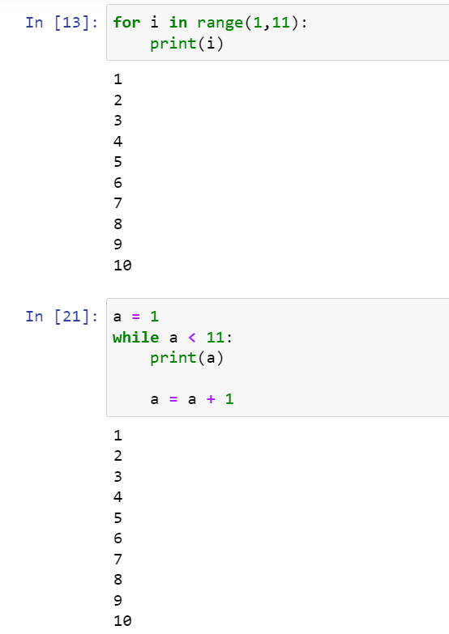

13. If you had a function named bacon() inside a module named spam, how would you call it after
importing spam?
spam.bacon()

Assignment3
1. Why are functions advantageous to have in your programs?
Tha advantage of having function in code is :
There will be no need of writing same code again and again it will execute if called basically it will reduce duplication of code
We can return as many outputs as we want with different arguments
Once it is define we can all as many time we want from anywhere.
Large python programs can be divided into diff functions which will be easy to keep track.

2. When does the code in a function run: when it's specified or when it's called?
When it's called

3. What statement creates a function?
The def keyword followed by function name and paranthesis with colon(:) creates function statement.
eg def divide():

4. What is the difference between a function and a function call?
Function is a part of program defined seperately outside the program whereas function call is calling of the function.
taking an anology of bread and jam,jam is the function defined by you and application of jam to bread is function call.
in a program function is designated to do the work but function call decides where, when and what(parameters)of the function execution.without calling a function there will be no need for a function
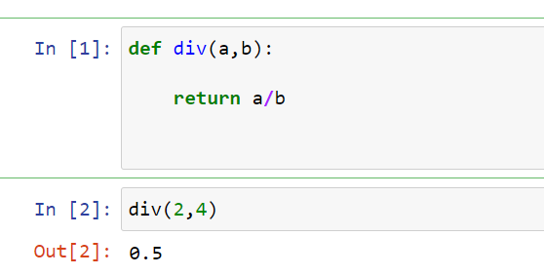

 | Function | Jam

 | Function Call | Bread

5. How many global scopes are there in a Python program? How many local scopes?
There is only one global scope but can be multiple local scopes in python
5 points to remember when we deal with local and global scope
Local Variable cannot be accessed in global scope
Local variable caanot be accessed by other local scope
Global variable can be accessed by any local scope
Local and global variable can share same name
Global variable can be modified inside a local scope using global keyword

6.What happens to variables in a local scope when the function call returns?
The variables in a local scope is automatically destroyed after function completes it's execution

7. What is the concept of a return value? Is it possible to have a return value in an expression?

