Data_mining
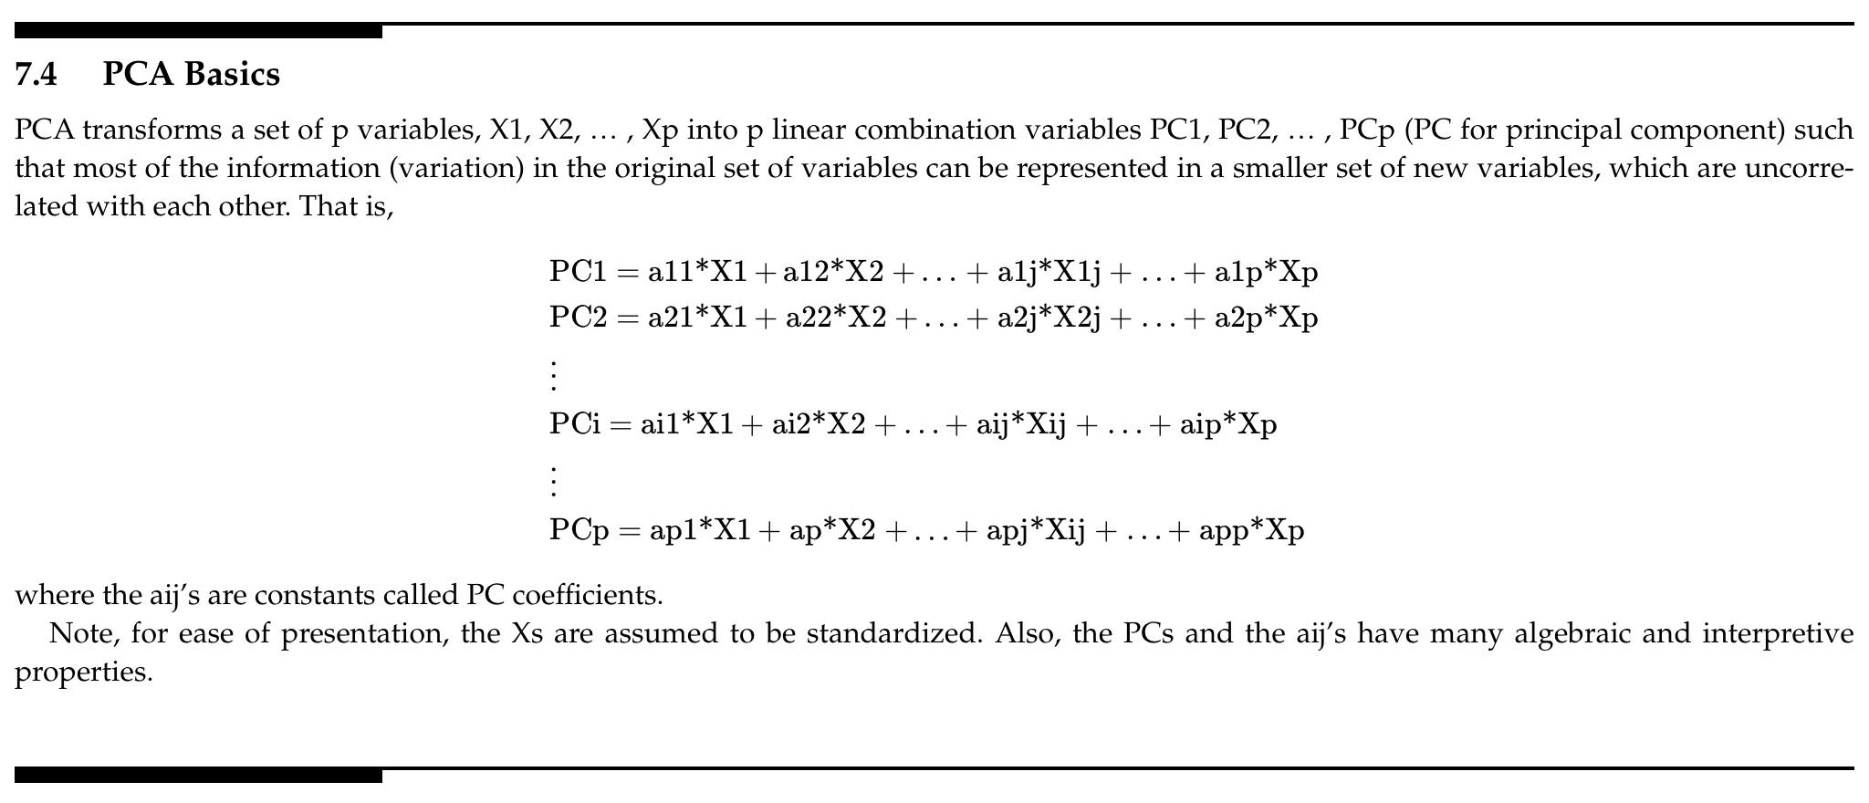
PCA invented in 1901 by Karl Pearson | Classical data reduction technique, uncovers the interrelationships among many variables
 | https://medium.com/@aptrishu/understanding-principle-component-analysis-e32be0253ef0

 | Principal Component Analysis (PCA) is a dimensionality reduction technique used to transform high-dimensional datasets into a dataset with fewer variables, where the set of resulting variables explains the maximum variance within the dataset.

 | https://medium.com/district-data-labs/principal-component-analysis-with-python-4962cd026465

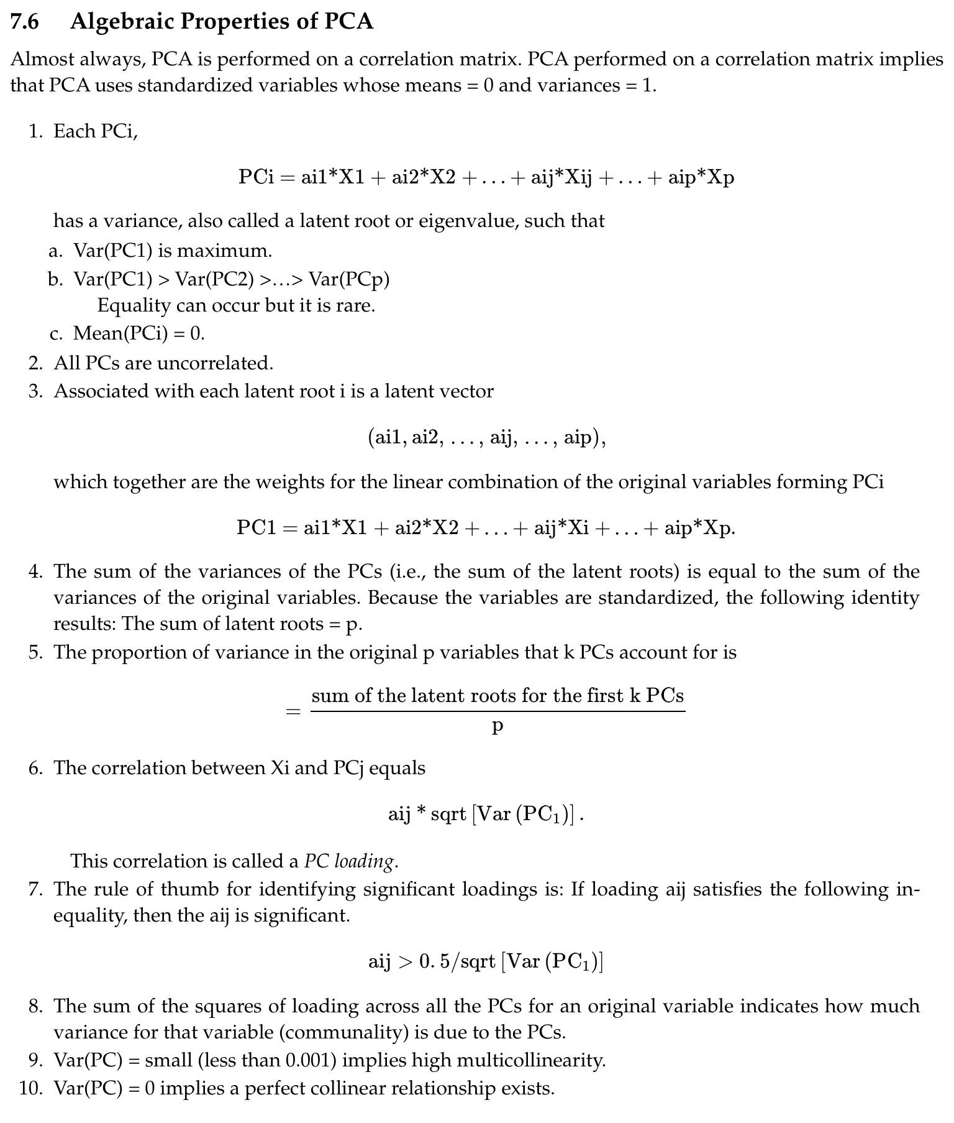

Automated Feature Engineering in Python | https://towardsdatascience.com/automated-feature-engineering-in-python-99baf11cc219 https://www.kaggle.com/willkoehrsen/automated-feature-engineering-tutorial https://medium.com/data-from-the-trenches/automatic-feature-engineering-an-event-driven-approach-b2ca09d166f

