React and Node
What is Virtual DOM and differentiate it from Real DOM. | Virtual representation of the UI DOM (Real DOM, it's exact but lightweight copy) in the from of Generic tree and the syncing process done by the library like ReactDOM, called reconcilation is much faster as compared to updation on Real DOM. In case of real DOM, on updation of the UI element and application's state, the whole tree is rerendered to showcase the updated UI. Manipulating DOM is slow, but manipulating Virtual DOM is fast as nothing gets drawn on the screen. So each time there is a change in the state of our application, virtual DOM gets updated first instead of the real DOM. Whenever there is a change in state of any element, a new Virtual DOM tree is created. This new Virtual DOM tree is then compared with the previous Virtual DOM tree (diffing process) and make a note of the changes. After this, it finds the best possible ways to make these changes to the real DOM. Now only the updated elements will get rendered on the page again.We have seen that the re-rendering of the UI is the most expensive part and React manages to do this most efficiently by ensuring that the Real DOM receives batch updates to re-render the UI.
React Features | Server side rendering and Unidirectional Data flow. Also Virtual DOM, One way data binding and JSX.
Advantages | Readability because of JSX. App Performance. Big Community Support.
What is JSX | JavaScript XML. Mixture of JavaScript and HTML. Makes use of HTML in JavaScript to make the code more readable and easy to understand and Abstract Important functionalities from the web app's source. React Uses JSX to utilize the power of JavaScript and template syntax of HTML. React community understands that UI changes/ state change is linked with events. "Since JSX is closer to JavaScript than to HTML, React DOM uses camelCase property naming convention instead of HTML attribute names."
Why can't browser read JSX? | Browsers can only read JavaScript objects but JSX in not a regular JavaScript object. Thus to enable a browser to read JSX, first, we need to transform JSX file into a JavaScript object using JSX transformers like Babel
Difference between Angular and React | React: Only the View of MVC, Uses VDOM, 1 way data binding, Facebook Angualr: Whole MVC, Uses real DOM, 2 way data binding, Google.
In React, Every thing is component | Components let you split the UI into independent, reusable pieces, and think about each piece in isolation.
Why is switch keyword used and it's replacement. | The ‘switch’ keyword is used when you want to display only a single route to be rendered amongst the several defined routes. The <switch> tag when in use matches the typed URL with the defined routes in sequential order. When the first match is found, it renders the specified route. Thereby bypassing the remaining routes.
What is React Router? | Powerful routing library built on top of React, which helps in adding new screens and flows to the application. This keeps the URL in sync with data that’s being displayed on the web page. It maintains a standardized structure and behavior and is used for developing single page web applications. React Router has a simple API.
Rendering Elements | A div element with id=root is the one from where React creates the root node of he Virtual DOM. To render a React element into a root DOM node, pass both to ReactDOM.render(): const element = <h1>Hello, world</h1>; ReactDOM.render(element, document.getElementById('root')); React elements are immutable. Once you create an element, you can’t change its children or attributes. The only way to update the UI is to create a new element, and pass it to ReactDOM.render().
Functional Component vs Class Component
Props are read only | Whether you declare a component as a function or a class, it must never modify its own props. Such functions are called “pure” because they do not attempt to change their inputs, and always return the same result for the same inputs. In contrast, this function is impure because it changes its own input. React is pretty flexible but it has a single strict rule: "All React components must act like pure functions with respect to their props".
All JavaScript Events | onClick ,onMouseOver ,onMouseDown ,onMouseUp ,onMouseOut ,onMouseMove onKeyDown, onKeyUp onFocus, onBlur, onSubmit, onChange onLoad, onUnload, onScroll
Type-Checking with prop types | import PropTypes from 'prop-types'; . . <Rfc_name>.propTypes = { <attr>: PropTypes.string }; <Rfc_name>.propTypes={ <attr>:PropTypes.element.isRequired }; <Rfc_name>.defaultProps={ <attr>:<value> };
Fragments | Fragments let you group a list of children without adding extra nodes to the DOM. <> or <React.Fragment>
Why do we need Router | A Router is used to define multiple routes and when a user types a specific URL, if this URL matches the path of any ‘route’ defined inside the router, then the user is redirected to that particular route.
What is the difference between a conventional routing and React Routing? | Conventional: Each view corresponds to a new set of files, A HTTP request is sent to a server and corresponding HTML page is received and User actually navigates across different pages for each view. React Routing: Only single HTML page is involved. User is duped thinking he is navigating across different pages.
Purpose of render() in react "cca" | It is mandatory for each React component to have a render() function. Render function is used to return the HTML which you want to display in a component.
Props | Props stand for "Properties" in React. They are read-only inputs to components. Props are an object which stores the value of attributes of a tag and work similar to the HTML attributes. It gives a way to pass data from the parent to the child components throughout the application. It is similar to function arguments and passed to the component in the same way as arguments passed in a function.
State in React | The State is an updatable structure which holds the data and information about the component. It may be changed over the lifetime of the component in response to user action or system event. It is the heart of the react component which determines the behavior of the component and how it will render. It must be kept as simple as possible.
StateLess Component | The stateless components do not hold or manage state. It is also known as a functional component (But can be introduced here by the use of react hooks).
Events in react. | An event is an action which triggers as a result of the user action or system generated event like a mouse click, loading of a web page, pressing a key, window resizes, etc. In React, the event handling system is very similar to handling events in DOM elements. The React event handling system is known as Synthetic Event, which is a cross-browser wrapper of the browser's native event.
Difference between Controlled and Uncontrolled Components | UC-Here, data is controlled by the DOM itself. C-Here, data is controlled by the parent component. UC-It has limited control over the form elements and data. No Validation is allowed. C-It has better control over the form elements and data.
Purpose of key in React | A key is a unique identifier. In React, it is used to identify which items have changed, updated, or deleted from the Lists. It is useful when we dynamically created components or when the users alter the lists of similar components. It also helps to determine which components in a collection needs to be re-rendered instead of re-rendering the entire set of components every time. It increases application performance.
HOC | In React, Higher Order Component is an advanced technique for reusing component logic. It is a function that takes a component and returns a new component. In other words, it is a function which accepts another function as an argument. According to the official website, it is not the feature(part) in React API, but a pattern that emerges from React's compositional nature.
create-react-app | (Tool) The create-react-app are preconfigured, which saves you from time-consuming setup and configuration like Webpack or Babel.
React Hooks Rules | You should call hooks only at the top level of your React functions and not inside the loops, conditions, or nested functions. This is used to ensure that hooks are called in the same order each time a component renders, and it also preserves the state of hooks between multiple useState and useEffect calls. You should call hooks from React functions only. Don't call hooks from regular JavaScript functions.
Life Cycle and Life cycle methods
React references
React Context
What is NodeJS and how does it work | A computer only understand binary coded language. That is why in earlier times Assembly language was used to command the machines. But as the language was complex and difficult to understand, engineers abstracted down to languages like C++ and Python etc...Now these modern languages code was eventually compiled/interpreted down to machine code (Binary) and then the task is performed with the built executable(s). Same goes for the web. A browser only understands Binary instructions. A JavaScript code is compiled in the runtime by the Chrome's V8 engine to this machine code inorder to perform as desired. This V8 engine was only present in browser. NodeJS core tech is the code that wraps around the V8'c code. Now since Node is also written in C++, it can run on our machines. This allows a javascript code to run in an environment created by NodeJS (which wraps V8) thereby running the code not only on browsers but machines like PC/servers etc. Apart form this NodeJS also allows us to use functionalities like read/write files on the system,DB connection and act as a server for content. Now the Javascript code running in the NodeJS runtime outside the browser will not be able to interact with DOM model of the web as NodeJS seperates it from browser only code. | 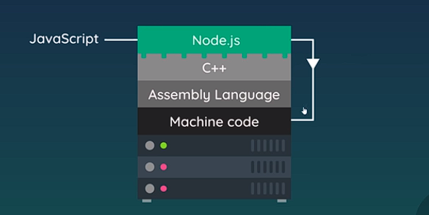
The global object | This is same as window object in Vanilla JS. This object allows us to access some of the very imp. Methods like setInterval/setTimout etc….in our javascript runtime env. NOTE: we do not need object specifier in order to access this methods/enums/variables. Like global.setTimeout = setTimeout Some other important variable in Node's global object: __dirname and __filename (gives absolute directory path and file-path)
Module and require method | A module is a bundle of executables. A single file can also act as a module. Modules are the blocks of encapsulated code that communicates with an external application/other code on the basis of their related functionality. "require" method is used to include an exported module in a running module/working module. If not exported an empty object is assigned to the variable to which the require method returns. "require" method takes one arg. that is the relative address of the exported module. With that it runs the exported module as well. Syntax: const <var> = require('<path>'); module.exports = {<what ever is needed to be exported>}//helps in member abstraction Destructuring object: This allows us to extract only desired members from the returned object. const { name } = reuire('./student.js'); Some of the important modules(inbuilt) : os, fs etc.... os module inportant methods: os.platform() and os.homedir() //gives what name suggests.
NodeJS FS | const fs = require('fs'); //reading files fs.readFile('<filepath>',(err,data)=>{ //callback }) //async function //data is a buffer package to read it use, data.toString(); //write existing or newly created file fs.writeFile( '<filepath/newFilepath>', <content> , ()=>{ //callback }) //creating files fa.mkdir('<dirpath/dirname>' (err)=>{//callback} ) fs.existsSync('<dirpath/dirname>') //return bool if the provided dir/file exists. fs.rmdir(<dirpath/dirname>,(err)=>{ //callback }) //removes the mentioned directory fs.unlink('<filepath/name>', (err)=>{//callback} ) //remove mentioned file
What are Streams in NodeJS | "Data loading on the run". Start using data, before it has finished loading up. //How to create a readStream const readStream = fs.createReadStream('<filename>'); readStream.on('data', (chunk) => { //callback }) //on is a event listener on event called "data" chunk is that piece of data that is being accessed on data event. Now initially chunk would deliver/return us the buffer without being encoded or converted to a readable string. so either we can make use of chunk.toString() or we can mention encoding to be utf-8 while creating the readStream. fs.creatReadStream('<filename>', {encoding: 'utf8'}); Creating a write Stream: const writeStream = fs.createWriteStream('<filename>'); //use it while transfering huge data read from read stream ... writeSteam.write(chunk); ... We can also make use of pipe to transfer huge data from readStream to WriteStream: readStream.pipe(writeStream);
Local Host and Port numbers | Localhost is like a domain on the web but by default it takes the req. to a loopback IP address (127.0.0.1) which points to our own computer. Hence request via UI is sent to our own computer are heard by the server (which itself is running on our computer). Port number is like a gateway between internet and application running on your computer. A particular application running on your computer/machine which requires internet access needs to have a personal channel through which it communicates with the internet/exchanges Just so that other same type of applications do not intermingle data with this app. This channel/doorway is called port number.
Creating - running a server and Listenning to the reqests | const http = require('http'); server = http.createServer( (req,res) => { //this method runs everytime a request is sent to the server }); server.listen(3000, 'localhost', () => {//callback what to do when server starts listenning } );
In depth detail of server function in NodeJS | In a nutshell, the Express app.listen() method creates an http server object and then configures it to receive incoming TCP connections on a specific port and IP address so that when clients request a connection to that port and send an http request, the server can receive that http request and process it, sending a response. Here are the lower level details for how that works. When a server wishes to start listening for incoming connections, it informs the local TCP stack by creating a socket and binding to a particular port and IP address. That essentially reserves that incoming port for this particular server (no other server will be allowed to also bind to that port). So, for example, on a regular http server on the default port, you would bind to port 80. This type of bound socket is used for incoming connections only, not for two-way communications with a client. Then, the server informs the TCP stack that it is ready for incoming connections. At the TCP level, this is referred to as listen. Within nodejs, the bind and listen steps are combined into the one step called listen. From then on, whenever the local TCP stack receives an incoming connecting request whose destination is the IP address and port that the server bound to, then that incoming connection will be accepted and inserted into a queue for the server that is configured for that IP address and port. There will typically be a maximum number of incoming connections that can be queued in this way and, if that number is exceeded, then the connection will be refused. This manages load and protects the host if the server gets "backed up" and is behind on processing incoming connections. The server will then be informed by the TCP stack for each new incoming connection. Once the server accepts that connection, then it can start reading any data that the client has sent over the socket. In the case of an HTTP server working with the HTTP protocol, this would be the initial request protocol,
Request and response objects | http.createServer((req,res)=>{ --- }) req.url = > request URL req.method => HTTP methods res.setHeader('Content-type',______) //'text/html','text/plain'…. res.write('______') //html component or plain text res.end(); //HTML page to browser //raw routing let path = './views/'; //this is the file path switch(req.url) { case '/': path += 'index.html'; res.statusCode = 200; break; case '/about': path += 'about.html'; res.statusCode = 200; break; case '/about-us': res.statusCode = 301; res.setHeader('Location', '/about'); //this req url will redirect to /about instead of /about-us res.end(); break; default: path += '404.html'; res.statusCode = 404; } res.setHeader('Content-type','text/html'); fs.readFile(<filename>,(err,data)=>{ if(err){console.log(err);res.end();} res.write(data); res.end(); //or we can use res.end(data); })
npm init | creat a package.json
npm install | install all dependencies in your package.json
Express | Express.js is a free and open-source web application framework for Node.js. It is used for designing and building web applications quickly and easily. It helps and simplifies routing,content/model management, request handling and API management. Const express = require('express'); //setup express application const app = express(); //Listen to requests on a port and URL (by default URL is set to localhost in express listen method) app.listen(PORT,(err)=>{//error callback}) app.<html_method>('<route>',(req,res)=>{ //respond to the requested route, res.send() //automatically infers content type and status code res.status(<CODE>).send() //manually adding code res.sendFile('<path_of_file_from_root>',{root:__dirname}); // it either takes absolute path or a rel. path while specifying root directory res.redirect('<route>'); //make sure redirect route is above this line. }) app.use((req,res)=>{ // .use is a middleware method. This code will run for every unmatched route. make sure this code block is at the end of all the routes. })
View Engine | This helps us inject dynamic HTML pages via routing in express. Inserts javascript as PHP in HTML templates. //register view engine withexpress app. app.set('view engine','ejs')// let express set and configure view engine with ejs app.set('views', '<path to folder where html views are>') //lets express know that search for views in this folder Save views with .ejs views in the folder/dir mentioned ...Now in routing we can use this view as response as: res.render('<view_name>'); //NOTE: Viewengine is the combination of HTML tags, Server Controls and a programming language and works inside the application for rendering view to the browser or to the user. A view lives onto the server in case this view is demanded by the client it will be passed through an engine spitting out pure HTML with the logic in views already processed. This is how dynamic data is processed by the View engine. //Pass data from server to views->.ejs file; res.render(<view_name>, {K:V} ) //passing data object //Use this data object in view as <%= K %> //K = a key in data object. <%= _____ %> This is displayed in HTML where as <% ____ %> is used for writeing logic which will not be displayed. //Partials: if we want too include a view into another view.
Middleware | Code which runs on the server b/w getting a request and sending a response. //Example: app.use(func()) In express middleware runs from top to bottom //Can be used for auth checks and log and parse JSON data In tutorial 404 page was rendered using a middleware. (When the route does not match) Middleware for logging in express: app.use((req,res)=>{console.log(<logging data>);}); Placement of middleware function in the code is important, as it runs from top to bottom. SInce above code (if placed on top) matches anything/route, will run and stop executing the whole remaining express code. So it will only log the request and not load the page on the basis of route. For the express to nkow that we need some futher processing as well even after middleware is executed, we make use of next(). app.use((req,res, next)=>{ //this next method is what should be executed by the express next. It is needed to be called. //log next(); //this tell express to continue the execution follwing till the bottom. }) //NOTE: res.send()/res.end()/res.render() stops express execution. Third party middlewares: morgan-->install via npm, require it in server file. It is use as mini logger tool. place it prior to any routing code. app.use(morgan(<arg>)) //arg='tiny' or 'dev' Middleware to use static files: app.use(express.static(<dir_in_parent_dir_containing_public_files>)); //specially used for linking parent style css sheet. | 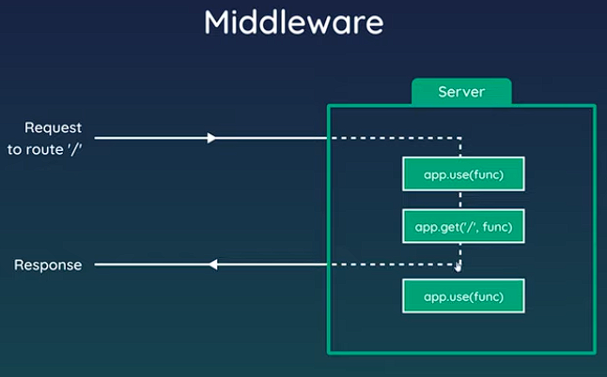
Mongo DB Atlas setup | Go to official website of MongoDB Atlas and then create a free account -.sign up. Then select a free plan as shared resource in order to create a DB cluster. Name The cluster. Now roll baack and create a DB and a collection in it. Name the DB as "X". Selcet the side Database access from Side drawer and setup an admin account. This person will act as this database admin and you can setup modification rights for each access you setup. Go to DB/Cluster using side drawer and select connect to the database. Select connection way-> Connect to your application. Copy the connection string in your application .env/server file as connectionURI. Install mongoose. In the connection string replace mongodb.net/test with "X" and overwrite admin's username and password for the made up cluster.
Mongoose | Mongoose is a ODM library - Object model mapping library which makes it easy to connect to and communicate to the mongoDB. Mongoose involves first setting up DB schemas and then designing models according to the schemas. This makes it easier to communicate with the Mongo Server. A model has certain methods to get/post and update DB documents.Mongoose is an Object Data Modeling (ODM) library for MongoDB and Node.js. It manages relationships between data, provides schema validation, and is used to translate between objects in code and the representation of those objects in MongoDB. mongoose.connect(dbURI,{useNewUrlParser : true, useUnifiedTopology: true }).then().catch(); //the second arg in connet method avoids console warning. //Now we don't want server to listen to request without having it already connected to MongoDB server. So, mongoose.connect(dbURI,{useNewUrlParser : true, useUnifiedTopology: true }).then((resent)=>app.listen(PORT)).catch((err)=>{console.log(err);});
Schemas and Models in Mongoose | const mongoose = require('mongoose')//after installing const Schema = mongoose.Schema; const entity = new Schema({ title: {type: String,required:true},….. } , {timestamp:true}) //the second arg automatically generates timestamps whenever this schema model is created/updated. //Schema defines a table-documents format //A Model surrounds schema andprovides an interface to communicate with DB const <ModelName1> = mongoose.model('<ModelName2>',schema_name); mongoose model name (second arg) will be pluralised and this collection will be searched in the Application database.//NOTE usually <ModeName1>=<ModelName2> model.exports = <ModelName1> Now how to use models in Server: //after importing model const Blog = require('./models/blog'); . . const blog=new Blog({k:v.....}) //followed by mongoDB async methods. Now these methods can be instance specific (POST) or model sspecific (GET/FIND===FINDALL) //NOTE there is a sort method on list of object /JSON received which takes an object as an argumrnt specifying what attributes decides order of the list objects. If .sort({<col_name>:-1}) means descending order using <col_name>. Else it will be .sort({<col_name>}); Schema Example: let validator = require('validator'); let emailSchema = new mongoose.Schema({ email: { type: String, required: true, unique: true, lowercase: true, validate: (value) => { return validator.isEmail(value) } } }) module.exports = mongoose.model('Email', emailSchema)
Request Methods | Basic Mongoose methods: (All Async) Create Record: <modelInstance>.save(); Find By ID: <modelVar>.findById('<ID>'); Find Specific: <modelVar>.find({k:v}); //by this K-V FindAll: <modelVar>.find(); FindAll Specific: <modelVar>.find({K:V}) Update: <modelVar>.findAndUpdate({K:V},{K':V'},{config}) //Example: EmailModel.findOneAndUpdate( { email: 'ada.lovelace@gmail.com' // search query }, { email: 'theoutlander@live.com' // field:values to update }, { new: true, // return updated doc runValidators: true // validate before update }) Delete one: <modelVar>.findOneAndRemove({K:V}), <modelVar>.findByIdAndRemove({id}); Delete all: <modelVar>.findAllAndRemove({K:V})

Misc
Webscokets | Stateless Communication protocol technology that helps in server client communication which is real time in nature and supports bidirectional data flow. This protocol provides full-duplex communication channels over a single TCP connection. It is initiated with a HTTP request to upgrade to a fully interactive and 2-way communication session. Applications that use websockets are: collaborative code editting software/browser multiplayer game.
Http vs Websockets vs SocketIO | HTTP is stateless(everytime an http request is sent to a server, additional user information is requred to the server in order to establish TCP again) and formed over Layer 4 TCP protocol{duplex} (Through an initial handshake a TCP connection is established. This handshake method just nivolves signaling from SYN and ACK flags). HTTP is build on top of TCP but although TCP allows bidirectional communication, HTTP allows only one way communication which means at a time only one party can use the channel. This gives HTTP a plus point. Server handling HTTP are scalable. Websocket is also a duplex protocol built over TCP. It is initiated when HTTP formed over TCP is upgraded to a Websocket support. This protocol allows the channel to have 2 way communication. Hence it utilizes TCP bidirectional potential. Here handshake and closing signals are one-way. Websockets acquire lower bandwidth and are fast as compared to HTTP but are not scalable. Phonecall analogy on websockets and postman-letter analogy on HTTP. ref: /watch?v=sUEq35F-ELY (for http polling and socket IO) | 1
How JavaScript Runs the code | Single threaded and synchronous language. Call Stack and Memory Heap. Global and local execution context working.(Everything happens in a EC). Variable environment and Thread of Execution "area". Memory creation phase and code execution phase.
Undefined vs Not defined (JS)
Let vs Const vs Var (JS)
The Scope Chain (JS)
Block Scope (JS)
Connection pool | In software engineering, a connection pool is a cache of database connections maintained so that the connections can be reused when future requests to the database are required. Connection pools are used to enhance the performance of executing commands on a database. Opening and maintaining a database connection for each user, especially requests made to a dynamic database-driven website application, is costly and wastes resources. In connection pooling, after a connection is created, it is placed in the pool and it is used again so that a new connection does not have to be established. If all the connections are being used, a new connection is made and is added to the pool. Connection pooling also cuts down on the amount of time a user must wait to establish a connection to the database.
Persistent connection | A persistent connection (HTTP persistent connection) is a network communication channel that remains open for further HTTP requests and responses rather than closing after a single exchange.
Why URL encoding? | Web browsers request pages from web servers by using a URL. The URL is the address of a web page, like: https://www.w3schools.com. URL encoding converts characters into a format that can be transmitted over the Internet. URLs can only be sent over the Internet using the ASCII character-set. Since URLs often contain characters outside the ASCII set, the URL has to be converted into a valid ASCII format. URL encoding replaces unsafe ASCII characters with a "%" followed by two hexadecimal digits. URLs cannot contain spaces. URL encoding normally replaces a space with a plus (+) sign or with %20. Refer table: https://www.w3schools.com/tags/ref_urlencode.asp
Why mod 1e9+7 is used in casewe obtain a big number in CP? | Because it is very large and a prime number. Which means in x % 1e9+7 can have multiple different solutions if x < 1e9+7, and can be divided only by 1 or itself. large enough to fit in the largest integer data type i.e it makes sure that there is no overflow in the result.
Synchronous Execution | https://www.youtube.com/watch?v=0vFgKr5bjWI
Asynchronous Execution
Multi-threading and Multi-processing
Multi core and Multi-threaded | https://www.youtube.com/watch?v=hwTYDQ0zZOw
Switches vs Hub vs Router | https://www.youtube.com/watch?v=1z0ULvg_pW8
Modem vs Router | https://www.youtube.com/watch?v=Mad4kQ5835Y
Firewall | https://www.youtube.com/watch?v=kDEX1HXybrU

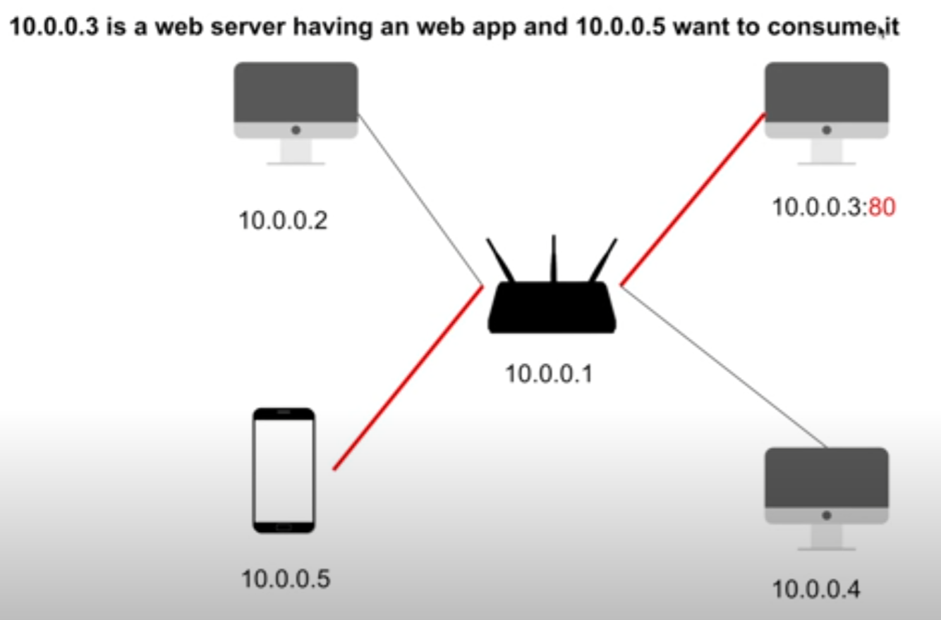
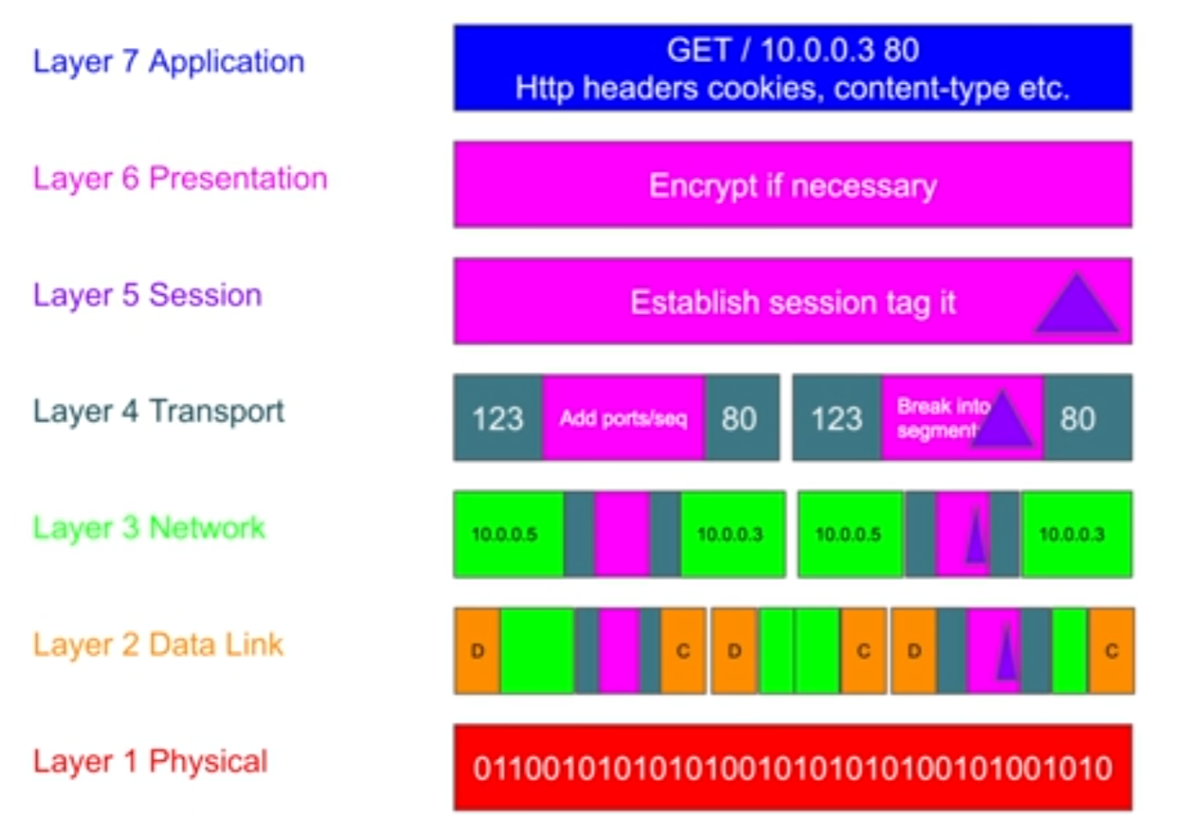
TCP vs UDP | TCP is a transport layer protocol which allows us to send a message from one end to another by attaching Port and IP to the segment. TCP ensures gauranteed delivery with acknowledgement. It is a connection based protocol, which means server and client needs to establish a unique connection for a message exchange. It supports congestion control (If there is huge traffic the protocol stops recieveing requests untill the condition calms.) Also it ensures packet ordering. But there are some cons here. The packet size is huge even if your message size is 1 B. This results in requirement of more bandwidth. This is slower UDP. The protocol is Stateful. Because of which server memory requirement is comparitively bigger (DOS attack risk) UPD User Datagram protocol, is also a transport layer protocol which serves the same purpose as TCP but there are few feature changes. There is no acknowledgements upon recieveing. Hence no gaurantee on delivery. It is connecctionless in nature and there is no congestion control and packet ordering is not done here. This is why security here is a concern. Because of that packets are small and bandwidth requirement is less and fast exchnage. Plus this protocol ensures stateless architecture for server. UDP protocol really promotes scalability. https://www.youtube.com/watch?v=qqRYkcta6IE | const net=require('net') const server=net.createServer(socket=>{ socket.write("Connection made")//sends to client when client connection is successful socket.on("data", data=>{clg(data.toString();)}) }) server.listen(8080) //used telnet <ip> <port> to contact this server const dgram=require('dgram') const socket=dgram.createSocket('udp4') socket.on('message',(message,rinfo)=>{clg('recieved from client ${rinfo.address} ${rinfo.port}message= ${message}');}); socket.bind(8081); //used echo "<msg>" | nc -w1 -u <ip> <port>
OSI model Open system interconnection model

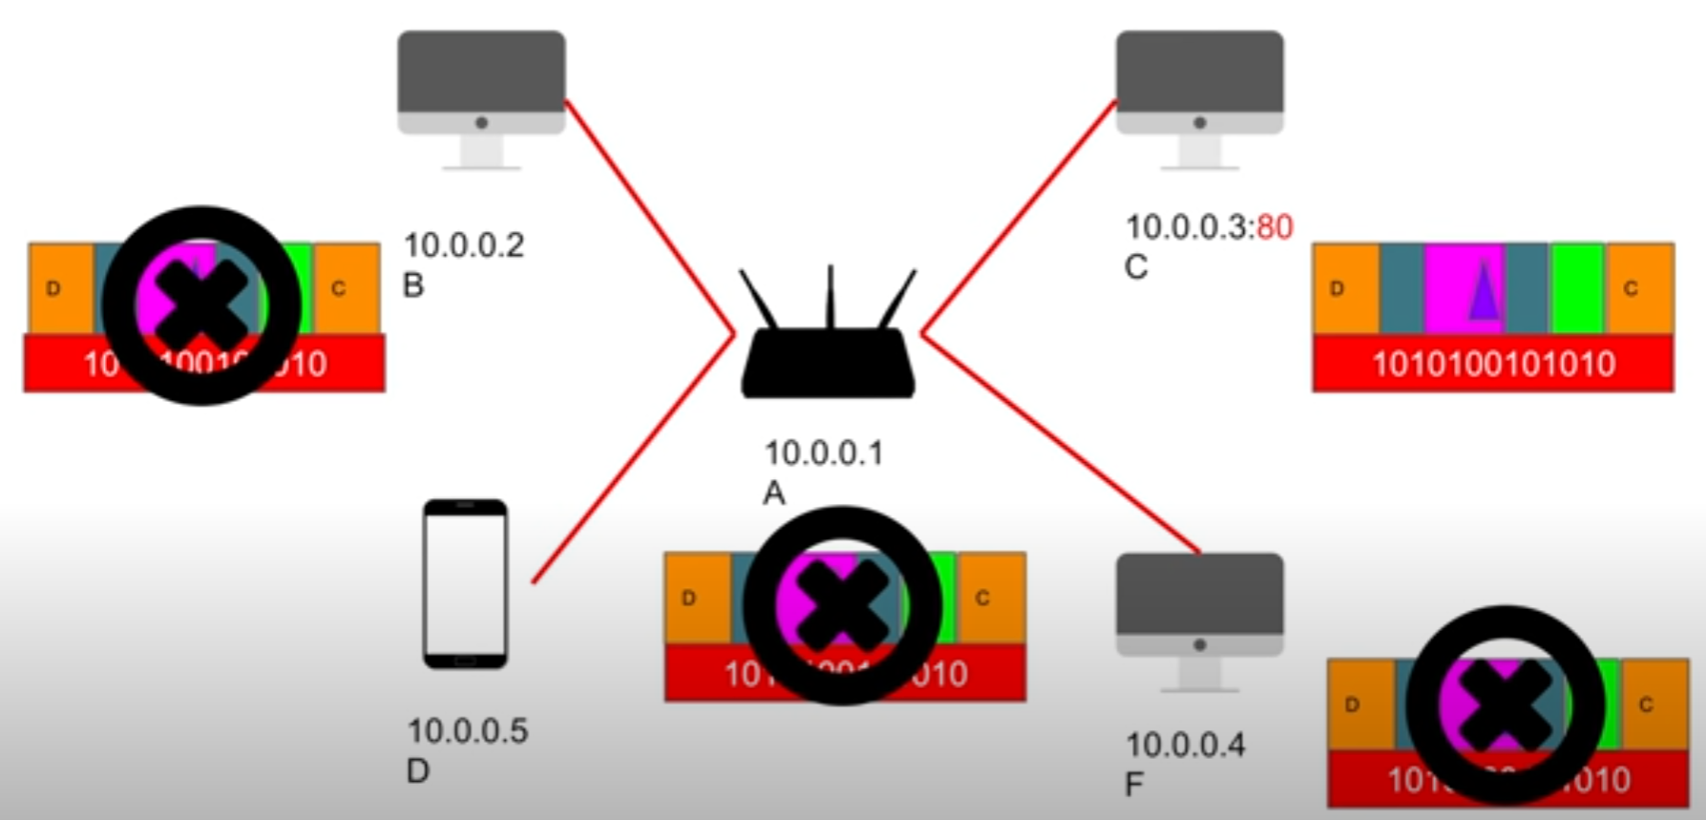

Proxy ve reverse Proxy | Proxy: Hides Client interface. Server doesn't know where the request is coming from. Client Annonymity, Caching Solution scope, Blocking unwated sites on ISP level proxy (It can be tricked with VPN servers which then makes the request from your behalf), Geofencing. Reverse Proxy: Hides server side interface. Client is kept hidden from server set. Load balancing solution, Loggin and Caching, Firewall implementation. Isolating internal traffic and Canary Deployment (For beta feature testing).
HTTP cookies | https://www.youtube.com/watch?v=sovAIX4doOE
GraphQL and Rest API | REST = Representational State Transfer. A convention about how communication should happen on HTTP. It provides guideline on handling HTTP request and responses. REST also hold concept of status code which shows response statuses: 1xx = Information request 100 Continue; 101 Switching protocol; 102 Processing 2xx = Success 200 OK; 201 Created;202 Accepted; 203 Non-Authoritative Information;204 No content; 205 Reset Content; 207-Multi-status; 206 Partial content; 3xx = Redirection 301: Permanent Redirect/no longer available; 302/307: Temporarily unavailable; 305 Use Proxy 4xx = Client Error 400 Bad request; 401 Unauthorized; 402 Payment required; 403 Forbidden; 404 Not found 405 Method not allowed 5xx = Server Error 500 Internal Server Error; 501 Not implemented; 502 Bad gateway; 503 Service Unavailable 504 Gateway timeout; 505 HTTP version not supported; 508 Bandwidth limit crossed 507 Insufficient storage GraphQL is an open-source data query and manipulation language for APIs, and a runtime for fulfilling queries with existing data. GraphQL is a query language and server-side runtime for application programming interfaces (APIs) that prioritizes giving clients exactly the data they request and no more. As an alternative to REST, GraphQL lets developers construct requests that pull data from multiple data sources in a single API call. A GraphQL schema is made up of object types, which define which kind of object you can request and what fields it has. As queries come in, GraphQL validates the queries against the schema. GraphQL then executes the validated queries. Advantages of GraphQL: GraphQL calls are handled in a single round trip. Clients get what they request with no overfetching. Strongly defined data types reduce miscommunication between the client and the server. Distadvantages of GraphQL: GraphQL shifts much of the work of a data query to the server side, which adds complexity for server developers. Caching is more complex than | 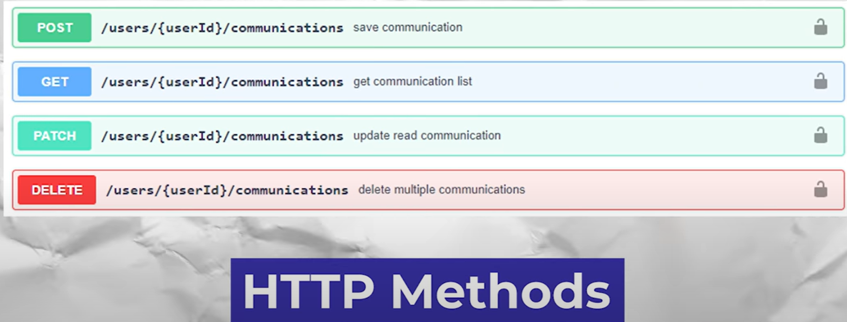 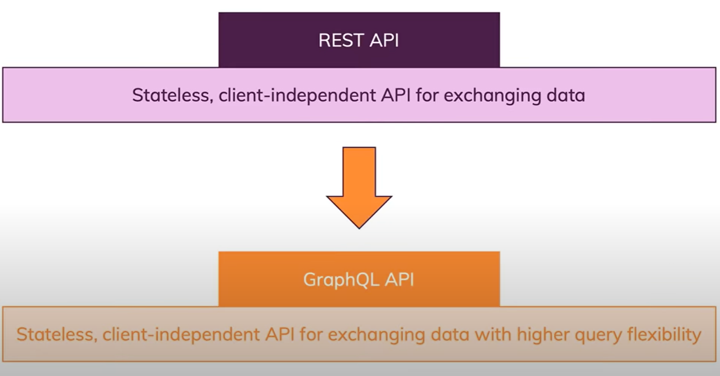

Erlang Basics
Erlang | General purpose, simple and dynamically typed with auto runtime grabage collection. Functional programming which is concurrency oriented. Provides feature of lightweight concurrency(run-mulltiple processes simultaneously)->fault tolerance Allows no shared data-scaling Immutability Fault isolation-> localization of errors "Self-heal" meaning it provides with swappin of code in case of fault/crash helping in availability. No user-defined data-types (simplicity) -> Developed by ERRICSON for supporting constant uptime. (some processes enables to monitor running processes and bring them back up to help the system up end running.)
 | Syntax is similar to prolog
 | Variables are always initialized and immutable. Starts with Capital Alphabet
Funtions | help().
b() | show all variable bindings
f() | forget all variable bindings
f(X) | forget "X" variable bindings
h() | history
h(mod) | help about "mod" module
h(func,mod) | help about "func" function in "mod" module
h(func,Arity) | help about function with arity in module
ht()
uptime()
regs() | information abot registered processes
nregs() | information about all registered processes
cd("_______") | change working directory
pwd() | Working dir.
ls()
ls(dir)
q() | quit. (after ^G)
i() | system info.
ni() | information about the networked system

Inline Functions | Var = fun_keyword(attributes) -> <whatever to return> end.
 | Example: sq = fun(X) -> X*X end. (returns square of X)

Sell Commands
^A | Move to start of the line
^E | Move to end of line
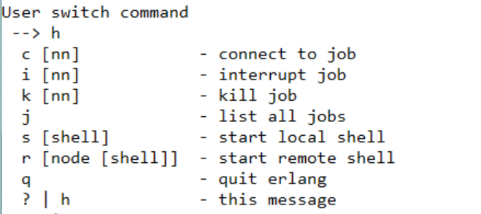
^G and then h

Comments begin with %
- export([ function_name/number_of_arg, ]) | This defines the abstraction for a module. Hides what is not needed to be used out by the developer and provides only those things that needs to be used out in the module
- module(module_name) | To which module does this file belong
- import (module_name, [ function_name/number_of_args, ]) | From which module what functions are needed to be imported here in current file.
Arithmatic operators | + - / * div (integer_division) rem (%)
Logical | and or xor not
Comparison | =:= data and type equal =/= data and type not equal == data equal /= data not equal >, <, =<, >= (Please note the later 2)
Bitwise operator | band, bor, bxor, bnot
Strings | standard output formatting: io:fwrite( "String is ~p with ~p.", [str1, str2]) (o/p: "String is str1 with str2.") output is in double quotes Assignment formatting : Str3=io_lib:format( "String is ~s with ~s", [str1,str2] ), io.fwrite(Str3) (o/p: String is Str1 with Str2.) string stored is without double quotes Concatenation: string:concat(Str,Str2) Index: string:chr(Str, $character to find) String index: string:str(ParentString, SubString) Substring: string:substr(SearchString, startIndex, characters) string:to_upper() string:to_lower()
List | Defined in [] []++[] means concatenation of 2 lists []--[] means intersection of 2 strings. NOTE: Multiple line function ends with , on each line except for the last, which ends with . hd(List_name) first element of the list tl(List_name) All elements except first ListVariable1 = [Element | ListVariable] This will add Element infront of ListVaiable and assign it to a ListVariable1 List Comprehension is Forming list and list manipulation. L1 = [element || element <- From_LIST, optional_condition_on each element of From_LIST] //This element can be a tuple/atom,number,bool.....anything which specifies an element of the list. Our list is variable lenght list. Fixed length list is called tuple.
Built in type checking boolean functions | is_atom(), is_float(), is_integer() is_boolean(), is_list(), is_tuple(),
Node Creation | go to Bin folder of Erlang and cmd> werl -name <node name@IP> -setcookie <cookieName> net_adm:ping('<othernodename on same ip>'). Pong->success erlang:set_cookie(node(),'newCookieName'). node()//node name. nodes()//other connected nodes list rpc:call('nodeTowhichdata is send',<targetNodeModule>,<ThatModule'sFunction>,[args of function]).

Redis
What is redis? | In memory DS store used as a persistent storage option, Cache and message broker. It is NoSQL in nature. Allows the user to store vast amount of data without RDB constraints. It can store K-V pairs where value can be string or DS like(Map/Hashmap, List, Sets, Sorted Sets, Bitmaps, Hyperloglog, Geospatial Indexes) Architecture: Redis Cli (Client) <===> Redis Server. They both can be on same or diff. machine. We can also implement same in Master slave architecture. 10^6 SETS/sec and 8*10^5 GETS/sec. Exceptionally fast. In memory data can be stored in the disk/persistent storage option asynchronously. Atomicity is matained. If 2 clients concurrently access data, redis server makes sure to maintain consistency after the whole transaction cycle. Hold rich support of Data Types. Is widely used for caching solutions, session maintainence and messaging queue. Criteria that Redis use to determine if an operation can be performed against a key is Data type and encoding of values Redis does not support nested indexes/compound or secondary.
PORT (by default) | 6379
Run | Run as Admin in CMD Just run redis-server and redis-cli after adding the application location to the environment variable.
Keys | 512 MB, Unique, Binary represented and Flat namespace Can be made up of any sequence of bytes. Convention decided by dvelopment team. Generally used convention is object_name:ID:Column Key command blocks req. until complete, never use in production. Useful for debugging. Scan command iterate using cursor and retun slot reference. Slot can be of size 0 or more. Safe for production. command: scan <slot_number> [MATCH exp_to_match] [count <slot_size>] return slot reference to next slot. Greater slot size is equivalent to keys command. del <Key> {blocking} unlink <Key> {non-blocking as memory associated with the key is reclaimed asynchronously} exists <Key> {1/0} set <Key> <Value> [EX <seconds>] [PX <milliseconds>] [NX/XX] persist <Key> {Key is needed to be retained if send to expiration} EXPIREAT <Key> <timestamp/UNIX> PEXPIREAT <Key> <milisecond-timestamp>
Commands CLI | Value=String set <Key> <Value> [EX <time_in sec>] mset <Key> <Value> <Key> <Value>…. setnx <Key> <Value> {update if Key not present} get <Key> mget <Key> <Key> <Key> ….. strlen <Key> {0 if not found} decr <Key> incr <Key> decr <Key> <by> incr <Key> <by> clear {scren clear} incrbyfloat <Key> <by> append <Key> <to_append_value> setex <Key> <ttl_sec> <Value> OR expire <Key> <milisecond> ttl <Key> pttl <Key> keys <reg_exp> keys * {all keys} flushall {remove all K-V pairs}
Commands CLI | Value=List lpush <Key> <Value>..... {left push} lrange <Key> <start> <end> {0-indexing, last index can be -1, start and end are inclusive} rpush <Key> <Value>..... {right push} llen <Key> {0 is empty or not found} lpop <Key> {pop from left} rpop <Key> {pop from right} lmpop <Key> <RIGHT/LEFT> <count> {pop count elements from l/r} lset <Key> <index> <Value> {update via index} linsert <Key> BEFORE|AFTER <Value> <Value to be inserted> {insert} lindex <Key> <index> {access via index} lpushx <Key> <Value> {If Key list is available then only push} rpushx <Key> <Value> lmove <sourceList> <destinationList> <LEFT | RIGHT> <LEFT | RIGHT> {from source's l/r to destination l/r} lpushx <Key> <Value>.... {only push if Key exists} lrem <Key> <count> <Value> {remove count values from List=Key, count=0(all), count=-ve (tail to head or right to left), count=+ve(head to tail or left to right)} ltrim <Key> <startindex> <lastindex> {retain from [start,end]} sort <Key> ASC/DESC [APLHA] | 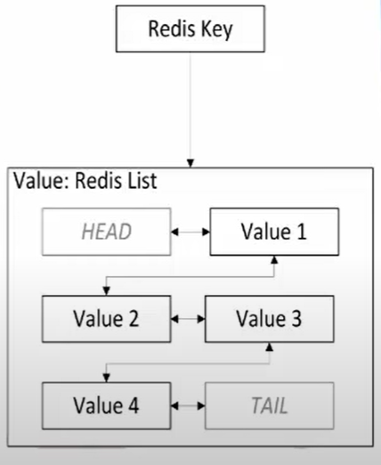
Commands CLI | Value=HashMap (Think of each K-V pair as a record in RDB, ID->RecordAttributes:Value) hset <Key> <Field/Attr> <Value> hmset <Key> <Field/Attr> <Value> <Field/Attr> <Value>….. hget <Key> <Field/Attr> hmget <Ket> <Fields/Attrs>...... hgetall <Key> hmget <Key> <Field/Attr1> <Field/Attr2>..... hexists <Key> <Field/Attr> {0/1 depending upon if the attribute exists in record with ID=Key} hdel <Key> <Field/Attr> hsetnx <Key> <Field/Attr> <Value> {The value will be added to with attribute in record with ID=Key if it does not exist already} hkeys <Key> {return all attributes in this record} hvals <Key> {return all values in this record} hlen <Key> hstrlen <Key> <Field/Attr> hincrby <Key> <Field/Attr> <increment_value> {can increment and decrement value in the record's specified field/attribute}. hincrbyfloat <Key> <Field/Attr> <increment_in floating integer> | 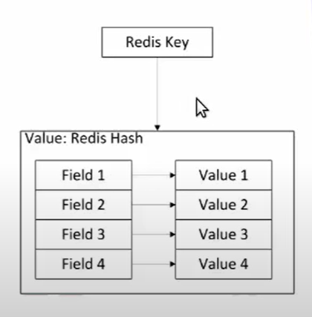
Commands CLI | Value=Set (Unordered unique element's collection) sadd <Key> <Value1> <Value2>…… {returns number of elements added} smembers <Key> scard <Key> {set size} sdiff <Key of Set from where we subtract> <Keys of remaining sets that will subtract our first set> sdiffstore <Store Set Key> <Key of Set from where we subtract> <Keys of remaining sets that will subtract our first set> sexists <Key> {0/1 if the set=Key is present=1 or does not exist/empyty=0} sunion <Key of Set> <Keys of remaining sets that will unioned with our first set> sunionstore <Destination Set Key> <Key of Set> <Keys of remaining sets that will unioned with our first set> srem <Key> <Values>..... spop <Key> <number of values to be pop> {random values} sinter <Key1> <Key2>..... {intersection of all sets with specified Keys} sinterstore <Destination Set Key> <Key1> <Key2> ... {Store intersection of all sets with keys=Key1, Key2...... to Destination Set with key=Key} smove <Source Set Key> <Destination Set Key> <Value> | 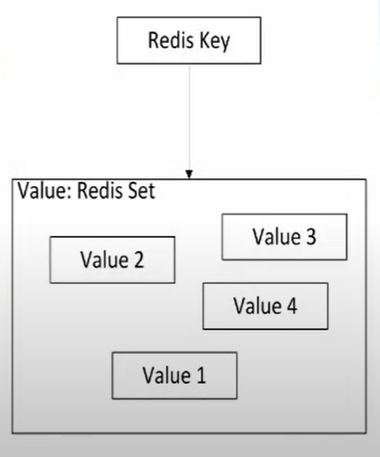
Commands CLI | Value=Sorted Set {Same as set but sorted based on Score provided} zadd <Key> <Score> <Value> zrange <initial> <end> [WITHSCORES] {return all values in [initial index,end index] elemets} zrangebyscore <initial rank> <end rank> zrangebylex <Key> (start) (end) -----> example zrangebylex key1 [c (k gives all elemets with values [c,j] When all the elements in a sorted set are inserted with the same score, in order to force lexicographical ordering, this command returns all the elements in the sorted set at key with a value between min and max. If the elements in the sorted set have different scores, the returned elements are unspecified. zlexcount <Key> <min> <max> {reurn values between [min,max] if set is sorted in lexicographical order} zcard <Key> zmpop <num_of_keys> <Keys>..... <MIN|MAX> [Count] {remove from num_of_keys sorted sets having ID=Keys count (1 by default) from minimum/maximum side} zpopmin <Key> zpopmax <Key> {remove and returns max/min} zcount <Key> <min> <max> {returns all elements in the set with id=Key between scores [min-max]} zrem <Key> <Value> zrank <Key> <Value> {returns index of Value in the set} zrevrank <Key> <Value> {reverse index starting from 0 (from right to left) for the element in set ID=Key} zscore <Key> <Value> {returns score associated with the value or nil} NOTE multiple elements can have same score. zunionstore destination numkeys key [key ...] [WEIGHTS weight [weight ...]] [AGGREGATE <SUM | MIN | MAX>] zinterstore destination numkeys key [key ...] [WEIGHTS weight [weight ...]] [AGGREGATE <SUM | MIN | MAX>]
Commands CLI | Value=JSON

