Evidence
Visual walkthrough | 18 original Day 10 screenshots • 27-Sep-2026. Read in order; each image has an explanation and a recall question.
Screenshot | Topic and location
01 | Project and Artifact Registry — row 23
02 | Initialize the Google Cloud CLI — row 50
03 | Verify login and project selection — row 74
04 | Local image and registry tag — row 91
05 | Configure Docker authentication — row 111
06 | Successful Docker push — row 129
07 | Artifact Registry image digest — row 153
08 | Select the existing image for Cloud Run — row 176
09 | Region, public access and billing — row 211
10 | Cost controls and ingress — row 246
11 | Container port and image — row 283
12 | CPU, memory and request settings — row 312
13 | Service identity and encryption — row 346
14 | Successful revision and traffic — row 383
15 | Public root endpoint — row 417
16 | Swagger API documentation — row 439
17 | GET /employees returns HTTP 200 — row 468
18 | Observability and request logs — row 503

01 Project and Artifact Registry
What this shows | The console project is cloud-genai-learning. Repository employee-api uses Docker format and europe-west2 (London).
Why it matters | Artifact Registry stores built images for deployment. It does not run the API. The screenshot shows scanning disabled and Google-managed encryption. The displayed scanning price is historical, not a current price quotation.
Recall question | Which resource stores the image, and which resource runs it?
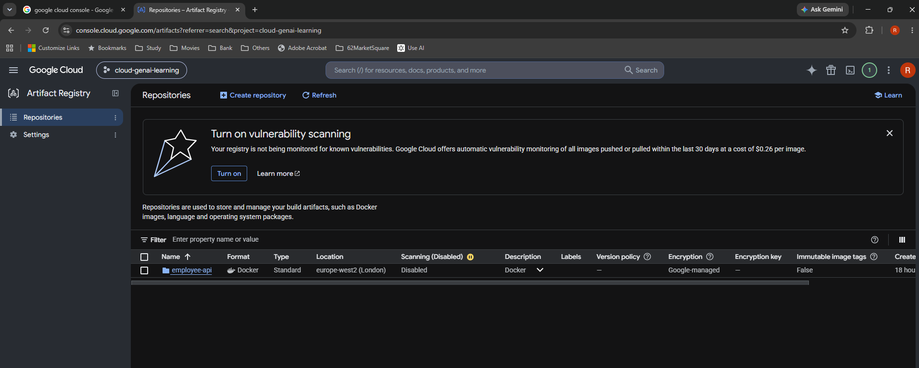

Source: Screenshot 2026-09-27 074535.png. Original image; setup screens show the selections at capture time.

02 Initialize the Google Cloud CLI
What this shows | gcloud init has checked connectivity and asks to sign in through the browser.
Why it matters | The CLI needs an authenticated identity and an active project. Complete the browser login, return to the terminal, and select cloud-genai-learning. gcloud auth login is available for a later sign-in.
Recall question | What two things should I check before running a cloud command?
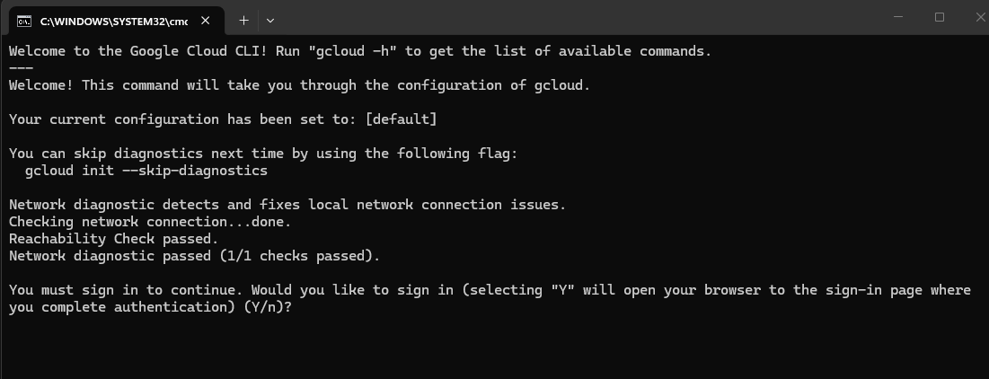

Source: Screenshot 2026-09-27 084100.png. Original image; setup screens show the selections at capture time.

03 Verify login and project selection
What this shows | gcloud config list shows the signed-in account, project cloud-genai-learning and active configuration default.
Why it matters | The active project directs commands that omit --project. Login does not itself grant every permission: IAM still controls access. Use gcloud auth list and gcloud config get-value project when unsure.
Recall question | Am I signed into the intended account and project?
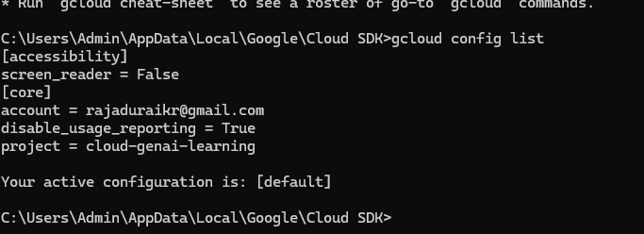

Source: Screenshot 2026-09-27 084934.png. Original image; setup screens show the selections at capture time.

04 Local image and registry tag
What this shows | docker images lists im-employee-api-1:latest and the full europe-west2-docker.pkg.dev destination with the same image ID.
Why it matters | docker tag gives the existing image another name. It does not upload it. The destination is HOST/PROJECT/REPOSITORY/IMAGE:TAG. The repository and image are both called employee-api here.
Recall question | Why does the registry name appear locally before the image is pushed?

Source: Screenshot 2026-09-27 082225.png. Original image; setup screens show the selections at capture time.

05 Configure Docker authentication
What this shows | gcloud auth configure-docker europe-west2-docker.pkg.dev adds a credHelpers entry and reports Docker configuration file updated.
Why it matters | Docker calls the gcloud helper for this host. The identity also needs repository upload permission. If docker-credential-gcloud is not found, reopen the terminal after CLI installation and check where.exe docker-credential-gcloud.
Recall question | What is the difference between configuring credentials and granting IAM permission?

Source: Screenshot 2026-09-27 085318.png. Original image; setup screens show the selections at capture time.

06 Successful Docker push
What this shows | The push shows uploaded layers and a final sha256 digest, then returns to the prompt.
Why it matters | This is the upload evidence. Match digest fdbbb0f0912e… with the registry and selected Cloud Run image. Individual Pushed lines alone do not establish that the whole push completed.
Recall question | What final output proves the push finished?
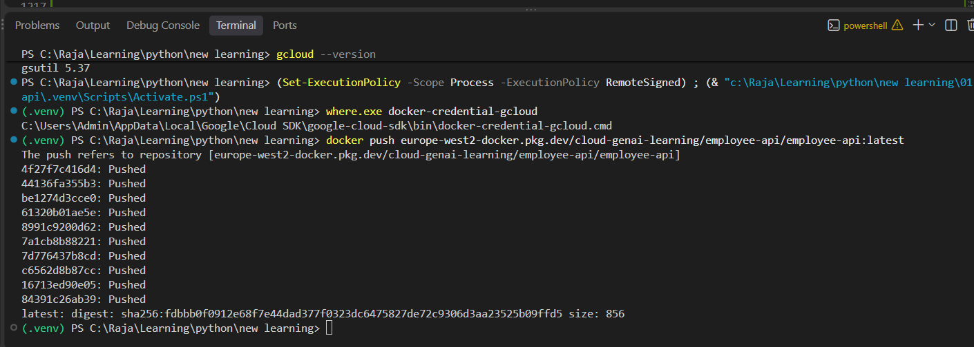

Source: Screenshot 2026-09-27 090029.png. Original image; setup screens show the selections at capture time.

07 Artifact Registry image digest
What this shows | The employee-api image has a digest beginning fdbbb0f0912e and the latest tag. The breadcrumb shows project, region, repository and package.
Why it matters | A digest identifies exact content. A movable tag is a convenient label. Do not confuse a local Docker image ID, a registry manifest digest and a Cloud Run revision name, even if some prefixes happen to match.
Recall question | Why is a digest more precise than latest?

Source: Screenshot 2026-09-27 090429.png. Original image; setup screens show the selections at capture time.

08 Select the existing image for Cloud Run
What this shows | Deploy one revision from an existing container image is selected. The picker opens employee-api in Artifact Registry and selects the latest-tagged digest.
Why it matters | Use the image already built and pushed. The yellow API warning is an intermediate setup state: the notification says Cloud Run Admin API has been enabled. Allow propagation and retry; the later successful revision proves this was resolved.
Recall question | Am I deploying the intended stored image rather than starting a source build?
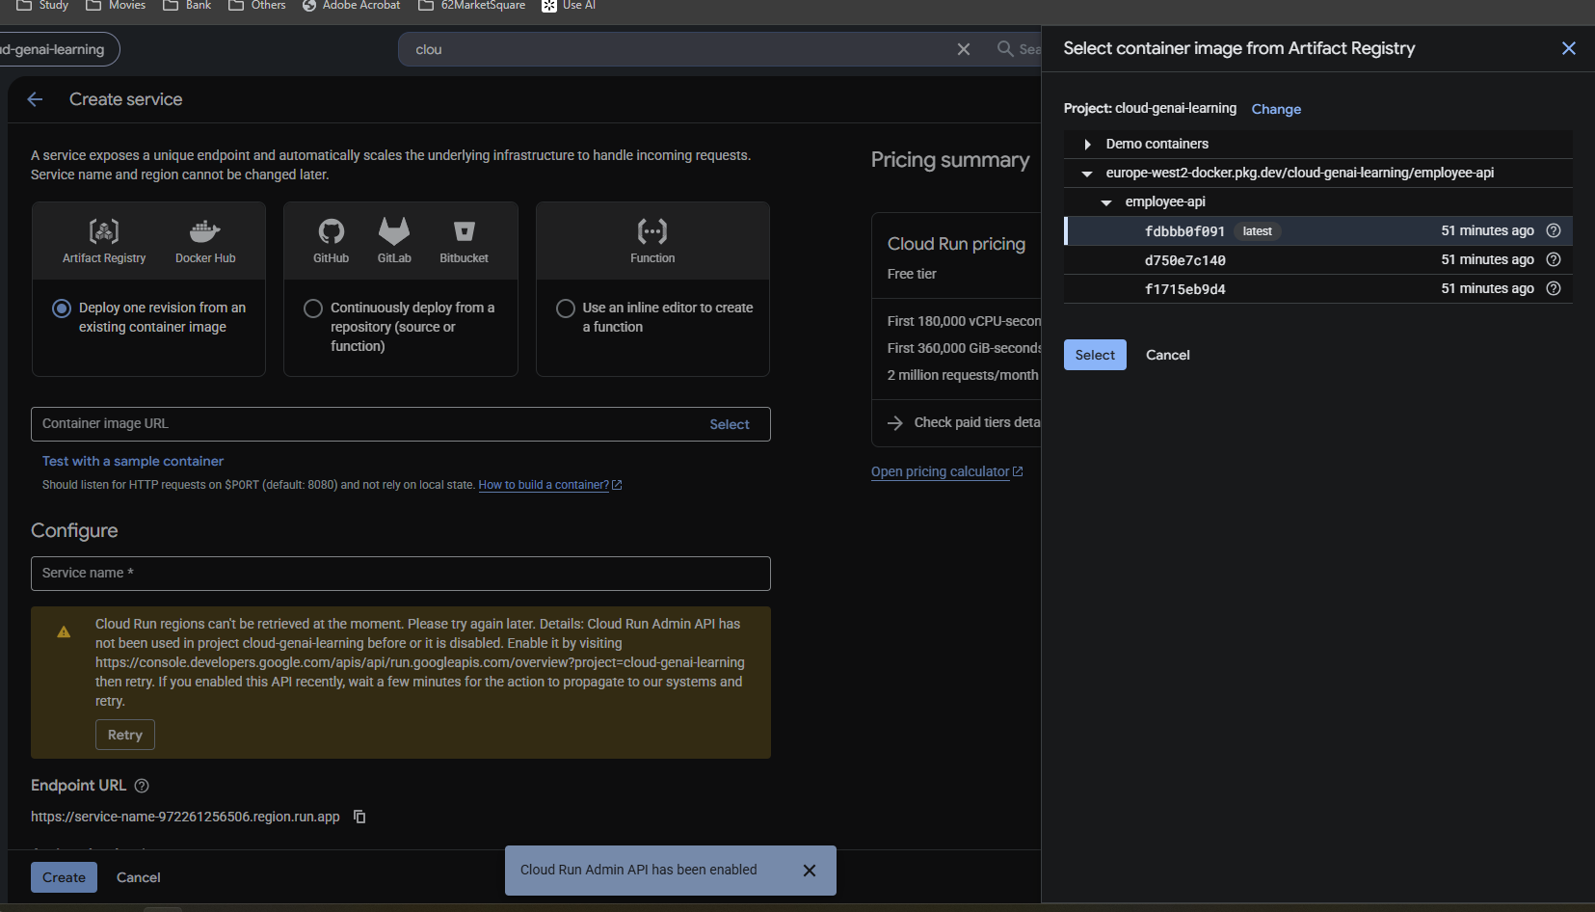

Source: Screenshot 2026-09-27 095115.png. Original image; setup screens show the selections at capture time.

09 Region, public access and billing
What this shows | Service employee-api uses europe-west2 (London), Allow public access and Request-based billing. Its image URL is pinned to a sha256 digest.
Why it matters | Public access permits unauthenticated calls for this exercise. The generated run.app endpoint uses HTTPS. Free-tier figures in the old console are allowances, not a promise of zero charges.
Recall question | Why can my browser call this service without a Google identity token?
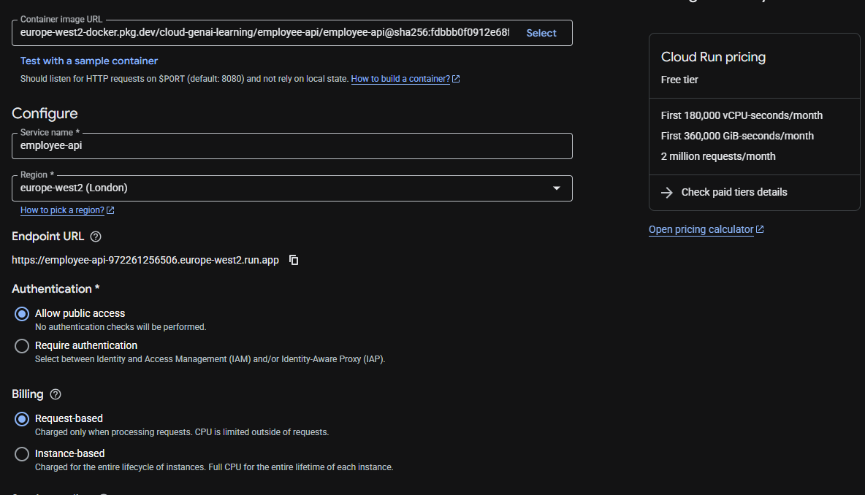

Source: Screenshot 2026-09-27 095538.png. Original image; setup screens show the selections at capture time.

10 Cost controls and ingress
What this shows | Service auto scaling has minimum instances 0 and maximum instances 1. Request-based billing and ingress All are selected.
Why it matters | Min 0 permits scale-to-zero; max 1 limits ordinary scaling, but may be exceeded temporarily and is not a spending cap. Ingress All controls network reachability; public authentication is a separate setting. Budgets alert rather than automatically stop spending.
Recall question | Which setting allows idle scale-to-zero, and which limits normal scale-out?
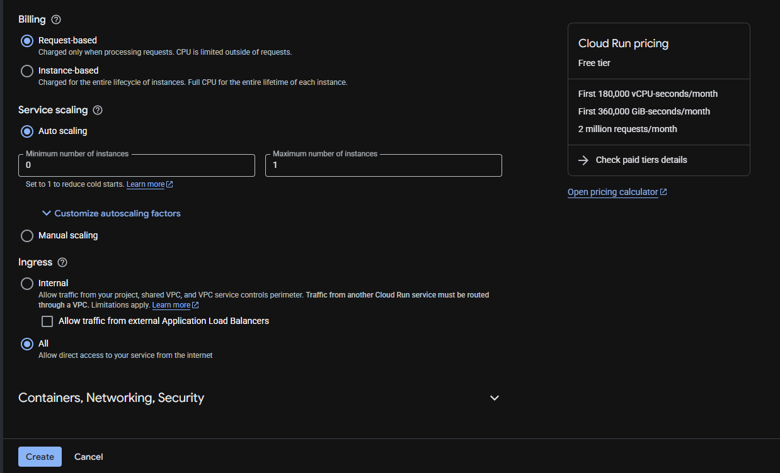

Source: Screenshot 2026-09-27 095552.png. Original image; setup screens show the selections at capture time.

11 Container port and image
What this shows | The container uses the registry digest and port 8080. The Security warning is an intermediate missing-account validation, resolved in screenshot 13.
Why it matters | Browser HTTPS :443 → Cloud Run TLS termination → HTTP to container :8080 → FastAPI. Bind Uvicorn to 0.0.0.0 and the supplied PORT. Do not put :8080 on the public URL.
Recall question | Why are public port 443 and container port 8080 both correct?
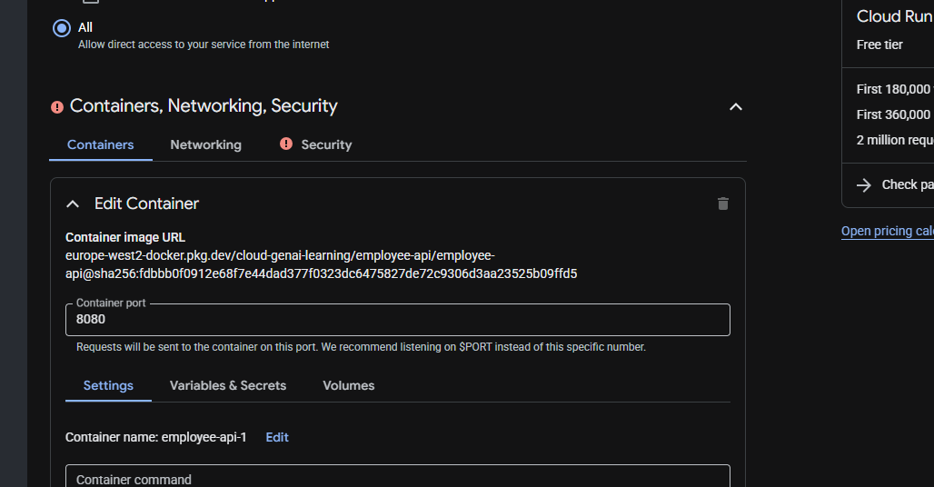

Source: Screenshot 2026-09-27 100931.png. Original image; setup screens show the selections at capture time.

12 CPU, memory and request settings
What this shows | The selected resource allocation is memory 512 MiB and CPU 1. The screen also shows request timeout 300 seconds and concurrency 80.
Why it matters | CPU and memory apply per instance. Concurrency is requests per instance, not instance count: max instances 1 does not mean one request at a time. These are the captured exercise settings, not universal production recommendations.
Recall question | What differs between concurrency and maximum instances?
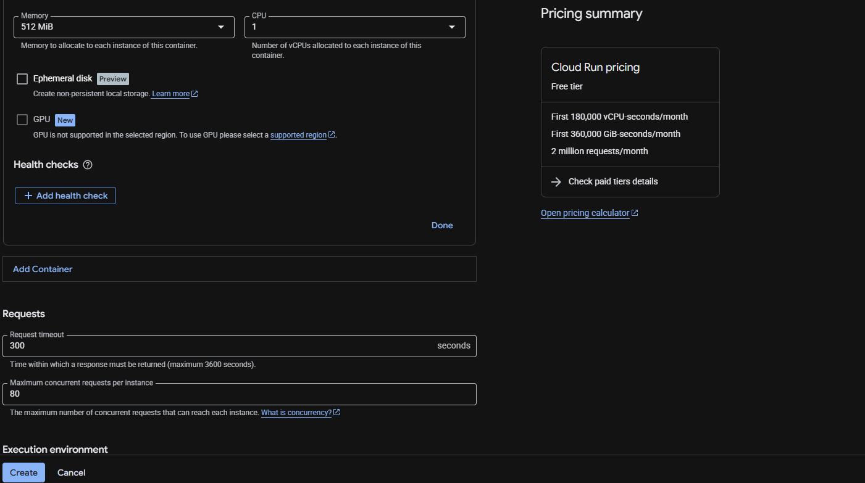

Source: Screenshot 2026-09-27 095725.png. Original image; setup screens show the selections at capture time.

13 Service identity and encryption
What this shows | Default compute service account is selected. Google-managed encryption key is selected. Binary Authorization is unchecked.
Why it matters | The runtime account identifies the application when it calls Google APIs; it is not the caller authentication setting. Its IAM grants determine access. Use a dedicated least-privilege account for future workloads. Managed encryption keys and public HTTPS solve different problems.
Recall question | Who is this service account representing: the app or the browser user?
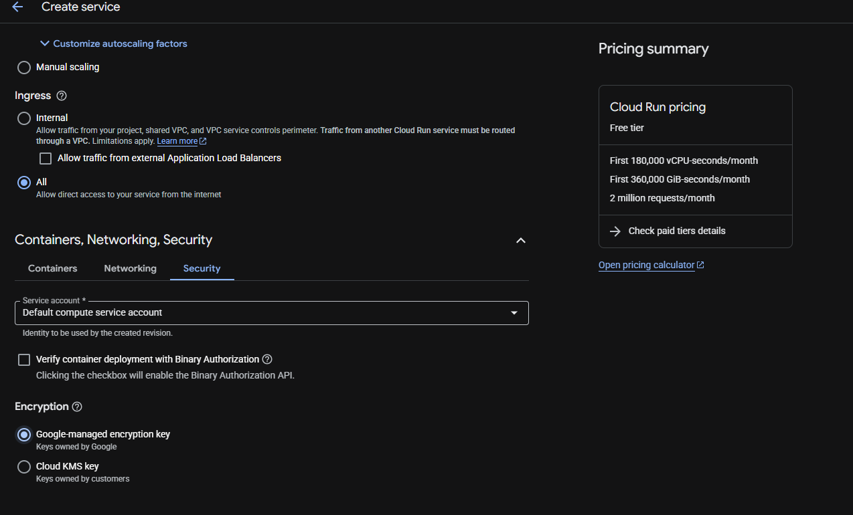

Source: Screenshot 2026-09-27 101459.png. Original image; setup screens show the selections at capture time.

14 Successful revision and traffic
What this shows | Creating service, creating revision and routing traffic are all Completed. Revision employee-api-00001-w6s receives 100% traffic. The details confirm port 8080, CPU 1 and memory 512MiB.
Why it matters | A revision is an immutable snapshot of image and configuration. An instance is a running copy of a revision. This page connects the settings to a successful deployed result. A later image push requires another deployment to update the service.
Recall question | How do I know the new revision is ready and actually receiving traffic?
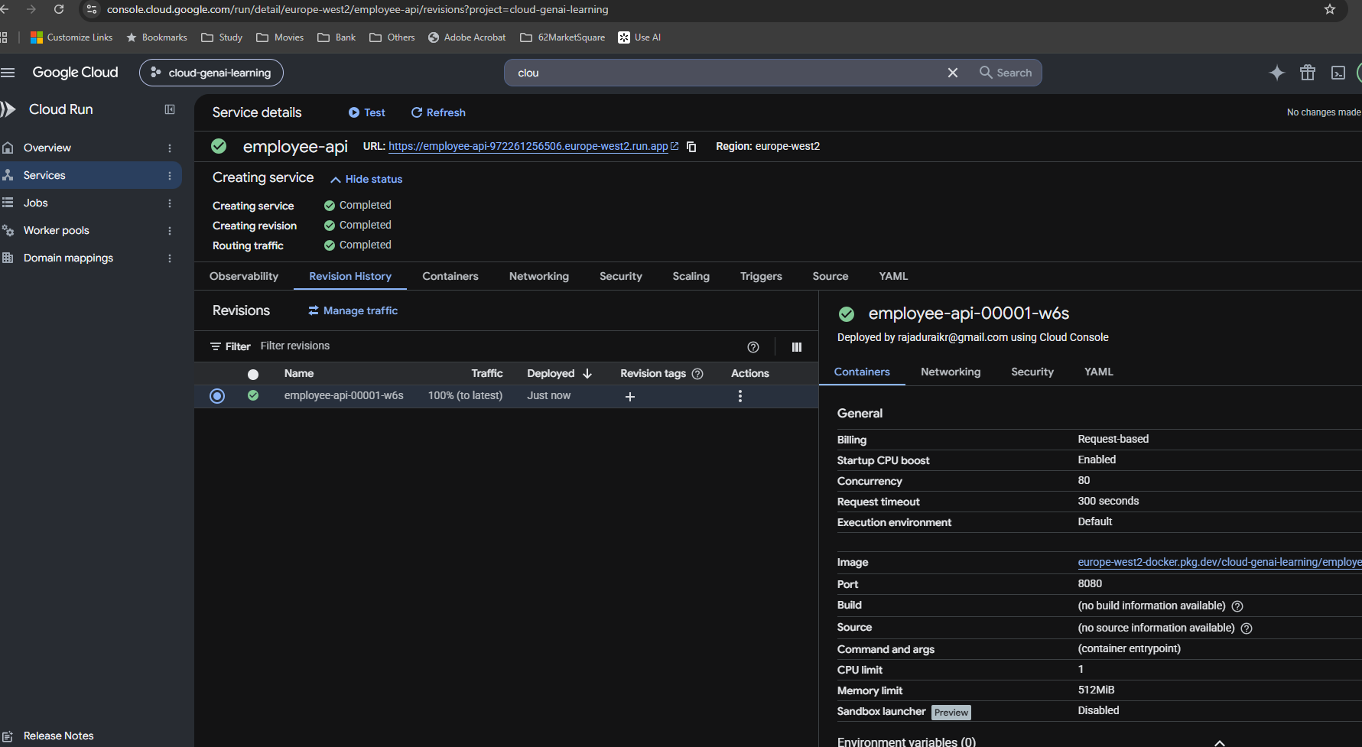

Source: Screenshot 2026-09-27 101549.png. Original image; setup screens show the selections at capture time.

15 Public root endpoint
What this shows | The run.app root URL is open in a browser and returns the JSON string "hello Raja".
Why it matters | This tests routing from the public HTTPS URL into the deployed app. The logs independently show GET / returning HTTP 200. No local Docker port mapping or :8080 suffix is needed for this URL.
Recall question | Which part of the deployment does this browser check verify?


Source: Screenshot 2026-09-27 101817.png. Original image; setup screens show the selections at capture time.

16 Swagger API documentation
What this shows | The public /docs page shows New Learning API and root, health and employee CRUD routes.
Why it matters | FastAPI exposes interactive documentation from its OpenAPI schema. This is a practical way to rediscover available routes months later. For an intentionally public learning API, the documentation is also publicly reachable.
Recall question | Where can I inspect and try the API routes without building a client?
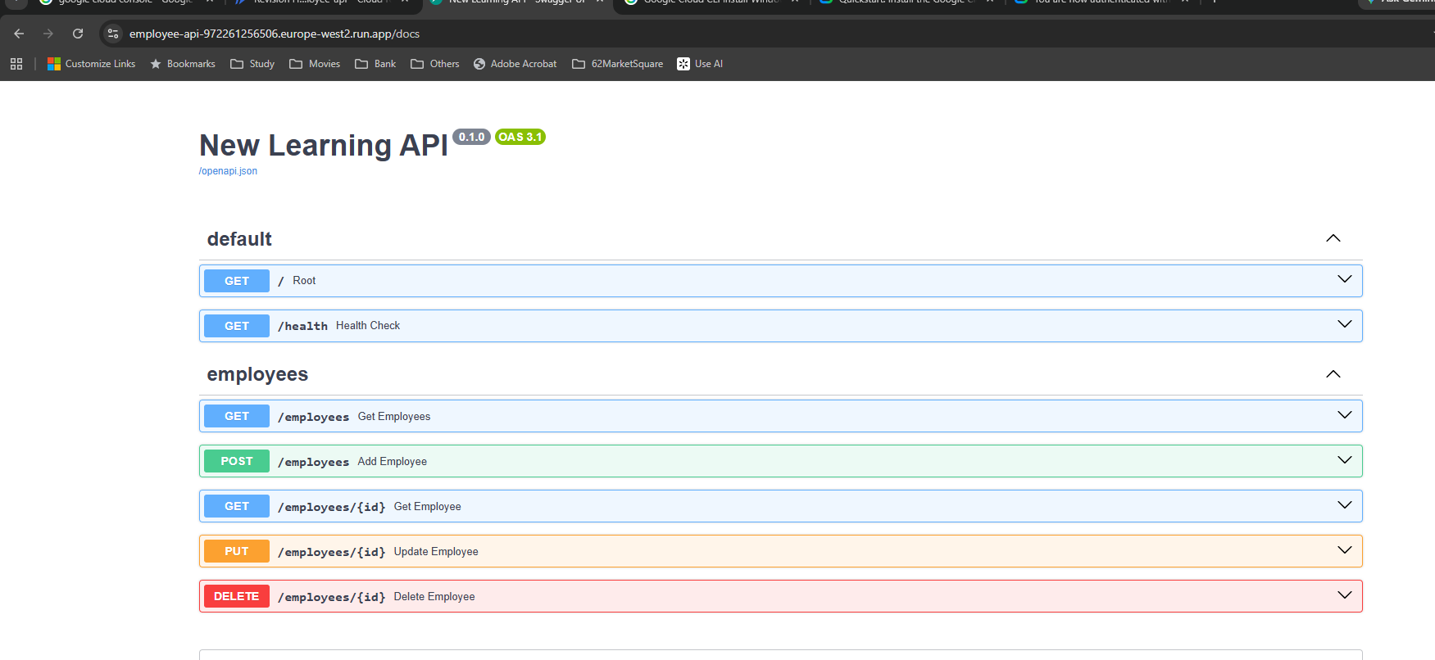

Source: Screenshot 2026-09-27 101848.png. Original image; setup screens show the selections at capture time.

17 GET /employees returns HTTP 200
What this shows | Swagger shows the request URL, generated curl command, server response 200 and a JSON list containing two employee objects.
Why it matters | Expand GET /employees, choose Try it out and Execute. Inspect both status and response body. The captured list is historical; in-memory records can change or disappear after restart or scale-to-zero.
Recall question | What should I verify besides the HTTP status?
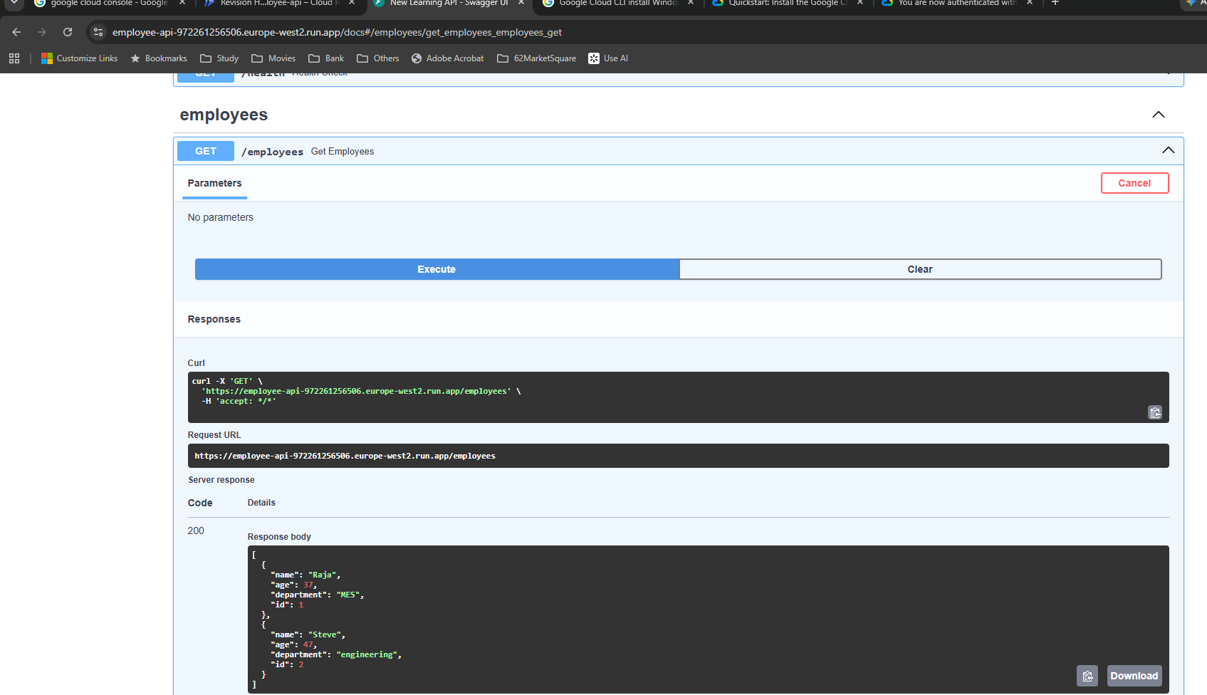

Source: Screenshot 2026-09-27 101915.png. Original image; setup screens show the selections at capture time.

18 Observability and request logs
What this shows | Cloud Run Observability shows application startup, Uvicorn on 0.0.0.0:8080, a successful startup probe, readiness and successful API requests.
Why it matters | Use time range, revision, severity and path filters. Request logs show HTTP status and latency; stdout/stderr show application output. A favicon 404 is separate from successful API calls. Avoid logging secrets or sensitive data.
Recall question | Where would I investigate a startup failure, 403, 404 or 5xx?
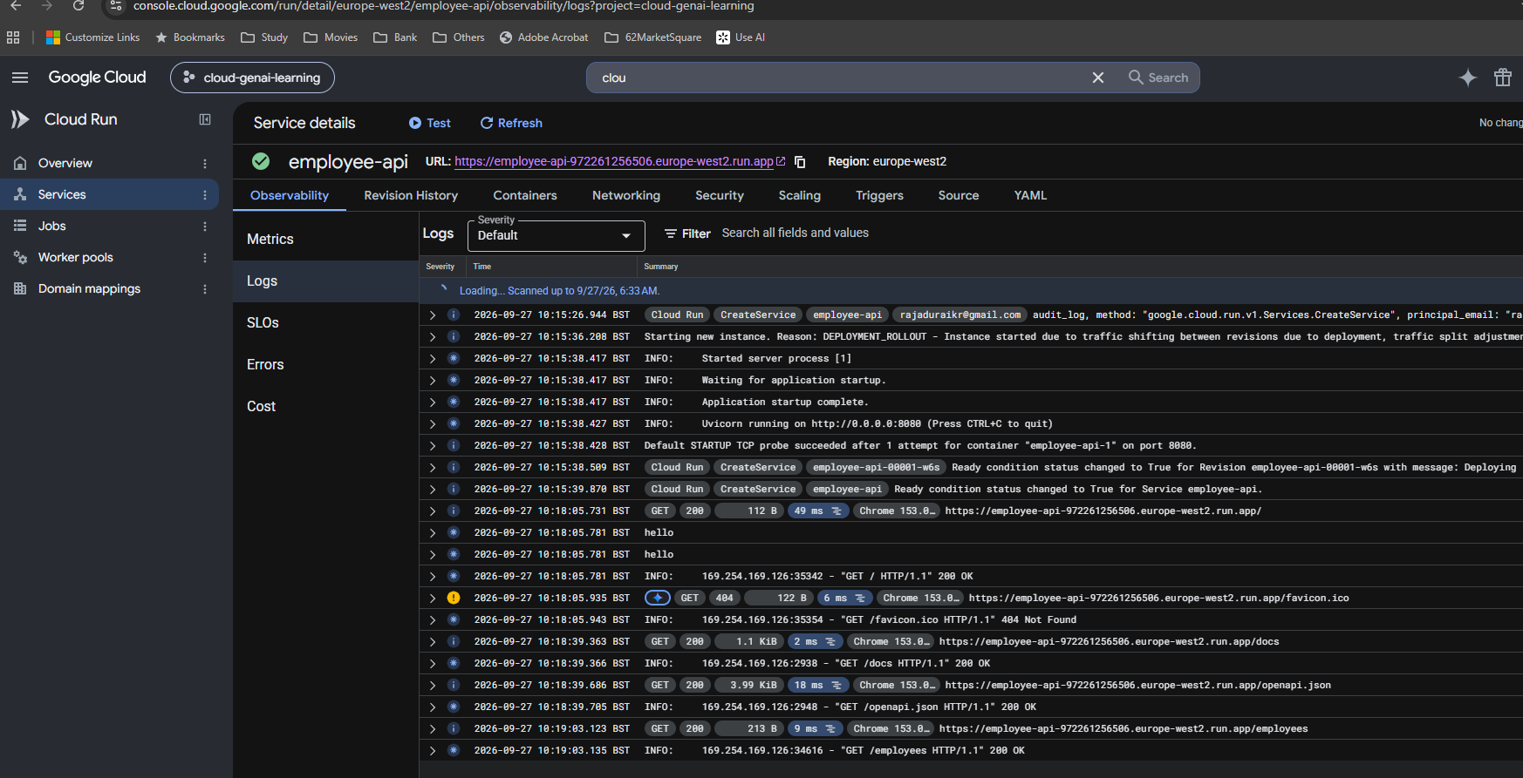

Source: Screenshot 2026-09-27 102534.png. Original image; setup screens show the selections at capture time.

