1 Change setting
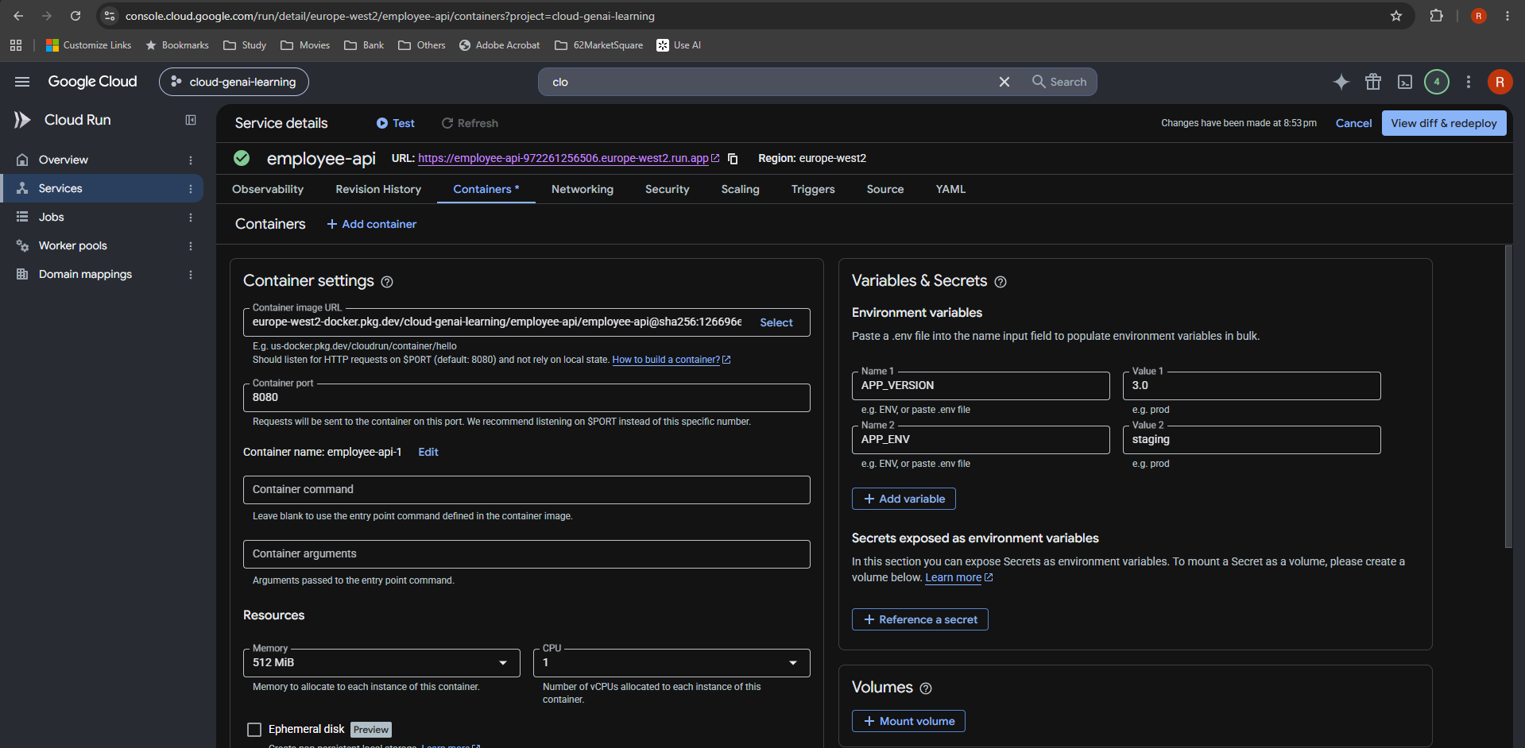
1 Change setting
Cloud Run — employee-api, cloud-genai-learning, europe-west2

Keep APP_VERSION=3.0. Change APP_ENV to staging while retaining the image.
Source: uploaded screenshot in New_Learning_1. Image is embedded below; zoom in for detail.

2 Review changes
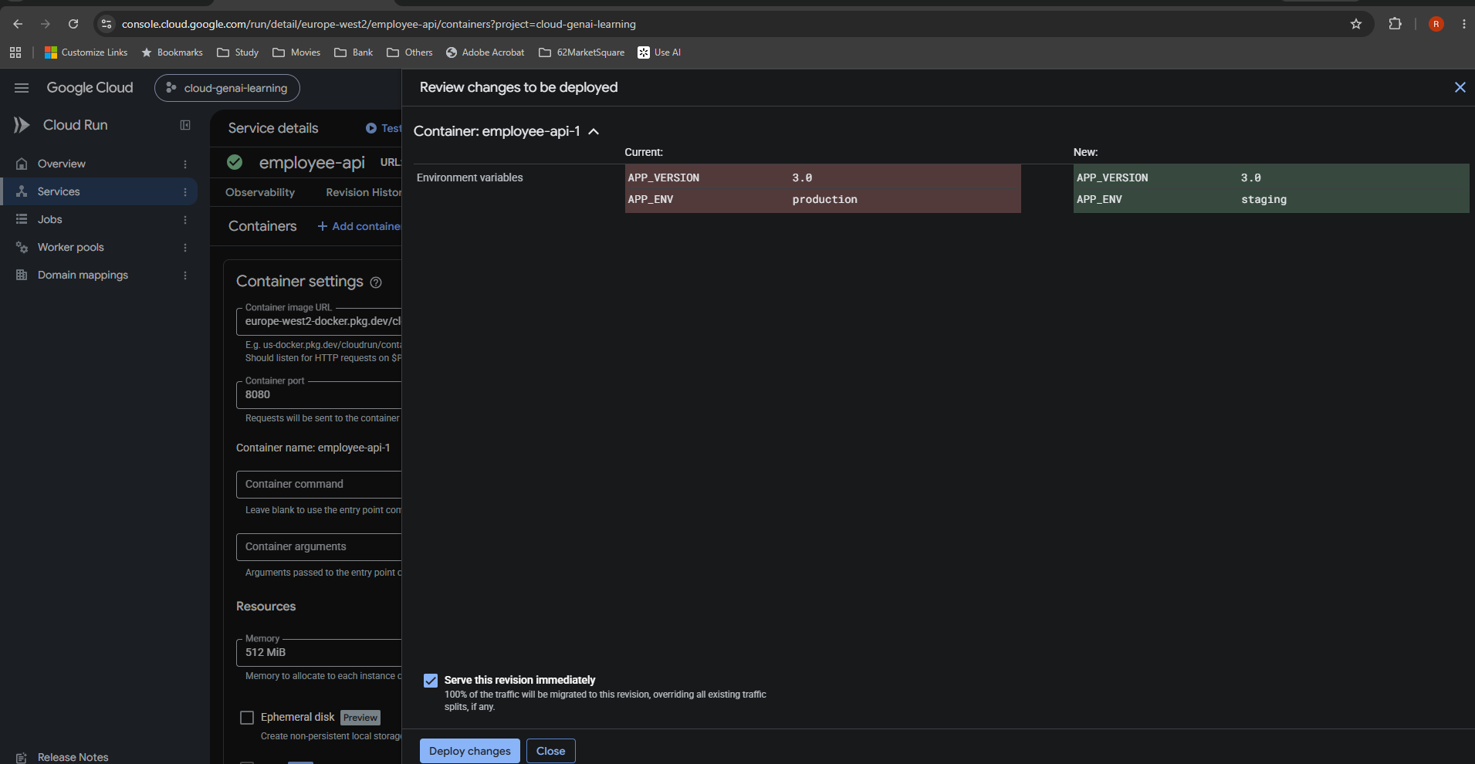
2 Review changes
Cloud Run — employee-api, cloud-genai-learning, europe-west2

The diff confirms production → staging. APP_VERSION remains 3.0. Serve this revision immediately is selected.
Source: uploaded screenshot in New_Learning_1. Image is embedded below; zoom in for detail.

3 New revision
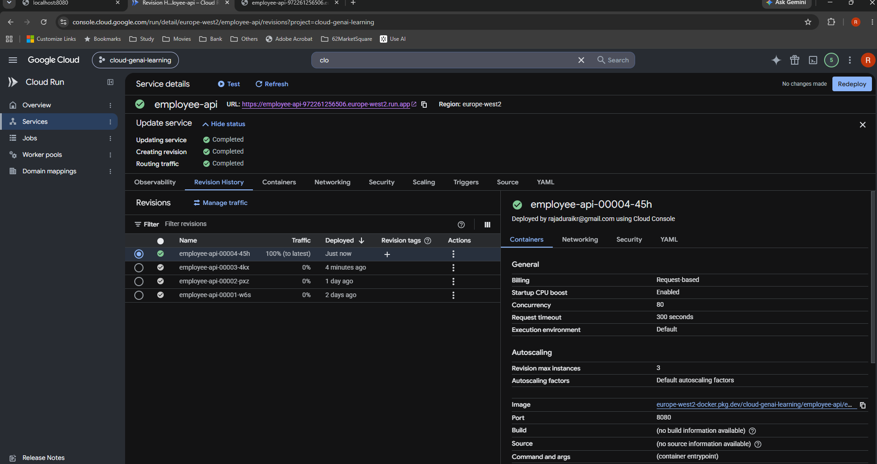
3 New revision
Cloud Run — employee-api, cloud-genai-learning, europe-west2

Deployment completed. employee-api-00004-45h receives 100% traffic; employee-api-00003-4kx receives 0%.
Source: uploaded screenshot in New_Learning_1. Image is embedded below; zoom in for detail.

