Setup
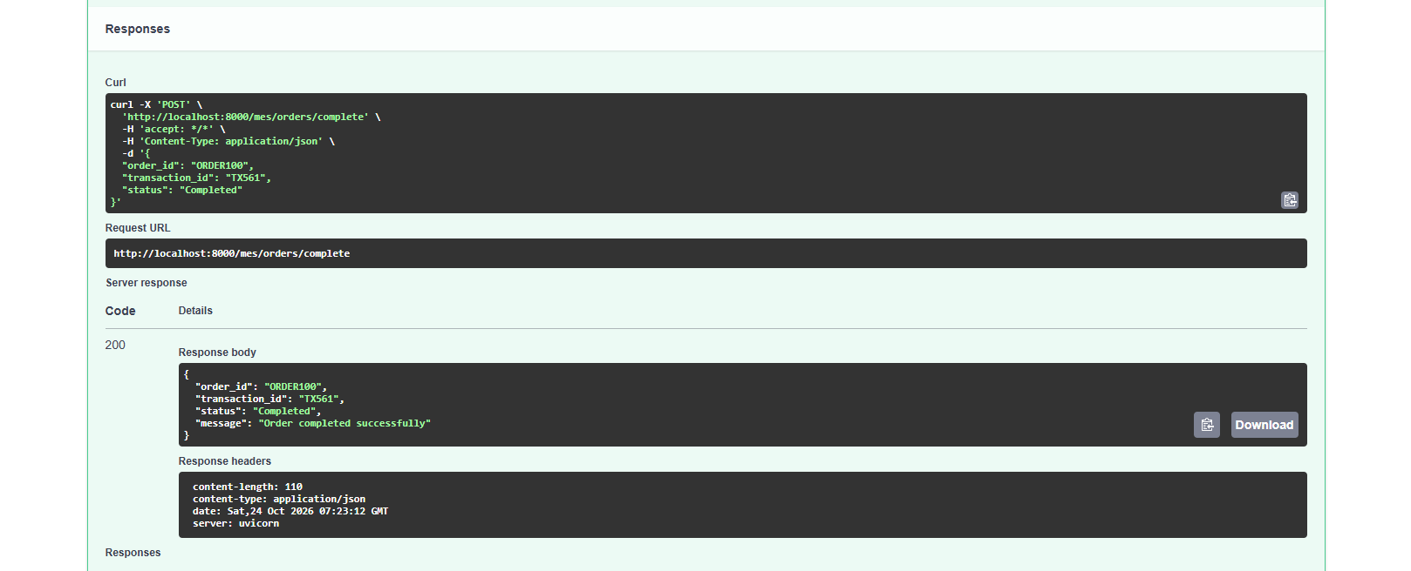
S01 — First endpoint acknowledgement
Swagger returns 200 for ORDER100 / TX561 / Completed. The message is "Order completion request received". This version has no transaction memory.

Original attachment • Notes section 02 • 1441 × 416 pixels • Image begins at A8

S02 — Repeated acknowledgement before idempotency
The same TX561 request returns 200 again. An acknowledgement alone does not prevent repeated business effects.

Original attachment • Notes section 02 • 1598 × 438 pixels • Image begins at A38

S03 — First response after adding the transaction store
The generated request and 200 response show ORDER100 / TX561. The message has changed to "Order completed successfully".

Original attachment • Notes section 03 • 1604 × 685 pixels • Image begins at A69

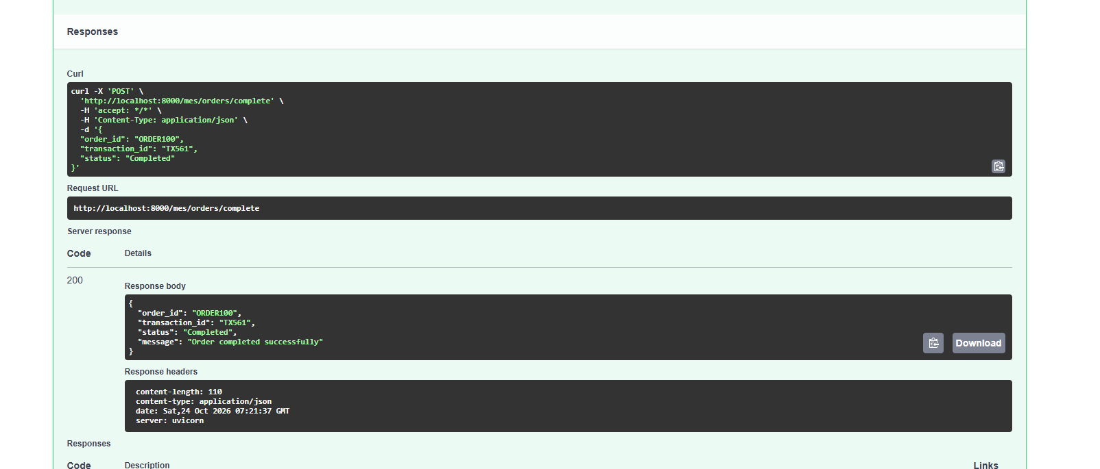

S04 — Identical retry returns the same JSON
The repeated TX561 request returns 200 and the same response. This image alone cannot prove which code branch executed.

Original attachment • Notes section 03 • 1618 × 656 pixels • Image begins at A113

Sequential
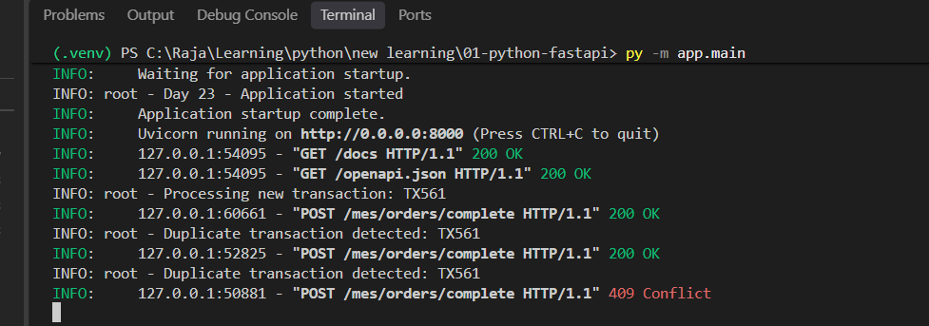
S05 — Fresh TX561 request during logging test
Swagger shows ORDER100 / TX561 / Completed and a 200 response. Pair this with the following server log.

Original attachment • Notes section 03 • 1529 × 647 pixels • Image begins at A8

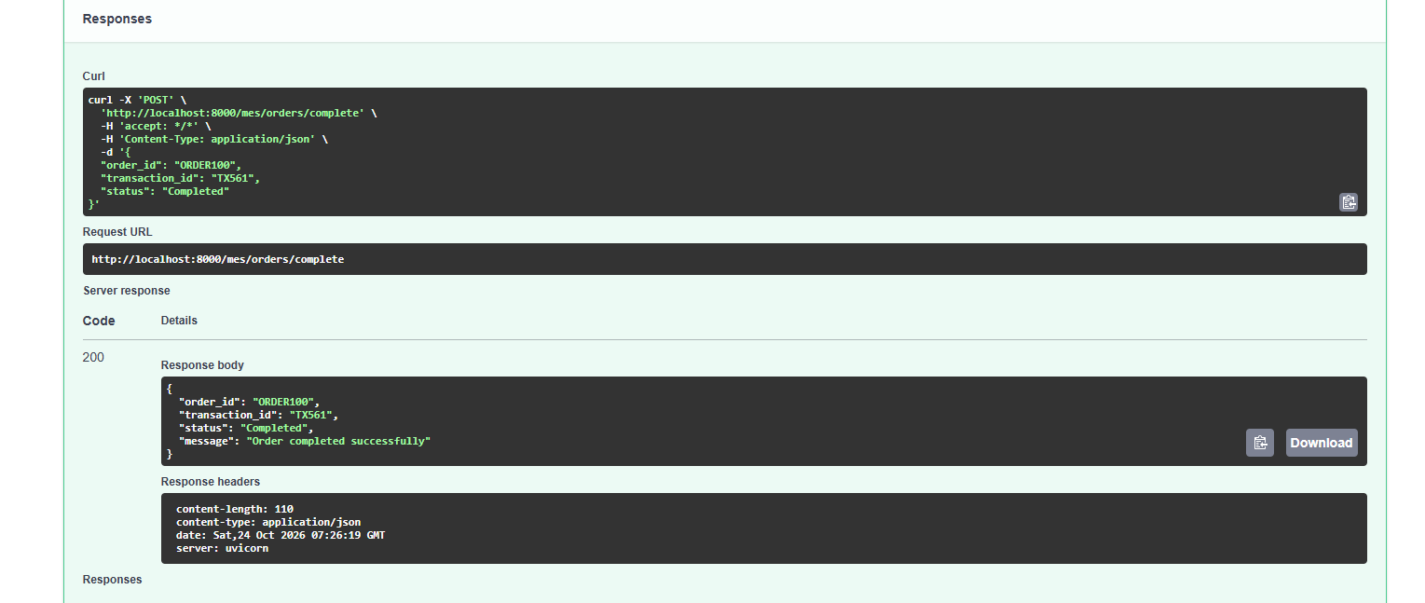

S06 — Server processes the first TX561 request
The terminal records "Processing new transaction: TX561" and POST 200, making the new-transaction branch visible.

Original attachment • Notes section 03 • 936 × 318 pixels • Image begins at A50

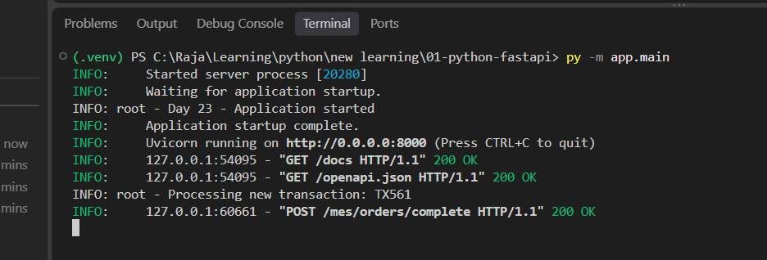

S07 — Sequential retry response
Swagger again returns the saved-looking response with HTTP 200. The next image supplies branch evidence.

Original attachment • Notes section 03 • 1512 × 485 pixels • Image begins at A75

S08 — Server confirms duplicate detection
One new-transaction log is followed by "Duplicate transaction detected: TX561". Both requests return 200.

Original attachment • Notes section 03 • 971 × 370 pixels • Image begins at A109

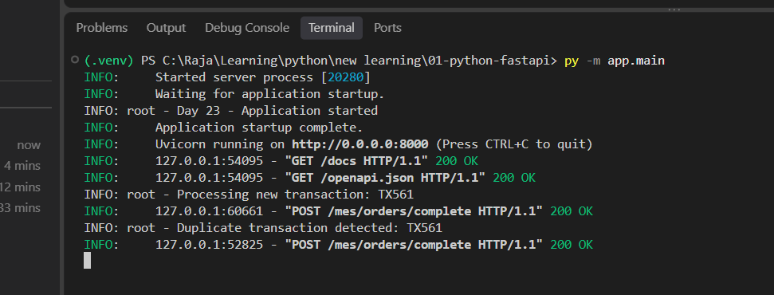

S09 — Conflicting payload prepared
The request keeps TX561 but changes order_id to ORDER101. This is a different request identity using an existing transaction key.

Original attachment • Notes section 03 • 688 × 324 pixels • Image begins at A137

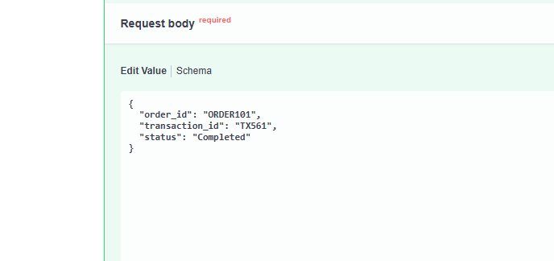

S10 — Conflict rejected with HTTP 409
Swagger shows 409 and detail "Transaction ID already used for a different request". The displayed default 200 response documentation does not override the actual 409.

Original attachment • Notes section 03 • 1526 × 475 pixels • Image begins at A163

S11 — Combined sequential test logs
The terminal shows new processing, a successful duplicate, and then a duplicate-key log followed by 409. At this stage logging precedes payload comparison.

Original attachment • Notes section 03 • 977 × 343 pixels • Image begins at A196

Race
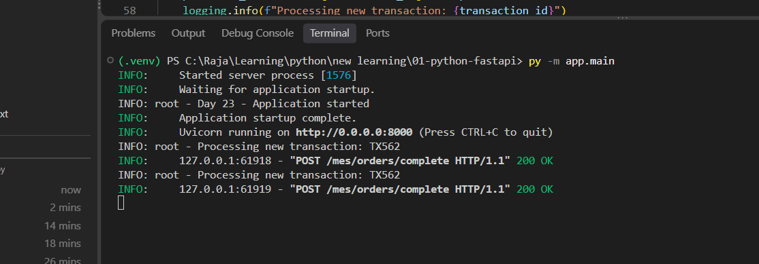
S12 — Incorrect delay placement
Intermediate code: await asyncio.sleep(3) is inside the existing-transaction branch. It delays duplicates rather than creating the intended new-request race. Corrected in S13.

Original attachment • Notes section 04 • 1019 × 350 pixels • Image begins at A8

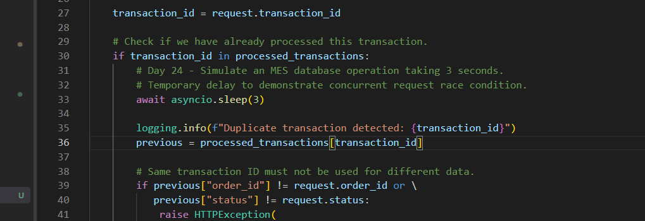

S13 — Delay moved before new-result creation
Corrected code places the three-second asynchronous delay after the duplicate-check block and before constructing and storing the new result.

Original attachment • Notes section 04 • 1274 × 577 pixels • Image begins at A35

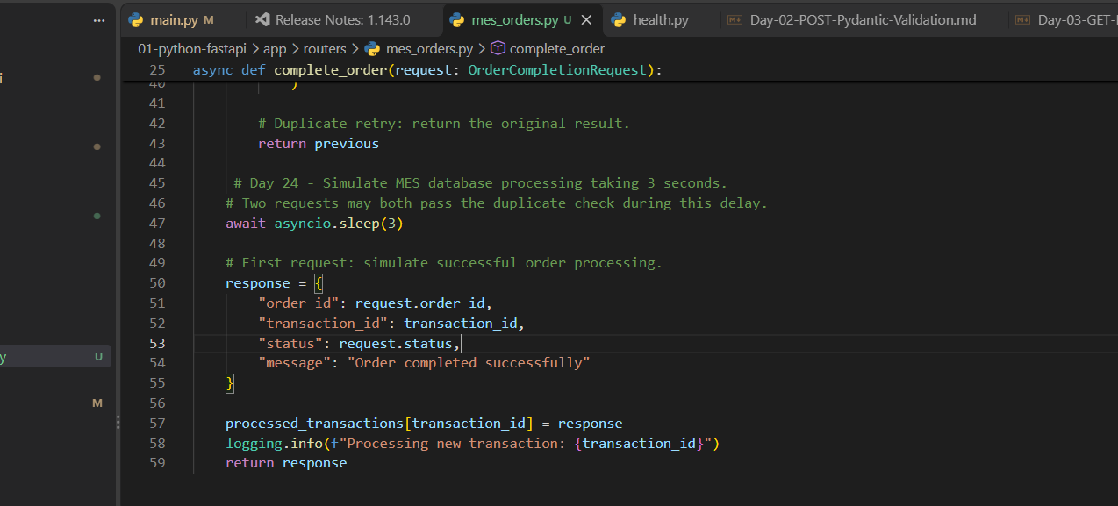

S14 — curl JSON quoting failure in PowerShell
The client receives json_invalid / JSON decode errors. This attempt tests malformed JSON rather than concurrency. Invoke-RestMethod replaces curl.exe for the corrected experiment.

Original attachment • Notes section 05 • 1130 × 412 pixels • Image begins at A73

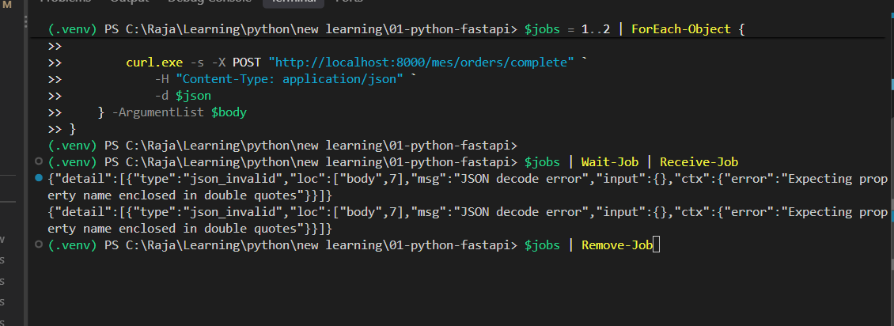

S15 — Server rejects malformed JSON with 422
Two POST responses are 422 Unprocessable Entity. JSON parsing failed before the endpoint business logic ran.

Original attachment • Notes section 05 • 1170 × 354 pixels • Image begins at A103

S16 — Parallel PowerShell requests receive responses
The corrected Invoke-RestMethod test returns two ORDER100 / TX562 responses from separate jobs. Pair with S17 for proof of duplicate processing.

Original attachment • Notes section 05 • 1210 × 852 pixels • Image begins at A130

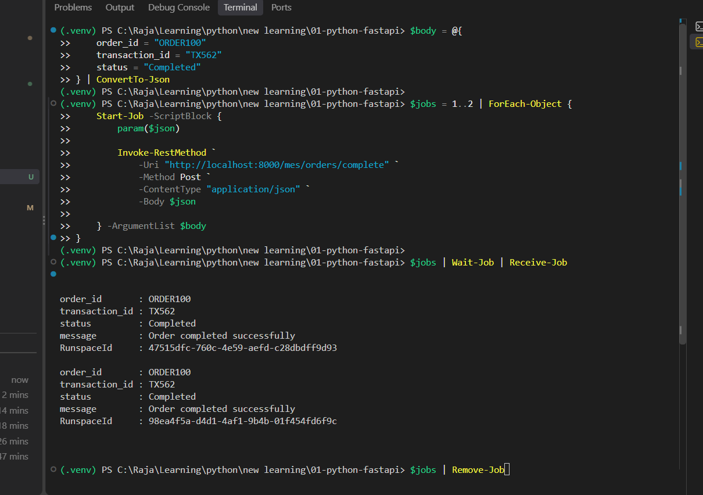

S17 — Race condition reproduced on the server
Two "Processing new transaction: TX562" messages and two POST 200 responses show both requests entered the new-operation path.

Original attachment • Notes section 05 • 1114 × 389 pixels • Image begins at A182

Lock
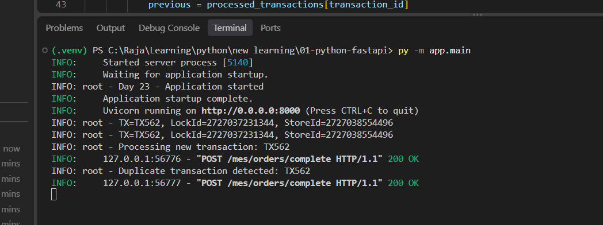
S18 — Global lock implementation, first view
async with transaction_lock covers duplicate comparison and the delay. This screenshot stops before the complete method, so the next view checks the remainder.

Original attachment • Notes section 06 • 1223 × 657 pixels • Image begins at A8

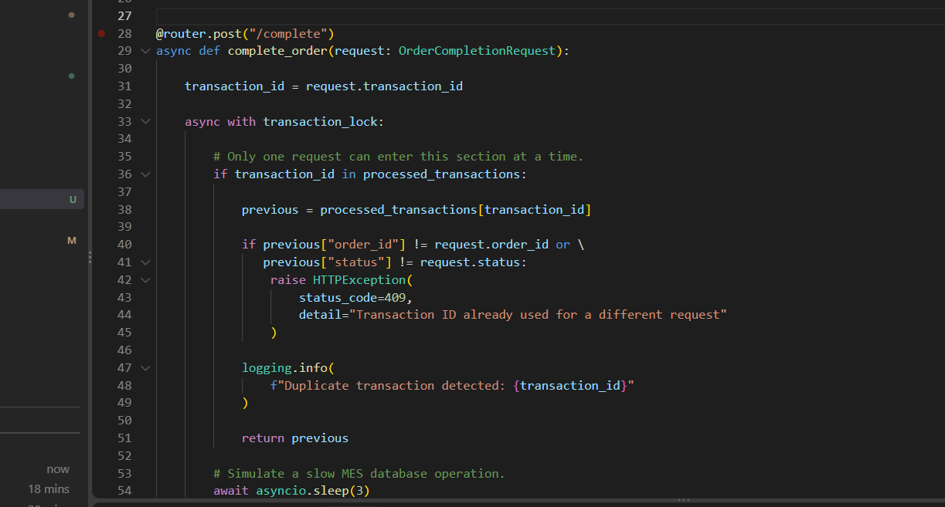

S19 — Global lock implementation, complete view
The full method keeps response creation, dictionary storage, logging and return inside the same critical section.

Original attachment • Notes section 06 • 1442 × 778 pixels • Image begins at A50

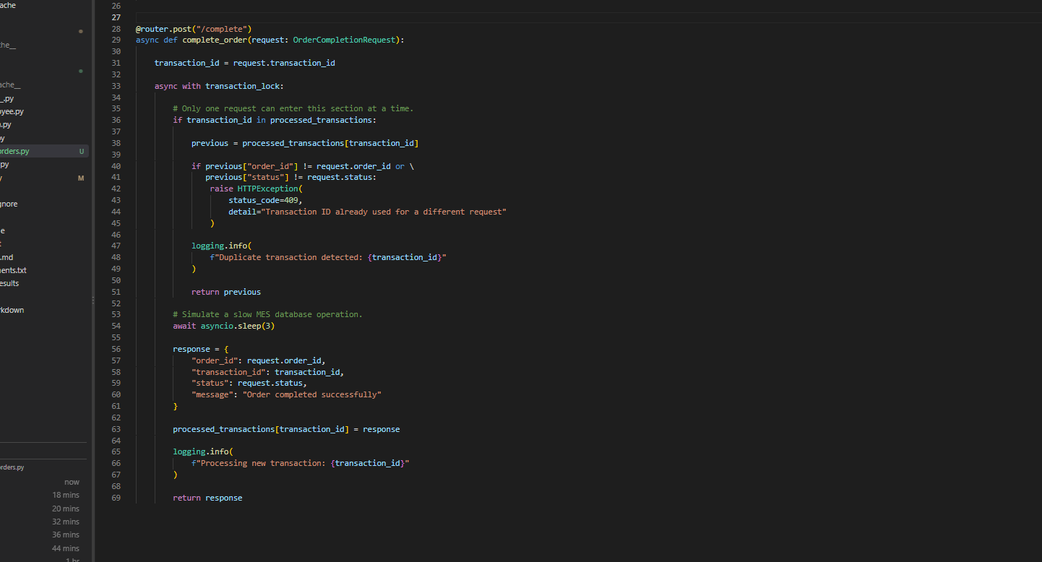

S20 — First locked test still returns two responses
Two successful client responses are insufficient to establish correct locking. The associated server output in S21 still shows duplicate processing.

Original attachment • Notes section 06 • 1230 × 438 pixels • Image begins at A98

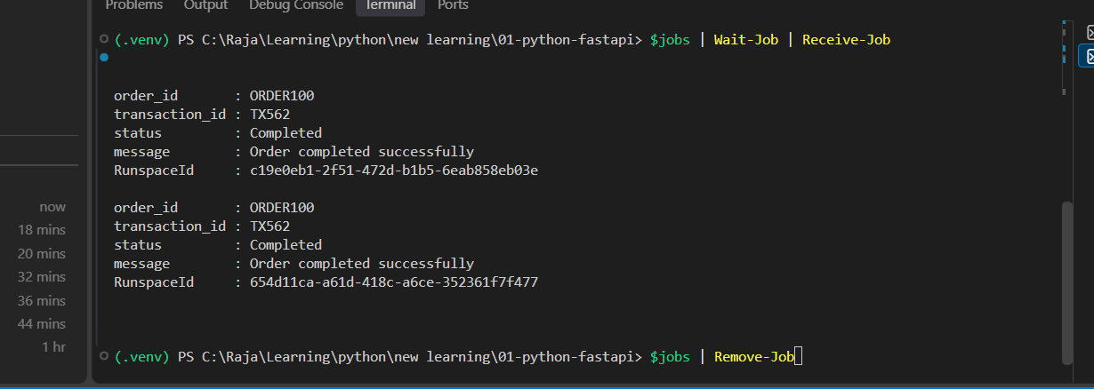

S21 — Unexpected duplicate processing after intended lock edit
The running server still logs new TX562 processing twice. This was investigated rather than treated as a broken asyncio.Lock. Diagnostic IDs were then added.

Original attachment • Notes section 06 • 1061 × 362 pixels • Image begins at A129

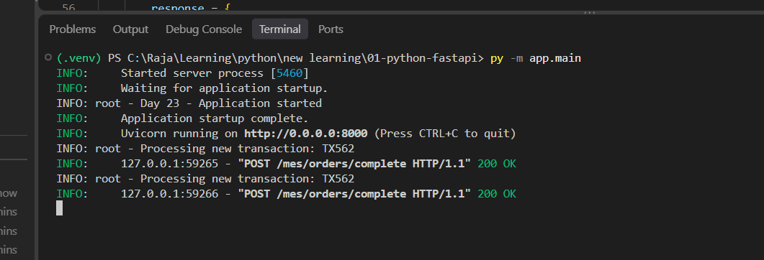

S22 — Retest client responses after saving and restarting
Both requests still return 200. The corrected server evidence in S23 distinguishes processing once from returning a saved result.

Original attachment • Notes section 06 • 1005 × 454 pixels • Image begins at A157

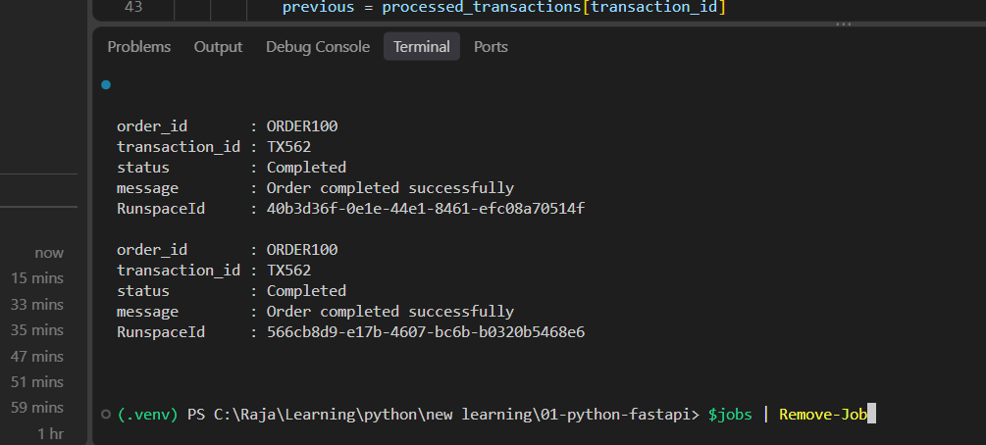

S23 — Global lock verified with object IDs
Both TX562 requests show LockId=2727037231344 and StoreId=2727038554496. One processes and one follows the duplicate path. An unsaved earlier edit was a plausible cause, not conclusively proven.

Original attachment • Notes section 06 • 1048 × 392 pixels • Image begins at A189

Per transaction
S24 — Same-key test returns two successful responses
The TX563 test produces two successful client responses. S25 verifies that one shared per-key lock protected the operation.

Original attachment • Notes section 07 • 1190 × 450 pixels • Image begins at A8

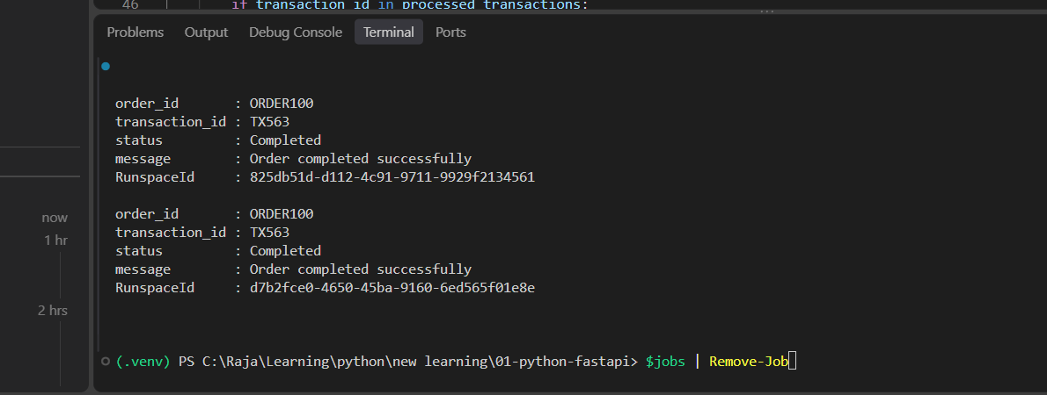

S25 — TX563 shares one lock and processes once
The server shows LockId=2883151202928 and StoreId=2883117720064 for both TX563 requests, followed by one processing log and one duplicate log.

Original attachment • Notes section 07 • 1072 × 362 pixels • Image begins at A40

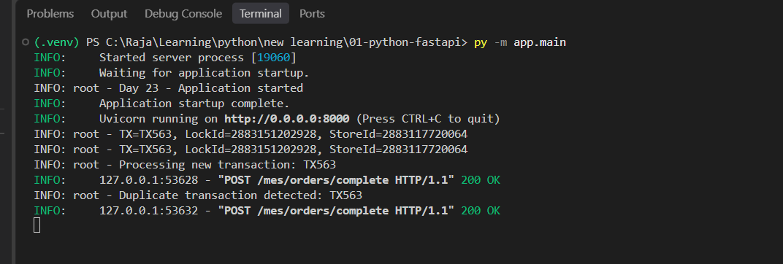

S26 — Different keys both return success
The client receives ORDER100 responses for TX564 and TX565. No elapsed-time measurement is visible here.

Original attachment • Notes section 07 • 973 × 413 pixels • Image begins at A68

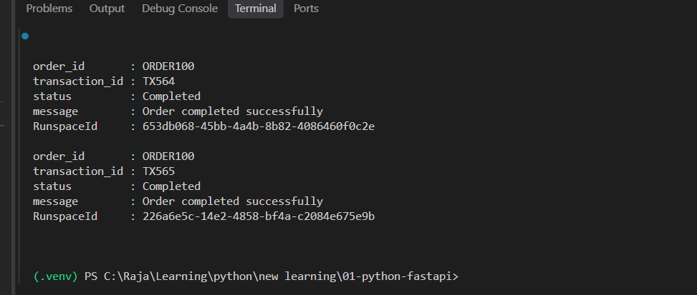

S27 — Different keys use distinct locks
TX564 uses LockId=1355265068544; TX565 uses 1355293775568. Both use StoreId=1355259978560 and return 200. This supports independent lock paths, not an exactly measured three-second runtime.

Original attachment • Notes section 07 • 934 × 378 pixels • Image begins at A98

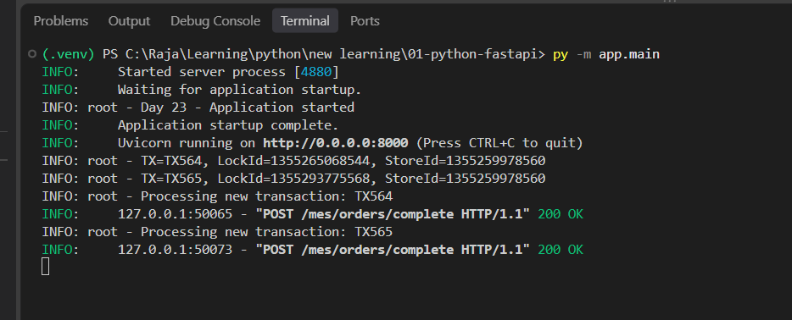

S28 — PowerShell background jobs become blocked
Wait-Job reports BlockedJobsDeadlockWithWaitJob. The Invoke-WebRequest test could be awaiting interaction; that cause was a possibility. The error does not establish an API lock failure.

Original attachment • Notes section 08 • 1182 × 513 pixels • Image begins at A126

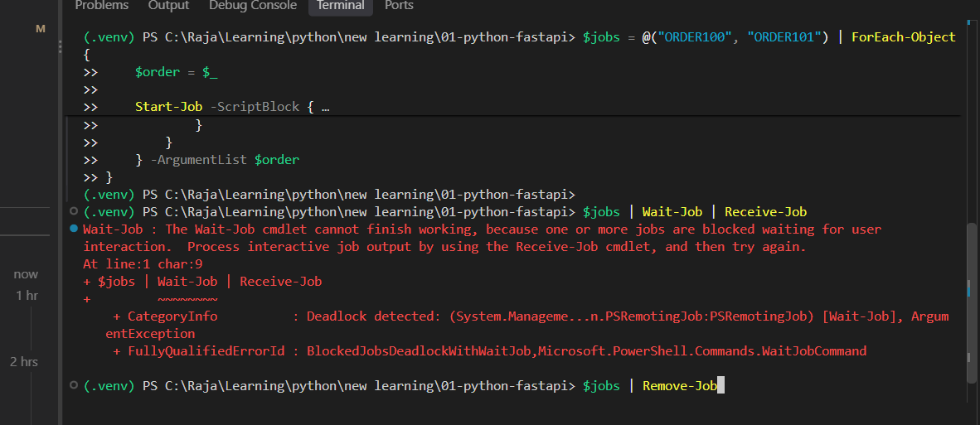

S29 — Corrected concurrent conflict test
The Invoke-RestMethod test produces ORDER100 200 OK and ORDER101 409 Conflict for TX566. The simplified catch label is checked against actual server status in S30.

Original attachment • Notes section 08 • 1205 × 712 pixels • Image begins at A161

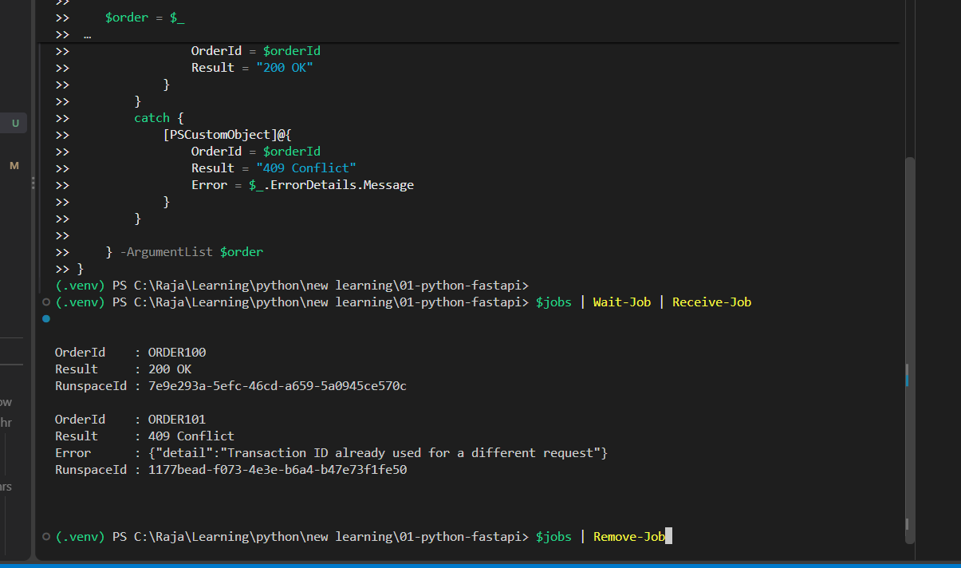

S30 — Server confirms one success and one conflict
The two TX566 requests share LockId=2139305803904. One is processed; server access logs show one 200 and one 409.

Original attachment • Notes section 08 • 1092 × 334 pixels • Image begins at A206

