01 Submit
Day 25 — Submit
Original uploaded screenshots. See Index for filenames and Markdown topic references.

S01 Step 1 — TX568 request body
Swagger POST body contains ORDER100 and TX568 before execution.

Notes: section 6. Original: image(20261024-150354).png
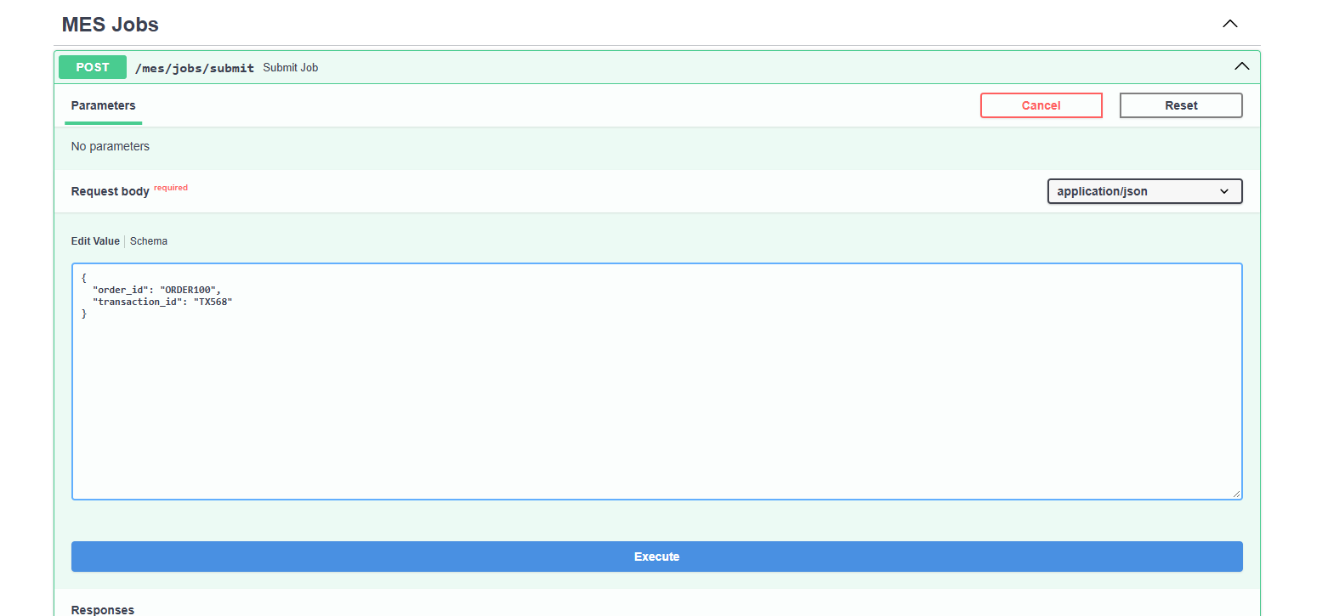

S02 Step 2 — TX568 accepted response
HTTP 202 returns TX568, Accepted and the acceptance message. This is not a final business result.

Notes: section 3,6. Original: image(20261024-150416).png


S03 Step 3 — TX568 background logs
Server logs show POST 202, Processing job: TX568, then Job completed: TX568.

Notes: section 5,6. Original: image(20261024-150427).png

02 Status
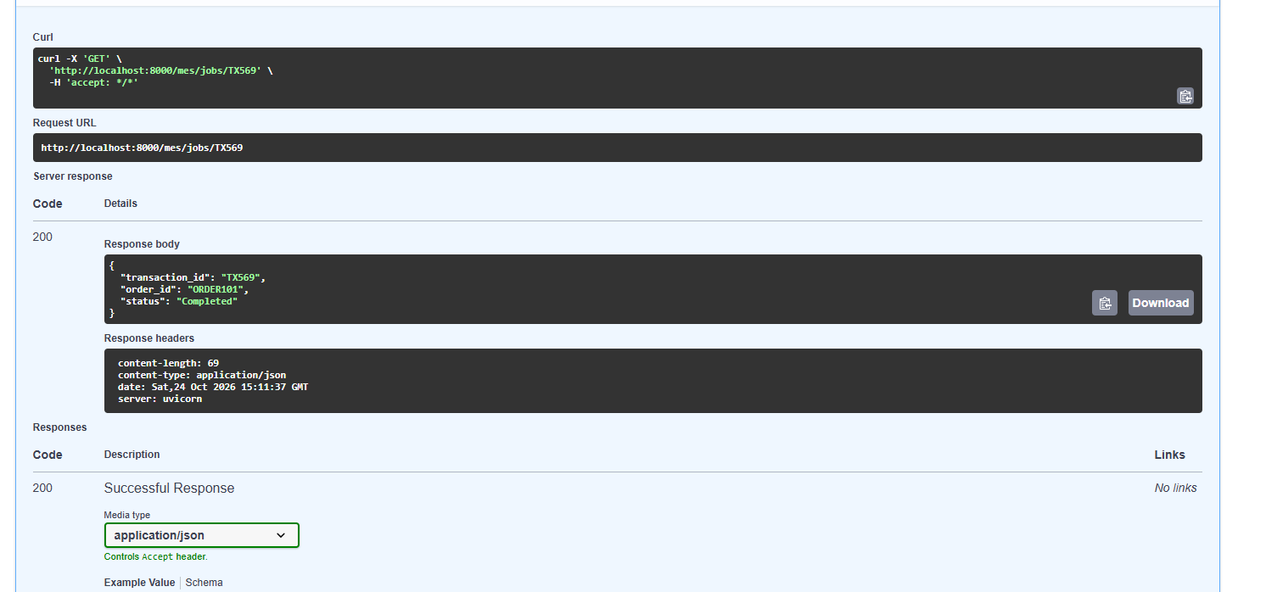
Day 25 — Status
Original uploaded screenshots. See Index for filenames and Markdown topic references.

S04 Step 4 — GET route registered
Swagger lists POST submit and GET /mes/jobs/{transaction_id}. This original is a narrow endpoint-list crop.

Notes: section 4,6. Original: image(20261024-151005).png

S05 Step 5 — TX569 accepted response
ORDER101 / TX569 submission returns 202 Accepted. The job result must be checked separately.

Notes: section 6. Original: image(20261024-151046).png
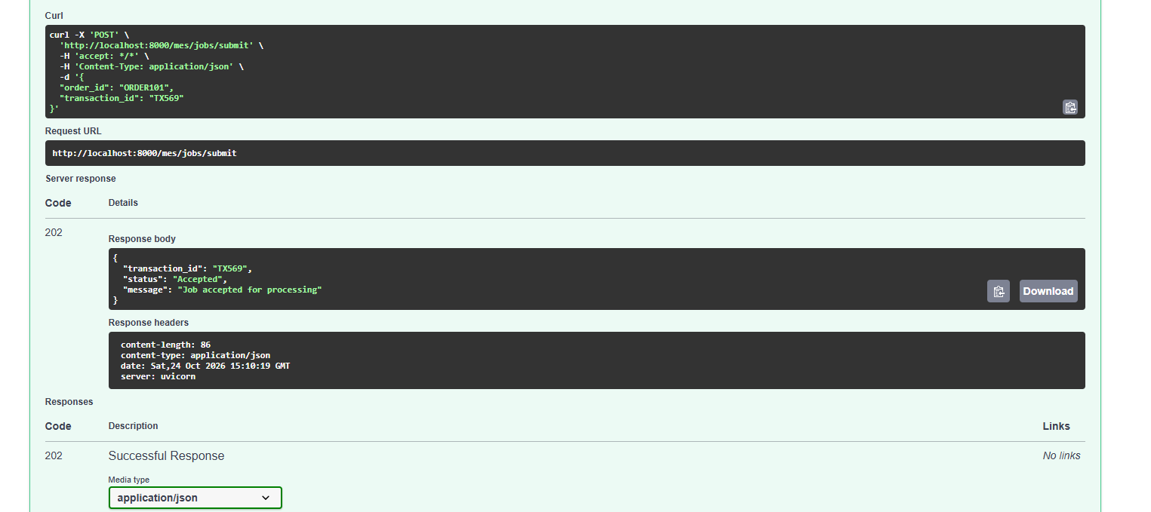

S06 Step 6 — TX569 background logs
Server logs show TX569 processing and completion after POST 202.

Notes: section 6. Original: image(20261024-151058).png
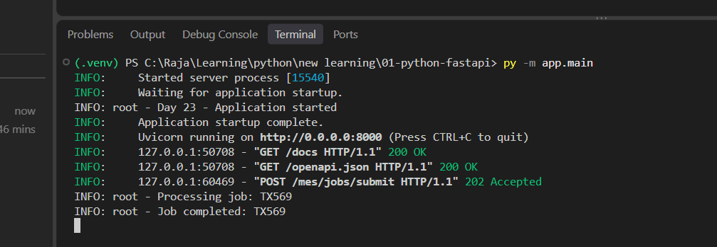

S07 Step 7 — TX569 lookup parameter
Swagger GET path parameter is TX569. This identifies the same submitted operation.

Notes: section 4,6. Original: image(20261024-151136).png

S08 Step 8 — TX569 completed lookup
GET returns HTTP 200 with ORDER101 / TX569 and status Completed. Processing was not captured by this lookup.

Notes: section 3,6. Original: image(20261024-151150).png

03 Timing
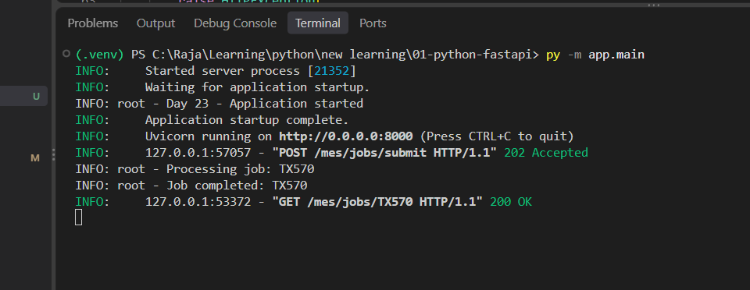
Day 25 — Timing
Original uploaded screenshots. See Index for filenames and Markdown topic references.

S09 Step 9 — TX570 processing logs
The first TX570 log view shows POST 202, processing and completion. It does not show a GET returning Processing.

Notes: section 6. Original: image(20261024-151625).png

S10 Step 10 — TX570 manual GET entry
PowerShell shows TX570 Accepted and a manually entered GET command. This frame does not yet show its result.

Notes: section 6. Original: image(20261024-151641).png
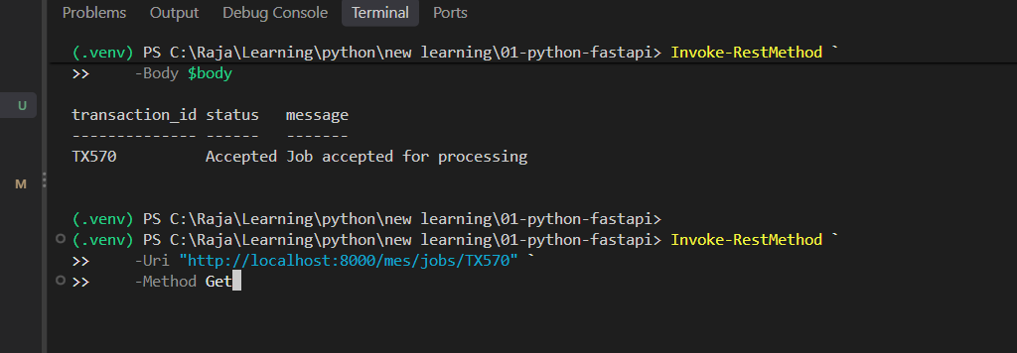

S11 Step 11 — TX570 completed result
PowerShell GET returns ORDER102 / TX570 Completed. The manual check was too late for Processing.

Notes: section 6. Original: image(20261024-151712).png
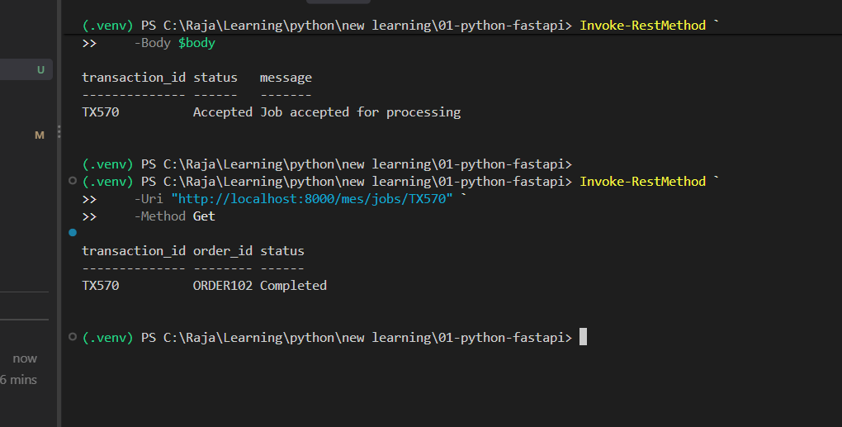

S12 Step 12 — TX570 final log order
Server sequence shows TX570 completion before GET 200. The correction is to run the next test block together.

Notes: section 6. Original: image(20261024-151729).png

04 Lifecycle
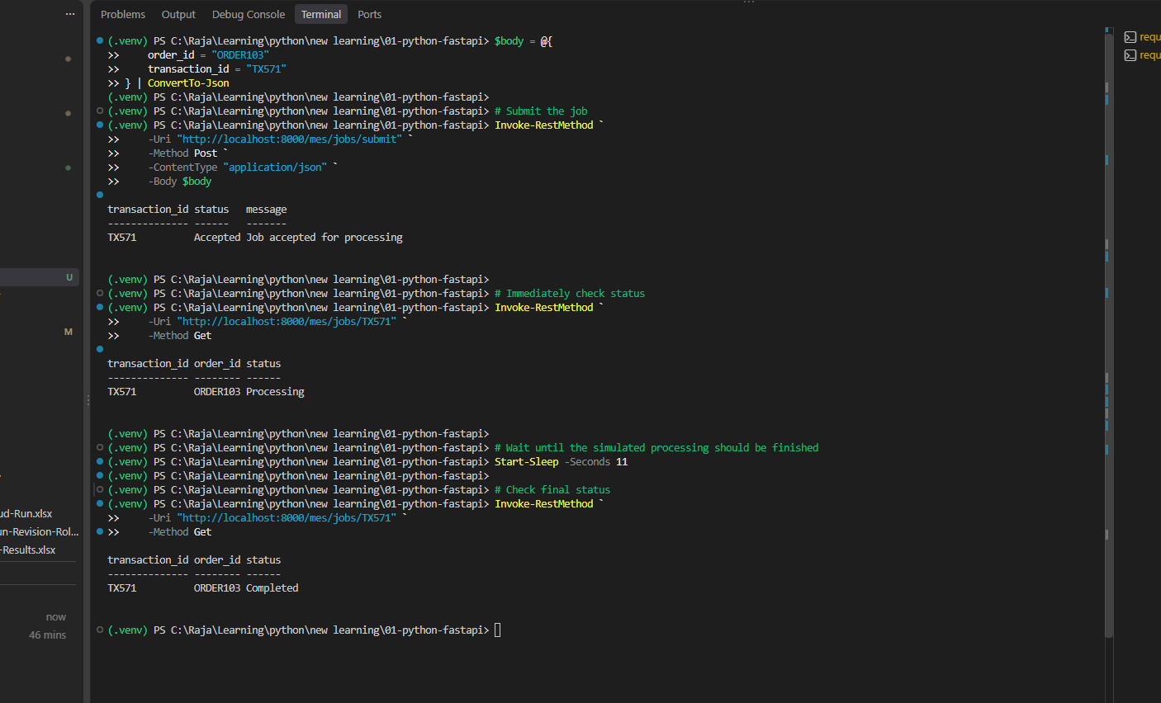
Day 25 — Lifecycle
Original uploaded screenshots. See Index for filenames and Markdown topic references.

S13 Step 13 — TX571 full lifecycle
One PowerShell block submits ORDER103 / TX571, immediately reads Processing, waits 11 seconds, then reads Completed.

Notes: section 5,6. Original: image(20261024-151949).png

05 Failure
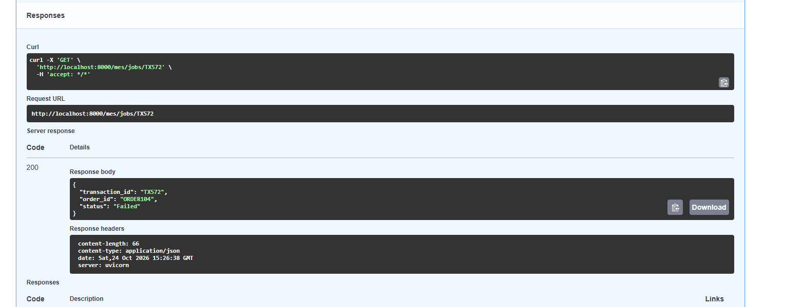
Day 25 — Failure
Original uploaded screenshots. See Index for filenames and Markdown topic references.

S14 Step 14 — TX572 failure-test request
Swagger request body uses ORDER104 / TX572, the transaction configured to raise a simulated exception.

Notes: section 7. Original: image(20261024-152603).png
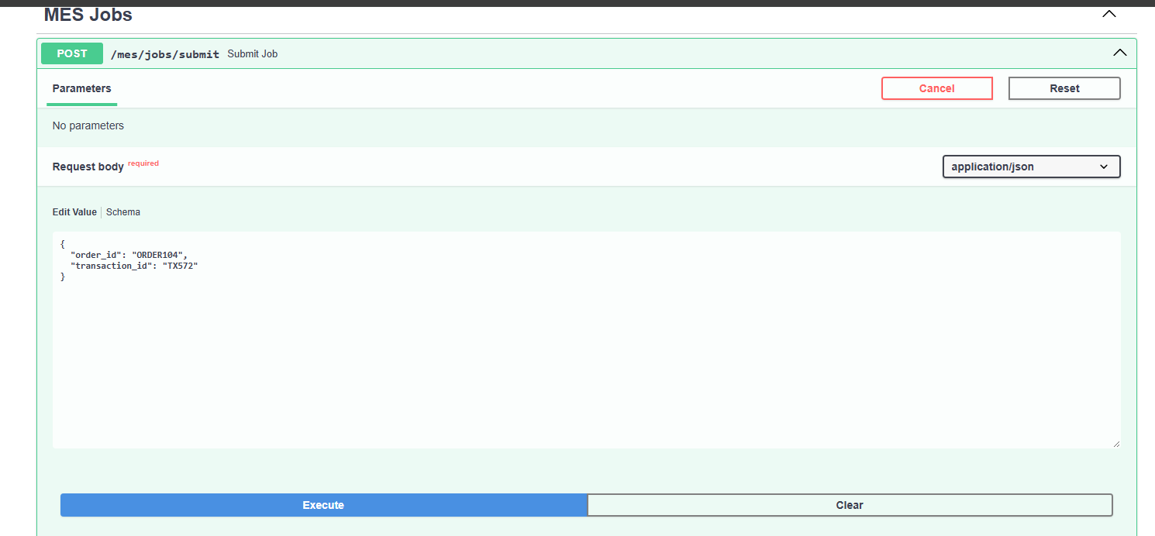

S15 Step 15 — TX572 accepted response
POST still returns HTTP 202 Accepted. This does not mean the later worker operation succeeds.

Notes: section 3,7. Original: image(20261024-152615).png
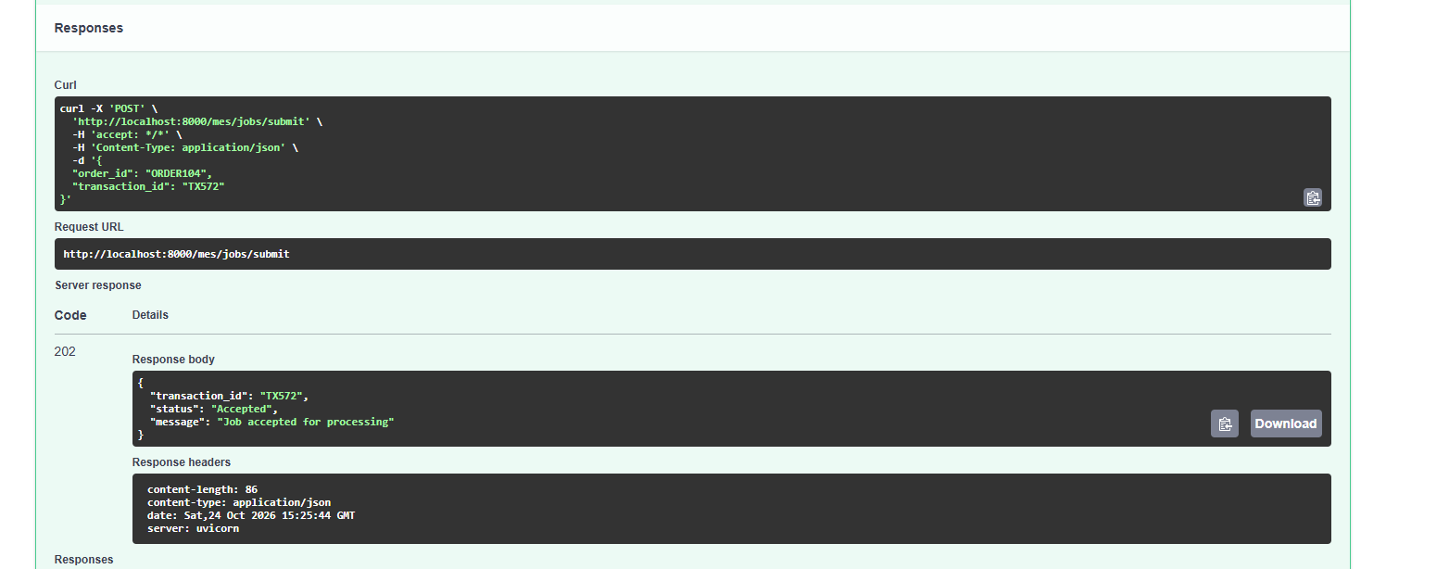

S16 Step 16 — TX572 lookup parameter
GET path parameter is TX572 so the caller can inspect the deliberately failing job.

Notes: section 7. Original: image(20261024-152638).png

S17 Step 17 — TX572 failed business status
GET succeeds with HTTP 200, while JSON says ORDER104 / TX572 Failed. No failure log is visible in this group.

Notes: section 3,7. Original: image(20261024-152654).png

