01 Registry v5
Registry v5

Artifact Registry stores the uploaded employee-api image. The v5 tag appears in the europe-west2 repository.

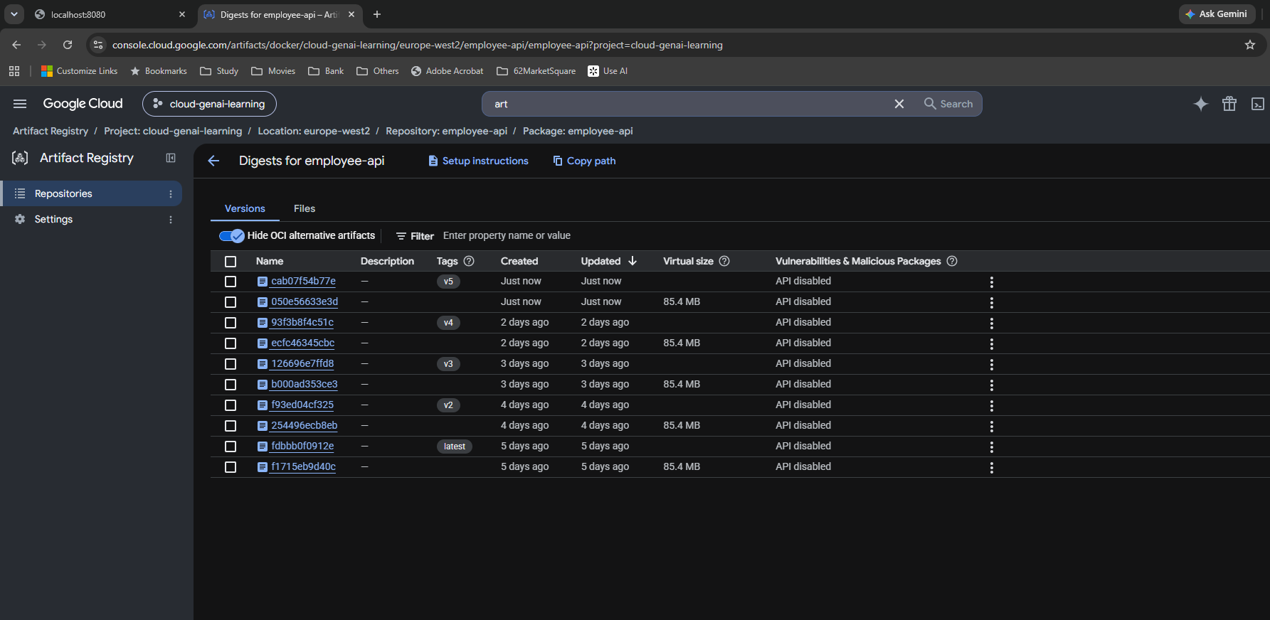

Source: Day 14 screenshot supplied in New_Learning_1.

02 Select v5
Select v5

Select the uploaded v5 image in Cloud Run. APP_VERSION=3.0 and APP_ENV=staging appear in the service configuration.

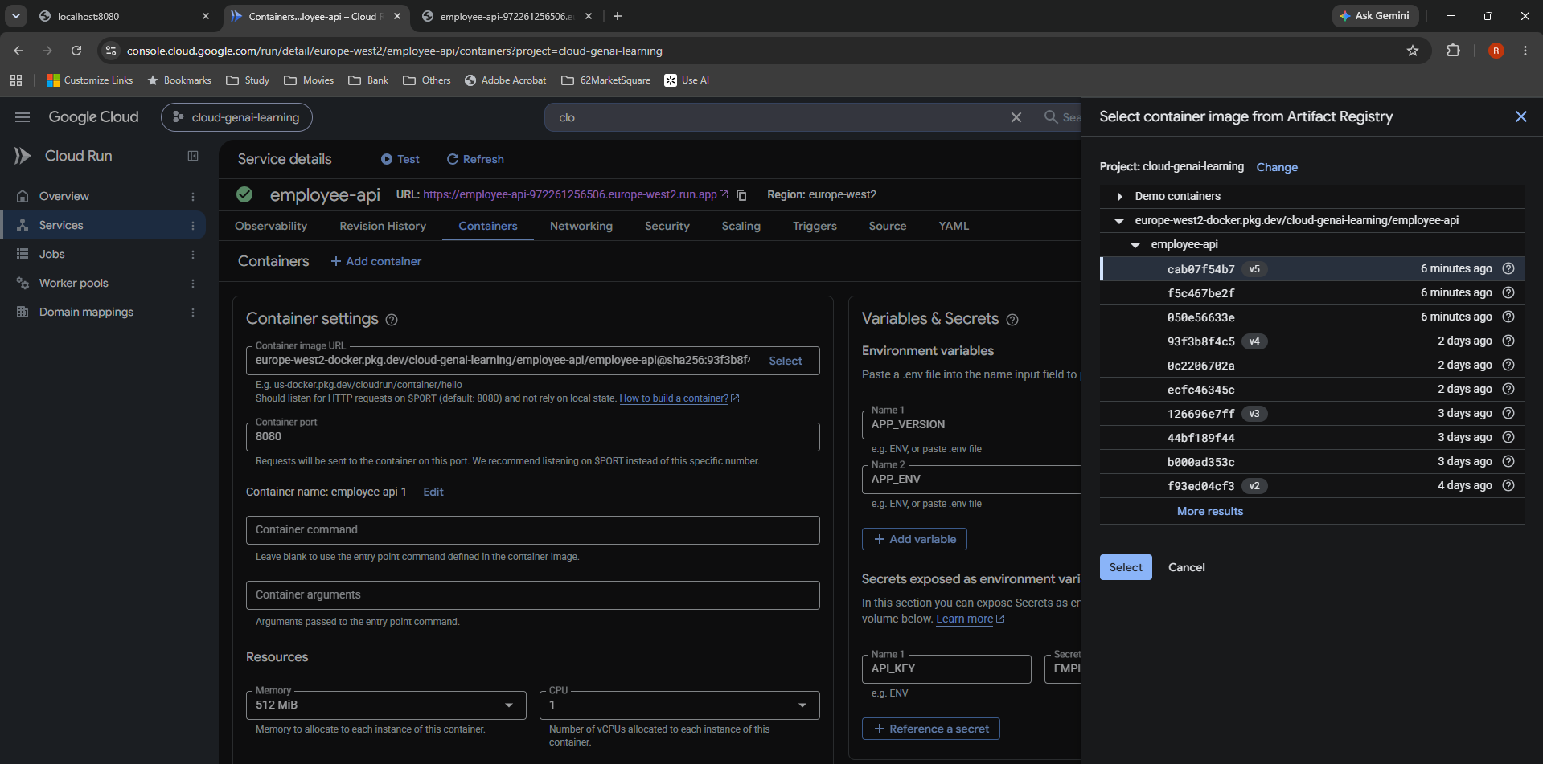

Source: Day 14 screenshot supplied in New_Learning_1.

03 Review v5
Review v5

Review the container image change before deploying the new Cloud Run revision.

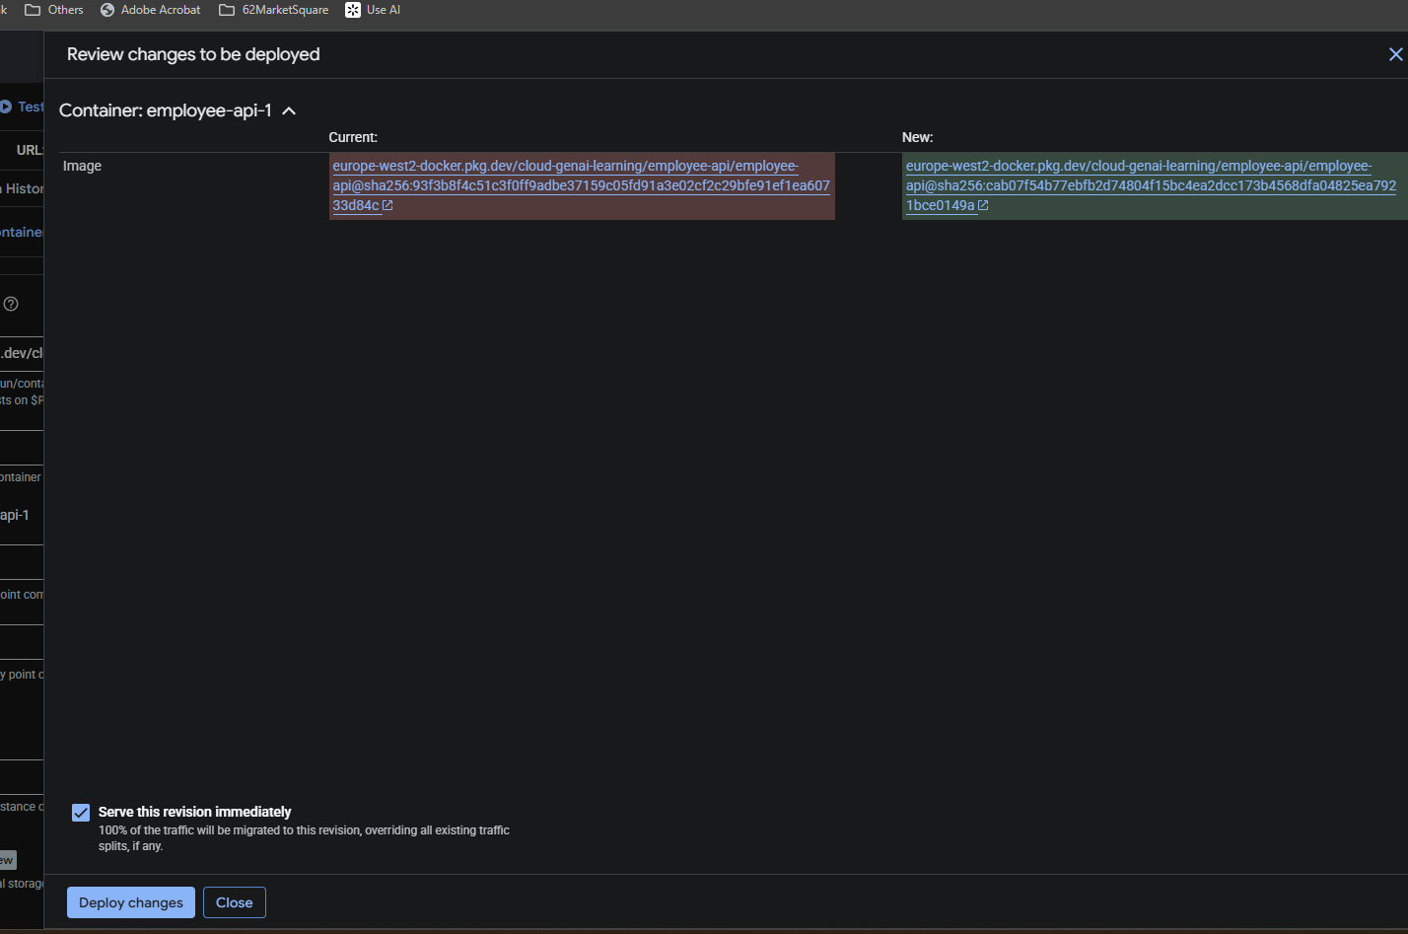

Source: Day 14 screenshot supplied in New_Learning_1.

04 Deployment
Deployment

Cloud Run reports updating service, creating revision, and routing traffic completed.

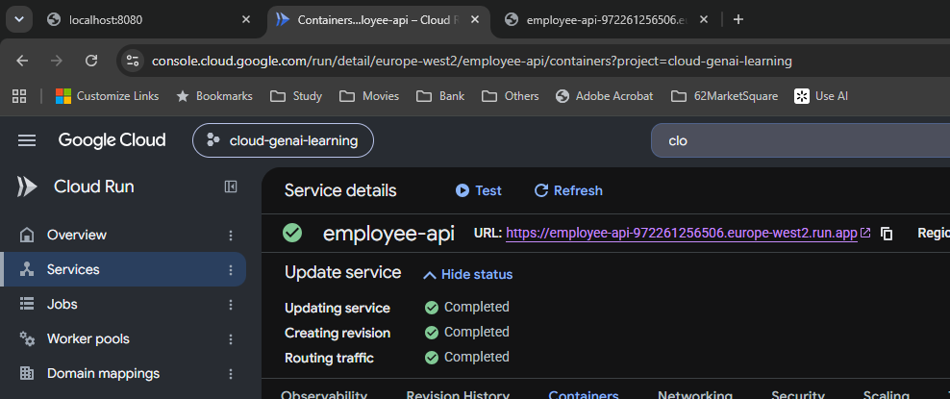

Source: Day 14 screenshot supplied in New_Learning_1.

06 INFO in cloud
INFO in cloud

Cloud Run Observability logs show the application landing-endpoint INFO message alongside request and server logs.

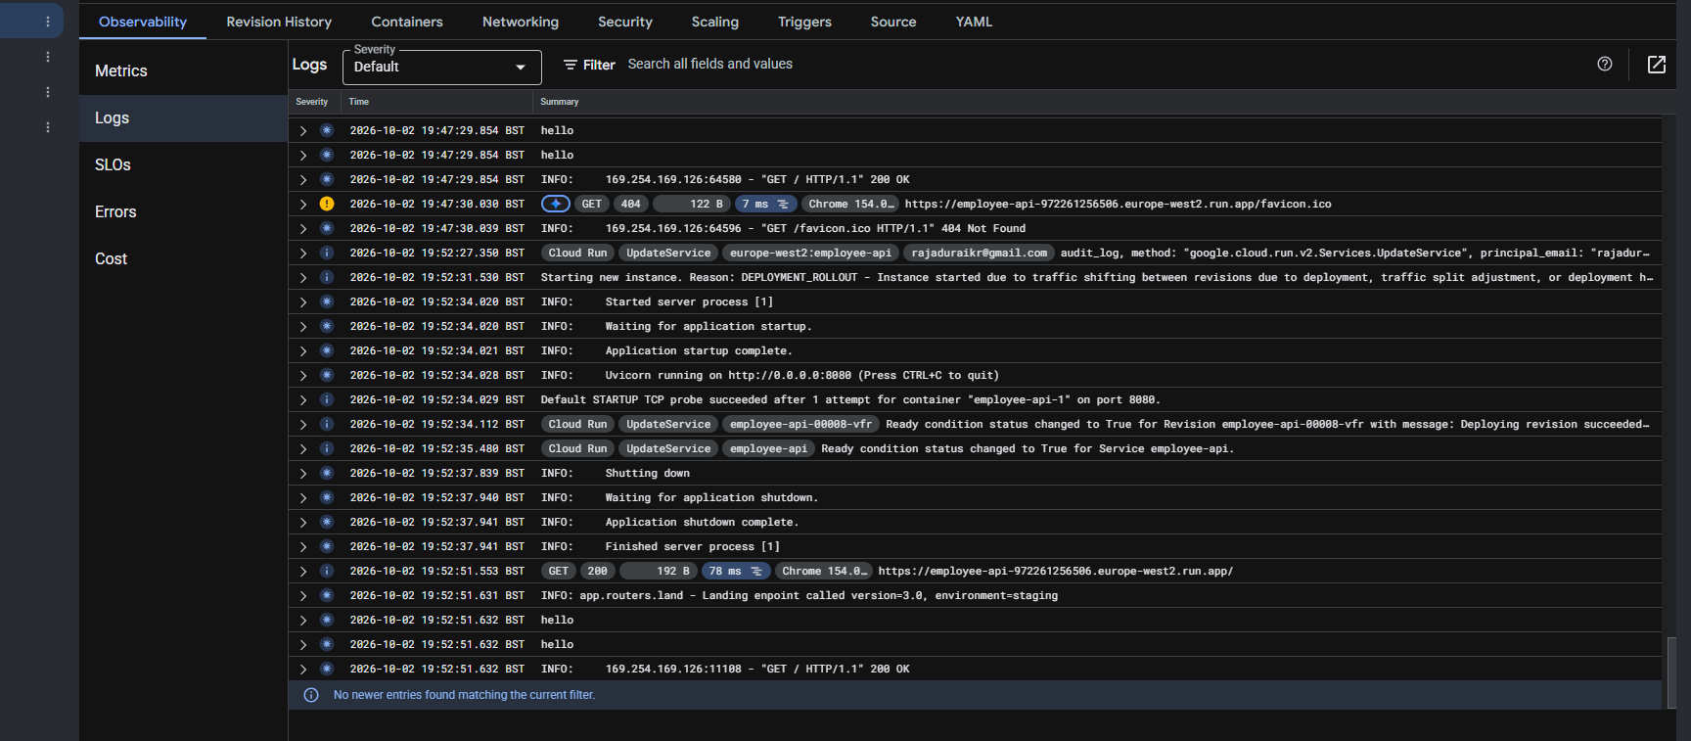

Source: Day 14 screenshot supplied in New_Learning_1.

07 Tag and push v6
Tag and push v6

The terminal shows tagging employee-api:v6 for Artifact Registry and a successful push ending with the v6 digest.

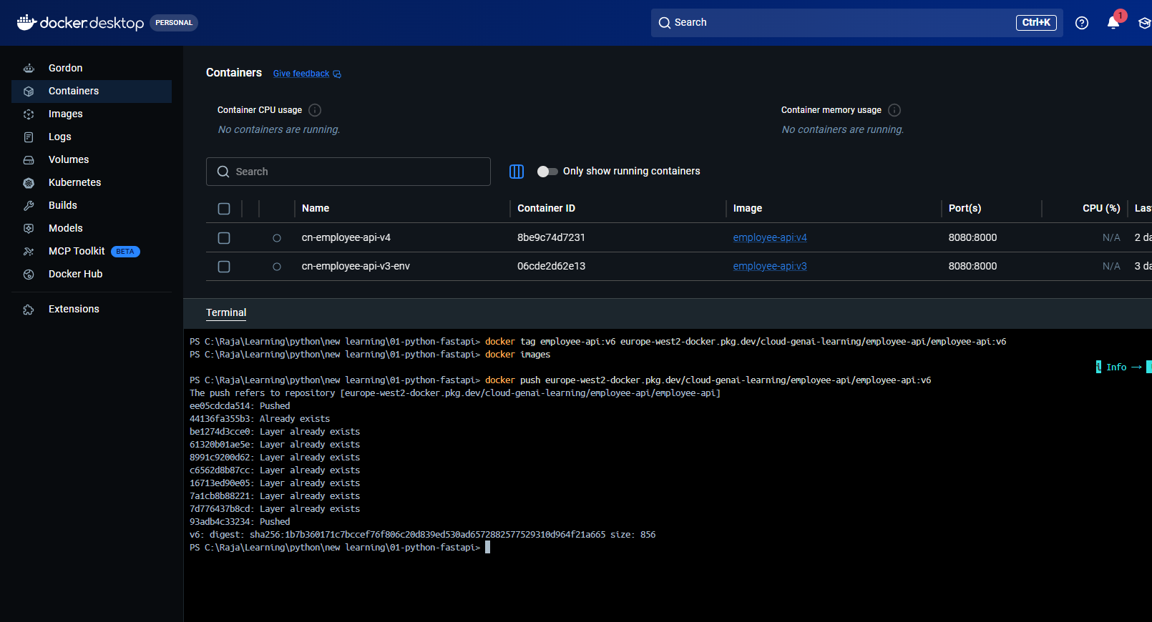

Source: Day 14 screenshot supplied in New_Learning_1.

08 Select v6
Select v6

Select the newly uploaded v6 image from Artifact Registry for the Cloud Run service.

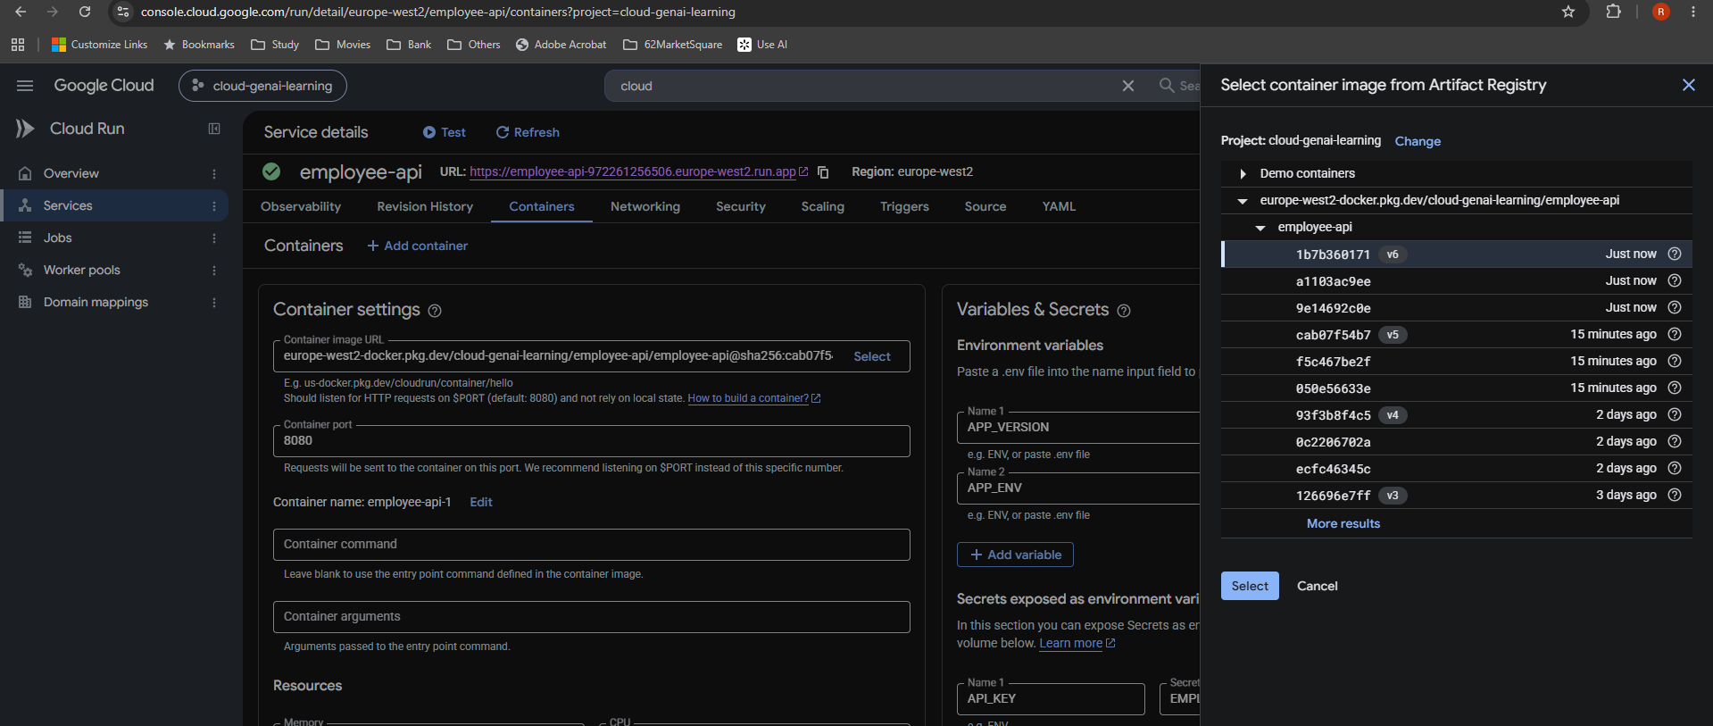

Source: Day 14 screenshot supplied in New_Learning_1.

09 Review v6
Review v6

Review the updated container image before deploying the revision containing the three-level experiment.

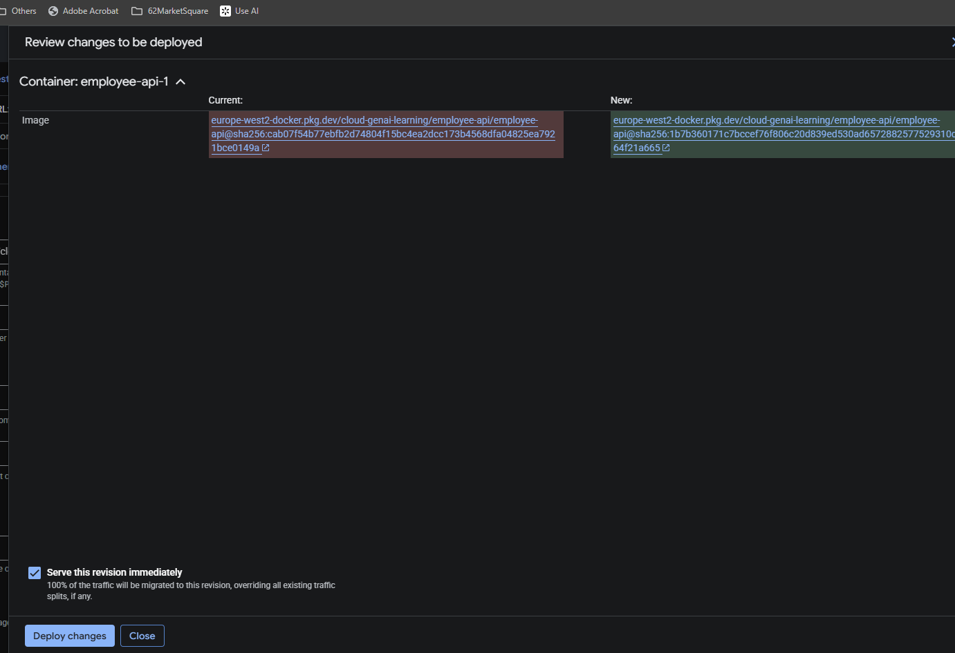

Source: Day 14 screenshot supplied in New_Learning_1.

