Screenshots
Screenshots

Day 19 | Console steps | Commands and screenshot navigation: use the tabs below

Original screenshots embedded directly. Each image is followed by its source filename. Use the index below or scroll through the numbered evidence sequence.

01. Locate the secret
02. Inspect existing access
03. Grant the robot access to one secret
04. Verify the saved binding
05. Keep the service private and switch identity
06. Review and deploy the runtime change
07. Confirm deployment completion
08. Verify authenticated HTTP response

01. Locate the secret
Secret Manager lists EMPLOYEE_API_KEY in cloud-genai-learning. Start here to scope access to this specific resource.

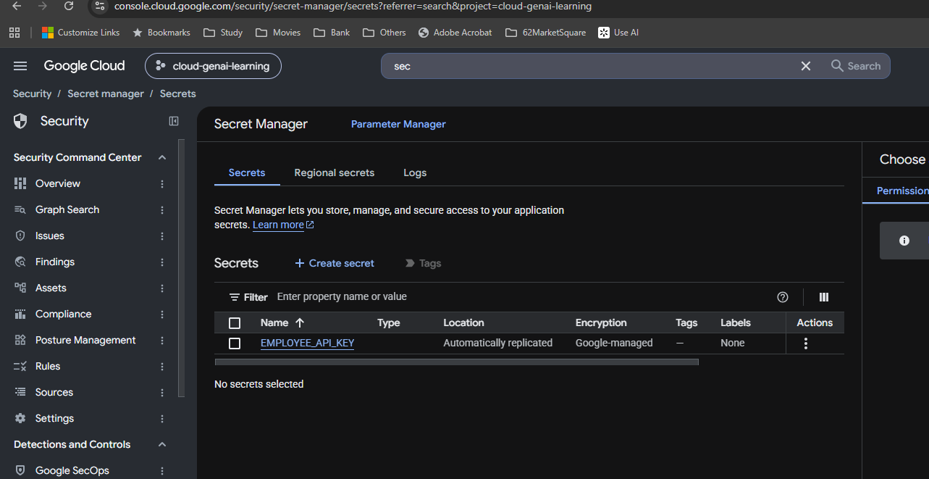

Source: image(20261010-110108).png

02. Inspect existing access
Before the new grant, the secret page shows the default compute account and caller Google account. The compute account retains visible Editor and Secret Accessor roles in this evidence.

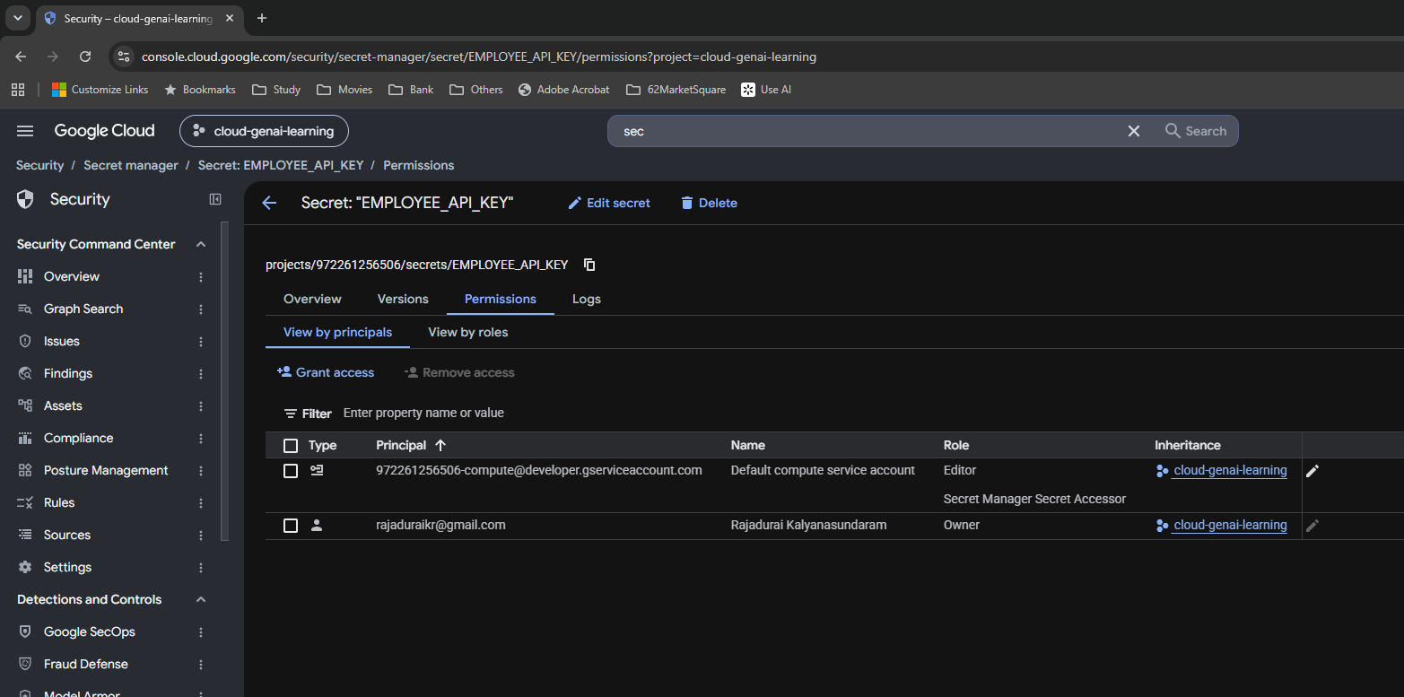

Source: image(20261010-110129).png

03. Grant the robot access to one secret
The grant dialog targets EMPLOYEE_API_KEY and employee-api-sa, with Secret Manager Secret Accessor selected.

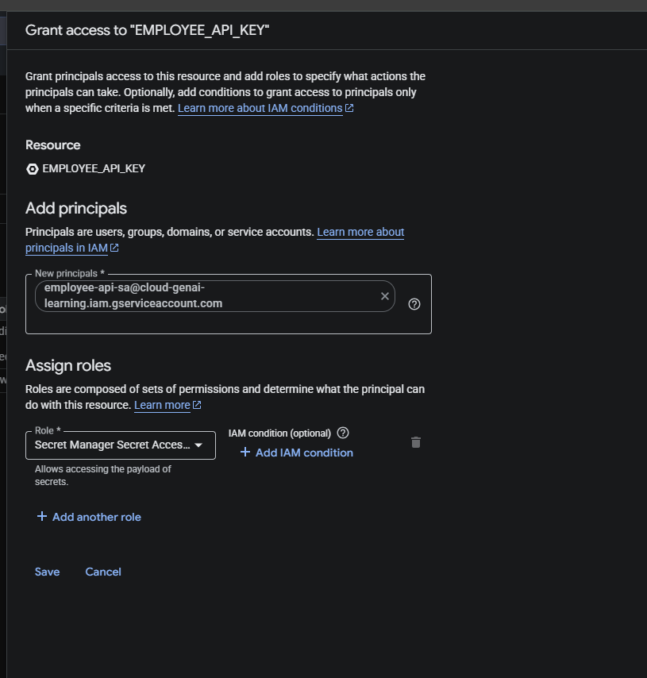

Source: image(20261010-110320).png

04. Verify the saved binding
employee-api-sa appears as Secret Manager Secret Accessor on the secret Permissions page. The old compute account is still listed; the screenshots do not demonstrate its access was removed.

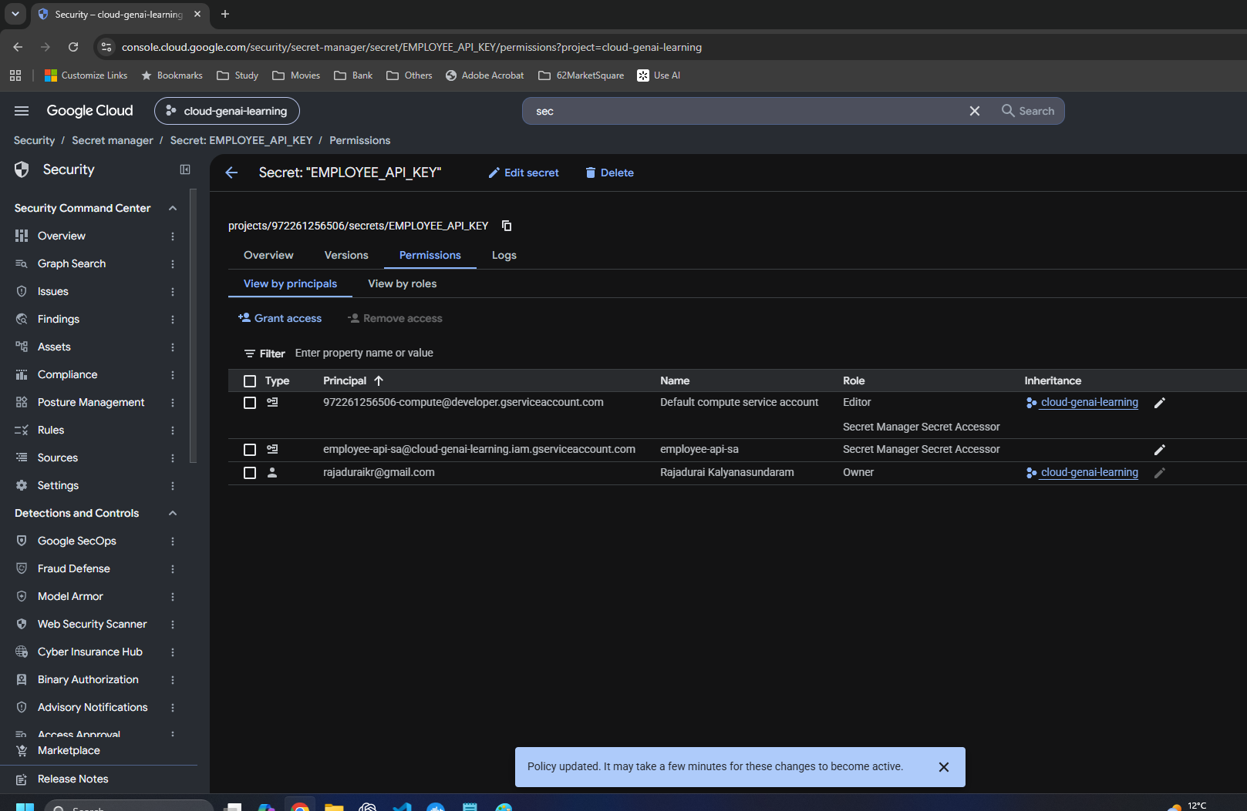

Source: image(20261010-110338).png

05. Keep the service private and switch identity
Require authentication and IAM are selected. The Service Account dropdown now shows employee-api-sa. The page still has pending changes.

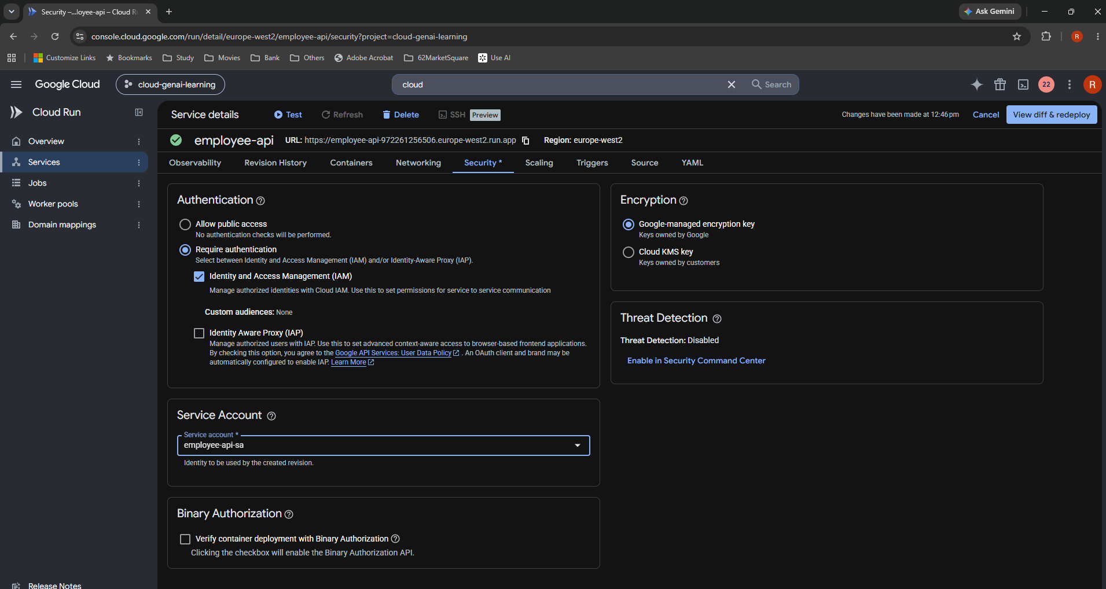

Source: image(20261010-114638).png

06. Review and deploy the runtime change
The diff replaces the default compute account with employee-api-sa. Serve this revision immediately is checked, indicating 100% traffic migration.

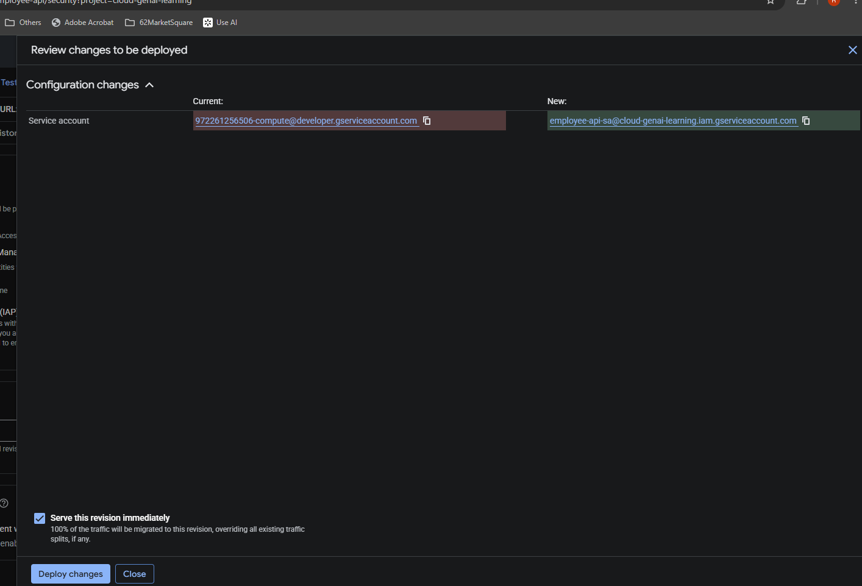

Source: image(20261010-114720).png

07. Confirm deployment completion
Updating service, Creating revision and Routing traffic all show Completed for employee-api in europe-west2.

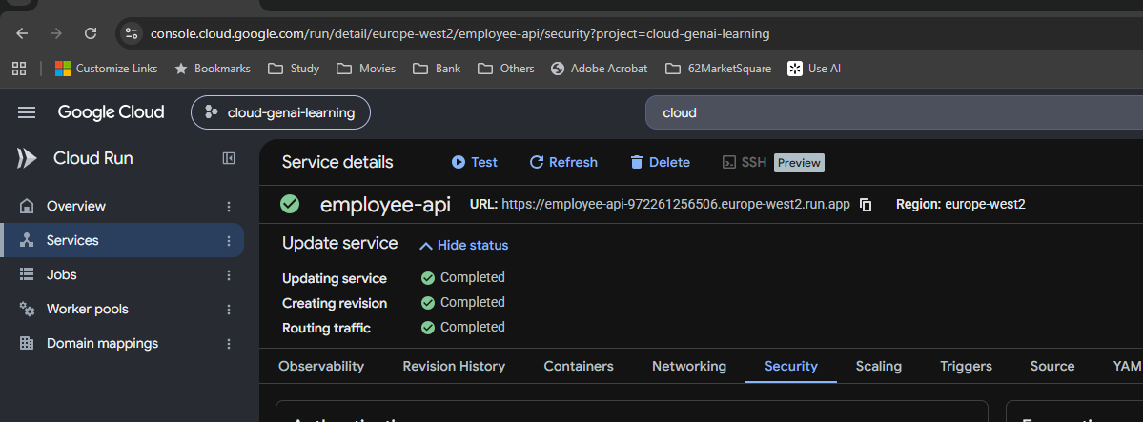

Source: image(20261010-114757).png

08. Verify authenticated HTTP response
The captured curl sends a bearer identity token. Response: HTTP/2 200; message Employee API; version 3.0; environment staging; api_key_configured true.

Source: image(20261010-115146).png

