Final logs
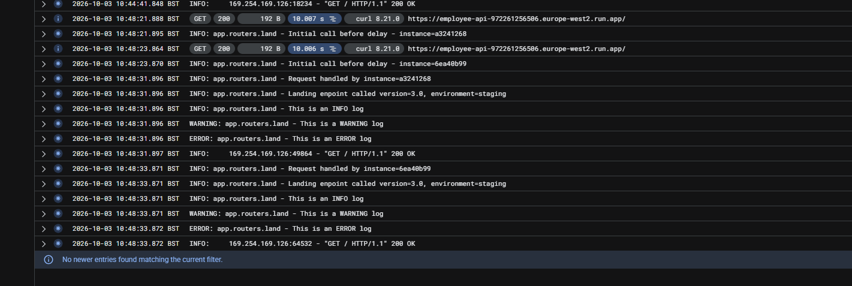
Final proof of overlapping requests

a3241268 starts 10:48:21.895 and ends 10:48:31.896. 6ea40b99 starts 10:48:23.870 and ends 10:48:33.871.

Browser logs
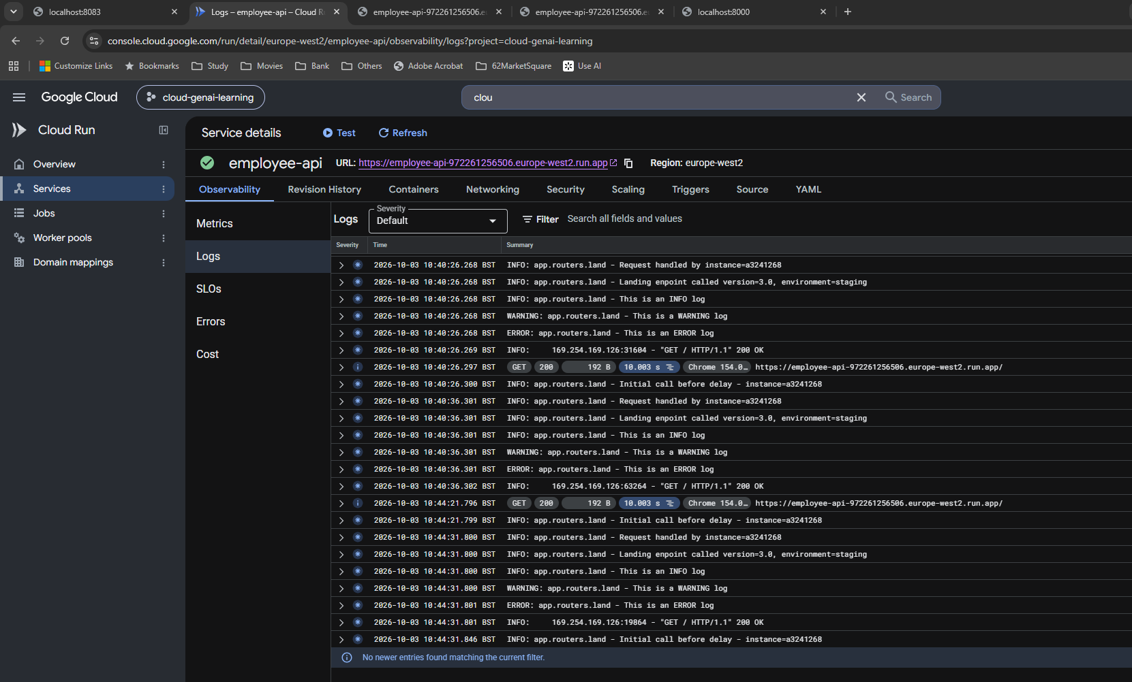
Earlier browser requests

The same ID is reused. At 10:40:26.268 one request finishes; at 10:40:26.300 the next starts.

Deployment review
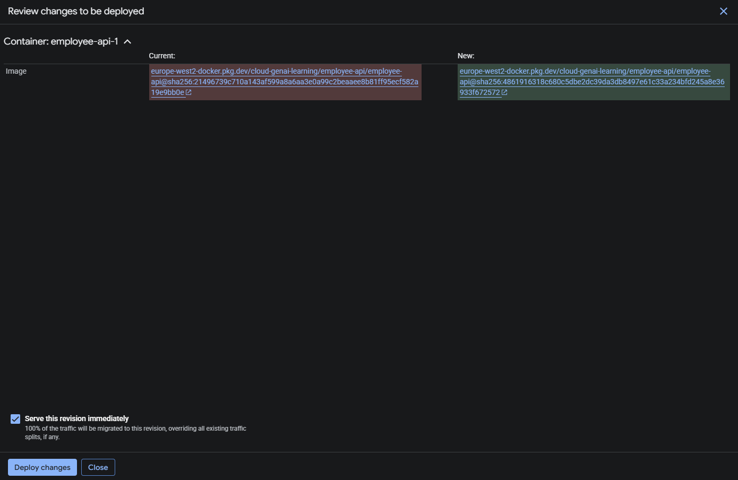
Cloud Run deployment review

The image digest changes. Serve this revision immediately is selected to route 100% of traffic to the new revision.

Registry v8 v9
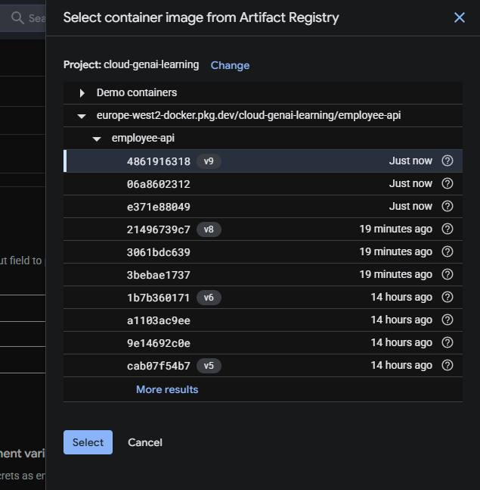
Artifact Registry image selection

Both v8 and v9 are visible. v9 is selected.

