Baseline metrics
Before the 50M workload

Original conversation screenshot captured from the image viewer

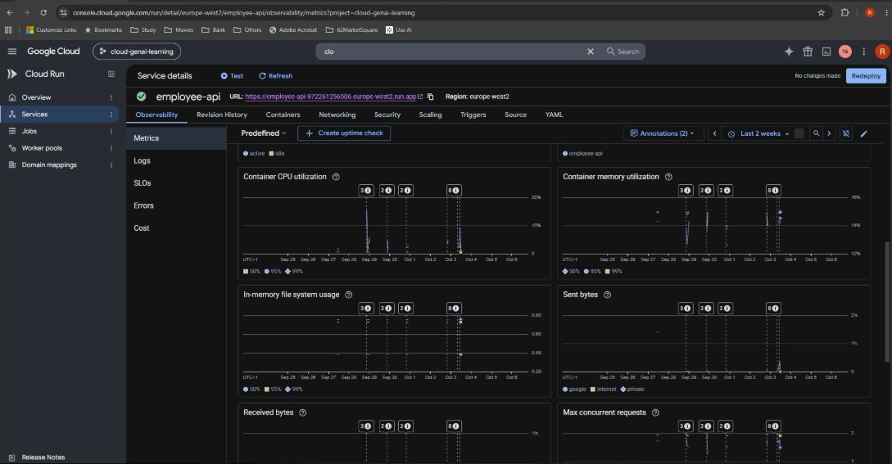

Baseline observability shows CPU mostly below 20% and memory around 14–15% in the earlier time window.

Source: https://chatgpt.com/c/6aa66e73-10d4-83ed-b1d2-0f0f2ca78540

Local 50M test
Local CPU workload: about 4.31 seconds

Original conversation screenshot captured from the image viewer

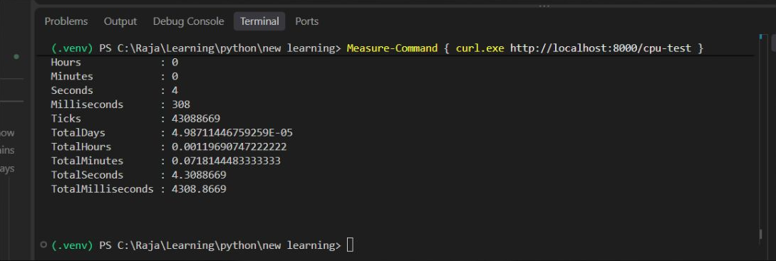

TotalSeconds = 4.3088669 for the local /cpu-test call. The surrounding chat identifies this as the 50M workload.

Source: https://chatgpt.com/c/6aa66e73-10d4-83ed-b1d2-0f0f2ca78540

Cloud Run timing
Cloud Run: about 6.30 and 6.54 seconds

Original conversation screenshot captured from the image viewer

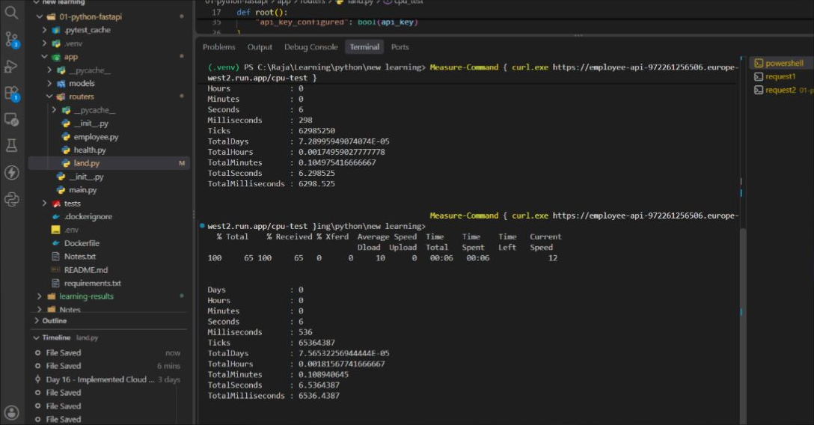

TotalSeconds = 6.298525 and 6.5364387. These client-side times include HTTP overhead.

Source: https://chatgpt.com/c/6aa66e73-10d4-83ed-b1d2-0f0f2ca78540

Parallel scaling
Container instance count reaches 2

Original conversation screenshot captured from the image viewer

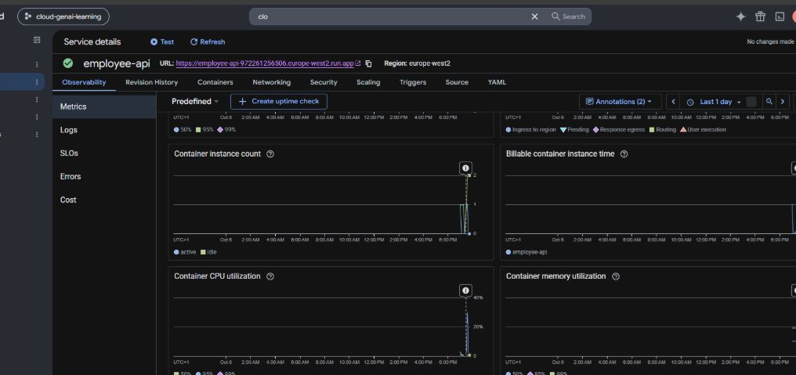

The instance-count trace reaches 2 during parallel requests, demonstrating scale-out. CPU and memory traces are also visible.

Source: https://chatgpt.com/c/6aa66e73-10d4-83ed-b1d2-0f0f2ca78540

Concurrent requests
Max concurrent requests increases

Original conversation screenshot captured from the image viewer

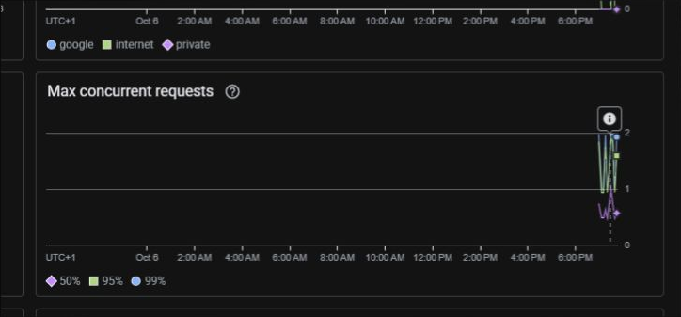

The graph rises near 2 during overlapping load. This metric alone does not establish two requests on one instance.

Source: https://chatgpt.com/c/6aa66e73-10d4-83ed-b1d2-0f0f2ca78540

