S01
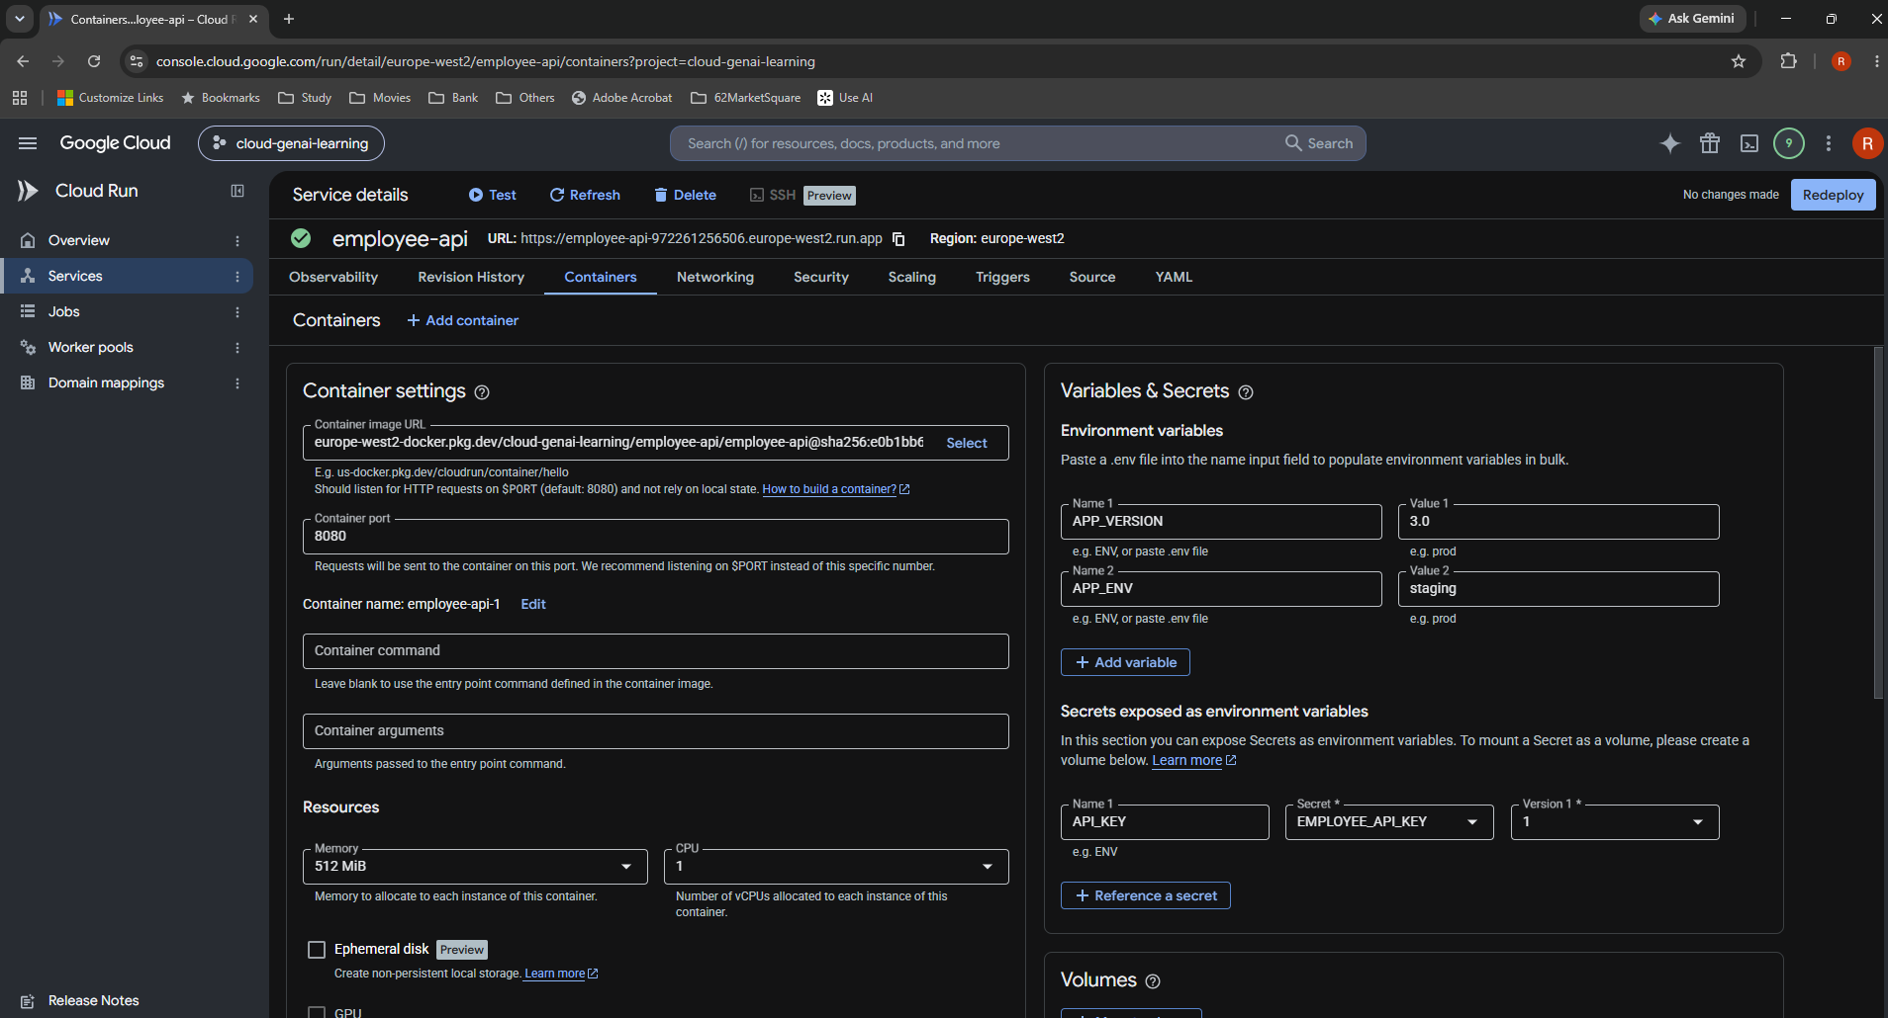
S01 Initial Containers settings

Existing configuration. Container port 8080, 512 MiB, 1 vCPU, app variables and secret reference are visible. No changes made.

Markdown section 6 | Original screenshot | 1908 × 1030 px

S02
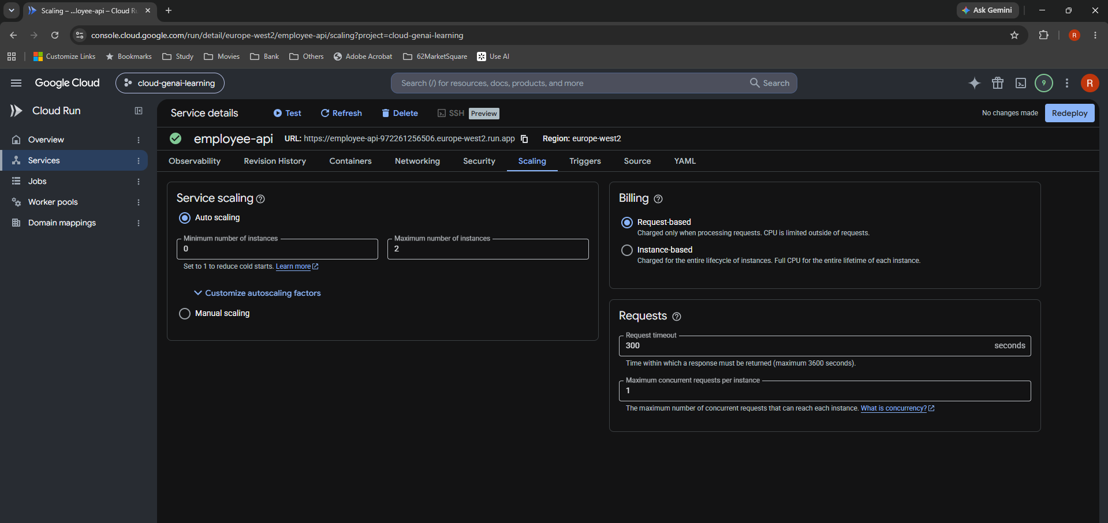
S02 Original Scaling configuration

Observed original timeout 300 s, auto scaling 0–2 instances, concurrency 1 and request-based billing. Advanced factors are collapsed.

Markdown section 6 | Original screenshot | 1919 × 907 px

S04
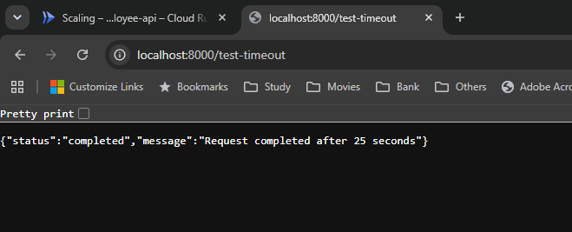
S04 Local timeout endpoint result

Localhost /test-timeout returns completed JSON for the 25-second simulation. This does not pass through Cloud Run.

Markdown section 7 | Original screenshot | 659 × 267 px

S05
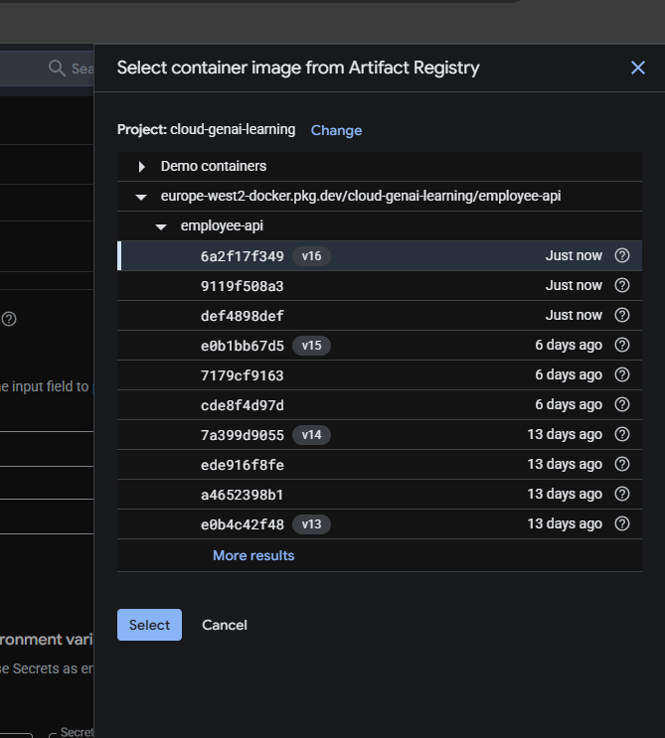
S05 Select image v16

Original Artifact Registry selector shows v16 selected, digest prefix 6a2f17f349. Selecting an image precedes saving the service changes.

Markdown section 7 | Original screenshot | 669 × 743 px

S06
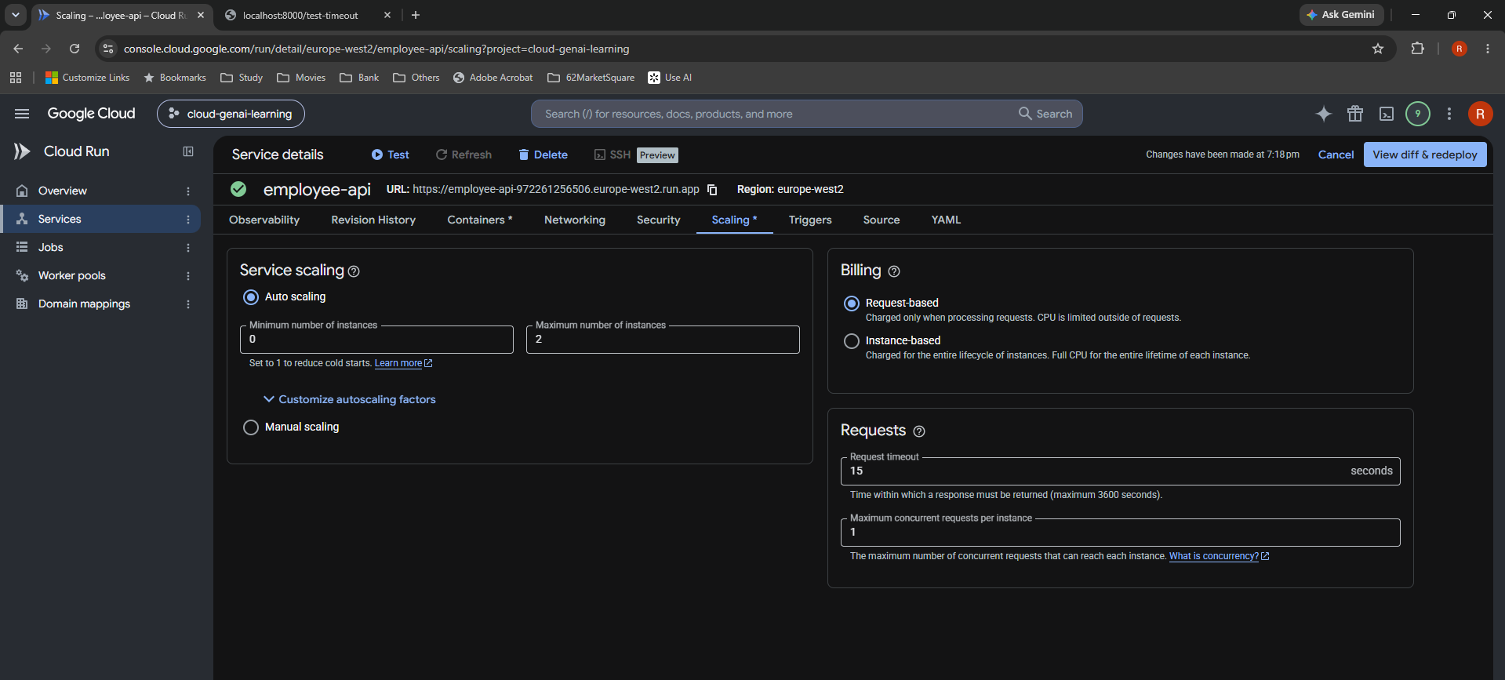
S06 Temporary 15-second timeout

Pending experiment setting: 15 seconds. This was deliberate test configuration, later restored to 300 seconds in S11–S14.

Markdown section 7 | Original screenshot | 1919 × 867 px

S07
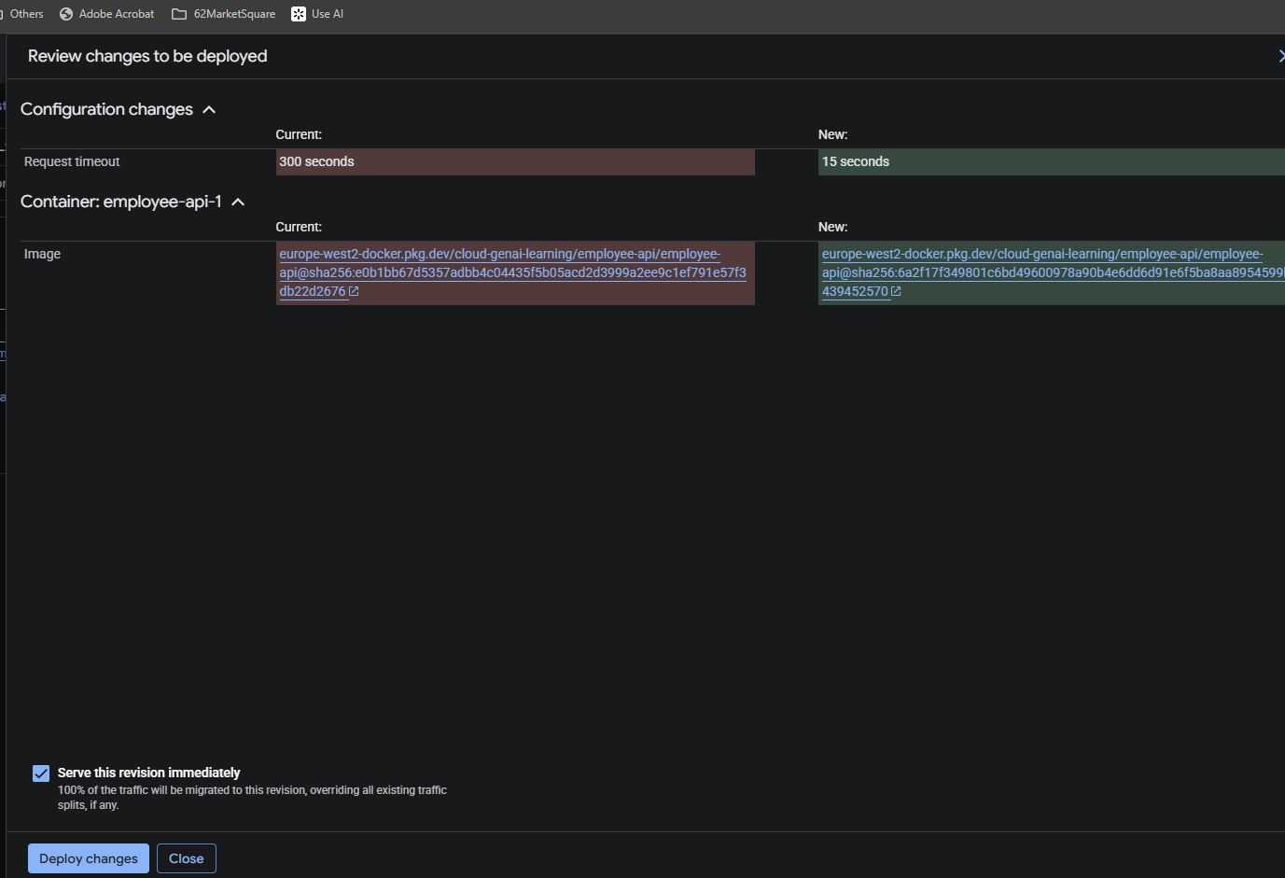
S07 Review combined experiment deployment

Review shows timeout 300 → 15 seconds and container-image change together. Serve this revision immediately is checked.

Markdown section 7 | Original screenshot | 1377 × 941 px

S08
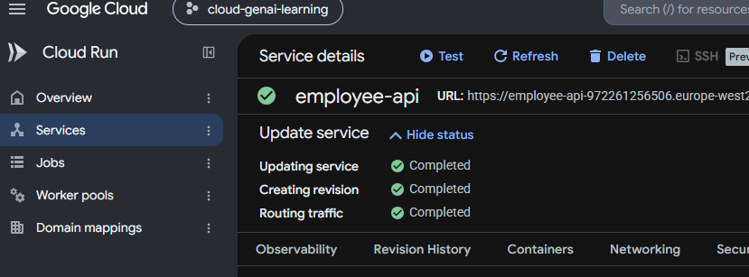
S08 Experiment deployment completed

Update service, creating revision and routing traffic all show Completed. This follows the combined image/timeout review.

Markdown section 7 | Original screenshot | 829 × 307 px

S09
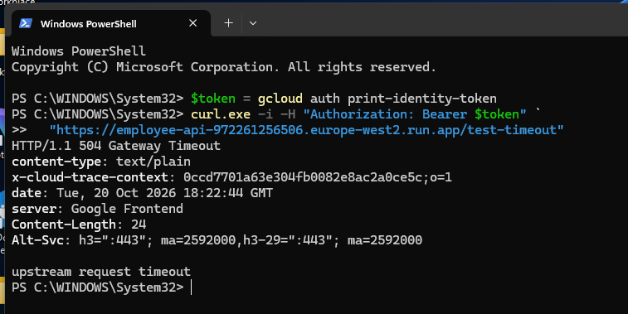
S09 Authenticated Cloud Run 504

PowerShell curl with an identity-token header returns HTTP/1.1 504 and upstream request timeout. No bearer-token value is shown.

Markdown section 7 | Original screenshot | 757 × 379 px

S11
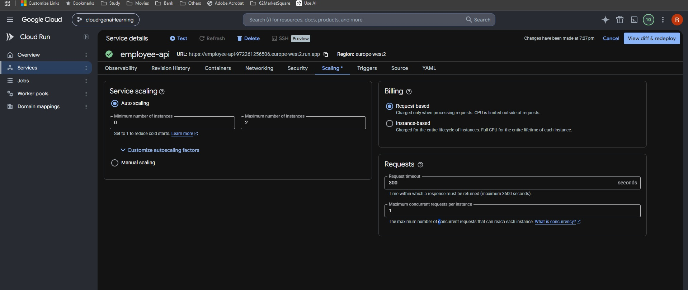
S11 Restore timeout to 300 seconds

Pending restoration: request timeout 300 s. Auto scaling, concurrency and billing remain visible. Saving still requires the review/deploy step.

Markdown section 7 | Original screenshot | 1918 × 810 px

S12
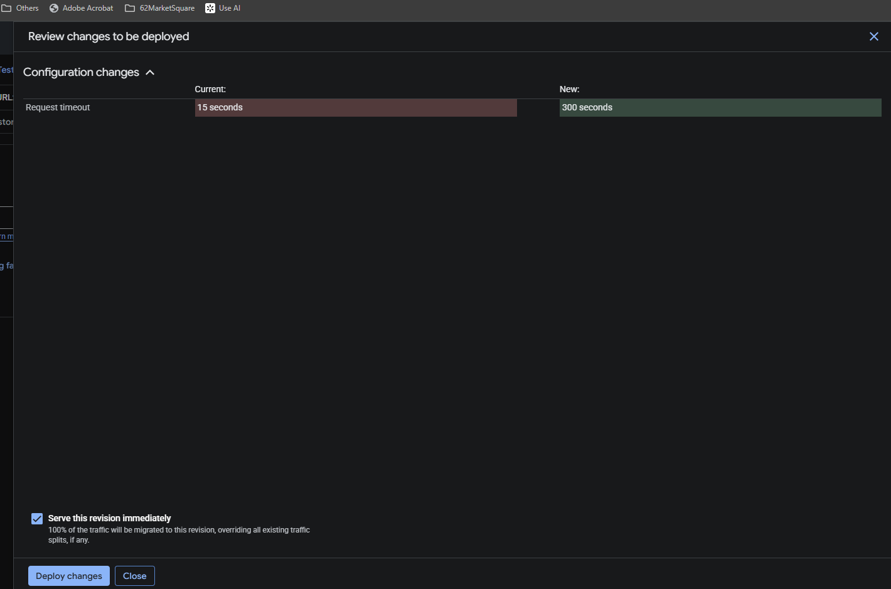
S12 Review restoration diff

Current 15 seconds and new 300 seconds are shown explicitly. Serve this revision immediately is checked.

Markdown section 7 | Original screenshot | 1420 × 939 px

S14
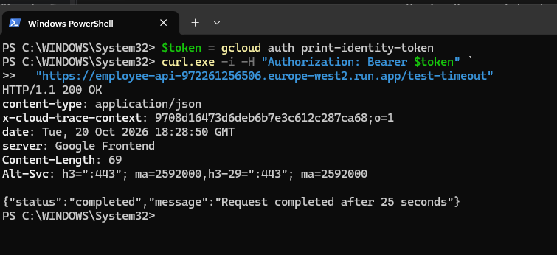
S14 Cloud Run 200 after restoration

Authenticated cloud request returns HTTP/1.1 200 OK and completed JSON. This verifies recovery after restoring the timeout.

Markdown section 7 | Original screenshot | 755 × 346 px

S15
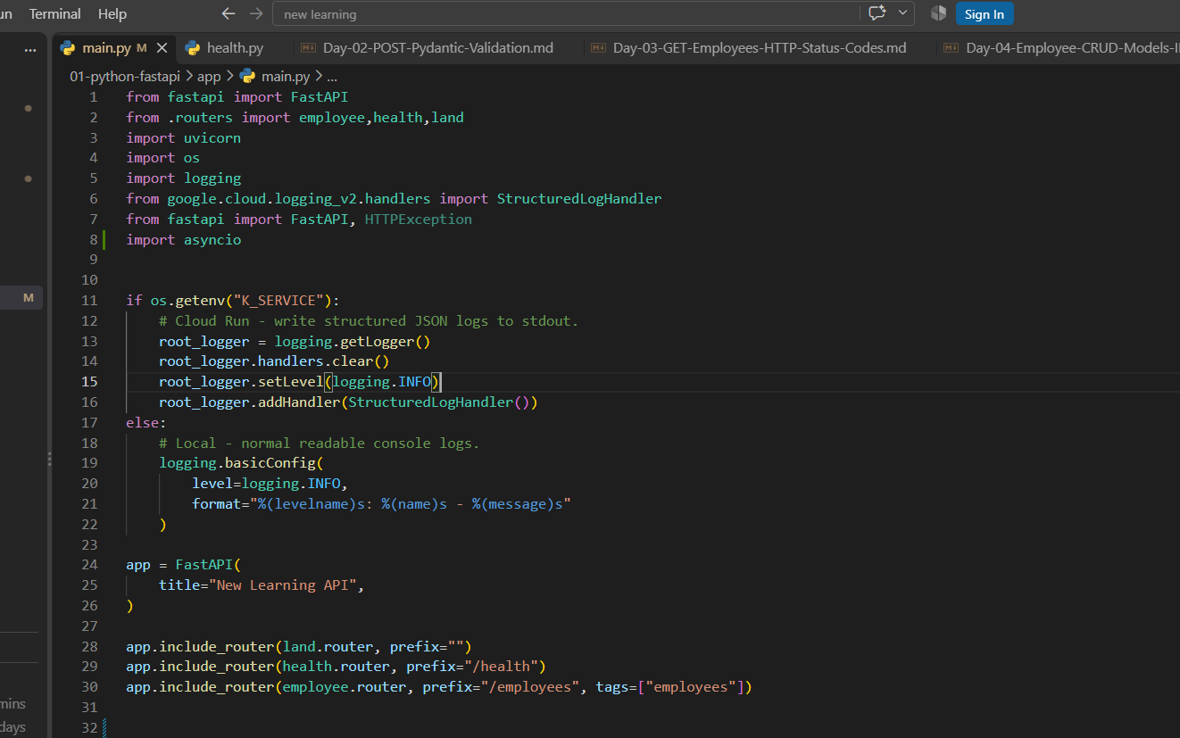
S15 Existing application initialization

Pre-lifespan main.py: imports, cloud/local logging and FastAPI creation. Existing routers are visible.

Markdown section 10 | Original screenshot | 1322 × 827 px

S16
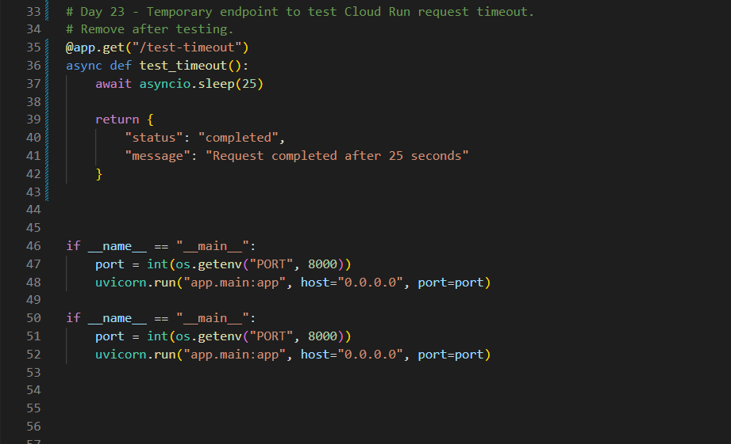
S16 Existing endpoint and duplicate main blocks

Before lifespan: temporary /test-timeout remains and two identical __main__ blocks are visible. Duplicate removal was recommended, not evidenced.

Markdown section 10 | Original screenshot | 921 × 561 px

S17
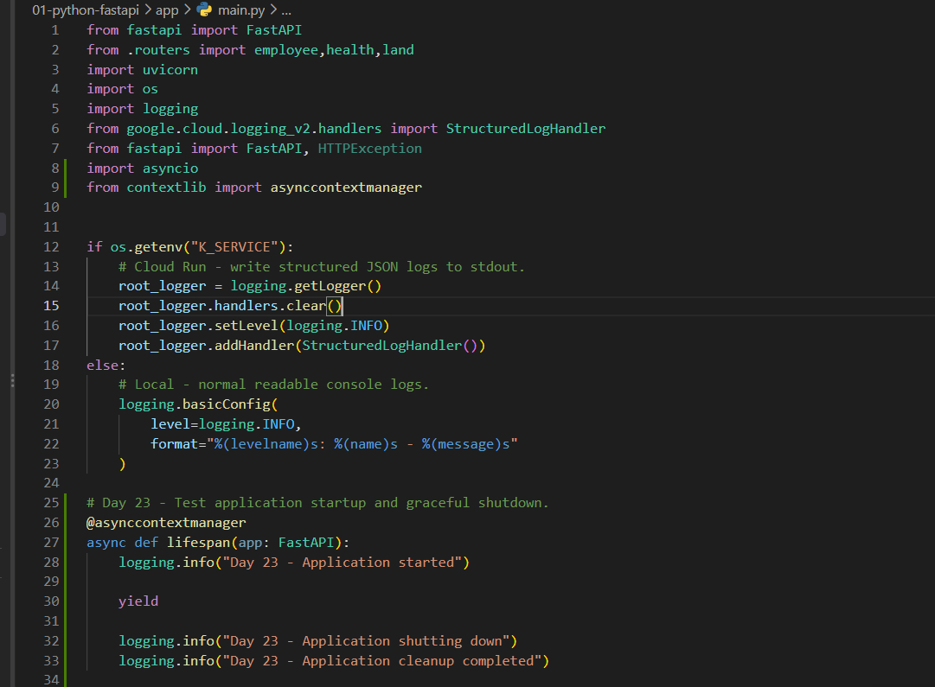
S17 Add lifespan import and function

Actual local edit: asynccontextmanager import and lifespan startup/shutdown logging. These logs do not release real resources.

Markdown section 10 | Original screenshot | 1081 × 795 px

S18
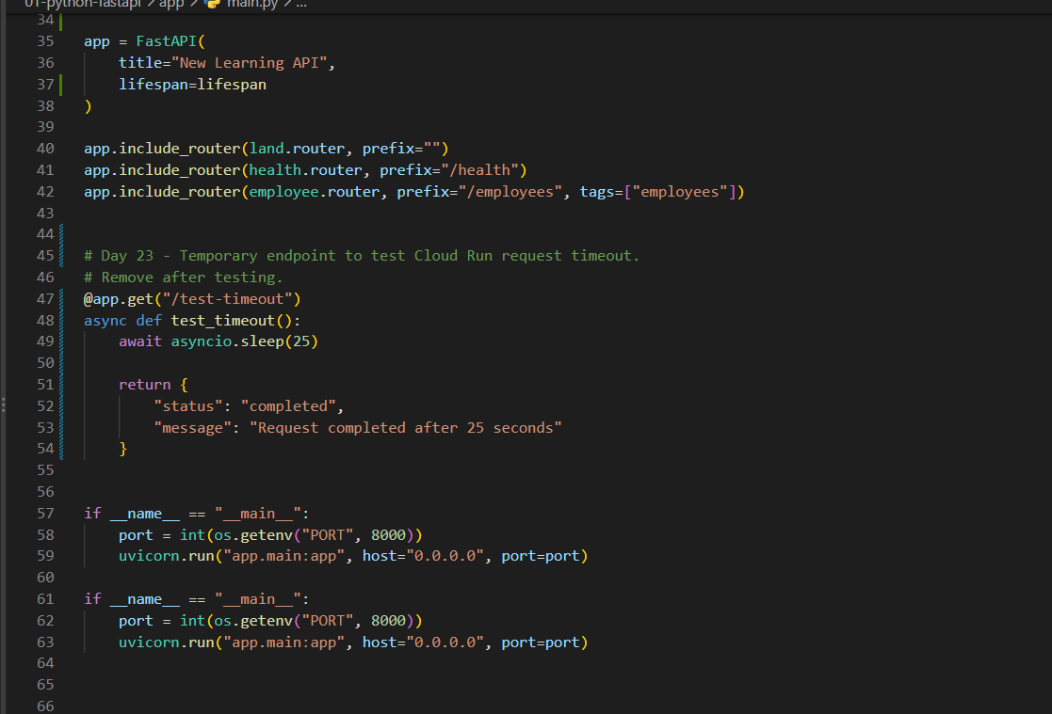
S18 Register lifespan; duplicate remains visible

FastAPI registers lifespan and routers remain. Temporary route and two main blocks are still visible in this intermediate screenshot.

Markdown section 10 | Original screenshot | 1117 × 759 px

