Evidence Setup
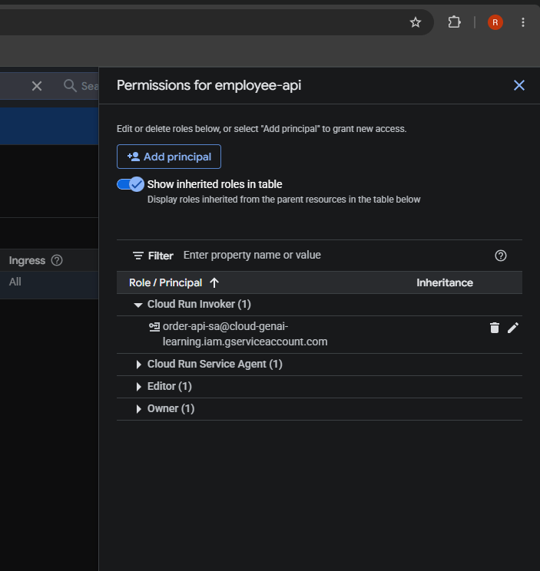
Original setup screenshots

Original images embedded at preserved aspect ratios. Enlarge in Excel to inspect detail. Evidence IDs map to the Evidence Map sheet.

E01 Verify Cloud Run security | image(20261011-065623).png
IAM authentication required; employee-api-sa runtime identity visible. Confirms the private receiving service and its runtime identity.
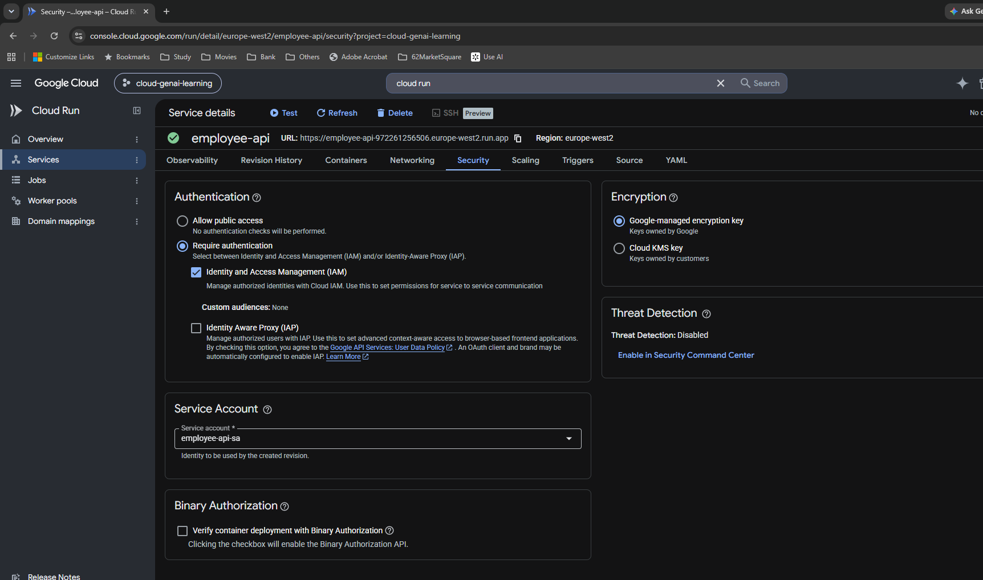

E02 Create caller identity | image(20261011-071352).png
Service account created notification; optional project role left empty. Create identity first, then grant only the required resource access.
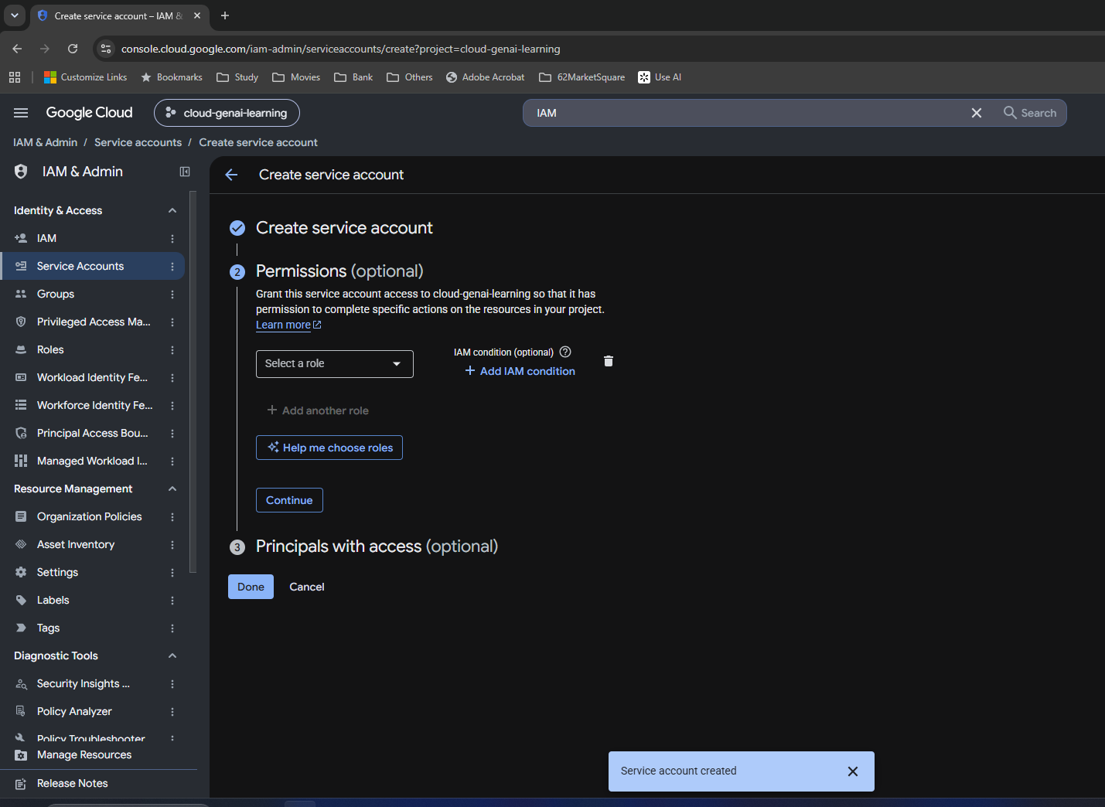

E03 Verify no keys | image(20261011-071546).png
employee-api-sa and order-api-sa enabled with No keys. No downloaded JSON credentials are needed for this experiment.
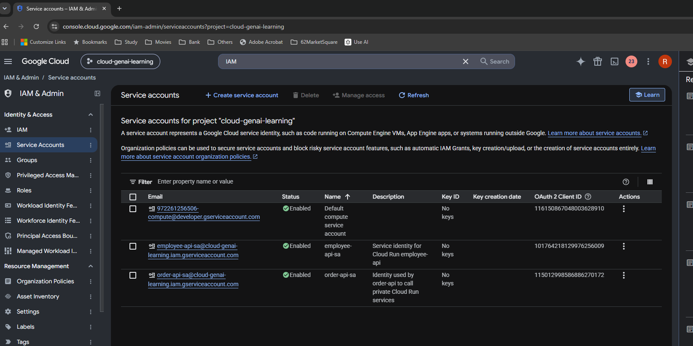

E04 Find service permissions | image(20261011-072106).png
Service details and navigation menu. The navigation menu is not the service IAM permissions panel.
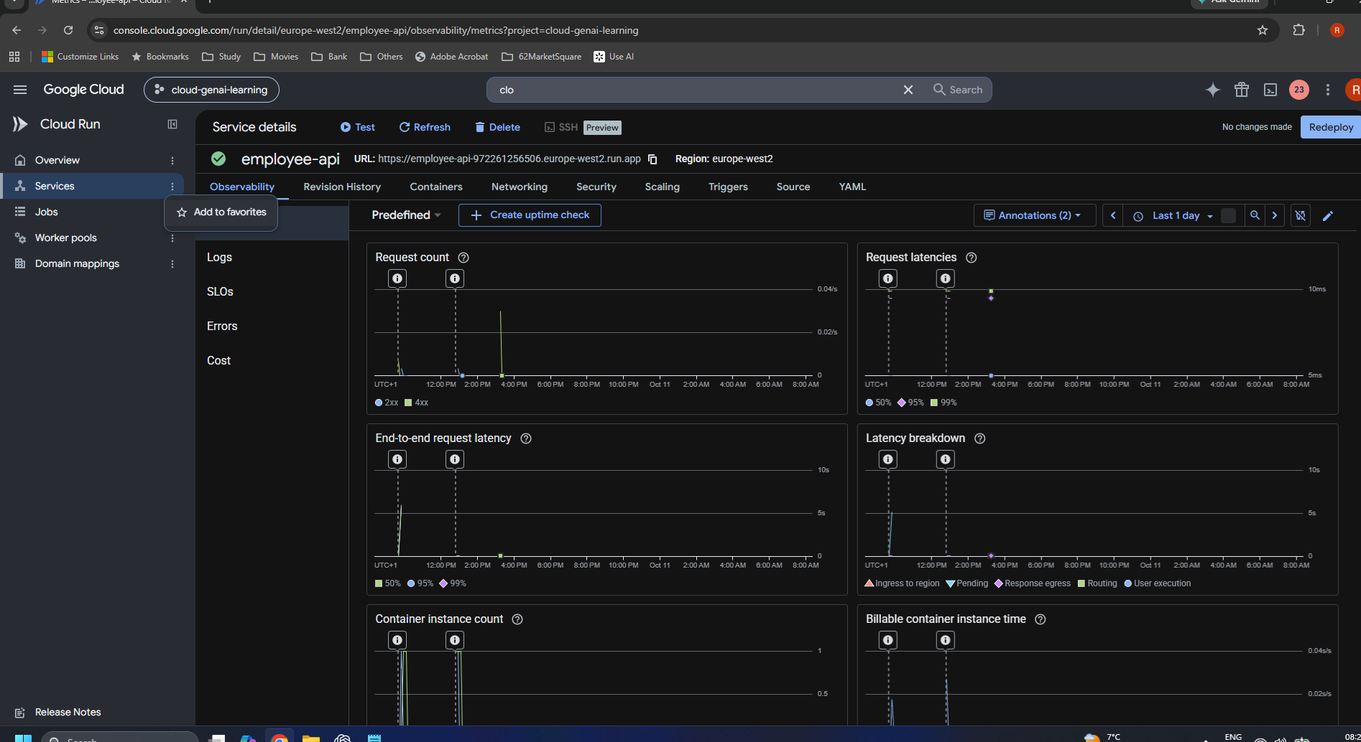

E05 Find service permissions | image(20261011-072316).png
Global console menu open. Close the global menu and select the employee-api row checkbox.
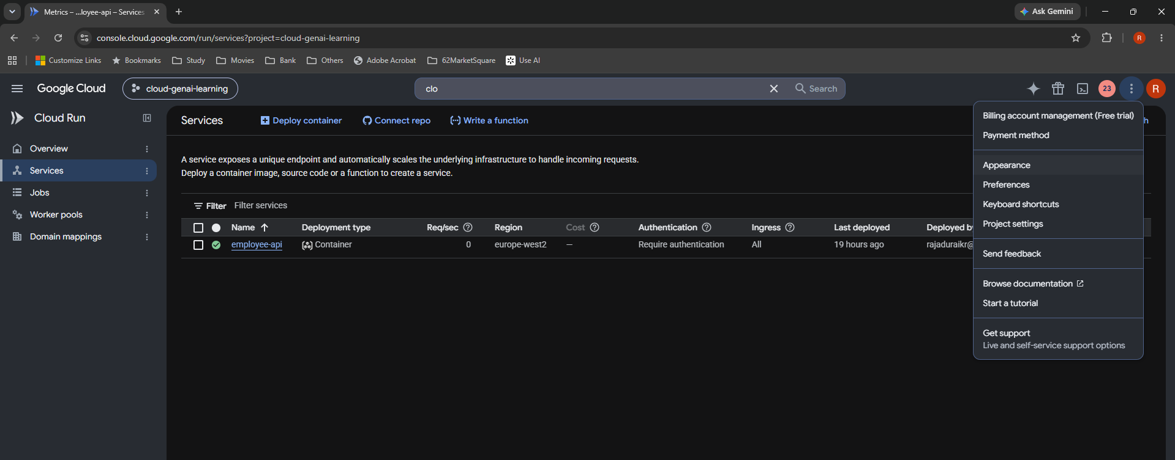

E06 Select employee-api | image(20261011-072449).png
Service selected; Permissions action visible in blue toolbar. The checkbox exposes the correct service-level action.

E07 Inspect target IAM | image(20261011-072510).png
Permissions for employee-api; inherited roles shown. Inherited Owner/Editor grants differ from the new direct service grant.
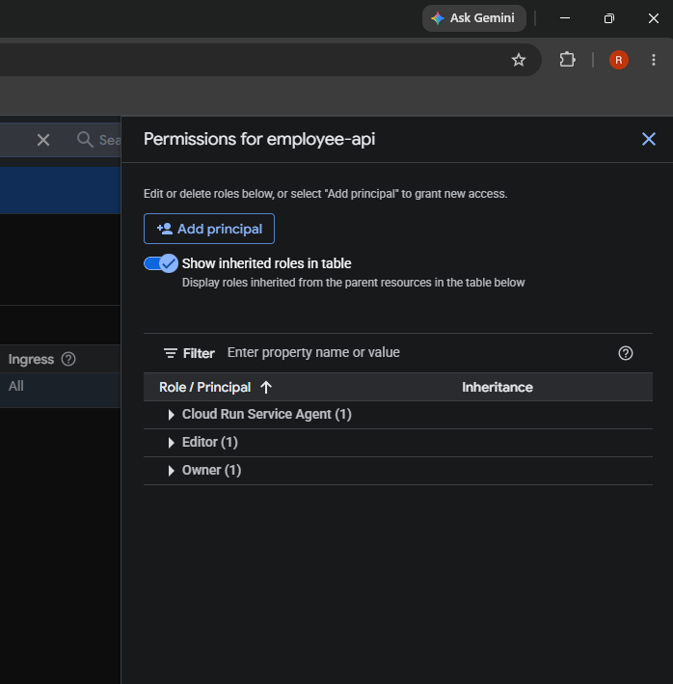

E08 Grant Cloud Run Invoker | image(20261011-072649).png
Grant access to employee-api; order-api-sa and Cloud Run Invoker selected. Principal is the caller SA; resource is this Cloud Run service.
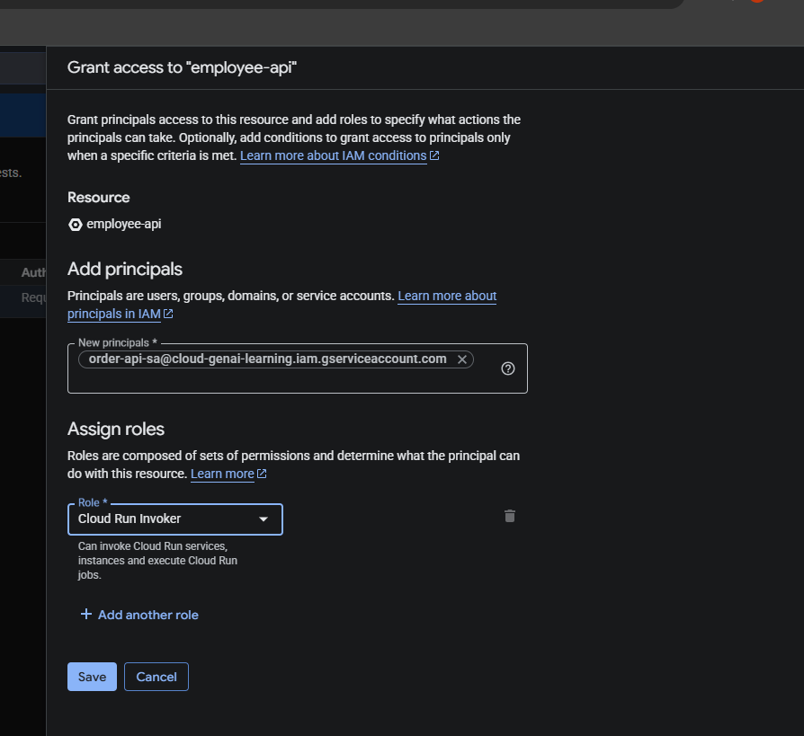

E09 Verify Invoker saved | image(20261011-072819).png
Cloud Run Invoker expanded with order-api-sa. Saved role binding permits invocation, but a valid token is still required.

Evidence Test
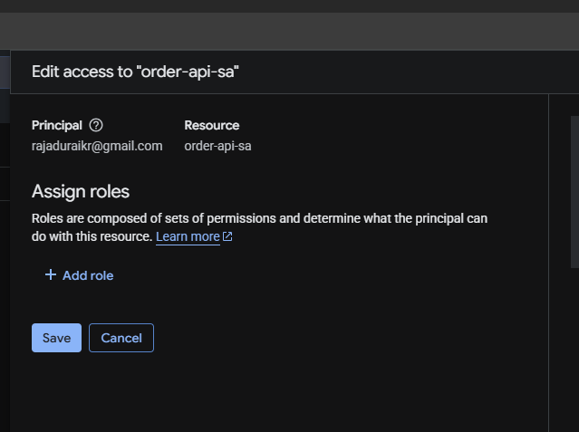
Original test and cleanup screenshots

Original images embedded at preserved aspect ratios. Enlarge in Excel to inspect detail. Evidence IDs map to the Evidence Map sheet.

E10 Attempt impersonation | image(20261011-080223).png
PERMISSION_DENIED; iam.serviceAccounts.getAccessToken missing. Token generation failed before any request reached employee-api.

E11 Inspect account permissions | image(20261011-085645).png
order-api-sa Permissions tab. This view concerns roles assigned TO the service account on other resources.
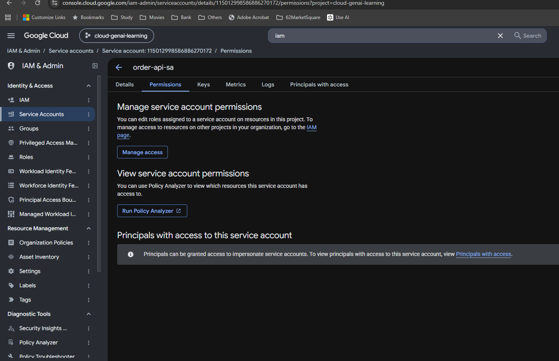

E12 Identify wrong dialog | image(20261011-085820).png
Edit access to cloud-genai-learning; order-api-sa as principal. Cancel this project-role dialog. It cannot authorize the human to impersonate the SA.
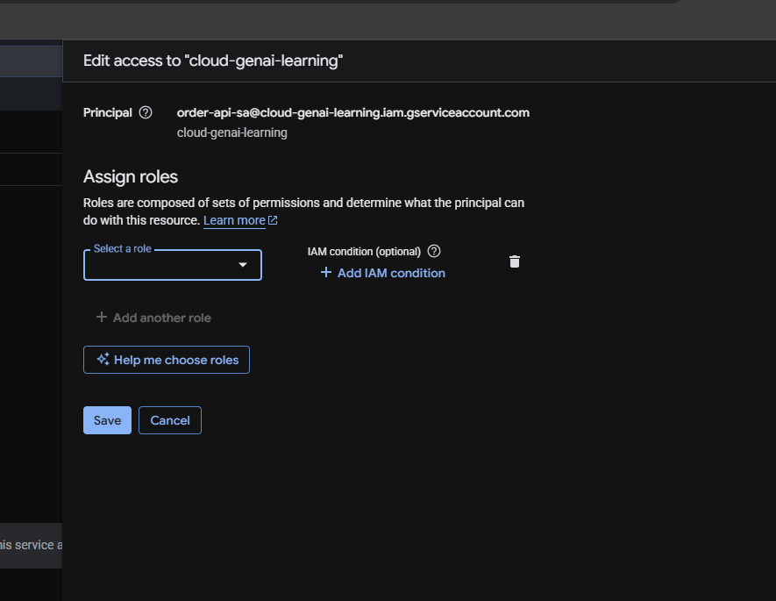

E13 Open Principals with access | image(20261011-090022).png
Principals with access to order-api-sa; inherited human Owner shown. The service account is now the resource whose access policy is being edited.
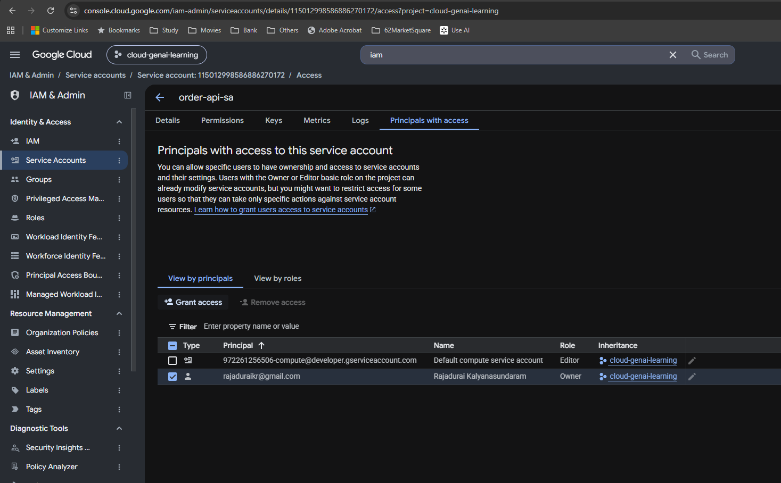

E14 Grant temporary Token Creator | image(20261011-090115).png
Grant access to order-api-sa; human Google account; Token Creator. Narrow grant on the specific SA, for the Cloud Shell simulation.
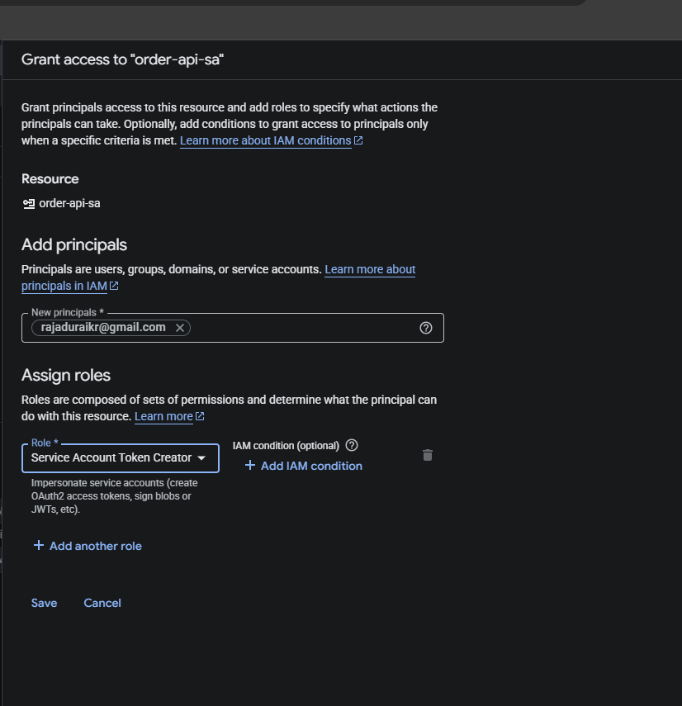

E15 Verify grant saved | image(20261011-090248).png
Policy updated; human has Service Account Token Creator. Human may now request short-lived tokens representing order-api-sa.
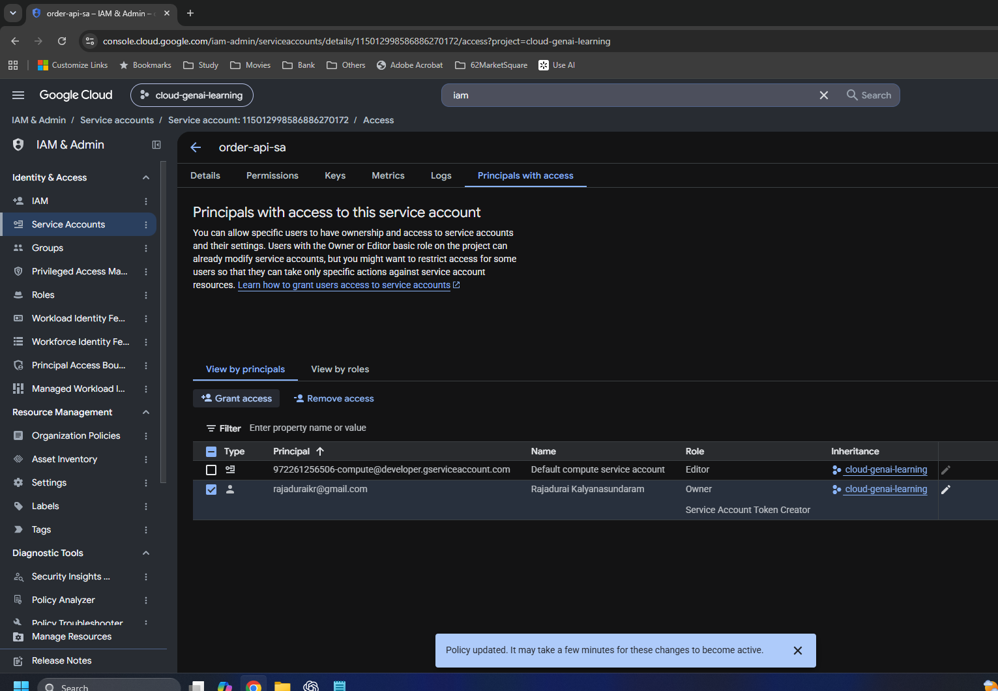

E16 Generate ID token | image(20261011-091056).png
Impersonation warning and token output; token redacted by user. Token generation succeeded. No token value is reproduced in these deliverables.

E17 Invoke employee-api | image(20261011-091351).png
Impersonated curl; HTTP/2 200; expected JSON. Proves invocation as order-api-sa through Cloud Shell. A second service was not deployed.

E18 Remove temporary access | image(20261011-091604).png
Edit access to order-api-sa with Token Creator and trash icon. Remove only the direct temporary Token Creator role, preserving inherited Owner.
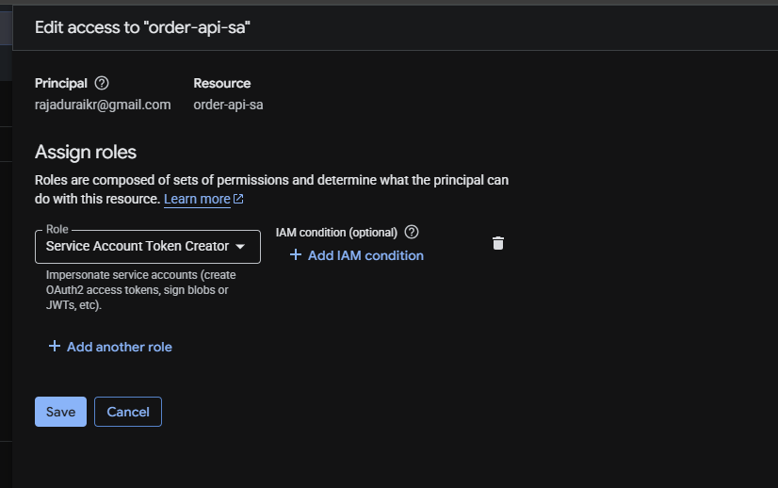

E19 Cleanup edit form | image(20261011-091649).png
Token Creator role removed from form; Save button still visible. User later said yes done. Saved removal was reported; no post-save verification screenshot exists.

