CI setup
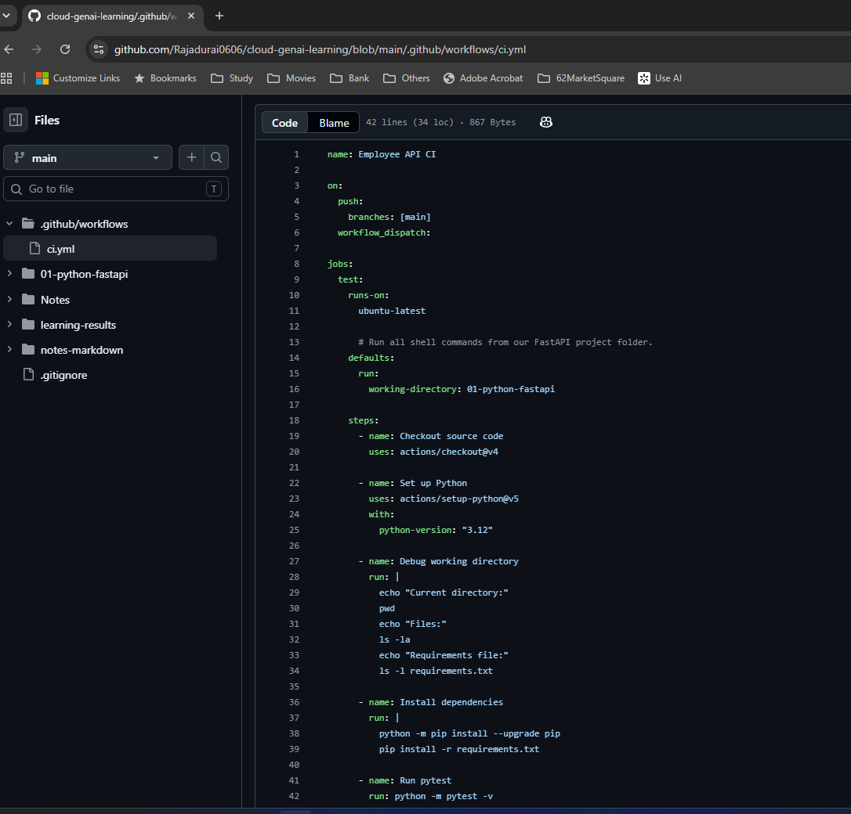
Day 26 — CI setup

Original screenshots at their native proportions. Captions distinguish intermediate settings, corrections, saved configuration and observed results.

S001 — GitHub remote and main branch
Observed | Notes: 2. Repository and workflow structure
My existing repository is Rajadurai0606/cloud-genai-learning. The terminal confirms origin fetch/push URLs and main.

S002 — Locate the Git repository root
Observed | Notes: 2. Repository and workflow structure
git rev-parse --show-toplevel returns C:/Raja/Learning/python/new learning. FastAPI is a subfolder.

S003 — Workflow initially inside FastAPI subfolder
Intermediate correction needed | Notes: 2. Repository and workflow structure
The breadcrumb shows 01-python-fastapi/.github/workflows/ci.yml. I must use the root .github/workflows directory. See S004 and S017.

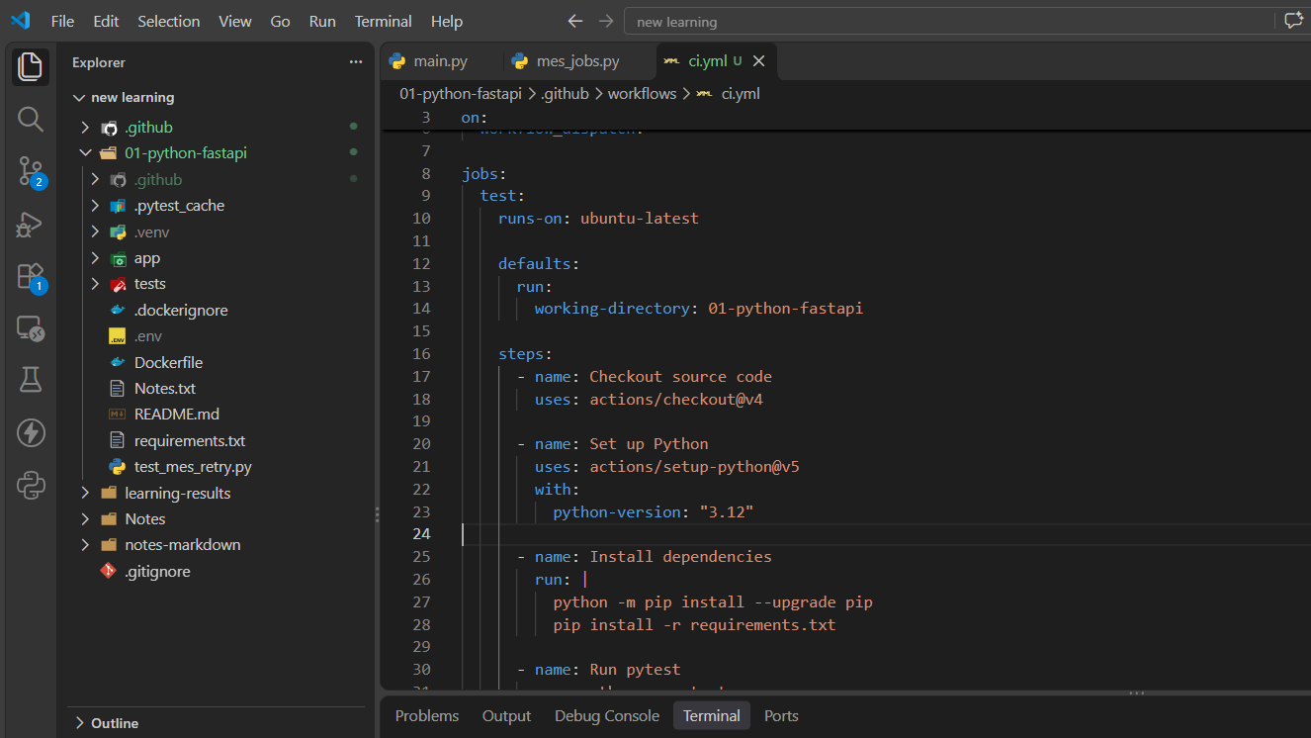

S004 — Root workflow folder retained
Correction | Notes: 2. Repository and workflow structure
The Explorer shows the root .github folder after removing the nested copy. Later I still verify the actual committed YAML.

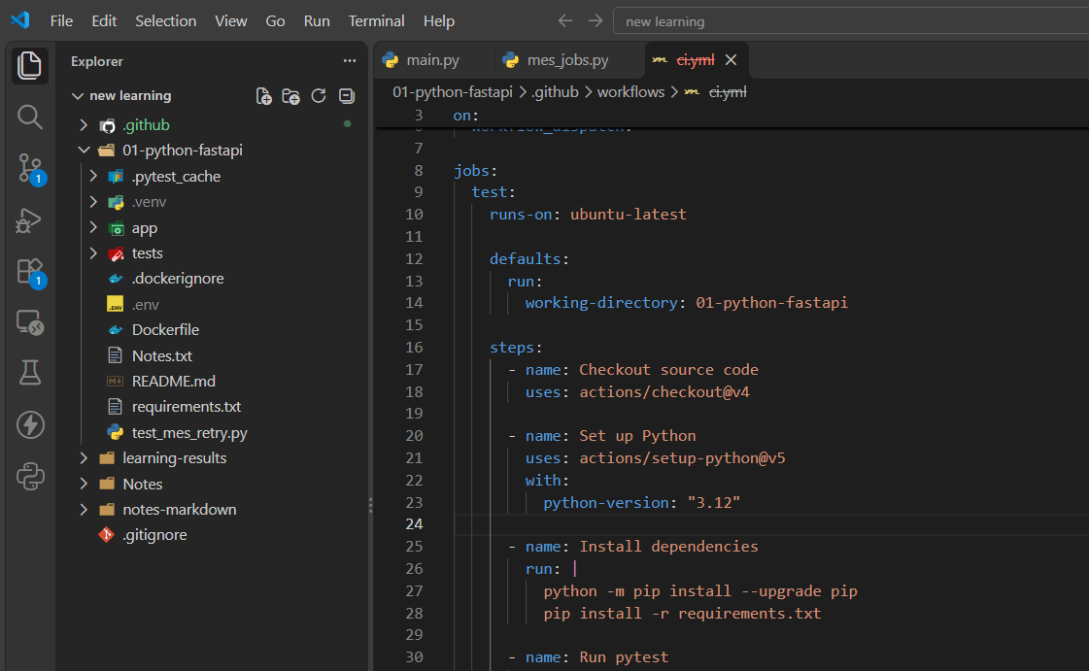

S005 — Untracked workflow in Git short status
Observed | Notes: 3. Git commands and staging
?? .github/ means the new workflow has not been staged.

S006 — Stage only the workflow file
Observed | Notes: 3. Git commands and staging
git add .github/workflows/ci.yml followed by status shows A, meaning staged addition.

S007 — Commit and push initial CI workflow
Observed | Notes: 3. Git commands and staging
The terminal records commit b9da2a9 and git push origin main.

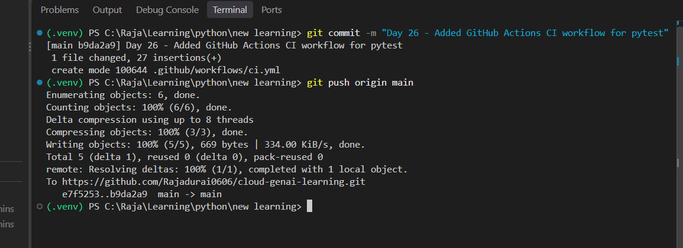

S008 — First workflow detected by GitHub
Failed run | Notes: 4. CI debugging
The Actions list contains Employee API CI. The trigger worked even though the job failed.

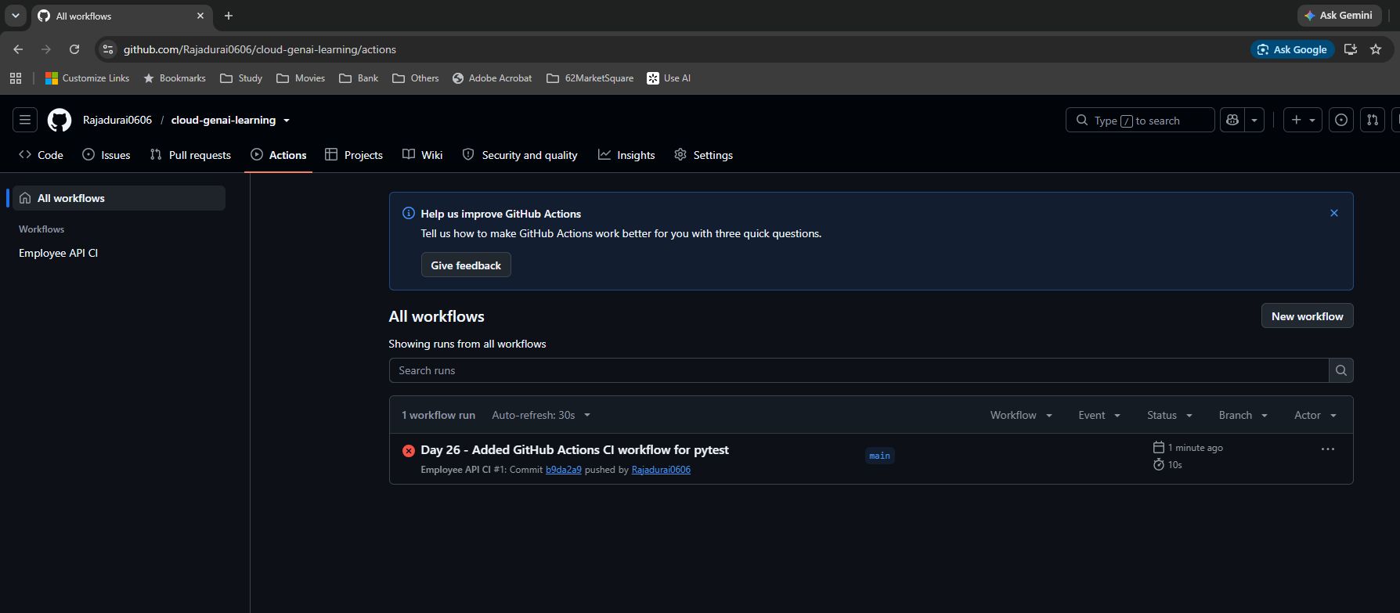

S009 — Run 1 failure and warnings
Failed run | Notes: 4. CI debugging
Run 1 reports failure and exit code 1. Node action and runner migration warnings do not identify the root cause.

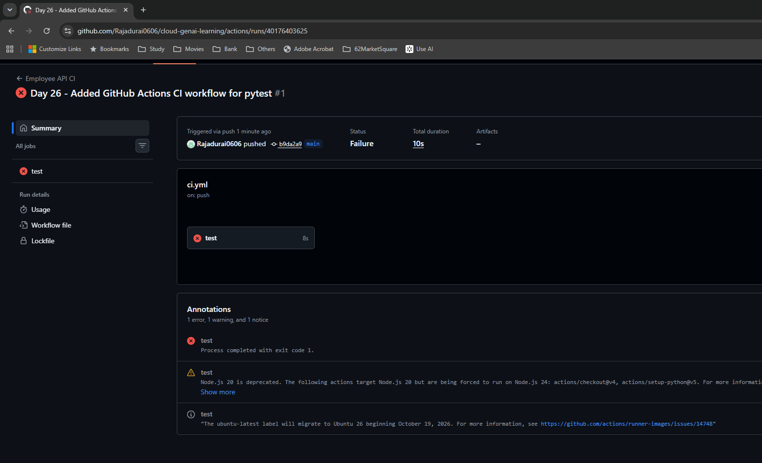

S010 — Expanded requirements file error
Failed run | Notes: 4. CI debugging
Dependency installation cannot open requirements.txt. Pytest has not run. The later fix is S017, with success in S018–S021.

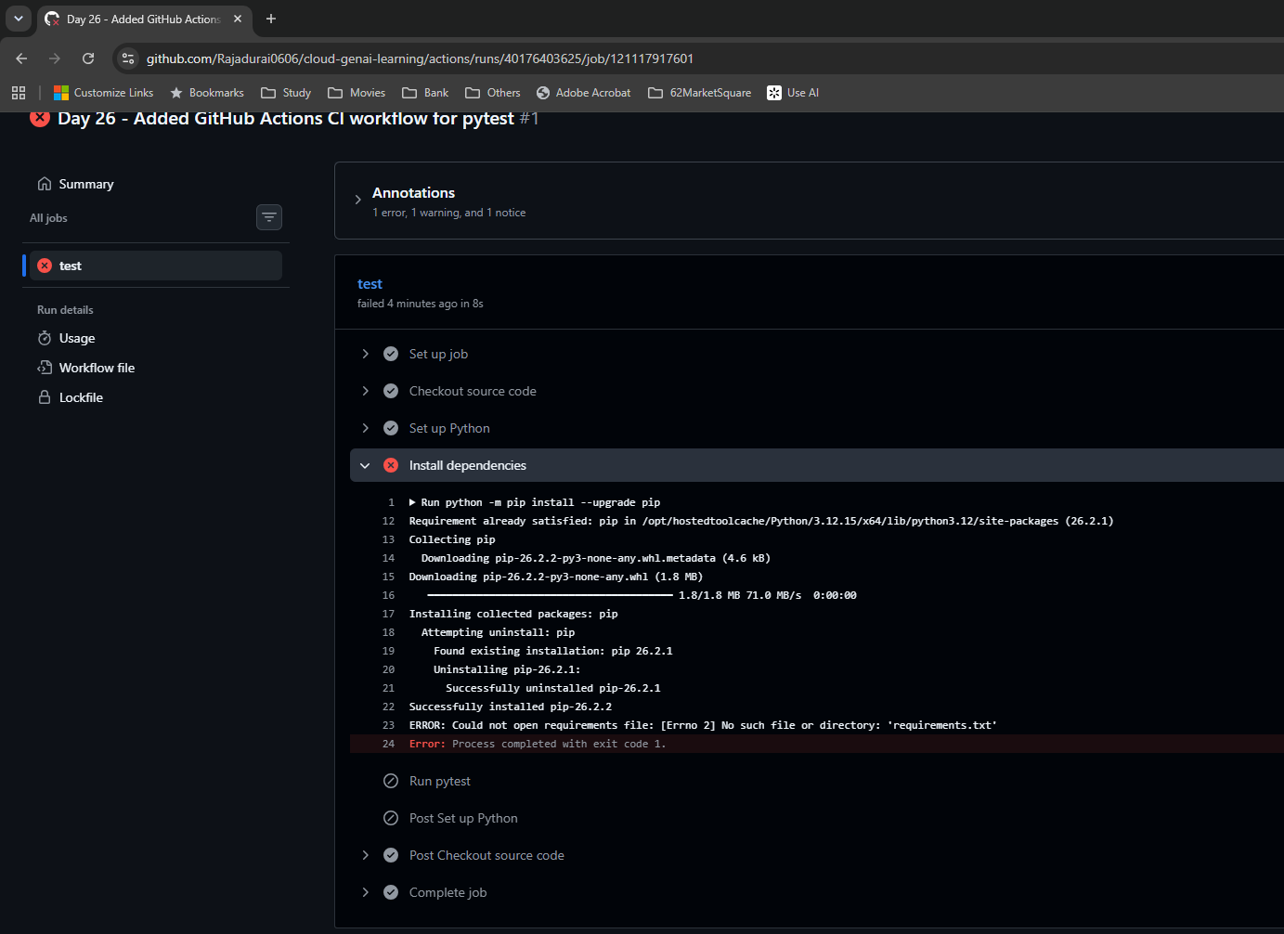

S011 — requirements.txt exists remotely
Diagnostic evidence | Notes: 4. CI debugging
The GitHub Code view shows requirements.txt under 01-python-fastapi. The missing-file hypothesis is ruled out.

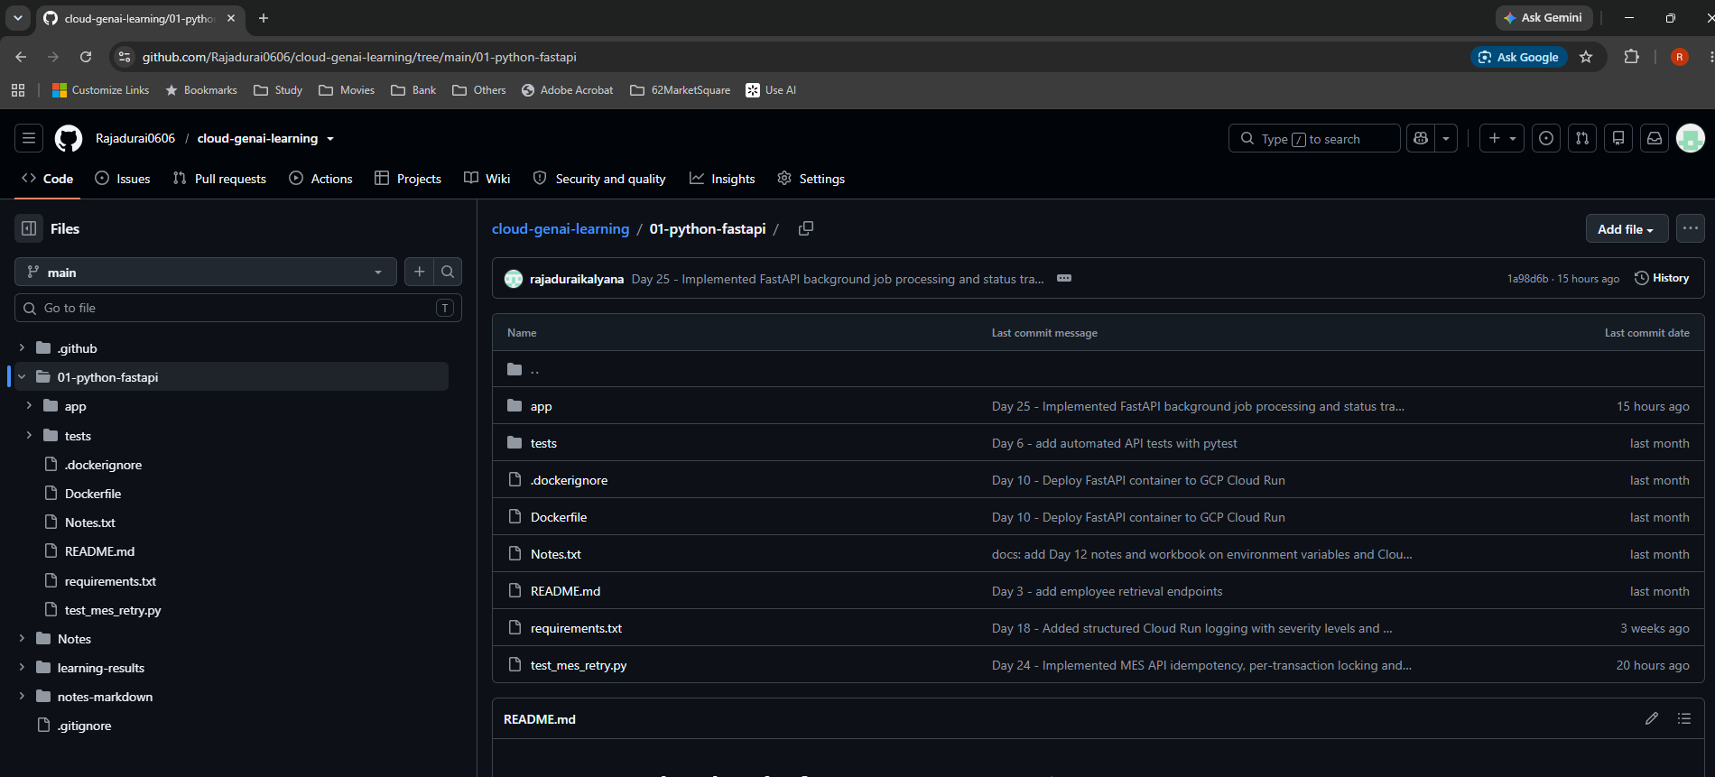

S012 — Git tracks the requirements file
Diagnostic evidence | Notes: 4. CI debugging
git ls-files 01-python-fastapi/requirements.txt prints the expected path.

S013 — Temporary diagnostic step added
Intermediate | Notes: 4. CI debugging
echo, pwd, ls -la and ls -l requirements.txt are placed before dependency installation. The breadcrumb still needs checking.

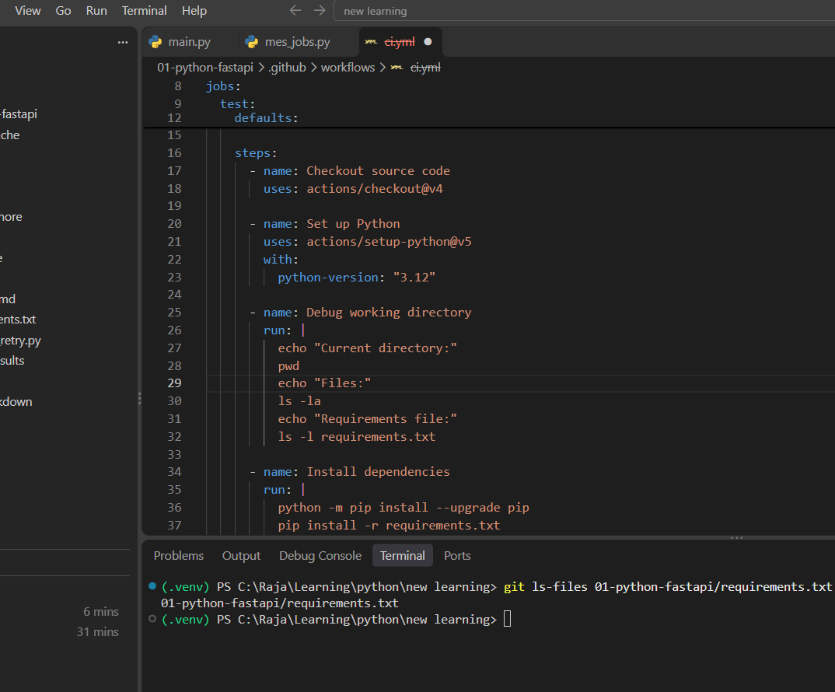

S014 — Duplicate nested .github detected
Incorrect location | Notes: 4. CI debugging
?? 01-python-fastapi/.github/ reveals another untracked workflow copy. Diagnostic edits must be moved to the root workflow.

S015 — Root workflow now modified
Correction | Notes: 4. CI debugging
Git short status shows M .github/workflows/ci.yml after moving edits to the actual workflow.

S016 — Committed workflow lacks working directory
Root cause | Notes: 4. CI debugging
The remote YAML contains diagnostics but omits defaults.run.working-directory. Commands therefore run at the repository root.

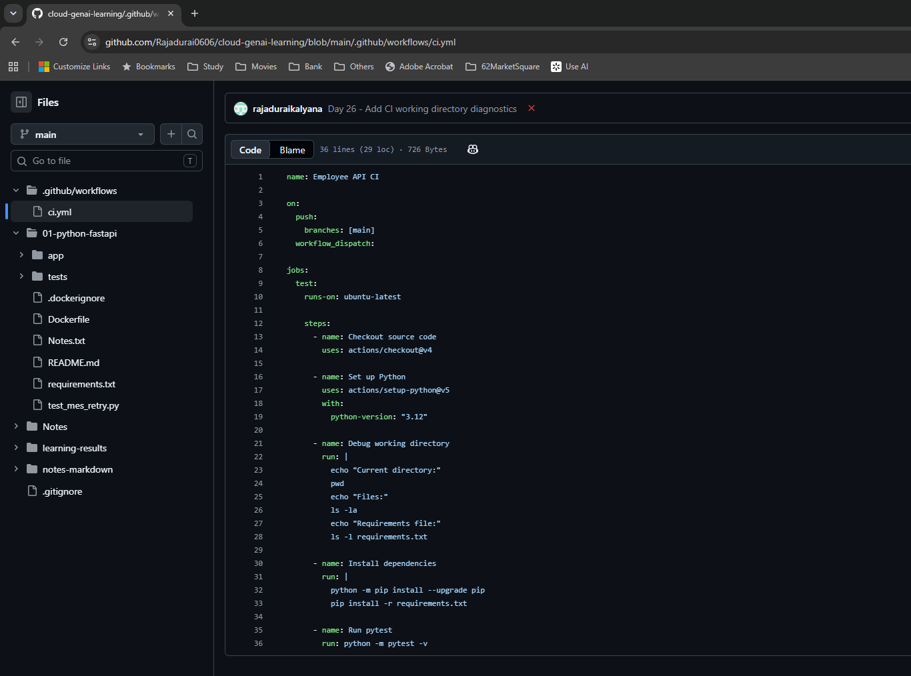

S017 — Working directory restored in remote YAML
Correction | Notes: 4. CI debugging
defaults.run.working-directory: 01-python-fastapi is present. A saved file review is followed by a real CI run.

CI results
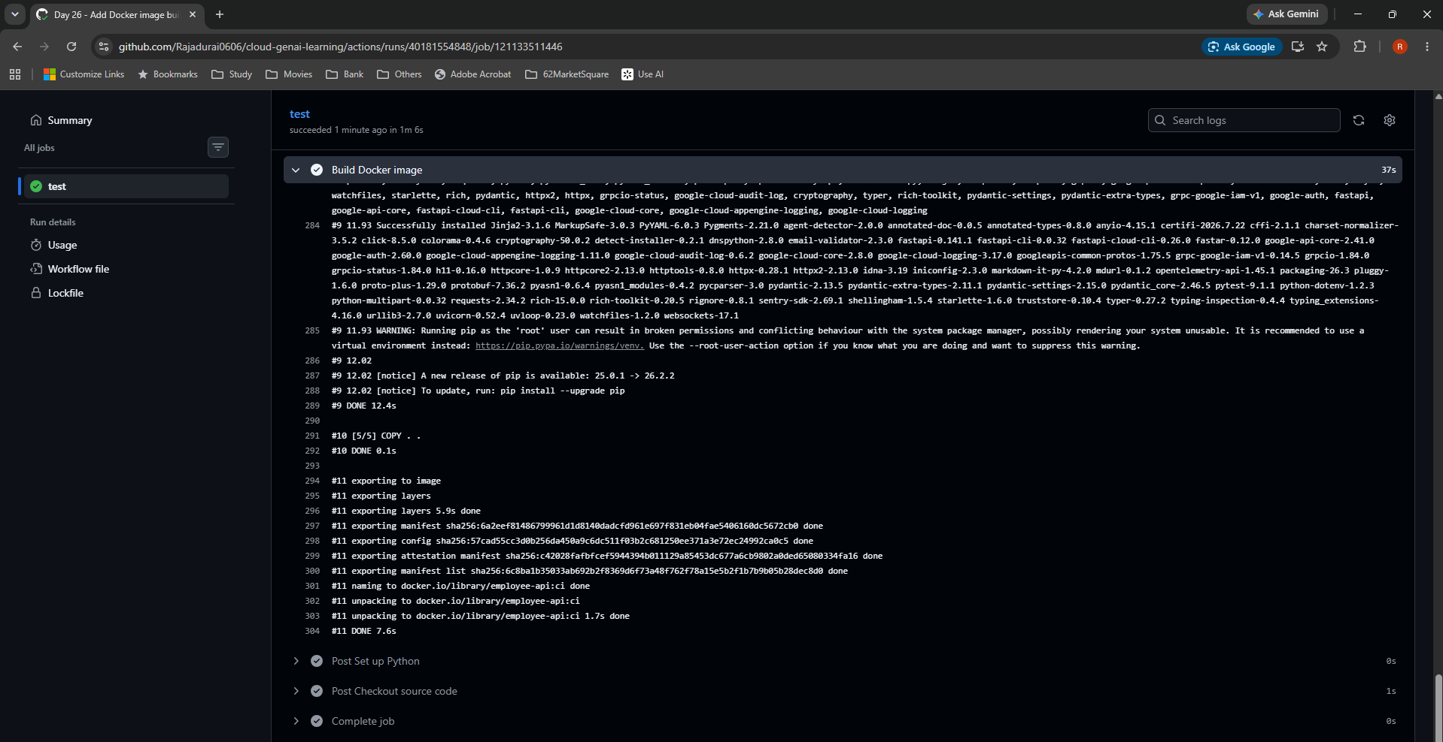
Day 26 — CI results

Original screenshots at their native proportions. Captions distinguish intermediate settings, corrections, saved configuration and observed results.

S018 — Run 3 succeeds after the correction
Observed success | Notes: 4. CI debugging
The Actions list shows two failed earlier runs and the successful working-directory fix.

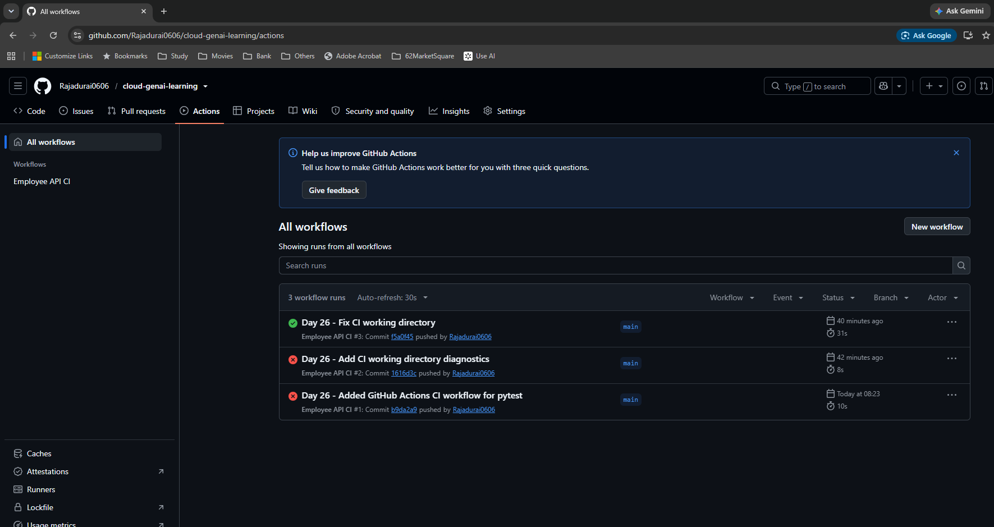

S019 — Run 3 summary
Observed success | Notes: 5. Run history and timings
Commit f5a0f45 on main passes in 31 seconds.

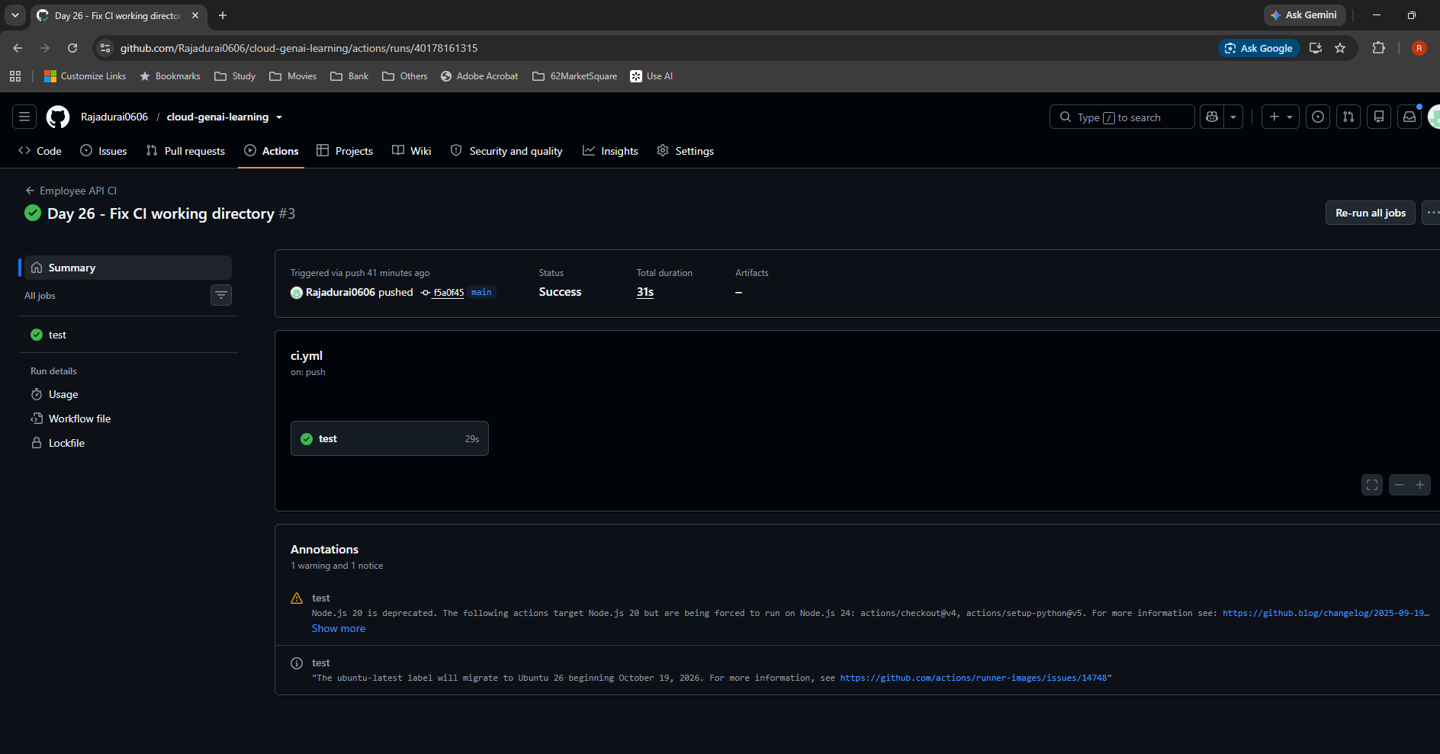

S020 — Run 3 step results
Observed success | Notes: 4. CI debugging
Checkout, Python setup, diagnostics, dependencies and pytest all pass. The visible view does not establish an individual test count.

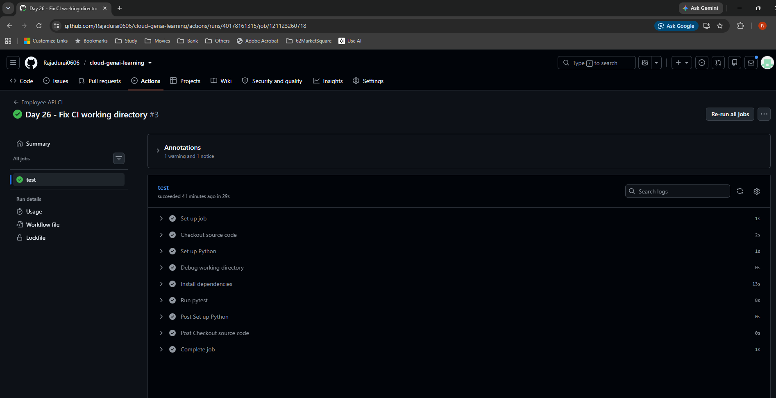

S021 — Actual working-directory debug output
Diagnostic evidence | Notes: 4. CI debugging
The runner is in /home/runner/work/cloud-genai-learning/cloud-genai-learning/01-python-fastapi. requirements.txt is 2,902 bytes.

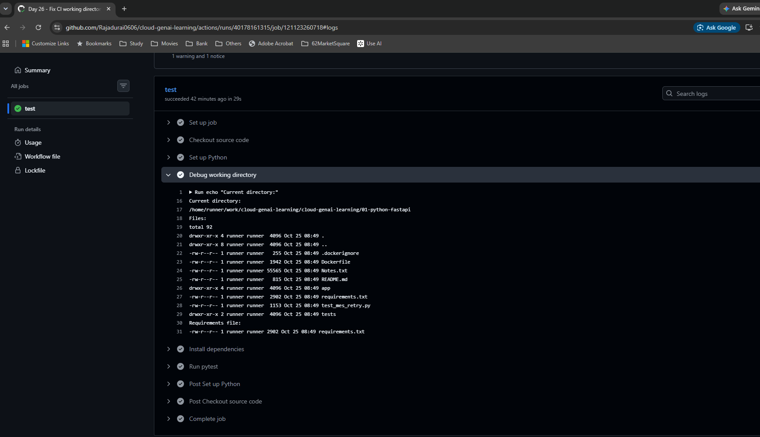

S022 — Clean workflow retains working directory
Corrected configuration | Notes: 6. Docker build
The temporary debug step has been removed. The root workflow and FastAPI working directory are retained.

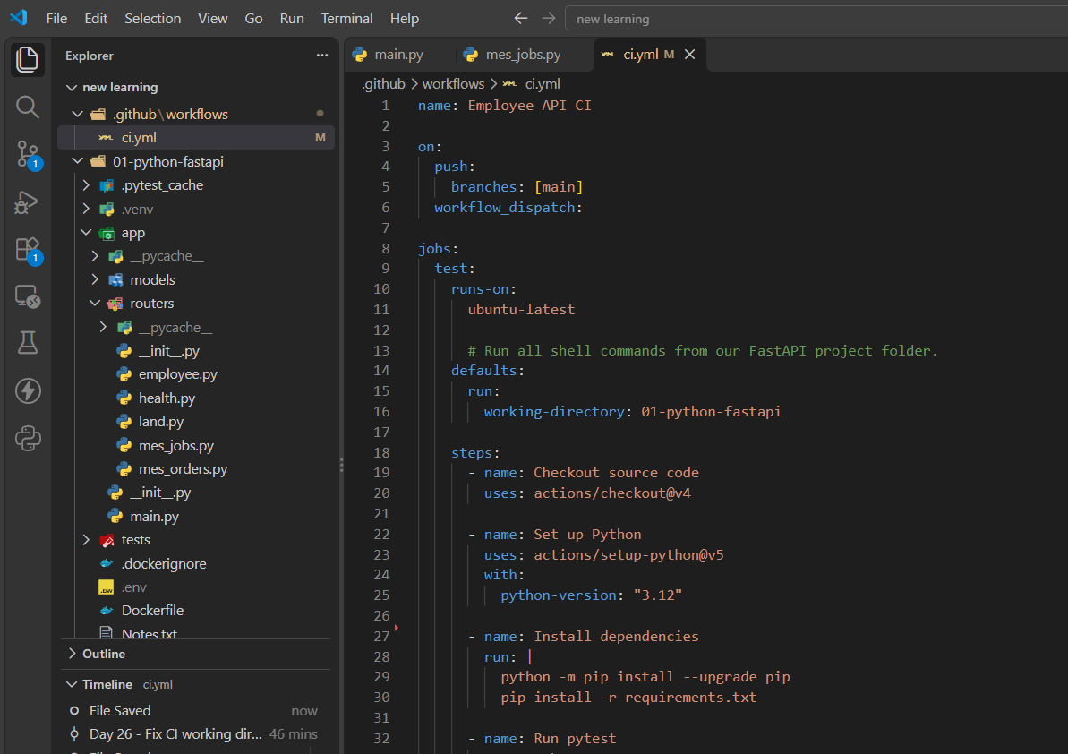

S023 — Docker build placed after pytest
Corrected configuration | Notes: 6. Docker build
docker build -t employee-api:ci . follows python -m pytest -v in the same job.

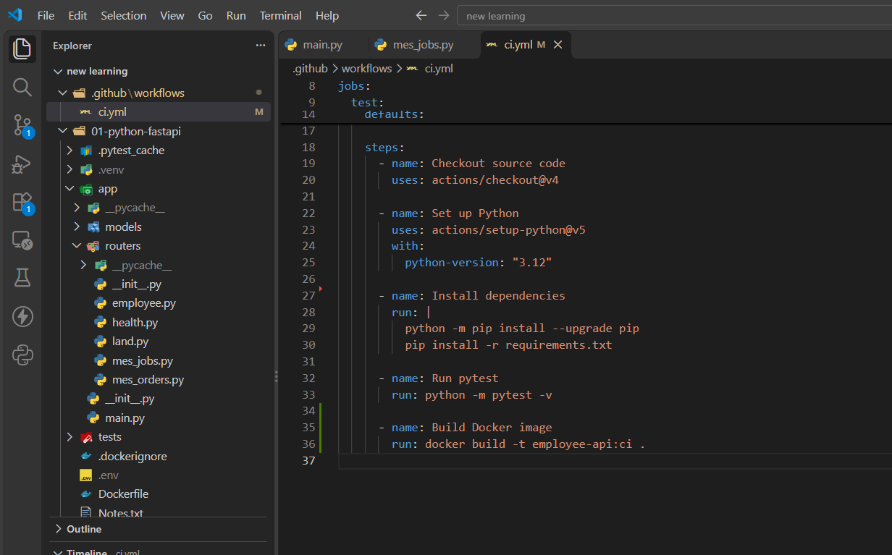

S024 — Commit and push Docker build change
Observed | Notes: 6. Docker build
Commit a018e13 adds the Docker build to CI.

S025 — Docker build run in progress
Intermediate run | Notes: 6. Docker build
Run 4 is queued or running. This view alone does not establish success. See S026–S029.

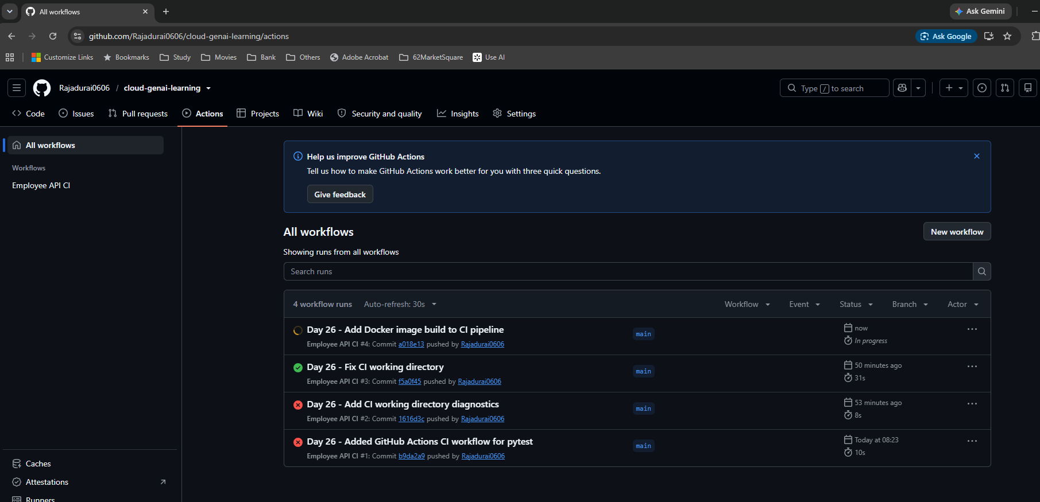

S026 — Docker build run passes
Observed success | Notes: 6. Docker build
The Actions list now shows Run 4 successful.

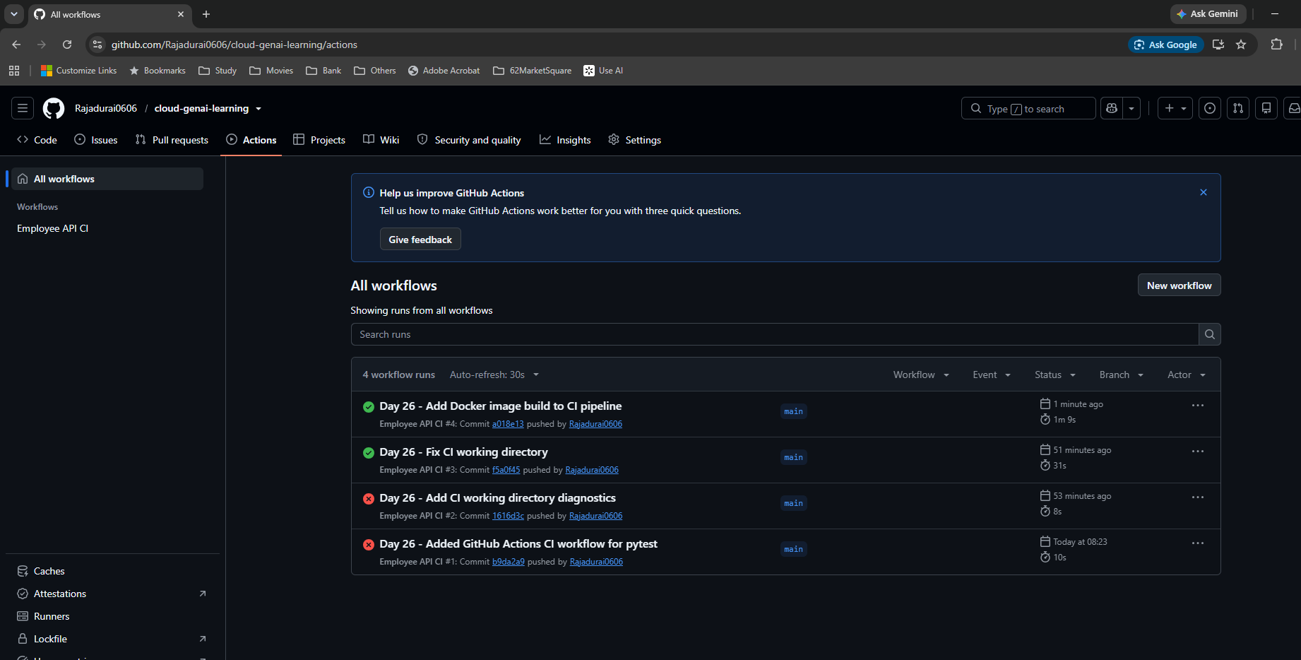

S027 — Run 4 summary
Observed success | Notes: 5. Run history and timings
The tests and Docker build workflow succeeds in 1 minute 9 seconds.

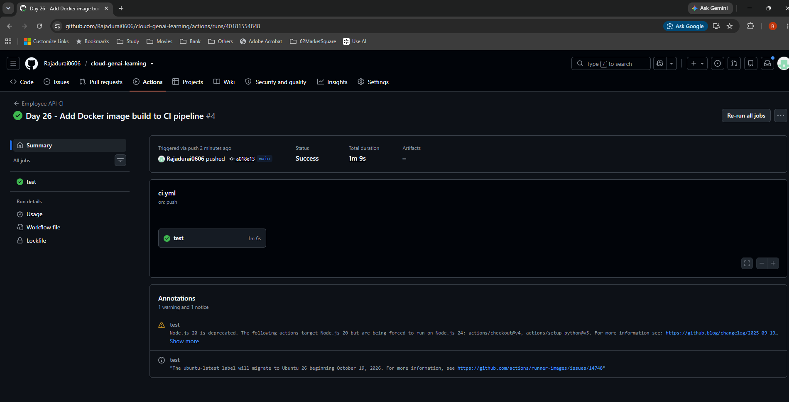

S028 — Run 4 successful job steps
Observed success | Notes: 6. Docker build
The Docker build step is green after pytest. This builds on the temporary runner; it does not publish an image.

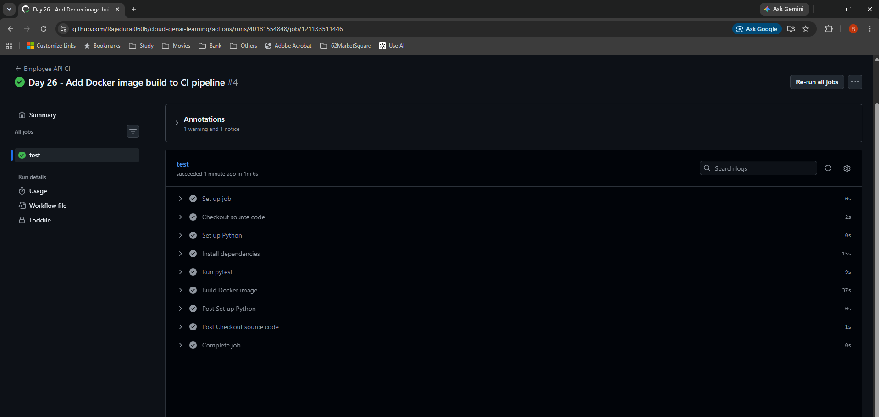

S029 — Expanded Docker build log
Observed success | Notes: 6. Docker build
COPY, layer export, local naming and unpacking finish successfully. docker.io/library/employee-api:ci is a local name, not proof of a Docker Hub push.

WIF setup
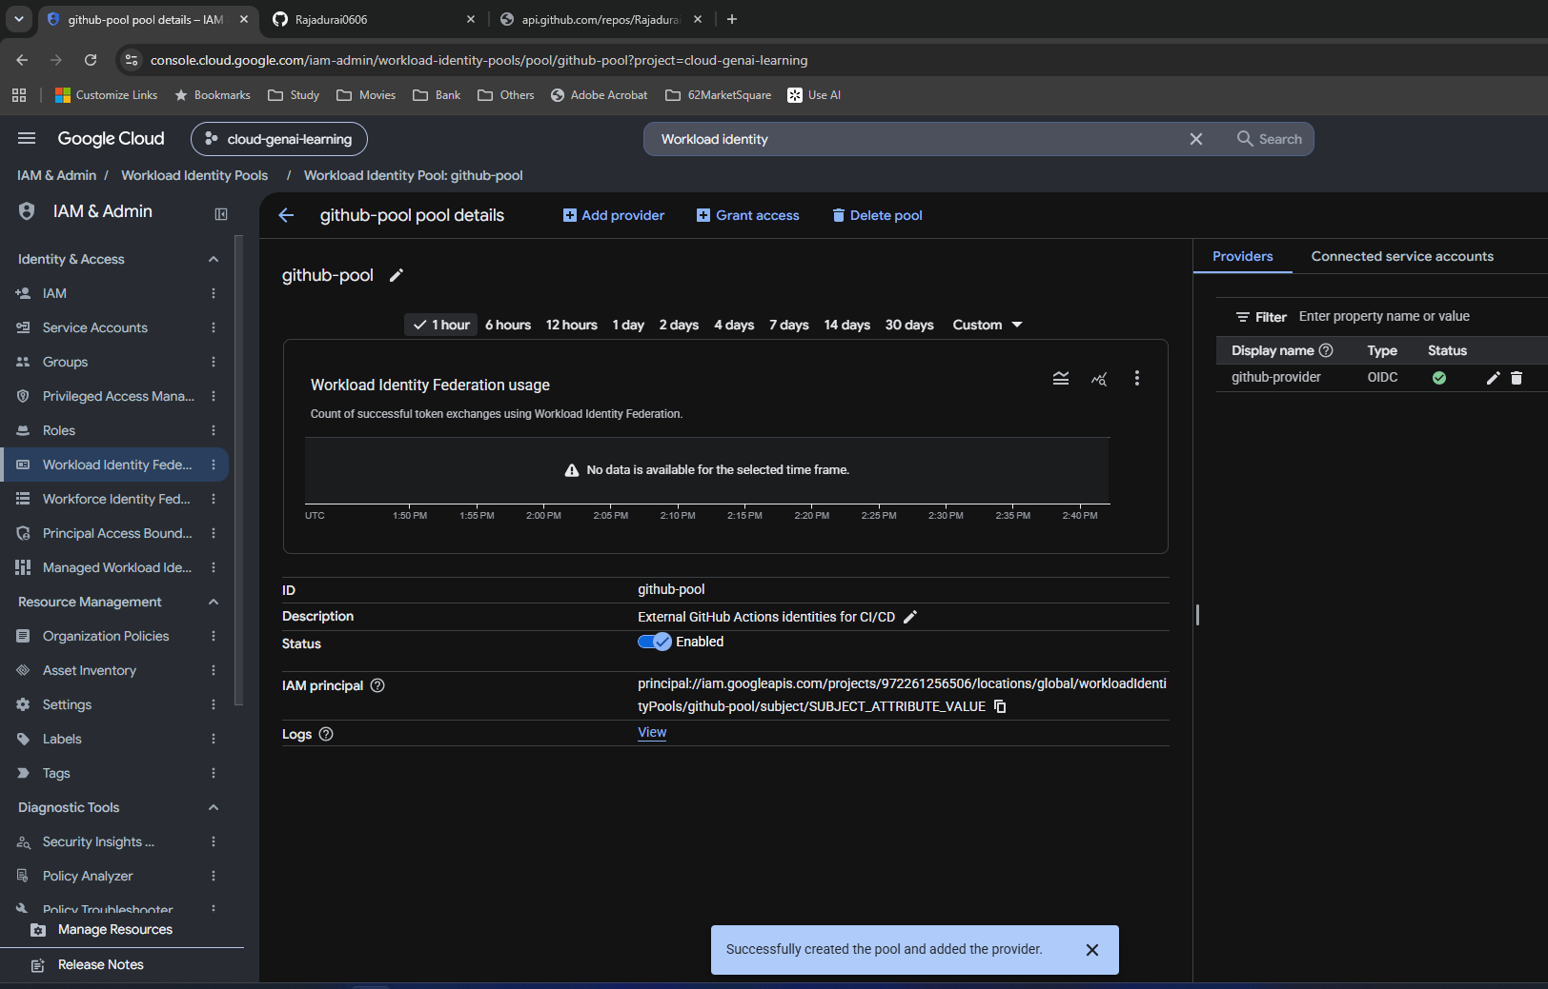
Day 26 — WIF setup

Original screenshots at their native proportions. Captions distinguish intermediate settings, corrections, saved configuration and observed results.

S030 — Workload Identity Federation entry page
Setup | Notes: 8. WIF configuration
The four setup stages are pool, identity provider, mappings and access grants.

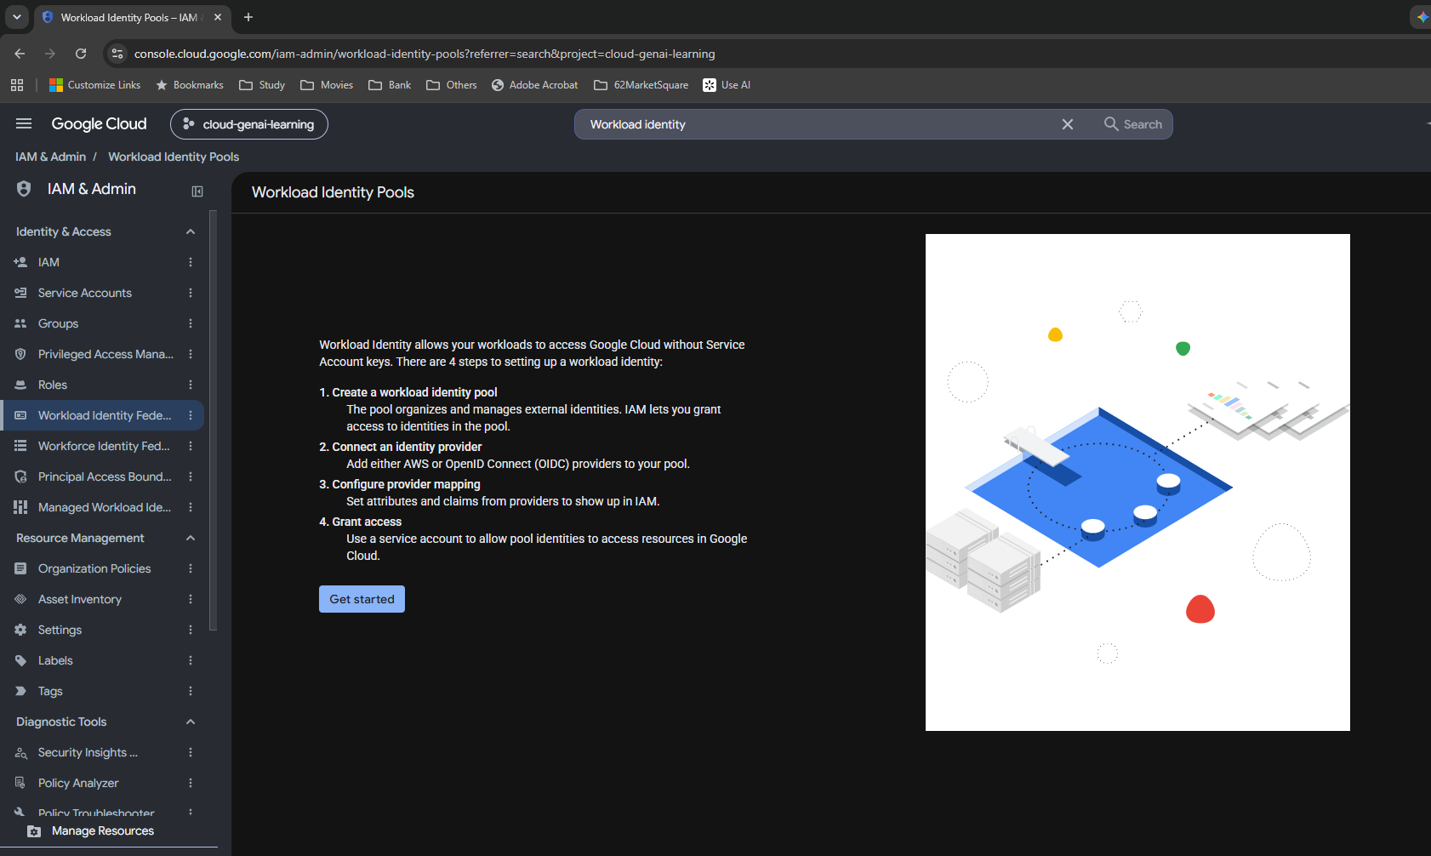

S031 — Blank identity pool form
Not saved | Notes: 8. WIF configuration
The wizard is open. Pool ID is immutable after creation; no resources are created merely by opening the form.

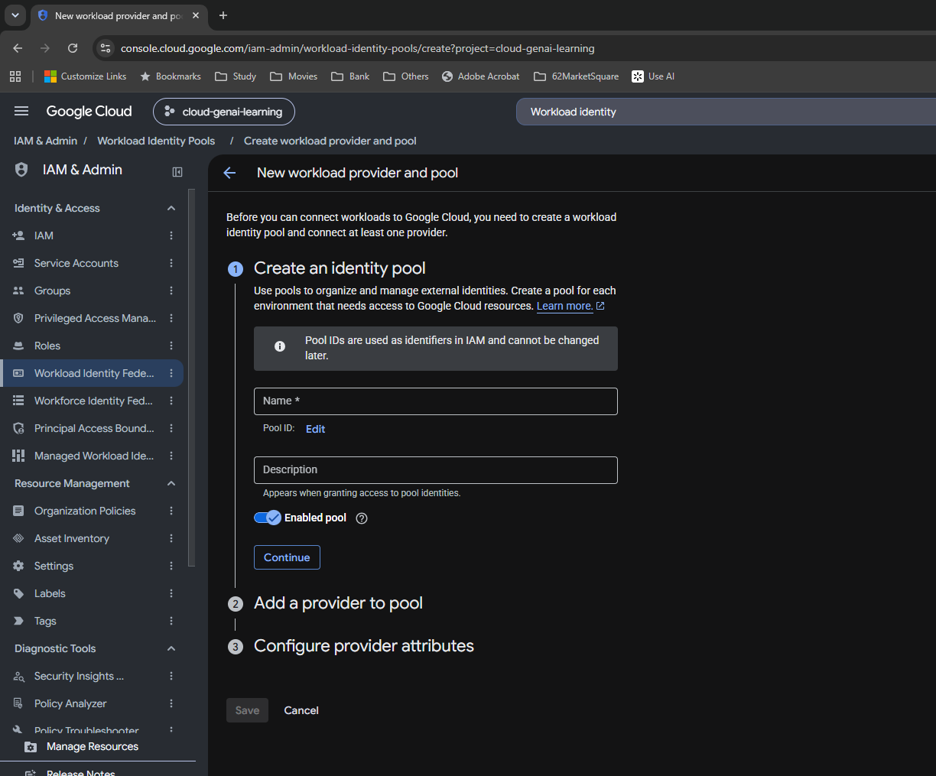

S032 — Pool details entered
Not saved yet | Notes: 8. WIF configuration
github-pool, its description and Enabled pool are populated. Creation is confirmed later in S045.

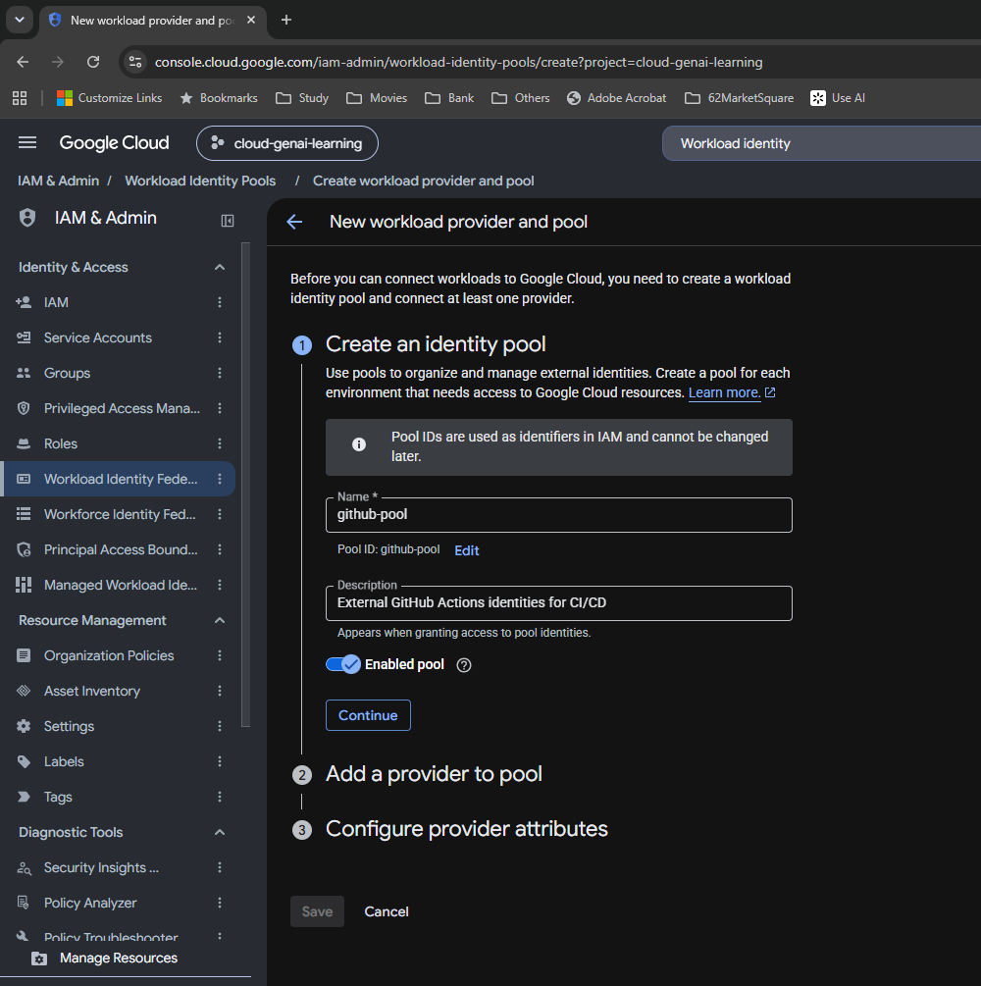

S033 — Identity provider type choices
Setup | Notes: 8. WIF configuration
The dropdown offers AWS, OIDC, SAML and X509. I select OIDC for GitHub-issued identity tokens.

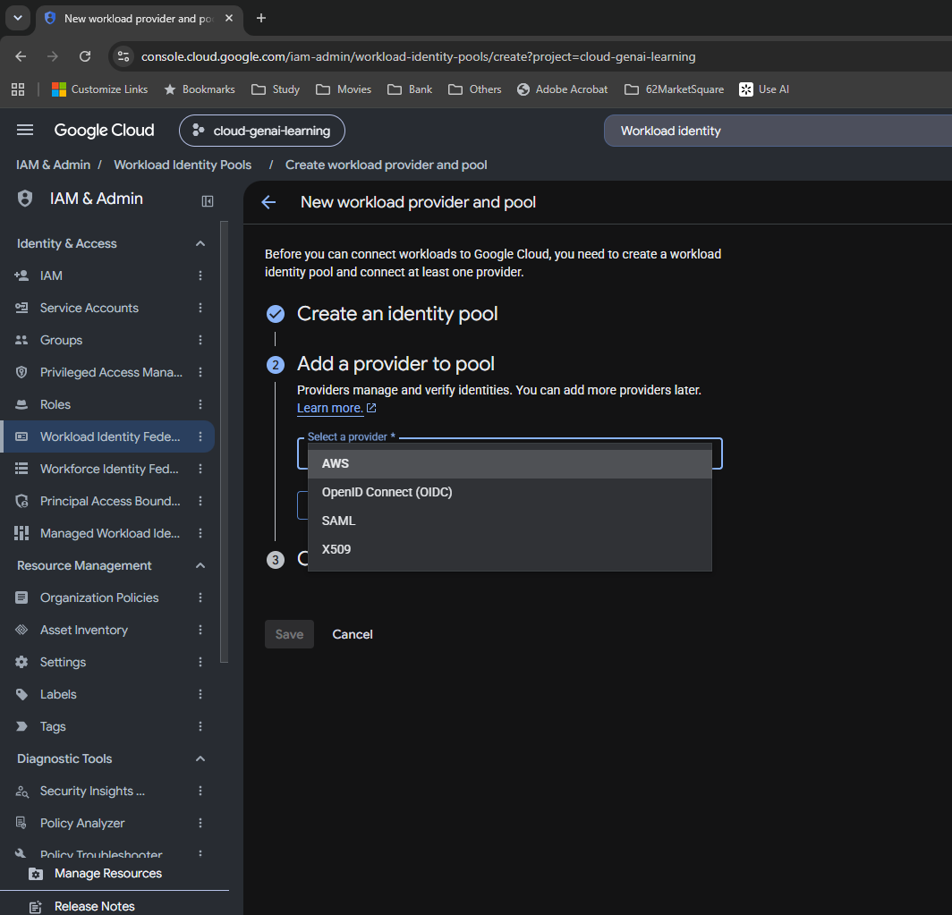

S034 — OIDC provider fields and audience options
Not saved | Notes: 8. WIF configuration
The provider form exposes name, ID, issuer, optional JWK upload, default audience and allowed audiences.

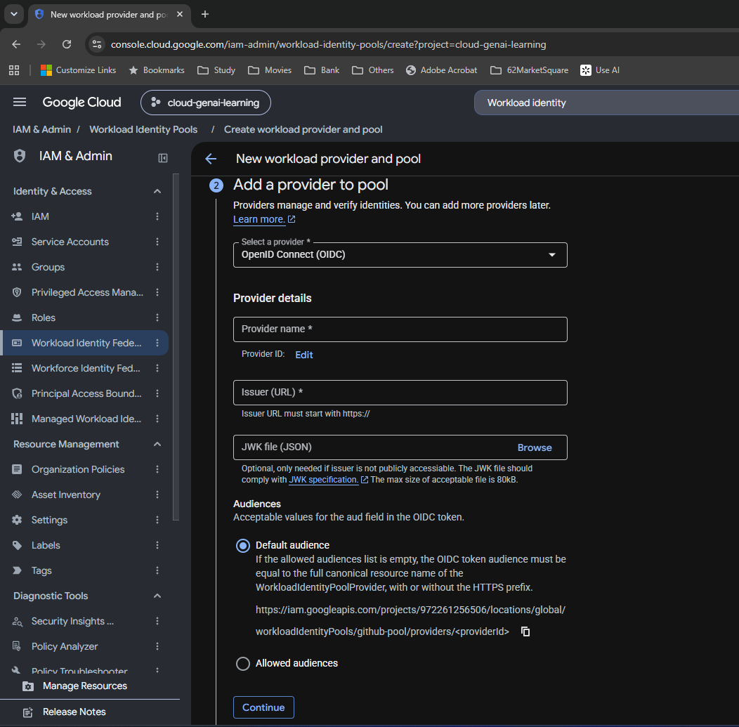

S035 — Required subject mapping initially empty
Incomplete form | Notes: 8. WIF configuration
The first OIDC mapping is blank and the form shows validation. This is an intermediate form state, corrected by assertion.sub in S037.

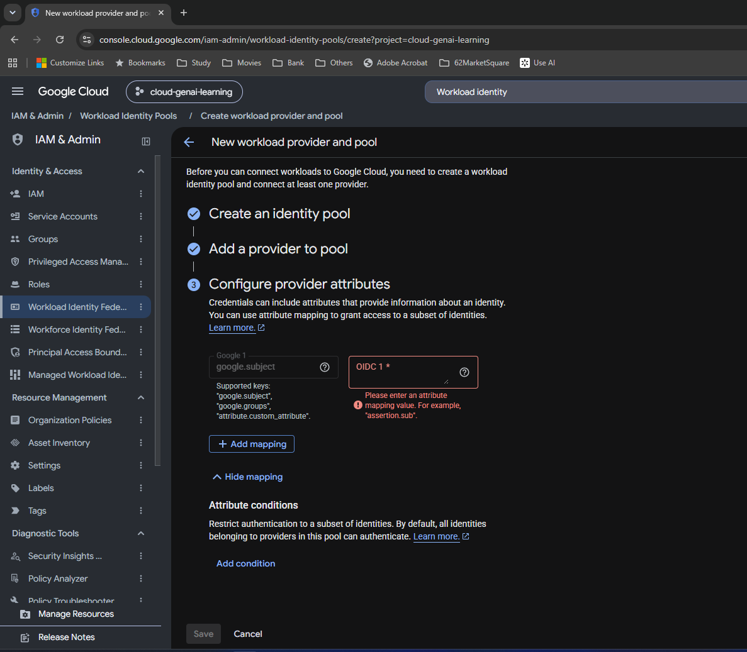

S036 — Completed provider identity settings
Entered configuration | Notes: 9. OIDC provider explanations
github-provider, GitHub issuer, empty JWK file and Default audience are shown before saving.

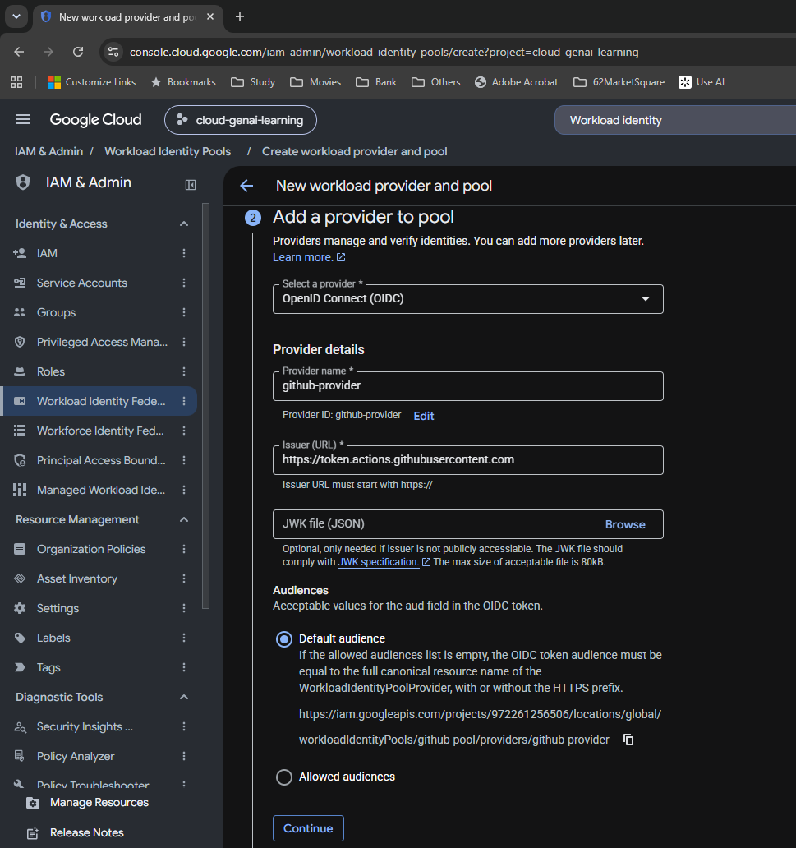

S037 — Subject mapping entered
Intermediate configuration | Notes: 8. WIF configuration
google.subject maps to assertion.sub. Repository, ref and numeric repository ID mappings are added afterward.

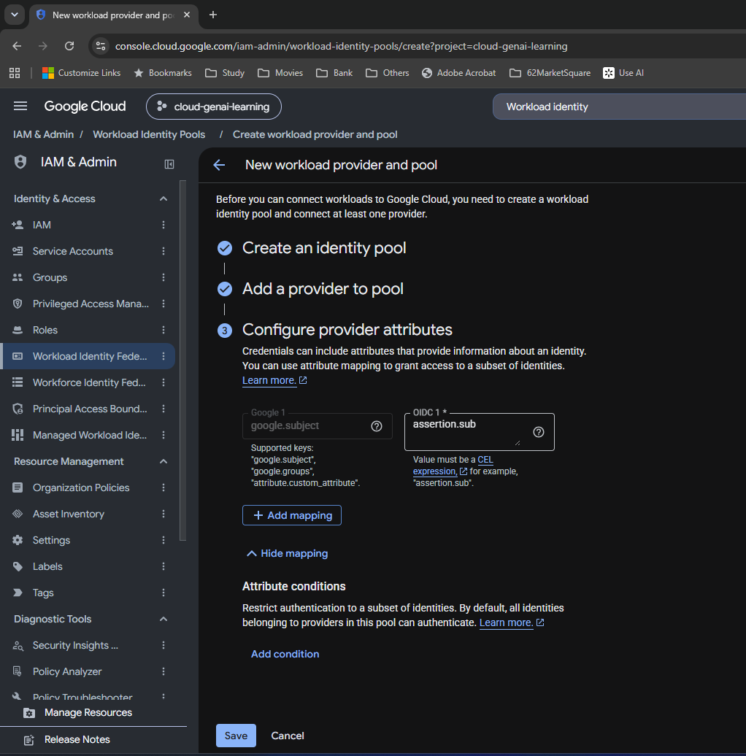

S038 — Three mappings and name/branch condition
Intermediate configuration | Notes: 8. WIF configuration
Repository and ref mappings accompany subject. The condition initially checks repository name and main only; S043–S044 strengthen it with repository ID.

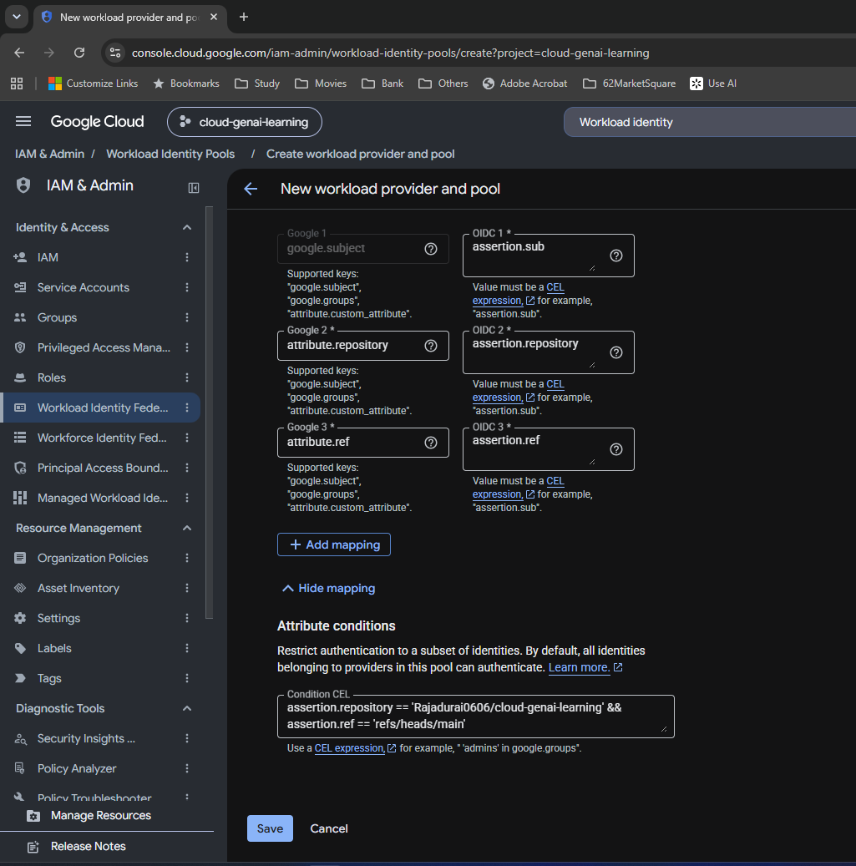

S039 — Fourth repository ID mapping added
Intermediate configuration | Notes: 8. WIF configuration
attribute.repository_id maps to assertion.repository_id, preparing the attribute used in the service-account principal set.

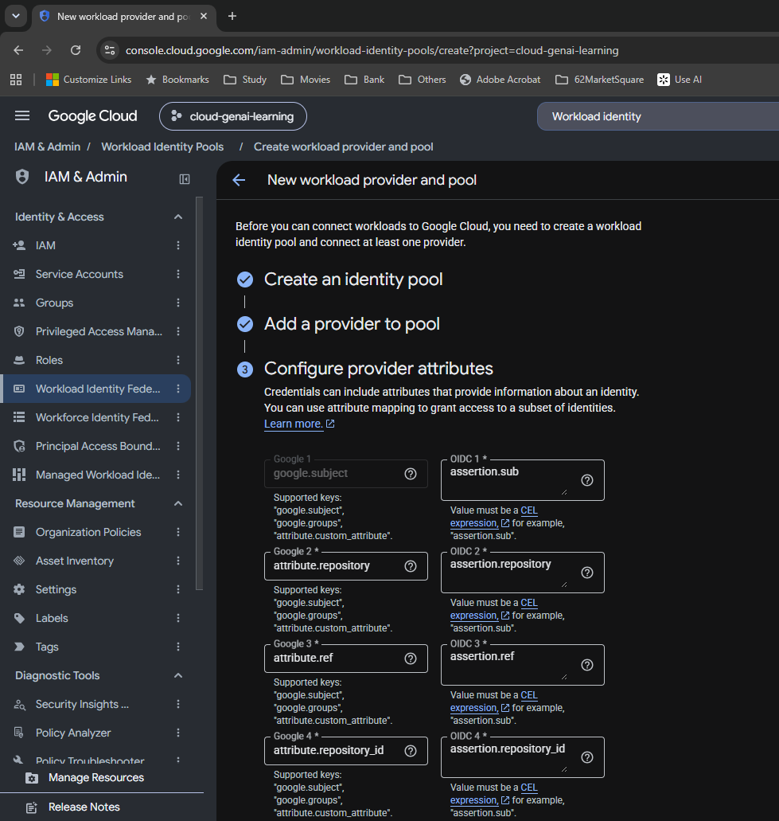

S040 — Readable condition before ID strengthening
Intermediate configuration | Notes: 8. WIF configuration
The original repository-name and branch condition remains visible while I obtain the real numeric repository ID.

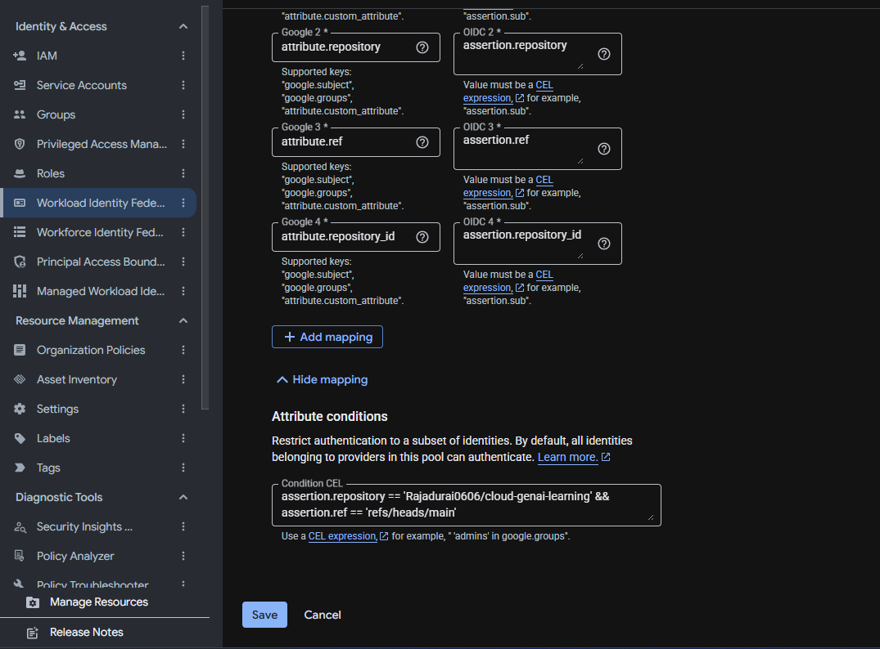

S041 — Wrong lookup: GitHub user endpoint
Incorrect identifier | Notes: 8. WIF configuration
api.github.com/users/Rajadurai0606 returns user ID 128257476. It is not the repository ID. Correct lookup: S042.

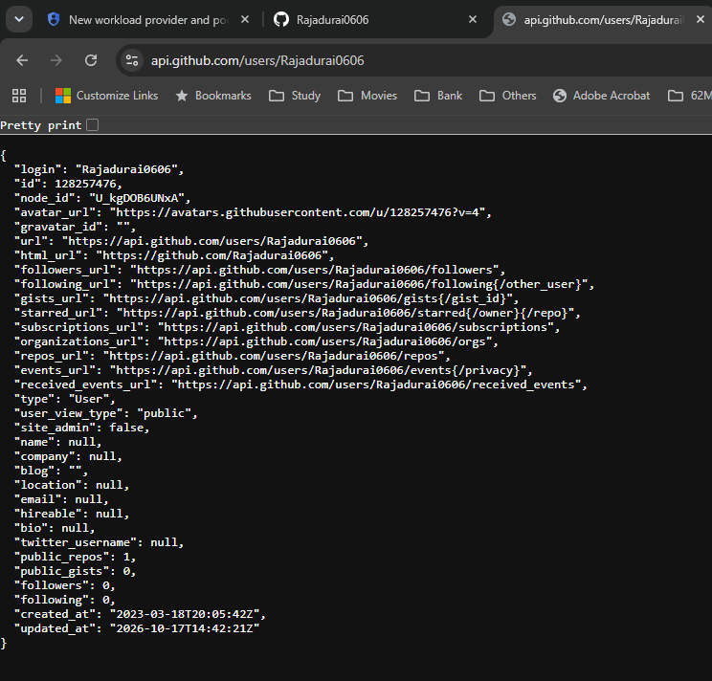

S042 — Correct lookup: GitHub repository endpoint
Correction | Notes: 8. WIF configuration
Repository JSON returns top-level id 1368433185. owner.id identifies the account and must not be substituted.

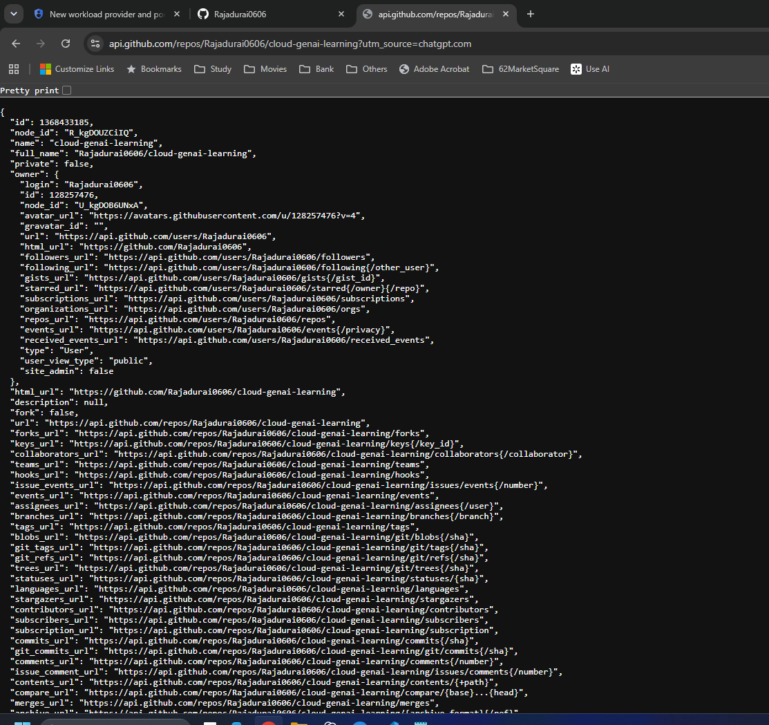

S043 — Final CEL condition, first visible lines
Entered configuration | Notes: 8. WIF configuration
The small box shows repository_id == '1368433185' and the repository-name check. Read together with S044.

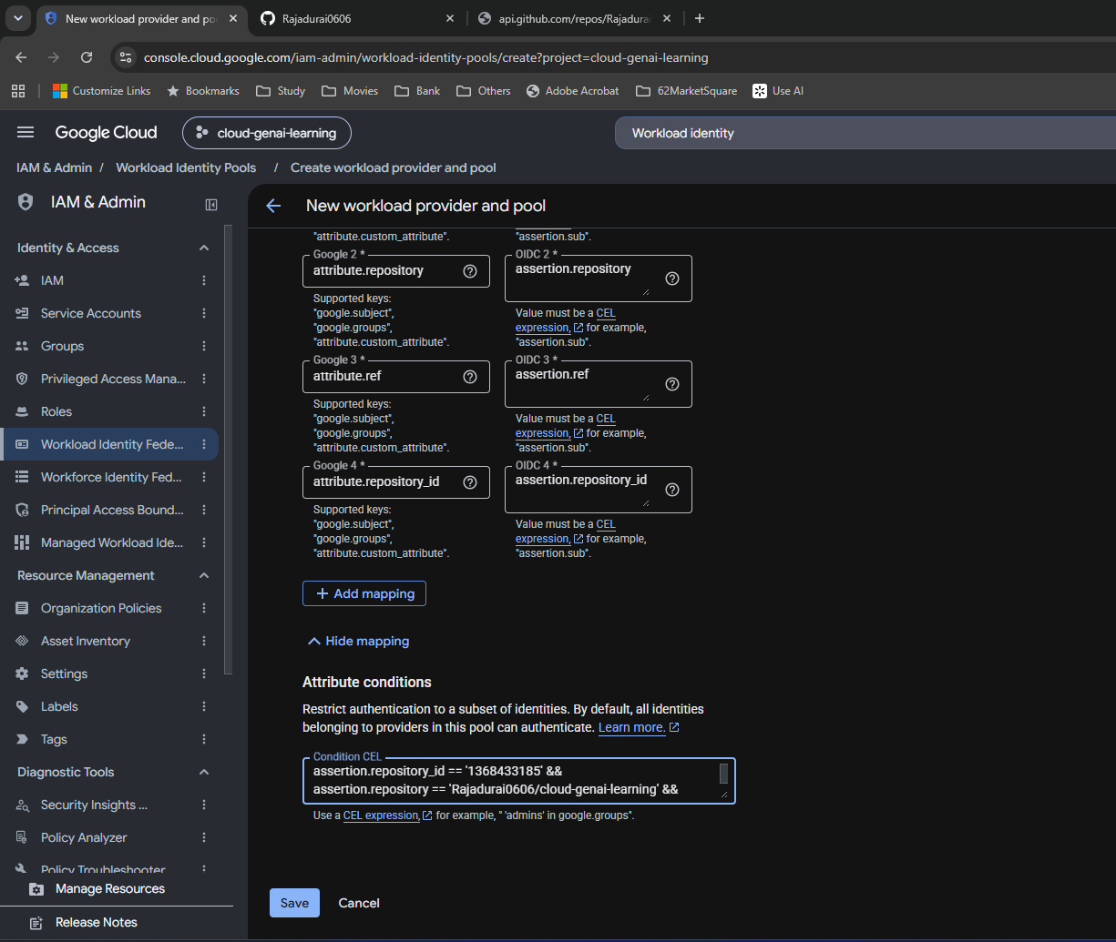

S044 — Final CEL condition, remaining visible lines
Entered configuration | Notes: 8. WIF configuration
The scrolled condition shows the repository-name and refs/heads/main checks. All three clauses use &&.

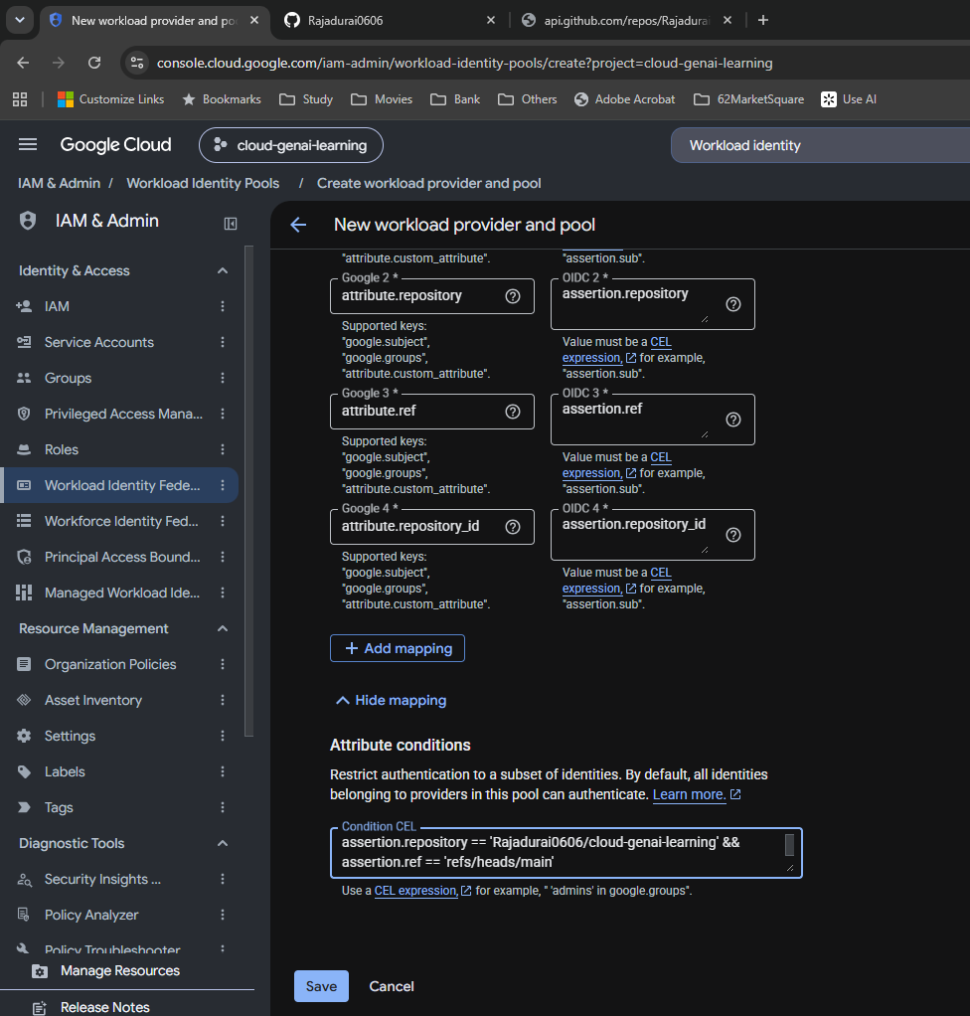

S045 — Pool and provider successfully created
Saved and verified | Notes: 8. WIF configuration
The success notification confirms creation. github-pool and github-provider are enabled; no usage data is expected before token exchange.

IAM
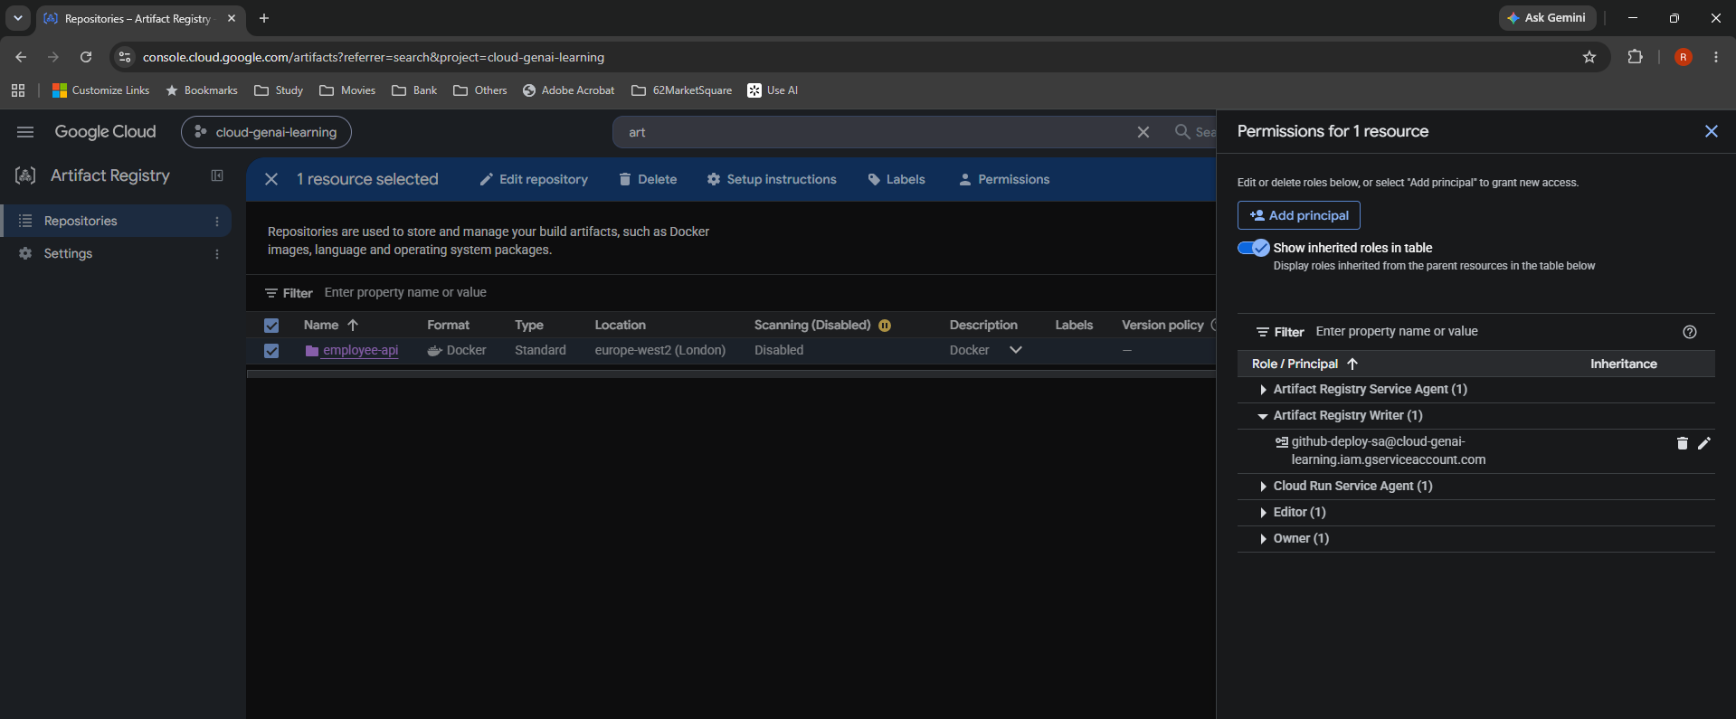
Day 26 — IAM

Original screenshots at their native proportions. Captions distinguish intermediate settings, corrections, saved configuration and observed results.

S046 — Existing service accounts reviewed
Observed | Notes: 10. Service accounts and IAM
Default compute, employee-api-sa and order-api-sa are existing identities. Deployment gets a separate identity.

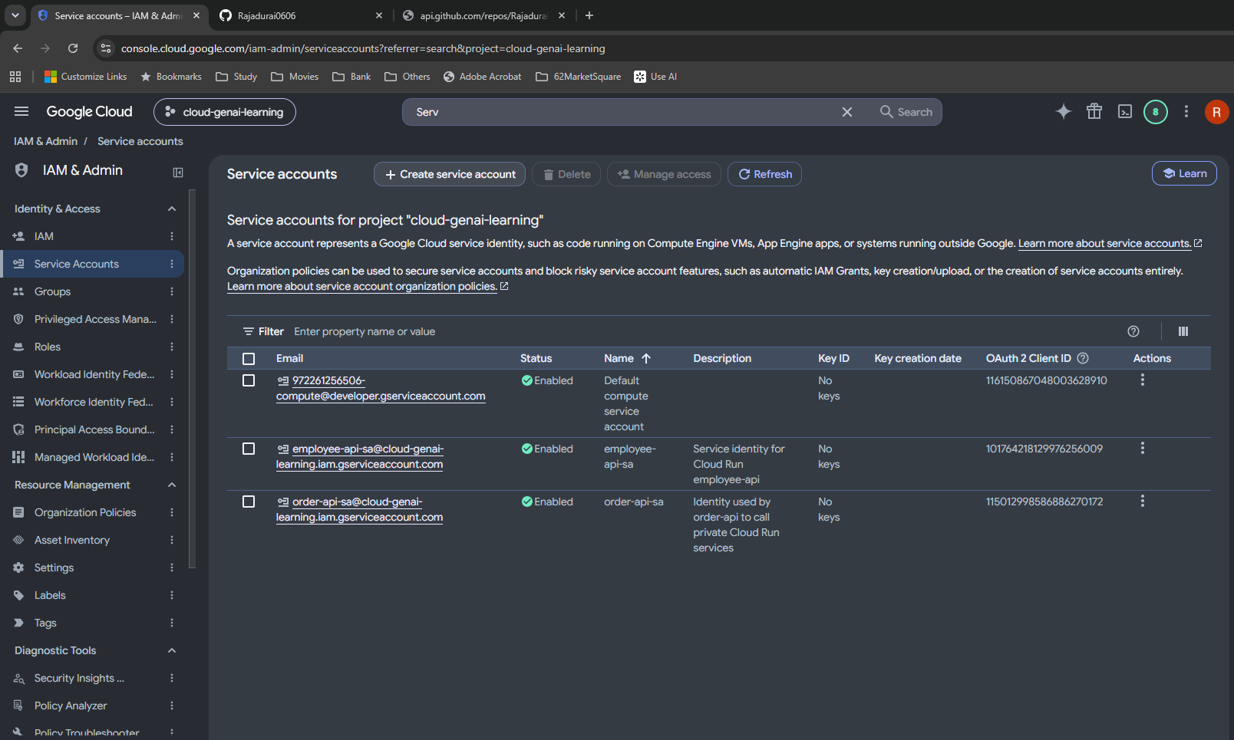

S047 — Dedicated deployment account form
Entered configuration | Notes: 10. Service accounts and IAM
github-deploy-sa is named and described for GitHub Actions CI/CD deployment.

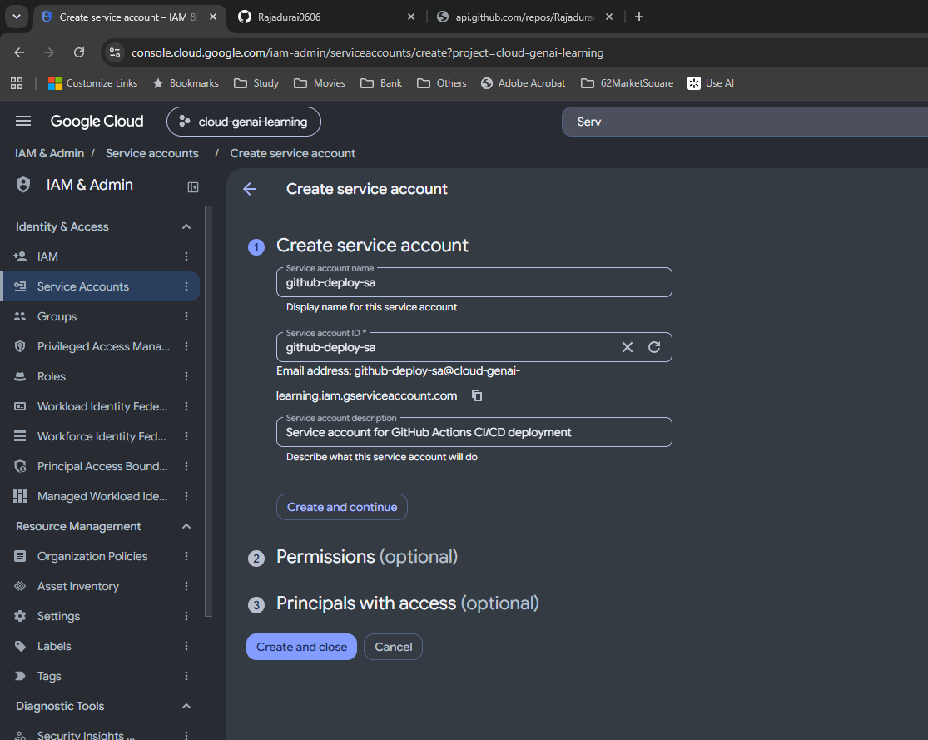

S048 — Service account created without project roles
Saved identity | Notes: 10. Service accounts and IAM
The creation notification appears. Project-level roles are left empty rather than granting Editor or Owner.

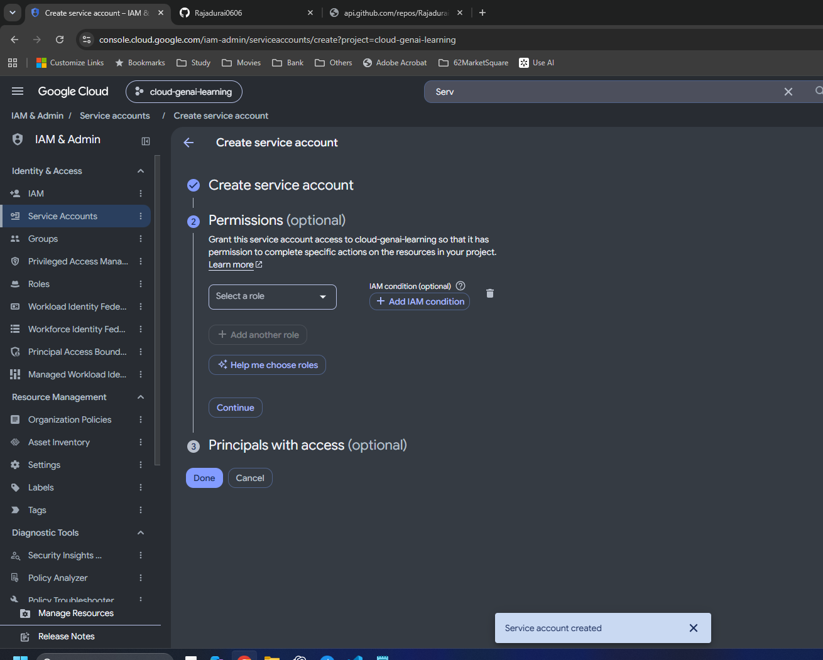

S049 — Optional users and admins left empty
Entered configuration | Notes: 10. Service accounts and IAM
The wizard's optional access fields are empty. The specific WIF impersonation binding is configured separately.

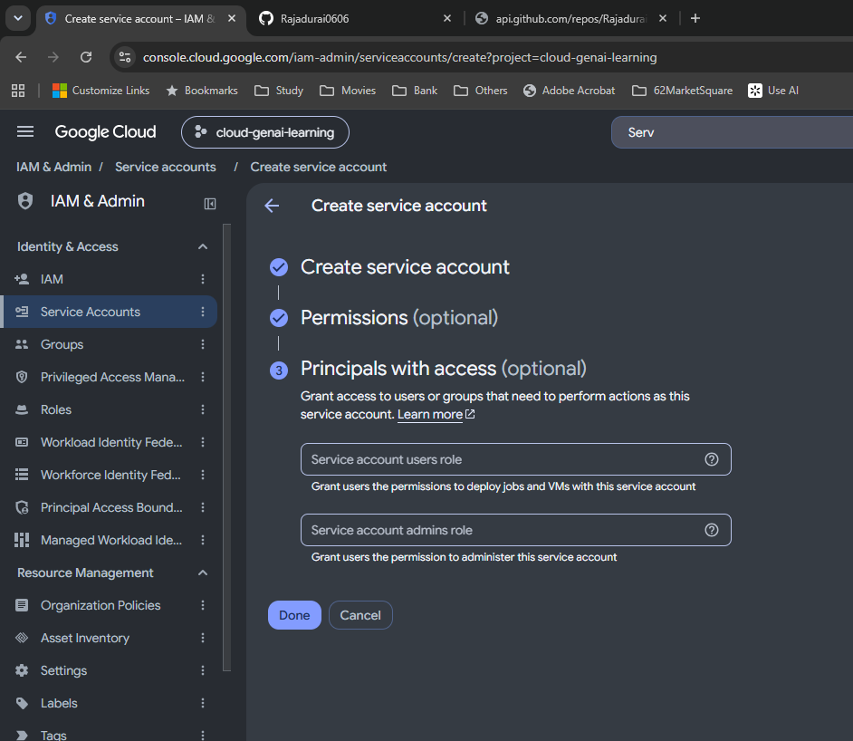

S050 — Deployment account enabled with no keys
Saved and verified | Notes: 10. Service accounts and IAM
The service-account list now includes github-deploy-sa separately from runtime identities, with no user-managed keys.

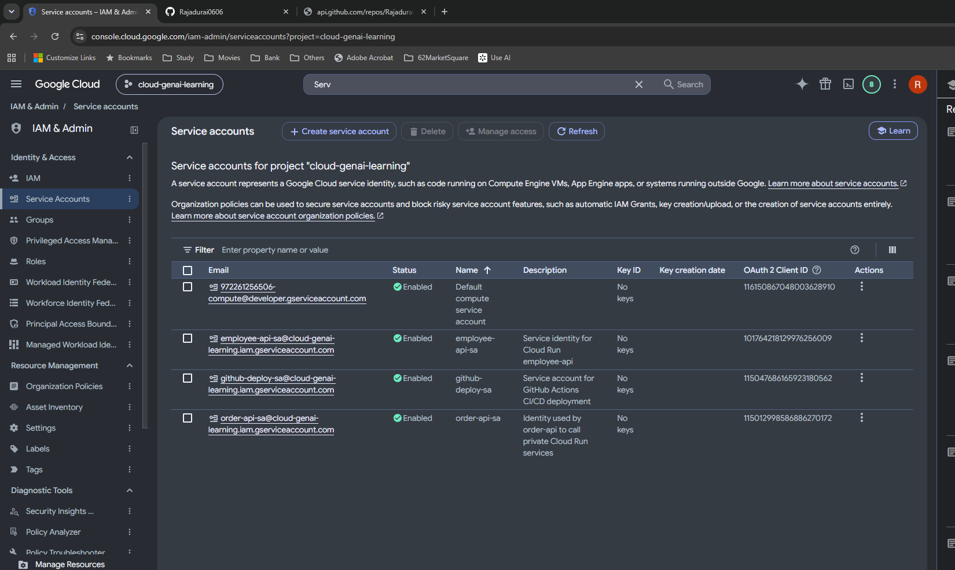

S051 — Permissions versus principals with access
Setup | Notes: 10. Service accounts and IAM
Permissions concerns what the account can access. Principals with access concerns who can use or administer this account.

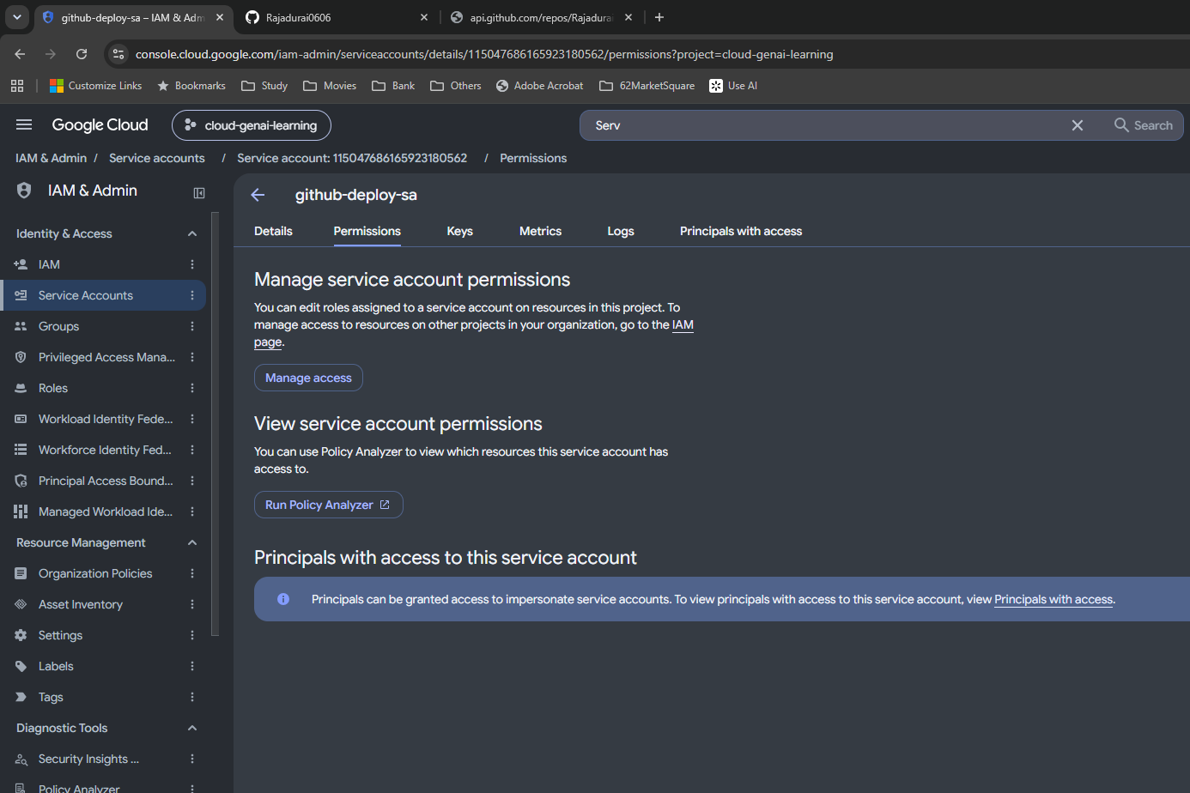

S052 — Inherited principals before WIF grant
Observed | Notes: 10. Service accounts and IAM
Existing default compute Editor and human Owner roles are inherited from the project. Review of the broad Editor role is deferred.

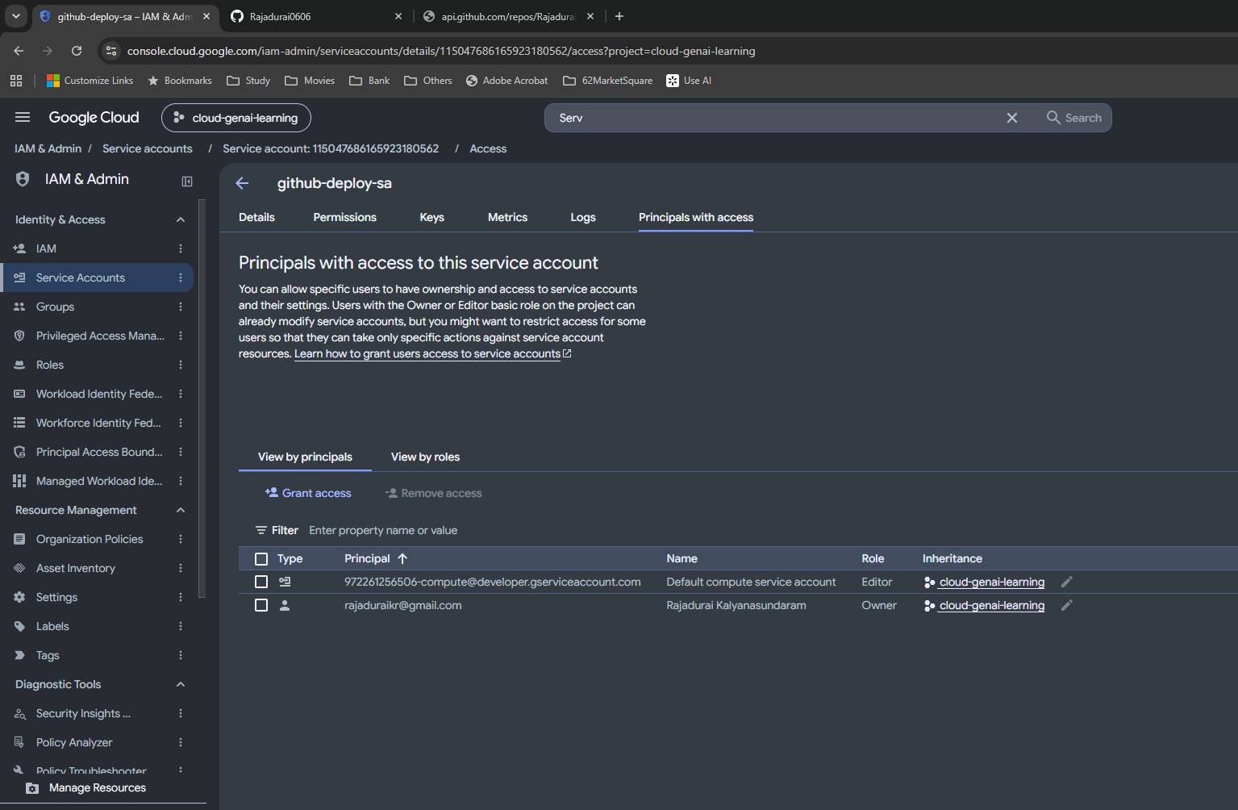

S053 — Grant form initially selects Service Account Admin
Incorrect proposed role | Notes: 10. Service accounts and IAM
This is too broad for the intended impersonation. I replace it with Workload Identity User before saving; see S054–S055.

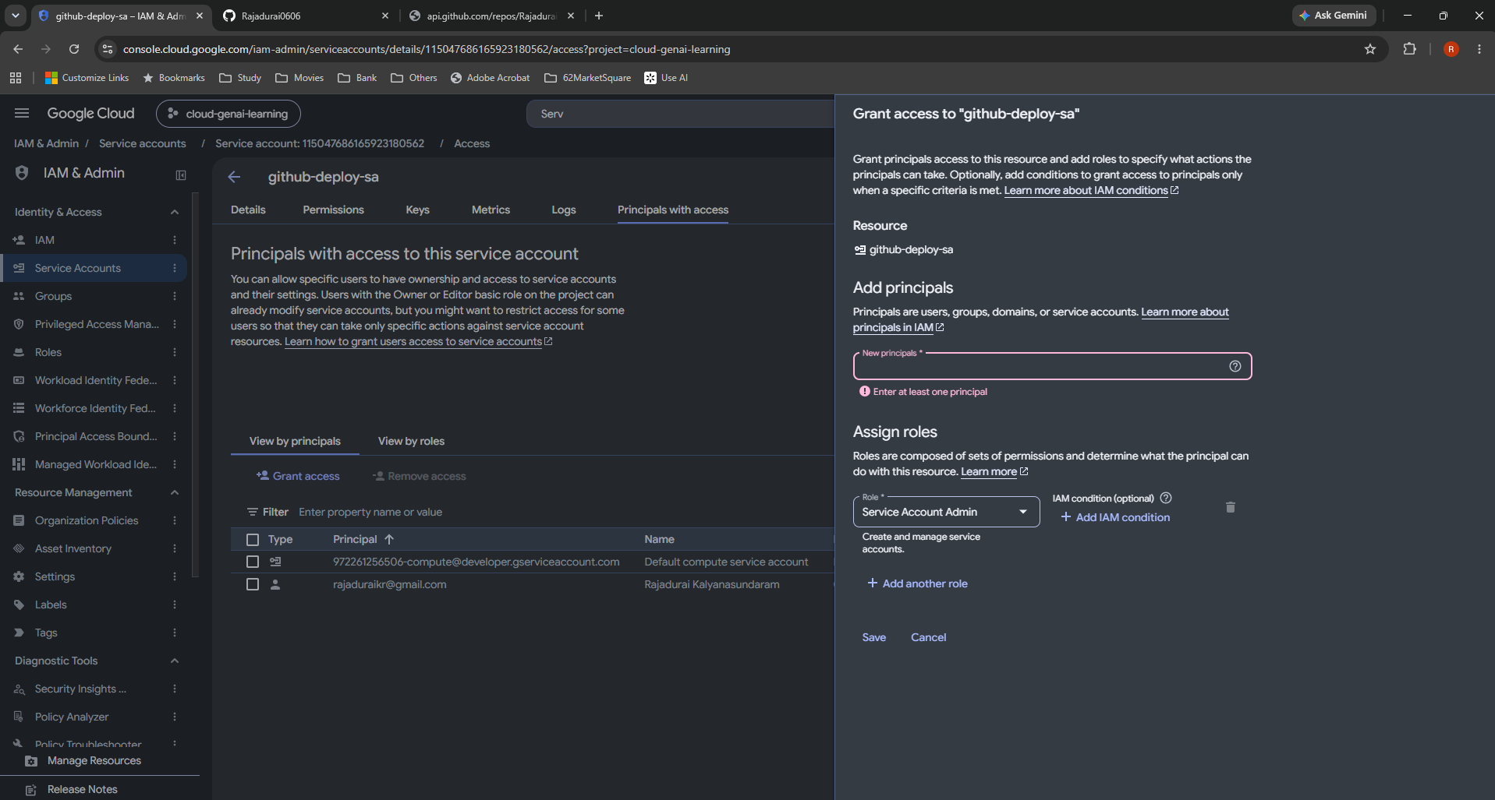

S054 — Correct principal set and Workload Identity User
Entered configuration | Notes: 11. Principal identifiers
The repository-ID principal set receives roles/iam.workloadIdentityUser on github-deploy-sa. No extra IAM condition is entered.

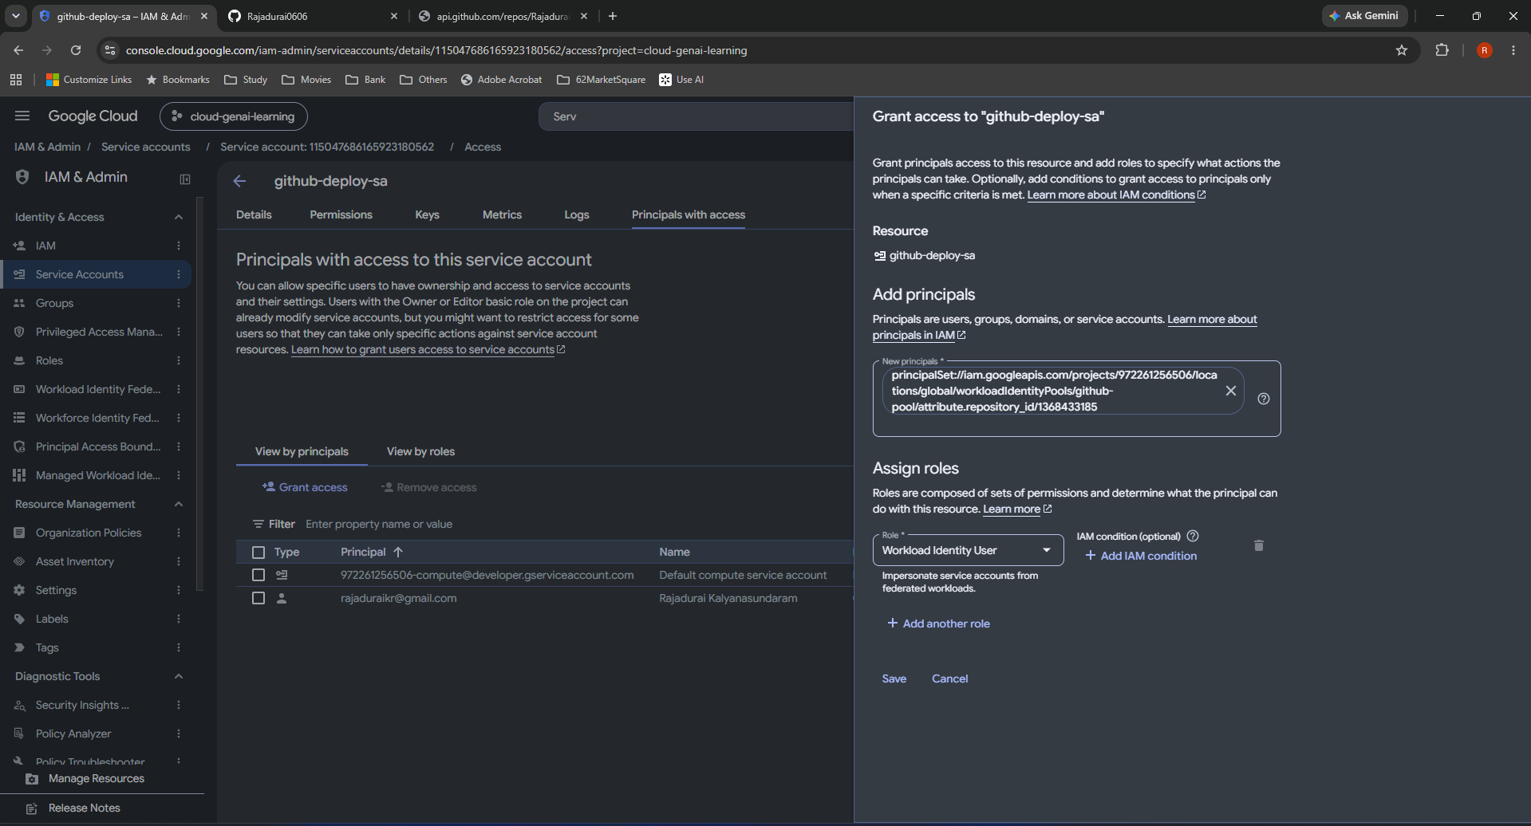

S055 — Impersonation policy updated
Saved and verified | Notes: 10. Service accounts and IAM
The service-account policy now includes the federated repository principal with Workload Identity User. Propagation can take minutes.

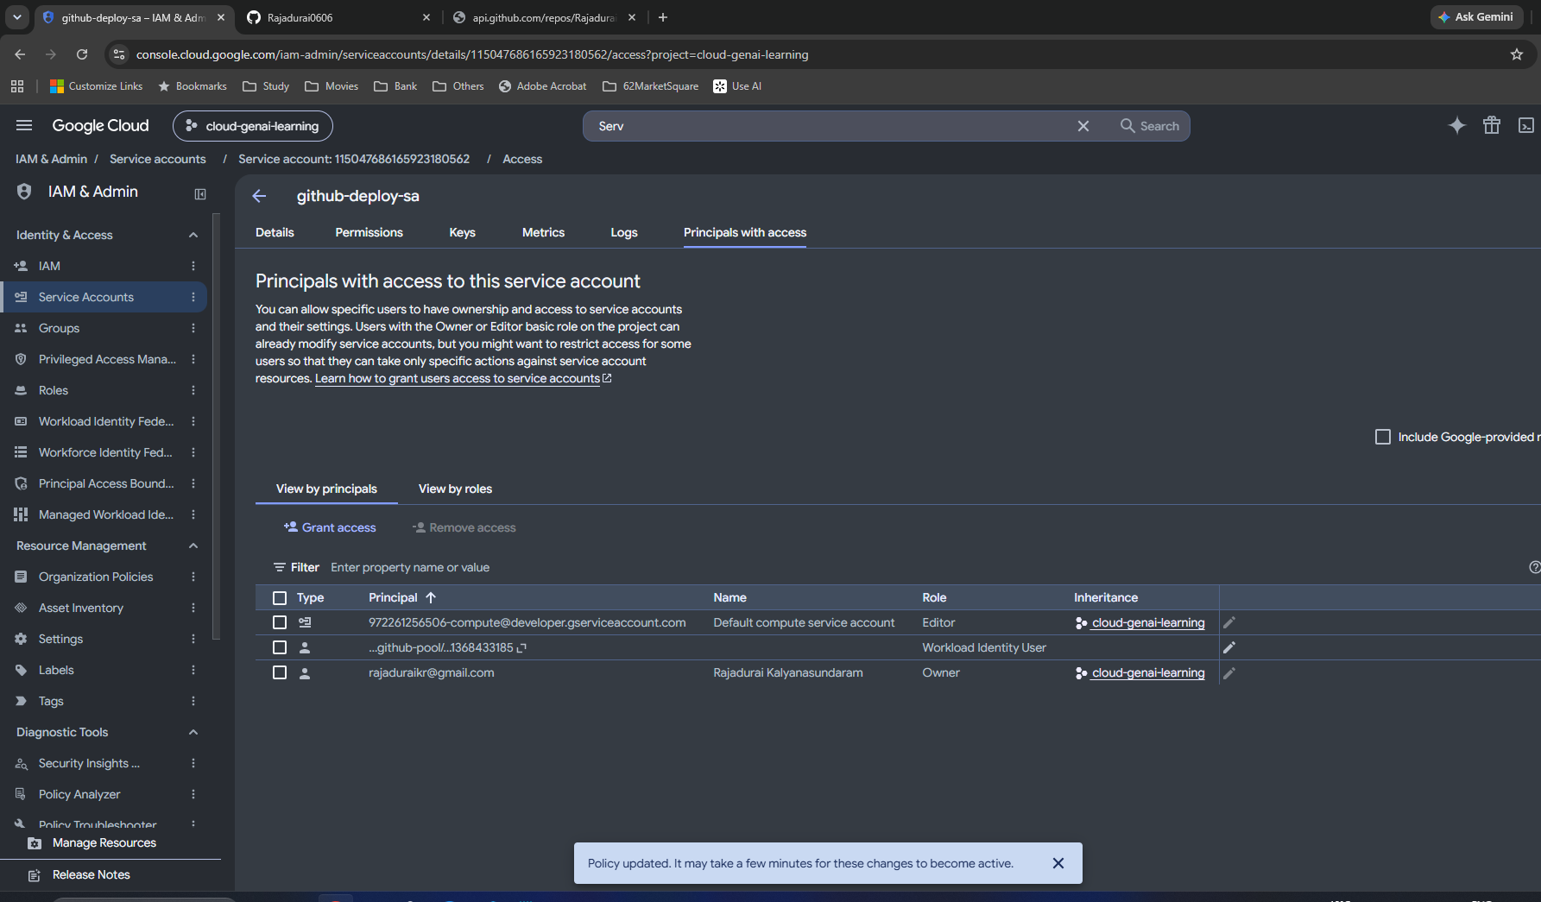

S056 — Existing Docker repository details
Observed | Notes: 10. Service accounts and IAM
Artifact Registry employee-api is a Standard Docker repository in europe-west2.

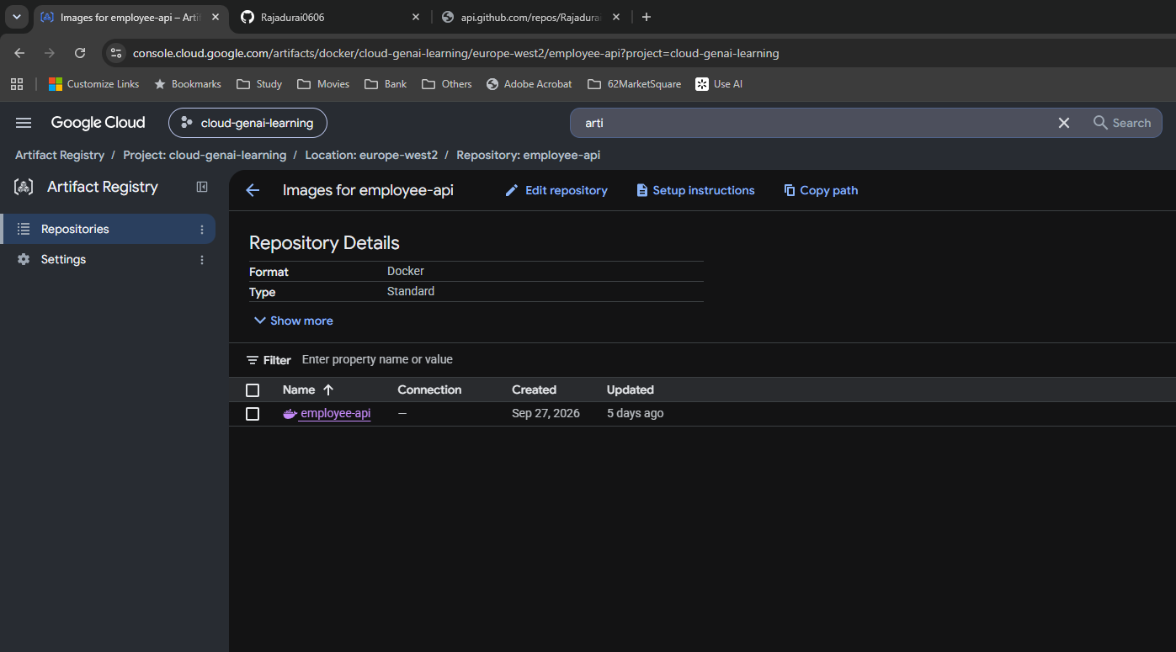

S057 — Repository list for scoped IAM
Setup | Notes: 10. Service accounts and IAM
I return to the repository list to select the repository rather than opening its image contents.

S058 — Select only employee-api repository
Setup | Notes: 10. Service accounts and IAM
The checkbox selects one repository, preparing a repository-level permission grant.

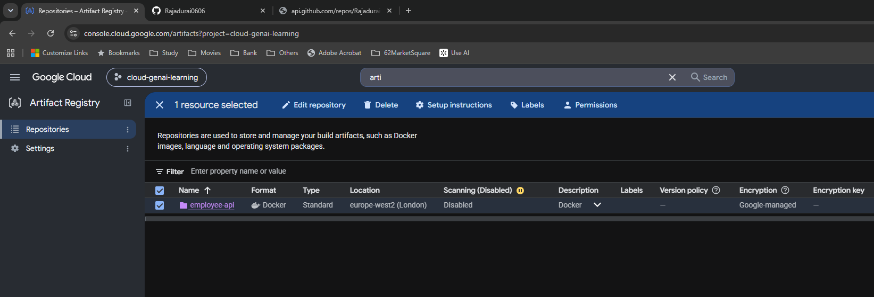

S059 — Repository permissions panel
Observed | Notes: 10. Service accounts and IAM
The information panel shows permissions for one selected resource and inherited roles.



S060 — Choose Artifact Registry Writer
Role selection | Notes: 10. Service accounts and IAM
The role picker exposes Artifact Registry roles. Writer is the intended role, rather than Admin or Reader.



S061 — Writer grant ready to save
Entered configuration | Notes: 10. Service accounts and IAM
The principal is github-deploy-sa@cloud-genai-learning.iam.gserviceaccount.com, role Writer, resource employee-api and no extra condition.



S062 — Repository policy update confirmed
Saved | Notes: 10. Service accounts and IAM
The policy-updated message confirms saving. The collapsed Writer role still needs principal-level inspection.



S063 — Expand Writer to verify exact principal
Saved and verified | Notes: 10. Service accounts and IAM
The expanded role shows github-deploy-sa on this repository. Impersonation and resource access are now separately configured.

Google auth

Day 26 — Google auth

Original screenshots at their native proportions. Captions distinguish intermediate settings, corrections, saved configuration and observed results.

S064 — GitHub job permissions added
Saved later in workflow | Notes: 12. GitHub OIDC requests
contents: read and id-token: write are under jobs.test. The latter permits OIDC token issuance, not GCP writes.



S065 — Google authentication action added
Entered YAML | Notes: 13. Configuration and temporary credentials
auth@v3 uses the actual project, provider resource path and deployment service-account email.

S066 — Commit and push WIF workflow
Observed | Notes: 13. Configuration and temporary credentials
Commit af47e66 triggers Run 5 for the authentication-action test.



S067 — Run 5 initially running
Intermediate run | Notes: 13. Configuration and temporary credentials
The Actions list shows the new authentication workflow in progress. See S068–S072 for later results.



S068 — Run 5 passes
Observed success | Notes: 13. Configuration and temporary credentials
The workflow is green after adding the authentication action. This is not yet proof of an Artifact Registry operation.



S069 — Run 5 summary
Observed success | Notes: 5. Run history and timings
Commit af47e66 completes successfully in 1 minute 1 second.



S070 — Run 5 job steps
Observed success | Notes: 13. Configuration and temporary credentials
The action succeeds after pytest and Docker build.



S071 — Credentials file creation and cleanup
Observed logs | Notes: 13. Configuration and temporary credentials
The action creates gha-creds-*.json and removes exported credentials in cleanup. This is an external-account configuration, not a service-account private key.



S072 — Expanded auth defaults and resource values
Observed logs | Notes: 13. Configuration and temporary credentials
create_credentials_file, export_environment_variables and cleanup_credentials are true. The actual project/provider/account inputs are visible.



S073 — gcloud verification YAML and unsaved dot
Intermediate editor state | Notes: 13. Configuration and temporary credentials
setup-gcloud@v3 and print-access-token > /dev/null follow auth. The white dot means I must save before committing.



S074 — Commit and push credential verification
Observed | Notes: 13. Configuration and temporary credentials
Commit 9cdeb2b triggers Run 6.



S075 — Run 6 passes
Observed success | Notes: 13. Configuration and temporary credentials
The workflow list shows success after adding the real temporary-token request.



S076 — Expanded temporary-token verification
Observed success | Notes: 13. Configuration and temporary credentials
gcloud auth print-access-token succeeds, the success message is printed and environment paths point to the generated configuration.

Image publishing

Day 26 — Image publishing

Original screenshots at their native proportions. Captions distinguish intermediate settings, corrections, saved configuration and observed results.

S077 — Docker credential helper configured in YAML
Entered configuration | Notes: 14. Docker authentication, tag and push
gcloud auth configure-docker europe-west2-docker.pkg.dev --quiet follows credential verification.



S078 — Commit SHA tagging added
Entered configuration | Notes: 14. Docker authentication, tag and push
docker tag adds the full Artifact Registry address with ${{ github.sha }} to employee-api:ci. Tagging alone does not upload.



S079 — Docker push added after tagging
Entered configuration | Notes: 14. Docker authentication, tag and push
The push destination matches the tag destination exactly. This completes the publishing steps before Run 7.



S080 — Commit and push image-publishing workflow
Observed | Notes: 14. Docker authentication, tag and push
Commit 5f0cfc1 triggers Run 7.



S081 — Run 7 passes
Observed success | Notes: 15. Final state and deferred work
The Actions list shows the image-publishing run succeeded.



S082 — All Run 7 job steps pass
Observed success | Notes: 15. Final state and deferred work
Tests, Docker build, WIF setup, credential verification, helper configuration, tagging and push are green.



S083 — Docker push begins uploading layers
Observed logs | Notes: 14. Docker authentication, tag and push
The expanded push log shows the target repository and layers waiting for processing.

S084 — Docker push finishes with digest
Observed success | Notes: 14. Docker authentication, tag and push
Some layers already exist, others are pushed, and the resulting manifest digest is reported.

S085 — Verify commit tag in Artifact Registry
Observed final state | Notes: 15. Final state and deferred work
The employee-api versions table includes commit tag 5f0cfc19fcf917026a43c1a6c48361a82ecaa94 and digest beginning 7eda6e9022d8. Additional artifacts are not identified definitively.

