Deployment
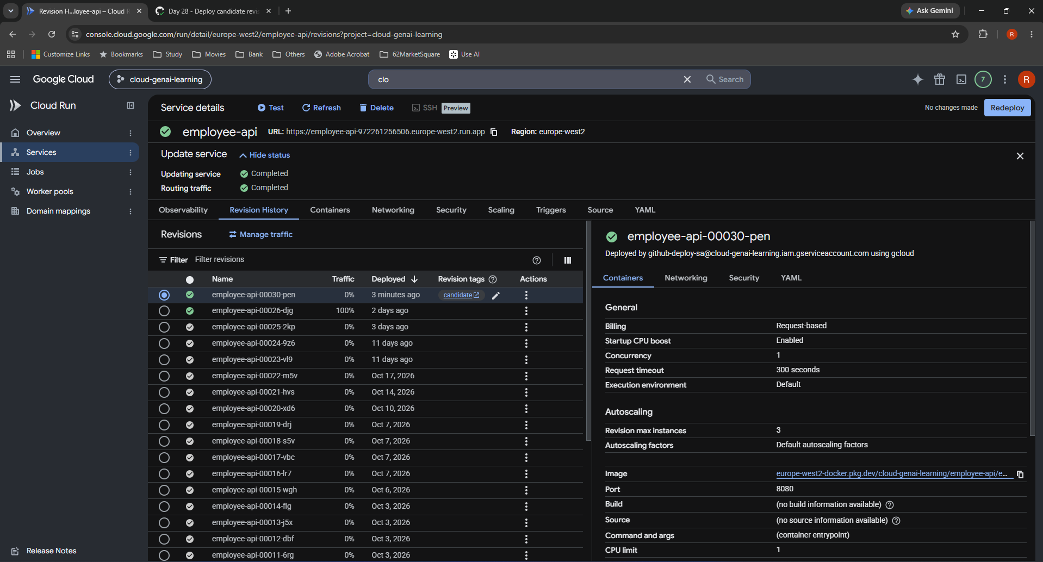
Day 28 — Deployment
Original screenshots in workflow order. Caption and explanation precede each image. See Index for locations and Learning notes for the full explanations.

S01 — Starting revision history: 00026-djg at 100%
Observed starting state. 00025-2kp is at 0%. The selected working revision was deployed by github-deploy-sa using gcloud. The right panel records inherited runtime settings; these were not changes made on Day 28.
Notes: 2. My starting state. Original file: baseline.png.
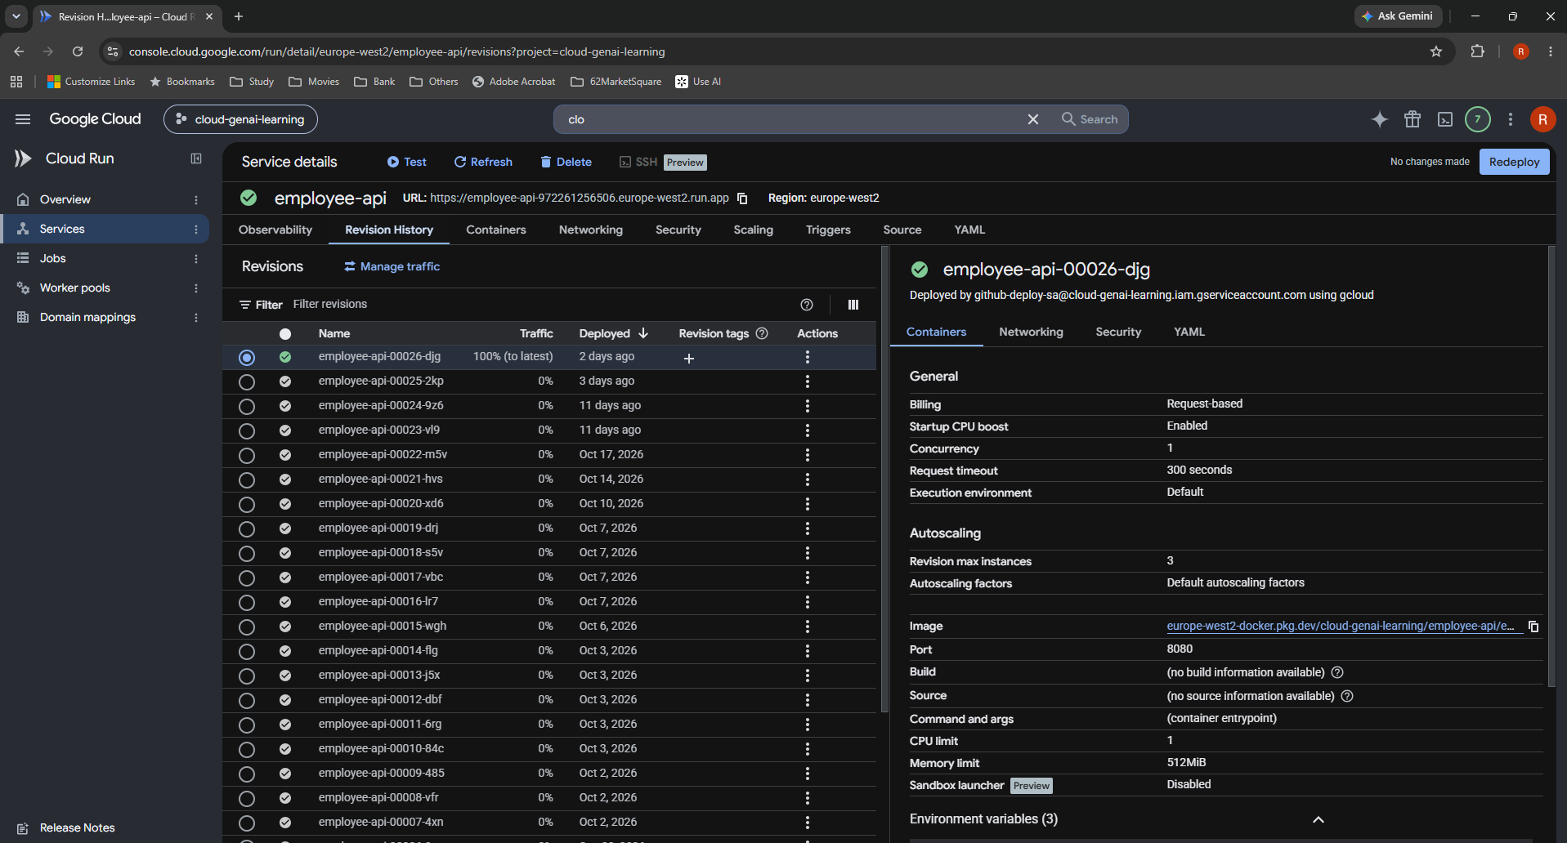

S02 — Reviewed ci.yml with no_traffic and candidate tag
Saved workflow edit, lines 68–75. deploy-cloudrun@v3 targets employee-api in europe-west2 with a commit-SHA image. no_traffic: true and tag: candidate are separate action inputs. YAML indentation was reviewed before pushing.
Notes: 3. My deployment configuration. Original file: yaml.png.
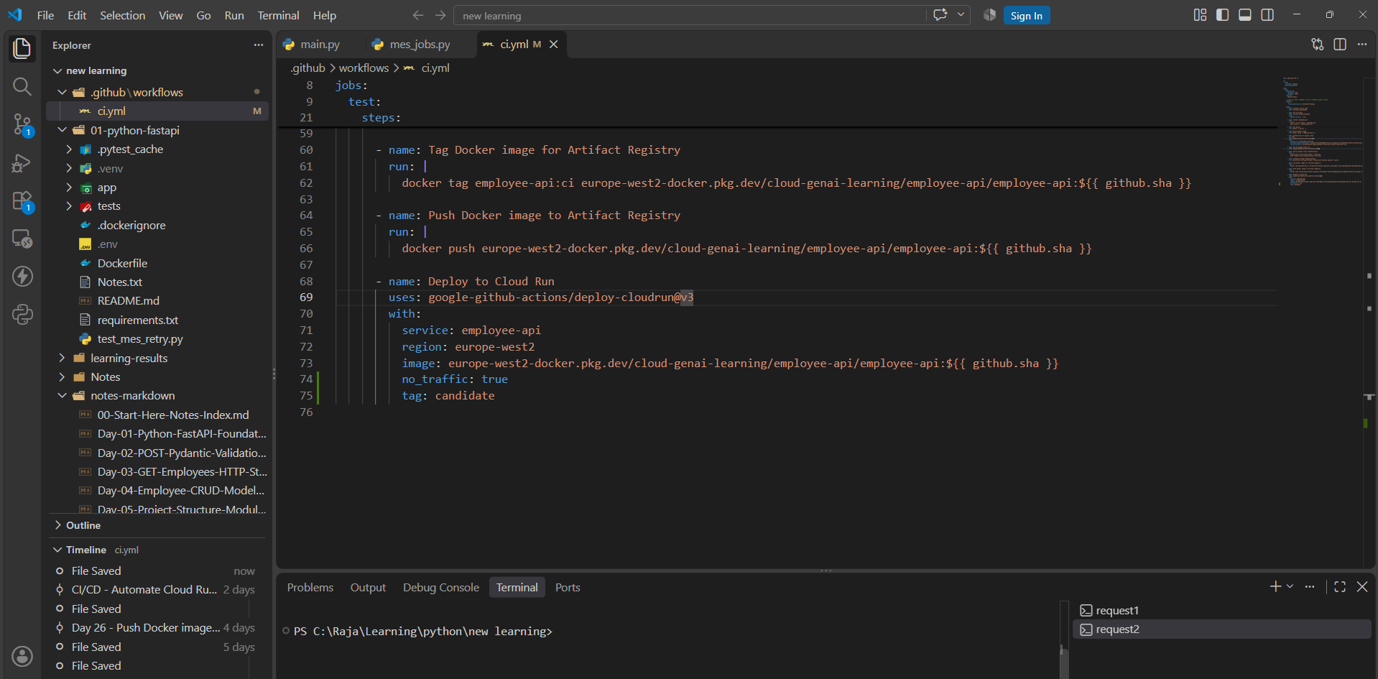

S03 — Push to main: f17ddf4..421373c
Observed successful git push origin main to Rajadurai0606/cloud-genai-learning. The terminal is in C:\Raja\Learning\python\new learning. This image shows the push result, not the preceding git add or commit commands.
Notes: 4. My commit and pipeline. Original file: deploy1.png.

S04 — Employee API CI run #11 in progress
Intermediate state. Commit 421373c on main triggered the Day 28 workflow. The yellow in-progress indicator is not a failure and is superseded by S05 and S06.
Notes: 4. My commit and pipeline. Original file: deploy2.png.
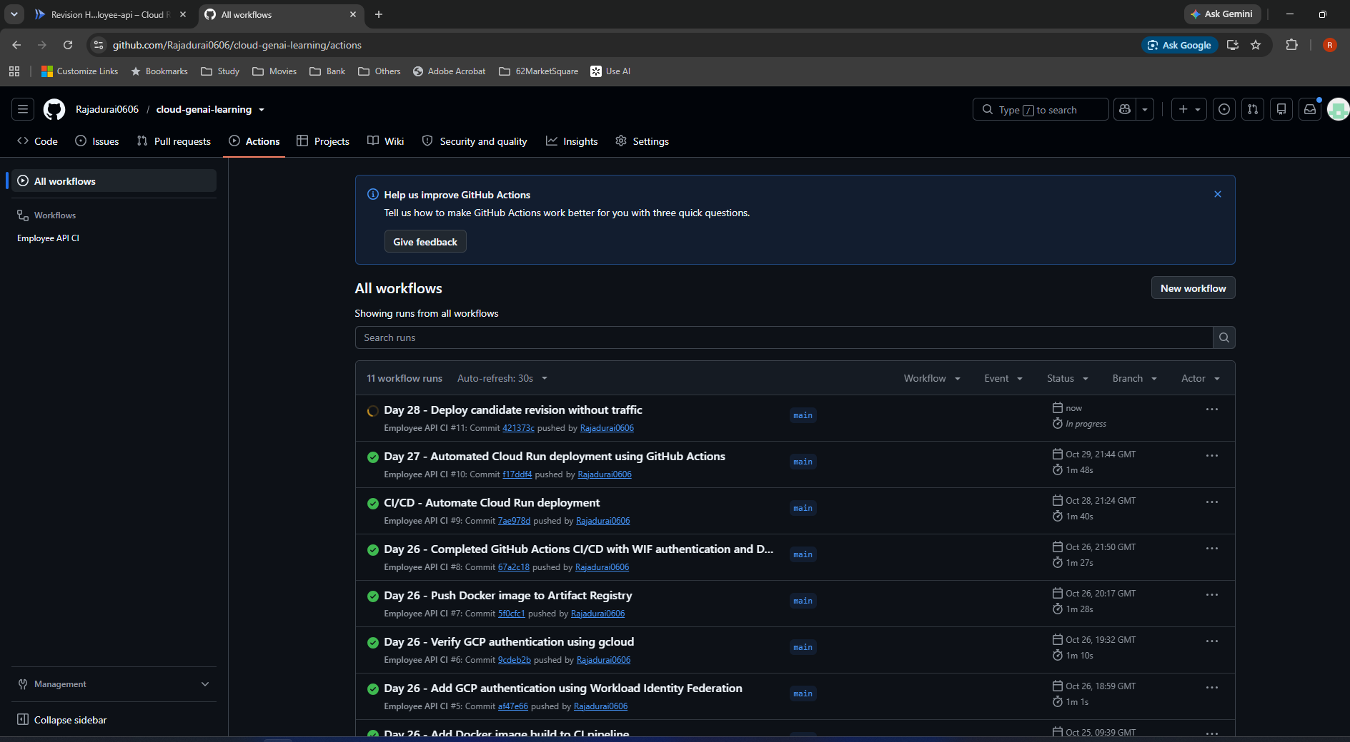

S05 — Run #11 completes successfully
Observed green success for the same commit and run. The list shows 1m 46s. This verifies workflow completion, not the later authenticated API smoke test.
Notes: 4. My commit and pipeline. Original file: deploy3.png.
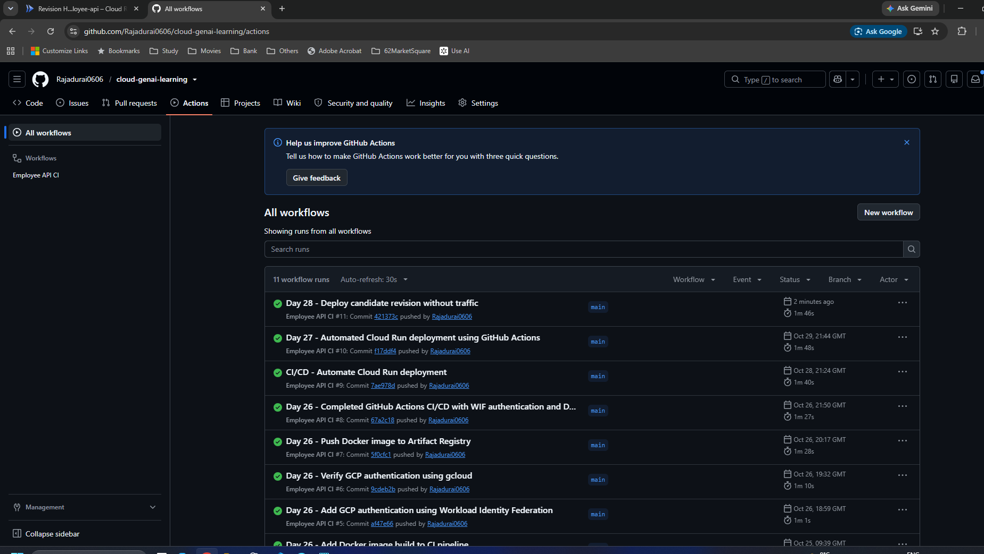

S06 — Run summary, duration and non-blocking annotations
Success, total duration 1m 46s, test job 1m 43s, no uploaded Actions artifacts shown. One warning says actions targeting Node.js 20 (checkout@v4 and setup-python@v5) are forced onto Node.js 24. One notice concerns ubuntu-latest migration to Ubuntu 26 beginning October 19, 2026. These did not block this run.
Notes: 4. My commit and pipeline. Original file: deploy4.png.
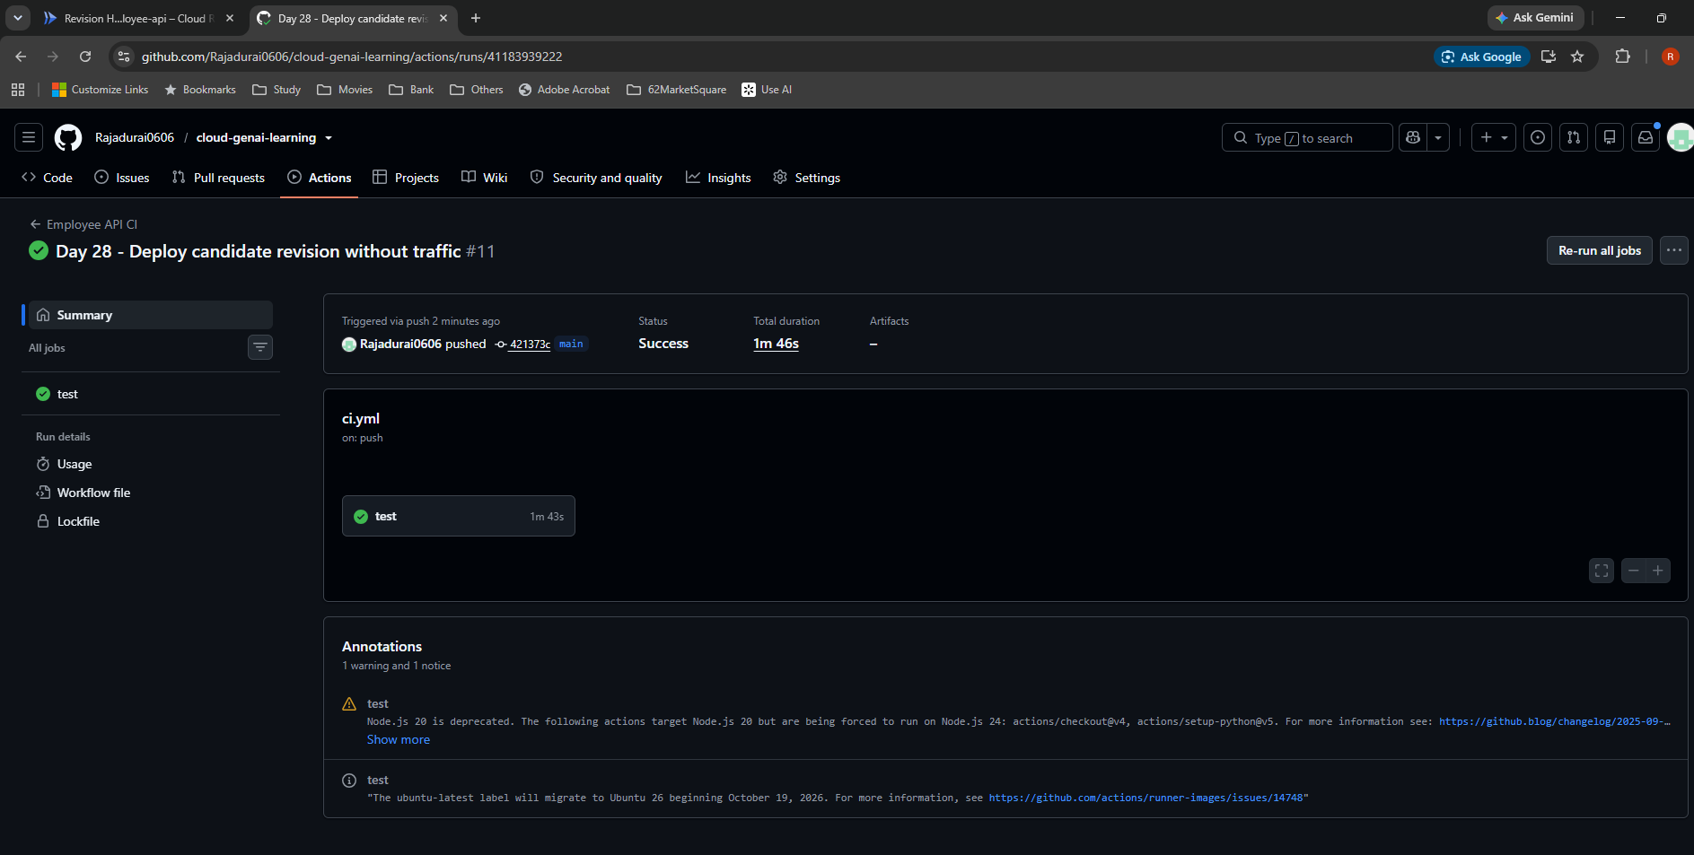

S07 — Successful pipeline stages
Job steps include checkout, Python setup, dependencies, pytest, Docker build, Google Cloud authentication/CLI verification, Docker authentication, image tag/push, deployment and post steps. The job is named test even though it includes deployment. Deploy took 28s; the job took 1m 43s.
Notes: 4. My commit and pipeline. Original file: deploy5.png.
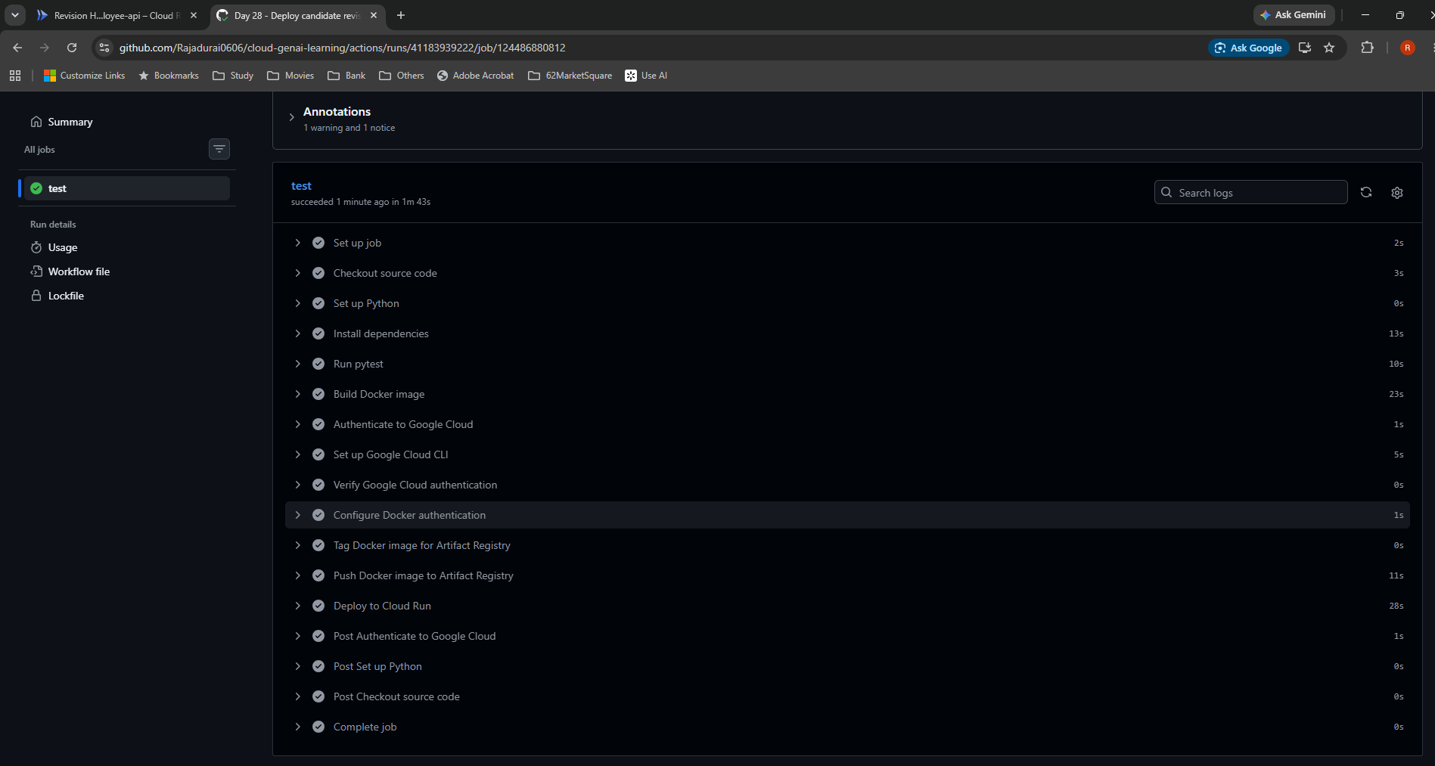

S08 — Expanded deployment command confirms tag and no traffic
Observed action log: successfully authenticated, then gcloud run deploy with the SHA-tagged image, --tag candidate, --no-traffic, GitHub management/commit labels, JSON output and europe-west2. This is the generated runner command, not a manual Cloud Shell deployment.
Notes: 4. My commit and pipeline. Original file: deploy6.png.
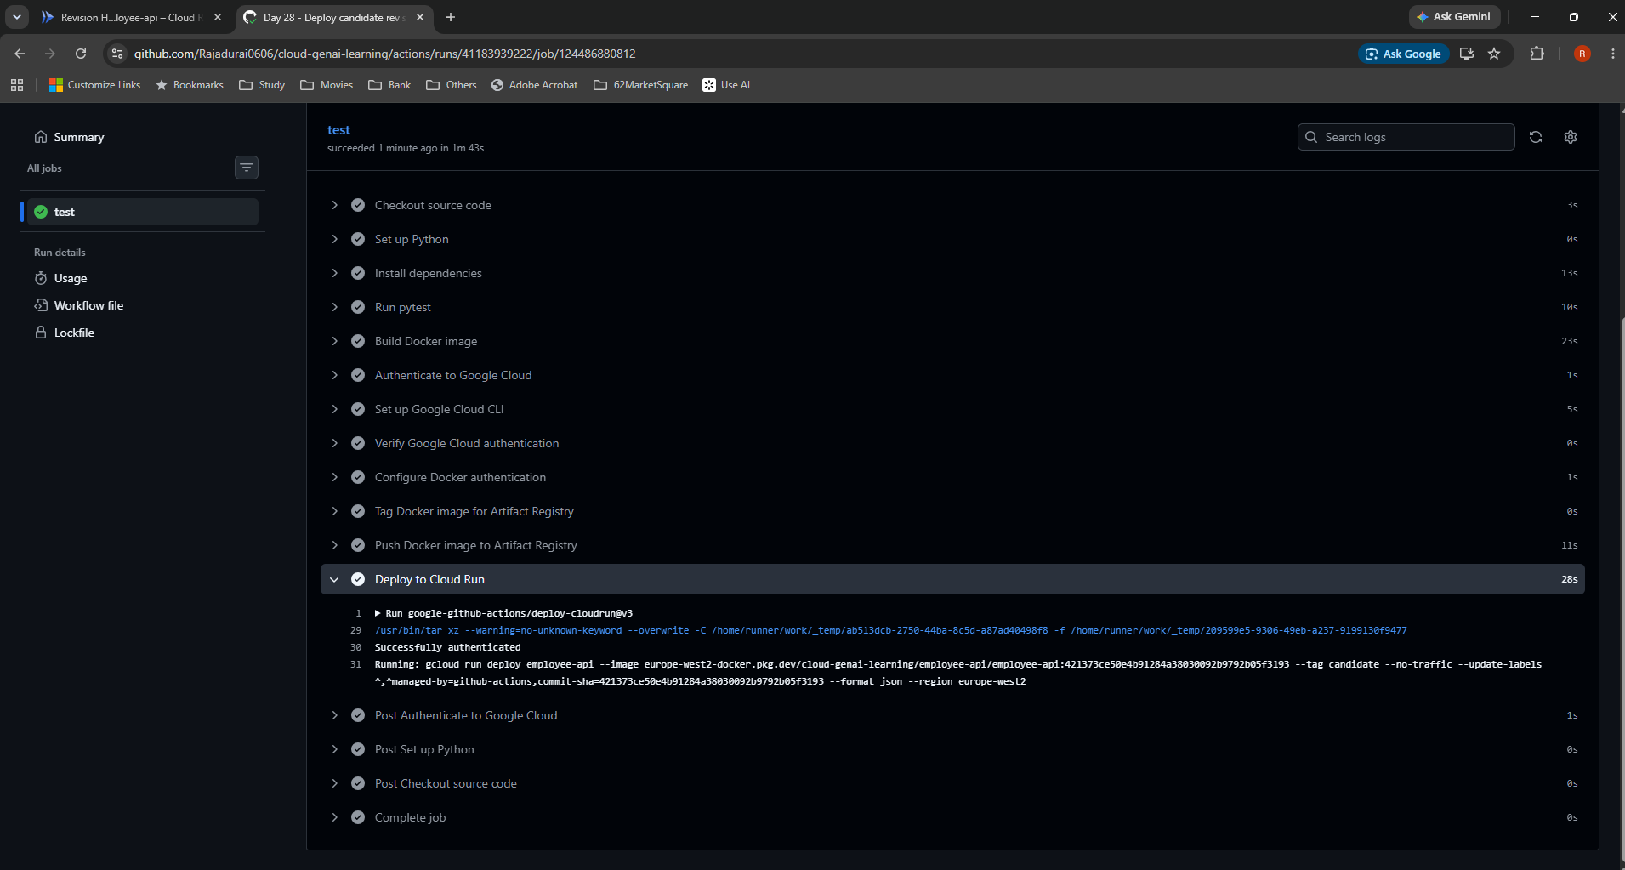

S09 — Candidate 00030-pen deployed at 0%
Updating service and routing traffic both completed. 00026-djg remains at 100%; 00030-pen is ready, at 0%, with candidate tag. Deployment is complete while release to normal users is withheld.
Notes: 5. Revisions, tags and 0% access. Original file: deploy7.png.

Testing
Day 28 — Testing
Original screenshots in workflow order. Caption and explanation precede each image. See Index for locations and Learning notes for the full explanations.

S10 — Candidate link with normal traffic still on 00026-djg
Observed pre-test routing. candidate is a direct entry point to 00030-pen, independently of its 0% normal allocation. The normal service remains private and the tag does not grant invocation permission.
Notes: 6. My authenticated smoke test. Original file: candidate.png.
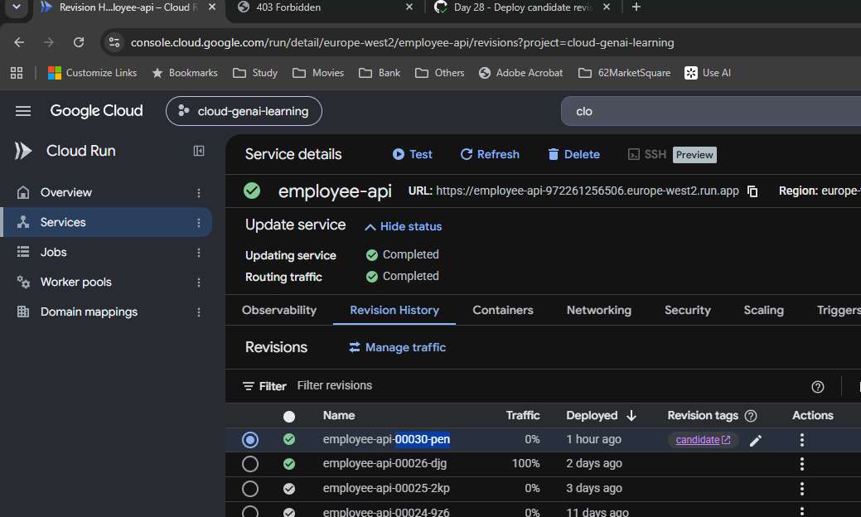

S11 — Ordinary browser request receives 403 Forbidden
Observed error: client does not have permission to get URL /. Opening the tagged URL supplied no accepted Cloud Run authentication. This did not establish an application failure. S12 shows the successful authenticated test.
Notes: 6. My authenticated smoke test. Original file: browser403.png.
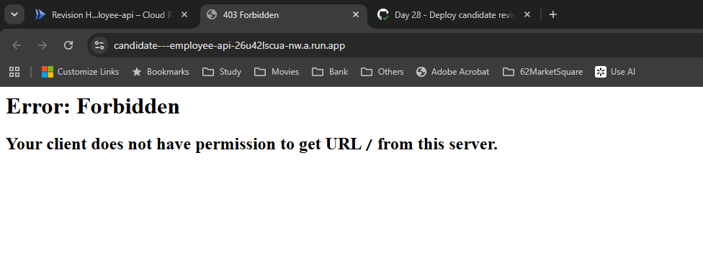

S12 — Cloud Shell returns HTTP/2 200 and expected JSON
Observed authenticated GET using a temporary Google identity token. JSON says Employee API, version 3.0, environment staging and api_key_configured true. The response is application/json, content-length 92, at 09:28:03 GMT on 31 October 2026. Configuration presence alone does not prove every Secret Manager operation.
Notes: 6. My authenticated smoke test. Original file: smoke.png.

Traffic
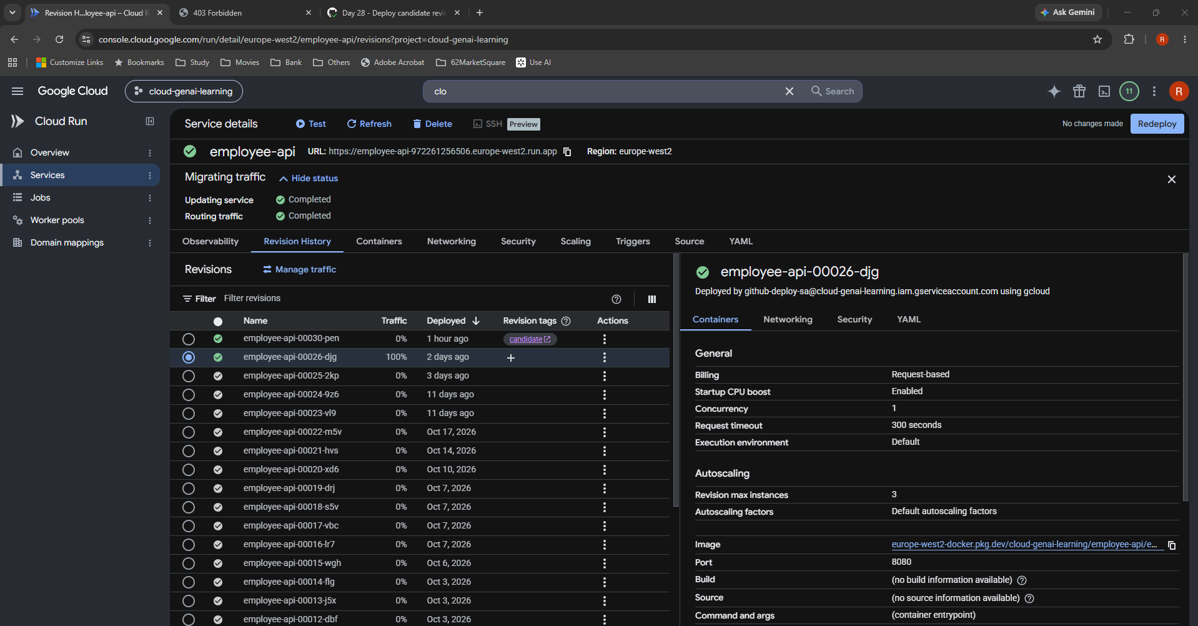
Day 28 — Traffic
Original screenshots in workflow order. Caption and explanation precede each image. See Index for locations and Learning notes for the full explanations.

S13 — Open Manage traffic from the candidate row
Pre-promotion state: 00026-djg at 100%, candidate at 0%. The action menu exposes Manage traffic and Manage revision tags. Selecting a row opens its context; the traffic dialog's option determines the actual routing.
Notes: 7. My MES canary decision. Original file: image(20261031-093825).png.
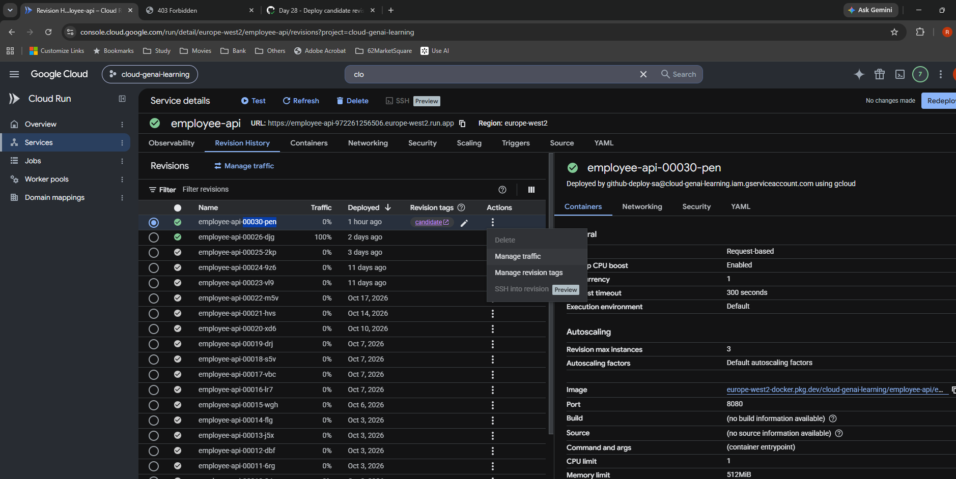

S14 — Split option inspected for documentation, showing 100% / 0%
Inspected only. Revision 1 is 00026-djg with Traffic 1 = 100%; Revision 2 is 00030-pen with Traffic 2 = 0%. Add revision, dropdowns, percentage inputs, Cancel and Save are visible. The proposed 90/10 canary was not saved or applied.
Notes: 7. My MES canary decision. Original file: image(20261031-093926).png.
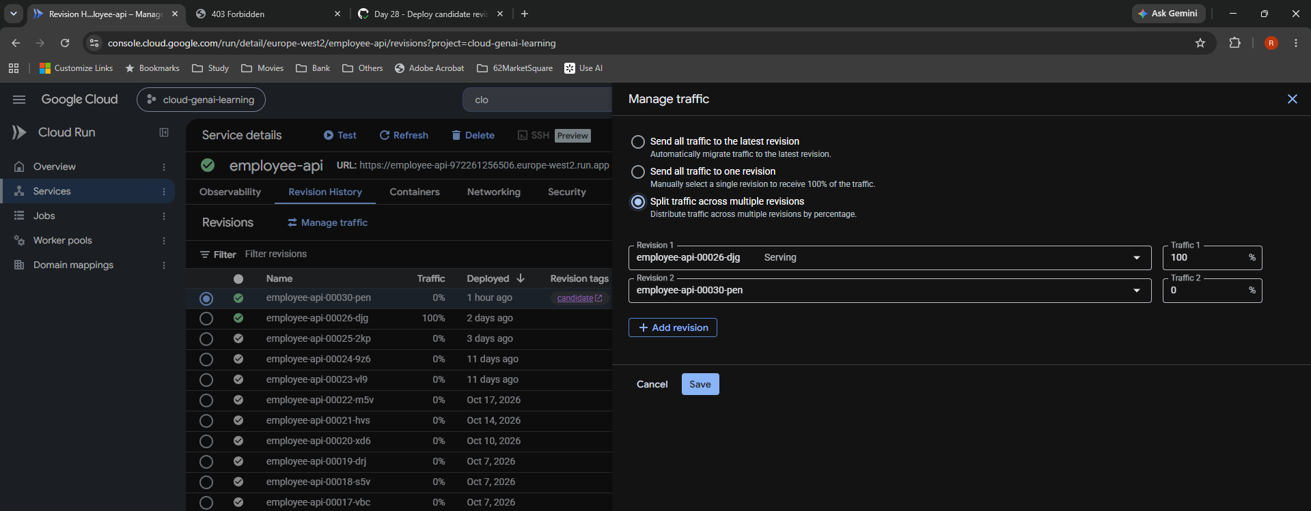

S15 — Latest-revision option selected for promotion
Configuration before Save. Send all traffic to the latest revision is selected. At this point latest is 00030-pen. This option follows latest rather than explicitly pinning an older selected row.
Notes: 8. My promotion. Original file: image(20261031-093939).png.
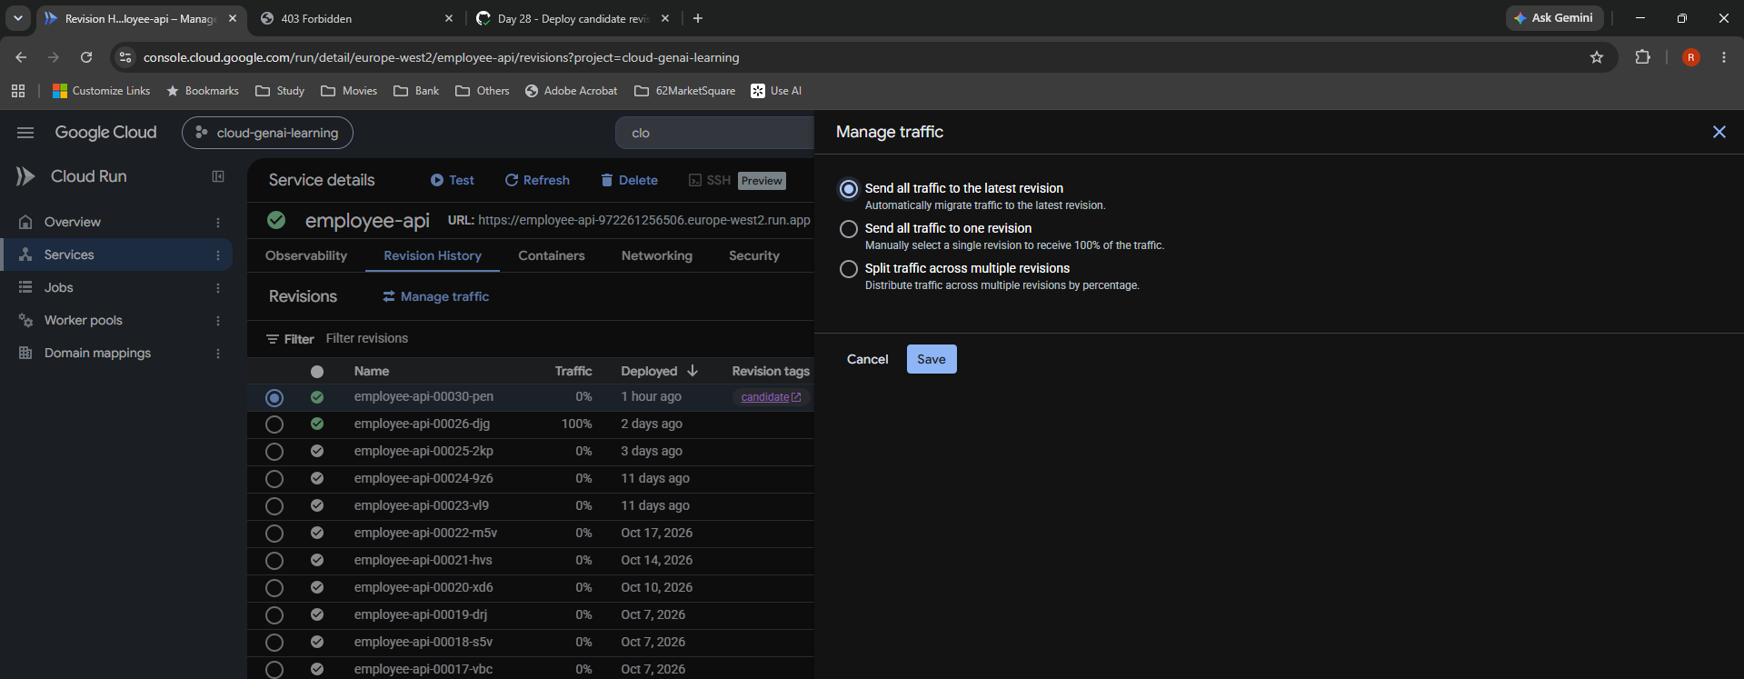

S16 — Promotion completes: 00030-pen at 100% to latest
Observed saved result. Updating service and routing traffic completed. 00030-pen has 100% (to latest), 00026-djg has 0%, and candidate tag remains. No rebuild or new application revision was needed for this traffic change.
Notes: 8. My promotion. Original file: image(20261031-094057).png.
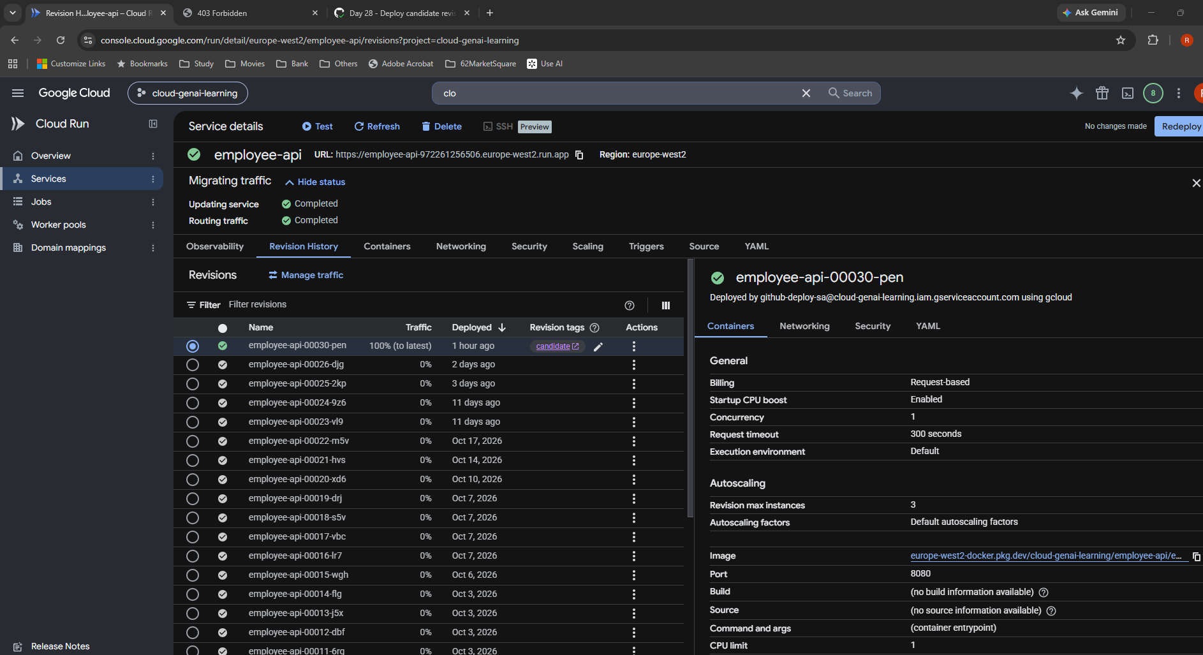

S17 — Unsuccessful rollback: selected old row still has 0%
Intermediate incorrect result. User had selected 00026-djg and saved Send all traffic to the latest revision. The screenshot shows 00030-pen still at 100% (to latest), while the selected 00026-djg remains at 0%. The option's meaning, not a delayed percentage update, caused the issue.
Notes: 9. My rollback and correction. Original file: image(20261031-094351).png.
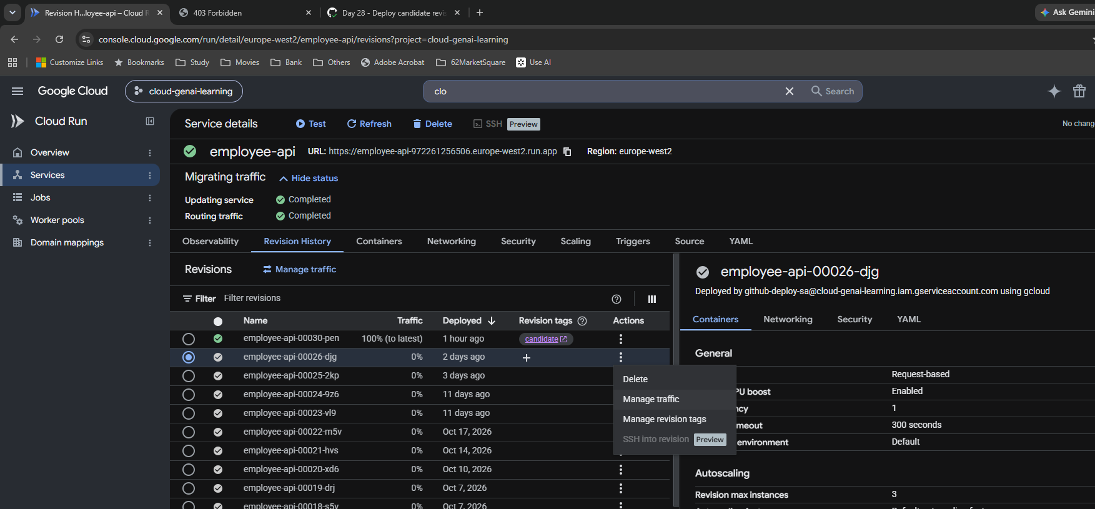

S18 — Correct rollback configuration: one revision, 00026-djg
Corrected configuration before Save. Send all traffic to one revision is selected and the dropdown explicitly names employee-api-00026-djg. The background still shows the old allocation because this is the configuration stage; S19 confirms the saved result.
Notes: 9. My rollback and correction. Original file: image(20261031-094606).png.
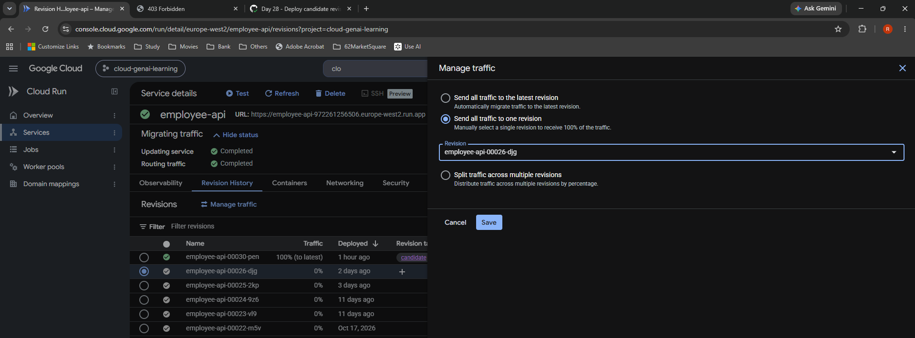

S19 — Final verified state: 00026-djg 100%, candidate 0%
Observed final result after Save: updating service and routing traffic completed. 00026-djg receives 100%; 00030-pen receives 0% and retains candidate tag. Rollback changed routing only. Automated smoke testing and controlled promotion remained deferred.
Notes: 9. My rollback and correction. Original file: image(20261031-094622).png.

