Screenshots
1. New revision and Revision History
Deployment completed. employee-api-00002-pxz has 100% traffic; employee-api-00001-w6s remains at 0%.
Source: original image.png attachment in New_Learning_1; embedded without alteration.

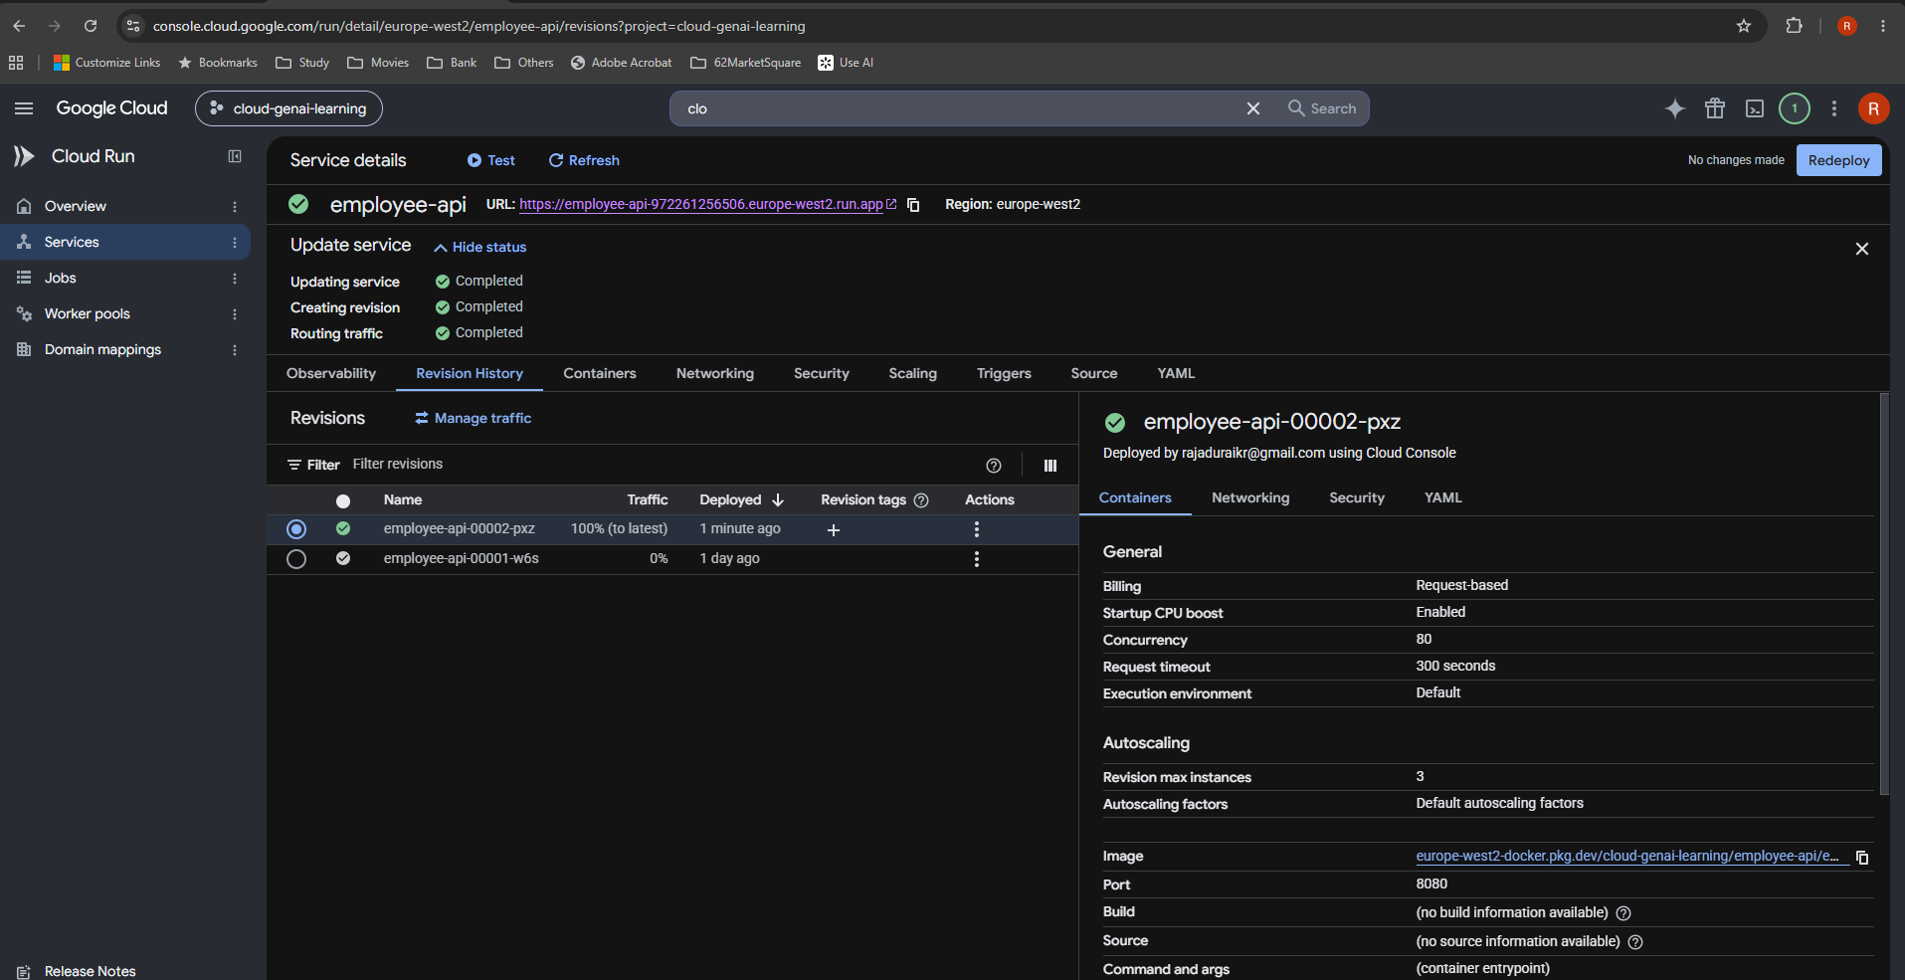

2. Select v1 for rollback
Manage traffic: Send all traffic to one revision is selected, with employee-api-00001-w6s. Save is still visible.
Source: original image.png attachment in New_Learning_1; embedded without alteration.

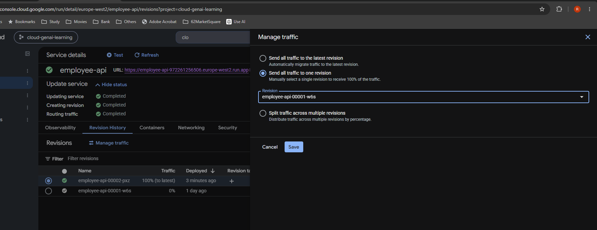

3. Verify the old response
After rollback, the same service URL returns "hello Raja". This verifies the application response from v1.
Source: original image.png attachment in New_Learning_1; embedded without alteration.

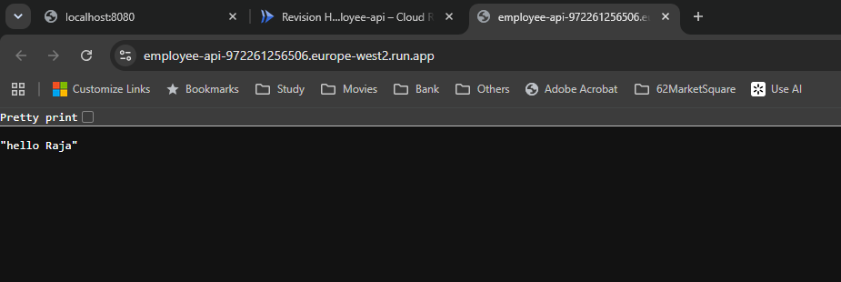

4. Restore traffic to v2
Updating service and Routing traffic are completed. Revision 00002-pxz receives 100%; revision 00001-w6s receives 0%.
Source: original image.png attachment in New_Learning_1; embedded without alteration.

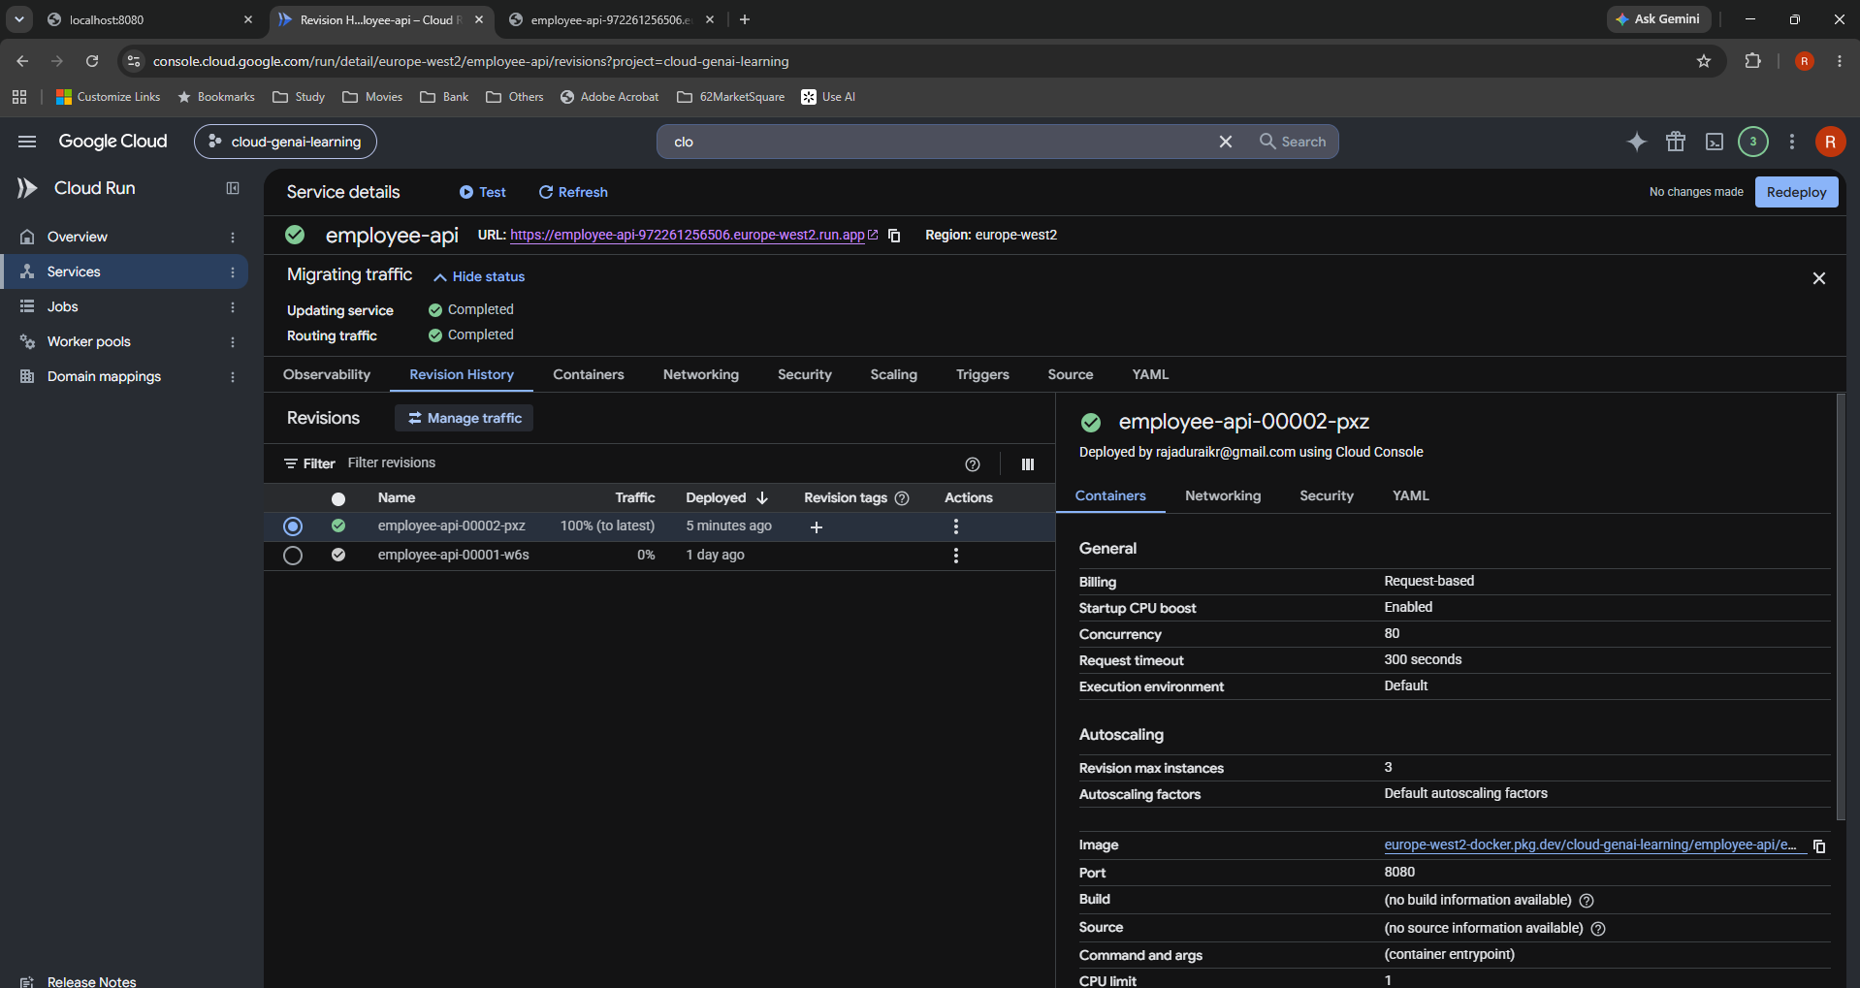

5. Verify v2 again
The same URL returns {"message":"Employee API","version":"2.0"}. This is the final verification after restoration.
Source: original image.png attachment in New_Learning_1; embedded without alteration.

