v13 duplicates
v13 — severity correct, messages duplicated

Each INFO, WARNING and ERROR message appears twice. CPU-test start and completion also appear twice, so the duplication affected more than the landing endpoint.

Keeping basicConfig in the local branch did not solve this. The next change explicitly replaced the root handlers.

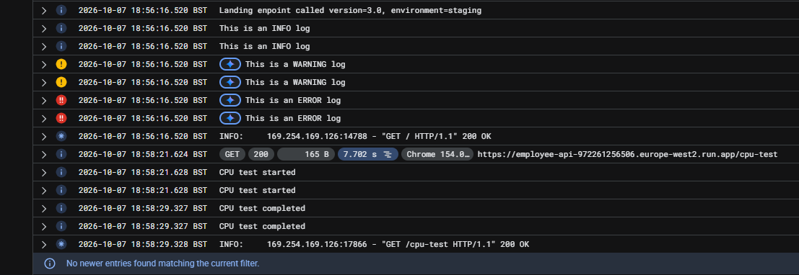

Source: New_Learning_1 — “still logging twice… even cpu-test” attachment.

Final configuration
Final main.py — one structured root handler

The Cloud Run branch uses StructuredLogHandler. The local branch uses basicConfig. This replaced Client().setup_logging() before the v14 test.

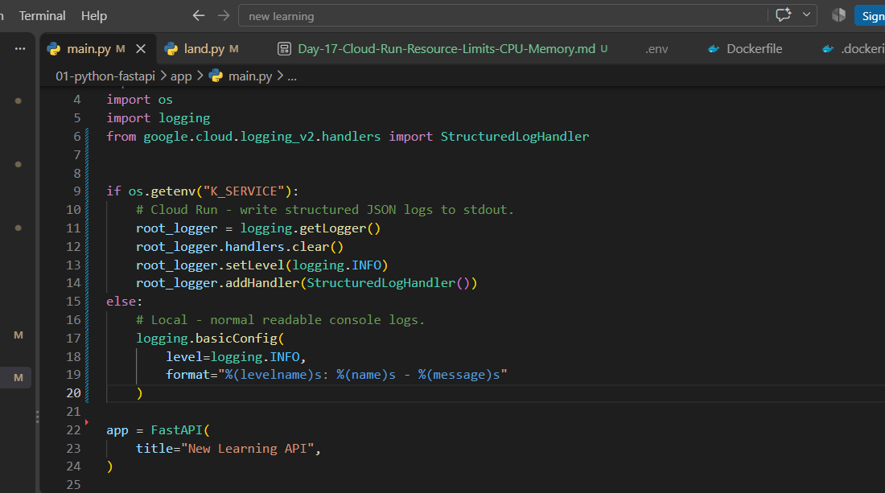

The four root-logger lines

logging.getLogger() | Get the root logger. No name means the central logger.

root_logger.handlers.clear() | Remove existing root handlers. Named logger handlers are not cleared.

root_logger.setLevel(logging.INFO) | INFO and above for loggers inheriting this level. DEBUG is filtered.

root_logger.addHandler(StructuredLogHandler()) | Add one handler that emits structured JSON with severity.

K_SERVICE is Cloud Run’s service-name environment variable. The code uses its value to detect Cloud Run and choose structured logging.

Local basicConfig uses INFO level and the format: %(levelname)s: %(name)s - %(message)s

The google-cloud-logging package remains required. The old import google.cloud.logging and Client().setup_logging() calls are no longer needed here.

Source: New_Learning_1 — final main.py screenshot.

v14 verification
v14 — correct severity, single application messages

Each landing request has one INFO, one WARNING and one ERROR. CPU test started and CPU test completed each appear once.

Two landing requests are visible here. Each has its own single set of messages; the screenshot does not show duplicate pairs for one request.

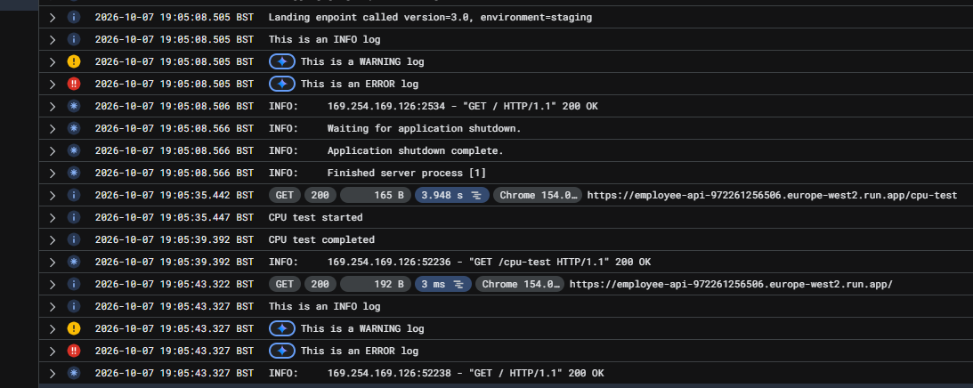

The Uvicorn shutdown lines describe a graceful process stop. Scale-down or revision replacement may cause this. These lines alone do not identify the cause.

Source: New_Learning_1 — “this time it worked” final log screenshot.

