Latency and metrics
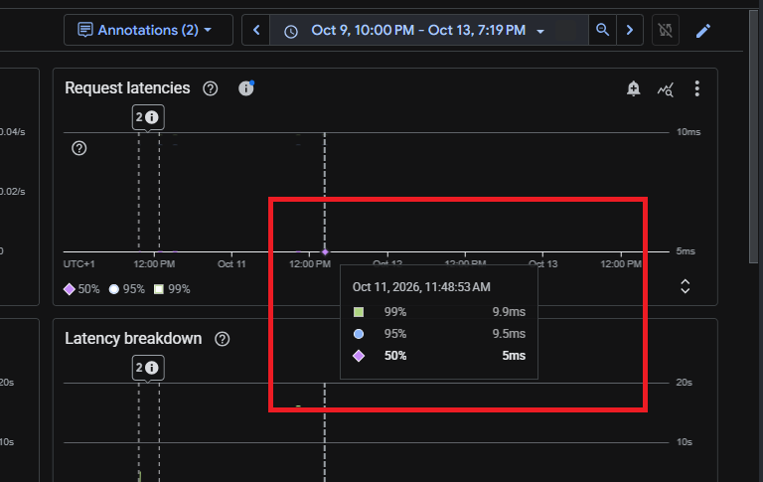
Latency and metrics

My original Day 21 screenshots • follow numbered steps and captions • images retain their original contents

01 | My high-tail latency chart
Selected point: 6 Oct, 7 PM. p50 0.01 s, p95 10.42 s, p99 10.49 s. The fast half is included inside the fastest 95%.
Original Day 21 screenshot
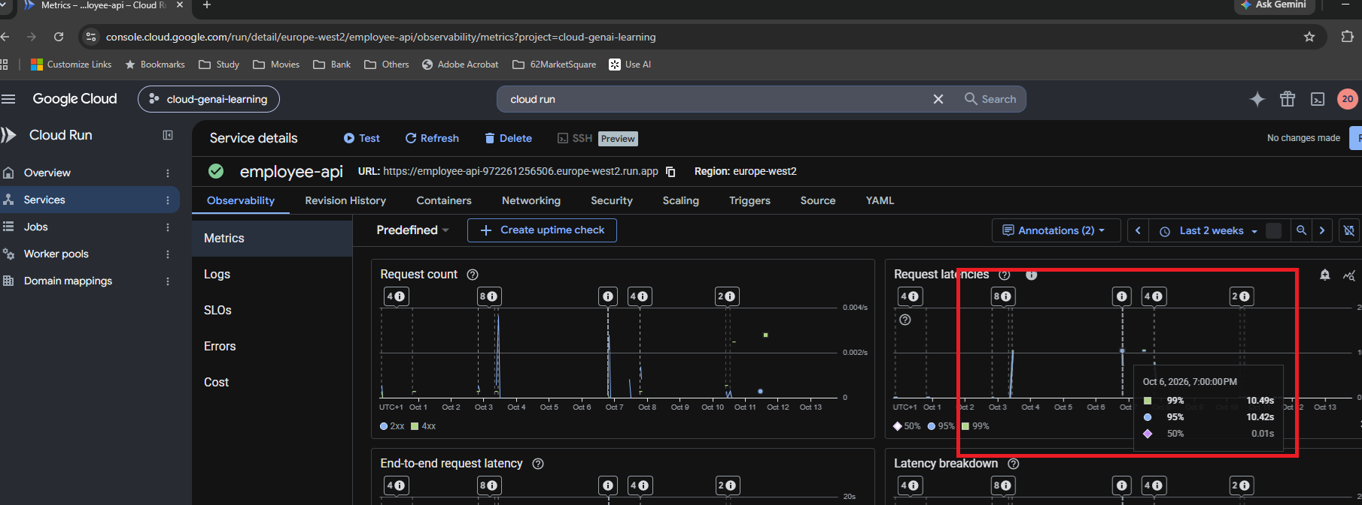

02 | My low-latency chart
Selected point: 11 Oct, 11:48:53 AM. p50 5 ms, p95 9.5 ms, p99 9.9 ms. Read the point and its units, not the whole chart as one request.
Original Day 21 screenshot

Policy setup
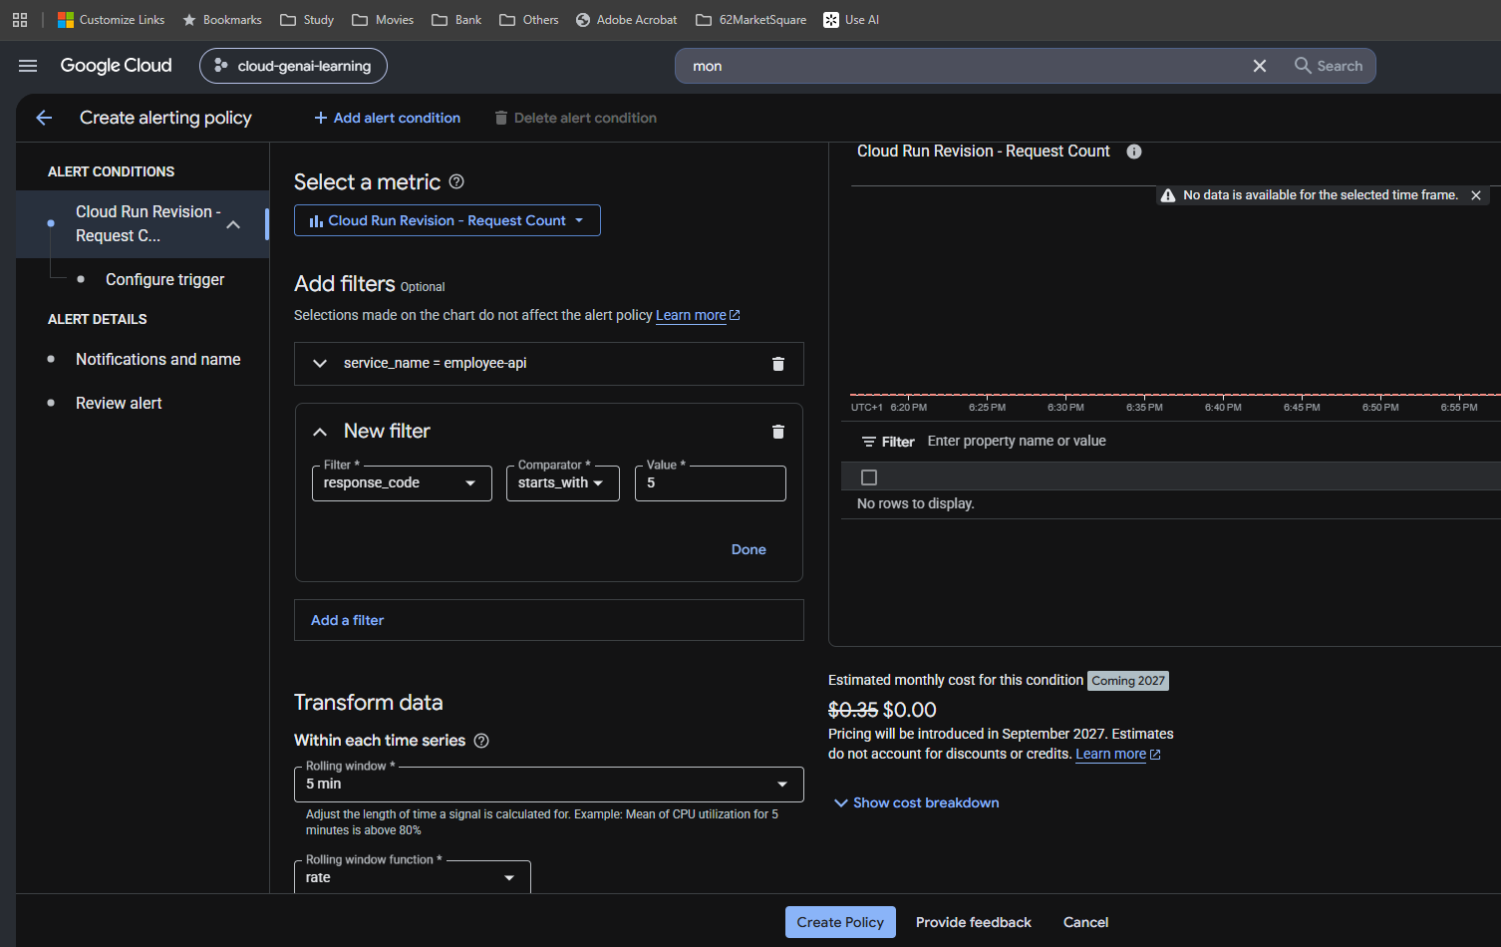
Policy setup

My original Day 21 screenshots • follow numbered steps and captions • images retain their original contents

03 | Open Monitoring
My project is cloud-genai-learning. Monitoring brings together metrics, dashboards, logs and alerting.
Original Day 21 screenshot
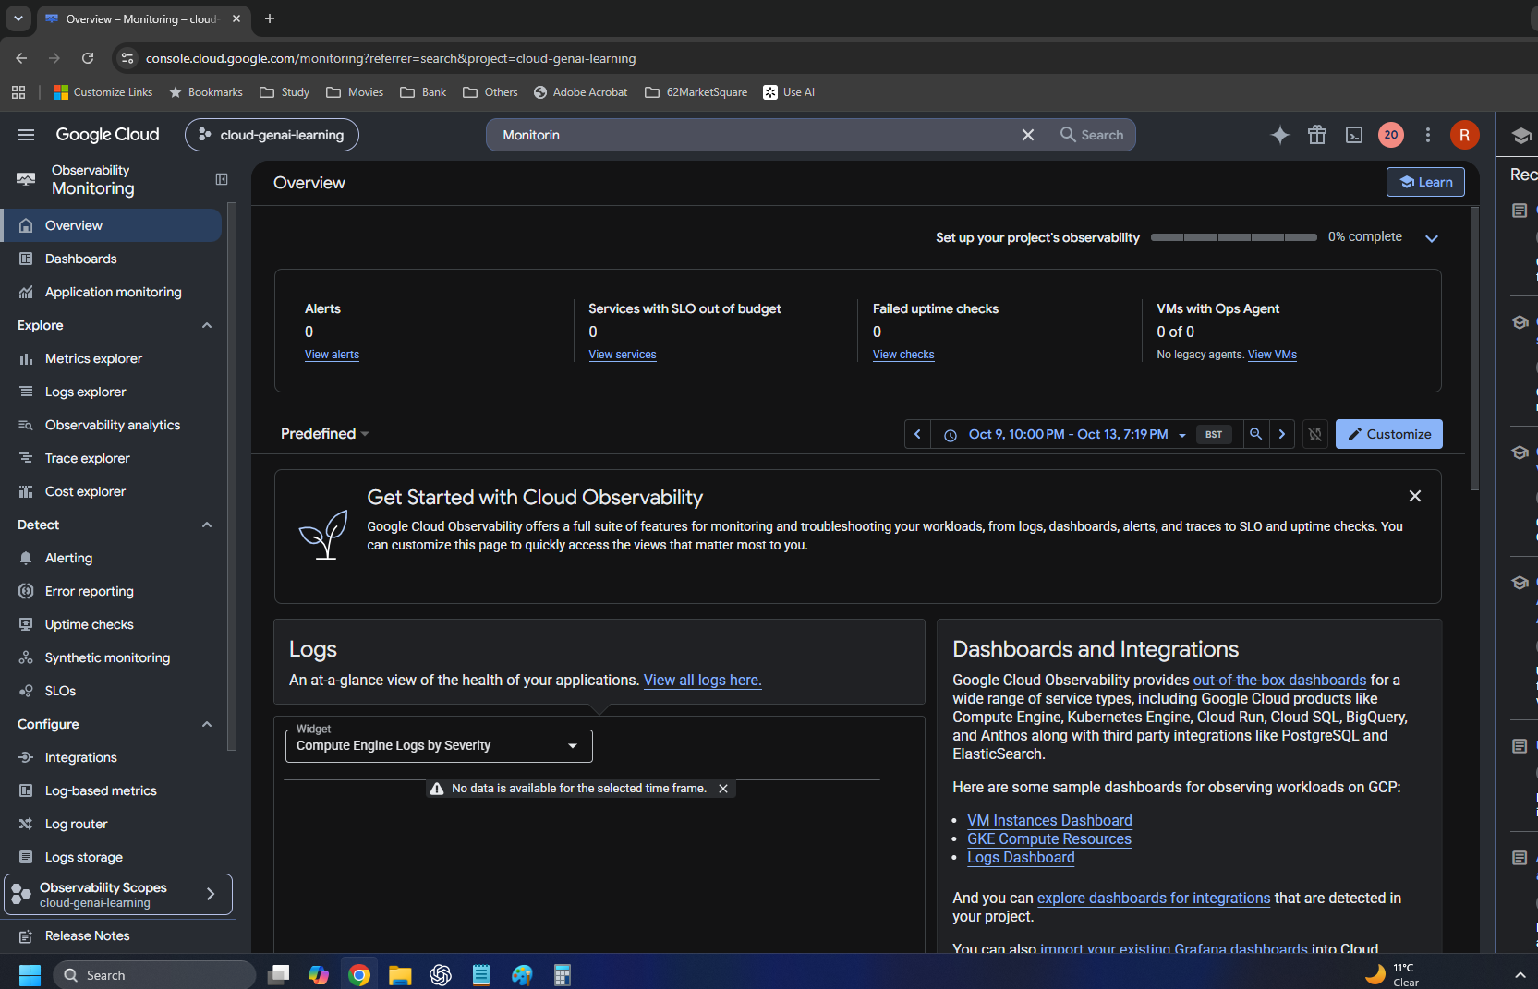

04 | Start from Alerting
Initial overview: no policies or alerts. Create policy begins the configuration workflow.
Original Day 21 screenshot
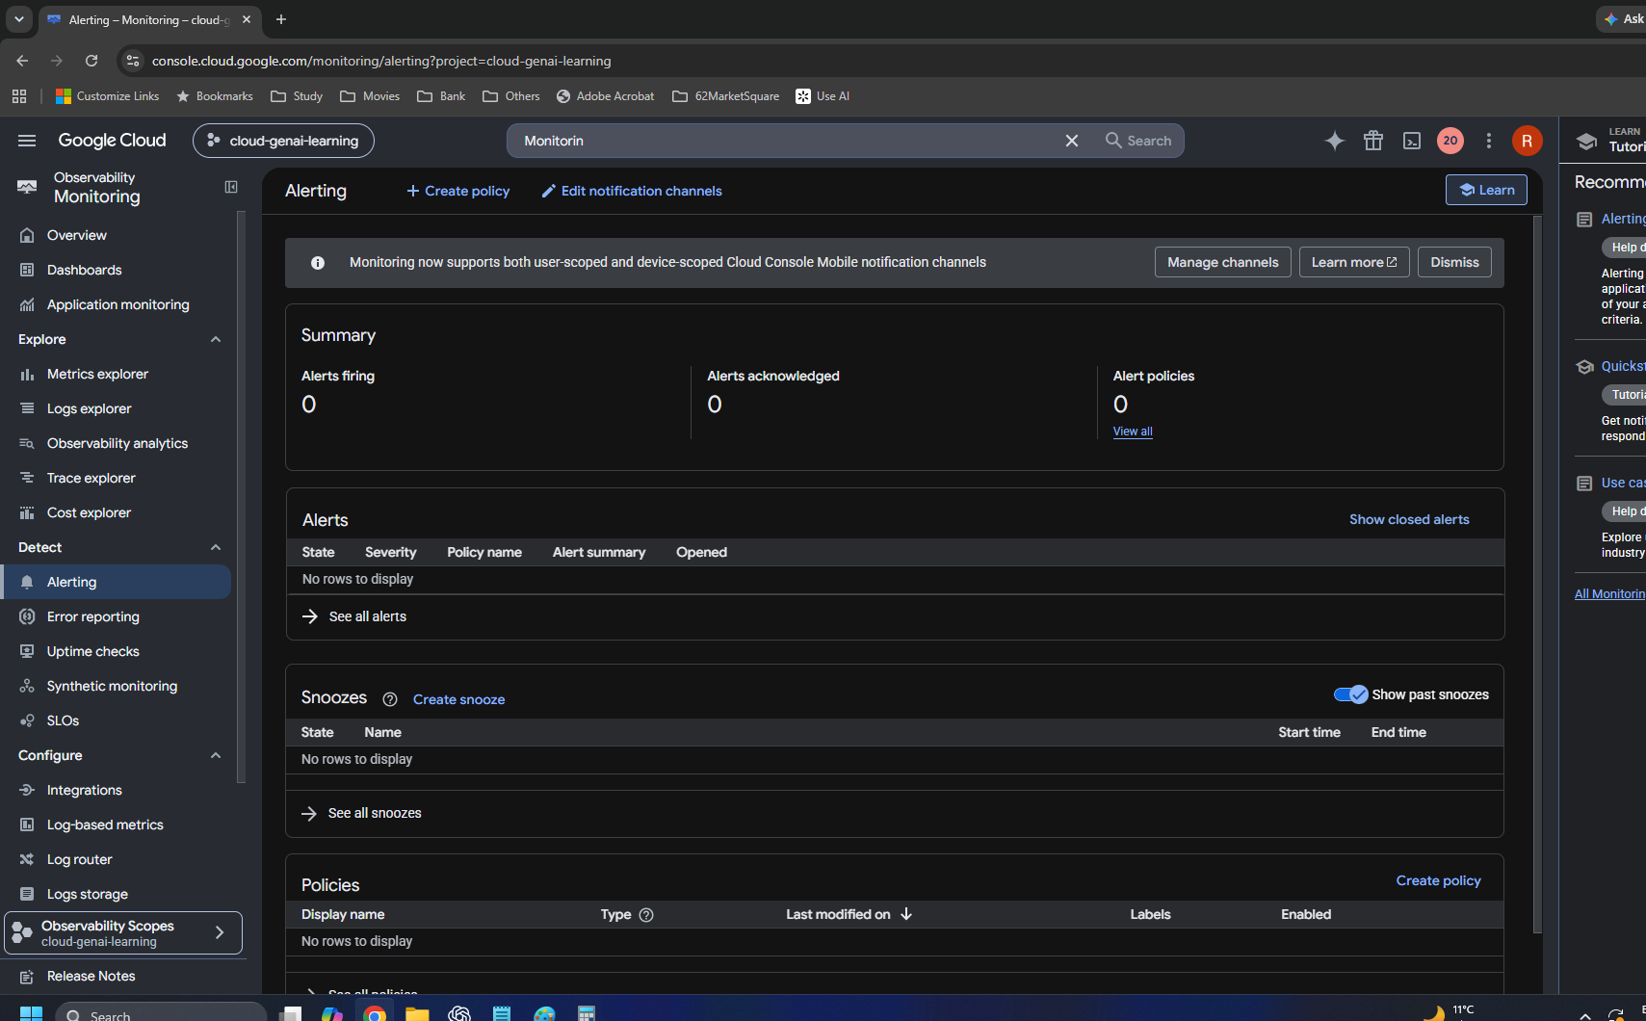

05 | Create alerting policy in Builder
Start by selecting a metric. A policy needs a measurement before its threshold and notifications can be configured.
Original Day 21 screenshot
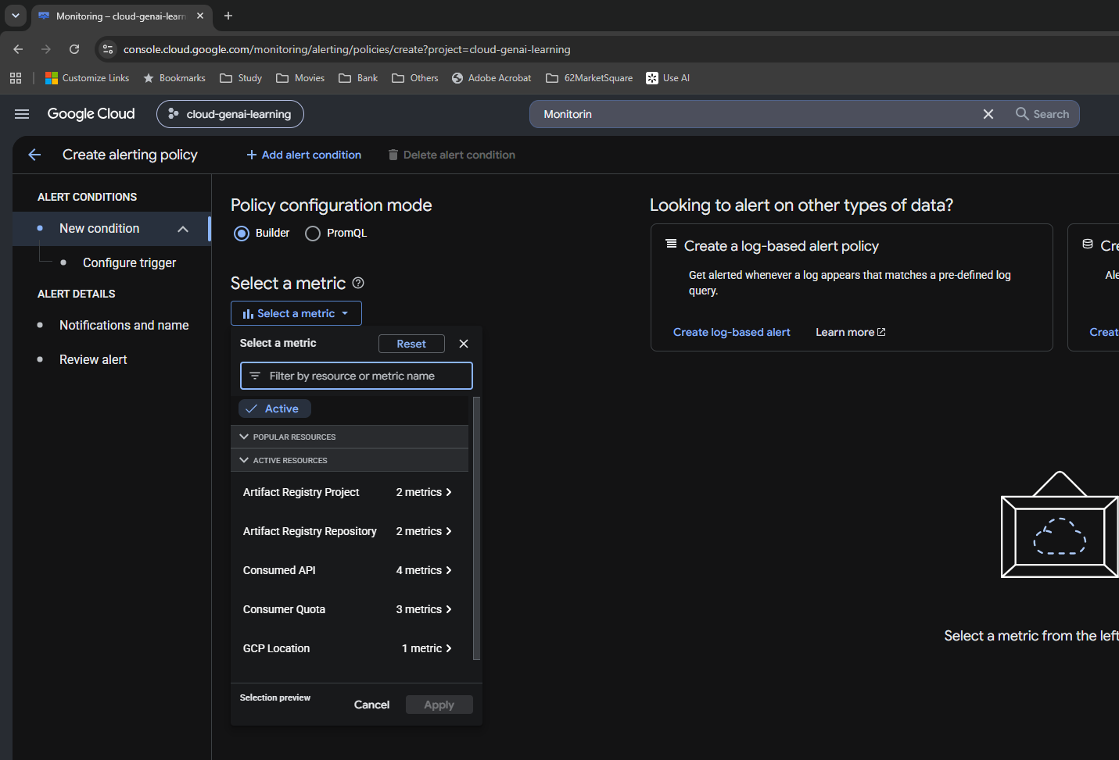

06 | No metric results with Active enabled
Troubleshooting step: the Active filter can hide metrics without recent activity. This was an initial selection issue.
Original Day 21 screenshot
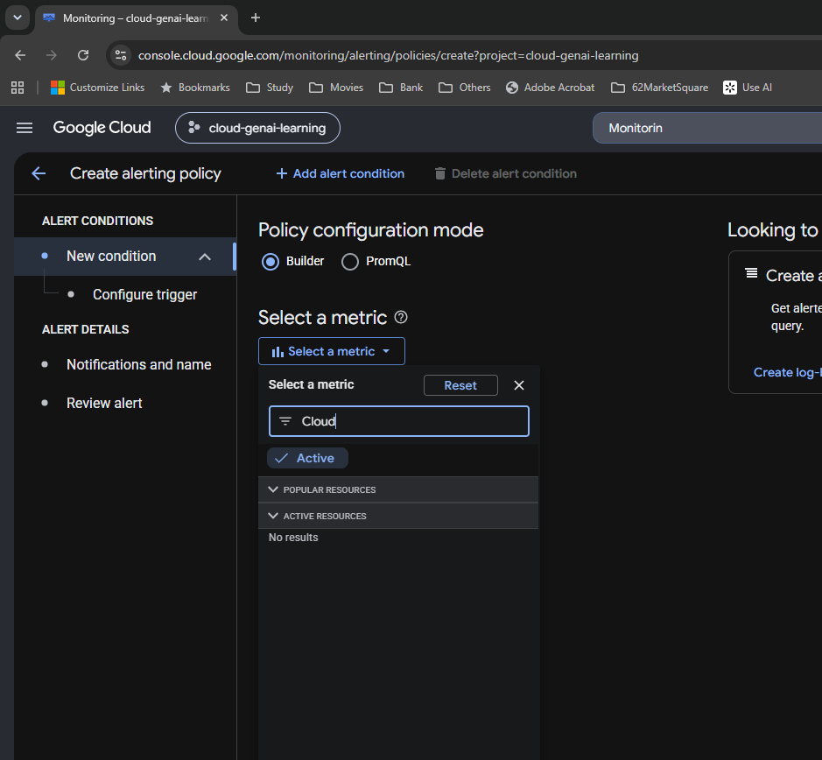

07 | Turn off Active to find Cloud Run
The metric picker now offers Cloud Run Revision. This is a selection step, not proof that a policy has been saved.
Original Day 21 screenshot
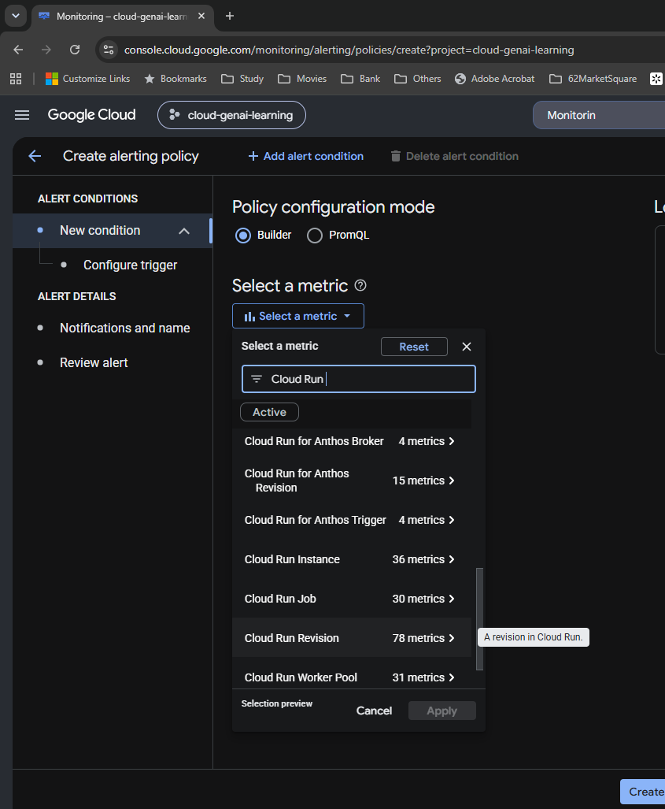

08 | Select Cloud Run Request Count
Cloud Run Revision → Request_count → Request Count. Metric: run.googleapis.com/request_count. Some requests not reaching the container are excluded.
Original Day 21 screenshot
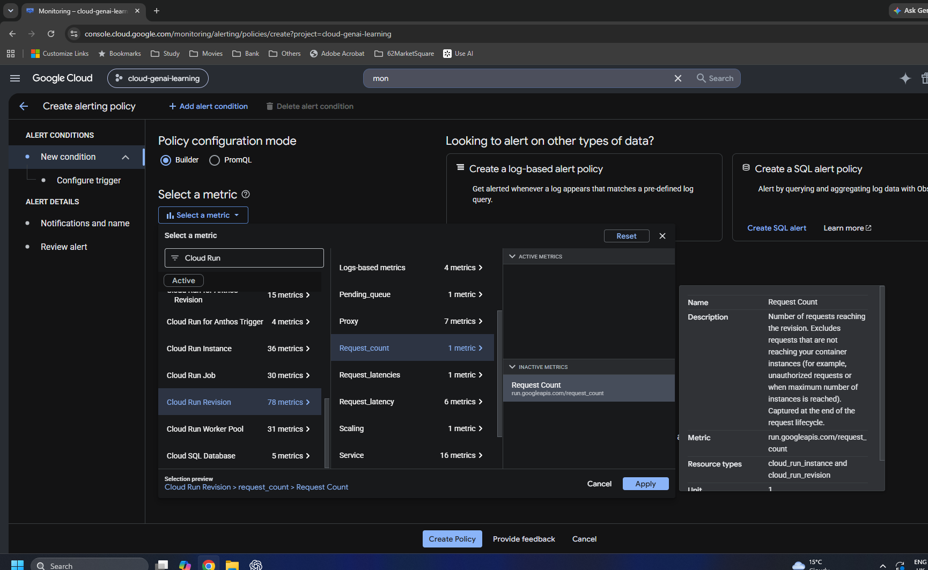

09 | Filter my service
service_name equals employee-api narrows the measurement to my application.
Original Day 21 screenshot
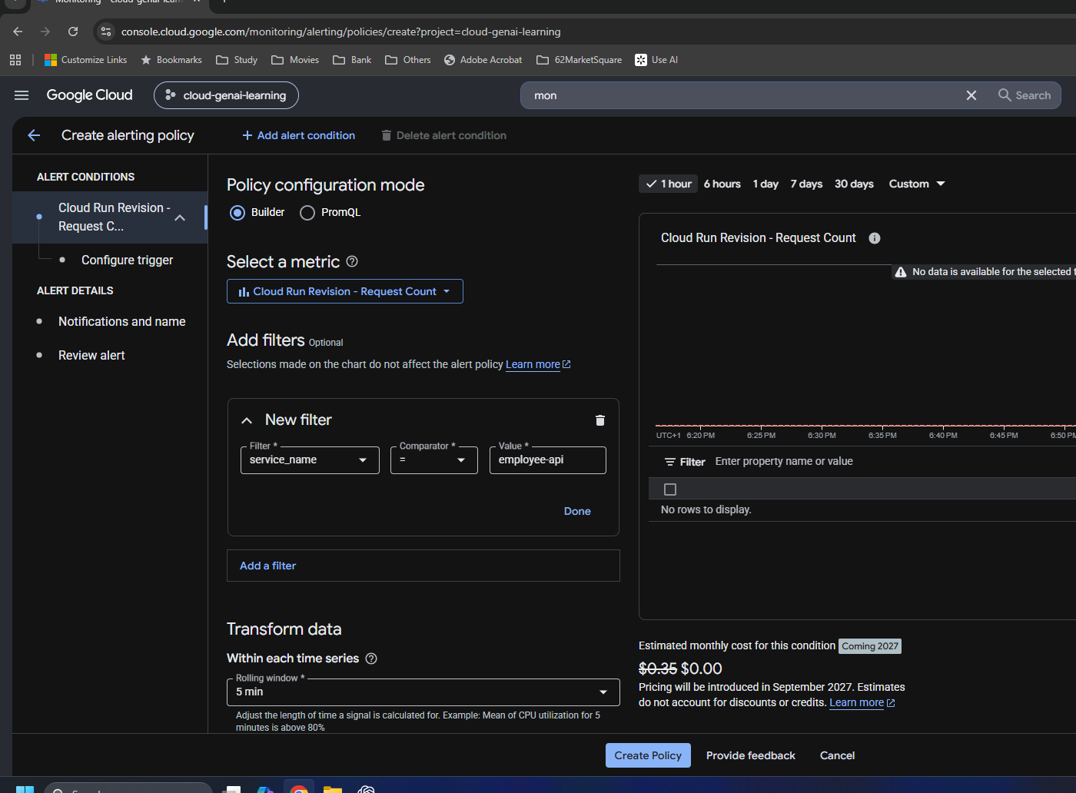

10 | Keep response codes starting with 5
response_code starts_with 5 selects the 5xx class. This selects failures; it does not divide them by total requests.
Original Day 21 screenshot

Window and aggregation
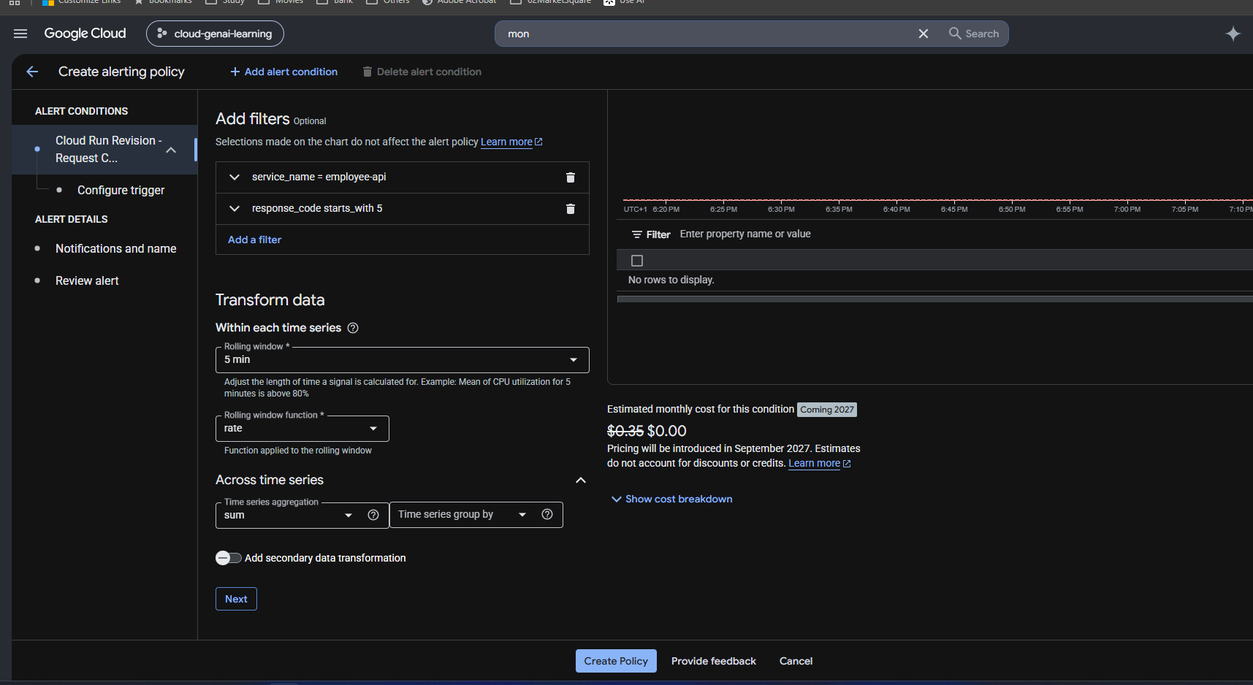
Window and aggregation

My original Day 21 screenshots • follow numbered steps and captions • images retain their original contents

11 | Set five-minute Rate window
Rolling window = 5 min; function = Rate. Calculate matching requests per second using recent data.
Original Day 21 screenshot
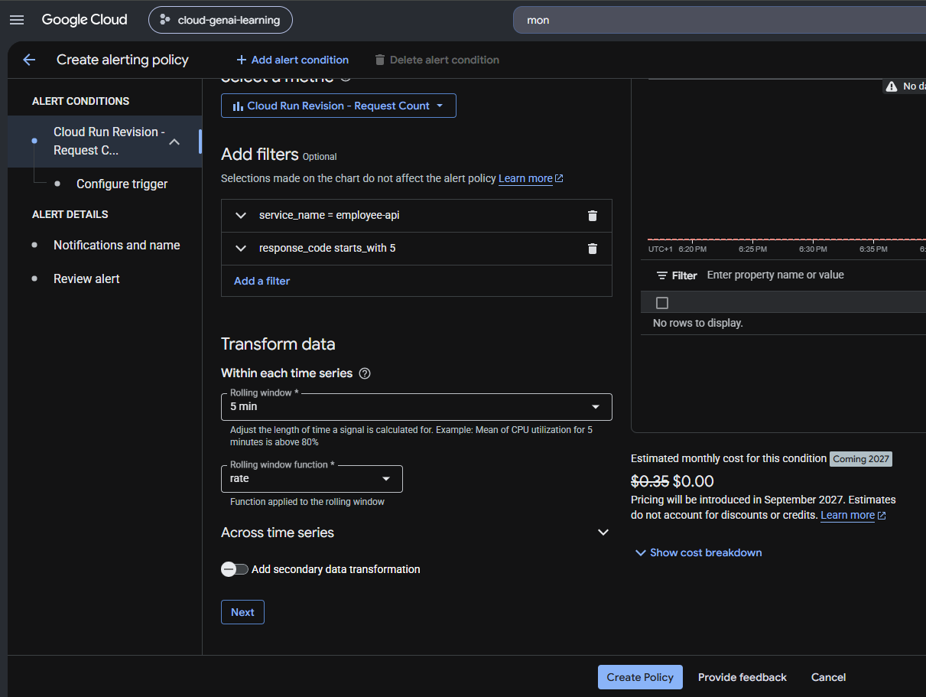

12 | Inspect rolling-window functions
The dropdown offers Rate and other functions. The choice changes the calculation and units; Count is not automatically HTTP event count.
Original Day 21 screenshot
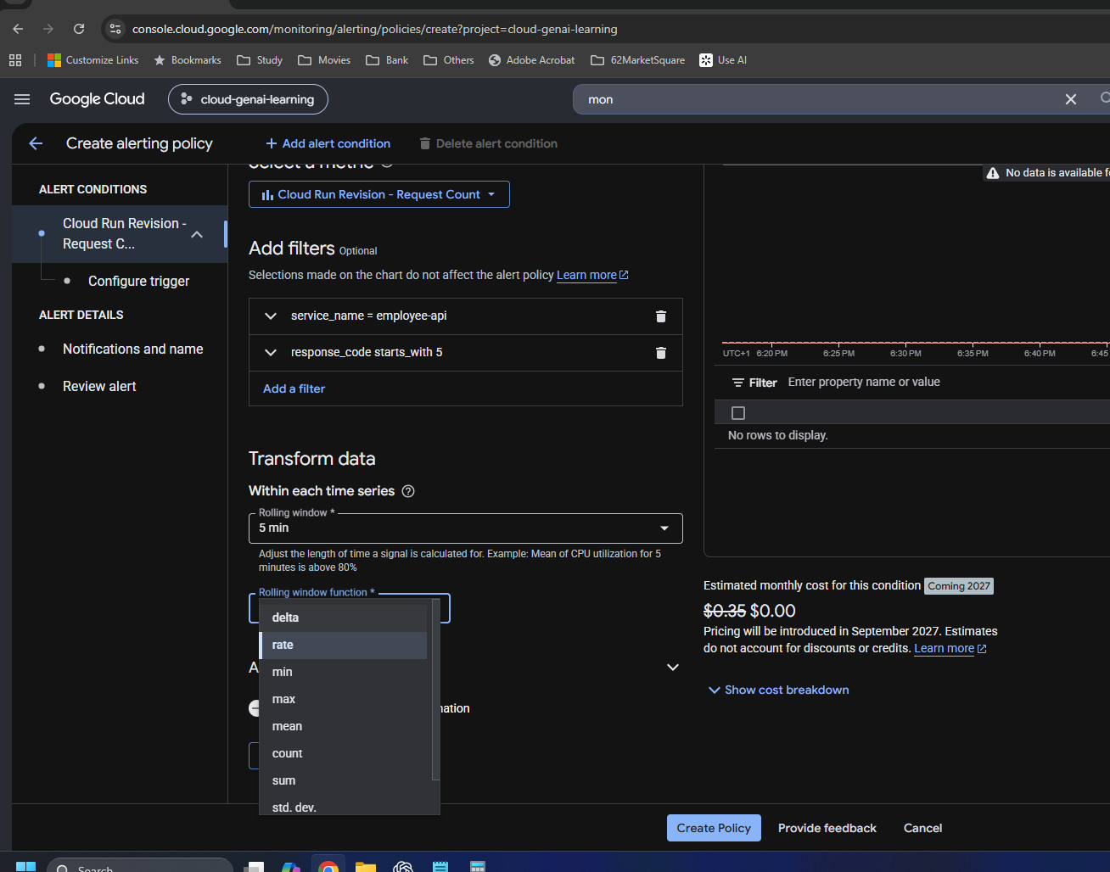

13 | Earlier reducer: 99th percentile
This was an intermediate setting. A percentile across request-rate streams does not add the service-wide error volume.
Original Day 21 screenshot
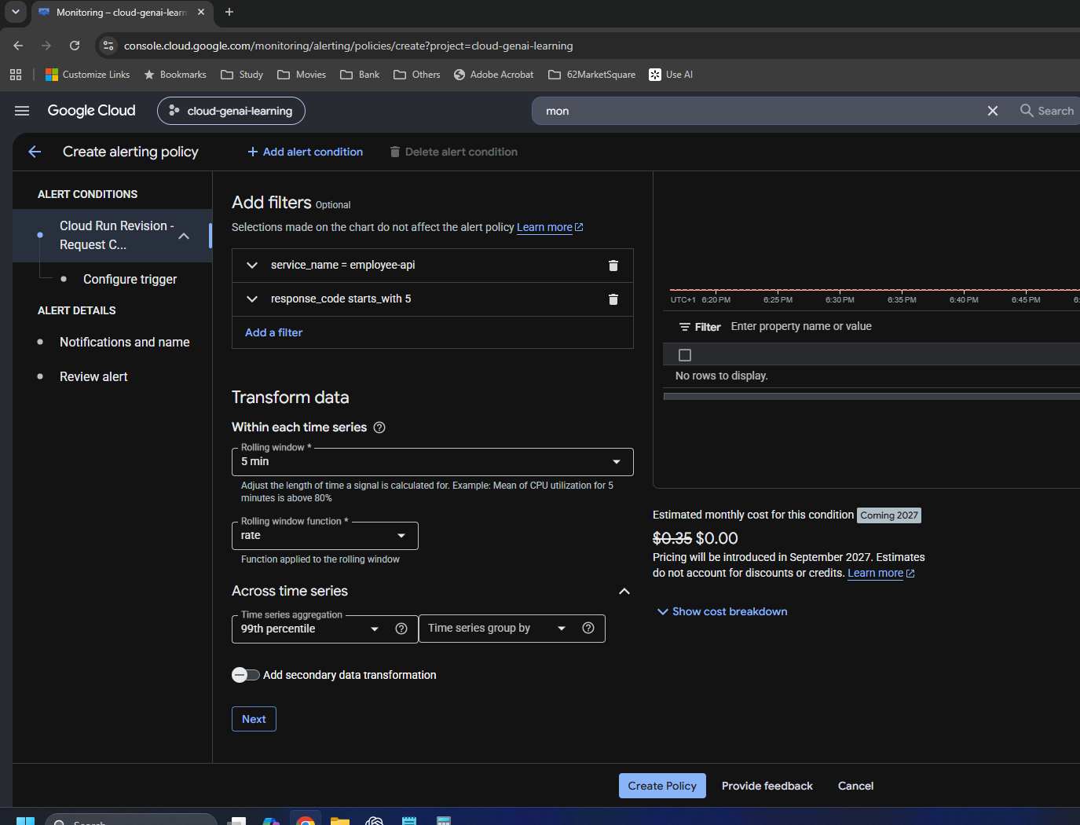

14 | Correct reducer to Sum
Final aggregation shown: 5xx/service filters, 5 min, Rate, Across time series = Sum, no grouping field selected. Sum adds matching rates; it is still not a percentage.
Original Day 21 screenshot

Trigger and save
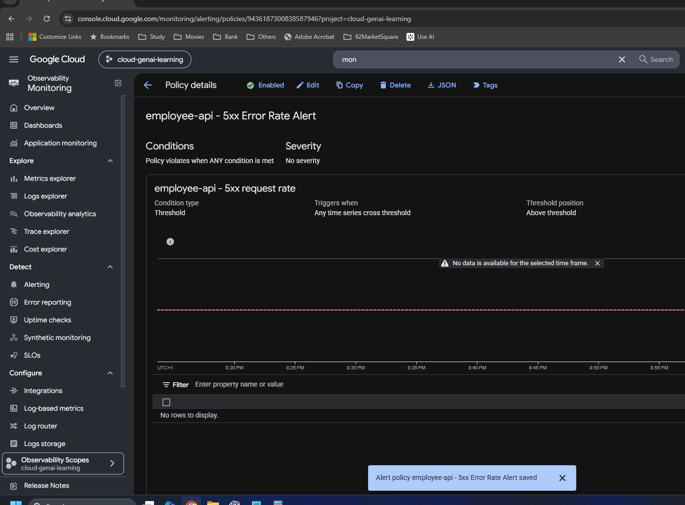
Trigger and save

My original Day 21 screenshots • follow numbered steps and captions • images retain their original contents

15 | Configure alert trigger and Advanced Options
Threshold; Any time series violates; Above threshold; 0.01/s; retest 5 min. Missing-data options are open. The retest checks persistence of the calculated rate.
Original Day 21 screenshot
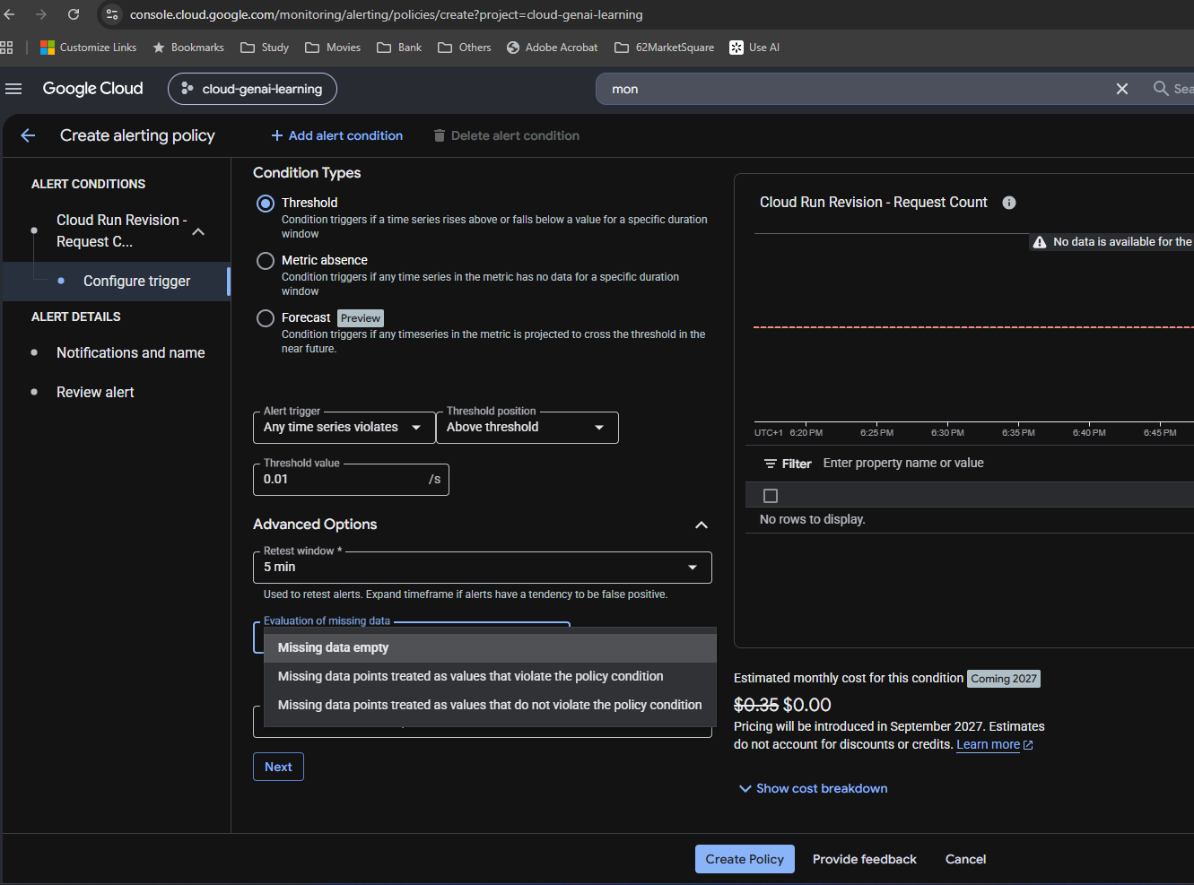

16 | No available notification channel yet
Use Manage notification channels, create an email channel, then return and attach it to the policy. Creating a channel alone is not attachment.
Original Day 21 screenshot
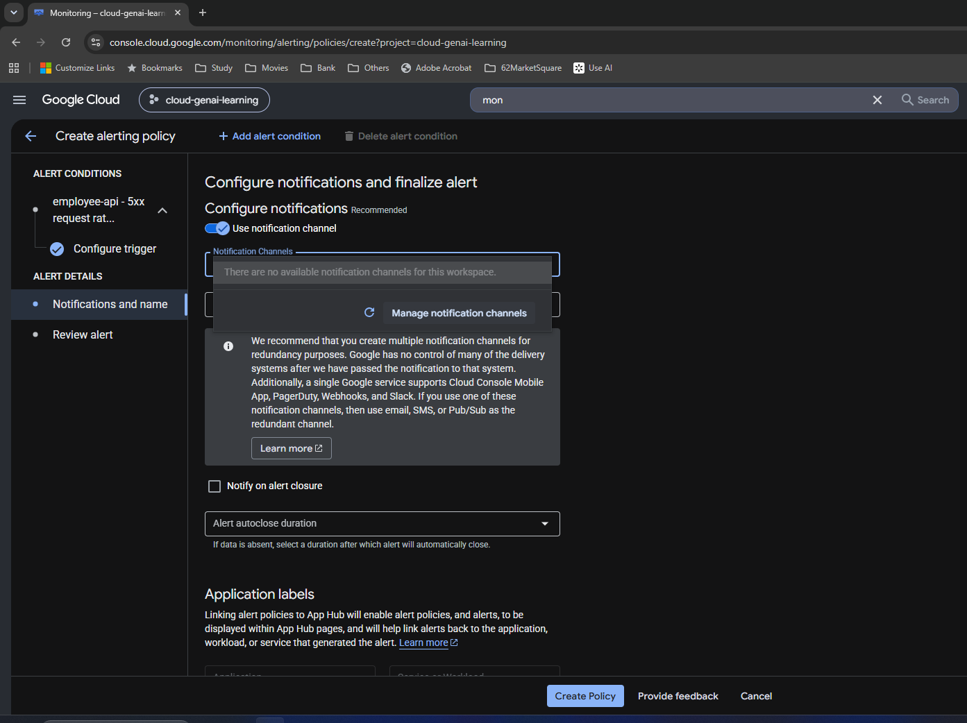

17 | Manage email notification channels
Initial Email section has no configured channels. Add new is the channel-creation entry point; I entered my email and display name in the exercise.
Original Day 21 screenshot
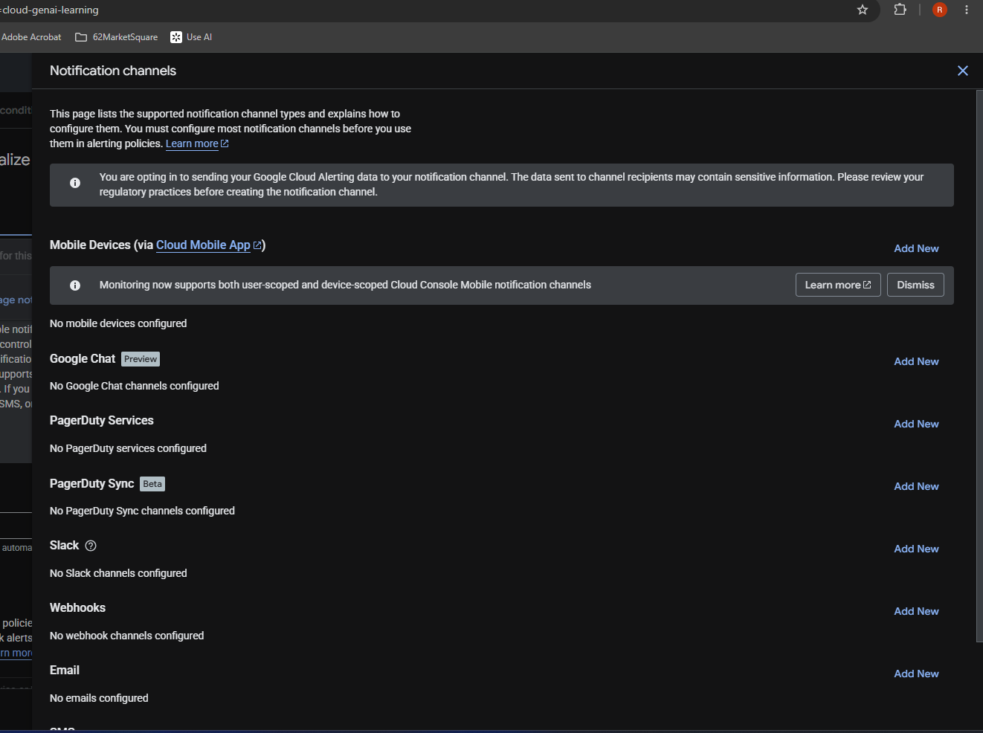

18 | Policy documentation, severity and name
The policy name is employee-api - 5xx Error Rate Alert. Actual severity shown: No severity. The name does not make the measurement an error percentage.
Original Day 21 screenshot
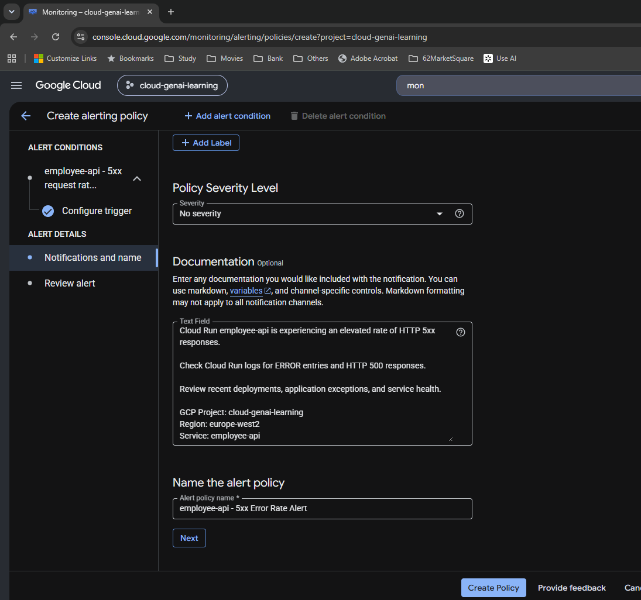

19 | Review alert before creation
Review explicitly shows above 0.01 and retest 5 min. This is the evidence for the saved duration; a chart spike alone cannot establish it.
Original Day 21 screenshot
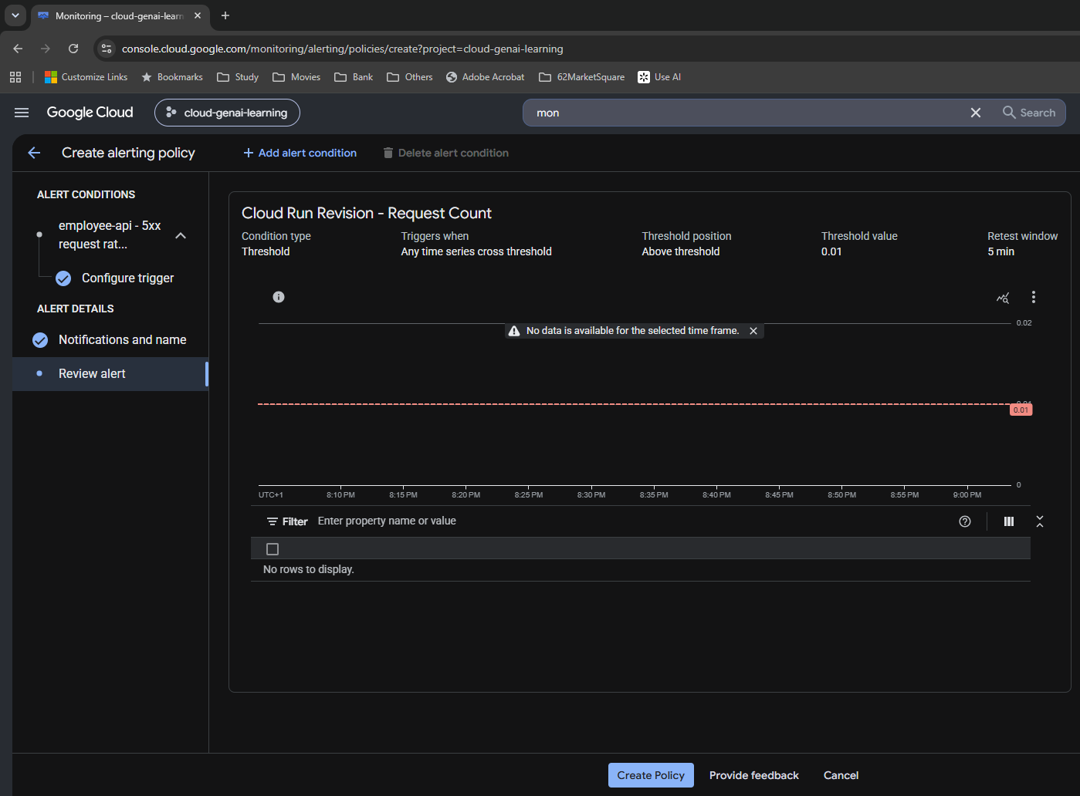

20 | Policy created and enabled
The saved-policy confirmation and Enabled state establish creation. No data immediately after setup does not by itself prove a configuration fault.
Original Day 21 screenshot

HTTP 500 test
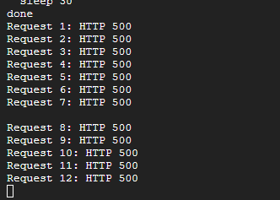
HTTP 500 test

My original Day 21 screenshots • follow numbered steps and captions • images retain their original contents

21 | Check the temporary route locally
localhost:8000/test-500 returns intentional-error detail. Local testing does not contribute to deployed Cloud Run metrics.
Original Day 21 screenshot
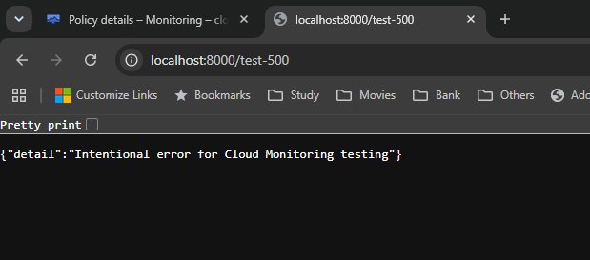

22 | Select the actual deployed image
The image selection shows tag v15. I retain the actual tag rather than treating an earlier suggested example tag as deployed evidence.
Original Day 21 screenshot
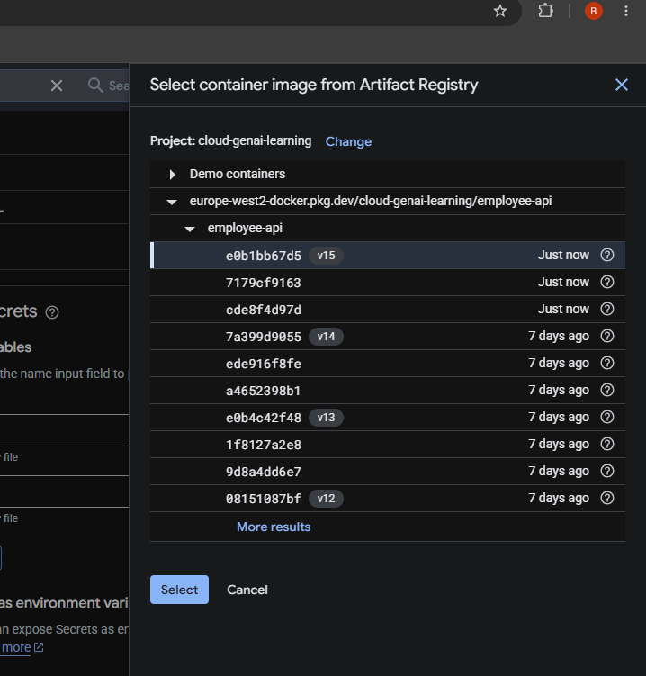

23 | Cloud Run update completes
Updating service, creating revision and routing traffic are complete. The deployed route can now be tested against Cloud Run.
Original Day 21 screenshot
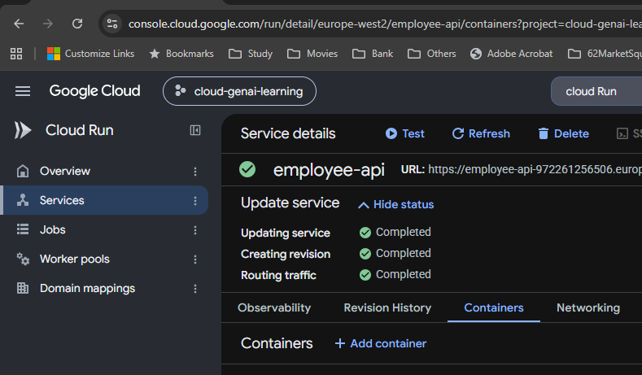

24 | Authenticated deployed curl response
Cloud Shell returned the intentional-error JSON. The cropped response alone does not show the full HTTP status line; request logs provide status evidence.
Original Day 21 screenshot

25 | Confirm HTTP 500 in request logs
A Cloud Run request row shows HTTP 500, 9 ms and curl 8.5.0. This checks that the request reached the deployed service.
Original Day 21 screenshot

26 | Repeated test output
All 12 displayed requests returned HTTP 500. The Bash loop used a 30-second pause to sustain test traffic.
Original Day 21 screenshot

Incidents and emails
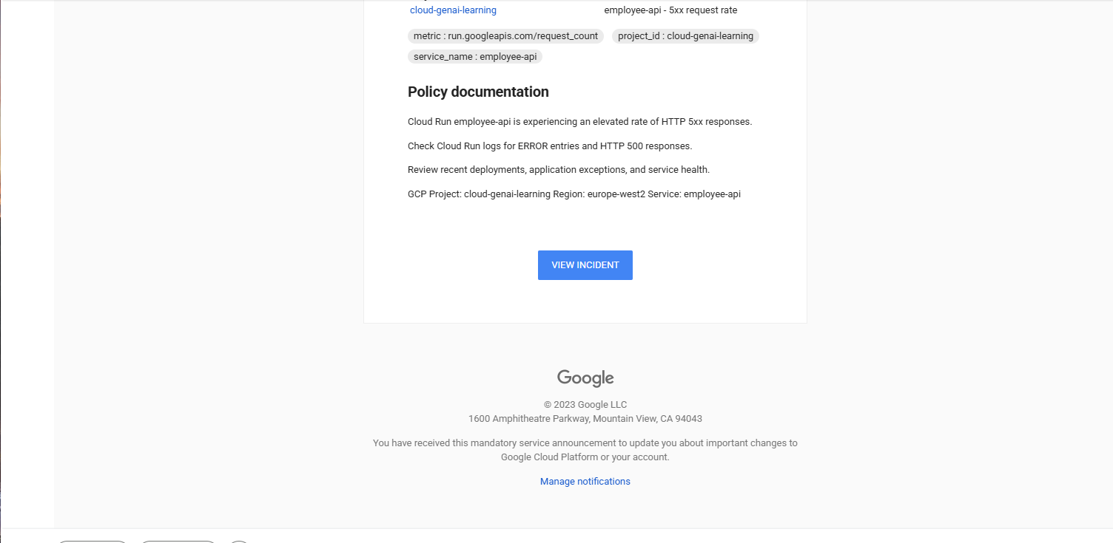
Incidents and emails

My original Day 21 screenshots • follow numbered steps and captions • images retain their original contents

27 | Next-day overview: one firing alert
The overview shows one firing alert and one policy. The visible opened time is not interchangeable with the earlier threshold email time.
Original Day 21 screenshot
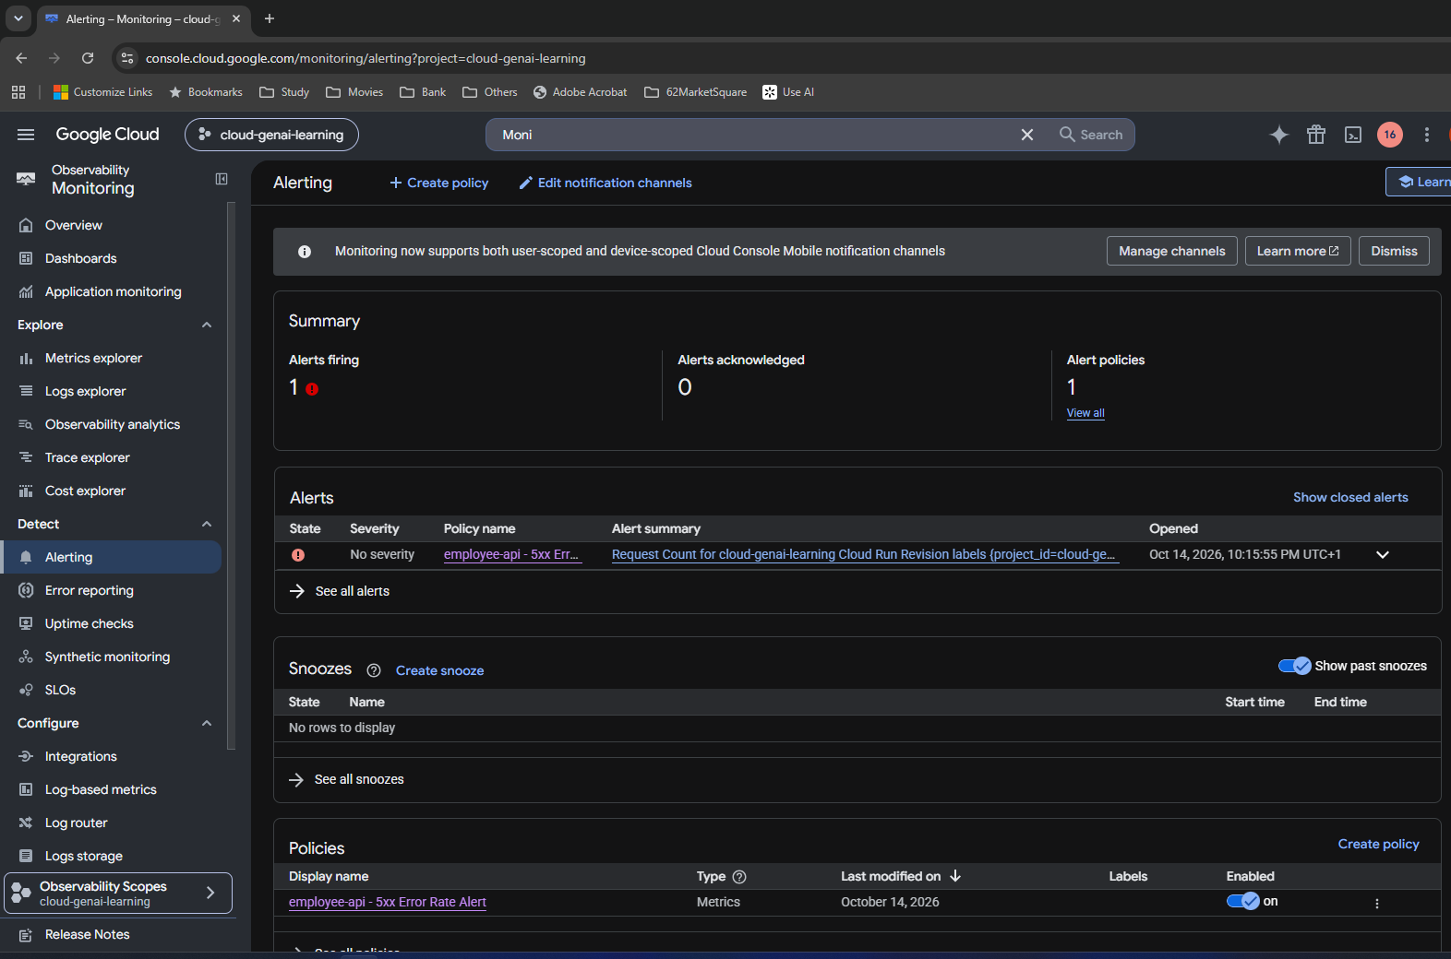

28 | Inspect the actual incident and rate
Tooltip: approximately 0.02667/s versus threshold 0.01/s. The incident is open; related logs show intentional test errors. Open duration is not proof of continuous 500 responses.
Original Day 21 screenshot
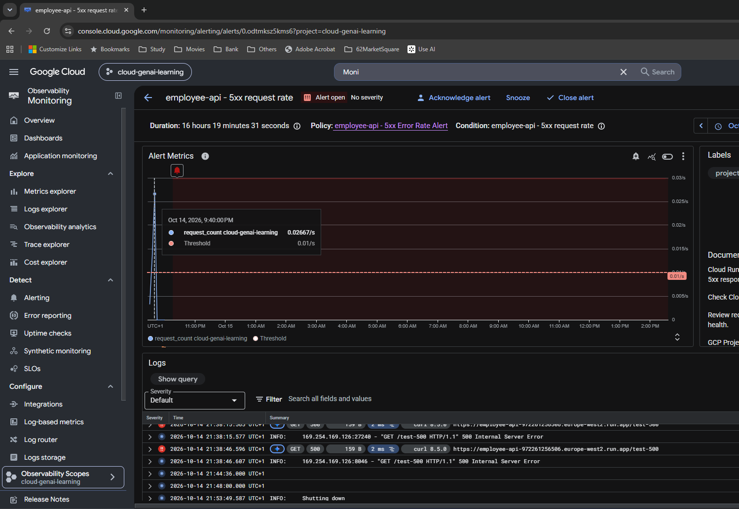

29 | Threshold notification email
14 Oct, 9:44 PM email display time; start 8:44 PM UTC. It reports Request Count above threshold 0.01 at about 0.0266667, in rate units.
Original Day 21 screenshot
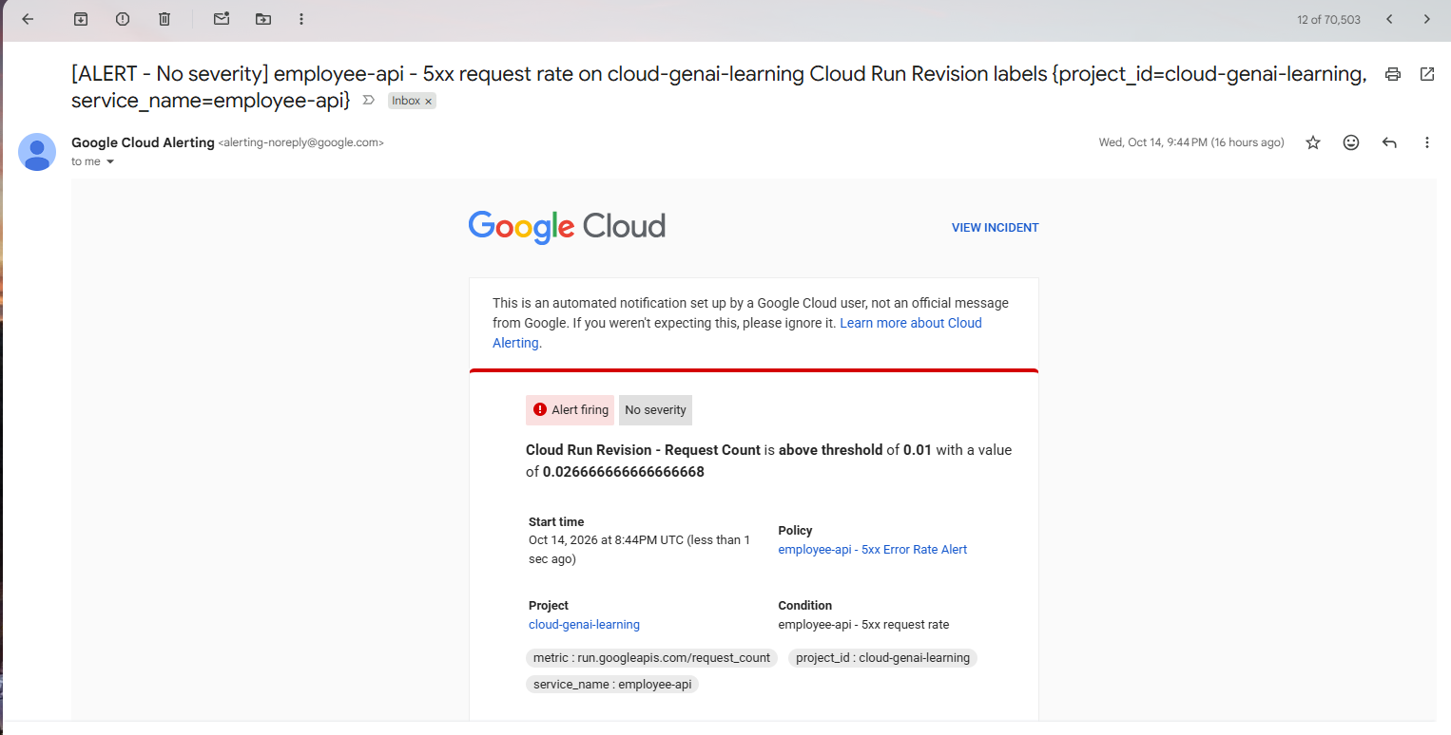

30 | Missing-data notification email
14 Oct, 10:15 PM email display time; start 9:15 PM UTC. The reason is missing data, not another measured 5xx percentage or a five-minute email interval.
Original Day 21 screenshot
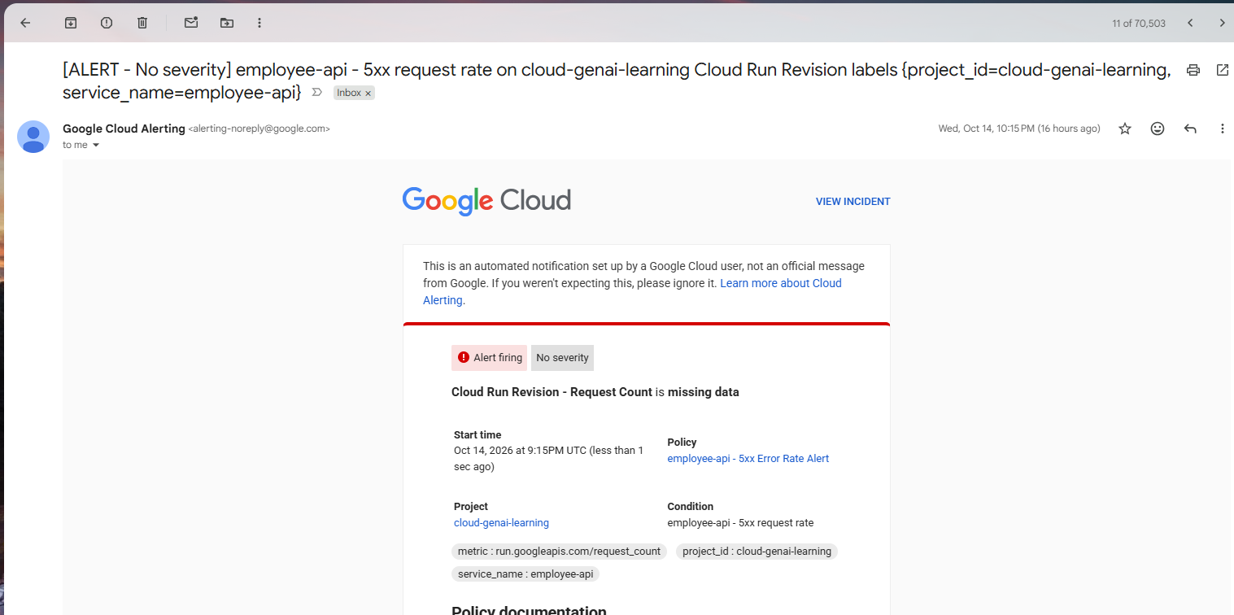

31 | Debugging instructions inside the email
Policy documentation directs review of Cloud Run ERROR/500 logs, recent deployments, exceptions and service health. View incident links the message to its problem record.
Original Day 21 screenshot

Missing data and cleanup
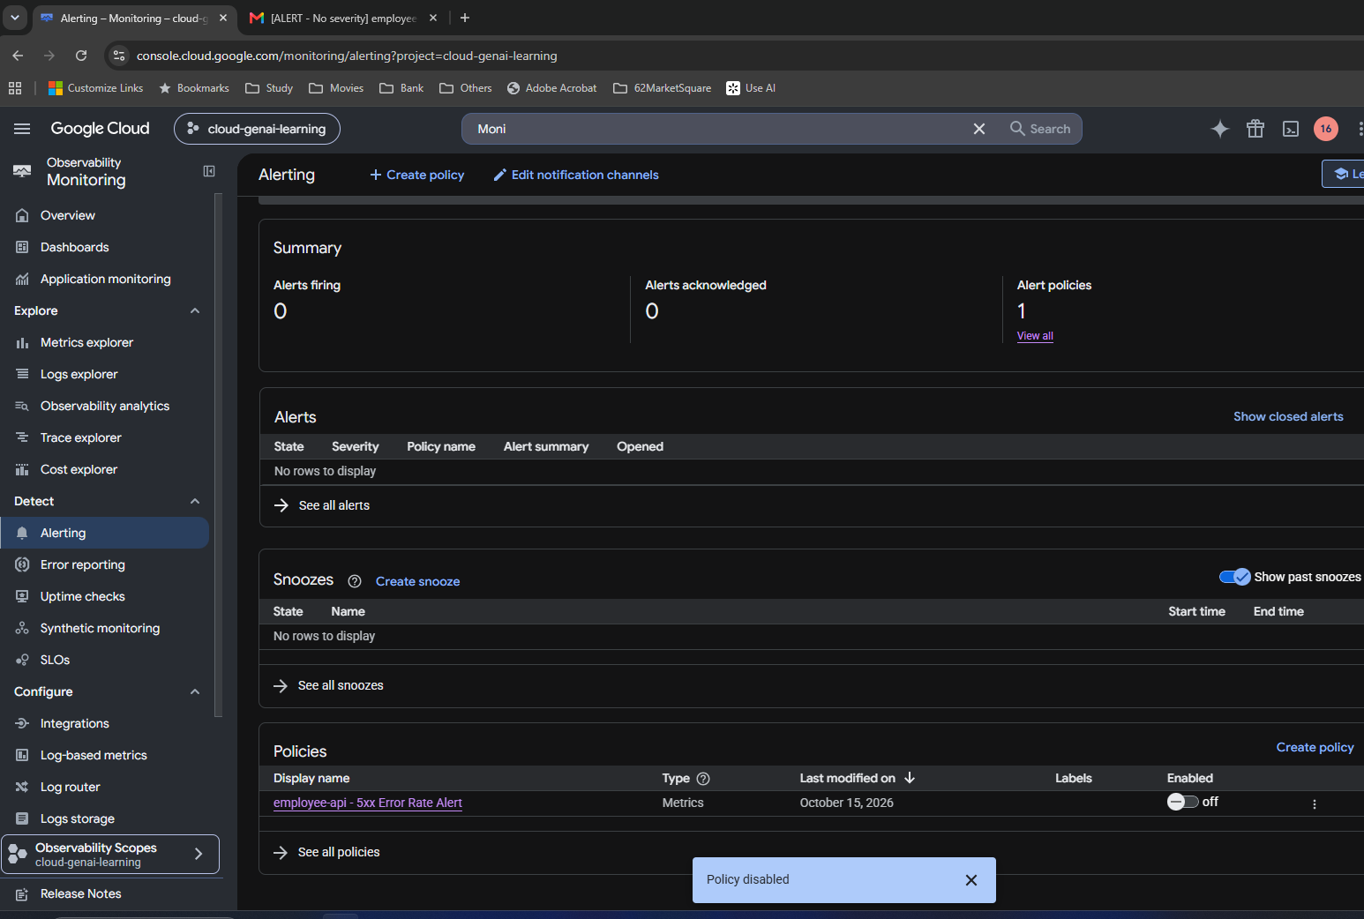
Missing data and cleanup

My original Day 21 screenshots • follow numbered steps and captions • images retain their original contents

32 | Review missing-data choices
Later policy edit exposes the three missing-data treatments. The saved behavior had treated missing points as violating; absence of filtered 5xx data need not mean service failure.
Original Day 21 screenshot
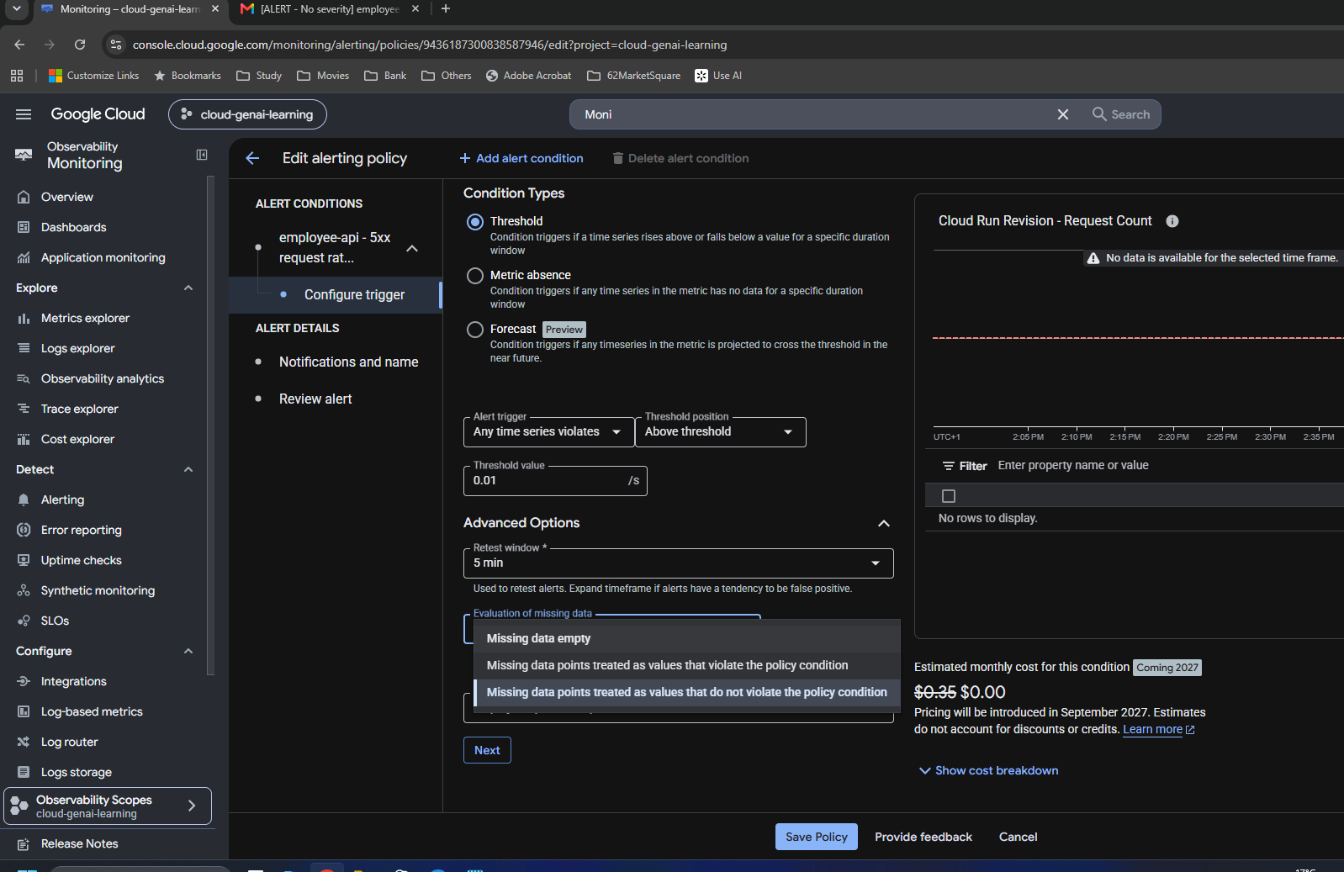

33 | Change treatment to non-violating
The edited trigger retains 0.01/s and 5 min. Missing data is changed to values that do not violate the condition for this learning exercise.
Original Day 21 screenshot
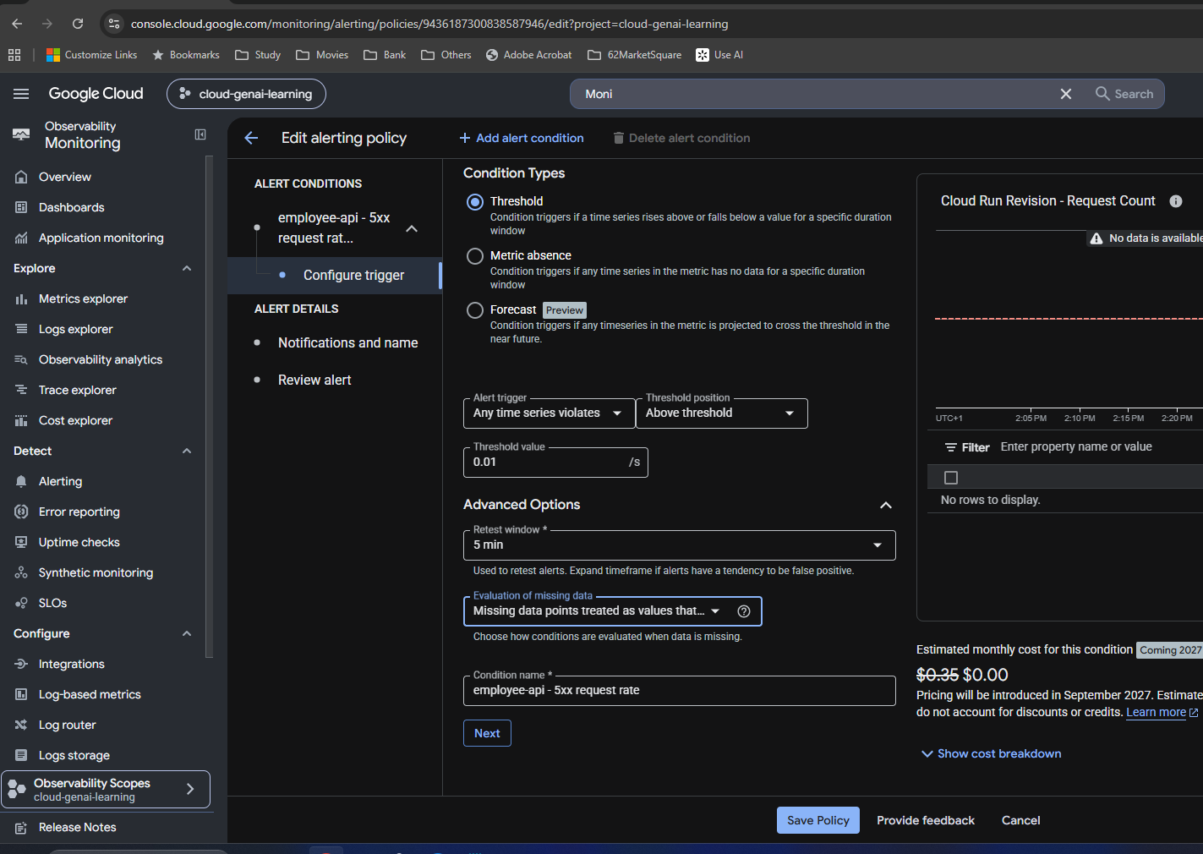

34 | Save the missing-data correction
Policy saved confirmation establishes the update. It remains enabled at this point; disabling is a separate later action.
Original Day 21 screenshot
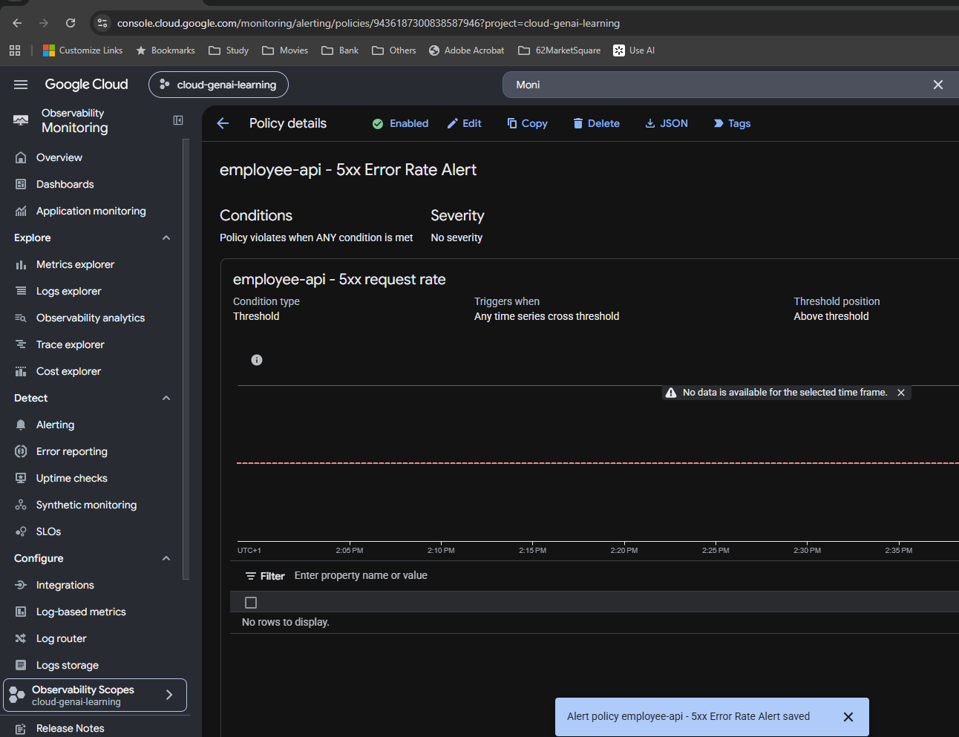

35 | Recheck the metric filters
response_code starts with 5 and service_name equals employee-api remain in place after the correction.
Original Day 21 screenshot
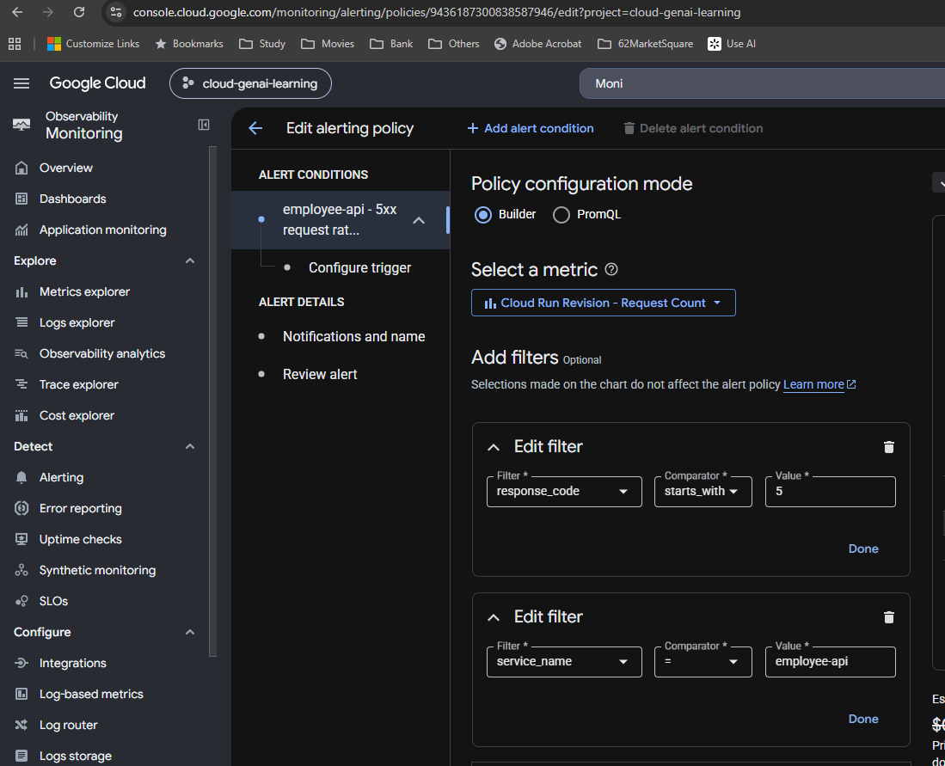

36 | Saved notification behavior
Notify on alert open only. This is a notification setting, not the retest duration. Closure notification was not enabled.
Original Day 21 screenshot
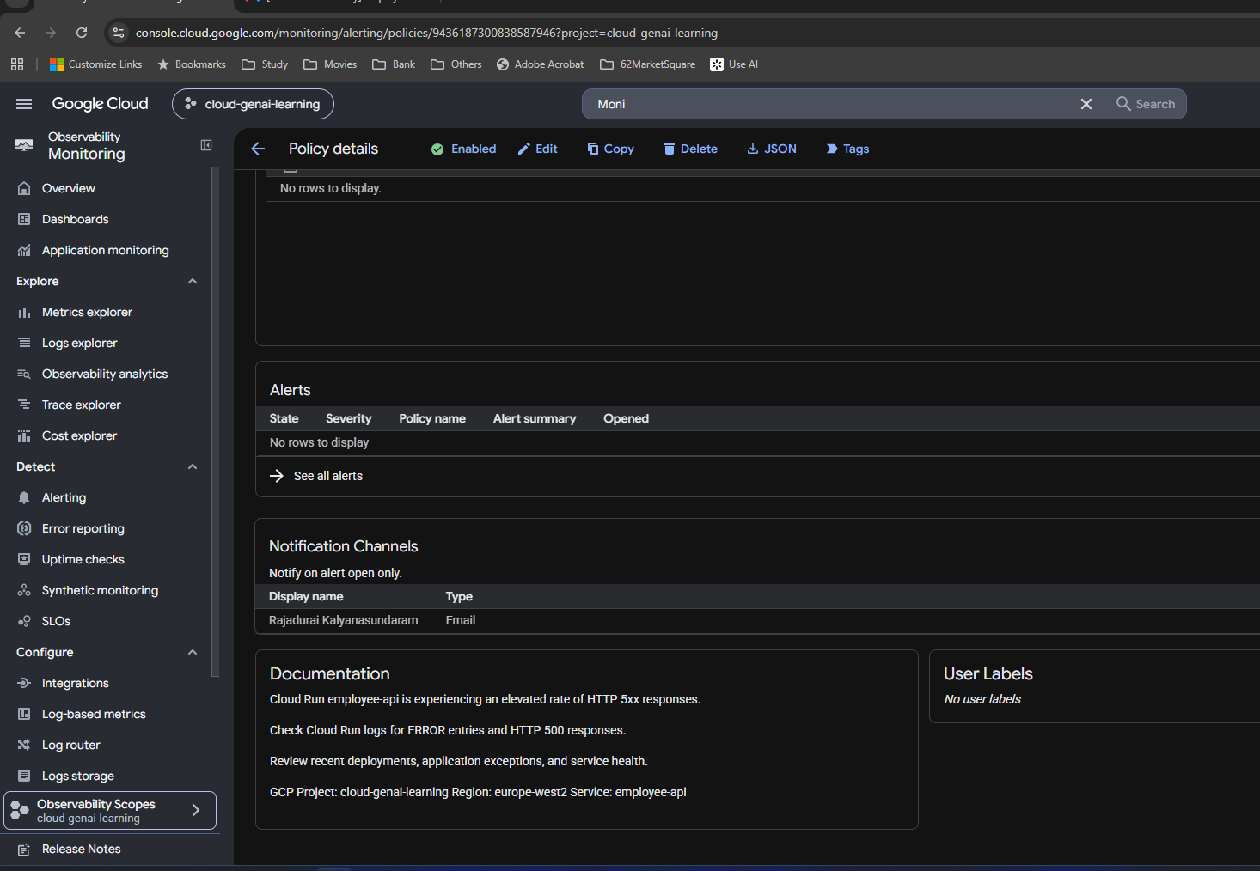

37 | Turn off the policy from the Policies list
I found the Enabled toggle on the overview Policies list and reached the turn-off confirmation. This dialog alone is not the final disabled state.
Original Day 21 screenshot
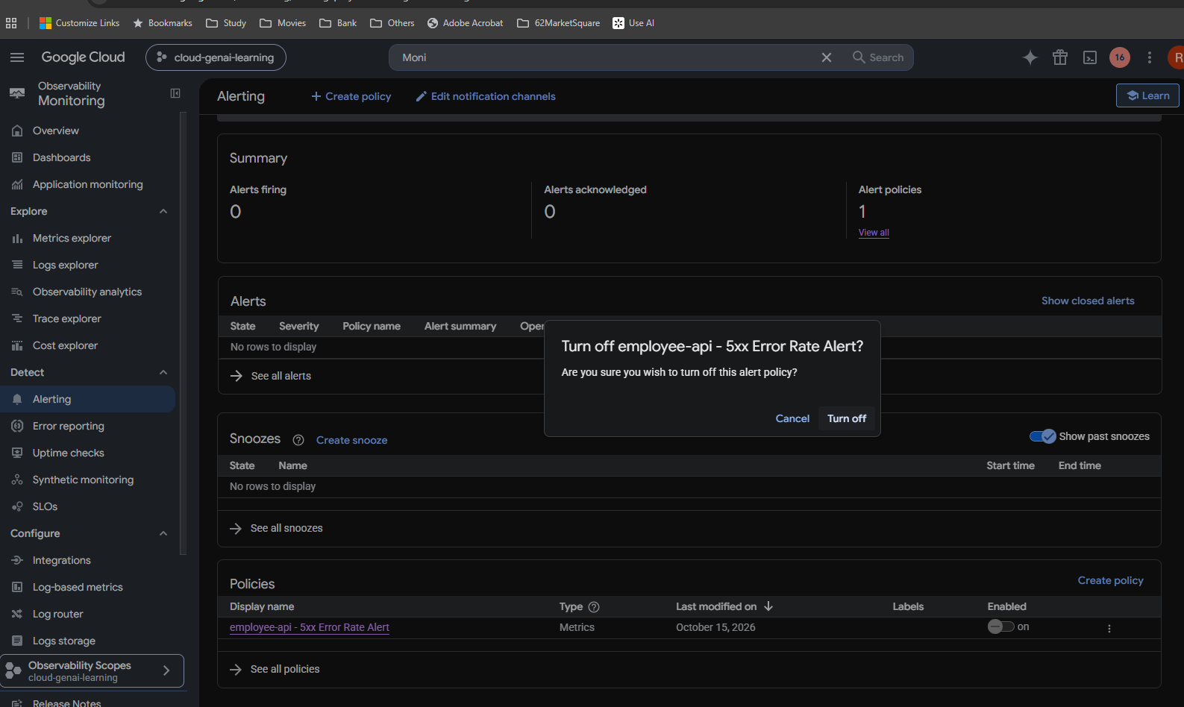

38 | Confirm final disabled state
Enabled is off and Policy disabled is confirmed. Zero firing and zero acknowledged alerts; one policy remains. I deferred /test-500 removal until the next deployment.
Original Day 21 screenshot

Learning examples
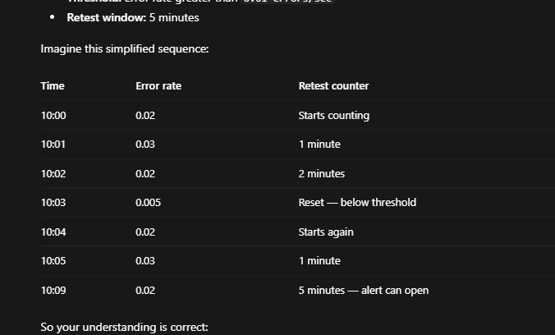
Learning examples

My later explanation attachments. These examples supplement the original console evidence.

39 | 100 requests in five minutes
Learning example: 10 HTTP 500 out of 100 total. 10/300 = 0.03333/s; 10/100 = 10%.
Supplementary explanation image
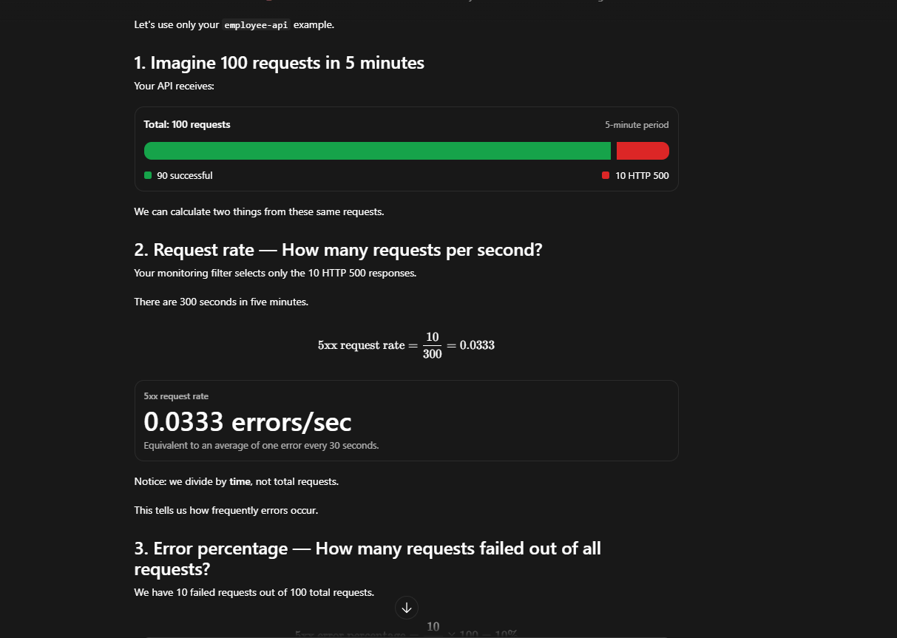

40 | Same frequency, different percentage
10 errors in 100 versus 1,000 requests: both 0.03333/s over five minutes; percentages 10% and 1%.
Supplementary explanation image

41 | Sustained calculated violation
Illustrative rates above 0.01/s from 10:01 to 10:06 demonstrate five minutes of persistence.
Supplementary explanation image
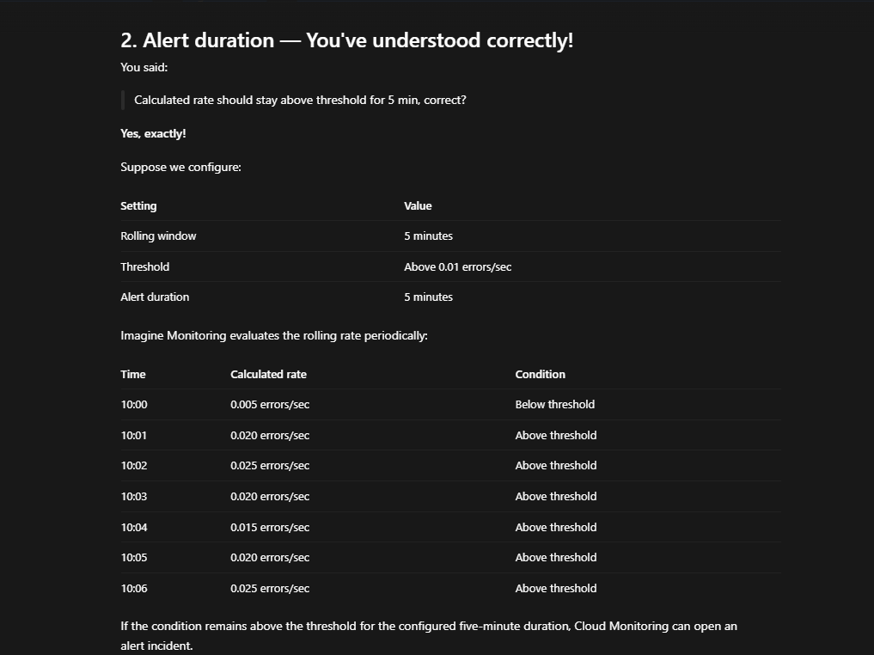

42 | Window, function, threshold and retest
Explanation screenshot of the four separate controls. The original console screenshots earlier in this workbook establish actual settings.
Supplementary explanation image
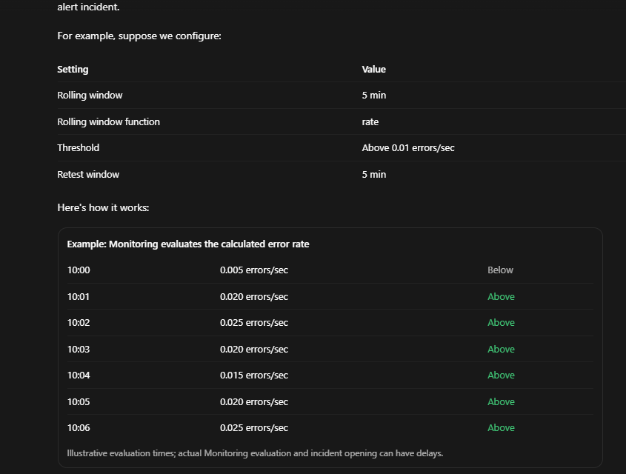

43 | Retest resets on a normal point
0.005/s at 10:03 resets; 10:04 starts again. Opening near 10:09 assumes every intervening evaluation stays above.
Supplementary explanation image

