01 Local health
1. Local FastAPI health endpoint

The browser opens localhost:8000/health and returns status healthy. This confirms the endpoint works locally.

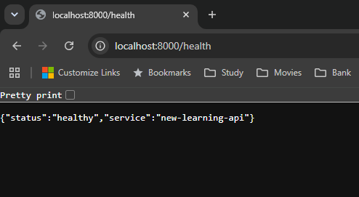

Source: New_Learning_1 — original Day 15 screenshot.

02 TCP probe
2. Existing TCP startup probe

Cloud Run checks TCP port 8080. It checks whether a connection can be established, without calling the application’s /health route.

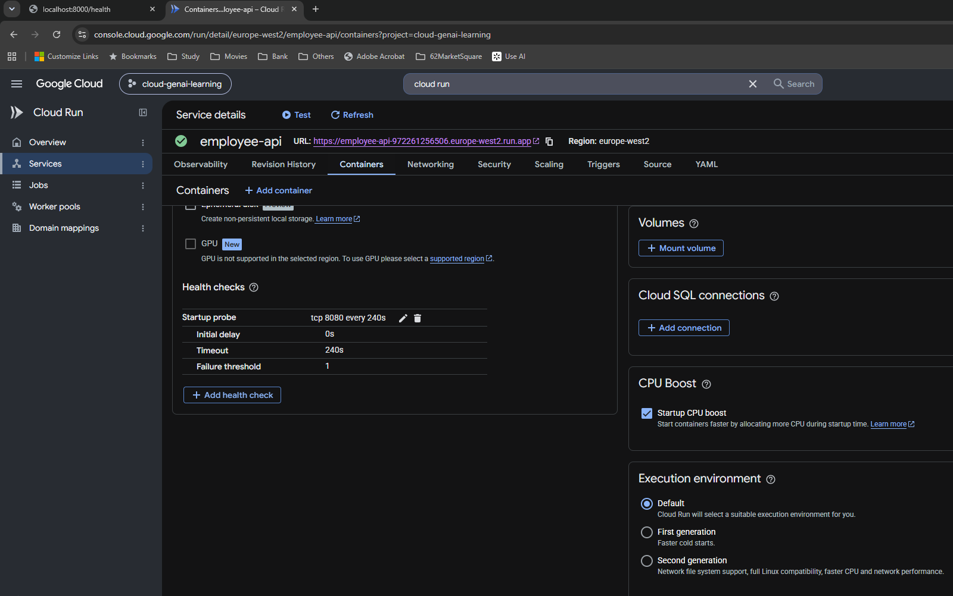

Source: New_Learning_1 — original Day 15 screenshot.

03 HTTP setup
3. Change the startup probe to HTTP

Selecting HTTP exposes a Path field. The field is still blank in this screenshot; /health was entered next, as confirmed by the following review.

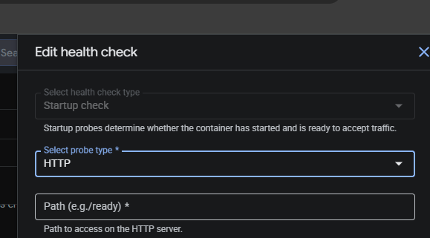

Source: New_Learning_1 — original Day 15 screenshot.

04 First review
4. Review the TCP to HTTP change

The review confirms TCP 8080 becomes HTTP /health. Initial delay remains 0 seconds and the failure threshold remains 1.

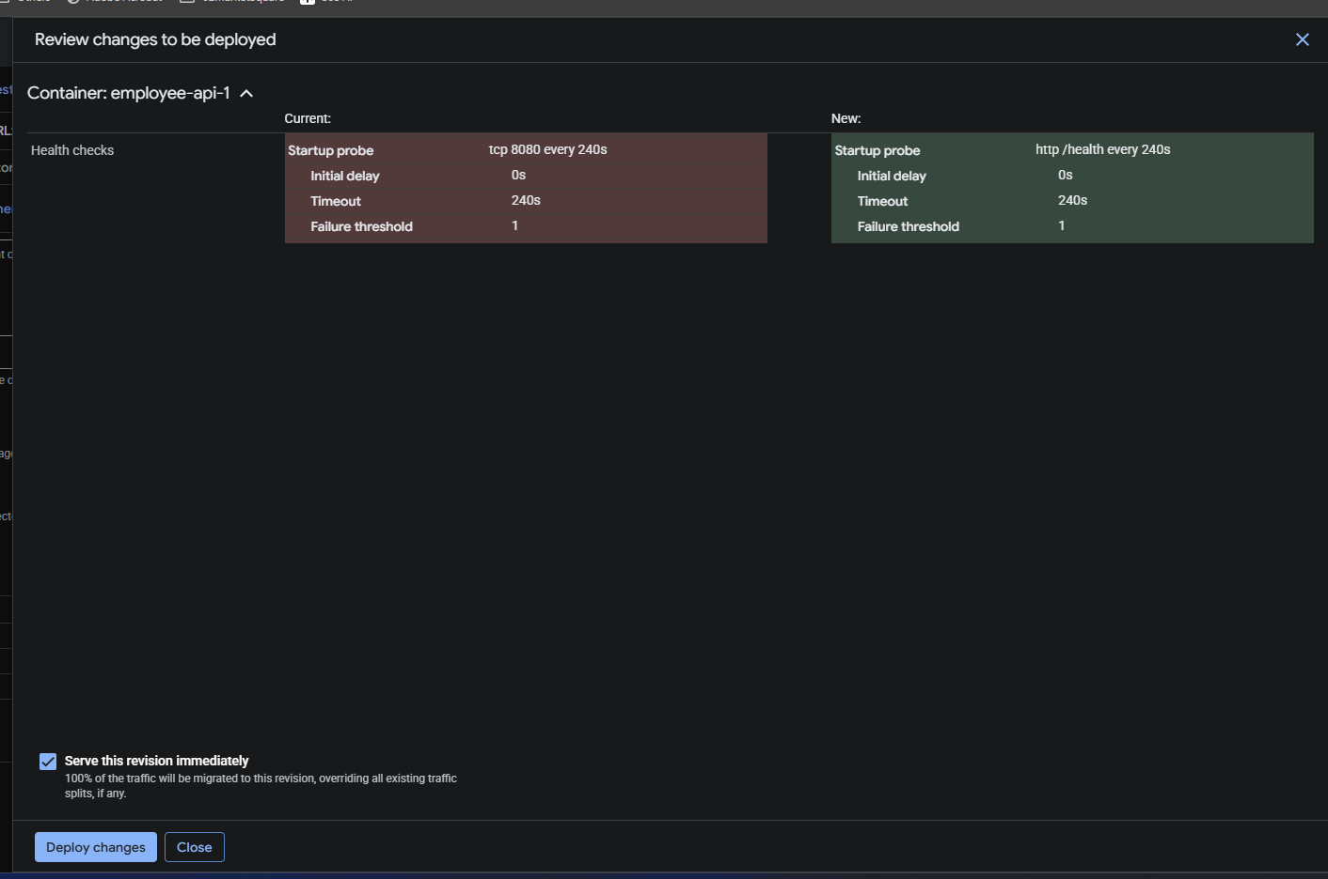

Source: New_Learning_1 — original Day 15 screenshot.

06 Failure logs
6. Logs Explorer identifies the connection failure

The startup HTTP probe fails once on port 8080 at /health, with ERROR_CONNECTION_FAILED. The instance does not start. This is a connection failure, not an HTTP 404 or 500 response.

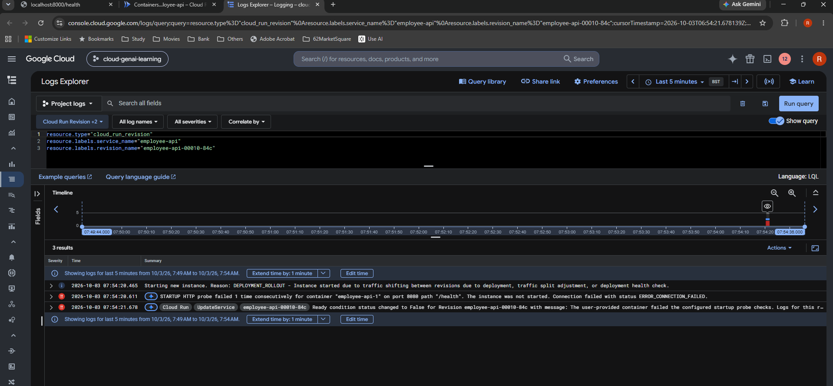

Source: New_Learning_1 — original Day 15 screenshot.

07 Corrected review
7. Give the application time to start

The new HTTP /health settings show initial delay 5 seconds, period 10 seconds, timeout 5 seconds and failure threshold 3. The delay and retries allow time for startup.

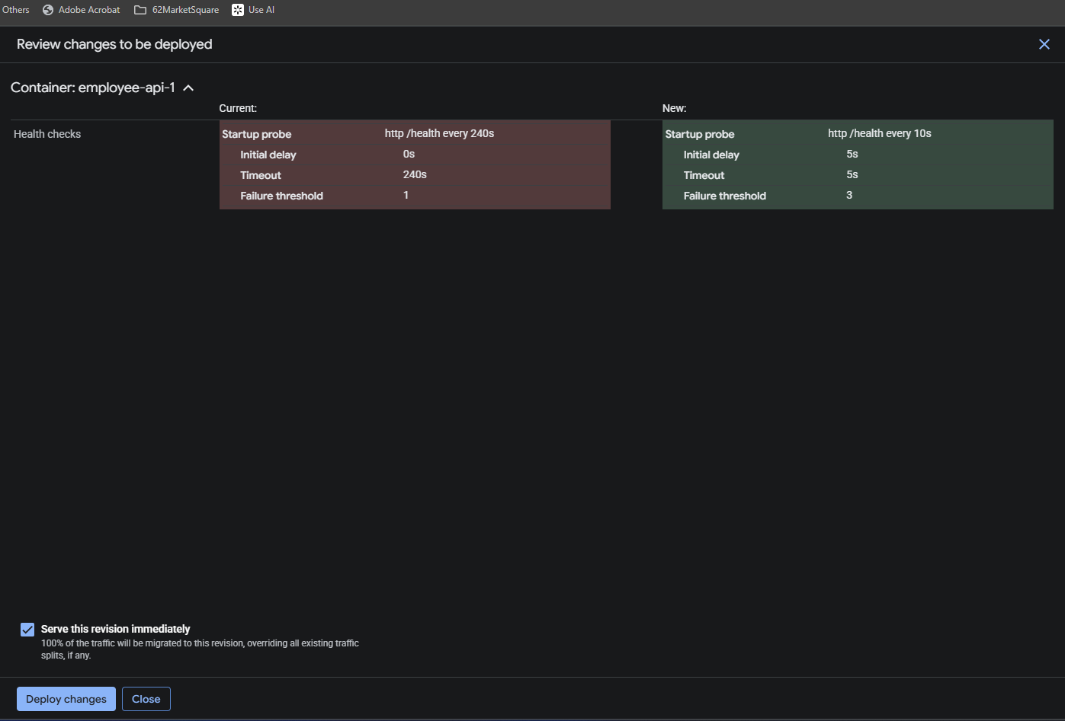

Source: New_Learning_1 — original Day 15 screenshot.

