Screenshots
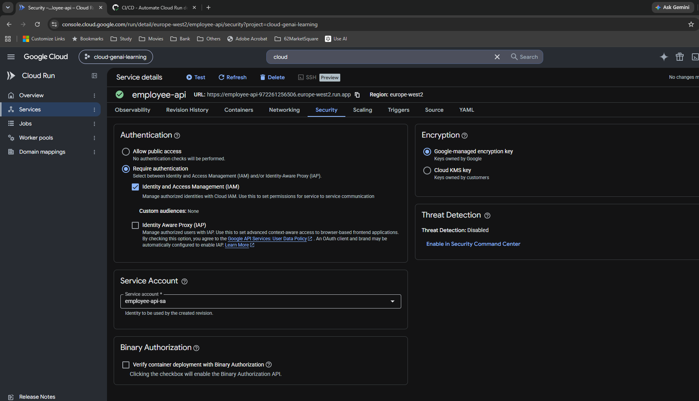
Day 27 — Original screenshots in workflow order

S01 | Step 1: Initial container and image selection
Inspection • Markdown §2, 3 • Original 1919 × 917 px
I inspected the existing employee-api service and Artifact Registry image selector before changing IAM or workflow settings. Selecting an image is not deployment by itself.

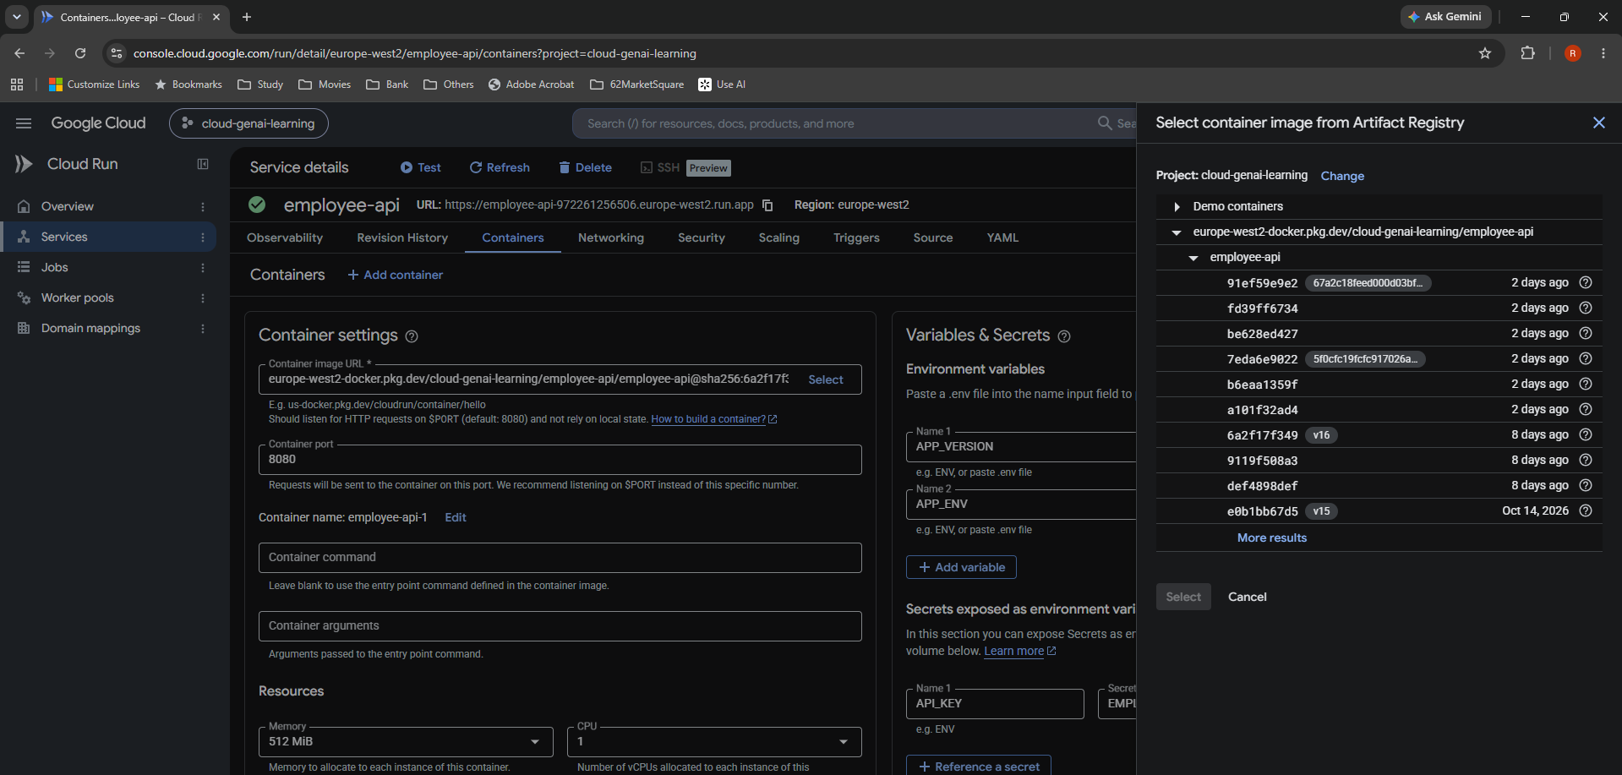

S02 | Step 2: Initial Security tab
Observed baseline • Markdown §2, 3 • Original 1475 × 995 px
Require authentication and IAM are selected; employee-api-sa is the service account. This is the baseline before my automated deployment.

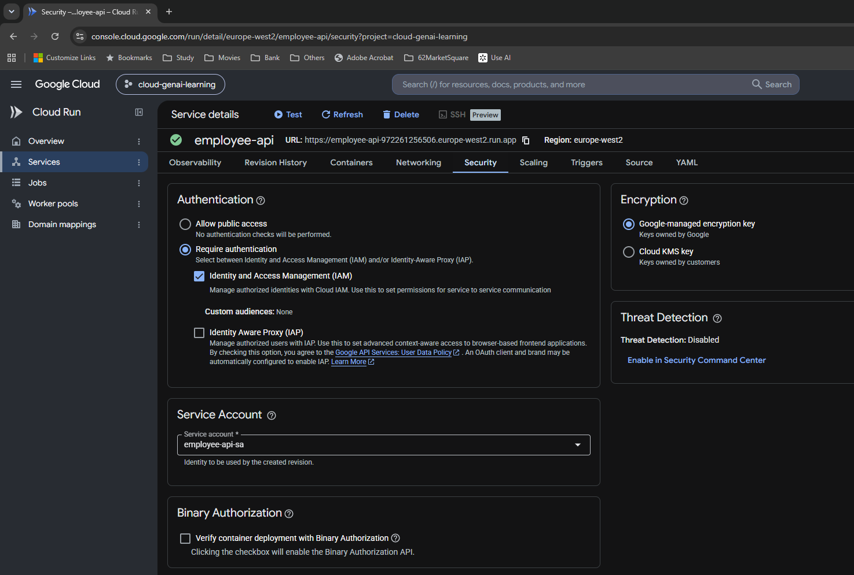

S03 | Step 3: Service-account inventory
Inspection • Markdown §3, 7 • Original 1733 × 858 px
The list distinguishes the default Compute Engine account, employee-api-sa, github-deploy-sa and order-api-sa. Account emails are generated by Google.

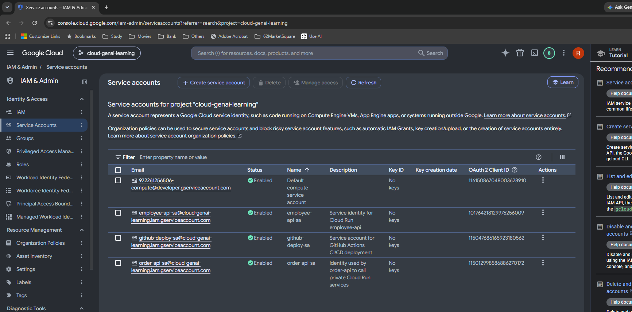

S04 | Step 4: Service account Permissions tab
Inspection • Markdown §4 • Original 1488 × 848 px
The Permissions tab points to managing access and Policy Analyzer. It does not by itself list every resource the identity can access.

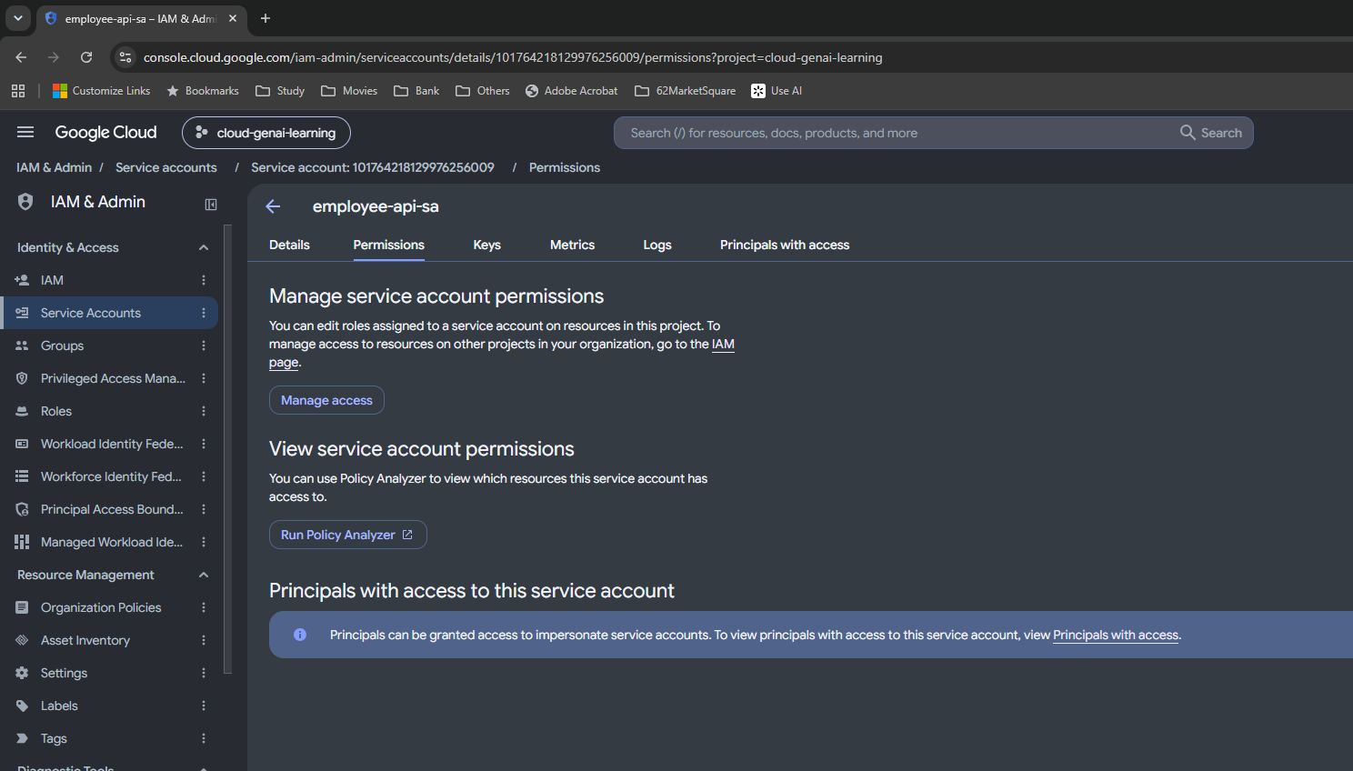

S05 | Step 5: Principals with access — by principal
Observed baseline • Markdown §4, 5 • Original 1790 × 966 px
The Compute Engine account has inherited Editor and my Google account inherited Owner. This is incoming access to employee-api-sa, not outgoing secret permissions.

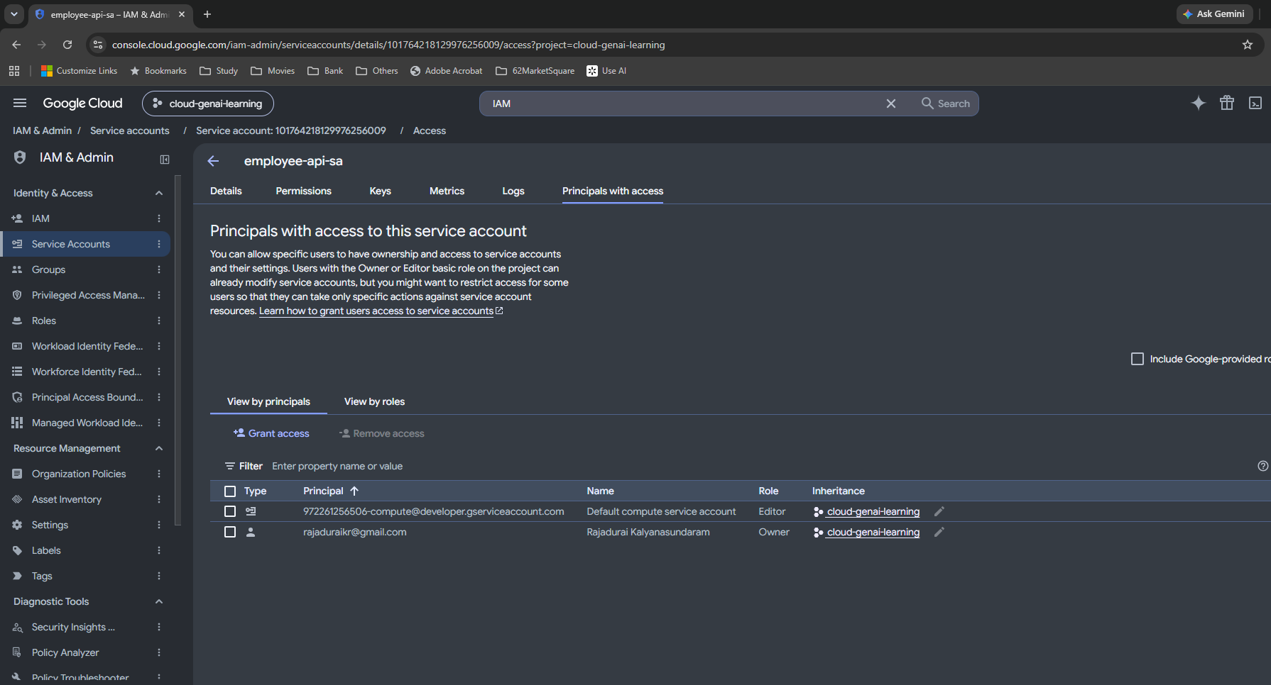

S06 | Step 6: Principals with access — by role
Observed baseline • Markdown §4, 5 • Original 1823 × 971 px
The same inherited entries are grouped by role. Owner/Editor visibility alone did not establish getAccessToken permission.

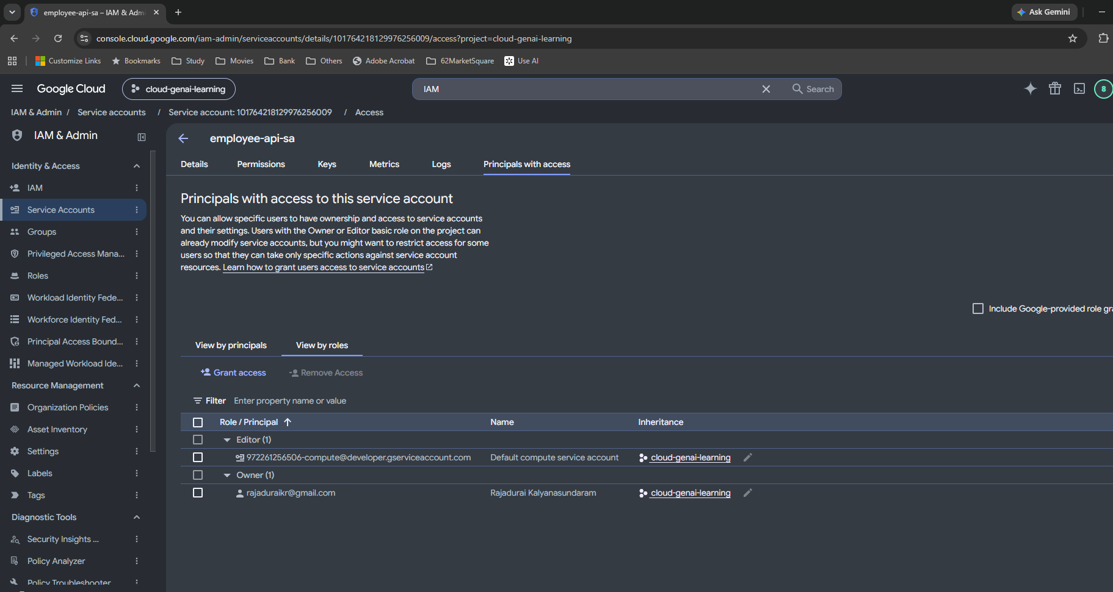

S07 | Step 7: Project IAM view
Observed baseline • Markdown §4 • Original 1531 × 785 px
The visible project principals are the default Compute Engine account and my Google account. No direct employee-api-sa project grant is shown; resource-level grants can still exist.

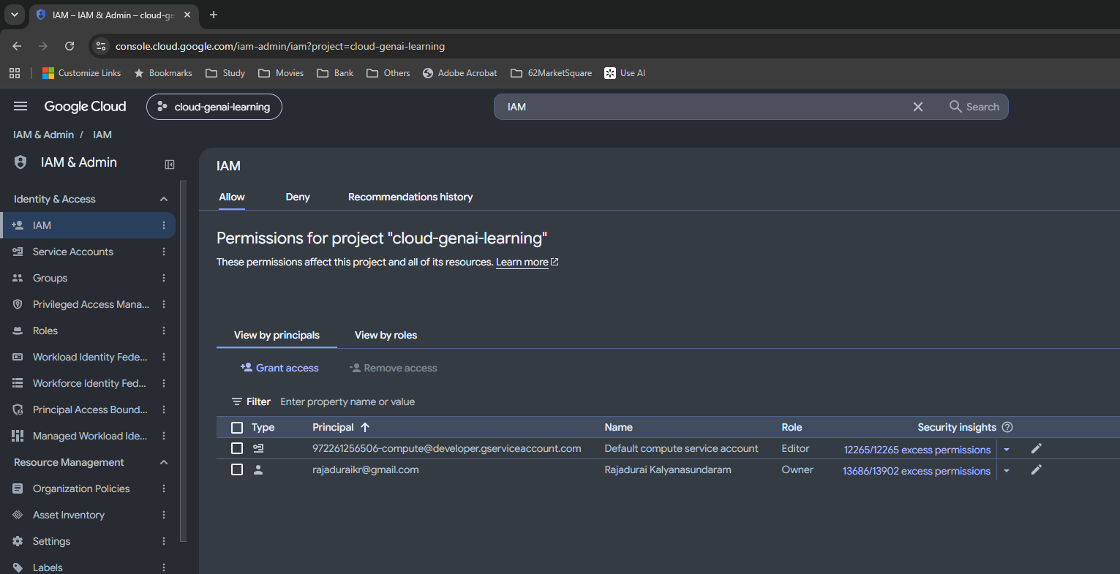

S08 | Step 8: Locate EMPLOYEE_API_KEY
Inspection • Markdown §3, 4 • Original 1595 × 740 px
The secret exists in Secret Manager. This list alone does not show employee-api-sa access; the next screenshot opens the actual permission policy.

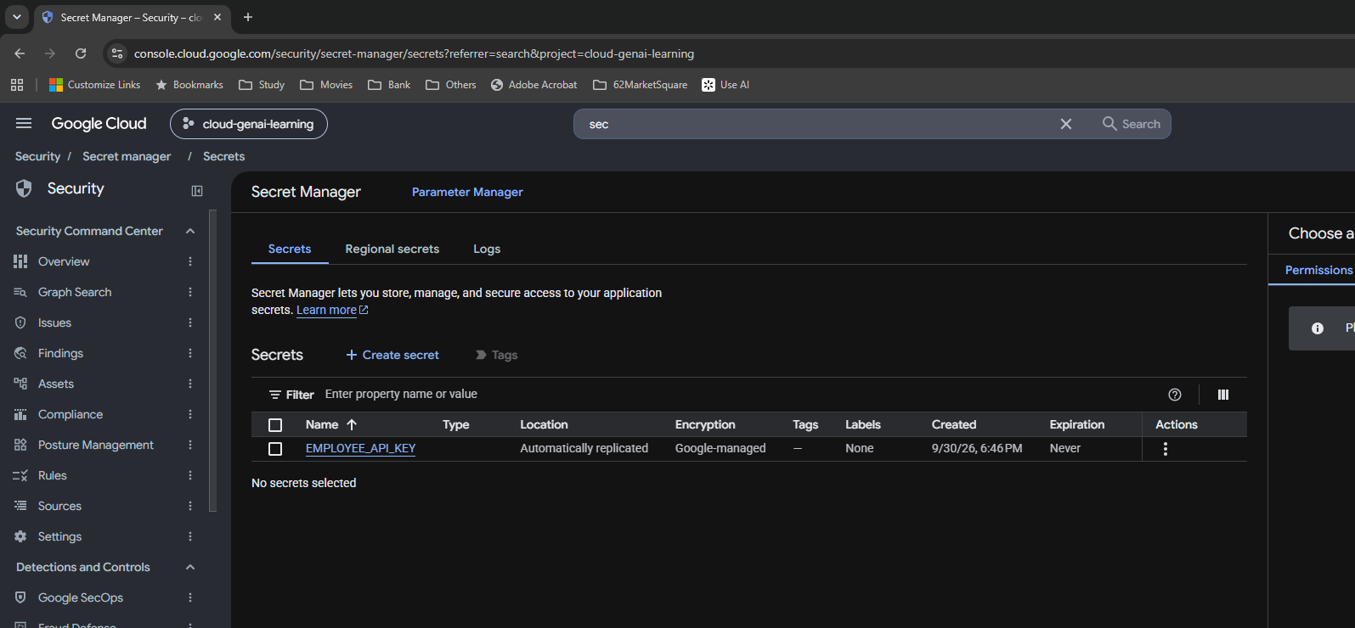

S09 | Step 9: Secret-level Accessor grant
Observed existing grant • Markdown §3, 4, 7 • Original 1739 × 808 px
employee-api-sa has Secret Manager Secret Accessor directly on EMPLOYEE_API_KEY. This establishes access to the specific secret, not an exhaustive audit of every resource.

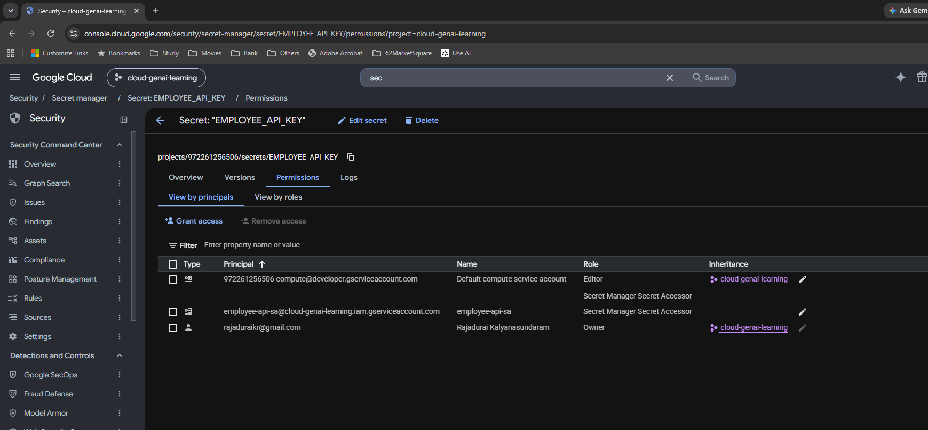

S10 | Step 10: Existing container configuration
Observed baseline • Markdown §3, 10 • Original 1874 × 1015 px
Port 8080, memory 512 MiB, CPU 1, APP_VERSION 3.0, APP_ENV staging, and API_KEY backed by EMPLOYEE_API_KEY version 1. These are retained settings, not new Day 27 choices.

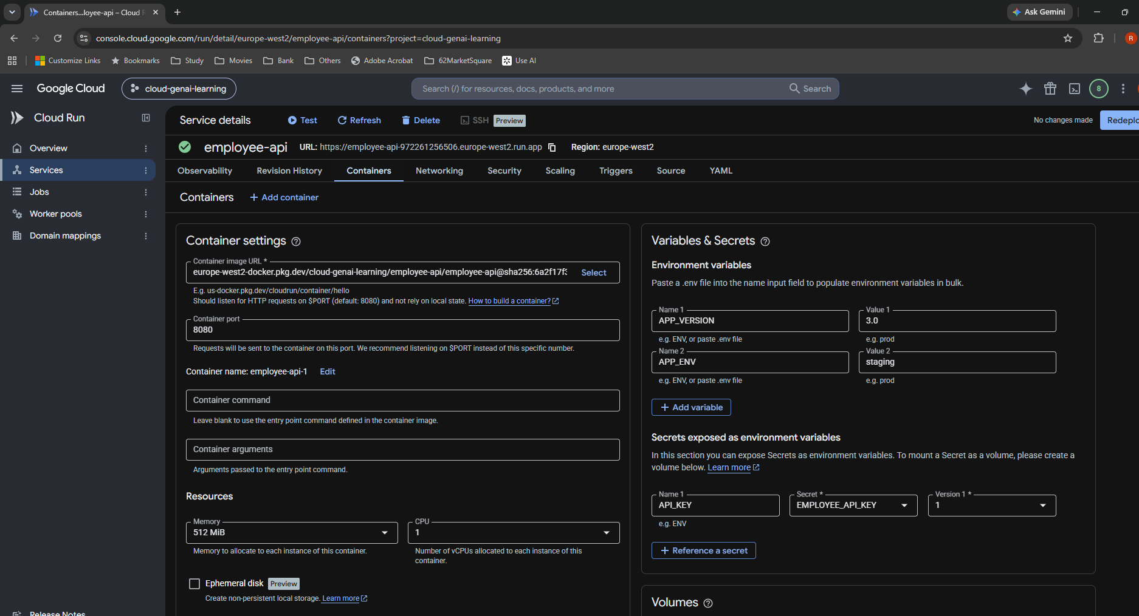

S11 | Step 11: Policy Troubleshooter resource dialog
Incomplete check • Markdown §5 • Original 1536 × 971 px
The resource-selection dialog was confusing and the detour was stopped. This screenshot is not a Granted/Denied impersonation result.

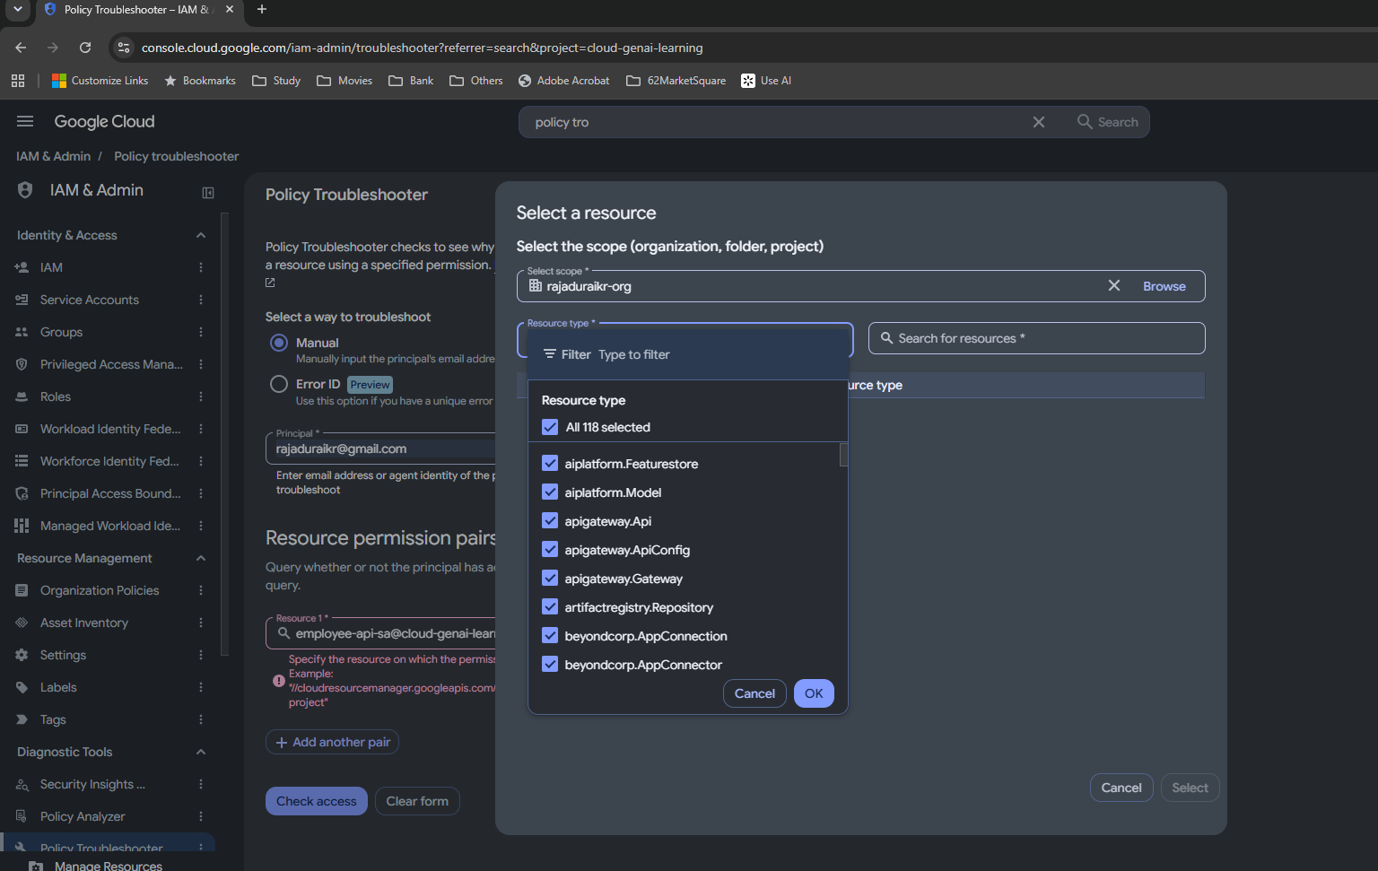

S12 | Step 12: Before the Service Account User grant
Before save • Markdown §5, 7 • Original 1534 × 955 px
Incoming access initially shows inherited Editor and Owner. I next grant the deployment principal narrowly scoped access to this service-account resource.

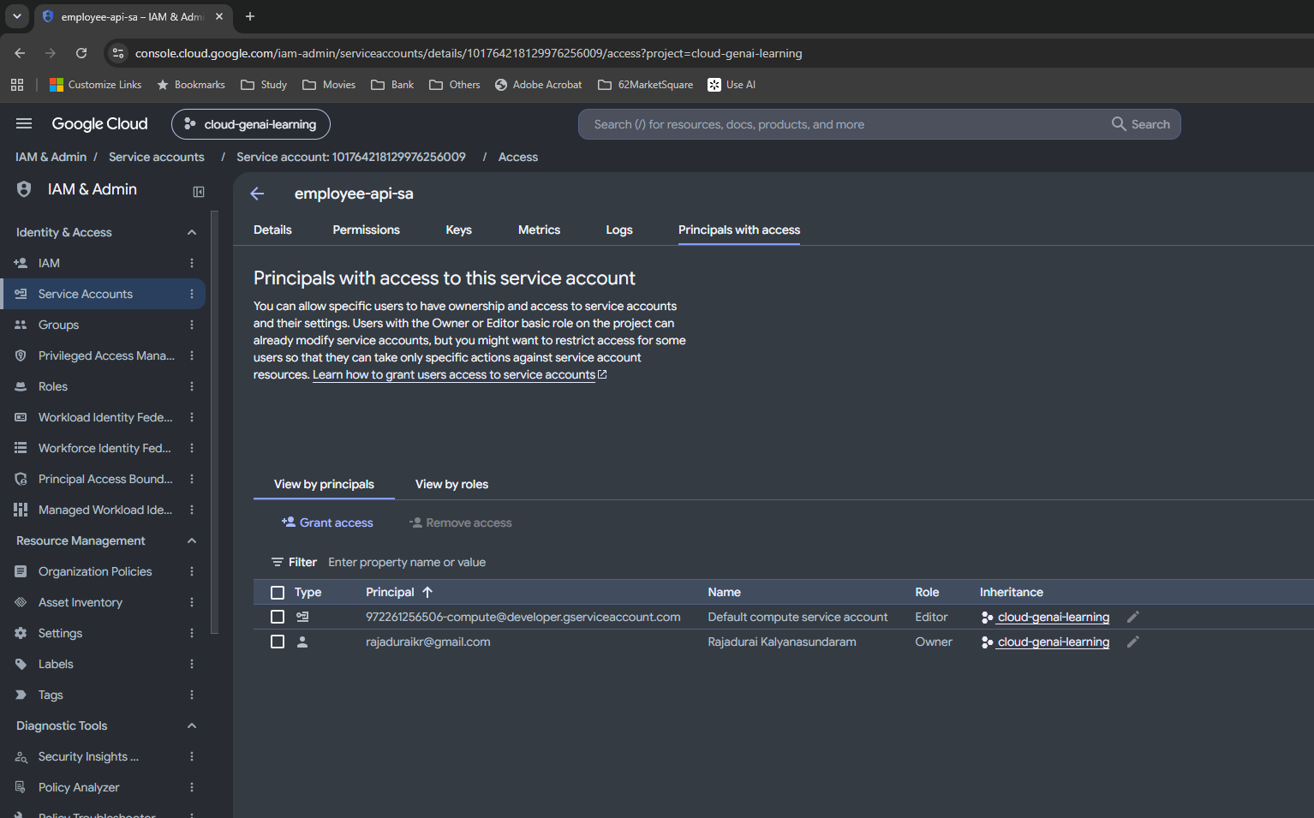

S13 | Step 13: Service Account User form
Proposed, then saved in S14 • Markdown §6, 7 • Original 1919 × 969 px
Resource employee-api-sa; new principal github-deploy-sa; role Service Account User; no condition added. This form is pre-save evidence.

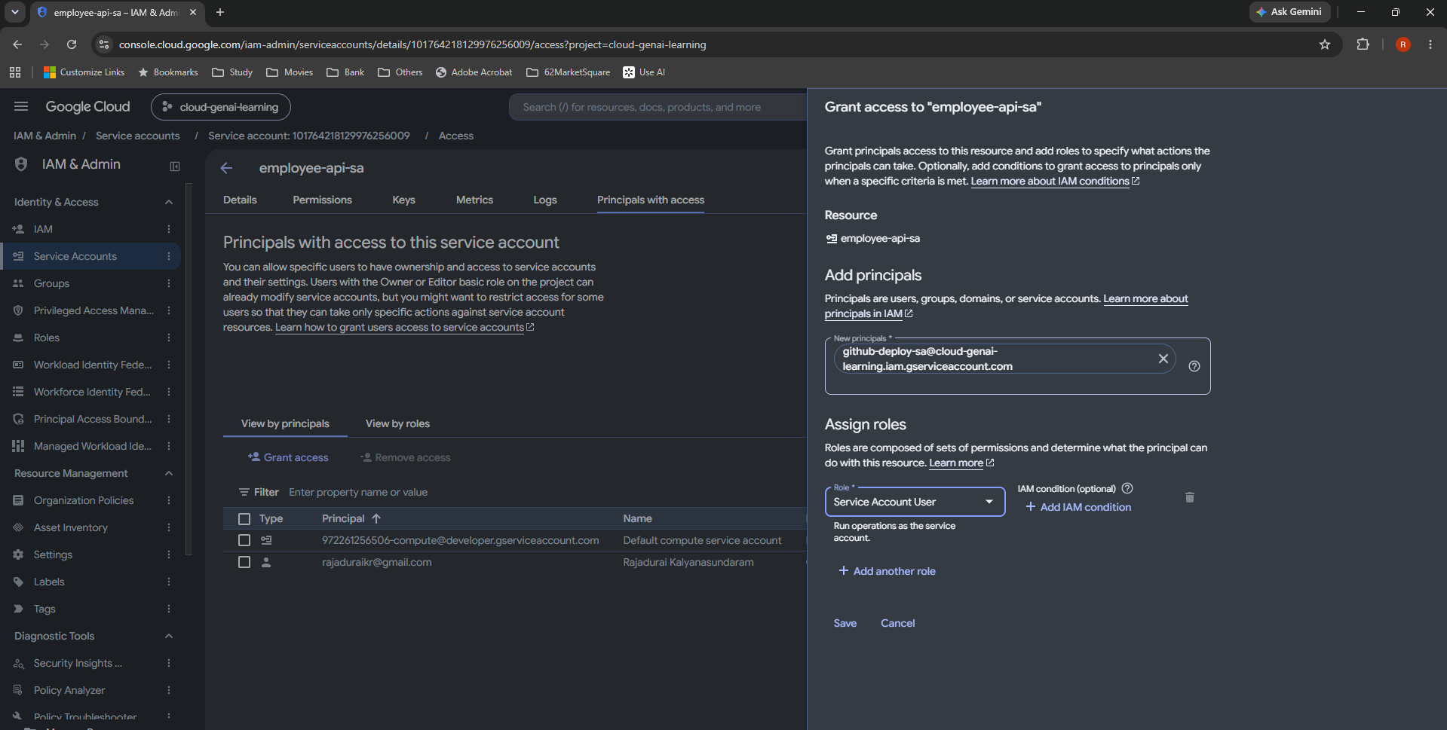

S14 | Step 14: Service Account User saved
Saved confirmation • Markdown §6, 7 • Original 1586 × 1037 px
The github-deploy-sa row now has Service Account User and the policy-updated message is visible. This grants actAs on employee-api-sa.

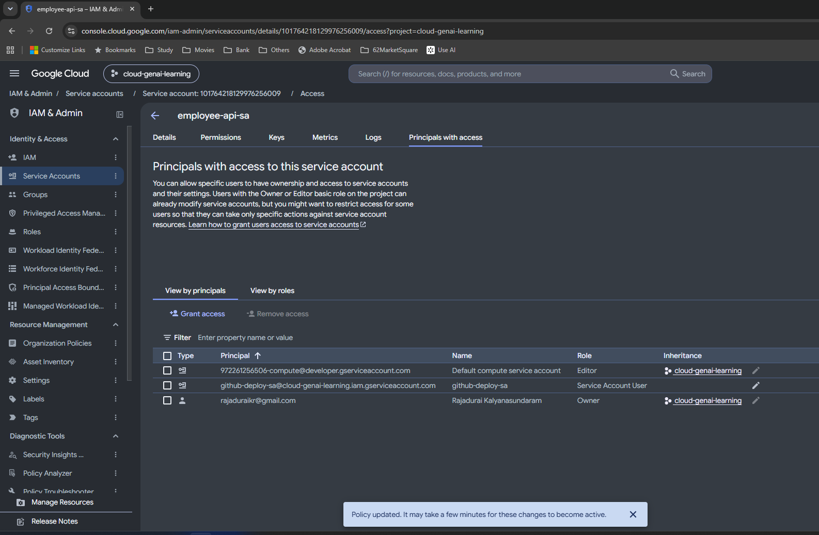

S15 | Step 15: Cloud Run permissions — Add principal
UI troubleshooting • Markdown §7 • Original 1919 × 729 px
The selected resource is employee-api. The interface calls the access button Add principal, rather than Grant access.

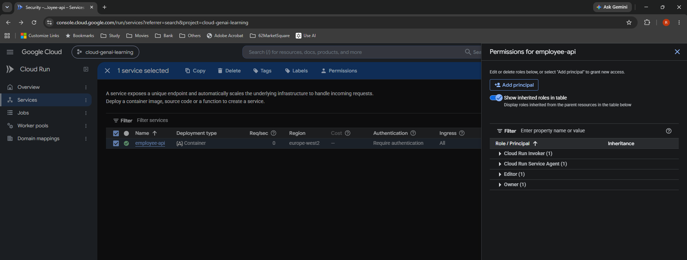

S16 | Step 16: Cloud Run Developer form
Proposed, then saved in S17 • Markdown §6, 7 • Original 1919 × 958 px
I assign github-deploy-sa Cloud Run Developer on employee-api only, with no condition. The pre-save form confirms the intended principal, role and service scope.

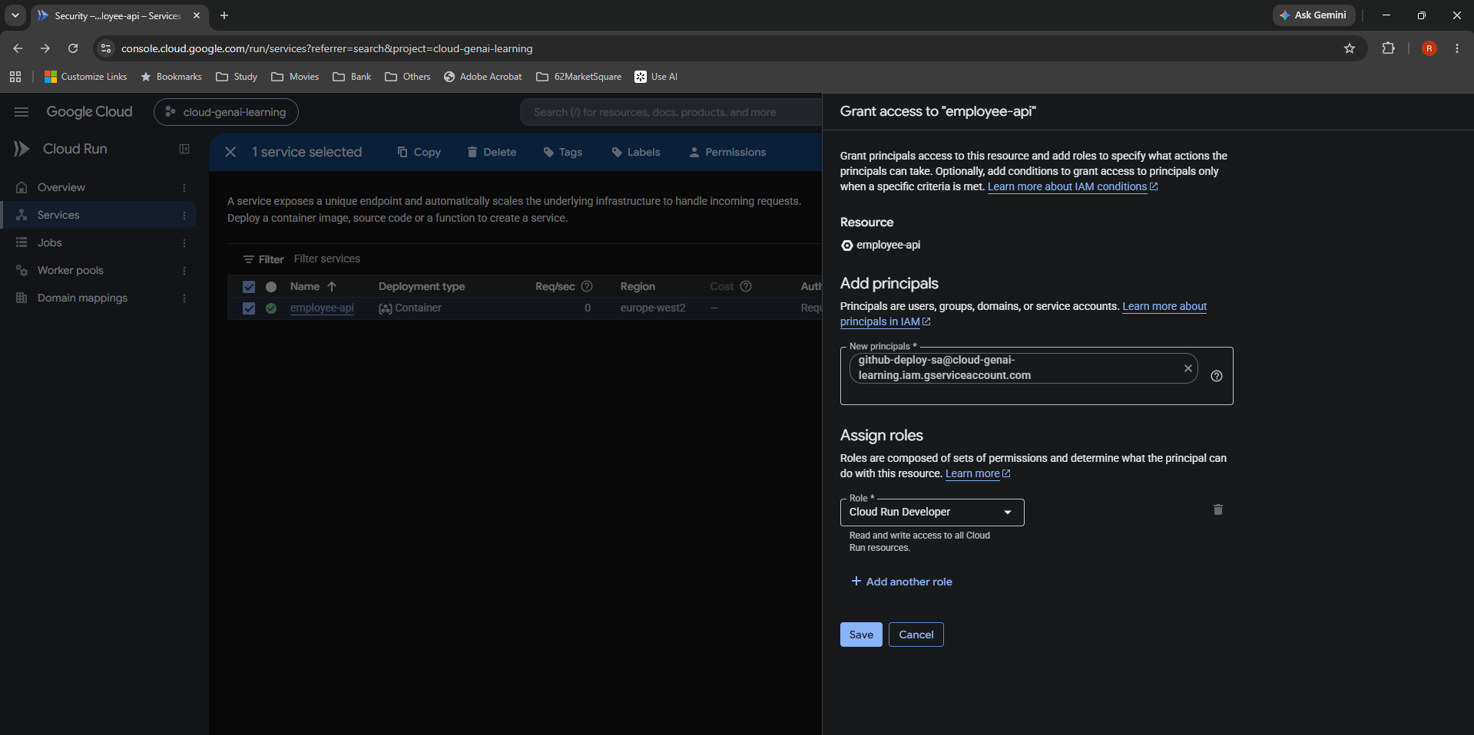

S17 | Step 17: Cloud Run Developer saved
Saved confirmation • Markdown §7 • Original 1918 × 1046 px
Cloud Run Developer (1) and Policy updated confirm the saved service-level grant. I did not duplicate this binding at project level.

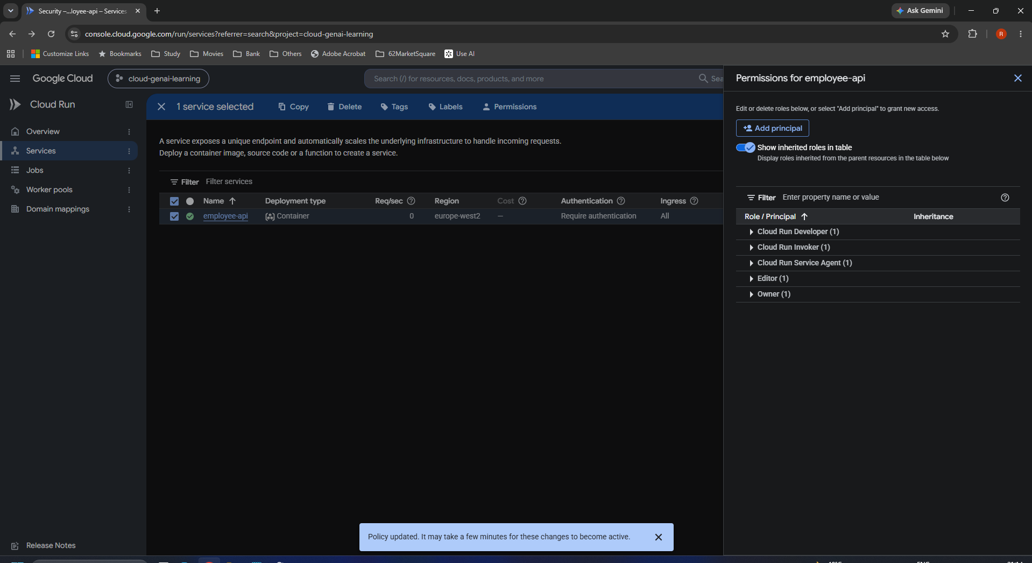

S18 | Step 18: Workflow deployment step in VS Code
Actual edit • Markdown §8 • Original 1838 × 579 px
Lines 64–73 show docker push followed by deploy-cloudrun@v3. Both image references use github.sha, targeting employee-api in europe-west2.

S19 | Step 19: Commit and push in PowerShell
Observed success • Markdown §9 • Original 1153 × 487 px
After staging ci.yml, the commit CI/CD - Automate Cloud Run deployment created 7ae978d; the push to main succeeded. One file changed, seven insertions.

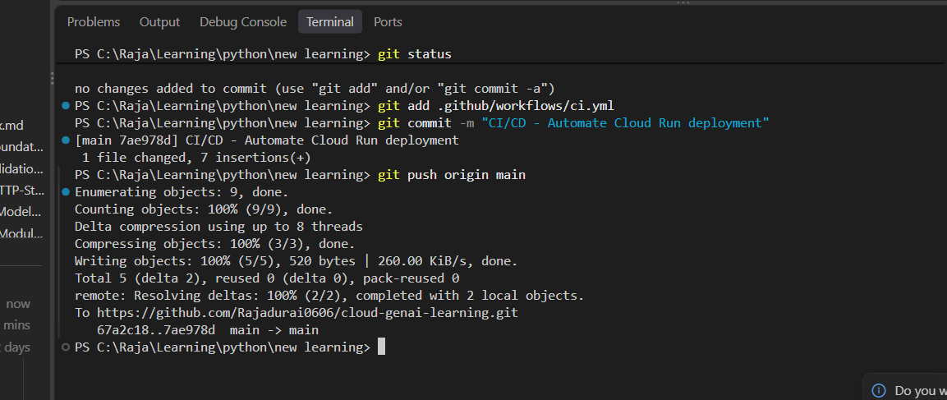

S20 | Step 20: Actions run #9 starts
Intermediate / in progress • Markdown §9 • Original 1852 × 1016 px
The newest run for commit 7ae978d is in progress. The next two screenshots establish completion; this image alone is not final-success evidence.

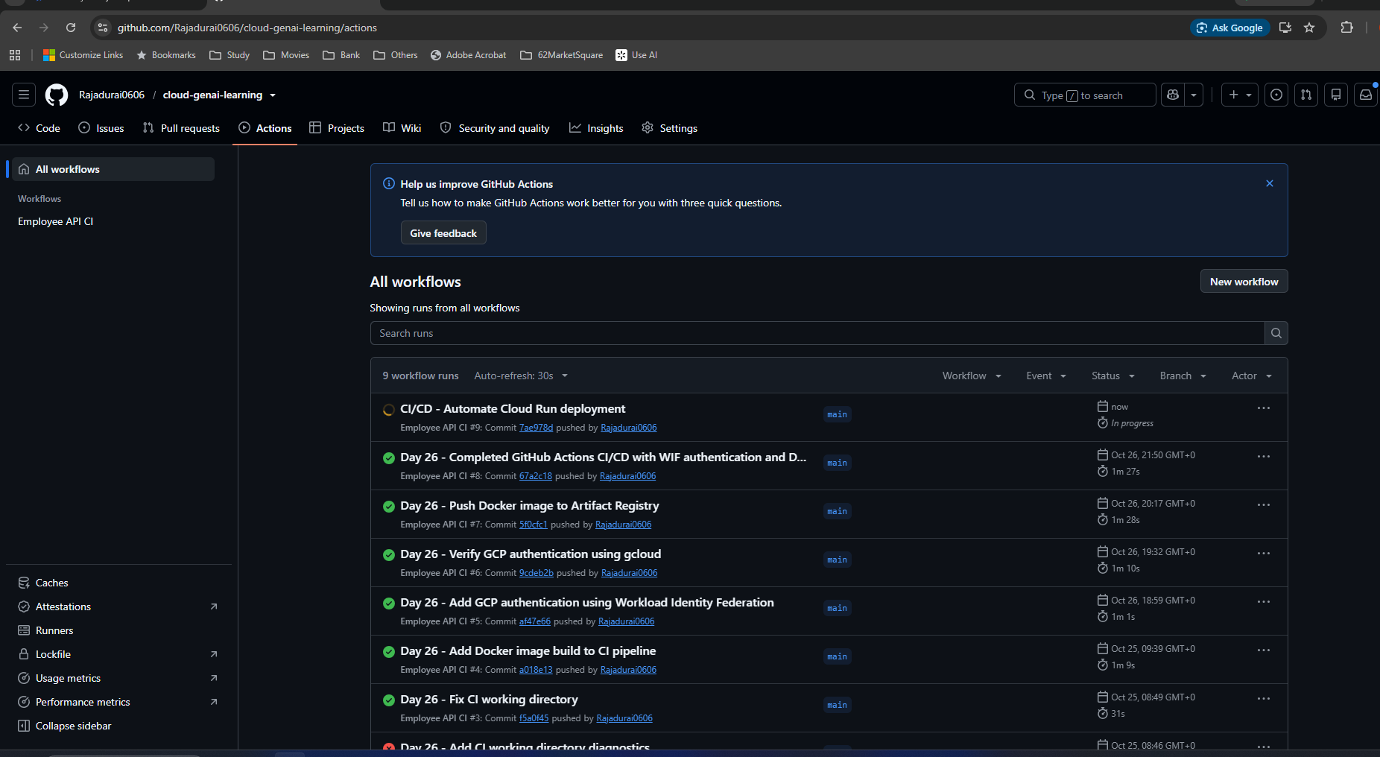

S21 | Step 21: Actions job completed
Observed success • Markdown §9 • Original 1895 × 1027 px
The successful job shows pytest, Docker build, authentication, gcloud, Docker setup, tag, push and deployment stages. The reported duration is 1m 37s.

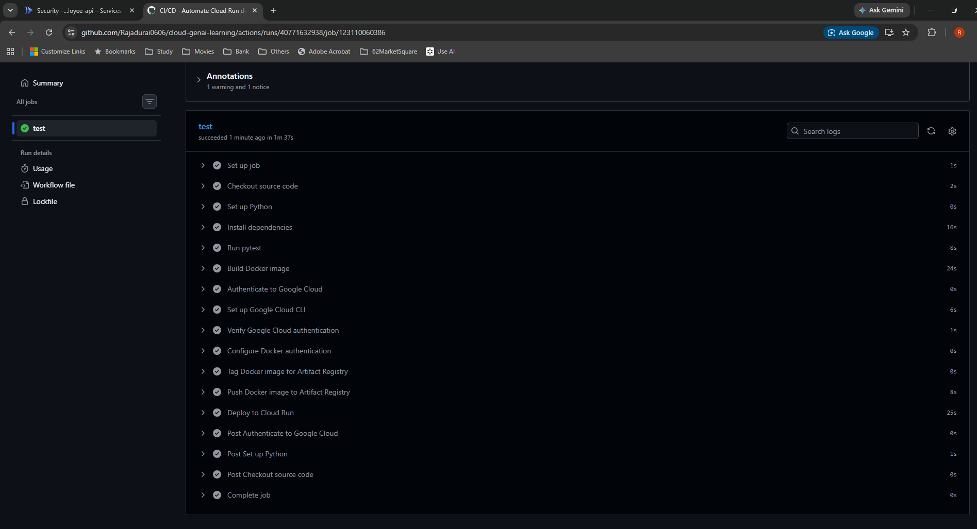

S22 | Step 22: Expanded Cloud Run deployment log
Observed success • Markdown §8, 9, 11 • Original 1875 × 988 px
Deploy to Cloud Run passed in 25s. The command supplies the commit-tagged image, region europe-west2 and managed-by/commit-sha labels.

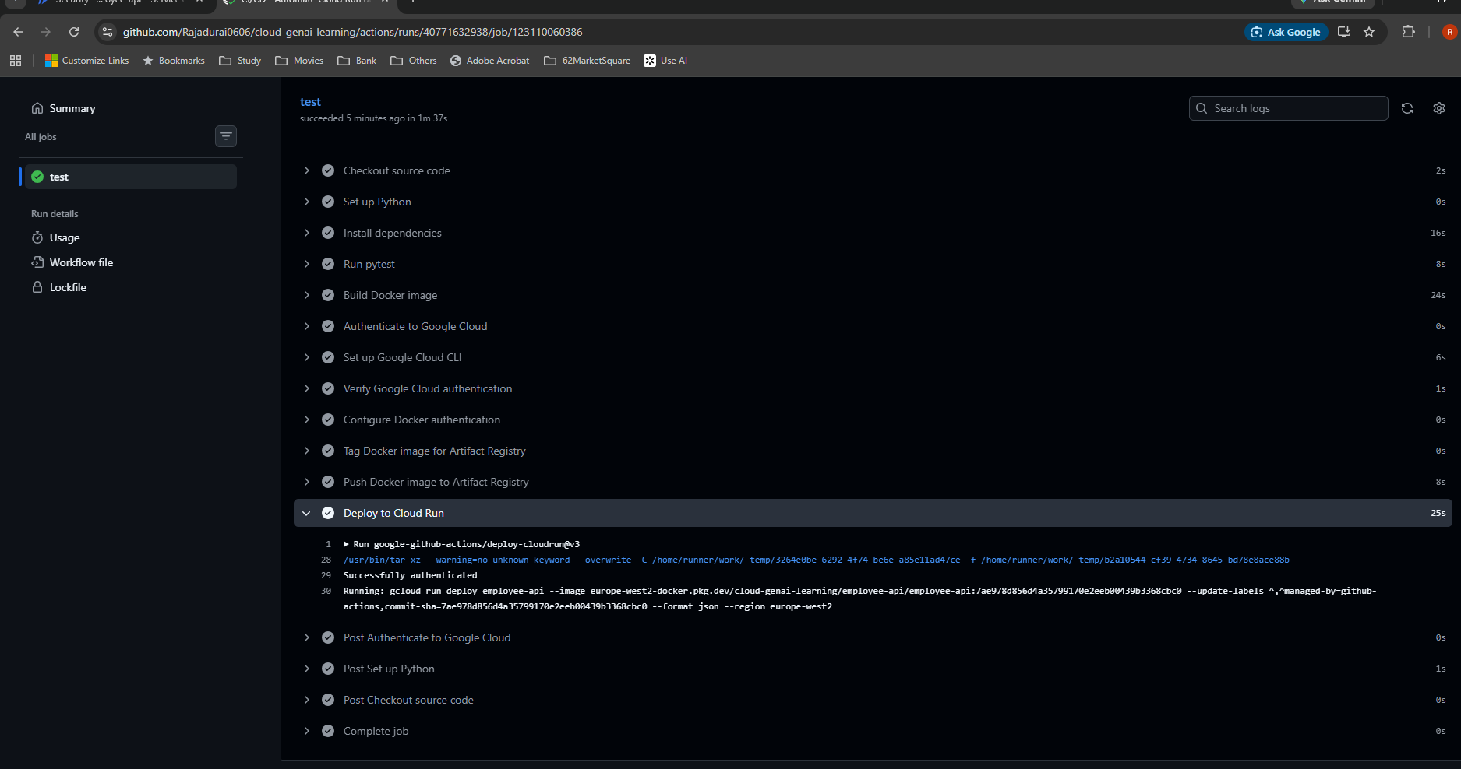

S23 | Step 23: New Cloud Run revision and configuration
Observed final state • Markdown §10, 11 • Original 1897 × 1015 px
employee-api-00025-2kp receives 100% (to latest). Resource, environment and secret settings remain visible. Revision tags are distinct from Docker image tags.

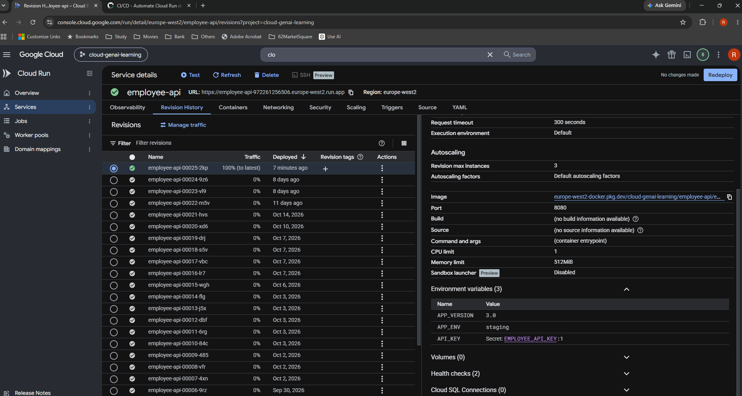

S24 | Step 24: Artifact Registry digest listing
Observed listing • Markdown §11 • Original 1902 × 1047 px
The commit tag is on 6a0654f71f8c; 3a2b7e257266 matches the supplied deployed digest prefix. The listing alone does not prove the index-to-child manifest relationship.

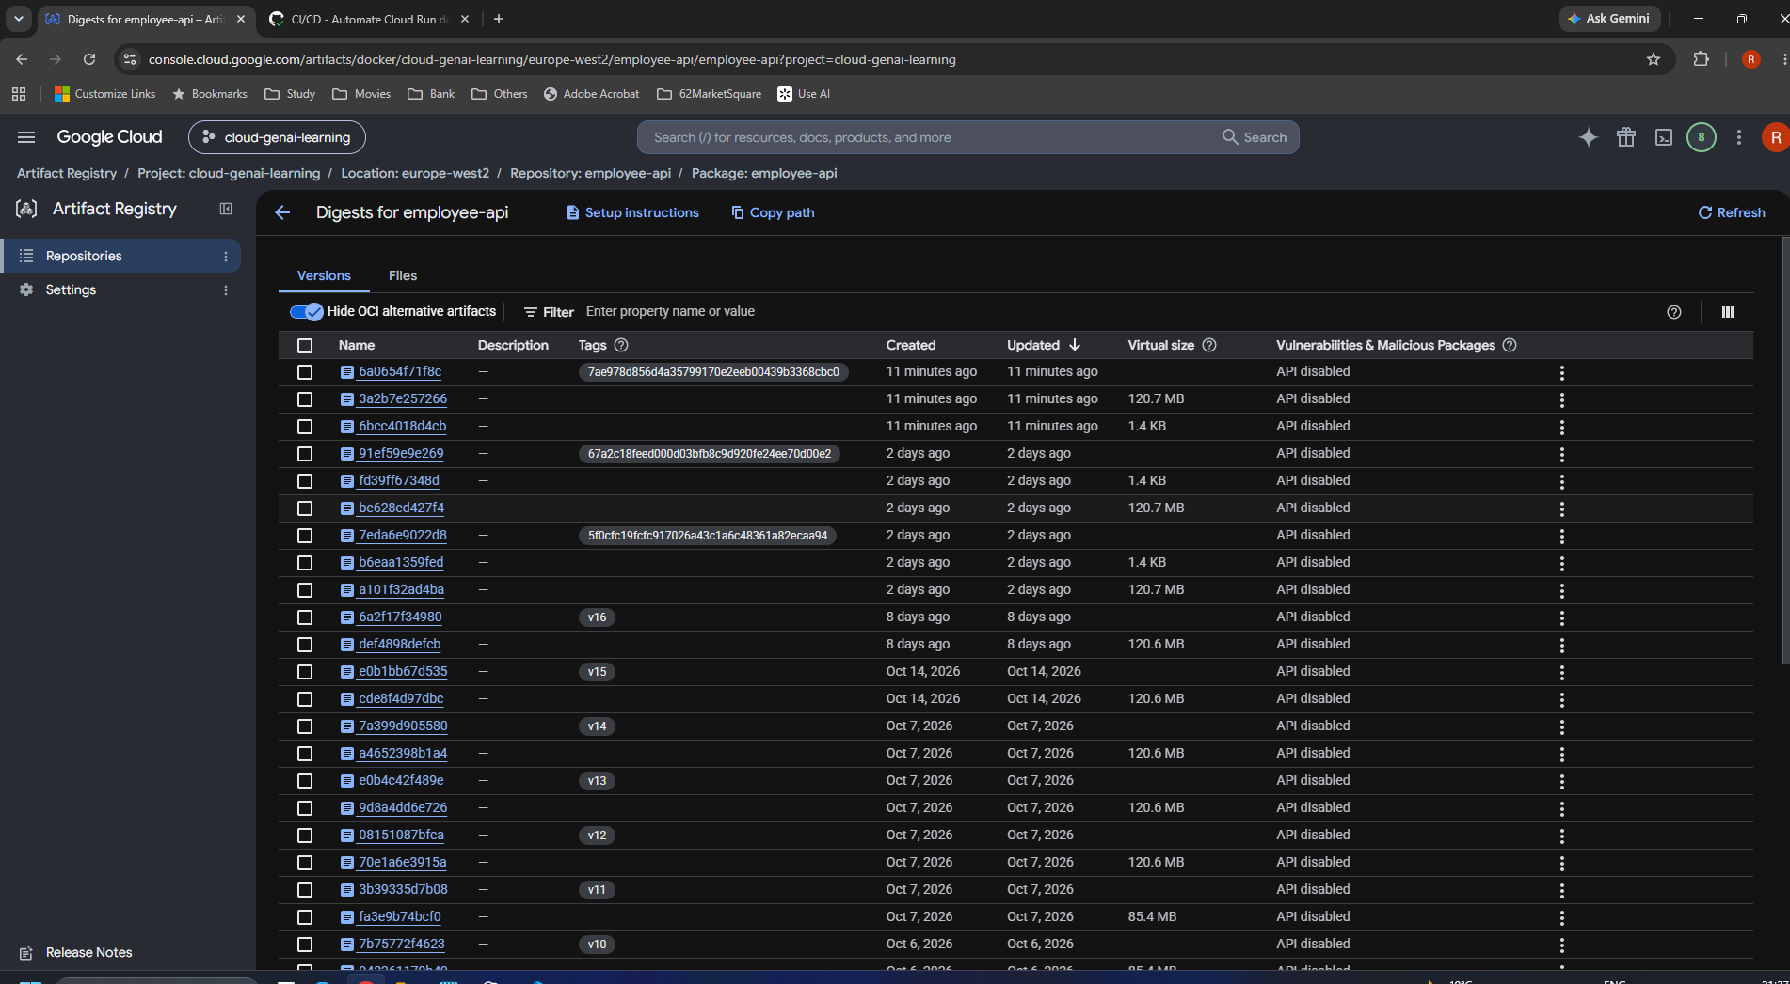

S25 | Step 25: Artifact Registry closer view
Observed listing • Markdown §11 • Original 1768 × 667 px
A closer view repeats the tagged entry and adjacent digests. Multiple manifest/metadata objects may result from one push. Exact associated-artifact types were not independently inspected.

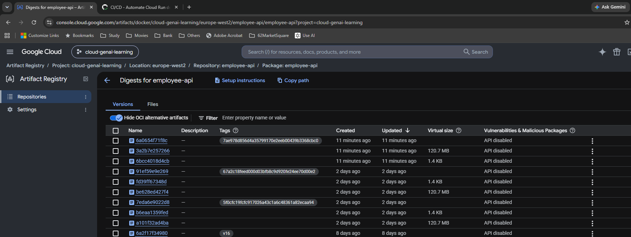

S26 | Step 26: Final Security tab verification
Observed final state • Markdown §10, 12 • Original 1777 × 1023 px
After deployment: Require authentication, IAM enabled, employee-api-sa. IAP and Binary Authorization are unchecked, encryption is Google-managed, and Threat Detection is disabled; these were not new changes.

