Sheet1
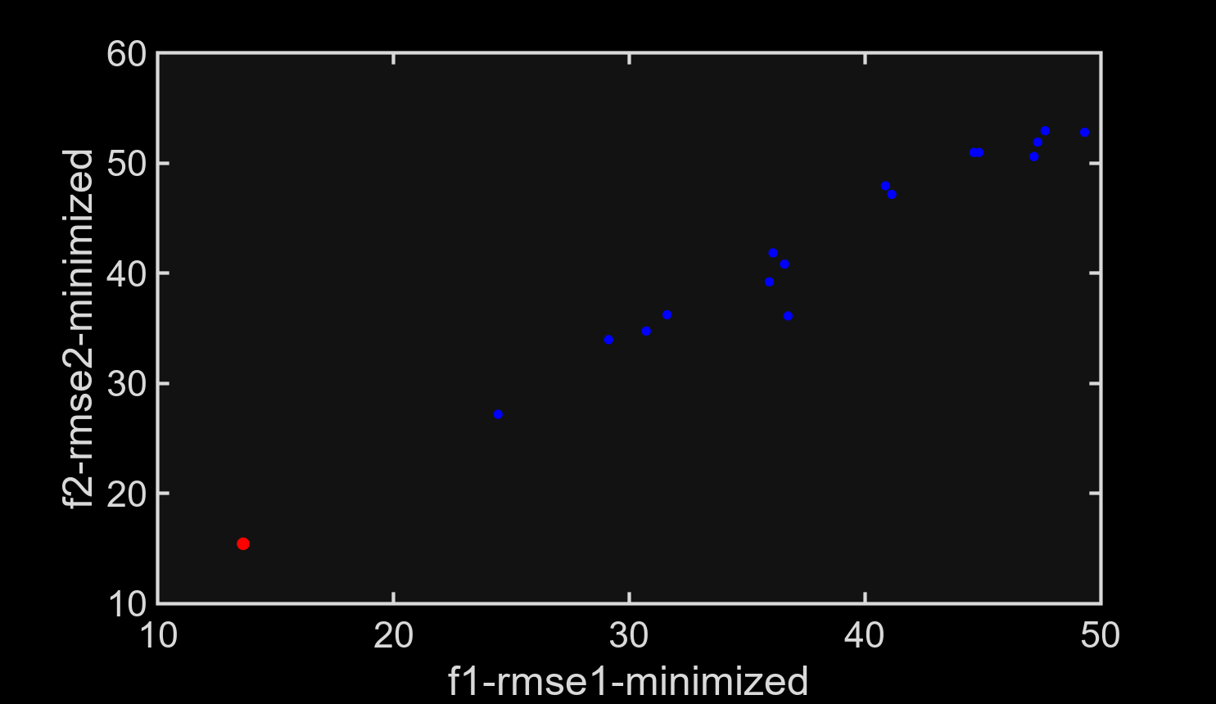
Solution ID | E1_estimated | E2_estimated | E3_estimated | RMSE_1(%) | RMSE_2(%) | RMSE_AVG(%)
1 | 487103.48074 | 37780.720575 | 9040.3591643 | 13.619118836 | 15.421805786 | 14.548410422

