Sheet1
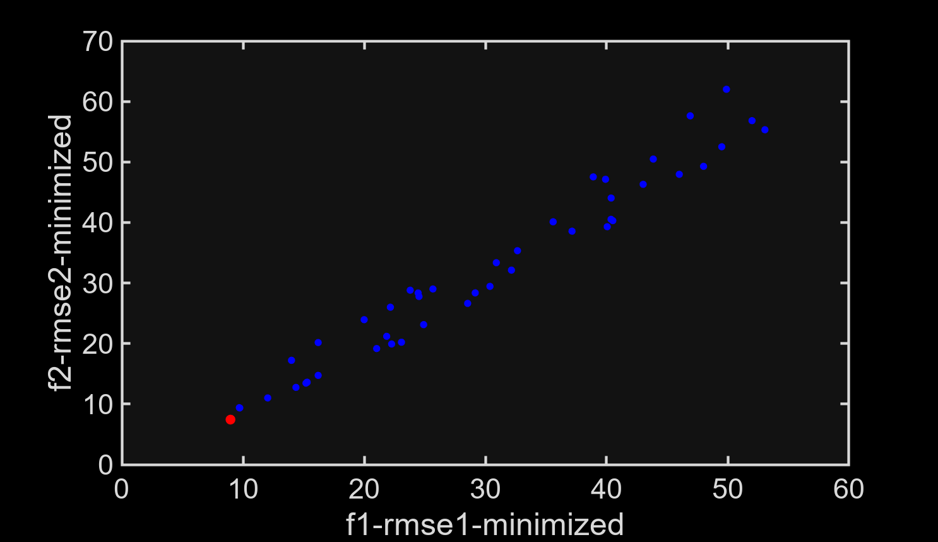
Solution ID | E1_estimated | E2_estimated | E3_estimated | RMSE_1(%) | RMSE_2(%) | RMSE_AVG(%)
1 | 544462.03805 | 33967.891476 | 8054.5833573 | 8.9668338271 | 7.4292630409 | 8.2340165841

Sheet3


