ReadMe
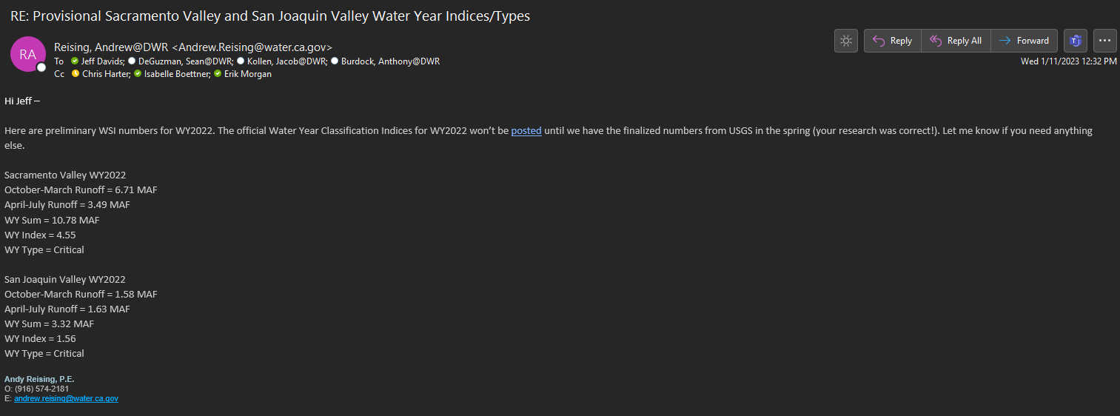
To find water year index go to this link
https://cdec.water.ca.gov/reportapp/javareports?name=WSIHIST

Be sure to verify the year prior to the year you are adding it was probably an estimate until the water year type was published

