VS Code SET-UP
STEPS

STEP-1
*We are using python version 3.9 link to Download https://www.python.org/downloads/release/python-390/
*After Following above link you can few files like below
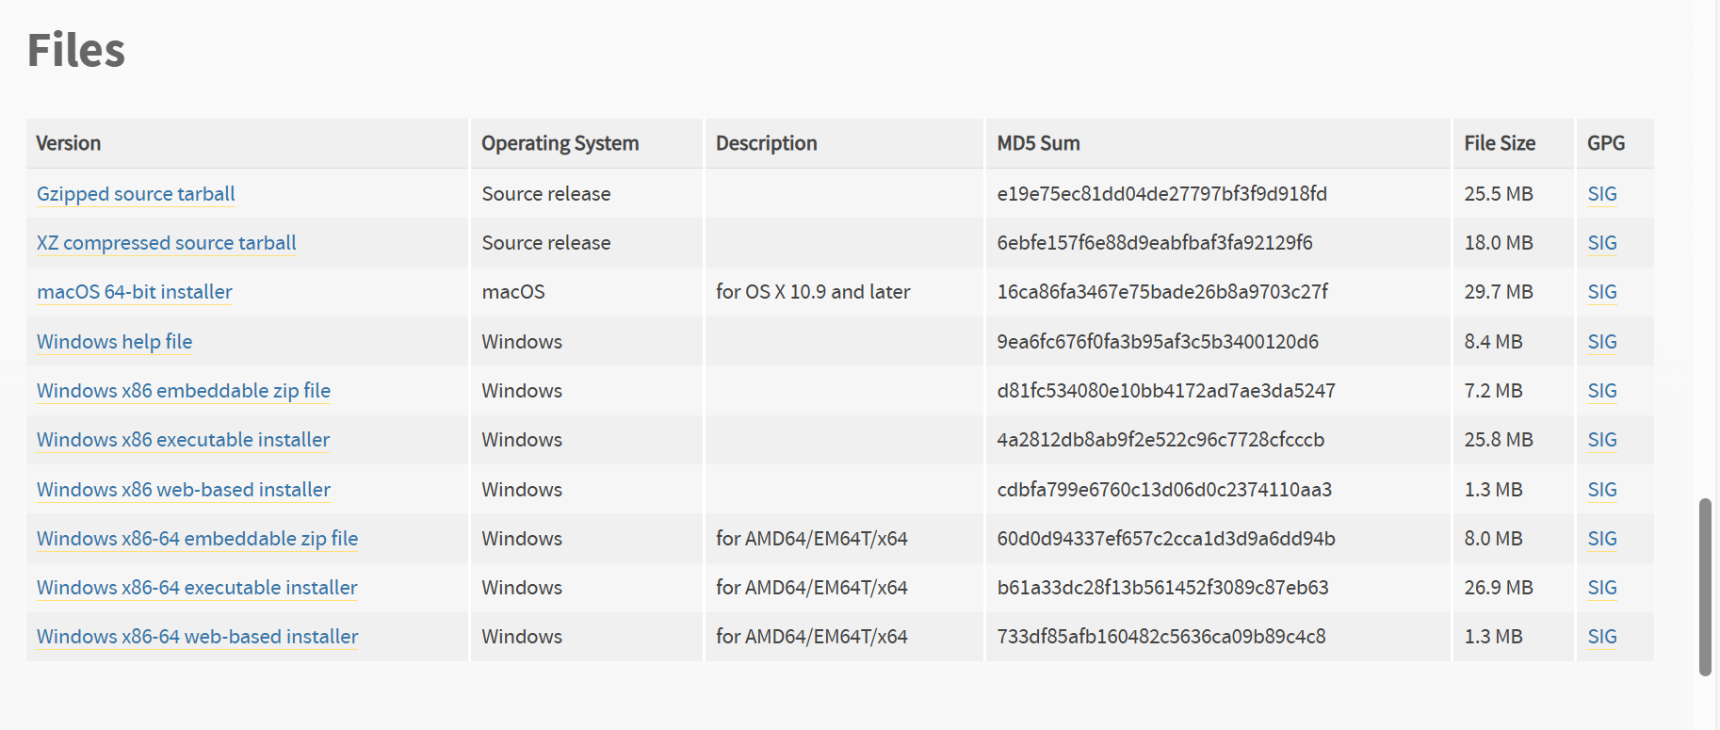

*Here select Windows x86-64 executable installer Download and Install.

** While installing make sure to tick the box for Add python 3.9 to PATH

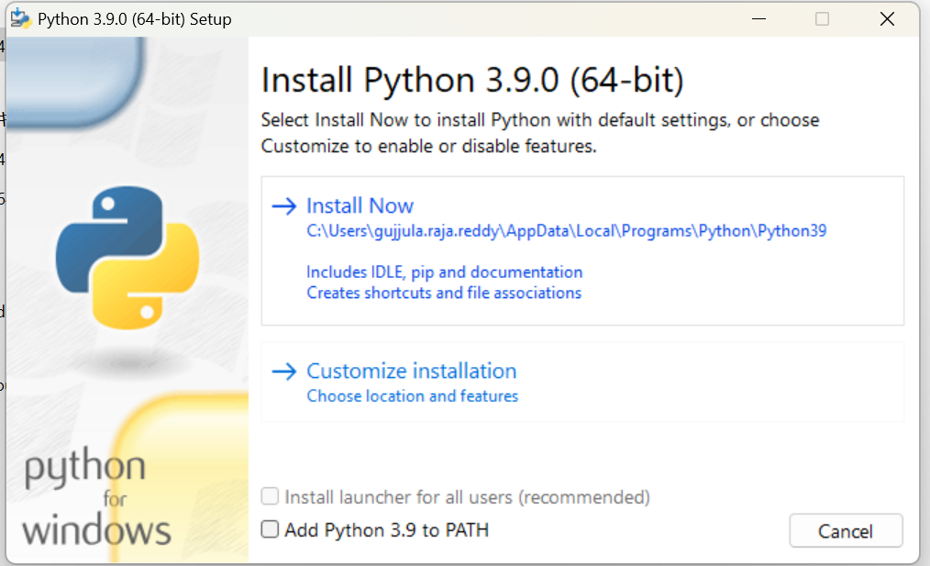

STEP-2
*Installing Required Python Packages
*Open command prompt in the your laptop and type the below code and run it
pip install pandas pywin32 openpyxl

STEP-3
* Open VS Code go to extensions then search for Python extension for Visual Studio Code.You should be able to find something like below
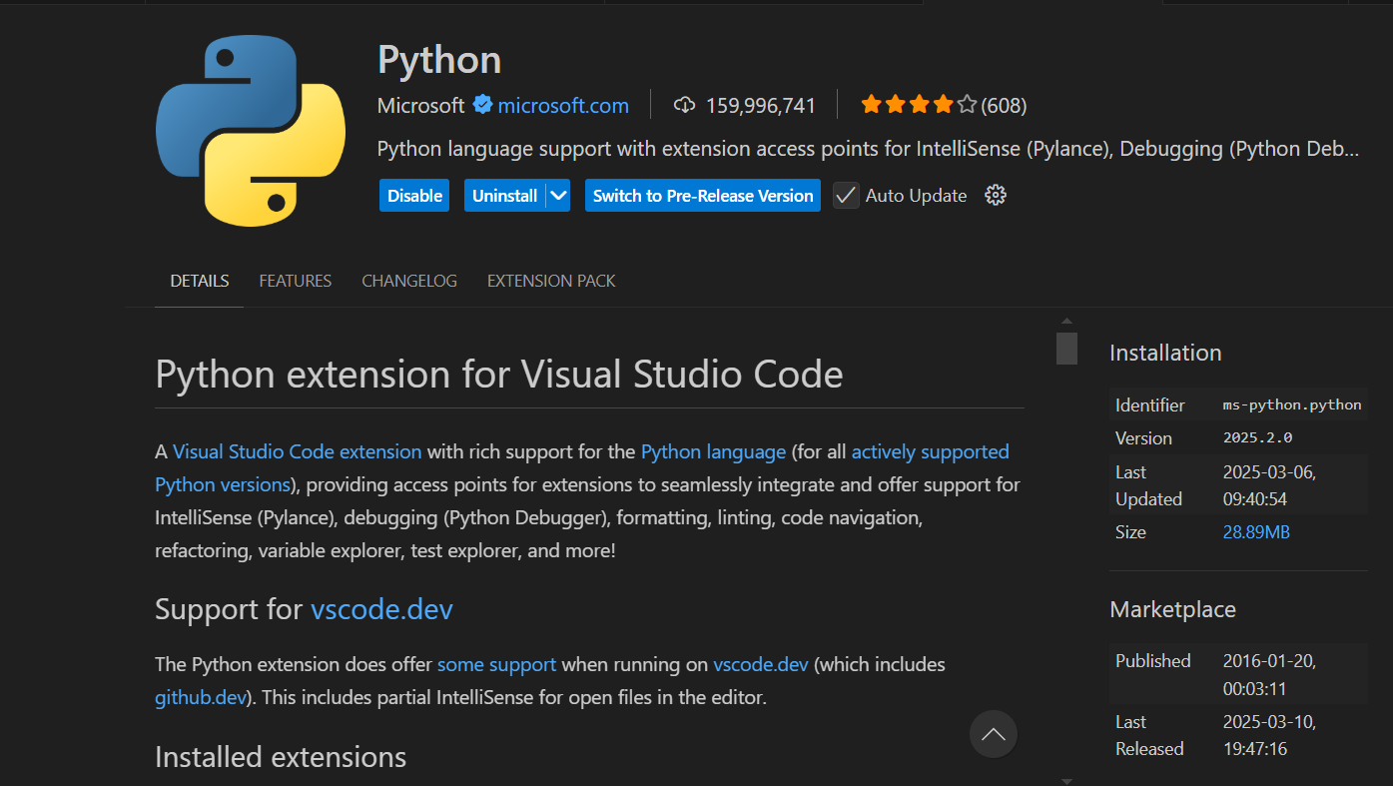

*Install it and Enable.

__________________________________END______________________________________

Output
STEPS

STEP-1

* Download the code the from Repository

*Please create one folder to store the code and if possible move input file to this newly created folder

STEP-2

*Open the python code in VS Code

*After opening the code in VS Code please press ctrl+shift+P you will get option like this like below

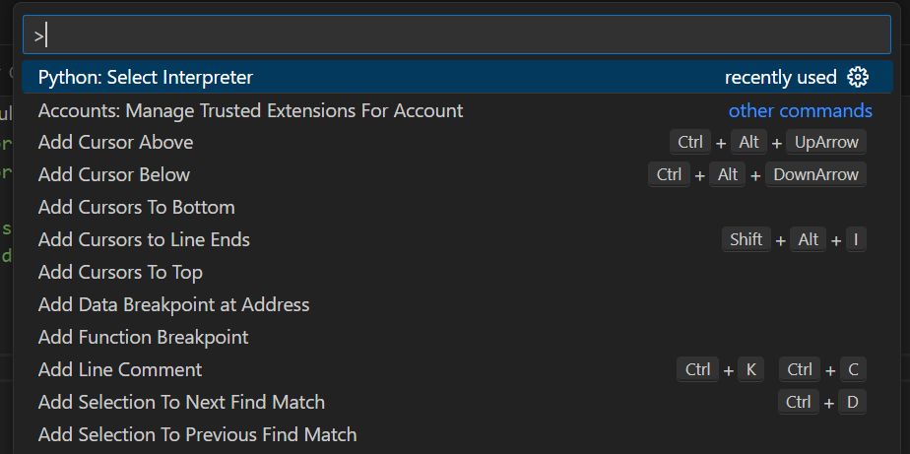

* Here search for Python: Select Interpreter and we need to select our required python version (i.e python 3.9)

STEP-3

*Before running the file we need give the sample data's directory ( File Location )

* Go input file location and copy the path like below( Here Final_Sample is my Input file and Tool_Code is the python to generate our output and remaining files are generated during execution)

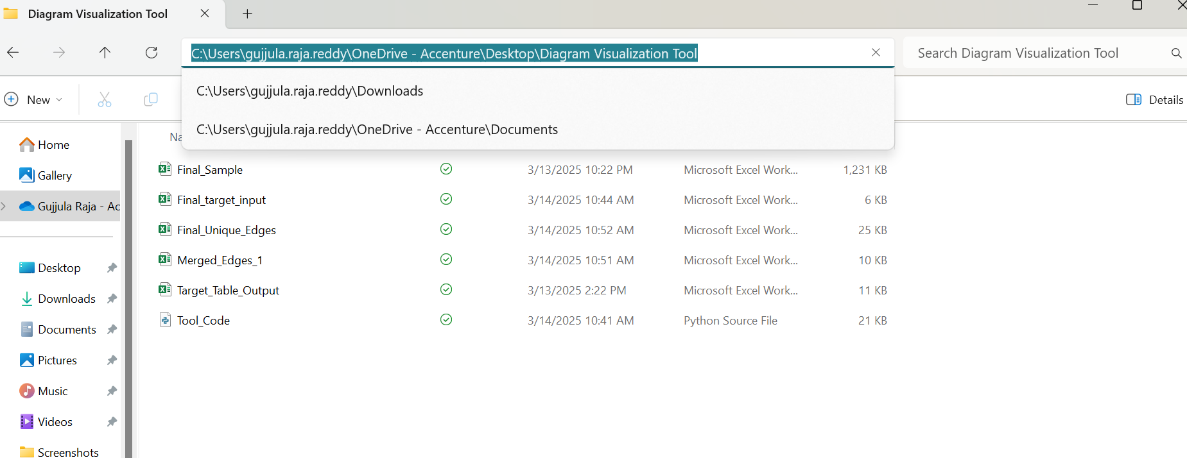

STEP-4

*Now we need to add that path to few lines in our code

*In Lines 8 , 206 give your sample name along with path by adding “\”

*My input file name is same as written in the code so I just change the path to that I copied in the last step without changing sample file name

* In Lines 342,343,418 just add path before the file name by adding "\"

STEP-5

* Now our set-up is ready and Input is also ready

*Run the file using play button in the top warning!! Before Runing please close the input file.

*If you give your target input and did everything correctly as mentioned then after execution you will get message like below

*You can get the output file name from terminal and also while executing excel will open the output file and it will ask you to save it by replacing your previous file if you are not running for the first time.

Warnings

* You will get the above Warning if you select the rows which don’t have any table except tables starting with TBMT or Work tables in the INPUT ID column of the selected rows

* Please make sure to select your required rows correctly….

__________________________________END______________________________________

