ADF
Azure Data Factory:

• A fully managed, serverless data integration solution for ingesting, preparing, and transforming all the data at scale . if the complex transformation needs to be done then we write Spark code and run in HDInsight or Azure Databricks and orchestrate using Azure Data factory • Even machine models created in Azure ML or in data bricks can also orchestrate using Azure factory. It also orchestrates publishing Power BI dashboards • End to end solution for integration, transformation and orchestration of the data o. Fully managed service o. Serverless o. Data integration services o Data transformation services o. Data orchestration services

Azure Data factory not to use:

• It is not data migration tool • Does not support streaming service. Instead we can use event hub, IOT hub etc … • Does not support complex transformation • Not a data storage service

Project :
Covid 19 prediction reporting:
Solution Architecture

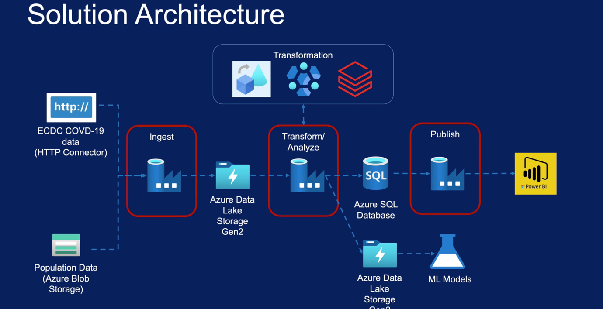

Data flow within ADF ---> Code free transformation tool which is easy to develop HDInsight ---> Write code in Spark, HIVE, Pig etc … Databricks --> Write code in Spark Azure Blog ---> To store population data. Store amount huge volume of data Azure Data lake storage Gen2 ---> Data lake . Recommended for effective storage and built on top of Azure blob storage. It can be mount with Hadoop, data bricks and Synapse

Azure Storage solutions:

Structure of data ---> Azure SQL databases, Azure database for MYSQL databases, Azure databases for PsotgreSQL and Azure database for MariaDB, VM images with oracle

Azure Storage Account ( AWS S3) :

• Blob storage : Text file, documents, PDF etc … • File storage : Cloud file store • Disk storage • Table storage : Structured data in key value pair • Queue storage

Azure Data lake:
It is entire data solution for building Data lakes. Build top of Blob storages ( enhance performance, management, better security)

Azure Cosmo DB:
• NoSQL database • Globally distributed • High throughput

Operational needs ---> How often, quickly, simple queries, complex, regions

Azure Data Factory labs:

1. Creating Azure Data factory

Resources ---> Integration ---> Data factory ---> Need to provide resource group,region and name ---> finally deployment window comes later go to resource ---> Click on Open Azure Data factory studio It will have below options 1. Home 2. Author 3. Monitor 4. Manage

Creating Storage account :

Resources ---> Integration ---> storage account ---> fill the form and create a Azure Blob storage This will have • Blob storage File storage ,Table storage ,Queue storage

Access key ---> this will provide 2 keys with keys and connection string Storage explorer ---> This will give another view Overview ---> open in explorer and download the Azure storage explorer for windows and connect to it by providing the connection details. Once done under blob create test folder and upload a file

Creating Azure Data lake Gen2 storage account
Resources ---> Integration ---> storage account ---> fill the form and create a Azure Blob storage ---> Need to select enable hierarchical namespace

In Overview tab we see extra tab Data lake storage

Creating Azure SQL Database:

Resources ---> Integration ---> database ---> Create database Once created we can go to overview and make it public and then we need to white list the public address. For that go to overview ---> Set the firewall setting ---> Add ip address ---> Save ---> Query editor and run query Download and install Azure data studio and provide connection details

Data Ingestion from Azure Blob:

1. Activity 2. link services. --->. Can have link services 3. Datasets 4. pipeline 5. Triggers

Copy activity :

Azure Blob storage ---> Azure Data lake

Use copy activity to copy data from Blob storage to Data Lake We need connection details for Blob storage and Data Lake and in DF this are defined in Link services Copy activity alone cannot run so we need create pipeline to execute the activity

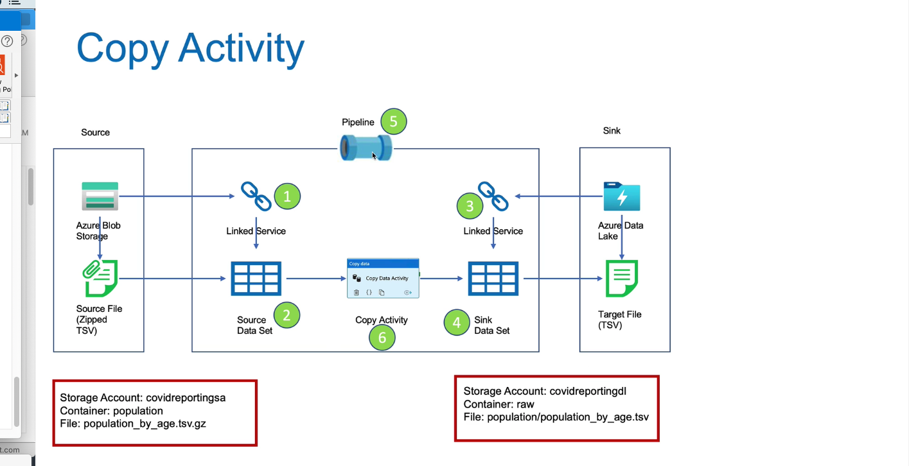

Created container in Blob storage (population) and another in Data Lake (raw)

Name Standards:

1. Ls_ablob_covidreportingsa. --- Link service 2. ds_popaultion_raw_gz --- data store 3. ls_adls_covidreortdl 4. ds_popualtion_raw_tsv 5. pl_ingest ----> Pipeline 6. copy population Data

Linked service and Dataset
1. Click manage ---> select linked services ---> data storage ---> Select accountkey (authentication method) there are other strong methods as well 2. Click manage ---> select linked services ---> data lake Gen2---> Select accountkey (authentication method) there are other strong methods as well Anything done in Manage tab is auto saved

Now we need to create corresponding datasets
3. Go to Author ---> select Dataset --> Blob storage ---> select delimited text --> give name and select the blob storage account created in step 1 and select the file 4. select Dataset --> Datalake Gen 2 ---> select delimited text --> give name and select the blob storage account created in step 2 and select the file we can validate all Here nothing is auto saved. So we need to Publish so that all the work done in Author is saved

Creating pipelines
5. Go to author ---> Select pipelines ---> Give name ---> Drag and drop Copy data activity . It will have General , source, sink, mapping , settings and user properties 6. Once all the steps are completed click on Validate and the debug the activity 7. Click on Publish all , so that changes are saved into Data factory

Production ready code

Scenario 1 : Execute copy activity when the file becomes available

Above scenario can be done using CONTROL FLOW. For our scenario we can schedule the pipeline to run every day at midnight For this we need to use below activity In General tab --> Validation activity and in setting tab provide gizzed raw file Now Validation activity should be connected to Copy Data activity

Scenario 2 : Copy activity only if file contents are as expected

In General tab ---> Get Metadata activity and in Iteration & conditions if condition activity In Metadata activity ---> Setting ---> Field lists ---> Column count , size and exists From Iterations & Conditions ---> If condition ---> Expression window ---> have necessary logic to check for metadata count to 13 ---> Copy Copy activity and paste in True section of If condition Now delete the Copy activity created in step1 and then connect validation to Getmetadata activity ADF does not have pass or fail activity

Scenario 3: Delete the source file on successful copy

ADF does not have move activity and hence we need to use delete activity

Delete activity :

In if condition activity we have copy activity and there we need to add Delete activity which is part of general tab. In Logging settings we can select blob location to capture the file names that are deleted

Scheduling pipeline execution:
Triggers ---> Helps in Scheduling the data pipelines by attaching to them

There three types of triggers Schedule trigger o Runs on a calendar/clock. o Supports periodic and specific times. o Trigger to pipelines is many to many. eg : Attach all the triggers to one pipeline or all pipelines to one trigger. o Can schedule to run for future time to start

Tumbling window trigger o Runs at periodic intervals o Windows are fixed sized , non-overlapping ( e.g. : Hourly loads) o Can be scheduled for past windows/slices o Trigger pipeline is one to one

Storage Event trigger o Runs in response to events such as file arrival or deletion o Trigger to pipelines many to many

Custom event triggers

In Azure Data factory select manage and select triggers
In our case we use Event trigger

From All resources ---> Subscriptions ---> Resource providers ---> EventGrid ---> Register it. ---> This will create the Trigger Now go to pipeline available in Author tab and add trigger to the event and now we should see trigger being executed

2. Data Ingestion – ECDC Data:
o ECDC Data overview o Create initial pipeline o Pipeline variables o Pipeline parameters o Lookup activity o For each activity o Linked service parameter o Metadata driven pipeline

Data Ingestion :

HTTP ------------------------------> Azure Data lake Copy Cases and Death csv data from HTTP to Azure Data lake Need to create link services for HTTP data ( GIT)

1. Click manage ---> select linked services HTTP --->. Base URL would github.com and when we create dataset we can define the other part of the link 2. Go to Author ---> select Dataset --> HTTP 3. Go to Author ---> select Dataset --> Azure Data lake Gen 2 4. Go to Author ---> create pipeline --> Azure Data lake Gen 2 5. Drag COPY activity and add source, sink details 6. Validate debug and publish the pipeline

Copy hospitalization csv data from HTTP to Azure Data Lake

In order to make generic we can use same pipelines and just change the files names using parameters and Variables Parameters are external values passed into pipelines , datasets or linked services. Pipeline can receive the parameter, send that to dataset and then sent to link services .The value cannot be changed inside a pipeline. Variables are internal values set inside a pipeline. The value can be changed inside the pipeline using set variable or Append variable activity

Go to HTTP data set and we will parameterize Relative URL. Go to parameters and add below entry relativeURL ----> String In connection tab ---> Relative URL ---> Select add dynamic ---> Select the relativeURL we created

Do same to Sink filename Relative URL ---> relativeURL File path ---> in place of file name filename

Now go to pipelines, need to create few variables sourceRelativeURL ---> path of source file path ( hardcoded the path value) sinkFileName ---> Target file name ( hardcoded the file name)

Now select copy activity available in pipeline and in source under relativeURL ---> select the source parameter which we created (sourceRelativeURL) filename ---> Select the filename parameter which we created (sinkFileName)

In the above pipeline we hardcoded values for sourceRelativeURL & sinkFileName. We can even make this variables dynamic by passing values in Trigger

Pipeline parameter and schedule trigger

Create parameter for sourceRelativeURL & SinkFileName and these parameters does not have default value and we will pass them during run time Delete the source and sink properties in the pipeline Go to manage ---> Trigger ---> Schedule trigger ---> go to pipeline and add trigger to the pipeline and publish Triggers will run only after we publish it With this approach also we need have 4 different triggers to populate 4 different data sets

Control flow activities :
From lookup activity we can get all the source and sink information so that only one trigger will be enough to process multiple datasets

We should define all information in some storage and use lookup activity to read that file later we can use ForEach activity to read each line to process them Lookup file should be json format Add dataset by selecting correct storage and connection information

Linked services parameter:
Go to linked services select ls_https_opendata_ecdc_europe_ed ---> parameter

NEED TO revisit this data again

