System_Design
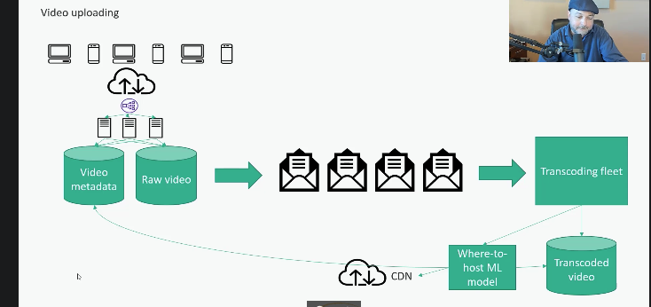
Scalability:

Single server design
There will be one single server and it will equipped with adding some extra resources. This is single point of failure Work around for this we can separate database from server and hence we can scale independently but still this are single point of failure

Vertical Scaling
Instead of adding more servers we can one bigger server. This is single point of failure but we will have fewer servers to maintain

Horizontal Scaling
Here we will more servers horizontal instead of one big server, so if one server goes down then other server will always be functional

General process :
There are huge no. of clients hitting through internet and instead of single sever, we are hitting multiple server and we have load balancers in between internet and servers

Load balancers :
This are some device or software process running somewhere that is distributing the load coming in from the internet to whole fleet of servers. The beauty of this if one the server goes down then we can always make use of other. The load balance strategies are • Round robin • Partitioning • Look at available capacity at server and route traffic intelligently

The downside of Horizontal scaling is maintaince. It will be easier if our web servers are stateless

Stateless servers:
Subsequent request should not depend on something being stored on that server from pervious request. We can store data in database but server themselves should not store the data Stateless servers can handle any request at any time

Failover Strategies:

Servers are might be provisioned in • within your own company’s data centre • Cloud services ( AWS EC2, GCP Compute Engine, Azure VM’s) • Fully managed serverless services(Lambda, Athena, Kinesis, ADF, Big query etc..)

1. Cold stand by server : Big old single server database and take periodic backup ( S3,GCS bucket etc..). So, if the server goes down, we can have stand by server to restore that backup file and function as actual server. Downside is , downtime will be more and restore takes more time 2. Warm stand by server : Here data is being replicated from primary DB server to backup DB server ( replication ) 3. Hot standby: Here data is being written simultaneously to multiple DB instances

Horizontal scaling of Databases : Sharding

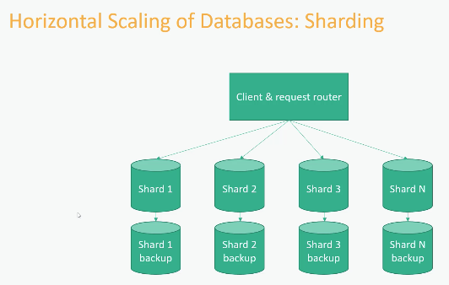

Shards : Shard is a horizontal partition of database. Shards will have scalability and resiliency . if we want to join data then client has get data from different shards which is tedious and that’s why we avoid joins and complex queries on NOSQL DB’s. We mostly have key value look up as much as possible.

Mongo DB:
It has application server processes running on application server fleet and for each one of those has MONGOS. MONGOS job is to distribute data among multiple replicas sets within MongoDB. Replica sets corresponds to a shard in mongo DB and every shard has a primary server and multiple secondary servers as well. In case of primary node failure , the secondary node can elect a new primary server automatically . Though the primary nodes are single point of failure there is mechanism to replace them automatically and quickly if they do go down. In order to high availability, we should have at least three servers. All the primary node, replicas, how data traffic is distribute the to different nodes all this information is available in Config server. Even config server will be having multiple instances and if one config server goes down there will be another which is available

In order to have High availability we should have more no. of servers which will become burden on maintenance. Though we have single point of failure the downtime is less as secondary can quickly make use of another primary node

Cassandra:
Data is disturbed among all the nodes ( in shards ). Each node data is being replicated on different nodes and each node can act as primary node for that particular data. Here is there is no single point of failure. Trade off here is as data needs to be copied to all the different nodes its difficult to have Eventual consistency . So if data is written to a node it might take some more time as data needs to be replicated across multiple servers If its ok to have some delay while writing and reading data then Cassandra is best suited DB

One of the problem with NOSQL DB are if new shard (node ) is added then data needs to be redistributed among all the nodes (reshards) Hotspot/Celebrity problem: If same set of data is being used often then there might be more traffic to that partition. Eg : Brad pit partition has more traffic then the actor of 1930’s actor

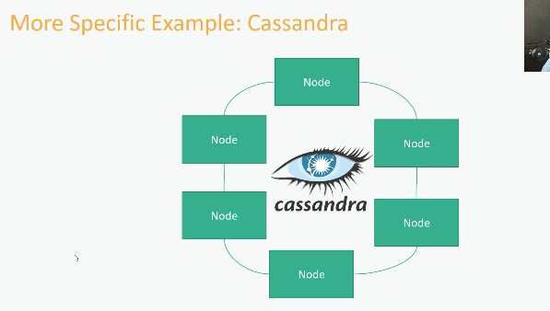

Normalized tables :
Less storage space, more lookups, updates in one place

De-Normalized tables :
More storage space, one lookups, updates hard Advantage is that it can give every wanted with single database hit Disadvantage Updates are hard and has need to trade off on eventual consistency . Also waste of space as we duplicate data more

Typically NOSQL DB goes with Denormalized tables
In order to get complete data, if the data is normalized ( relationship defined ) , an single query is enough where as if we use NOSQL DB , under the hood it used two different queries

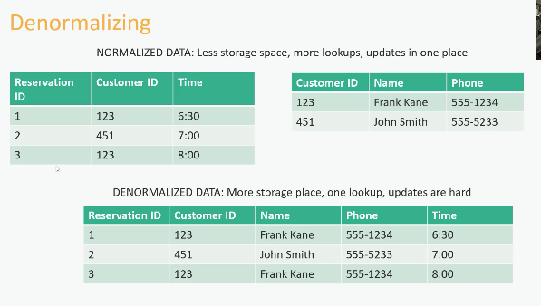

Data Lakes:
Throw all raw data into a single repository is known as Data Lake. It can have structured, unstructured, and semi structured data

ACID Compliance:

Atomicity : Either the entire transaction succeeds, or the entire thing fails Consistency : All the databases rules are enforced, or the entire transactions is rolled back Eg : if a column should not contain any negative values and if we try to load then entire record will not get loaded Eventually consistency and consistency between ACID and CAP theorem are different Isolation : One transaction is independent on another transaction. No transaction is affected by any other transaction that is still in progress Durability : once a transaction is committed, it stays, even if the system crashed immediately after

CAP Theorem:
At any given point we can have only two properties not all the three Consistency Availability Partition tolerant ( durability )

In Oracle/MySQL --> we are trading off Partition tolerant ( durability, scalability ) Cassandra ---> We are trading off consistency MongoDB,Dynamo DB ---> We are trading off Availability

Caching :

Highly scalable and high performance can be achieved using Caching mechanism Hitting disk is more expensive. Holding DB data in memory Usually, DB might have their own caching and memory but that’s not enough Caching layer ---> should have fleet of servers whose only job is to keep in-memory copies of the data that being accessed recently from database We can scale the caching layer independently if we want to We need to use for the applications where reads are more than writes Caching for too long will make the data stale

Cold start problem
When you first turn on that caching layer server layer. One way of dealing it is to have separate procedure for warming up the cache before we actual expose it to outside world. May we can have artificially sending traffic to caching layer When caching layer goes down then it has to hit the database layer for single transaction and when we restart the cache is entirely empty

Eviction policies:
What stays in Cache and what in database LRU: Least recently used LFU: Least frequently used FIFO: First In first out

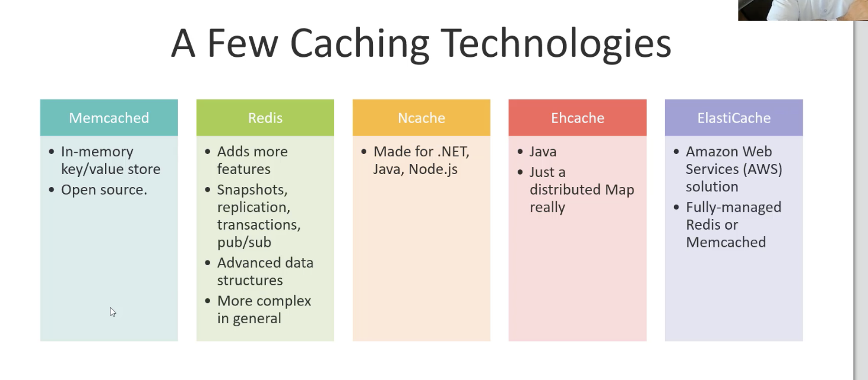

Content delivery network:

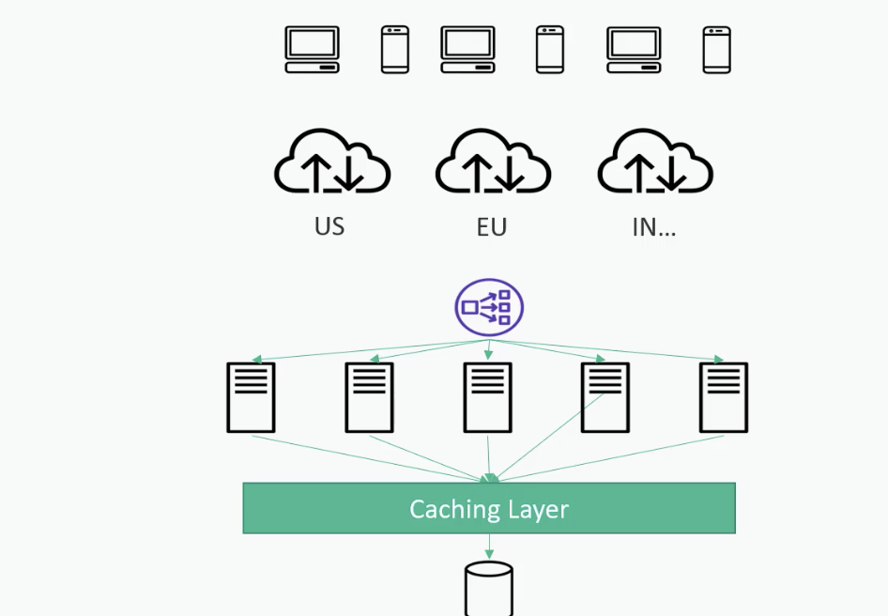

Geographically distributed fleet of servers that is mostly serving static data. Things like Java script, HTML on web pages, Images can host on CDN. This can be host physically near to end user. CDN keeps data locally from copying data from master Broke internet traffic coming through different regions using CDN from your website. It generally holds static content These are expensive

Resilient:

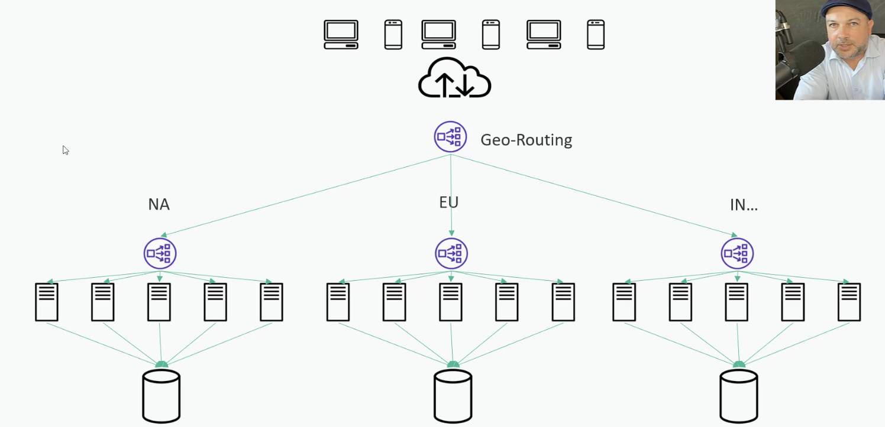

Its all about distributing data across racks, region and data centers
If the European Data center goes down then can route our data still to US and India data centers

Scaling the data

Distributed storage solutions:

Big Data:

Message queue

Apache Spark

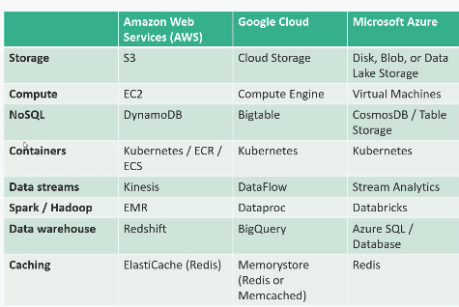

Hybrid cloud

Combining your own data center with public cloud like AWS,GCP,Azure

Multi cloud

Combining more than one public cloud

Design interview strategies:

Scaling:
Scale is massive then we need horizontal scaling and if it is really massive then we should rely on cloud storage as S3 Transaction rate : Large rate then we Data: Hundred/million/billion of videos

Latency :
Caching : If little bit of latency is ok then we can go for Caching. For YOUTUBE example , we can cache video recommendations, metadata , descriptions etc .. CDN : For very low latency and no buffer

Availability:
Redundancy spread across multiple racks, regions and data centers. Master node and stand by node in Hadoop cluster

URL Shortening service:

Clients are desktop, phones ,any sort of web browser etc. and we use some sort of load balancer to distribute requests to fleet of application servers which handle all API’s. Assuming this application is rolled out globally we need to use some sort of DNS trick to geo-route requests to servers in appropriate region. Every request need to access DB and hence we go with scalable NOSQL DB . Eventually consistence is ok. But we need to cache with Redis/Memcached so that hits to DB is reduced

Data schema:

Most frequent operation is remap short URL with long URL and index should be created on both of the URL columns When we request to Short URL , then through internet it goes to fleet of application server and from there to cache and if It does not find the it hits the underlying DB and if it exists then application will return 301 redirect and if not 404 redirect

301 redirect --> permanent redirect. In this browser will cache
302 redirect --> temporary direct. In this browser has to hit the DB every time
404 redirect --> if it does not find the record

Reservation system:

Customer
ID
Contact name
preferences
Location

Restaurant
ID
Table Layout
Walkup holdback , Reservationlength, Business hours, Name
Address

Customer login should be stored in some secure system We should consider about party customers and also about the walk in customer Restaurant also should estimate how much time each of the customer stay at restaurant

Reservation table :
ID
Customer_ID,Resturant_ID
Time_Slot,Partysize
Notes(special occasion,dietary restrictions )

Reservation table is partitioned by Restaurant_ID and Date Here we will go with Normalized tables to avoid updates

Clients ---> Internet ---> Load balancer ---> horizontally scaled Application server ---> NOSQL database (Customers, Restaurants, Reservations ) ---> From Database send SMS notifications

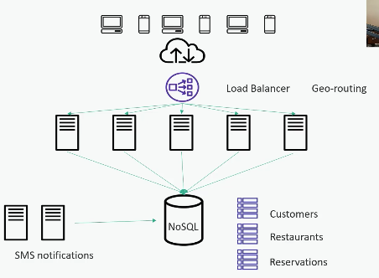

How to choose NOSQL DB:

Staff familiar with Cassandra ---> Eventual consistency Consistency is important because we don’t want multiple customer to reserve same table So we can tradeoff availability , so choose MongoDB is right choice In this we don’t need Oracle/MYSQL as application server can query each table and we are not performing complex SQL

Caching :
We can cache Customer and restaurant tables

Top Sellers:

We can have single large repository all the data gets stored. It can be S3 bucket and partition data based on category and have Athena so that we can write SQL queries to get TOP N books . We can also use Redshift cluster We can do exponential decay to get TOP N categories We can use Apache Spark for processing and store final data into MYSQL with standby ready to go incase of failure as output count is less and it can be cached

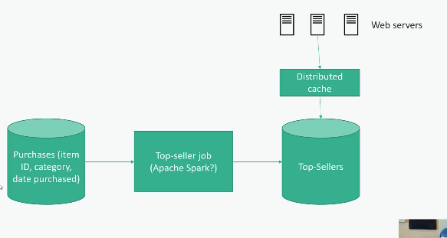

Video Sharing:

Watching :

Metadata : ( key value DB) Video name, owner, Thumbnail etc. ..

Client ---> Internet ---> Video Metadata. ---> Place videos in CDN to avoid buffering ---> CDN gets videos from Master transcoded video repository in cloud storage . Video URL point to Video data and we should have more than one copy based on resolution , format etc.. and hence data in CDN would be massive. To reduce cost, the videos that are not popular can be placed in own servers and popular videos in CDN

We can have machine learning model that can tell which video can be viewed today and push them to CDN. Also based on location we can reduce the usage of CDN

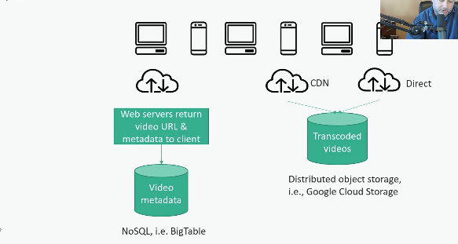

Upload a video:

Upload video ---> Metadata datastore (metadata) ---> Videos uploaded to Cloud storage ---> have to use message queue to know uploading status and can use SQS and converts to different formats and stores back in Cloud storage

`

Users wants to view before it gets uploaded. In that case Video metadata table should have flag and should be active only if its available in Transcoding fleet

