Kubernetes
"Kubernetes is open source system for • Automatic deployment • Scaling • Management Of containerized applications "
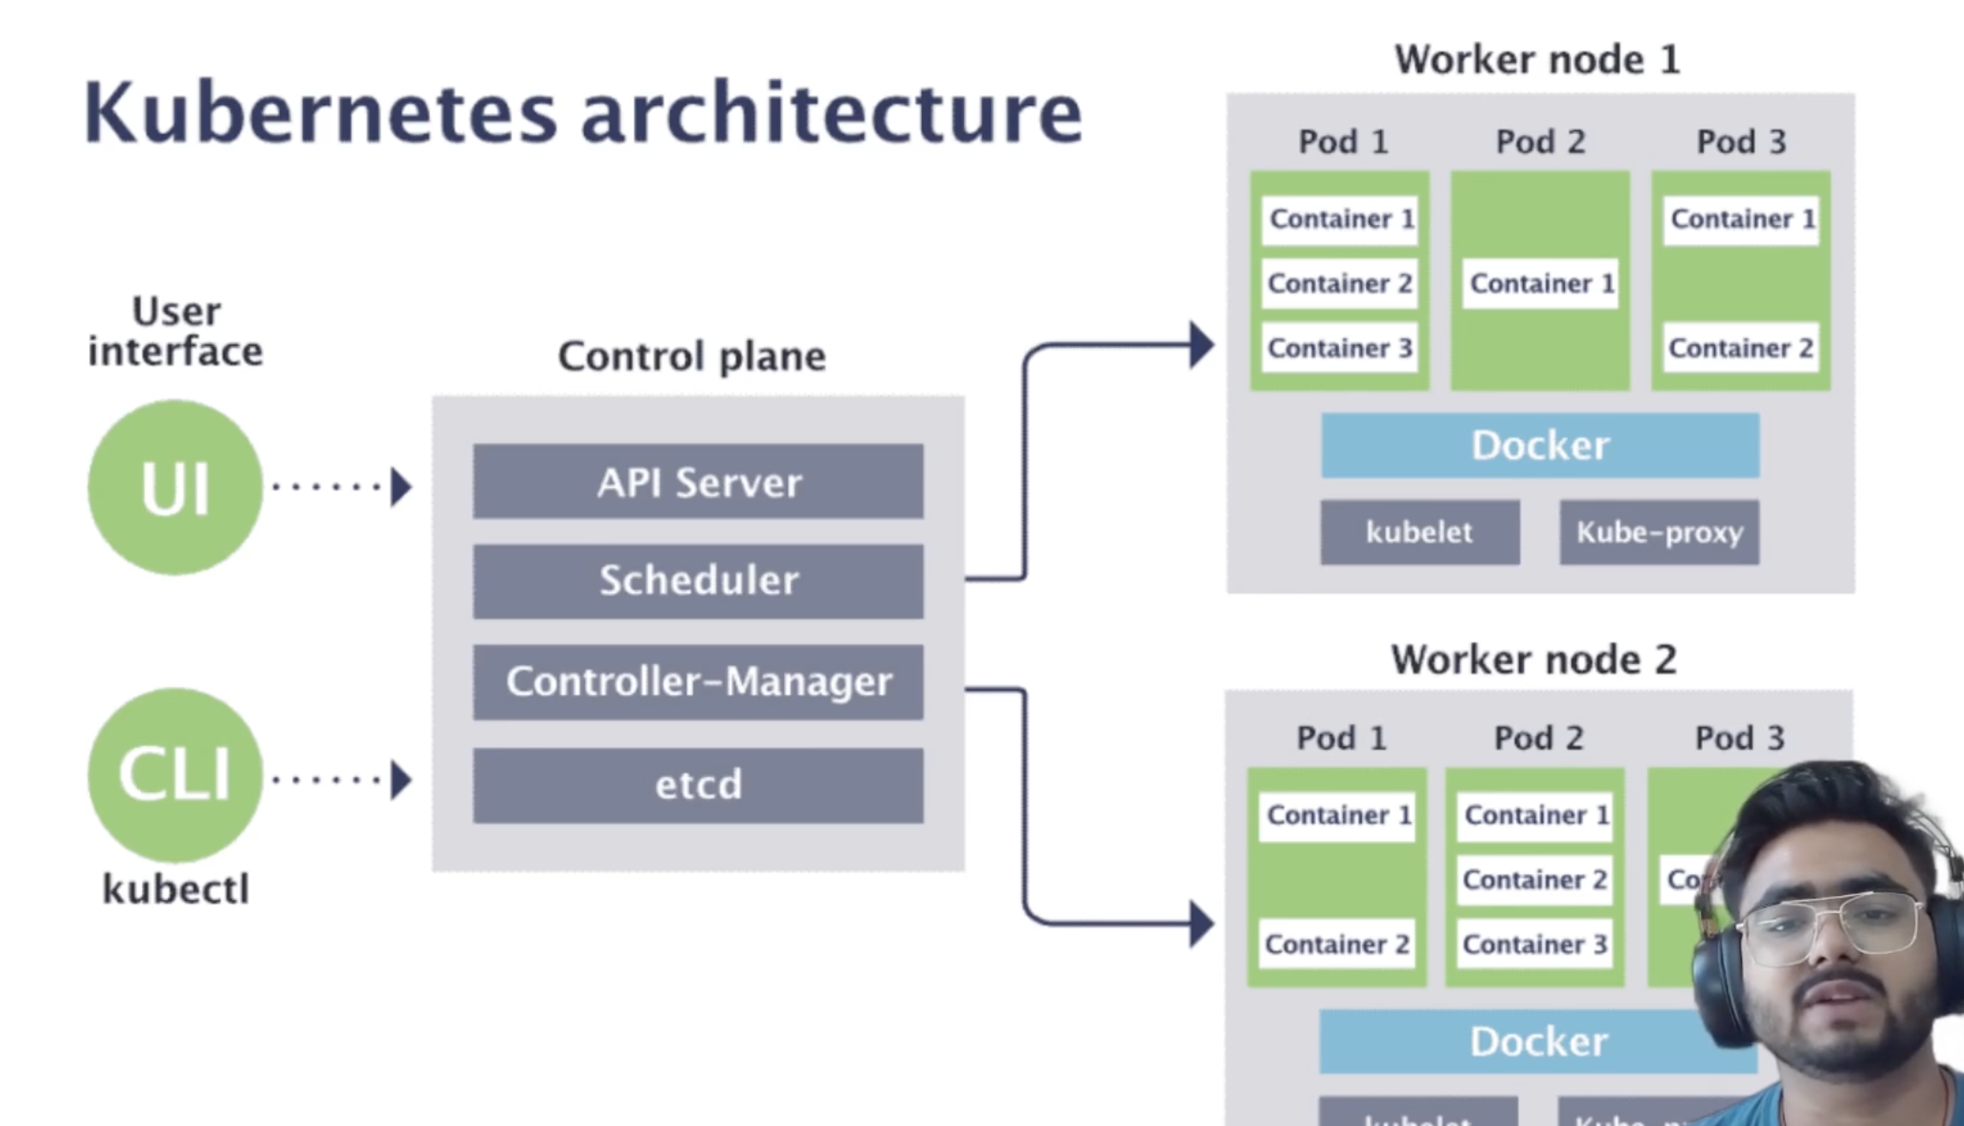

To Interact with Kubernetes cluster we can use • User interface • Kubectl

Kubernetes has two components

Control Plane (master node):

• API server → services as entry point. It is front end for Kubernetes control plane. It is designed to scale horizontally . It scales by deploying more instances • Scheduler → It is service in master responsible for disturbing the workload or containers across multiple nodes. It is responsible for tracking the utilization of the working load on cluster nodes and then placing the workload on which resources are available accept the workload Check and Schedule the pods that does not have any nodes associated with it. Scaling up and down is done by scheduler • Controller-Manager → create/delete/update nodes. No. of nodes running. Keep the track of nodes. Controls all the services 1. Node controller → Responsible for noticing and responding when nodes goes down 2. Replication controller → Responsible for maintaining correct no.of pods for every application controller object in the system • Etcd → Stores configuration information in distributed format in form of key value storage . Track and store the Kubernetes architecture

Worker nodes:

• Kubelet → it is Node agent which used to create/update/delete the containers . Manage the whole node and connects to API server, It is responsible for making sure that the containers are running on nodes as expected • Kube-Proxy → It used for network proxy. It runs on each node and helps in making services available to external host. It helps in forwarding the requests to correct containers and is capable of performing primitive load balancing. It makes sure that the networking environment is predictable and accessible and at the same time it is isolated as well • Docker → It runs encapsulated application containers in relatively isolated but light weight OS 1. Container runtime → It is underlying software that is used to run containers. In our case it is docker [ Docker, Containerd, Cri-o, rktlet ] • Pod → Pods encapsulate containers and pod can have n no.of containers and a node can have n no.of pods. It is the smallest deployable unit that can be managed by Kubernetes. It is logical group of one or more containers that share same IP address and port space. Pods main purpose is to support co-located processes, such as application server and its local cache • Container →

Physical or Virtual machine → Pod → Container

Pod
It is the smallest deployable unit that can be managed by Kubernetes. It is logical group of one or more containers that share same IP address and port space. Pods main purpose is to support co-located processes, such as application server and its local cache

Services
Pods are ephemeral in nature which means they get deleted frequently and if we use IP address of pods then we should be changing them frequently , so we use service which will have stable IP address and also it helps in loading balancing

Ingress: kakak

ConfigMap & Secret :

A config map is a dictionary of configuration settings. It consist of Key value pair . Kubernetes provides theses values to your containers. Secretes are secure objects which store sensitive data such as passwords,OAuth,tokens, SSH keys with encrypted in your clusters. It gives you more flexibility in Pod life cycle definition and control over how sensitive data Is used. It reduces the risk of exposing the data to unauthorized users • Secrets are namespaced objects • Secret data is stored in tmpfs in nodes • API server stores secrets as plain text in etcd • A per secret size limit of 1 MB

Volumes :
It is a directory that contains data accessible to containers in given pod in orchestration and scheduling platform . Volume provides a plug-in mechanism to connect to ephemeral containers with persistent data stores elsewhere Volumes are constructs that allow you to mount storage unit such a file or cloud storage etc.. to share information between Kubernetes nodes

Deployment:
Easiest and most used resource for deploying your application. It s a Kubernetes controller that matches the current state of your cluster to the desired state mentioned in deployment manifest. Deployments are usually used for stateless applications. However you can save the state of deployment by attaching persistent volume to it make is stateful but all the pods of a deployment will be sharing the same volume and data across all of them will be same

Stateless : A application which does not store data ( by default )
Statefull : A application which store data

Statefulsets : It is a resources used to manage stateful applications. It manages the deployment and scaling of set of pods and provides grauntee about ordering the uniqueness of these pods

Namespace :
It can help to create different group . We can create separate configurations.
It has three namespace.

Default : All dependencies will go here
Kube-system : Its meant for Kubernetes and we don’t need to touch this
Kube-public : Is available publicly

Benefits :
• Allows team to exist in their own virtual clusters without fear of impacting each others work • Enhancing role based access controls by limiting users and process to certain namespaces • Enabling the dividing of clusters resources between multiple teams and users • Providing a easy metho od separating developing ,testing and deployment of containerized plications enabling the entire lifecycle to take place on same cluster

Kubectl get ns
Kubectl create ns raj-namespace
Kubectl run nginx –image=nginx -n raj-namespace
Kubectl get pod
Kubectl get pod -n raj-namespace
Kubectl delete ns raj- namespace

Setting up Kubernetes cluster :

Minikube → Single node cluster
Microk8s → Multi mode K8s cluster
K3s → For us to work at home

Interacting with Pods :
Kubectl get pods
Kubectl get pod -o wide
Kubectl get pod pod-env-var
Kubectl describe pod pod-env-var
Kubectl get pod pod-env-var -o yaml > pod-spec.yaml → Yaml file will be copied to specific location
Kubectl run nginx –image=nginx:latest → pod will be created
Kubectl run nginx –image=nginx –dry-run=client -o yaml > pods.yaml
Kubectl apply -f pods.yaml

Config maps writing : ( stored in Key value pair and less than 1 MB and attach to a POD, Separate component. For credentials will be exposed )

Kubectl get configmap
Kubectl delete configmap configmap_name
Kubectl create configmap raj-configmap –from-literal=user=raj –from-literal=pass=raj-pass
Kubectl describe configmap raj-configmap

Kubectl create configmap hello –from-file=user.txt –from-file=pass.txt
Kubectl get configmap
Kubectl

Using yaml file :
Kubectl apply -f cm.yaml
Kubetl get configmap
Kubectl describe configmap gameconfig-2

Getting into Secrets:
It will also have key value and the value will be encrypted in base64 string.
Can be created using three methods
--from-literal
--from-files
yaml

kubectl get secrets
kubectl create generic hello –from-literal=username=raj-username –from-literal=pass=raj-password
kubectl get secret
kubectl describe secret hello
kubectl get secret hello -o jsonpath=’{.data}’

kubectl create secret generic hello-word –from-file=user.txt –from-file=pass.txt
kubectl get secret
kubectl describe secret hello-world
kubectl get secret hello-world -o jsonpath=’{.data}’

Cronjob :
It is used to schedule particular action

Replication sets :
Replication is set at pod level. Will have desired state. Used for highly available

Node selection:
Pod can select which node it can be part of. During the creation of pod we can add node selection

Kubectl get nodes
Kubectl label nodes docker-desktop hello=world
Kubectl describe node docker-desktop

In Yaml, for the pod we can select this node name

Node Affinity, Taints and Toleration:
Used to schedule pod to particular node
When we create pod, the request goes to kube scheduler to schedule it to a node. Scheduling takes place using resource requirement
Taints are applied on node where Toleration are applied on pod. Eg : if the node has blue taint then the pod which as tolerant blue will only can assess or resides in that pod

Kubectl taint nodes docker-desktop taint=blue:NoSchedule

Stateful & Stateless applications:
Application which requires to store the state
Application which does not requires to store the state

Service account:
Application which requires to store the state

User account → it is used for user access
Service account → provide access to a service

Creating service account
Kubectl create serviceaccount raj-sa
Kubectl get serviceaccount
Kubectl describe serviceaccount raj-sa. [ tokens are important ]
Kubectl get secrets
Kubectl describe secret secret-name. [ token can be copied and pasted to any other service ]

Security context:
Pod level or container level security configurations can be set. Container level security configurations will overwrite the pod level security configurations

Pod level security
Run as user
Run as group
Fsgroup policy → we generally attach to Kubernetes volumes

Resource management

Each Pod has
VCPU 100 m
Memory 256 mi
Disk

Kubernetes health checkup:
Rediness probe and liveness prob

http
tcp
get into application

ANISBLE
It is IT automation and configuration management tool. Used to provision infra structure on to cloud or on premise . application deployment, intra-service orchestration Configuration management is a process for maintaining computer systems, servers and software in a desired consistent state

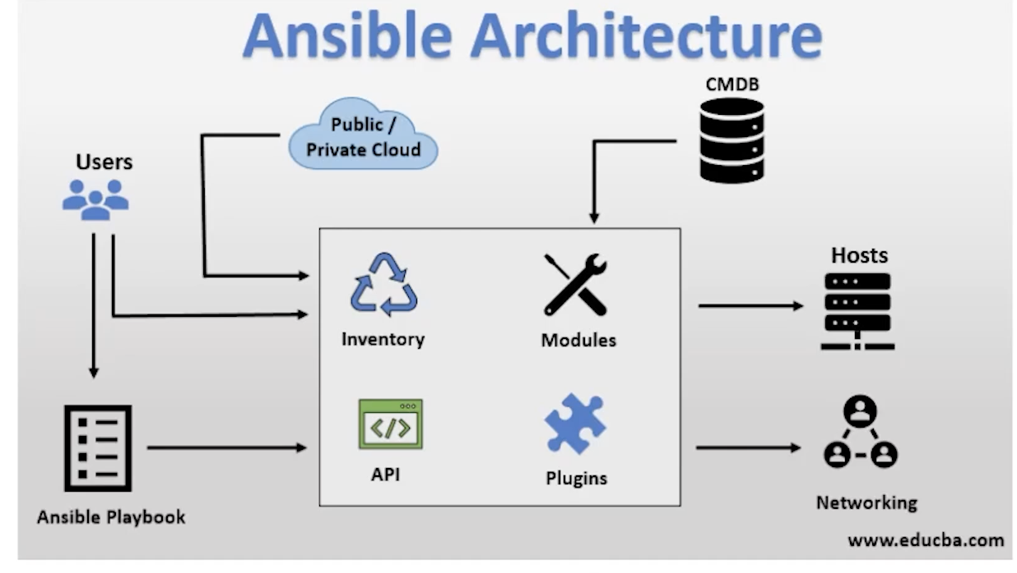

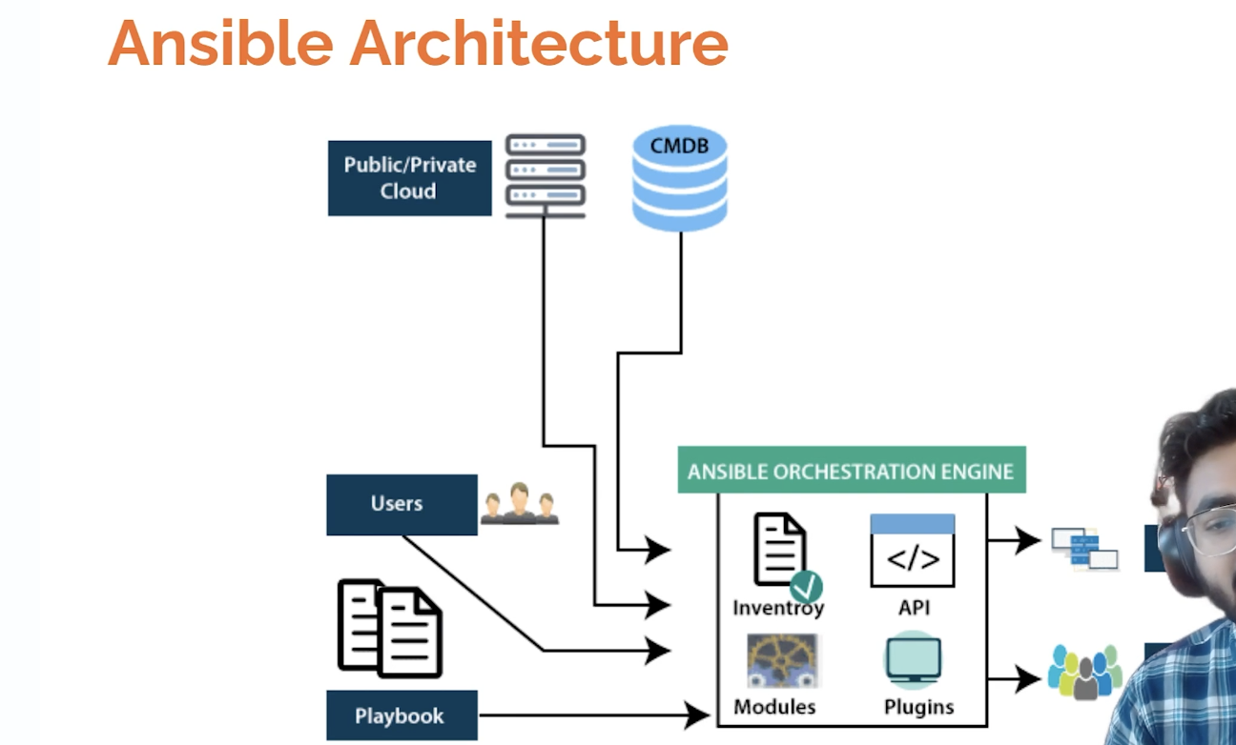

Ansible does not use any agent and it uses SSH . It connects to our nodes/servers using SSH and pushing small programs called “Ansible modules “. Ansible executed these modules and removes them when finished

It can be written in python, ruby, bash and finally it returns JSON

There are various Python AP’s for extending Ansible connection (SSH is not only the way)

Walmart_Kubernates
Useful reads
Msft AKS/Spark doc: https://docs.microsoft.com/en-us/azure/aks/spark-job
Standard Spark doc: https://spark.apache.org/docs/2.4.7/running-on-kubernetes.html
Our dev cluster details: WCNP - Single tenant - Spark streaming
Create spark job
I've branched of sample repo and added SparkPi, one of the examples provided by spark as a standalone simple example.
https://gecgithub01.walmart.com/gdap-mystique/mystique-sample-jobs/blob/feature/NO-TICKET-wcnp-deploy/src/main/scala/com/jet/mystique/gorillagrodd/samplemart/wcnptest/SparkPi.scala
Create Dockerfile that builds a spark image
I replaced the Dockerfile that usually builds a nomad image with one taken from the spark distribution which builds a spark kubernetes image and also added bunch of dependencies form the standard spark distribution which are referenced form the dockerfile.
https://gecgithub01.walmart.com/gdap-mystique/mystique-sample-jobs/blob/feature/NO-TICKET-wcnp-deploy/Dockerfile
(current looper file tied to one specific build server that can run apt-get need to figure out how to do `apt-get update` similar how we do it in ubuntu wmt base image)
Adjust Looper file to build new spark image
Tweaking the looper file will push the spark k8s image up to proximity
https://gecgithub01.walmart.com/gdap-mystique/mystique-sample-jobs/blob/feature/NO-TICKET-wcnp-deploy/.looper.yml
Creating service user on dev cluster (only needed to be done once)
Install `sledge` and `kubectl` command line tooing
Sledge WCNP describe plugin demo/overview#Installing
The following commands will create the service user:
kubectl create serviceaccount spark
kubectl create clusterrolebinding spark-role --clusterrole=edit --serviceaccount=default:spark --namespace=default
Connect to dev env via sledge
use sledge to establish connection to wcnp cluster
sledge connect wus-dev-aks-spark-0
This will open a browser window that will ask you to authenticate via with your ldap wmt credentials

Start local proxy
m-c02w20nshtdg:spark-2.4.7-bin-hadoop2.7 christoph$ kubectl proxy
Starting to serve on 127.0.0.1:8001
Run spark submit
Now use spark submit to submit the spark job through the proxy. You can obtain the docker image url from the build looper build output.
./spark-submit \
--master k8s://http://127.0.0.1:8001 \
--deploy-mode cluster \
--name spark-pi \
--class com.jet.mystique.gorillagrodd.samplemart.wcnptest.SparkPi \
--conf spark.kubernetes.authenticate.driver.serviceAccountName=spark \
--conf spark.executor.instances=2 \
--conf spark.kubernetes.container.image=docker.prod.walmart.com/gdap-mystique/mystique-sample-jobs-snapshots:0.133-NO-TICKET-wcnp-deploy-1606498615172-SNAPSHOT \
local:///opt/spark/examples/grodd-job.jar
Look at logs / results
m-c02w20nshtdg:wcnp christoph$ kubectl get pods
NAME READY STATUS RESTARTS AGE
spark-pi-1606433145517-driver 0/1 Error 0 19h
spark-pi-1606433503646-driver 0/1 Error 0 19h
spark-pi-1606501865063-driver 0/1 Completed 0 5m11s

m-c02w20nshtdg:wcnp christoph$ kubectl logs spark-pi-1606501865063-driver

...
Pi is roughly 3.134235671178356
...
Open issues
Docker file used (taken from spark distro) is based on open-jdk image and runs `apt-get update`. This generally doesn't work on our looper boxes but does work on some. So currently the build is tied to one particular build server https://gecgithub01.walmart.com/gdap-mystique/mystique-sample-jobs/blob/13184ac18f77e5ba60b9f132f808f685d168a131/.looper.yml#L8
This has been solved for our ubuntu wmt base image - should we build our spark image based on that?

Create Dockerfile that builds a spark image

FROM openjdk:8-jdk-slim
#FROM docker.artifacts.notjet.net/jet-mystique/dev-base:1.0.10

ARG spark_jars=jars
ARG img_path=kubernetes/dockerfiles
ARG k8s_tests=kubernetes/tests

ARG JAR_LOCATION

RUN echo ${JAR_LOCATION}

# Before building the docker image, first build and make a Spark distribution following
# the instructions in http://spark.apache.org/docs/latest/building-spark.html.
# If this docker file is being used in the context of building your images from a Spark
# distribution, the docker build command should be invoked from the top level directory
# of the Spark distribution. E.g.:
# docker build -t spark:latest -f kubernetes/dockerfiles/spark/Dockerfile .

RUN set -ex && \
apt-get update && \
ln -s /lib /lib64 && \
apt install -y bash tini libc6 libpam-modules libnss3 && \
mkdir -p /opt/spark && \
mkdir -p /opt/spark/work-dir && \
touch /opt/spark/RELEASE && \
rm /bin/sh && \
ln -sv /bin/bash /bin/sh && \
echo "auth required pam_wheel.so use_uid" >> /etc/pam.d/su && \
chgrp root /etc/passwd && chmod ug+rw /etc/passwd && \
rm -rf /var/cache/apt/*

COPY ${spark_jars} /opt/spark/jars
COPY kubernetes/bin /opt/spark/bin
COPY kubernetes/sbin /opt/spark/sbin
COPY ${img_path}/spark/entrypoint.sh /opt/
COPY examples /opt/spark/examples
COPY ${k8s_tests} /opt/spark/tests
COPY data /opt/spark/data
COPY ${JAR_LOCATION} /opt/spark/examples/grodd-job.jar

ENV SPARK_HOME /opt/spark

WORKDIR /opt/spark/work-dir

ENTRYPOINT [ "/opt/entrypoint.sh" ]

Sample Notes

BUILDING A Base Image
Build docker image ./bin/docker-image-tool.sh -r dfw-gteo-hub-docker.prod.walmart.com -t spark-2.4.3-dockerImage build on spark release docker tag 2cf93dbe6866 dfw-gteo-hub-docker.prod.walmart.com:5000/spark and docker push
Include it in build.sbt

SUBMIT
ON PROD
./bin/spark-submit --master k8s://dfw-sa-k8s-c01.prod.walmart.com:6443 --deploy-mode cluster --name spark-driver --class com.walmart.spark.stream.DeviceToScylla --conf spark.executor.instances=3 --conf spark.kubernetes.container.image=dfw-gteo-hub-docker.prod.walmart.com:5000/spark-es-pipeline-native-assembly:0.01-SNAPSHOT --conf spark.kubernetes.driver.pod.name=spark-driver local:///svc/spark-es-pipeline-native-assembly-0.01.jar

ON STAGE
./bin/spark-submit --master k8s://https://10.232.219.200:6443 --deploy-mode cluster --name spark-test --class com.walmart.streaming.SparkNativeTest --conf spark.executor.instances=3 --conf spark.kubernetes.container.image=dfw-gteo-hub-docker.prod.walmart.com:5000/spark-native-test-assembly:0.4-SNAPSHOT --conf spark.kubernetes.driver.pod.name=spark-test-driver local:///svc/spark-native-test-assembly-0.04.jar

CHECKING LOGS
Kubectl logs <Driver pod name>

EXAMPLE
Clone project https://gecgithub01.walmart.com/GTEOSA/spark-es-pipeline-native
BUILD PROCEDURE
Sbt clean assembly
Change the build.sbt and Dockerfile to match the file name of the project
docker build -t dfw-gteo-hub-docker.prod.walmart.com:5000/spark-native-test-assembly:0.3-SNAPSHOT .
docker push dfw-gteo-hub-docker.prod.walmart.com:5000/spark-native-test-assembly:0.3-SNAPSHOT
3. Submit the job to Kubernetes
./bin/spark-submit --master k8s://dfw-sa-k8s-c01.prod.walmart.com:6443 --deploy-mode cluster --name spark-driver --class com.walmart.spark.stream.DeviceToScylla --conf spark.executor.instances=3 --conf spark.kubernetes.container.image=dfw-gteo-hub-docker.prod.walmart.com:5000/spark-es-pipeline-native-assembly:0.01-SNAPSHOT --conf spark.kubernetes.driver.pod.name=spark-driver local:///svc/spark-es-pipeline-native-assembly-0.01.jar
Send message on this test topic: /kafka-console-producer.sh --broker-list dal-cappblx023-06.prod.walmart.com:6667 --topic teststatseekerv2 < ../stat
See the driver logs for execution. Kubectl logs <Driver pod name>
See the spark driver UI

Sample Notes

What is Kubernetes?
Kubernetes (also known k8s) is a portable and extensible open source container orchestration platform that automates many of the manual processes involved in deploying,
managing, and scaling containerized applications.

What do I need Kubernetes?

Kubernetes has several features. It can be thought of as:
A container platform.
A microservices platform.
A portable cloud platform.

Provides a container-centric management environment. Kubernetes orchestrates compute, networking, and storage infrastructure so user workloads don't have to.
This offers the simplicity of Platforms as a Service (PaaS) with the flexibility of Infrastructure as a Service (IaaS) and enables portability between infrastructure providers.

Kubernetes only happens to have a lot of pieces that you need to put together to create something cool.
Concepts
Cron Job
Create a custom Docker container deployed as a Kubernetes CronJob to run tasks in a specified time.
Cron jobs are useful for creating periodic and recurring tasks, like running backups or sending emails.
Cron jobs can also schedule individual tasks for a specific time, such as if you want to schedule a job for a low activity period.
Pods
Smallest compute unit.
Group of one or more containers.
Containers share networking, storage and a specification on how to run the containers.

Services
Expose pods
Don't rely on IP addresses
Represents a load balancer
Use labels and selectors.

Node
It can be a virtual or physical machine, depending on the cluster.
Each node is managed by the control panel and contains the services necessary to run pods.
Namespace
They allow you to establish an additional level of separation between the containers that share the resources of a cluster to avoid conflicts between names of the Resource Management pods.

Kubernetes Architecture
Kubernetes Master

Your goal is to make decisions that affect the whole cluster (container scaling).
They do not usually run containers (although they are not prohibited from doing so).
A Kubernetes cluster contains at least one master node, although there can be several.

Other K8s components
ETCD: Save the data related to the cluster.
Kube-APIserver: It offers a rest API to operate in the cluster.
Kube-Controller-Manager: Daemon that runs on the master nodes and manages the controllers.
Cloud-Controller-Manager: Daemon that runs on the master nodes and manages the cloud controllers.
Kubelet: It is an agent that runs on each node and communicates with the controller components from the main node.
Kube-Proxy: It is a network proxy that runs on each node in your cluster, maintains network rules on nodes. These network rules allow network communication to your Pods from network sessions inside or outside. of your cluster.

Presentation - Intro K8s


Kubernetes.pptx

References
https://www.redhat.com/en/topics/containers/what-is-kubernetes
https://kubernetes.io/docs/concepts/overview/what-is-kubernetes/
https://kubernetes.io/docs/tasks/job/automated-tasks-with-cron-jobs/

Sample Notes

What?
Elasticity is referred to as the ability to match the resources allocated with the actual amount of resource needed at any given point in time.
It's basically the ability to grow or shrink infrastructure resources dynamically as needed to adapt to workload changes in an autonomic manner.
In simple terms, Elasticity adapts to both the “workload increase” as well as “workload decrease” by “provisioning and de-provisioning” resources in an “autonomic” manner.

Kubernetes helps achieve the elasticity in 2 phases,
Horizontal Pod Scaling Up/Down
Cluster Autoscaling i.e. Nodes scaling Up/Down
Horizontal Pod Scaling Up/Down
There are 2 approaches for Horizontal Pod Scaling Up/Down
Manual Intervention (GitOps/Infrastructure as a Code)
On-demand (Horizontal Pod Autoscalar i.e. HPA)
1. Manual Intervention (via GitOps/Infrastructure as a Code)
In this approach, team can schedule an xmatter alert for avg. CPU utilization and an engineer can take a call if the DB cluster needs to be scaled up.
If it's decided to scale up the DC cluster, then engineer can manually submit a PR after modifying the configuration file (or even changing through the DX.Console)
replicas: 3
https://gecgithub01.walmart.com/apolji/wcnp-solr-poc/blob/dce7d1c6677d0fda8b192b64dab9c9f6d883fc18/flows/solrclouds_explore.yaml#L27
NOTE: The changes in the version control/git can be reflected on the actual cluster via a k8s native CD tool like ArgoCD.

2. On-demand (Horizontal Pod Autoscalar i.e. HPA)
Horizontal pod autoscaler is a control loop which watches and scales a pod in the deployment.
This can be done by creating an HPA object that refers to a deployment/replication controller.
You can define the threshold and minimum and maximum scale to which the deployment should scale.
There are a few tweaks that you can make to the behaviour of horizontal pod autoscaler by adding flags to controller manager:
Determine how frequently the hPa monitors the given metrics on a pool of pods by using the flag -horizontal-pod-autoscaler-sync-period on controller manager. The default sync period is 30 seconds.
The delay between two upscale operations defaults to 3 minutes and can be controlled by using the flag -horizontal-pod-autoscaler-upscale-delay
Similarly, the delay between two downscaling operations is by default 5 minutes and adjustable with flag -horizontal-pod-autoscaler-downscale-delay

e.g.

Nodes Scaling Up/Down
If Kubernetes finds that a pod can not be scheduled due to resource limit of existing set of Nodes, it chooses to scale up i.e. add a new node.
Since a node creation can take up to a minute or more depending on your cloud provider and other factors, it may take some time till the pod can be scheduled.
Also, the nodes can be spread across AZs of cloud.
For scaling down, it looks at average utilization on that node and also checks if the pods can be rescheduled to any other nodes ensure that no pods are running on the node(Except the daemonsets).
But there are other factors which come into play.
For example, if a pod with pod disruption budget is running on a node which cannot be re-scheduled then the node cannot be removed from the cluster.
Kubernetes Elasticity provides a way to gracefully terminate nodes and gives up to 10 minutes for pods to relocate.
This dynamic allocation/deallocation of Nodes in the NodePool makes k8s truly "Cloud-Native".
NOTE: In terms of cost, the cloud provider never charges for the Control Plane of the k8s. Rather it only charges for the VMs i.e. nodes that are currently in-use.

How Elasticity is achieved in the Stateful systems e.g. Solr
First, we will need to create as many pods that we need to copy the shard.
Then, we will need to ask the master to create a replica for the index
Then the data will be copy across the data nodes
After that, requests can be distributed between the primary shards and the replicas.
Downscaling is almost similar but we need to be a bit more careful.
First, we need to ask the master to remove a replica for an index.
Then the most important step is to Exclude the pod from allocating new shards (a data node might have other shards), so it is basically asking the master to drain the pod.
Then we need to wait that all the data from the pod are move to a different pod.
Then we can safely delete the pod.

Introduction to Kubernetes (k8s) operator
As we saw, there are multiples operations to do in order to scale up / down. Hopefully, there is a great pattern that is made to solve that kind of problem.
The Operator pattern aims to capture the key aim of a human operator who is managing a service or set of services.
An operator is a loop that is watching for some k8s objects and reacts accordingly to reach a wanted state.
An operator is watching some Custom resources. In short, it is some specification of what we want. In our case, our custom resources might contain:
How many Solr data nodes we want at minimum or maximum, the Solr index we want to watch.
The disk size configurations (like 100GB disk size)
The configurations for the autoscaling: CPU threshold, cooldown between 2 events (like when CPU reach 50% we want to scale up with 5 minutes between to event)
The operator will watch this custom resource and at a regular interval, it will compare it with the current state. The loop might look like that:
Get the custom resources.
Check the CPU level of the node running
Check the state of the Solr (number of replicas, etc) if it is different than expected create or remove them
Check the number of Solr node running (number of pods), if it is different than expected create or remove them
Check the CPU level of the node running if a CPU reaches a threshold, modify the custom resources with the new expected nodes number, and replicas

HPA in WCNP Multi-Tenant
pods => expose metrics => CPU, request per sec, custom metrics
On top of HPA we have a Cluster autoscaler
Little bit of overprovisioning i.e. Run some dummy pods that will occupy some nodes. But these pods runs with lower priority class.
New pods comes up, the dummy pods would get killed/evicted.
You can force Bin Packing via Cluster Autoscaler, it tries to balance the pods across nodes in a way that nodes can be released to save $$
Scale down wait for 10-15 mins of continues under usage.

Benchmarking for different flavors and how to add different flavors of VMs in the k8s cluster. - TBD
TODO -
Refer this https://learnk8s.io/kubernetes-autoscaling-strategies and update this page further.
& https://thenewstack.io/reduce-kubernetes-costs-using-autoscaling-mechanisms/

References
https://www.elastic.co/guide/en/cloud-on-k8s/current/k8s-autoscaling.html
https://portworx.com/blog/scaling-elasticsearch-kubernetes-portworx-data-platform/
https://elasticsearch-benchmarks.elastic.co/
https://blog.turbonomic.com/blog/on-technology/cloud-elasticity-vs-cloud-scalability#:~:text=The%20purpose%20of%20Elasticity%20is,meet%20applications%20demands%20if%20needed.
https://www.360logica.com/blog/kubernetes-elasticity/#:~:text=What%20is%20Kubernetes%20Elasticity%3F,is%20known%20as%20Kubernetes%20Elasticity.
https://docs.microsoft.com/en-us/azure/aks/node-updates-kured
https://blog.mathpresso.com/elasticsearch-autoscaling-on-kubernetes-k8s-57625803874

Cloud scalability is generally delivered more readily in private cloud environments while cloud elasticity is generally delivered more readily in public cloud environments.

