DL_Activation_Function
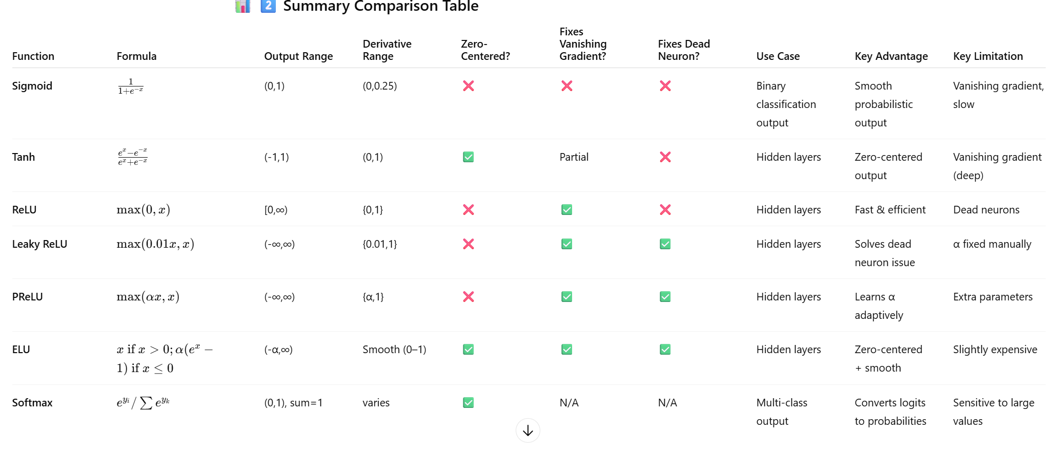
Activation Function | Mathematical Formula | Output Range | Derivative Range | Zero-Centered? | Main Use Case | Advantages | Disadvantages
Sigmoid (Logistic) | σ(x)=11+e−x\sigma(x) = \frac{1}{1 + e^{-x}}σ(x)=1+e−x1​ | (0, 1) | (0, 0.25) | ❌ No | Output layer in binary classification | ✅ Smooth gradient | ⚠️ Vanishing gradient
 |  |  |  |  |  | ✅ Interpretable as probability | ⚠️ Not zero-centered
 |  |  |  |  |  |  | ⚠️ Slow (uses exp)
Tanh (Hyperbolic Tangent) | tanh⁡(x)=ex−e−xex+e−x\tanh(x) = \frac{e^{x} - e^{-x}}{e^{x} + e^{-x}}tanh(x)=ex+e−xex−e−x​ | (-1, 1) | (0, 1) | ✅ Yes | Hidden layers (medium-depth networks) | ✅ Zero-centered | ⚠️ Still faces vanishing gradient in deep nets
 |  |  |  |  |  | ✅ Stronger gradients than sigmoid | ⚠️ Slower due to exponential ops
ReLU (Rectified Linear Unit) | f(x)=max⁡(0,x)f(x) = \max(0, x)f(x)=max(0,x) | [0, ∞) | {0, 1} | ❌ No | Hidden layers in deep networks | ✅ Fast & efficient | ⚠️ Dead neuron problem (gradient=0 for x<0)
 |  |  |  |  |  | ✅ Reduces vanishing gradient | ⚠️ Not zero-centered
Leaky ReLU | f(x)=max⁡(0.01x,x)f(x) = \max(0.01x, x)f(x)=max(0.01x,x) | (-∞, ∞) | {0.01, 1} | ❌ No | Hidden layers (alternative to ReLU) | ✅ Fixes dead neuron issue | ⚠️ Not zero-centered
 |  |  |  |  |  | ✅ Keeps gradient alive | ⚠️ α (0.01) manually chosen
Parametric ReLU (PReLU) | f(x)=max⁡(αx,x)f(x) = \max(\alpha x, x)f(x)=max(αx,x), α = learnable | (-∞, ∞) | {α, 1} | ❌ No | Hidden layers (adaptive ReLU) | ✅ Learns best slope | ⚠️ Adds extra parameters
 |  |  |  |  |  | ✅ No dead neurons | ⚠️ Slightly slower
 |  |  |  |  |  | ✅ Adaptive
Softmax | f(xi)=exi∑k=1nexkf(x_i) = \frac{e^{x_i}}{\sum_{k=1}^{n} e^{x_k}}f(xi​)=∑k=1n​exk​exi​​ | (0, 1), sum=1 | Depends on output | ✅ Yes | Output layer in multi-class classification | ✅ Converts logits to probabilities
 |  |  |  |  |  | ✅ Interpretable output

Function | Formula | Output Range | Derivative Range | Zero-Centered? | Fixes Vanishing Gradient? | Fixes Dead Neuron? | Use Case | Key Advantage | Key Limitation
Sigmoid | 1+e−x1​ | (0,1) | (0,0.25) | ❌ | ❌ | ❌ | Binary classification output | Smooth probabilistic output | Vanishing gradient, slow
Tanh | ex+e−xex−e−x​ | (-1,1) | (0,1) | ✅ | Partial | ❌ | Hidden layers | Zero-centered output | Vanishing gradient (deep)
ReLU | max(0,x) | [0,∞) | {0,1} | ❌ | ✅ | ❌ | Hidden layers | Fast & efficient | Dead neurons
Leaky ReLU | max(0.01x,x) | (-∞,∞) | {0.01,1} | ❌ | ✅ | ✅ | Hidden layers | Solves dead neuron issue | α fixed manually
PReLU | max(αx,x) | (-∞,∞) | {α,1} | ❌ | ✅ | ✅ | Hidden layers | Learns α adaptively | Extra parameters
ELU | x if x>0;α(ex−1) if x≤0 | (-α,∞) | Smooth (0–1) | ✅ | ✅ | ✅ | Hidden layers | Zero-centered + smooth | Slightly expensive
Softmax | eyi​/∑ey | (0,1), sum=1 | varies | ✅ | N/A | N/A | Multi-class output

Notes
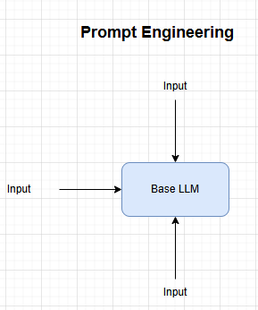
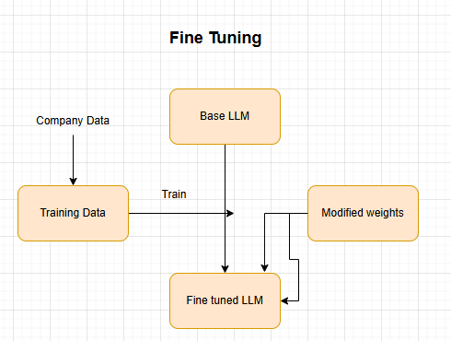
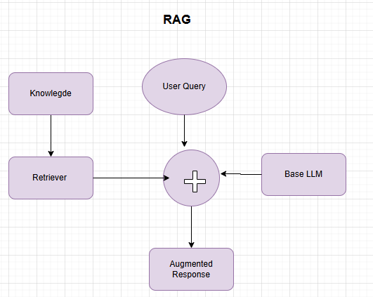
 | Prompt engineering | Fine Tuning | RAG
Points | Specific instructions Structured prompt with clear context Model remains same | Prepare domain specific training data Train model on the data creates specialized version | Store documents in VectorDB Retrieve relvant docs for each query LLM generates answer from context
Pros | No technical expertise need | Deeply specialized knowledge | Always have up-to-date information
 | Quick and instant resullt | Consistent behaviour | No training required
 | No training cost required | No prompt engineering | Cost effective
 | Works with any LLM | Better specific domain | Accuracy is high but not as good as fine tuning
Cons | Limited base knowledge | Expensive {GPU) | Infrastucture setup
 | Inconsistent results | Require ML expertise | Reteievral quality affect results
 | Token limit restrict complexity | Retraining for update | Context window limitations
 | Cant add new knowledge
Best for | Small scale application | Specific style | Knowledge base documenation
 | Generic purpose tasks | Huge volume of data | Real time/frequent updated info
 | Quick prototyping | When accuracy is critical | Customer support systems
 |  |  | Compliance-heavy industries

