Sheet1
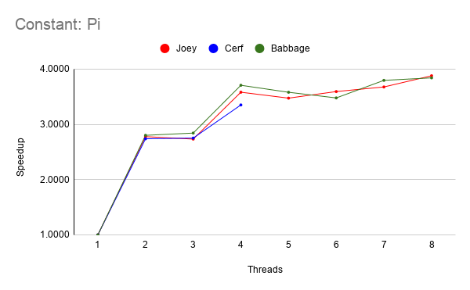
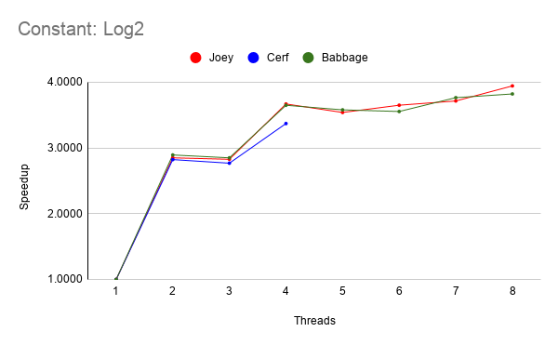
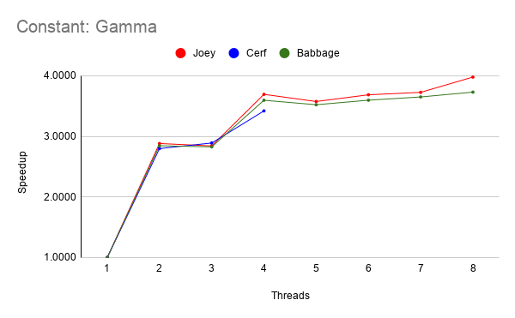
Project Report | Rajat Sethi & Matthew Tuccillo

Machine I: | Joey | Intel(R) Core(TM) i7-4790 CPU @ 3.60 GHz |  | 1 Processor | 4 Cores | 2-Way Threading | 32GB
Machine II: | Cerf | Intel(R) Core(TM) i5-7500 CPU @ 3.40 GHz |  | 1 Processor | 4 Cores | 1-Way Threading | 16GB
Machine III: | Babbage | Intel(R) Core(TM) i7-4790 CPU @ 3.60 GHz |  | 1 Processor | 4 Cores | 2-Way Threading | 32GB
Thread Count | Pi |  |  | Log2 |  |  | Gamma
 | Machine I | Machine II | Machine III | Machine I | Machine II | Machine III | Machine I | Machine II | Machine III
-TD:1 | Avg. Sec: 14.278 (Avg. Min: 0.238) | Avg. Sec: 11.272 (Avg. Min: 0.188) | Avg. Sec: 15.205 (Avg. Min: 0.254) | Avg. Sec: 39.737 (Avg. Min: 0.662) | Avg. Sec: 31.307 (Avg. Min: 0.522) | Avg. Sec: 41.424 (Avg. Min: 0.69) | Avg. Sec: 362.831 (Avg. Min: 6.047) | Avg. Sec: 288.469 (Avg. Min: 4.808) | Avg. Sec: 373.119 (Avg. Min: 6.219)
-TD:2 | Avg. Sec: 5.14 (Avg. Min: 0.086) | Avg. Sec: 4.116 (Avg. Min: 0.069) | Avg. Sec: 5.428 (Avg. Min: 0.09) | Avg. Sec: 13.946 (Avg. Min: 0.232) | Avg. Sec: 11.092 (Avg. Min: 0.185) | Avg. Sec: 14.319 (Avg. Min: 0.239) | Avg. Sec: 125.913 (Avg. Min: 2.099) | Avg. Sec: 103.093 (Avg. Min: 1.718) | Avg. Sec: 131.158 (Avg. Min: 2.186)
-TD:3 | Avg. Sec: 5.224 (Avg. Min: 0.087) | Avg. Sec: 4.097 (Avg. Min: 0.068) | Avg. Sec: 5.35 (Avg. Min: 0.089) | Avg. Sec: 14.056 (Avg. Min: 0.234) | Avg. Sec: 11.311 (Avg. Min: 0.188) | Avg. Sec: 14.538 (Avg. Min: 0.242) | Avg. Sec: 127.663 (Avg. Min: 2.128) | Avg. Sec: 99.814 (Avg. Min: 1.664) | Avg. Sec: 132.01 (Avg. Min: 2.2)
-TD:4 | Avg. Sec: 3.987 (Avg. Min: 0.066) | Avg. Sec: 3.364 (Avg. Min: 0.056) | Avg. Sec: 4.102 (Avg. Min: 0.068) | Avg. Sec: 10.833 (Avg. Min: 0.18) | Avg. Sec: 9.288 (Avg. Min: 0.155) | Avg. Sec: 11.354 (Avg. Min: 0.189) | Avg. Sec: 98.249 (Avg. Min: 1.638) | Avg. Sec: 84.357 (Avg. Min: 1.406) | Avg. Sec: 103.775 (Avg. Min: 1.729)
-TD:5 | Avg. Sec: 4.11 (Avg. Min: 0.069) |  | Avg. Sec: 4.247 (Avg. Min: 0.071) | Avg. Sec: 11.228 (Avg. Min: 0.187) |  | Avg. Sec: 11.575 (Avg. Min: 0.193) | Avg. Sec: 101.501 (Avg. Min: 1.692) |  | Avg. Sec: 105.956 (Avg. Min: 1.766)
-TD:6 | Avg. Sec: 3.974 (Avg. Min: 0.066) |  | Avg. Sec: 4.372 (Avg. Min: 0.073) | Avg. Sec: 10.889 (Avg. Min: 0.181) |  | Avg. Sec: 11.656 (Avg. Min: 0.194) | Avg. Sec: 98.446 (Avg. Min: 1.641) |  | Avg. Sec: 103.75 (Avg. Min: 1.729)
-TD:7 | Avg. Sec: 3.884 (Avg. Min: 0.065) |  | Avg. Sec: 4.006 (Avg. Min: 0.067) | Avg. Sec: 10.7 (Avg. Min: 0.178) |  | Avg. Sec: 11.005 (Avg. Min: 0.183) | Avg. Sec: 97.386 (Avg. Min: 1.623) |  | Avg. Sec: 102.228 (Avg. Min: 1.704)
-TD:8 | Avg. Sec: 3.681 (Avg. Min: 0.061) |  | Avg. Sec: 3.959 (Avg. Min: 0.066) | Avg. Sec: 10.078 (Avg. Min: 0.168) |  | Avg. Sec: 10.842 (Avg. Min: 0.181) | Avg. Sec: 91.215 (Avg. Min: 1.52) |  | Avg. Sec: 100.053 (Avg. Min: 1.668)

