Main
PACIFIC EARTHQUAKE ENGINEERING RESEARCH CENTER

WEIGHTED AVERAGE of 2014 NGA WEST-2 GMPEs
Last updated: 04 14 15
by Emel Seyhan, PhD, PEER & UCLA -- email: emel.seyhan@gmail.com, peer_center@berkeley.edu
This excel file will be updated as necessary on the PEER website to fix any typos or other errors. Please check the website frequently for new versions at: http://peer.berkeley.edu/ngawest2/databases/
 |  |  |  |  |  |  | Legend | Pre-defined option | Main input variable | Calculated variable | Input var. flag | Internal variable
GMPE averaging | Geometric | Weighted average of the natural logarithm of the spectral values
 |  |  |  |  |  |  | ASK14 | Abrahamson & Silva & Kamai 2014 NGA West-2 Model
GMPEs | ASK14 | BSSA14 | CB14 | CY14 | I14 |  | BSSA14 | Boore & Stewart & Seyhan & Atkinson 2014 NGA West-2 Model
Weight | 0.22 | 0.22 | 0.22 | 0.22 | 0.12 |  | CB14 | Campbell & Bozorgnia 2014 NGA West-2 Model
 |  |  |  |  |  |  | CY14 | Chiou & Youngs 2014 NGA West-2 Model
# of std. dev. | 1 |  |  |  |  |  | I14 | Idriss 2014 NGA West-2 Model
Damping ratio (%) | 5 | Modification factors are calculated in Sheet DSF

 |  | RotD50 Horizontal Component of PGA, PGV and IMs
Input variables | Errors and warnings |  |  | Baseline: 5% Damping |  |  |  | User defined: 5% Damping
 |  | GMP | T (s) | PSa Median for 5% damping | PSa Median + 1.σ for 5% damping | PSa Median - 1.σ for 5% damping | Sd Median for 5% damping | PSa Median for 5% damping | PSa Median + 1.σ for 5 % damping | PSa Median - 1.σ for 5 % damping | Sd Median for 5 % damping
Mw |  | PSa (g), Sd (cm) | 0.01 | 0.54423614231 | 0.99055566942 | 0.29901699393 | 0.0013509949279 | 0.54423614231 | 0.99055566942 | 0.29901699393 | 0.0013509949279
8 |  |  | 0.02 | 0.55858550132 | 1.0185931471 | 0.30632226732 | 0.0055464613276 | 0.55858550132 | 1.0185931471 | 0.30632226732 | 0.0055464613276 |  | Pseudo Spectral Acceleration (5% damping) (g)
 |  |  | 0.03 | 0.59387658189 | 1.0928505438 | 0.32272427049 | 0.013267987346 | 0.59328270531 | 1.0917576933 | 0.32240154622 | 0.013254719359
RRUP (km) |  |  | 0.05 | 0.72445022001 | 1.3539599507 | 0.38762455345 | 0.044958819191 | 0.72372576979 | 1.3526059907 | 0.3872369289 | 0.044913860372
3.16 |  |  | 0.075 | 0.90683488014 | 1.7255195444 | 0.47658080867 | 0.12662430716 | 0.90955538478 | 1.730696103 | 0.4780105511 | 0.12700418008
 |  |  | 0.1 | 1.0173086021 | 1.9503035239 | 0.53064396348 | 0.25253353365 | 1.0203605279 | 1.9561544344 | 0.53223589537 | 0.25329113425
RJB (km) |  |  | 0.15 | 1.1460428315 | 2.1997969884 | 0.59706153724 | 0.64010276923 | 1.1494809599 | 2.2063963794 | 0.59885272185 | 0.64202307754
1 |  |  | 0.2 | 1.1133710522 | 2.1283148322 | 0.58243032524 | 1.1055191139 | 1.1155977943 | 2.1325714619 | 0.58359518589 | 1.1077301521
 |  |  | 0.25 | 1.0300239263 | 1.9633220283 | 0.54038475273 | 1.5980621645 | 1.0351740459 | 1.9731386384 | 0.54308667649 | 1.6060524753
RX (km) |  |  | 0.3 | 0.93395064654 | 1.7916579885 | 0.48684727541 | 2.0865691186 | 0.93581854783 | 1.7952413045 | 0.48782096996 | 2.0907422568
1 |  |  | 0.4 | 0.80479076832 | 1.5583385293 | 0.41562739329 | 3.1964602467 | 0.80640034986 | 1.5614552063 | 0.41645864807 | 3.2028531671
 |  |  | 0.5 | 0.70325471331 | 1.3796213676 | 0.35848037977 | 4.3643442472 | 0.70395796802 | 1.3810009889 | 0.35883886015 | 4.3687085915
Ry0 (km) | If unknown use 999 |  | 0.75 | 0.50173228324 | 1.0097565881 | 0.24930293797 | 7.0058512453 | 0.50123055095 | 1.0087468315 | 0.24905363503 | 6.998845394
0 |  |  | 1 | 0.39036549387 | 0.79393570379 | 0.19193647304 | 9.6903120036 | 0.38958476289 | 0.79234783238 | 0.1915526001 | 9.6709313796
 |  |  | 1.5 | 0.2611965851 | 0.53447639998 | 0.12764577832 | 14.588691875 | 0.2611965851 | 0.53447639998 | 0.12764577832 | 14.588691875
VS30 (m/sec) |  |  | 2 | 0.19526027901 | 0.40016878971 | 0.095276237276 | 19.388322536 | 0.19467449817 | 0.39896828335 | 0.094990408565 | 19.330157568
760 |  |  | 3 | 0.14085416163 | 0.28884668571 | 0.068686593371 | 31.468680382 | 0.14071330747 | 0.28855783903 | 0.068617906778 | 31.437211701
 |  |  | 4 | 0.10816902993 | 0.21980917044 | 0.053230440807 | 42.962471453 | 0.1080608609 | 0.21958936127 | 0.053177210366 | 42.919508981
U (BSSA13) | 1: Unspecified fault mech. |  | 5 | 0.088096950624 | 0.17923637187 | 0.043300768858 | 54.672284789 | 0.087832659772 | 0.17869866276 | 0.043170866551 | 54.508267935
0 |  |  | 7.5 | 0.051443444538 | 0.10427703163 | 0.025378819714 | 71.832156714 | 0.051392001094 | 0.10417275459 | 0.025353440894 | 71.760324557
 |  |  | 10 | 0.033137136688 | 0.066491416853 | 0.016514459758 | 82.258600838 | 0.033004588141 | 0.066225451186 | 0.016448401919 | 81.929566435
FRV | 1: reverse fault
0 |  | PGA (g) | 0 | 0.52083246473 | 0.94729173753 | 0.28635999404 | 0.0012928983642 | 0.54423614231 | 0.99055566942 | 0.29901699393 | 0.0013509949279
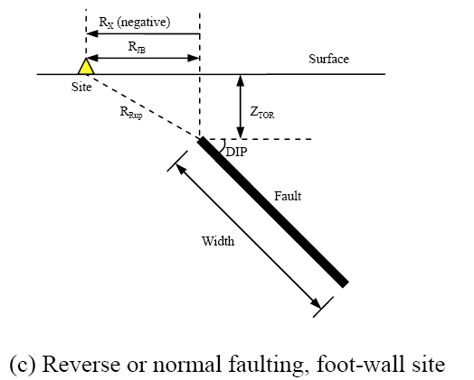
 |  | PGV (cm/s) | -1 | 36.395112485 | 61.819940933 | 21.426811363 | 0.090346098957 | NA | NA | NA | NA
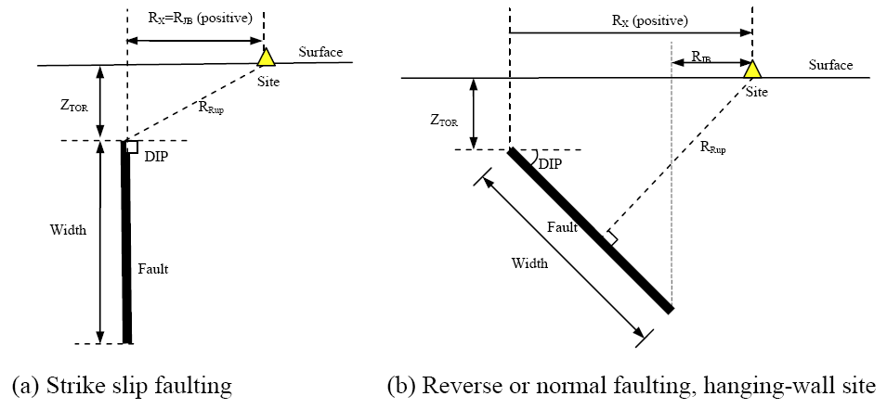
FNM | 1: normal fault
0

FHW | 1: hanging wall side
0

Dip (deg)
90

ZTOR (km) | If unknown use 999
0

ZHYP (km) | If unknown use 999
8
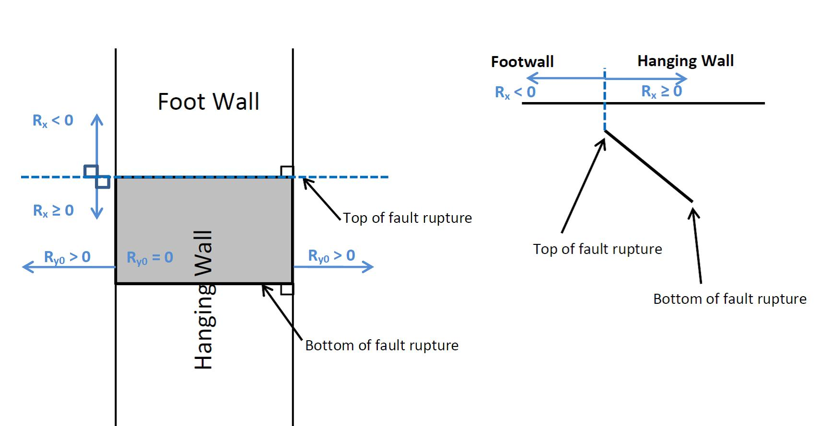
Z1.0 (km) | If unknown use 999
0.048

Z2.5 (km) | If unknown use 999
0.607

W (km) | If unknown use 999
10

Vs30Flag
inferred | Choose options for Vs30 from the list

FAS |  |  |  |  | Definition of Parameters
no | Aftershock effect is not applicable. |  |  |  | Damping ratio | = Viscous damping ratio (%) See Sanaz et al. (2012) PEER Report
 |  |  |  |  | PSA | = Pseudo-absolute acceleration response spectrum (g)
Region |  |  |  |  | PGA | = Peak ground acceleration (g)
California | Choose region from the list |  |  |  | PGV | = Peak ground velocity (cm/s)
 |  |  |  |  | Sd | = Relative displacement response spectrum (cm)
Calculated Variables/Flags |  |  |  |  | Mw | = Moment magnitude
 |  |  |  |  | RRUP | = Closest distance to coseismic rupture (km), used in ASK13, CB13 and CY13. See Figures a, b and c for illustation
DDPP | Always 0 for median calcs. |  |  |  | RJB | = Closest distance to surface projection of coseismic rupture (km). See Figures a, b and c for illustation
0 |  |  |  |  | RX | = Horizontal distance from top of rupture measured perpendicular to fault strike (km). See Figures a, b and c for illustation
 |  |  |  |  | Ry0 | = The horizontal distance off the end of the rupture measured parallel to strike (km)
PGAr (g) |  |  |  |  | VS30 | = The average shear-wave velocity (m/s) over a subsurface depth of 30 m
0.513 |  |  |  |  | U | = Unspecified-mechanism factor: 1 for unspecified; 0 otherwise
 |  |  |  |  | FRV | = Reverse-faulting factor: 0 for strike slip, normal, normal-oblique; 1 for reverse, reverse-oblique and thrust
ZBOT (km) (CB14) | Enter for default W calcs |  |  |  | FNM | = Normal-faulting factor: 0 for strike slip, reverse, reverse-oblique, thrust and normal-oblique; 1 for normal
15 |  |  |  |  | FHW | = Hanging-wall factor: 1 for site on down-dip side of top of rupture; 0 otherwise
 |  |  |  |  | Dip | = Average dip of rupture plane (degrees)
SS |  |  |  |  | ZTOR | = Depth to top of coseismic rupture (km)
1 | auto calculated |  |  |  | ZHYP | = Hypocentral depth from the earthquake
 |  |  |  |  | Z1.0 | = Depth to Vs=1 km/sec
Vs30Flag |  |  |  |  | Z2.5 | = Depth to Vs=2.5 km/sec
0 | inferred |  |  |  | W | = Fault rupture width (km)
 |  |  |  |  | Vs30flag | = 1 for measured, 0 for inferred Vs30
FAS |  |  |  |  | FAS | = 0 for mainshock; 1 for aftershock
0 | Aftershock effect is not applicable. |  |  |  | Region | = Specific regions considered in the models, Click on Region to see codes
 |  |  |  |  | DDPP | = Directivity term, direct point parameter; uses 0 for median predictions
Region |  |  |  |  | PGAr (g) | = Peak ground acceleration on rock (g), this specific cell is updated in the cell for BSSA14 and CB14, for others it is taken account for in the macros
0 | California |  |  |  | ZBOT (km) | = The depth to the bottom of the seismogenic crust
 |  |  |  |  | ZBOR(km) | = The depth to the bottom of the rupture plane
Option for Sa value |  |  |  |  | SS | = 1 for strike slip, automatically updated in the cell
1 | Weighted average of the natural logarithm of the spectral values

Input variables with defaults (If entered 999 as input):
 |  | Red colored value: The value is used in the code when input is unknown
DEFAULTs | USER defined | ASK14 | BSSA14 | CB14 | CY14 | I14
W (km) | 10.00 |  |  | 15.000
Z1.0 (km) | 0.048 | 0.048 |  |  | 0.041
dZ1.0 (km) | 0.007 |  | 0.007
Z2.5 (VS30=1100)(km) | 0.607 |  |  | 0.398
Z2.5 (VS30)(km) | 0.607 |  |  | 0.607
Zhyp (km) | 8.00 |  |  | 10.227
Ztor (km) | 0.00 |  |  | 0.000 | 0.000
ZBOR (km) | - |  |  | 15.000

ACKNOWLEDGEMENTS

ASK14
ABRAHAMSON - SILVA - KAMAI NGA-WEST2 MODEL COEFFICIENTS [ASK14] (EQS 2014) & Dec13 Revisions (Kamai, pers. comm.):

Input variables | Errors and warnings |  |  | ASK_14 (M, Rrup, Rjb, Rx, Frv, Fnm, Fhw, FAS, Ztor, W, dip, Vs30, Z1, Ry0, Region, T)
 |  |  |  | Visual Basic Calculations
M |  | GMP | T (s) | Median | s
8.00 |  | PSa (g) | 0.01 | 0.4589 | 0.6325
 |  |  | 0.02 | 0.4704 | 0.6325
RRUP |  |  | 0.03 | 0.4984 | 0.6312
3.16 |  |  | 0.05 | 0.5642 | 0.6205
 |  |  | 0.075 | 0.7255 | 0.6195
RJB |  |  | 0.1 | 0.8783 | 0.6309
1.00 |  |  | 0.15 | 1.1210 | 0.6657
 |  |  | 0.2 | 1.1356 | 0.6699
RX |  |  | 0.25 | 1.0326 | 0.6742
1.00 |  |  | 0.3 | 0.9076 | 0.6826
 |  |  | 0.4 | 0.7180 | 0.6912
Ry0 |  |  | 0.5 | 0.6116 | 0.6997
0 |  |  | 0.75 | 0.4500 | 0.7126
 |  |  | 1 | 0.3470 | 0.7256
VS30 |  |  | 1.5 | 0.2275 | 0.7343
760 |  |  | 2 | 0.1691 | 0.7430
 |  |  | 3 | 0.1133 | 0.7343
FRV |  |  | 4 | 0.0883 | 0.7256
0 |  |  | 5 | 0.0713 | 0.7256
 |  |  | 7.5 | 0.0439 | 0.7256
FNM |  |  | 10 | 0.0294 | 0.7256
0
 |  | PGA (g) | 0 | 0.4589 | 0.6325
FHW |  | PGV (cm/s) | -1 | 49.2949 | 0.6360
0

d
90

ZTOR
0.0000

Z1.0
0.05

Z1.0 (AS calc)
0.048 | <- DEFAULT

W
10.00

Vs30flag | 1 if measured
0

FAS
0 | Aftershock effect is turned off.

Region
0

Input variables with defaults (If entered 999 as input):

Z1.0 (ASK calc)
0.048

BSSA14
BOORE - STEWART - SEYHAN - ATKINSON - NGA-WEST2 MODEL COEFFICIENTS [BSSA14] (EQS 2013) & sigma updates:

Input variables | Errors and warnings |  |  | BSSA_14 (M, Rjb, U, RS, NS, Vs30, Region, Z1, PGAr, T)
 |  |  |  | Visual Basic Calculations
M |  | GMP | T (s) | Median | s
8.00 |  | PSa (g) | 0.01 | 0.5166 | 0.6067
 |  |  | 0.020 | 0.5238 | 0.6097
RRUP (km) |  |  | 0.030 | 0.5629 | 0.6298
3.16 |  |  | 0.050 | 0.6977 | 0.6815
 |  |  | 0.075 | 0.8588 | 0.7148
RJB (km) |  |  | 0.10 | 0.9760 | 0.7088
1.00 |  |  | 0.15 | 1.1399 | 0.6625
 |  |  | 0.20 | 1.1524 | 0.6213
VS30 (m/s) |  |  | 0.25 | 1.0959 | 0.6082
760 |  |  | 0.30 | 1.0342 | 0.6059
 |  |  | 0.40 | 0.9263 | 0.6168
U | 0: Specified fault mech. |  | 0.50 | 0.8200 | 0.6395
0 |  |  | 0.75 | 0.6121 | 0.6765
 |  |  | 1.0 | 0.4820 | 0.6924
FRV |  |  | 1.5 | 0.3330 | 0.6945
0 |  |  | 2.0 | 0.2470 | 0.7001
 |  |  | 3.0 | 0.1807 | 0.7082
FNM |  |  | 4.0 | 0.1481 | 0.7080
0 |  |  | 5.0 | 0.1259 | 0.7065
 |  |  | 7.5 | 0.0823 | 0.6891
Z1 (km) | If unknown use 999 |  | 10.0 | 0.0588 | 0.6496
0.05
 |  | PGA (g) | 0 | 0.5134 | 0.6051
Region |  | PGV (cm/s) | -1 | 70.2308 | 0.6515
0

SS
1 | Auto calculated

Input variables with defaults (If entered 999 as input):

PGAr (g)
0.5134

dz1 | 0: DEFAULT
0.00669

Definition of Parameters

PSA
PGA
PGV
A1100
M
RRUP
RJB
RX
FRV
FNM
ZHYP
ZTOR
ZBOR
ZBOT
W
d
VS30
Z2.5
SJ
SJP
SCH

CB14
CAMPBELL-BOZORGNIA NGA-WEST2 MODEL COEFFICIENTS [CB14] (EQS 2013) & c0 updates:

Input variables | Errors and warnings |  |  | CB_14 (M, Rrup, Rjb, Rx, Frv, Fnm, Fhw,Ztor, W, del, Vs30, Z25, Zhyp, Wd, Zhypd, Region, A, T)
 |  |  |  | Visual Basic Calculations
M |  | GMP | T (s) | Median | s
8.00 |  | PSa (g) | 0.01 | 0.5007 | 0.5767
 |  |  | 0.020 | 0.5344 | 0.5802
RRUP |  |  | 0.030 | 0.6397 | 0.5900
3.16 |  |  | 0.050 | 0.8698 | 0.6045
 |  |  | 0.075 | 1.0069 | 0.6356
RJB |  |  | 0.10 | 1.0149 | 0.6504
1.00 |  |  | 0.15 | 1.0077 | 0.6455
 |  |  | 0.20 | 0.9152 | 0.6473
RX |  |  | 0.25 | 0.8419 | 0.6300
1.00 |  |  | 0.30 | 0.7739 | 0.6424
 |  |  | 0.40 | 0.7093 | 0.6491
VS30 |  |  | 0.50 | 0.6137 | 0.6652
760 |  |  | 0.75 | 0.4501 | 0.7120
 |  |  | 1.0 | 0.3726 | 0.7204
FRV |  |  | 1.5 | 0.2754 | 0.7231
0 |  |  | 2.0 | 0.2144 | 0.7112
 |  |  | 3.0 | 0.1588 | 0.7127
FNM |  |  | 4.0 | 0.1214 | 0.6833
0 |  |  | 5.0 | 0.0960 | 0.6934
 |  |  | 7.5 | 0.0451 | 0.7000
FHW |  |  | 10.0 | 0.0259 | 0.6976
0
 |  | PGA (g) | 0 | 0.4944 | 0.5751
d |  | PGV (cm/s) | -1 | 69.0138 | 0.5764
90

ZTOR | If unknown use 999
0.00

ZHYP | If unknown use 999
8.0000

Z2.5 | If unknown use 999
0.6070

W | If unknown use 999
10.0000

ZBOT
15.00

Region
0

Z2.5 (Vs30=1100)
0.6070

Input variables with defaults (If entered 999 as input):

A1100
0.4585

Z2.5 (Vs30) | Default
0.6068

ZTOR (M,F)
0.0000

Z2.5 (Vs30=1100)
0.3975

ZHYP ( M,ZBOR,ZTOR,d)
10.2267

W (M,ZBOT,ZTOR,d)
15.0000

ZBOR (W,d)
15.0000

CY14
CHIOU - YOUNGS NGA-WEST2 MODEL COEFFICIENTS [CY14] (DEC 2014, EQS):

Input variables | Errors and warnings |  |  | CY_14 (M, Rrup, Rjb, Rx, Vs30, Frv, Fnm, Fhw, del, Ztor, Region, Z1, DDPP, T)
 |  |  |  | Visual Basic Calculations
M |  | GMP | T (s) | Median | s
8.00 |  | PSa (g) | 0.010 | 0.6177 | 0.5654
 |  |  | 0.020 | 0.6177 | 0.5674
RRUP |  |  | 0.030 | 0.5690 | 0.5801
3.16 |  |  | 0.050 | 0.7455 | 0.5951
 |  |  | 0.075 | 0.9770 | 0.6056
RJB |  |  | 0.10 | 1.1139 | 0.6140
1.00 |  |  | 0.15 | 1.2322 | 0.6282
 |  |  | 0.20 | 1.2238 | 0.6392
RX |  |  | 0.25 | 1.1611 | 0.6480
1.00 |  |  | 0.30 | 1.0875 | 0.6551
 |  |  | 0.40 | 0.9549 | 0.6658
VS30 |  |  | 0.5 | 0.8444 | 0.6736
760 |  |  | 0.8 | 0.6125 | 0.6853
 |  |  | 1.0 | 0.4493 | 0.6903
FRV |  |  | 1.5 | 0.2748 | 0.6968
0 |  |  | 2.0 | 0.1949 | 0.6959
 |  |  | 3.0 | 0.1194 | 0.6901
FNM |  |  | 4.0 | 0.0821 | 0.6869
0 |  |  | 5.0 | 0.0596 | 0.6838
 |  |  | 7.5 | 0.0324 | 0.6778
FHW |  |  | 10.0 | 0.0207 | 0.6736
0
 |  | PGA (g) | 0 | 0.5155 | 0.5654
d |  | PGV (cm/s) | -1 | 52.1657 | 0.5443
90

ZTOR
0.0000

Z1.0 | If unknown use 999
0.048

Vs30flag
0

Region
0

DDPP
0

SJp-It
0

SWn
0

Input variables with defaults (If entered 999 as input):

ZTOR (M,F)
0.0000

Z1.0 (SJ,VS30)
0.0413

I14
IDRISS NGA-WEST2 MODEL COEFFICIENTS [I14] (MAY 2013, PEER REPORT 2013/08):

Input variables | Errors and warnings |  |  | I_14 (M, Rrup, F, Vs30, T)
 |  |  |  | Visual Basic Calculations
M |  | GMP | T (s) | Median | s
8.00 |  | PSa (g) | 0.010 | 0.7561 | 0.6251
 |  |  | 0.020 | 0.7767 | 0.6251
Rrup(km) |  |  | 0.030 | 0.8524 | 0.6251
3.16 |  |  | 0.050 | 0.8329 | 0.6251
 |  |  | 0.075 | 1.0862 | 0.6393
VS30 (m/s) |  |  | 0.10 | 1.2221 | 0.6494
760 |  |  | 0.15 | 1.3361 | 0.6636
 |  |  | 0.20 | 1.2139 | 0.6737
F |  |  | 0.25 | 1.0634 | 0.6815
0 |  |  | 0.30 | 0.8719 | 0.6879
 |  |  | 0.40 | 0.7063 | 0.6979
 |  |  | 0.50 | 0.6293 | 0.7057
 |  |  | 0.75 | 0.3602 | 0.7199
 |  |  | 1.0 | 0.2769 | 0.7300
 |  |  | 1.5 | 0.1782 | 0.7442
 |  |  | 2.0 | 0.1397 | 0.7543
 |  |  | 3.0 | 0.1447 | 0.7685
 |  |  | 4.0 | 0.1185 | 0.7685
 |  |  | 5.0 | 0.1178 | 0.7685
 |  |  | 7.5 | 0.0864 | 0.7685
 |  |  | 10.0 | 0.0534 | 0.7685

 |  | PGA (g) | 0 | 0.7561 | 0.6251
 |  | PGV (cm/s) | -1 | - | -

DSF
 | By: Sanaz Rezaeian (sanazr128@yahoo.com)
 | I.M. Idriss, Yousef Bozorgnia, Ken Campbell, Norm Abrahamson, Walt Silva

Damping Scaling Factor (DSF) calculation:

Definition:
DSF = (Pseudo-Spectral Acceleration for beta damping) / (Pseudo-Spectral Acceleration for 5% damping)

Model:
ln(DSF) = [ b0 + b1*ln(beta) + b2*((ln(beta))^2) ] + [ b3 + b4*ln(beta) + b5*((ln(beta))^2) ] * M + [ b6 + b7*ln(beta) + b8*((ln(beta))^2) ] * ln(Rrup+1) + epsilon
Stdv (ln(DSF)) = abs [ a0*ln(beta/5) + a1*((ln(beta/5))^2) ]

For the use of DSF in Main Sheet: It is assumed that standard deviation of GMPE is the same for 5% and B%

User Defined Parameters:
M= | 8.00 | (moment magnitude)
Rrup= | 3.16 | (closest distance, km)
beta= | 5 | (damping ratio, %)

T | b0 | b1 | b2 | b3 | b4 | b5 | b6 | b7 | b8 | a0 | a1 | SE of sigma | const. | M term | R term | ln(DSF) | DSF | if beta<=5 | if beta>5 | Stdv
0.01 | 1.73E-03 | -2.07E-04 | -6.29E-04 | 1.08E-06 | -8.24E-05 | 7.36E-05 | -1.07E-03 | 9.08E-04 | -2.02E-04 | -3.70E-03 | 2.30E-04 | 1.88E-04 | -2.32E-04 | 4.73E-04 | -0.00018798129736 | 5.24E-05 | 1 | 0.000 | 0.000 | 0.000
0.02 | 5.53E-02 | -3.77E-02 | 2.15E-03 | -4.30E-03 | 3.21E-03 | -3.32E-04 | -4.75E-03 | 2.52E-03 | 2.29E-04 | -2.19E-02 | 2.11E-03 | 4.99E-04 | 1.93E-04 | 5.06E-05 | -0.00014403398672 | 9.98E-05 | 1 | 0.000 | 0.000 | 0.000
0.03 | 1.22E-01 | -7.02E-02 | -2.28E-03 | -3.21E-03 | 6.91E-05 | 9.82E-04 | -1.30E-02 | 7.82E-03 | 2.27E-04 | -5.21E-02 | 4.60E-03 | 1.04E-03 | 3.11E-03 | -4.44E-03 | 0.00024775508251 | -1.08E-03 | 0.999 | 0.000 | 0.000 | 0.000
0.05 | 2.39E-01 | -1.06E-01 | -2.63E-02 | -8.57E-04 | -7.43E-03 | 4.87E-03 | -1.69E-02 | 8.08E-03 | 1.71E-03 | -9.57E-02 | 1.31E-03 | 4.70E-03 | 2.75E-04 | -1.60E-03 | 0.00076073311321 | -5.68E-04 | 0.999 | 0.000 | 0.000 | 0.000
0.075 | 3.05E-01 | -7.32E-02 | -7.29E-02 | 2.02E-04 | -1.64E-02 | 1.03E-02 | -9.26E-04 | -6.40E-03 | 4.42E-03 | -1.21E-01 | -5.79E-03 | 4.60E-03 | -1.64E-03 | 3.90E-03 | 0.00031743498229 | 2.57E-03 | 1.003 | 0.000 | 0.000 | 0.000
0.1 | 2.69E-01 | 4.18E-03 | -1.07E-01 | 5.80E-03 | -2.49E-02 | 1.34E-02 | 2.35E-02 | -2.37E-02 | 5.84E-03 | -1.24E-01 | -1.08E-02 | 3.80E-03 | -1.43E-03 | 3.48E-03 | 0.00068940385989 | 2.73E-03 | 1.003 | 0.000 | 0.000 | 0.000
0.15 | 1.41E-01 | 1.00E-01 | -1.18E-01 | 3.01E-02 | -4.09E-02 | 1.41E-02 | 3.16E-02 | -2.47E-02 | 3.15E-03 | -1.15E-01 | -1.14E-02 | 3.97E-03 | -3.71E-03 | 6.38E-03 | 8.9783271739E-06 | 2.68E-03 | 1.003 | 0.000 | 0.000 | 0.000
0.2 | 5.01E-02 | 1.45E-01 | -1.11E-01 | 4.69E-02 | -4.77E-02 | 1.18E-02 | 3.10E-02 | -2.29E-02 | 2.41E-03 | -1.08E-01 | -8.85E-03 | 4.64E-03 | -4.05E-03 | 5.56E-03 | 0.00055092116963 | 2.06E-03 | 1.002 | 0.000 | 0.000 | 0.000
0.25 | 2.28E-02 | 1.43E-01 | -9.73E-02 | 5.20E-02 | -4.70E-02 | 9.47E-03 | 2.71E-02 | -2.02E-02 | 1.31E-03 | -1.04E-01 | -7.35E-03 | 4.66E-03 | 9.14E-04 | 7.09E-03 | -0.0028757848095 | 5.13E-03 | 1.005 | 0.000 | 0.000 | 0.000
0.3 | -1.58E-02 | 1.48E-01 | -8.83E-02 | 5.21E-02 | -4.36E-02 | 7.33E-03 | 3.87E-02 | -2.66E-02 | 1.76E-03 | -1.01E-01 | -6.90E-03 | 5.31E-03 | -6.33E-03 | 7.32E-03 | 0.0006384349198 | 1.64E-03 | 1.002 | 0.000 | 0.000 | 0.000
0.4 | 2.24E-02 | 1.03E-01 | -7.41E-02 | 4.63E-02 | -3.58E-02 | 4.65E-03 | 3.63E-02 | -2.45E-02 | 1.18E-03 | -1.02E-01 | -6.71E-03 | 6.21E-03 | -3.77E-03 | 5.82E-03 | -0.00010646628931 | 1.94E-03 | 1.002 | 0.000 | 0.000 | 0.000
0.5 | 3.19E-02 | 7.04E-02 | -5.57E-02 | 4.25E-02 | -2.94E-02 | 1.88E-03 | 3.87E-02 | -2.47E-02 | 3.13E-04 | -1.01E-01 | -6.22E-03 | 7.13E-03 | 9.25E-04 | 4.18E-04 | -0.00034548148103 | 9.98E-04 | 1.001 | 0.000 | 0.000 | 0.000
0.75 | 1.04E-02 | 5.33E-02 | -3.72E-02 | 4.47E-02 | -2.40E-02 | -2.40E-03 | 3.47E-02 | -2.59E-02 | 2.90E-03 | -1.01E-01 | -5.86E-03 | 6.85E-03 | -1.76E-04 | -1.15E-03 | 0.00075181695024 | -5.70E-04 | 0.999 | 0.000 | 0.000 | 0.000
1 | -8.84E-02 | 8.92E-02 | -2.14E-02 | 4.98E-02 | -2.36E-02 | -4.70E-03 | 5.02E-02 | -3.43E-02 | 2.32E-03 | -1.02E-01 | -7.31E-03 | 6.66E-03 | -2.70E-04 | -2.86E-03 | 0.0014337165152 | -1.69E-03 | 0.998 | 0.000 | 0.000 | 0.000
1.5 | -1.57E-01 | 9.33E-02 | 3.28E-03 | 5.85E-02 | -2.36E-02 | -8.02E-03 | 4.81E-02 | -3.30E-02 | 2.10E-03 | -1.02E-01 | -8.75E-03 | 6.66E-03 | 1.66E-03 | -2.05E-03 | 0.00061034670531 | 2.12E-04 | 1 | 0.000 | 0.000 | 0.000
2 | -2.96E-01 | 1.50E-01 | 2.09E-02 | 7.30E-02 | -2.96E-02 | -9.95E-03 | 5.24E-02 | -3.32E-02 | 6.86E-04 | -1.03E-01 | -9.22E-03 | 6.04E-03 | -4.47E-04 | -3.30E-03 | 0.0010600137469 | -2.69E-03 | 0.997 | 0.000 | 0.000 | 0.000
3 | -4.07E-01 | 1.97E-01 | 3.28E-02 | 8.35E-02 | -3.54E-02 | -1.01E-02 | 5.57E-02 | -2.91E-02 | -3.17E-03 | -9.63E-02 | -1.07E-02 | 6.03E-03 | -4.98E-03 | 2.91E-03 | 0.00093248101266 | -1.14E-03 | 0.999 | 0.000 | 0.000 | 0.000
4 | -4.49E-01 | 2.07E-01 | 4.42E-02 | 8.75E-02 | -3.59E-02 | -1.14E-02 | 5.07E-02 | -2.43E-02 | -4.67E-03 | -9.83E-02 | -1.37E-02 | 3.37E-03 | -1.36E-03 | 1.53E-03 | -0.0007213069384 | -5.42E-04 | 0.999 | 0.000 | 0.000 | 0.000
5 | -4.98E-01 | 2.17E-01 | 5.36E-02 | 9.03E-02 | -3.48E-02 | -1.29E-02 | 5.19E-02 | -2.30E-02 | -5.68E-03 | -9.42E-02 | -1.53E-02 | 2.99E-03 | -9.91E-03 | 7.01E-03 | 0.0002424495742 | -2.66E-03 | 0.997 | 0.000 | 0.000 | 0.000
7.5 | -5.25E-01 | 2.06E-01 | 7.79E-02 | 9.88E-02 | -3.76E-02 | -1.51E-02 | 2.91E-02 | -4.93E-03 | -9.02E-03 | -8.95E-02 | -1.63E-02 | 2.59E-03 | 8.33E-03 | -6.63E-03 | -0.003134633895 | -1.43E-03 | 0.999 | 0.000 | 0.000 | 0.000
10 | -3.89E-01 | 1.43E-01 | 6.12E-02 | 7.14E-02 | -2.36E-02 | -1.30E-02 | 2.33E-02 | -5.46E-03 | -5.92E-03 | -6.89E-02 | -1.43E-02 | 1.94E-03 | -3.25E-04 | -2.05E-03 | -0.0011718448582 | -3.55E-03 | 0.996 | 0.000 | 0.000 | 0.000

