Lex Link to Upload Certificate
Step1 : Download your certificate from Person Vue Website | Lex Link to upload the Certificates
 | - Update certification results to Unit anchors and upload certificate at Lex in below path
 | AZ 900 - Azure fundamentals
 | AI 900 - Azure AI Fundamentals
 | DP 900 - Azure Data Fundamentals
 | AZ 104 -Azure Administrator Associate
 | AZ 204 - Azure Developer
Step 2 :Search for the required certification which you have completed by going to Lex or alternatively you can select the predefined link provided in the table on the right side | AZ 500 - Azure Security Engineer Associate
https://lex.infosysapps.com/en/page/home | AI 100 - Azure AI Engineer Associate
 | DP 100 - Azure Data Scientist Engineer Associate
Step 3: Against the certification go to Certification tab as below and upload your score report in JPG / gif format | DP 200 - Azure Data Engineer
 | DP 201 - Azure Data Engineer
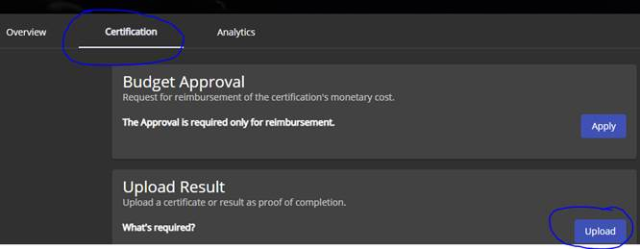
 | AZ 220 - Microsoft Azure IOT Developer
 | DP 300 - Azure Database Administrator
 | AZ 303 - Azure Solution Architect
 | AZ 304 - Azure Solution Architect
 | AZ 400 -Azure Devops Engineer

Step 4: Select the pre-defined ETA verifier from the dropdown and submit

