Start Here
 |  | Cobalt Enablement team welcomes you to your GCP cloud journey!!

 | Step 1 |  | Step 2 | Step 3 | Step 4 | Step 5 | Step 6

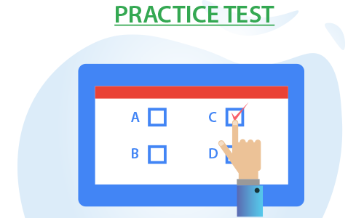
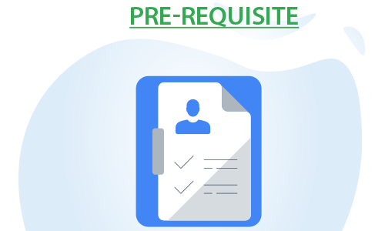
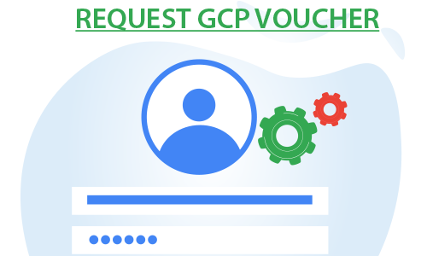

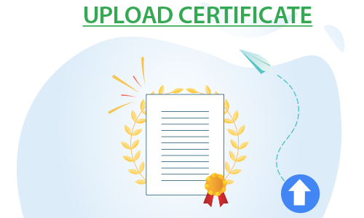

Nominate for ETA Training through Unit anchors
 | OR
Complete Self paced trainings

Learn - ETASchedule
<< Back

ETA publish next month training schedule on 18th of evey month . Send in your nomination to Unit anchors before 25th of every month for next month GCP trainings
Unit anchors
For e.g - If you want to attend Feb GCP trainings , send in your nominations to unit anchor before 25th Jan

Training Nomination details to be shared to Unit Anchors in below format
Emp # | Emp Name | E Mail ID | UNIT | Account

July 2022 Schedule

GCP Schedule for Offshore [02:00 PM IST to 05:30 PM IST]
Course Name & Self learning link in Lex | Session Date and Duration | Link for Registration
Essentials of cloud computing | 05, 06 July 2022 [2 days] | GCP Offshore Registration Link
GCP Services overview | 07, 08 July 2022 [2 days]
GCP-Compute and Network Services | 11,12 July 2022 [2 days]
GCP- Storage and Database services | 14,15 July 2022 [2 days]
GCP Identity, Management and Operations | 18,19 July 2022[ 2 days]
Cloud Engineering on GCP | 21,22 July 2022 [2 days]
Internal Certification | 18-Aug-22 | Infosys Certified Google Cloud Associate Engineer

Learn - Self Learning links
<< Back
 | GCP Learning Paths

S.No. | Course Name | LEX Courses | *External Resources | Teams Channel
 |  |  |  | (Collaborate with certification aspirants)
1 | Cloud Digital Leader | CDL | CDL | Channel
2 | Associate Cloud Engineer | ACE | ACE | Channel
3 | Professional Cloud Architect | PCA | PCA | Channel
4 | Professional Cloud Developer | PCD | PCD | Channel
5 | Professional Data Engineer | NA | PDE | Channel
6 | Professional Cloud DevOps Engineer | NA | DE | Channel
7 | Professional Cloud Security Engineer | NA | CSE | Channel
8 | Professional Cloud Network Engineer | NA | CNE | Channel
9 | Professional Collaboration Engineer | NA | CE | Channel
10 | Machine Learning Engineer | NA | MLE | Channel

Practice Test
<< Back
 | Practice Exam and Resources

Sl.no | Certifications | External Practice Exams | Internal Practice Exams
1 | Cloud Digital Leader | Practice-Exam | GCP Cloud Practitioner Practice Exam
2 | Associate Cloud Engineer | Practice-Exam | ACE Practice Exam
3 | Professional Cloud Architect | Practice-Exam
4 | Professional Cloud Developer | Practice-Exam
5 | Professional Data Engineer | Practice-Exam
6 | Professional Cloud DevOps Engineer | Practice-Exam
7 | Professional Cloud Security Engineer | Practice-Exam
8 | Professional Cloud Network Engineer | Practice-Exam
9 | Professional Collaboration Engineer | Practice-Exam
10 | Professional Machine Learning Engineer | Practice-Exam

 | Blogs
 | Exam Booking Process
 | GCP Associate Cloud Engineer Exam guide
 | How to become Google Cloud Certified Associate Cloud Engineer (ACE)
 | GCP Professional Cloud Architect — Exam Guide
 | How to become Google Certified Cloud Architect Professional

Pre-requsite
<< Back
 |  |  | Pre-requsite for getting voucher for External Certification

Step 1: | Pass equivalent GCP Certification
Complete Internal certification before requesting Voucher
 |  |  | Complete Internal certification
 |  | Note:
 |  | · Please take screen shot of the result of Internal certification exam and upload it while requesting for certification vouchers
 |  | · In case you are not able to complete internal certification, there is a wait period of 15 days before you can take 2nd attempt
 |  | · Prepare well while attempting Internal certification and secure at least 60% marks. This will help you if you are running out of time and not able to give second attempt to clear internal certification. Do not forget to take screen shot of the result

 |  | Sl.no | Certifications | Internal Certifications
 |  | 1 | Cloud Digital Leader | Infosys Certified Google Cloud Digital Leader
 |  | 2 | Associate Cloud Engineer | Internal ACE Certification
 |  | 3 | Professional Cloud Architect | Internal CA Certification
 |  | 4 | Professional Cloud Developer | Internal PCD Certification
 |  | 5 | Professional Data Engineer | Any of the above Internal GCP Certification / Any External GCP Certification
 |  | 6 | Professional Cloud DevOps Engineer
 |  | 7 | Professional Cloud Security Engineer
 |  | 8 | Professional Cloud Network Engineer
 |  | 9 | Professional Collaboration Engineer
 |  | 10 | Professional Machine Learning Engineer

Request Voucher
<< Back
 | Request GCP voucher for External Certification

Send the GCP Voucher request post completion of Pre-requisite.

Note: VPN connectivity is mandatory for accessing the portal

Upload Certificate
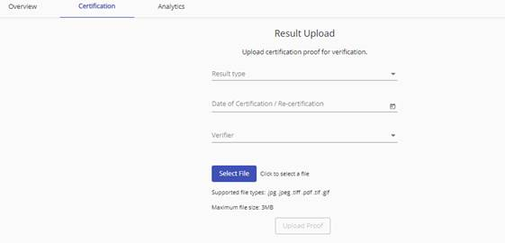
<< Back
 | To upload the certificate in Lex:

· Click on the respective certification link given below and login to Lex.

 | Exam Name | Upload Link
 | Cloud Digital Leader | Lex link | · Fill in all the details of the certification like Exam Date, Result Type, Verifier Email ID and Result.
 | Associate Cloud Engineer | Lex link | · In this you will have an option to choose the Result Type as Percentage, Grade or Others. Based on the selection of Result Type you can enter relevant result in the text box below.
 | Professional Cloud Architect | Lex link | · Once all the fields are provided, click on Select File button and select the file that you want to upload.
 | Professional Cloud Developer | Lex link | · You can now click on Upload Proof button to get the certification verified.
 | Professional Data Engineer | Lex link
 | Professional Cloud DevOps Engineer | Lex link
 | Professional Cloud Security Engineer | Lex link
 | Professional Cloud Network Engineer | Lex link
 | Professional Collaboration Engineer | Lex link
 | Professional Machine Learning Engineer | Lex link

 | Step 1: Select Upload Result
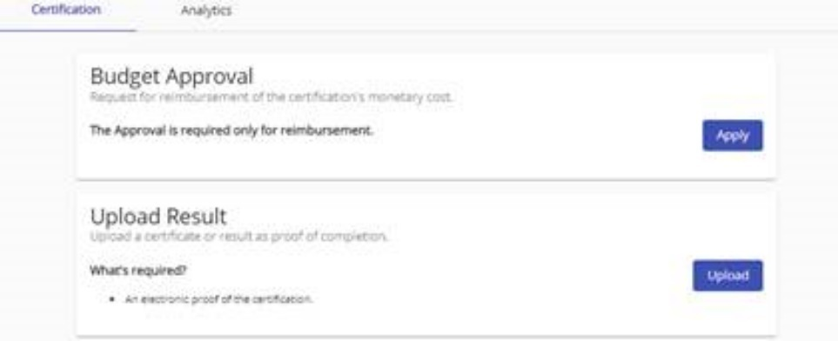

 | Step 2: Provide details , select any one of the ETA verifier listed and Upload the Proof.

