Start Here
 |  | Cobalt Enablement team welcomes you to your AWS cloud journey!!

 | Step 1 |  | Step 2 | Step 3 | Step 4 | Step 5 | Step 6

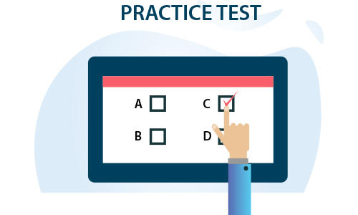
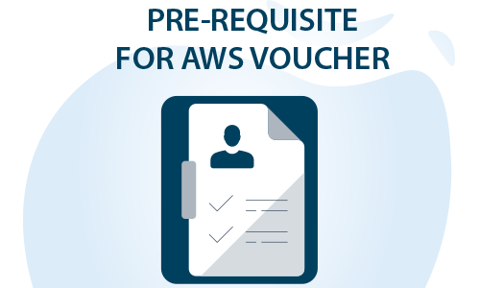
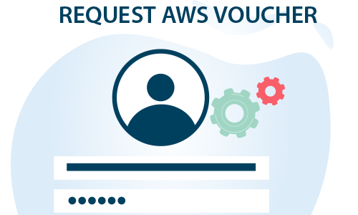

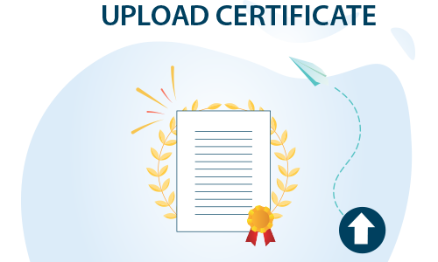

Nominate for ETA Training through Unit anchors
 | OR
Complete Self paced trainings
 | OR
Any other External trainings

Learn - ETASchedule
<< Back

ETA publish next month training schedule on 18th of evey month . Send in your nomination to Unit anchors before 25th of every month for next month AWS trainings
Unit anchors
For e.g - If you want to attend Feb AWS trainings , send in your nominations to unit anchor before 25th Jan

Training Nomination details to be shared to Unit Anchors in below format
Emp # |  | Emp Name | E Mail ID | UNIT | Account

Sep 2022 Schedule

AWS Schedule for Offshore
Course Name & Self learning link in Lex | Session Date and Duration | AWS Morning Batch | AWS Afternoon Batch
 |  | [ 9:30AM- 1:00PM IST] | [02:00 PM - 05:30 PM IST]
Essentials of cloud computing | 5,6 Sept 2022 [2 days] | AWS Offshore Registration Link
AWS - Services overview | 12, 13 Sept 2022 [2 days]
AWS- Compute, Network Services | 14, 15 Sept 2022 [2 days] | [ Please select appropriate drop down while filling the form to opt for suitable batch]
AWS Storage, Databases & Migration Services | 19, 20 Sept 2022 [2 days]
AWS Authentication, Automation and Integration Services | 21, 22 Sept 2022 [2 days]
Developing on AWS- APIs Server-less Computing and DevOps | 26, 27 Sept 2022[ 2 days]
Developing on AWS using Microservices & Containers | 28, 29 Sept 2022 [ 2 days]

Internal Certification | 20 Oct 2022 | Infosys Certified AWS Developer Associate

Onsite Schedule for AWS Training [8:30 PM IST to 10:30 PM IST] |  | Link for registration
Course Name | Session Date and Duration | AWS Onsite Registration Link
AWS - Services overview | 02, 05, 06 Sept 2022 [3 days]
AWS- Compute, Network Services | 12,13,14 Sept 2022 [3 days]
AWS Storage, Databases & Migration Services | 16,19 ,20 Sept 2022 [ 3 days]
AWS Authentication, Automation and Integration Services | 22,23, 26 Sept 2022 [3days]
Architecting on AWS | 27,28,29,30 Sept 2022 [4 days]
Internal Certification | 20-Oct-22 | Infosys Certified AWS Cloud Practitioner (or)
 |  | Infosys Certified AWS Solutions Architect Associate

Learn - Self Learning links
<< Back
 | AWS Learning Paths

For AWS digital training material, sign in with your APN Partner Central login id & password. If you do not have an APN account, please |  |  |  | self-register | with Infosys email ID. For more details refer | APN Partner Central Guide
Certification Type | Scope | Certification Name | Learning Paths
 |  |  | Internal Learning Path - Lex | External Learning Path - AWS | Teams Channel
Foundation | Gain knowledge about important AWS cloud services and their applications | AWS Cloud Practitioner | Full Stack AWS Cloud Practitioner | AWS Cloud Practitioner Essentials | Channel
Intermediate | Validates the ability to write and deploy cloud-based applications. | AWS Developer Associate | Full Stack AWS Developer Associate | AWS Developer Associate Certification Partner Learning Plan | Channel
 | Validates the ability to design and implement distributed systems on AWS | AWS Solutions Architect Associate | Full Stack AWS SA Associate | AWS Solutions Architect Associate Certification Partner Learning Plan | Channel
 | Demonstrates experience deploying, managing, and operating workloads on AWS | AWS SysOps Administrator Associate | Full Stack AWS Systems Operations Associate | Systems Operator Learning Plan | Channel
Professional | Validates the ability to design, deploy, and evaluate applications on AWS within diverse, complex requirements | AWS Solutions Architect Professional | Full Stack AWS Solution Architect Professional | NA | Channel
 | Validates the ability to automate the testing and deployment of AWS infrastructure and applications | AWS DevOps Engineer Professional | Full Stack AWS DevOps Engineer Professional | DevOps Engineer Learning Plan | Channel
Specialty | Validates expertise in securing data and workloads in the AWS Cloud. | AWS Certified Security - Specialty | Full Stack AWS Security Specialty | Security Engineer Partner Learning Plan | Channel
 | Validates expertise in using AWS data lakes and analytics services to get insights from data | AWS Certified Data Analytics Specialty | AWS-DGL Full Stack AWS Certified Data Analytics Specialty | Data Analyst Partner Learning Plan | Channel
 | Validates expertise in building, training, tuning, and deploying machine learning (ML) models on AWS | AWS Certified Machine Learning - Specialty | AWS-DGL Full stack AWS Certified Machine Learning - Specialty | Machine Learning Learning Plan | Channel
 | Validates expertise in recommending, designing, and maintaining optimal AWS database solutions. | AWS Certified Database Specialty | AWS-DGL Full Stack AWS Certified Database Specialty | Database Learning Plan: AWS NoSQL Database Services | Channel
 |  |  |  | Database Learning Plan: AWS Relational Database Services
 |  |  |  | Database Learning Plan: AWS Database Migration
 | Validates expertise in designing and maintaining network architecture for the breadth of AWS services. | AWS Certified Advanced Networking - Specialty | NA | Networking Learning Plan | Channel
 | Optimizing SAP workloads on AWS | SAP on AWS - Specialty | NA | NA | NA

Practice Test
<< Back
Practice Test

Certification Name | Practice Exam
 | External - Practice Exam |  | Internal - Practice Exam
AWS Cloud Practitioner | AWS Certified Cloud Practitioner Official Practice Question Set | Exam Prep: AWS Certified Cloud Practitioner | AWS Cloud Practitioner - Practice Exam
AWS Developer Associate | AWS Certified Developer - Associate Official Practice Question Set |  | AWS Developer Associate - Practice Exam
AWS Solutions Architect Associate | AWS Certified Solutions Architect - Associate Official Practice Question Set | Exam Prep: AWS Certified Solutions Architect - Associate | AWS Solutions Architect Associate - Practice Exam
AWS SysOps Administrator Associate | AWS Certified SysOps Administrator - Associate Official Practice Question Set | Exam Prep: AWS Certified SysOps Administrator - Associate | AWS Certified SysOps Administrator - Associate - Practice Exam
AWS Solutions Architect Professional | AWS Certified Solutions Architect - Professional Official Practice Question Set |  | AWS Certified Solutions Architect Professional - Practice Exam
AWS DevOps Engineer Professional | AWS Certified DevOps Engineer - Professional Official Practice Question Set
AWS Certified Security - Specialty | AWS Certified Security - Specialty Official Practice Question Set |  | AWS Certified Security - Specialty - Practice Exam
AWS Certified Data Analytics Specialty | AWS Certified Data Analytics - Specialty Official Practice Question Set
AWS Certified Machine Learning - Specialty | AWS Certified Machine Learning - Specialty Official Practice Question Set
AWS Certified Database Specialty | AWS Certified Database - Specialty Official Practice Question Set

AWS Certified Advanced Networking - Specialty | AWS Certified Advanced Networking - Specialty Official Practice Question Set
SAP on AWS - Specialty | AWS Certified: SAP on AWS - Specialty Official Question Set

Pre-requsite
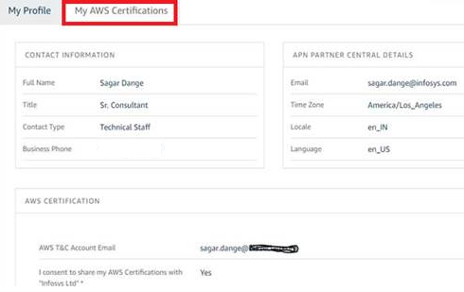
<< Back
 |  | Pre-requsite for getting voucher for External Certification

Step 1: | Pass equivalent AWS Certification
Complete equivalent AWS certification before nominating for external certification
Note:
• Practitioner vouchers are issued to JL4 and above
• Developers (JL3 and below) should focus on technical certifications (Associate/Specialty/Professional)
 |  | External Certifications | AWS Certifications to be completed as a pre-requisite
 |  | AWS Cloud Practitioner | Infosys Certified AWS Cloud Practitioner
 |  | AWS Developer Associate | Infosys Certified AWS Developer Associate
 |  | AWS Solutions Architect Associate | Infosys Certified AWS Solutions Architect Associate
 |  | AWS Certified SysOps Administrator Associate | Infosys Certified AWS SysOps Administrator Associate
 |  | AWS Certified Solutions Architect Professional | Infosys Certified AWS Solutions Architect Professional
 |  | AWS Certified Security - Specialty | Infosys Certified AWS Security Specialty
 |  | AWS DevOps Engineer Professional | Any Internal/External AWS Associate Certification
 |  | AWS Certified Data Analytics Specialty | Any Internal/External AWS Associate Certification
 |  | AWS Certified Advanced Networking - Specialty | Any Internal/External AWS Associate Certification
 |  | AWS Certified Machine Learning - Specialty | Any Internal/External AWS Associate Certification
 |  | AWS Certified Database Specialty | Any Internal/External AWS Associate Certification
 |  | SAP on AWS - Specialty | Any Internal/External AWS Associate Certification

Step 2: | Create Account on APN portal and update Consent Form as explained in the PDF

Step 2.1: Login to APN Portal
Step 2.2 : Edit Profile
Step 2.3 : As mentioned in below screen shot (highlighted in red), provide email id used on Training & Certification portal(T&C) to take certification . On T&C portal , No change required.
Step 2.4 : Select ‘Yes ’ in I consent to share my AWS certifications with Infosys ltd . (Refer below screen shot)
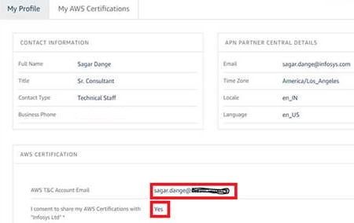

Step 2.5 : When T&C email id is mapped on APN portal, you will be able to see the completed certifications in My AWS Certifications tab

Request AWS Voucher
<< Back
 |  | Request AWS voucher for External Certification

 | Send the AWS Voucher request post completion of Pre-requisite.

 | Note: VPN connectivity is mandatory for accessing the portal

Note:
• Practitioner vouchers are issued to JL4 and above
• Developers (JL3 and below) should focus on technical certifications (Associate/Specialty/Professional)

Get Certified
<< Back

Steps to book for AWS Exam

Step 1: Sign in or create an account

Go to https://aws.training/
Select “Sign in” (located on the far right of the top navigation bar) to sign in or create a new account.

Step 2: Register for your exam

Vouchers are non refundable and cannot be exchanged for another type of voucher.

Once you are signed in to your account, follow these instructions:

To schedule with a Pearson VUE testing center:

Select “Certification” in the top navigation bar.
Create an AWS certification account if you don’t have one. Otherwise, select the “GO TO YOUR ACCOUNT” button.
Select the “Schedule New Exam” button.
Find the exam you wish to take, and select “Schedule with Pearson VUE.”
You will be redirected to Pearson VUE’s scheduling page where-in you can schedule your exam. Follow the prompts to purchase the exam, and use this exam voucher code as payment. A confirmation will be emailed to you once the exam has been scheduled.

For questions about the AWS Certification program, please visit https://www.aws.training/faq.

Have questions about your voucher code? Please contact Xvoucher Support.

Good luck on your AWS Certification exam!
-------------------------------------------------

Upload Certificate
<< Back
 | To upload the certificate in Lex:

· Click on the respective certification link given below and login to Lex.

 | Exam Name | Upload Link
 | AWS Cloud Practitioner | Lex link | · Fill in all the details of the certification like Exam Date, Result Type, Verifier Email ID and Result.
 | AWS Certified Developer Associate | Lex link | · In this you will have an option to choose the Result Type as Percentage, Grade or Others. Based on the selection of Result Type you can enter relevant result in the text box below.
 | AWS Certified Solutions Architect Associate | Lex link | · Once all the fields are provided, click on Select File button and select the file that you want to upload.
 | AWS Certified SysOps Administrator | Lex link | · You can now click on Upload Proof button to get the certification verified.
 | AWS Certified Solutions Architect Professional | Lex link
 | AWS Certified DevOps Engineer Professional | Lex link
 | AWS Certified Data Analytics Specialty | Lex link
 | AWS Certified Advanced Networking - Specialty | Lex link
 | AWS Certified Security – Specialty | Lex link
 | AWS Certified Machine Learning - Specialty | Lex link
 | AWS Certified Database Specialty | Lex link

