Notes
Notes |  | 11-May-23

An empirical study of the naïve REINFORCE algorithm for predictive maintenance of industrial machines |  |  | RL / Environment model design

1 | Env. same for both
2 | std dev show initially
3 | interesting plots show initially |  | Tool Wear Model
4 | 600 episodes for both |  | Reference: | Dašić (2006) | Link | b0 | -2.49410 | b1 | 0.33420
$$VB=a.t^{b_{1}}. e^{b_{2}. t} | t=0, t=t_{k}$$
5 | why f1-BETA -> tool rep. Higher precision desired. Low FP want reduced. so dont want to reco tool rep unecessarily |  | General model |  |  | b2 | 0.03147 | a | 0.08257
$$VB=0.08257 . t^{0.3342}. e^{0.03147.t}$$
6 | 1. Noise is added RUN TIME. Not fixed to a file |  | Model
7 | 2. Noise generated per step, every time
8 | 3. Break down chance also per step - randomly |  | Real Tool Wear Data
9 | 4. earlier studies 600, 1k ep.
10 | 5. perf drop when trying phm real data -- realized "idea" was falacy
11 | 6. "tried" wear threshold -- realized sensitivity
12 | - threshold sensitivity -> PHM application specific "benefit in disguise"? versus stability of SB-3 algo?
 |  |  | Typical experiment parameters
 |  |  | Model | Simple | Simulated (Dašić, 2006). No noise. No random breakdown
 |  |  | Threshold (mm) | 3 | Wear threshold (mm) for tool replacement
 |  |  | Episodes | 600
 |  |  | gamma | 0.99
 |  |  | alpha | 0.01
 |  |  | Training data | Tool_Wear_VB.csv
 |  |  | Test data | Sampled from training data itself
 |  |  | Test cases | 40

Simulated Env. Experiments
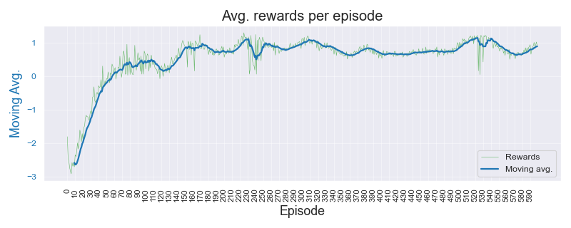
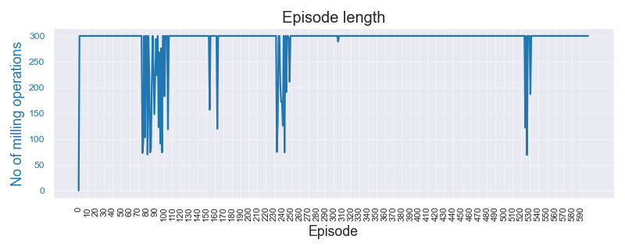
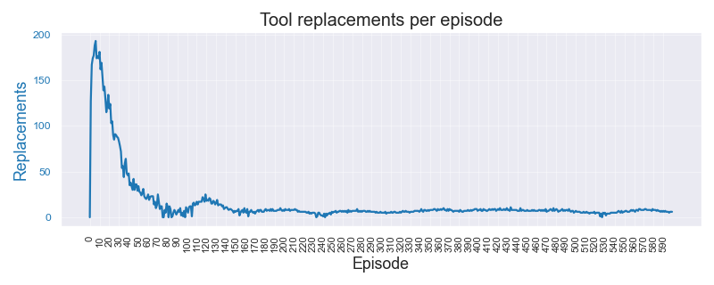
Simulated Environment Experiments |  |  |  |  |  |  |  |  |  | 11-May-23

Data | Threshold ORIGINAL | Threshold set | Algorithm | Wtd Precision | Wtd Recall | F1 Beta | Normal error | Replace error | Overall error | Comments | Data files | Threshold original
Dasic 2006. No noise or break-down chance |  |  |  |  |  |  |  |  |  |  | Simulated_Dasic_2006_Tool_Wear_Model | 3 | mm
 | 3.00 | 3.00 | A2C | 0.580 | 0.517 | 0.530 | 0.484 | 0.479 | 0.483
 |  |  | DQN | 0.489 | 0.635 | 0.512 | 0.022 | 0.979 | 0.365 |  | Color Key
 |  |  | PPO | 0.538 | 0.498 | 0.506 | 0.484 | 0.539 | 0.503 |  | Best result by REINFORCE | 1.234
 |  |  | REINFORCE | 0.954 | 0.949 | 0.949 | 0.062 | 0.028 | 0.051 |  | Better result by SB-3 algo | 1.234

Dasic 2006. Low noise (1e-3) and break-down chance = 5%
 | 3.00 | 3.00 | A2C | 0.539 | 0.491 | 0.503 | 0.494 | 0.533 | 0.509
 |  |  | DQN | 0.502 | 0.628 | 0.513 | 0.040 | 0.974 | 0.373
 |  |  | PPO | 0.526 | 0.510 | 0.513 | 0.410 | 0.641 | 0.490
 |  |  | REINFORCE | 0.947 | 0.941 | 0.942 | 0.073 | 0.034 | 0.059

Dasic 2006. High noise (1e-2) and break-down chance = 10%
 | 3.00 | 3.00 | A2C | 0.529 | 0.511 | 0.514 | 0.408 | 0.626 | 0.489
 |  |  | DQN | 0.508 | 0.639 | 0.528 | 0.037 | 0.970 | 0.361
 |  |  | PPO | 0.491 | 0.518 | 0.495 | 0.294 | 0.822 | 0.483
 |  |  | REINFORCE | 0.921 | 0.894 | 0.897 | 0.160 | 0.003 | 0.106

Sample Plots for REINFORCE algo. : Case-3 - High noise and break-down chance

PHM Experiments
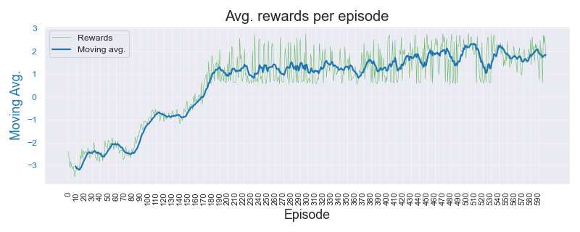
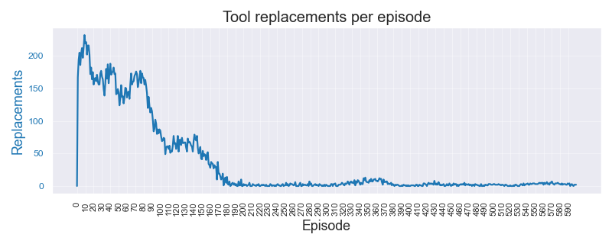
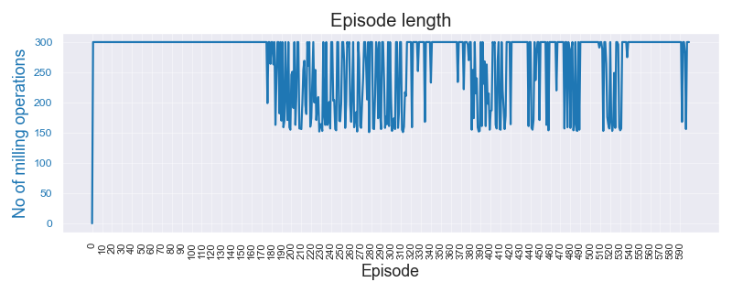
PHM Experiments |  |  |  |  |  |  |  |  |  |  | 10-May-23

Data | Threshold original | Threshold set | Algorithm | Wtd Precision | Wtd Recall | F1 | F1 Beta | Normal error | Replace error | Overall error | Comments | Data files | Expt. code | Threshold original
C04 Experiments. No noise or break-down
C04 | 0.10 | 0.10 | A2C | 0.510 | 0.484 | 0.497 | 0.484 | 0.455 | 0.563 | 0.516 |  | PHM_C01_0p12_DS | C01 | 0.12
 |  |  | DQN | 0.443 | 0.523 | 0.479 | 0.387 | 0.975 | 0.039 | 0.477 |  | PHM_C04_0p10_DS | C04 | 0.10
 |  |  | PPO | 0.456 | 0.433 | 0.444 | 0.425 | 0.431 | 0.678 | 0.567 |  | PHM_C06_0p13_DS | C06 | 0.13
 |  |  | REINFORCE | 0.855 | 0.775 | 0.813 | 0.770 | 0.004 | 0.395 | 0.225
 |  |  |  |  |  |  |  |  |  |  |  | Color Key
C04 | 0.10 | 0.10 | A2C | 0.520 | 0.505 | 0.512 | 0.506 | 0.538 | 0.461 | 0.495 |  | Best result by REINFORCE |  | 1.234
 |  |  | DQN | 0.390 | 0.454 | 0.420 | 0.307 | 0.026 | 0.978 | 0.546 |  | Better result by SB-3 algo |  | 1.234
 |  |  | PPO | 0.523 | 0.517 | 0.520 | 0.516 | 0.516 | 0.461 | 0.483
 |  |  | REINFORCE | 0.847 | 0.778 | 0.811 | 0.772 | 0.017 | 0.388 | 0.223

C04 | 0.10 | 0.10 | A2C | 0.537 | 0.522 | 0.529 | 0.523 | 0.506 | 0.461 | 0.478
 |  |  | DQN | 0.170 | 0.239 | 0.199 | 0.186 | 0.490 | 0.971 | 0.761
 |  |  | PPO | 0.528 | 0.509 | 0.518 | 0.510 | 0.471 | 0.502 | 0.491
 |  |  | REINFORCE | 0.875 | 0.823 | 0.848 | 0.819 | 0.003 | 0.328 | 0.178

C01 Experiments. No noise or break-down
C01 | 0.12 | 0.10 | A2C | 0.520 | 0.476 | 0.497 | 0.482 | 0.548 | 0.489 | 0.524
 |  |  | DQN | 0.505 | 0.596 | 0.546 | 0.470 | 0.027 | 0.969 | 0.404
 |  |  | PPO | 0.512 | 0.494 | 0.503 | 0.497 | 0.439 | 0.606 | 0.506
 |  |  | REINFORCE | 0.913 | 0.908 | 0.910 | 0.908 | 0.082 | 0.109 | 0.093

C01 | 0.12 | 0.12 | A2C | 0.517 | 0.496 | 0.506 | 0.497 | 0.489 | 0.526 | 0.504
 |  |  | DQN | 0.305 | 0.414 | 0.352 | 0.265 | 0.984 | 0.034 | 0.586
 |  |  | PPO | 0.540 | 0.516 | 0.528 | 0.521 | 0.472 | 0.510 | 0.484
 |  |  | REINFORCE | 0.398 | 0.626 | 0.486 | 0.485 | 0.000 | 1.000 | 0.374

C01 | 0.12 | 0.14 | A2C | 0.401 | 0.541 | 0.460 | 0.426 | 0.087 | 0.970 | 0.459
 |  |  | DQN | 0.387 | 0.403 | 0.395 | 0.253 | 0.981 | 0.025 | 0.597
 |  |  | PPO | 0.514 | 0.509 | 0.512 | 0.505 | 0.375 | 0.653 | 0.491
 |  |  | REINFORCE | 0.382 | 0.614 | 0.471 | 0.469 | 0.001 | 1.000 | 0.386

C06 Experiments. No noise or break-down
C06 | 0.13 | 0.11 | A2C | 0.548 | 0.513 | 0.530 | 0.517 | 0.496 | 0.473 | 0.488
 |  |  | DQN | 0.501 | 0.604 | 0.548 | 0.479 | 0.027 | 0.970 | 0.396
 |  |  | PPO | 0.529 | 0.501 | 0.514 | 0.504 | 0.520 | 0.474 | 0.499
 |  |  | REINFORCE | 0.827 | 0.735 | 0.778 | 0.732 | 0.425 | 0.028 | 0.265

C06 | 0.13 | 0.13 | A2C | 0.510 | 0.499 | 0.505 | 0.499 | 0.414 | 0.629 | 0.501
 |  |  | DQN | 0.803 | 0.646 | 0.716 | 0.639 | 0.537 | 0.031 | 0.354
 |  |  | PPO | 0.528 | 0.514 | 0.521 | 0.515 | 0.414 | 0.589 | 0.486
 |  |  | REINFORCE | 0.369 | 0.604 | 0.458 | 0.457 | 0.000 | 1.000 | 0.396

C06 | 0.13 | 0.15 | A2C | 0.535 | 0.508 | 0.521 | 0.513 | 0.491 | 0.488 | 0.492
 |  |  | DQN | 0.377 | 0.404 | 0.390 | 0.258 | 0.975 | 0.023 | 0.596
 |  |  | PPO | 0.629 | 0.567 | 0.596 | 0.560 | 0.569 | 0.244 | 0.433
 |  |  | REINFORCE | 0.376 | 0.609 | 0.465 | 0.464 | 0.000 | 1.000 | 0.391

C04 - High Noise. High chance of break-down

C04 | 0.10 | 0.10 | A2C | 0.417 | 0.420 | 0.419 | 0.370 | 0.276 | 0.841 | 0.580
 |  |  | DQN | 0.389 | 0.455 | 0.419 | 0.308 | 0.027 | 0.976 | 0.545
 |  |  | PPO | 0.491 | 0.445 | 0.467 | 0.424 | 0.331 | 0.723 | 0.555
 |  |  | REINFORCE | 0.638 | 0.486 | 0.552 | 0.366 | 0.009 | 0.916 | 0.514

Sample Plots for REINFORCE algo. : C04 High noise and break-down chance

