Simulated Env. Expts.
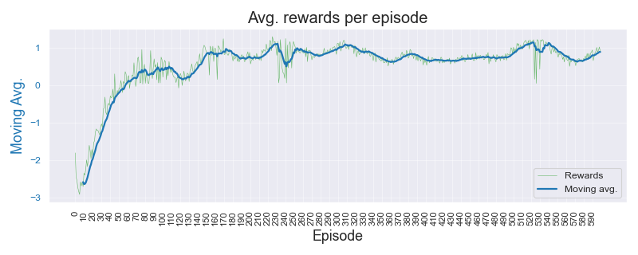
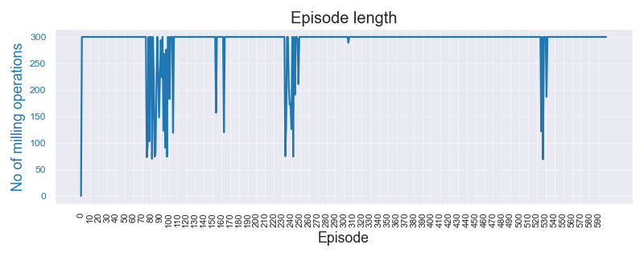
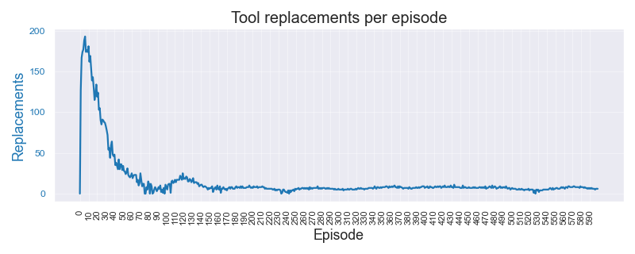
Simulated Environment Experiments |  |  |  |  |  |  |  |  |  |  |  | 11-May-23

Data | Threshold original | Threshold set | Algorithm | Wtd Precision | Wtd Recall | F Beta 0.5 | F Beta 0.75 | F 1 Score | Normal error | Replace error | Overall error | Comments | Data files | Threshold original
Dasic 2006. No noise or break-down chance |  |  |  | mean | mean | mean | mean | mean | mean | mean | mean |  | Simulated_Dasic_2006_Tool_Wear_Model | 3 | mm
 | 3.00 | 3.00 | A2C | 0.539 | 0.610 | 0.530 | 0.536 | 0.546 | 0.130 | 0.875 | 0.390
 |  |  | DQN | 0.514 | 0.360 | 0.249 | 0.228 | 0.231 | 0.953 | 0.029 | 0.640 |  | Color Key
 |  |  | PPO | 0.539 | 0.540 | 0.538 | 0.537 | 0.537 | 0.351 | 0.666 | 0.460 |  | Best result by REINFORCE | 1.234
 |  |  | REINFORCE | 0.938 | 0.935 | 0.935 | 0.934 | 0.933 | 0.015 | 0.180 | 0.065 |  | Better result by SB-3 algo | 1.234

Dasic 2006. Low noise (1e-3) and break-down chance = 5%
 | 3.00 | 3.00 | A2C | 0.488 | 0.440 | 0.474 | 0.464 | 0.457 | 0.512 | 0.658 | 0.560
 |  |  | DQN | 0.488 | 0.640 | 0.505 | 0.525 | 0.545 | 0.075 | 0.988 | 0.360
 |  |  | PPO | 0.491 | 0.535 | 0.479 | 0.480 | 0.486 | 0.211 | 0.861 | 0.465
 |  |  | REINFORCE | 0.851 | 0.755 | 0.796 | 0.767 | 0.752 | 0.409 | 0.000 | 0.245

Dasic 2006. High noise (1e-2) and break-down chance = 10%
 | 3.00 | 3.00 | A2C | 0.595 | 0.525 | 0.564 | 0.547 | 0.535 | 0.508 | 0.407 | 0.475
 |  |  | DQN | 0.386 | 0.615 | 0.417 | 0.445 | 0.474 | 0.008 | 1.000 | 0.385
 |  |  | PPO | 0.582 | 0.560 | 0.575 | 0.570 | 0.567 | 0.342 | 0.652 | 0.440
 |  |  | REINFORCE | 0.915 | 0.890 | 0.903 | 0.896 | 0.892 | 0.168 | 0.011 | 0.110

Sample Plots for REINFORCE algo. : Case-3 - High noise and break-down chance

PHM Experiments
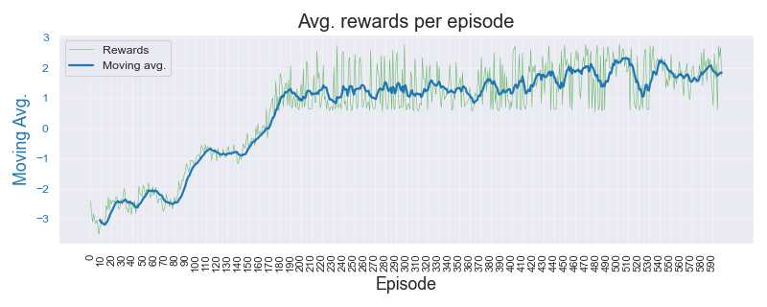
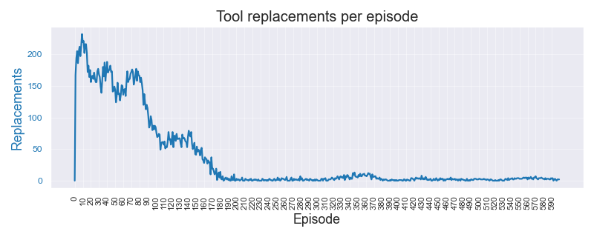
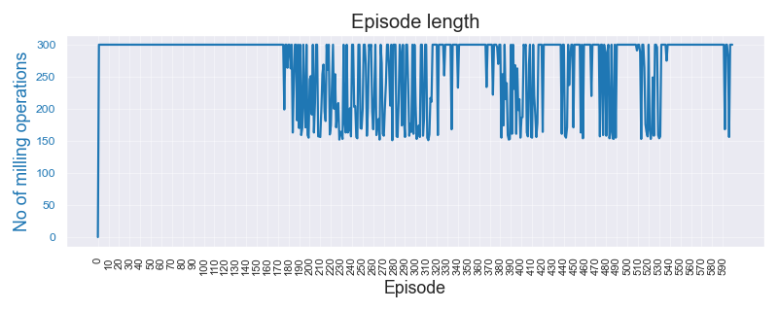
 | PHM 2010 Real-data Experiments - Simple state |  |  |  |  |  |  |  |  |  |  |  | 13-May-23

C-01 | Data | Threshold original | Threshold set | Algorithm | Wtd Precision | Wtd Recall | F Beta 0.5 | F Beta 0.75 | F 1 Score | Normal error | Replace error | Overall error | Comments | Data files | Expt. code | Recs. | Threshold original
 | C-01.No noise or break-down |  |  |  |  |  |  |  |  |  |  |  |  | PHM_C01_MultiStateEnv_0p12 | C01 | 348 | 0.12
 | C01 | Threshold | 0.12 | A2C | 0.495 | 0.490 | 0.490 | 0.488 | 0.487 | 0.583 | 0.442 | 0.510 |  | PHM_C04_MultiStateEnv_0p10 | C04 | 348 | 0.10
 |  | Noise | 0 | DQN | 0.219 | 0.310 | 0.198 | 0.203 | 0.213 | 0.977 | 0.267 | 0.690 |  | PHM_C06_MultiStateEnv_0p13 | C06 | 347 | 0.13
 |  | Break-down | 0% | PPO | 0.501 | 0.465 | 0.483 | 0.473 | 0.467 | 0.594 | 0.454 | 0.535
 |  | Episodes | 1200 | REINFORCE | 0.824 | 0.650 | 0.705 | 0.656 | 0.632 | 0.562 | 0.000 | 0.350
 |  |  |  |  |  |  |  |  |  |  |  |  |  | Color Key
 | C-01.Low noise and break-down |  |  |  |  |  |  |  |  |  |  |  |  | Best result by REINFORCE | 1.234
 | C01 | Threshold | 0.12 | A2C | 0.474 | 0.510 | 0.472 | 0.475 | 0.479 | 0.281 | 0.827 | 0.490 |  | Better result by SB-3 algo | 1.234
 |  | Noise | 1000 | DQN | 0.408 | 0.615 | 0.437 | 0.464 | 0.490 | 0.043 | 1.000 | 0.385
 |  | Break-down | 5% | PPO | 0.538 | 0.480 | 0.496 | 0.477 | 0.467 | 0.662 | 0.315 | 0.520 |  | Experiment paramameters
 |  | Episodes | 1200 | REINFORCE | 0.851 | 0.800 | 0.807 | 0.790 | 0.783 | 0.009 | 0.445 | 0.200 |  | Environment | Simple. Single variable state
 |  |  |  |  |  |  |  |  |  |  |  |  |  | State | tool_wear, time
 | C-01.High noise and break-down |  |  |  |  |  |  |  |  |  |  |  |  | Episodes | 1200
 | C01 | Threshold | 0.12 | A2C | 0.558 | 0.500 | 0.529 | 0.513 | 0.504 | 0.529 | 0.436 | 0.500 |  | Terminate on | 800
 |  | Noise | 1000 | DQN | 0.118 | 0.115 | 0.117 | 0.116 | 0.116 | 0.816 | 0.978 | 0.885 |  | Test data | Sampled from training
 |  | Break-down | 5% | PPO | 0.479 | 0.475 | 0.476 | 0.474 | 0.474 | 0.431 | 0.654 | 0.525 |  | Test cases | 40
 |  | Episodes | 1200 | REINFORCE | 0.711 | 0.690 | 0.691 | 0.681 | 0.677 | 0.132 | 0.510 | 0.310 |  | Test rounds | 5

C-04 | Data | Threshold original | Threshold set | Algorithm | Wtd Precision | Wtd Recall | F Beta 0.5 | F Beta 0.75 | F 1 Score | Normal error | Replace error | Overall error | Comments
 | C-04. No noise or break-down
 | C04 | Threshold | 0.10 | A2C | 0.542 | 0.540 | 0.539 | 0.538 | 0.538 | 0.548 | 0.410 | 0.460
 |  | Noise | 0 | DQN | 0.180 | 0.410 | 0.202 | 0.224 | 0.248 | 0.024 | 1.000 | 0.590
 |  | Break-down | 0% | PPO | 0.501 | 0.465 | 0.483 | 0.474 | 0.468 | 0.451 | 0.617 | 0.535
 |  | Episodes | 1200 | REINFORCE | 0.875 | 0.830 | 0.841 | 0.826 | 0.819 | 0.382 | 0.000 | 0.170

 | C-04. Low noise and break-down
 | C04 | Threshold | 0.10 | A2C | 0.353 | 0.415 | 0.326 | 0.326 | 0.333 | 0.214 | 0.921 | 0.585
 |  | Noise | 1000 | DQN | 0.580 | 0.590 | 0.463 | 0.462 | 0.476 | 0.942 | 0.035 | 0.410
 |  | Break-down | 5% | PPO | 0.579 | 0.515 | 0.545 | 0.527 | 0.516 | 0.353 | 0.563 | 0.485
 |  | Episodes | 1200 | REINFORCE | 0.836 | 0.755 | 0.778 | 0.752 | 0.740 | 0.493 | 0.012 | 0.245

 | C-04. High noise and break-down
 | C04 | Threshold | 0.10 | A2C
 |  | Noise | 0 | DQN
 |  | Break-down | 0% | PPO
 |  | Episodes | 1200 | REINFORCE

C-06 | Data | Threshold original | Threshold set | Algorithm | Wtd Precision | Wtd Recall | F Beta 0.5 | F Beta 0.75 | F 1 Score | Normal error | Replace error | Overall error | Comments
 | C-06. No noise or break-down
 | C04 | Threshold | 0.10 | A2C
 |  | Noise | 0 | DQN
 |  | Break-down | 0% | PPO
 |  | Episodes | 1200 | REINFORCE

 | C-06. Low noise and break-down
 | C04 | Threshold | 0.10 | A2C
 |  | Noise | 0 | DQN
 |  | Break-down | 0% | PPO
 |  | Episodes | 1200 | REINFORCE

 | C-06. High noise and break-down
 | C04 | Threshold | 0.10 | A2C
 |  | Noise | 0 | DQN
 |  | Break-down | 0% | PPO
 |  | Episodes | 1200 | REINFORCE

 | Sample Plots for REINFORCE algo. : C04 High noise and break-down chance

Notes
Notes |  | 13-May-23

An empirical study of the naïve REINFORCE algorithm for predictive maintenance of industrial machines

1 | Env. same for both | RL / Environment model design
2 | std dev show initially | State: Simple, single variable. Tool wear value
 |  | State stochasticity: Noise on wear signal, chance of tool break-down
3 | interesting plots show initially | Reward: +ve for every step; when wear < Threshold. -ve if Wear > Threshold
4 | 600 episodes for both | Penalty for tool replace "action"
 |  | Terminate: When max. operation cycles reached or tool breaks

$$VB=a.t^{b_{1}}. e^{b_{2}. t} | t=0, t=t_{k}$$
5 | why f1-BETA -> tool rep. FP want reduced. so dont want to reco tool rep unecessarily | Tool Wear Model
6 | 1. Noise is added RUN TIME. Not fixed to a file | Reference: | Dašić (2006) | Link | b0 | -2.49410 | b1 | 0.33420
7 | 2. Noise generated per step, every time | General model |  |  | b2 | 0.03147 | a | 0.08257
$$VB=0.08257 . t^{0.3342}. e^{0.03147.t}$$
8 | 3. Break down chance also per step - randomly | Model
9 | 4. earlier studies 600, 1k ep.
10 | 5. perf drop when trying phm real data -- realized "idea" was falacy | Real Tool Wear Data
11 | 6. "tried" wear threshold -- realized sensitivity | PHM 2010 - 3 sets
12 | - threshold sensitivity -> PHM application specific "benefit in disguise"? versus stability of SB-3 algo?

 |  | Typical experiment parameters
 |  | Threshold (mm) | 3 | Wear threshold (mm) for tool replacement
 |  | Noise
 |  | Break-down chance
 |  | Episodes | 600
 |  | gamma | 0.99
 |  | alpha | 0.01
 |  | Training data | Tool_Wear_VB.csv
 |  | Test data | Sampled from training data itself
 |  | Test cases | 40

