Simulated Env. Expts.
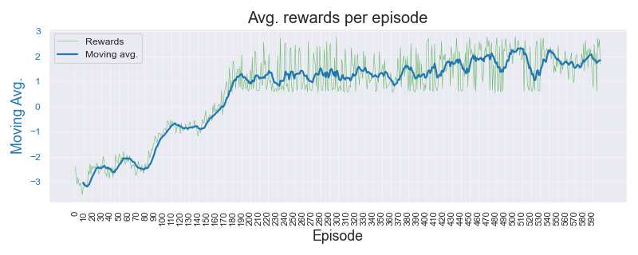
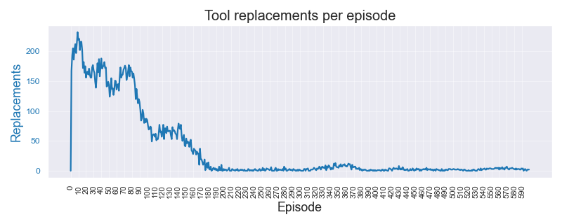
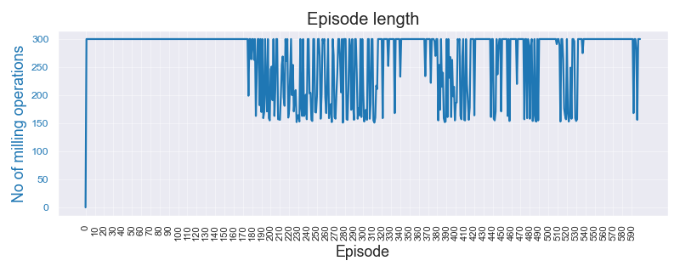
Simulated Environment Experiments |  |  |  |  |  |  |  |  |  |  |  | 13-May-23

Data |  |  | Algorithm | Wtd Precision | Wtd Recall | F Beta 0.5 | F Beta 0.75 | F 1 Score | Normal error | Replace error | Overall error | Comments | Data files | Expt. code | Recs. | Threshold
Dasic 2006. No noise or break-down chance |  |  |  |  |  |  |  |  |  |  |  |  | Simulated_Dasic_2006_Tool_Wear_Model |  | 121 | 3.00 | mm
 | Threshold | 3.00 | A2C | 0.539 | 0.610 | 0.530 | 0.536 | 0.546 | 0.130 | 0.875 | 0.390
 | Noise factor | None | DQN | 0.514 | 0.360 | 0.249 | 0.228 | 0.231 | 0.953 | 0.029 | 0.640
 | Break-down | 0% | PPO | 0.539 | 0.540 | 0.538 | 0.537 | 0.537 | 0.351 | 0.666 | 0.460
 | Episodes | 1200 | REINFORCE | 0.938 | 0.935 | 0.935 | 0.934 | 0.933 | 0.015 | 0.180 | 0.065
 |  |  |  |  |  |  |  |  |  |  |  |  | Color Key
Dasic 2006. Low noise (1e-3) and break-down chance = 5% |  |  |  |  |  |  |  |  |  |  |  |  | Best result by REINFORCE | 1.234
 | Threshold | 3.00 | A2C | 0.488 | 0.440 | 0.474 | 0.464 | 0.457 | 0.512 | 0.658 | 0.560 |  | Better result by SB-3 algo | 1.234
 | Noise factor | 1/1000 | DQN | 0.488 | 0.640 | 0.505 | 0.525 | 0.545 | 0.075 | 0.988 | 0.360
 | Break-down | 5% | PPO | 0.491 | 0.535 | 0.479 | 0.480 | 0.486 | 0.211 | 0.861 | 0.465 |  | Experiment paramameters
 | Episodes | 1200 | REINFORCE | 0.851 | 0.755 | 0.796 | 0.767 | 0.752 | 0.409 | 0.000 | 0.245 |  | Environment | Simple. Single variable state
 |  |  |  |  |  |  |  |  |  |  |  |  | State | tool_wear, time
Dasic 2006. High noise (1e-2) and break-down chance = 10% |  |  |  |  |  |  |  |  |  |  |  |  | Episodes | 1200
 | Threshold | 3.00 | A2C | 0.595 | 0.525 | 0.564 | 0.547 | 0.535 | 0.508 | 0.407 | 0.475 |  | Terminate on | 800
 | Noise factor | 1/100 | DQN | 0.386 | 0.615 | 0.417 | 0.445 | 0.474 | 0.008 | 1.000 | 0.385 |  | Test data | Sampled from training
 | Break-down | 5% | PPO | 0.582 | 0.560 | 0.575 | 0.570 | 0.567 | 0.342 | 0.652 | 0.440 |  | Test cases | 40
 | Episodes | 1200 | REINFORCE | 0.915 | 0.890 | 0.903 | 0.896 | 0.892 | 0.168 | 0.011 | 0.110 |  | Test rounds | 5

Sample Plots for REINFORCE algo. : C04 High noise and break-down chance

Notes
Notes |  | 13-May-23

An empirical study of the naïve REINFORCE algorithm for predictive maintenance of industrial machines

1 | Env. same for both | RL / Environment model design
2 | std dev show initially | State: Simple, single variable. Tool wear value
 |  | State stochasticity: Noise on wear signal, chance of tool break-down
3 | interesting plots show initially | Reward: +ve for every step; when wear < Threshold. -ve if Wear > Threshold
4 | 600 episodes for both | Penalty for tool replace "action"
 |  | Terminate: When max. operation cycles reached or tool breaks

$$VB=a.t^{b_{1}}. e^{b_{2}. t} | t=0, t=t_{k}$$
5 | why f1-BETA -> tool rep. FP want reduced. so dont want to reco tool rep unecessarily | Tool Wear Model
6 | 1. Noise is added RUN TIME. Not fixed to a file | Reference: | Dašić (2006) | Link | b0 | -2.49410 | b1 | 0.33420
7 | 2. Noise generated per step, every time | General model |  |  | b2 | 0.03147 | a | 0.08257
$$VB=0.08257 . t^{0.3342}. e^{0.03147.t}$$
8 | 3. Break down chance also per step - randomly | Model
9 | 4. earlier studies 600, 1k ep.
10 | 5. perf drop when trying phm real data -- realized "idea" was falacy | Real Tool Wear Data
11 | 6. "tried" wear threshold -- realized sensitivity | PHM 2010 - 3 sets
12 | - threshold sensitivity -> PHM application specific "benefit in disguise"? versus stability of SB-3 algo?

 |  | Typical experiment parameters
 |  | Threshold (mm) | 3 | Wear threshold (mm) for tool replacement
 |  | Noise
 |  | Break-down chance
 |  | Episodes | 600
 |  | gamma | 0.99
 |  | alpha | 0.01
 |  | Training data | Tool_Wear_VB.csv
 |  | Test data | Sampled from training data itself
 |  | Test cases | 40

