Simulated Env.
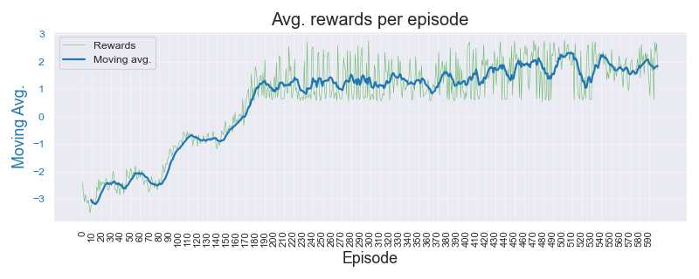
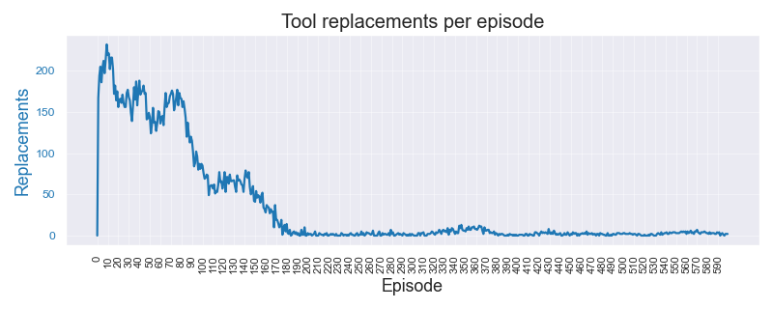
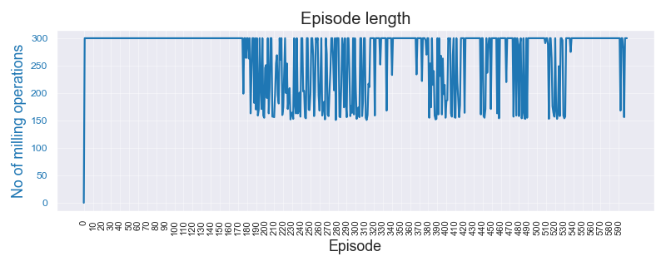
Simulated Environment Experiments |  |  |  |  |  |  |  |  |  |  |  |  |  |  |  |  | 26-May-23

Data |  |  | Algorithm | Wtd Precision |  | Wtd Recall |  | F Beta 0.5 |  | F Beta 0.75 |  | F 1 Score |  | Normal | Replace | Overall | Comments | Data files | Expt. code | Recs. | Threshold
 |  |  |  | mean | std.dev | mean | std.dev | mean | std.dev | mean | std.dev | mean | std.dev | Errors | Errors | Errors
Dasic 2006. No noise or break-down chance |  |  |  |  |  |  |  |  |  |  |  |  |  | Dasic_NoNBD_3.0_800_120_test_results_18-May-2023_1250 |  |  |  | Simulated_Dasic_2006_Tool_Wear_Model |  | 121 | 3.00 | mm
 | Threshold | 3.00 | A2C | 0.547 | 0.096 | 0.545 | 0.093 | 0.543 | 0.095 | 0.541 | 0.094 | 0.540 | 0.093 | 0.540 | 0.370 | 0.455
 | Noise factor | None | DQN | 0.858 | 0.012 | 0.810 | 0.022 | 0.827 | 0.019 | 0.811 | 0.023 | 0.803 | 0.026 | 0.370 | 0.010 | 0.190
 | Break-down | 0% | PPO | 0.405 | 0.052 | 0.420 | 0.045 | 0.394 | 0.045 | 0.392 | 0.044 | 0.394 | 0.043 | 0.420 | 0.740 | 0.580
 | Episodes | 800 | REINFORCE | 0.967 | 0.013 | 0.965 | 0.014 | 0.966 | 0.013 | 0.965 | 0.014 | 0.965 | 0.014 | 0.060 | 0.010 | 0.035
 | Terminate | 120 |  |  |  |  |  |  |  |  |  |  |  |  |  |  |  | Color Key
Dasic 2006. Low noise (1e-3) and break-down chance = 5% |  |  |  |  |  |  |  |  |  |  |  |  |  | Dasic_LowNBD_3.0_1000_120_test_results_18-May-2023_1305 |  |  |  | Best result by REINFORCE | 1.234
 | Threshold | 3.00 | 2C | 0.488 | 0.064 | 0.490 | 0.060 | 0.486 | 0.065 | 0.485 | 0.065 | 0.485 | 0.065 | 0.530 | 0.490 | 0.510 |  | Better result by SB-3 algo | 1.234
 | Noise factor | 1/1000 | DQN | 0.632 | 0.223 | 0.525 | 0.031 | 0.403 | 0.089 | 0.390 | 0.066 | 0.399 | 0.054 | 0.020 | 0.930 | 0.475
 | Break-down | 5% | PPO | 0.430 | 0.078 | 0.435 | 0.076 | 0.426 | 0.078 | 0.425 | 0.078 | 0.425 | 0.077 | 0.460 | 0.670 | 0.565 |  | Experiment paramameters
 | Episodes | 1200 | REINFORCE | 0.943 | 0.017 | 0.935 | 0.022 | 0.939 | 0.020 | 0.936 | 0.022 | 0.935 | 0.023 | 0.130 | 0.000 | 0.065 |  | Environment | Simple. Single variable state
 | Terminate | 120 |  |  |  |  |  |  |  |  |  |  |  |  |  |  |  | State | tool_wear, time
Dasic 2006. High noise (1e-2) and break-down chance = 10% |  |  |  |  |  |  |  |  |  |  |  |  |  | Dasic_HighNBD_3.0_1000_120_test_results_18-May-2023_1309 |  |  |  | Episodes | 1200
 | Threshold | 3.00 | A2C | 0.519 | 0.069 | 0.520 | 0.067 | 0.518 | 0.070 | 0.518 | 0.070 | 0.518 | 0.070 | 0.430 | 0.530 | 0.480 |  | Terminate on | 800
 | Noise factor | 1/100 | DQN | 0.353 | 0.229 | 0.510 | 0.022 | 0.316 | 0.086 | 0.331 | 0.058 | 0.354 | 0.046 | 0.980 | 0.000 | 0.490 |  | Test data | Sampled from training
 | Break-down | 5% | PPO | 0.607 | 0.084 | 0.600 | 0.079 | 0.600 | 0.080 | 0.596 | 0.079 | 0.595 | 0.078 | 0.290 | 0.510 | 0.400 |  | Test cases | 40
 | Episodes | 1200 | REINFORCE | 0.932 | 0.020 | 0.920 | 0.027 | 0.925 | 0.024 | 0.921 | 0.027 | 0.919 | 0.028 | 0.160 | 0.000 | 0.080 |  | Test rounds | 5
 | Terminate | 120

Simulated Environment Experiments (18-May) |  |  |  |  |  |  |  |  |  |  |  |  |  |  |  |  | 18-May-23

Data |  |  | Algorithm | Wtd Precision |  | Wtd Recall |  | F Beta 0.5 |  | F Beta 0.75 |  | F 1 Score |  | Normal | Replace | Overall | Comments
 |  |  |  | mean | std.dev | mean | std.dev | mean | std.dev | mean | std.dev | mean | std.dev | Errors | Errors | Errors
Dasic 2006. No noise or break-down chance |  |  |  |  |  |  |  |  |  |  |  |  |  | Dasic_NoNBD_3.0_800_120_test_results_18-May-2023_1250
 | Threshold | 3.00 | A2C | 0.547 | 0.096 | 0.545 | 0.093 | 0.543 | 0.095 | 0.541 | 0.094 | 0.540 | 0.093 | 0.540 | 0.370 | 0.455
 | Noise factor | None | DQN | 0.858 | 0.012 | 0.810 | 0.022 | 0.827 | 0.019 | 0.811 | 0.023 | 0.803 | 0.026 | 0.370 | 0.010 | 0.190
 | Break-down | 0% | PPO | 0.405 | 0.052 | 0.420 | 0.045 | 0.394 | 0.045 | 0.392 | 0.044 | 0.394 | 0.043 | 0.420 | 0.740 | 0.580
 | Episodes | 800 | REINFORCE | 0.967 | 0.013 | 0.965 | 0.014 | 0.966 | 0.013 | 0.965 | 0.014 | 0.965 | 0.014 | 0.060 | 0.010 | 0.035
 | Terminate | 120
Dasic 2006. Low noise (1e-3) and break-down chance = 5% |  |  |  |  |  |  |  |  |  |  |  |  |  | Dasic_LowNBD_3.0_1000_120_test_results_18-May-2023_1305
 | Threshold | 3.00 | 2C | 0.488 | 0.064 | 0.490 | 0.060 | 0.486 | 0.065 | 0.485 | 0.065 | 0.485 | 0.065 | 0.530 | 0.490 | 0.510
 | Noise factor | 1/1000 | DQN | 0.632 | 0.223 | 0.525 | 0.031 | 0.403 | 0.089 | 0.390 | 0.066 | 0.399 | 0.054 | 0.020 | 0.930 | 0.475
 | Break-down | 5% | PPO | 0.430 | 0.078 | 0.435 | 0.076 | 0.426 | 0.078 | 0.425 | 0.078 | 0.425 | 0.077 | 0.460 | 0.670 | 0.565
 | Episodes | 1200 | REINFORCE | 0.943 | 0.017 | 0.935 | 0.022 | 0.939 | 0.020 | 0.936 | 0.022 | 0.935 | 0.023 | 0.130 | 0.000 | 0.065
 | Terminate | 120
Dasic 2006. High noise (1e-2) and break-down chance = 10% |  |  |  |  |  |  |  |  |  |  |  |  |  | Dasic_HighNBD_3.0_1000_120_test_results_18-May-2023_1309
 | Threshold | 3.00 | A2C | 0.519 | 0.069 | 0.520 | 0.067 | 0.518 | 0.070 | 0.518 | 0.070 | 0.518 | 0.070 | 0.430 | 0.530 | 0.480
 | Noise factor | 1/100 | DQN | 0.353 | 0.229 | 0.510 | 0.022 | 0.316 | 0.086 | 0.331 | 0.058 | 0.354 | 0.046 | 0.980 | 0.000 | 0.490
 | Break-down | 5% | PPO | 0.607 | 0.084 | 0.600 | 0.079 | 0.600 | 0.080 | 0.596 | 0.079 | 0.595 | 0.078 | 0.290 | 0.510 | 0.400
 | Episodes | 1200 | REINFORCE | 0.932 | 0.020 | 0.920 | 0.027 | 0.925 | 0.024 | 0.921 | 0.027 | 0.919 | 0.028 | 0.160 | 0.000 | 0.080
 | Terminate | 120

Sample Plots for REINFORCE algo. : C04 High noise and break-down chance

Notes
Notes |  | 18-May-23

An empirical study of the naïve REINFORCE algorithm for predictive maintenance of industrial machines

1 | Env. same for both | RL / Environment model design
2 | std dev show initially | State: Simple, single variable. Tool wear value
 |  | State stochasticity: Noise on wear signal, chance of tool break-down
3 | interesting plots show initially | Reward: +ve for every step; when wear < Threshold. -ve if Wear > Threshold
4 | 600 episodes for both | Penalty for tool replace "action"
 |  | Terminate: When max. operation cycles reached or tool breaks

$$VB=a.t^{b_{1}}. e^{b_{2}. t} | t=0, t=t_{k}$$
5 | why f1-BETA -> tool rep. FP want reduced. so dont want to reco tool rep unecessarily | Tool Wear Model
6 | 1. Noise is added RUN TIME. Not fixed to a file | Reference: | Dašić (2006) | Link | b0 | -2.49410 | b1 | 0.33420
7 | 2. Noise generated per step, every time | General model |  |  | b2 | 0.03147 | a | 0.08257
$$VB=0.08257 . t^{0.3342}. e^{0.03147.t}$$
8 | 3. Break down chance also per step - randomly | Model
9 | 4. earlier studies 600, 1k ep.
10 | 5. perf drop when trying phm real data -- realized "idea" was falacy | Real Tool Wear Data
11 | 6. "tried" wear threshold -- realized sensitivity | PHM 2010 - 3 sets
12 | - threshold sensitivity -> PHM application specific "benefit in disguise"? versus stability of SB-3 algo?
 | RECALL error was 1.0
 | Extended eps to 1200, and term to 800 - improved it drastically
 |  | Typical experiment parameters
 | Sometimes reducing the wear threshold for the policy to learn when to replace | Threshold (mm) | 3 | Wear threshold (mm) for tool replacement
 |  | Noise
 |  | Break-down chance
 |  | Episodes | 600
 |  | gamma | 0.99
 |  | alpha | 0.01
 |  | Training data | Tool_Wear_VB.csv
 |  | Test data | Sampled from training data itself
 |  | Test cases | 40

