Simulated Env. Expts.
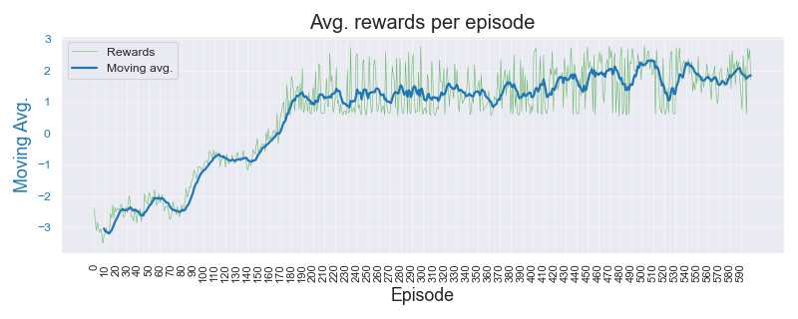
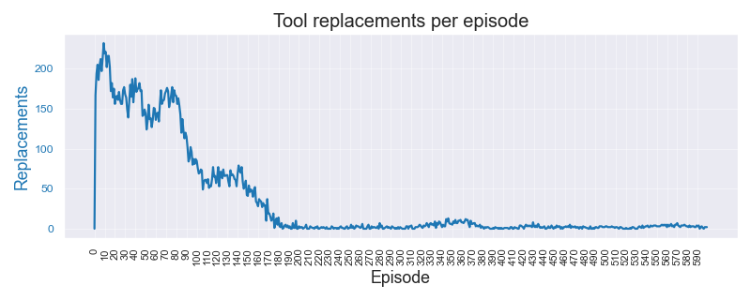
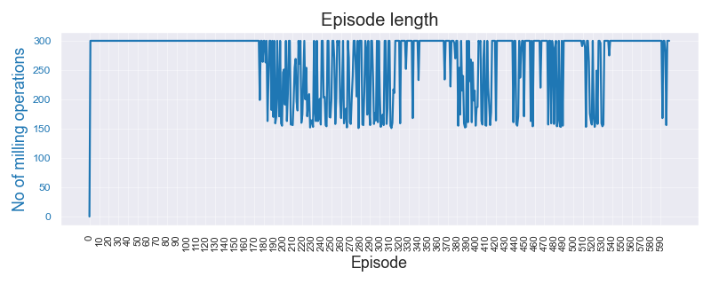
Simulated Environment Experiments |  |  |  |  |  |  |  |  |  |  |  | 13-May-23

Data |  |  | Algorithm | Wtd Precision | Wtd Recall | F Beta 0.5 | F Beta 0.75 | F 1 Score | Normal error | Replace error | Overall error | Comments | Data files | Expt. code | Recs. | Threshold
Dasic 2006. No noise or break-down chance |  |  |  |  |  |  |  |  | Dasic_NoNoise_3.0__test_results_13-May-2023 |  |  |  | Simulated_Dasic_2006_Tool_Wear_Model |  | 121 | 3.00 | mm
 | Threshold | 3.00 | A2C | 0.539 | 0.610 | 0.530 | 0.536 | 0.546 | 0.130 | 0.875 | 0.390
 | Noise factor | None | DQN | 0.514 | 0.360 | 0.249 | 0.228 | 0.231 | 0.953 | 0.029 | 0.640
 | Break-down | 0% | PPO | 0.539 | 0.540 | 0.538 | 0.537 | 0.537 | 0.351 | 0.666 | 0.460
 | Episodes | 1200 | REINFORCE | 0.938 | 0.935 | 0.935 | 0.934 | 0.933 | 0.015 | 0.180 | 0.065
 |  |  |  |  |  |  |  |  |  |  |  |  | Color Key
Dasic 2006. Low noise (1e-3) and break-down chance = 5% |  |  |  |  |  |  |  |  | Dasic_LowNBD_3.0__test_results_13-May-2023-07 |  |  |  | Best result by REINFORCE | 1.234
 | Threshold | 3.00 | A2C | 0.488 | 0.440 | 0.474 | 0.464 | 0.457 | 0.512 | 0.658 | 0.560 |  | Better result by SB-3 algo | 1.234
 | Noise factor | 1/1000 | DQN | 0.488 | 0.640 | 0.505 | 0.525 | 0.545 | 0.075 | 0.988 | 0.360
 | Break-down | 5% | PPO | 0.491 | 0.535 | 0.479 | 0.480 | 0.486 | 0.211 | 0.861 | 0.465 |  | Experiment paramameters
 | Episodes | 1200 | REINFORCE | 0.851 | 0.755 | 0.796 | 0.767 | 0.752 | 0.409 | 0.000 | 0.245 |  | Environment | Simple. Single variable state
 |  |  |  |  |  |  |  |  |  |  |  |  | State | tool_wear, time
Dasic 2006. High noise (1e-2) and break-down chance = 10% |  |  |  |  |  |  |  |  | Dasic_HighNBD_3.0__test_results_13-May-2023-45 |  |  |  | Episodes | 1200
 | Threshold | 3.00 | A2C | 0.595 | 0.525 | 0.564 | 0.547 | 0.535 | 0.508 | 0.407 | 0.475 |  | Terminate on | 800
 | Noise factor | 1/100 | DQN | 0.386 | 0.615 | 0.417 | 0.445 | 0.474 | 0.008 | 1.000 | 0.385 |  | Test data | Sampled from training
 | Break-down | 5% | PPO | 0.582 | 0.560 | 0.575 | 0.570 | 0.567 | 0.342 | 0.652 | 0.440 |  | Test cases | 40
 | Episodes | 1200 | REINFORCE | 0.915 | 0.890 | 0.903 | 0.896 | 0.892 | 0.168 | 0.011 | 0.110 |  | Test rounds | 5

Sample Plots for REINFORCE algo. : C04 High noise and break-down chance

PHM Expts.-Simple State
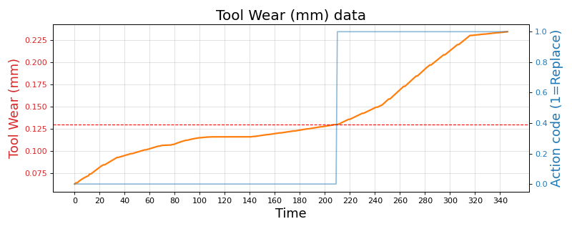
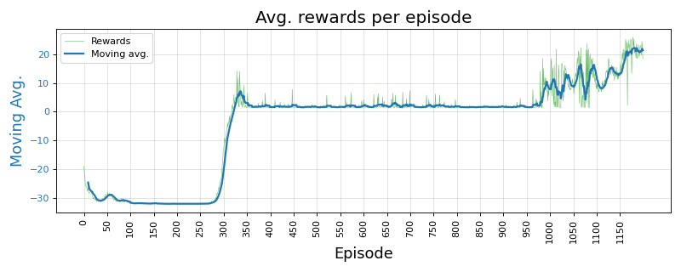
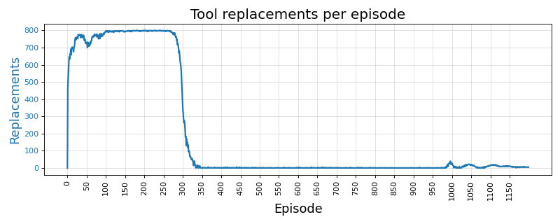
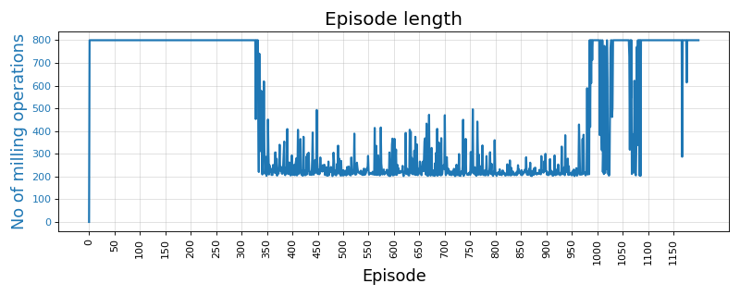
 | PHM 2010 Real-data Experiments - Simple state |  |  |  |  |  |  |  |  |  |  |  | 13-May-23

C-01 | Data |  |  | Algorithm | Wtd Precision | Wtd Recall | F Beta 0.5 | F Beta 0.75 | F 1 Score | Normal error | Replace error | Overall error | Comments | Data files | Expt. code | Recs. | Threshold
 | C-01.No noise or break-down |  |  |  |  |  |  |  |  |  |  |  |  | PHM_C01_MultiStateEnv_0p12 | C01 | 348 | 0.12 | mm
 | C01 | Threshold | 0.12 | A2C | 0.495 | 0.490 | 0.490 | 0.488 | 0.487 | 0.583 | 0.442 | 0.510 |  | PHM_C04_MultiStateEnv_0p10 | C04 | 348 | 0.10 | mm
 |  | Noise factor | None | DQN | 0.219 | 0.310 | 0.198 | 0.203 | 0.213 | 0.977 | 0.267 | 0.690 |  | PHM_C06_MultiStateEnv_0p13 | C06 | 347 | 0.13 | mm
 |  | Break-down | 0% | PPO | 0.501 | 0.465 | 0.483 | 0.473 | 0.467 | 0.594 | 0.454 | 0.535
 |  | Episodes | 1200 | REINFORCE | 0.824 | 0.650 | 0.705 | 0.656 | 0.632 | 0.562 | 0.000 | 0.350 |  | Color Key
 |  | Terminate | 800 |  |  |  |  |  |  |  |  |  |  | Best result by REINFORCE | 1.234 |  | GOLD | Good example
 | C-01.Low noise and break-down |  |  |  |  |  |  |  |  | PHM_C01_LowNBD_0.12_1000.0_0.05_test_results_13-May-2023-50 |  |  |  | Better result by SB-3 algo | 1.234
 | C01 | Threshold | 0.12 | A2C | 0.474 | 0.510 | 0.472 | 0.475 | 0.479 | 0.281 | 0.827 | 0.490 |  | Worst result by REINFORCE | 0.870
 |  | Noise factor | 1/1000 | DQN | 0.408 | 0.615 | 0.437 | 0.464 | 0.490 | 0.043 | 1.000 | 0.385
 |  | Break-down | 5% | PPO | 0.538 | 0.480 | 0.496 | 0.477 | 0.467 | 0.662 | 0.315 | 0.520 |  | Experiment paramameters
 |  | Episodes | 1200 | REINFORCE | 0.851 | 0.800 | 0.807 | 0.790 | 0.783 | 0.009 | 0.445 | 0.200 |  | Environment | Simple. Single variable state
 |  | Terminate | 800 |  |  |  |  |  |  |  |  |  |  | State | tool_wear, time
 | C-01.High noise and break-down |  |  |  |  |  |  |  |  | PHM_C01_HighNBD_0.12_100.0_0.1_test_results_13-May-2023-03 |  |  |  | Episodes | 1200
 | C01 | Threshold | 0.12 | A2C | 0.558 | 0.500 | 0.529 | 0.513 | 0.504 | 0.529 | 0.436 | 0.500 |  | Terminate on | 800
 |  | Noise factor | 1/100 | DQN | 0.118 | 0.115 | 0.117 | 0.116 | 0.116 | 0.816 | 0.978 | 0.885 |  | Test data | Sampled from training
 |  | Break-down | 5% | PPO | 0.479 | 0.475 | 0.476 | 0.474 | 0.474 | 0.431 | 0.654 | 0.525 |  | Test cases | 40
 |  | Episodes | 1200 | REINFORCE | 0.711 | 0.690 | 0.691 | 0.681 | 0.677 | 0.132 | 0.510 | 0.310 |  | Test rounds | 5
 |  | Terminate | 800 |  |  |  |  |  |  |  |  |  |  | Metrics | Weigthed. Precision oriented F-Beta scores
C-04 | Data |  |  | Algorithm | Wtd Precision | Wtd Recall | F Beta 0.5 | F Beta 0.75 | F 1 Score | Normal error | Replace error | Overall error | Comments
 | C-04. No noise or break-down
 | C04 | Threshold | 0.10 | A2C | 0.542 | 0.540 | 0.539 | 0.538 | 0.538 | 0.548 | 0.410 | 0.460
 |  | Noise factor | None | DQN | 0.180 | 0.410 | 0.202 | 0.224 | 0.248 | 0.024 | 1.000 | 0.590
 |  | Break-down | 0% | PPO | 0.501 | 0.465 | 0.483 | 0.474 | 0.468 | 0.451 | 0.617 | 0.535
 |  | Episodes | 1200 | REINFORCE | 0.875 | 0.830 | 0.841 | 0.826 | 0.819 | 0.382 | 0.000 | 0.170
 |  | Terminate | 800
 | C-04. Low noise and break-down
 | C04 | Threshold | 0.10 | A2C | 0.353 | 0.415 | 0.326 | 0.326 | 0.333 | 0.214 | 0.921 | 0.585
 |  | Noise factor | 1/1000 | DQN | 0.580 | 0.590 | 0.463 | 0.462 | 0.476 | 0.942 | 0.035 | 0.410
 |  | Break-down | 5% | PPO | 0.579 | 0.515 | 0.545 | 0.527 | 0.516 | 0.353 | 0.563 | 0.485
 |  | Episodes | 1200 | REINFORCE | 0.836 | 0.755 | 0.778 | 0.752 | 0.740 | 0.493 | 0.012 | 0.245
 |  | Terminate | 800
 | C-04. High noise and break-down
 | C04 | Threshold | 0.10 | A2C | 0.506 | 0.490 | 0.497 | 0.492 | 0.490 | 0.455 | 0.570 | 0.510
 |  | Noise factor | 1/100 | DQN | 0.361 | 0.435 | 0.272 | 0.276 | 0.292 | 0.042 | 0.976 | 0.565
 |  | Break-down | 10% | PPO | 0.550 | 0.530 | 0.539 | 0.532 | 0.529 | 0.389 | 0.530 | 0.470
 |  | Episodes | 1200 | REINFORCE | 0.795 | 0.725 | 0.747 | 0.724 | 0.712 | 0.040 | 0.487 | 0.275
 |  | Terminate | 800
C-06 | Data | Threshold original | Threshold set | Algorithm | Wtd Precision | Wtd Recall | F Beta 0.5 | F Beta 0.75 | F 1 Score | Normal error | Replace error | Overall error | Comments
 | C-06. No noise or break-down
 | C06 | Threshold | 0.13 | A2C | 0.539 | 0.505 | 0.522 | 0.513 | 0.507 | 0.549 | 0.415 | 0.495
 |  | Noise | None | DQN | 0.557 | 0.655 | 0.497 | 0.512 | 0.533 | 0.007 | 0.973 | 0.345
 |  | Break-down | 0% | PPO | 0.502 | 0.465 | 0.490 | 0.482 | 0.476 | 0.495 | 0.618 | 0.535
 |  | Episodes | 1200 | REINFORCE | 0.932 | 0.930 | 0.931 | 0.930 | 0.929 | 0.040 | 0.115 | 0.070
 |  | Terminate | 800
 | C-06. Low noise and break-down
 | C06 | Threshold | 0.13 | A2C | 0.543 | 0.480 | 0.519 | 0.504 | 0.494 | 0.519 | 0.533 | 0.520
 |  | Noise | 1/1000 | DQN | 0.167 | 0.320 | 0.142 | 0.152 | 0.168 | 0.992 | 0.031 | 0.680
 |  | Break-down | 5% | PPO | 0.625 | 0.540 | 0.578 | 0.554 | 0.540 | 0.568 | 0.272 | 0.460
 |  | Episodes | 1200 | REINFORCE | 0.905 | 0.860 | 0.885 | 0.872 | 0.865 | 0.208 | 0.000 | 0.140
 |  | Terminate | 800
 | C-06. High noise and break-down
 | C06 | Threshold | 0.13 | A2C | 0.541 | 0.515 | 0.529 | 0.522 | 0.518 | 0.526 | 0.436 | 0.485
 |  | Noise | 1/100 | DQN | 0.207 | 0.445 | 0.231 | 0.256 | 0.282 | 1.000 | 0.020 | 0.555
 |  | Break-down | 10% | PPO | 0.552 | 0.520 | 0.542 | 0.535 | 0.530 | 0.437 | 0.552 | 0.480
 |  | Episodes | 1200 | REINFORCE | 0.689 | 0.660 | 0.569 | 0.558 | 0.565 | 0.008 | 0.870 | 0.340 | Worse replace error. Reduced below
 |  | Terminate on | 800

GOLD | C-06. High noise and break-down. 1.5k episodes. 1k termination
 | C06 | Threshold | 0.13 | A2C | 0.394 | 0.625 | 0.425 | 0.454 | 0.482 | 0.000 | 1.000 | 0.375
 |  | Noise | 1/100 | DQN | 0.486 | 0.600 | 0.443 | 0.458 | 0.479 | 0.042 | 0.976 | 0.400
 |  | Break-down | 10% | PPO | 0.536 | 0.495 | 0.516 | 0.505 | 0.498 | 0.531 | 0.457 | 0.505
 |  | Episodes | 1500 | REINFORCE | 0.844 | 0.795 | 0.819 | 0.805 | 0.796 | 0.303 | 0.053 | 0.205 | Worse replace error. Reduced by increasing eps. 1200 -> 1500 and termination increased 800 -> 1000
 |  | Terminate on | 1000

 | Sample Plots for REINFORCE algo. : C06 High noise and break-down chance

PHM Expts.-Multi-var State
 | PHM 2010 Real-data Experiments - Complex state |  |  |  |  |  |  |  |  |  |  |  | 13-May-23

C-01 | Data |  |  | Algorithm | Wtd Precision | Wtd Recall | F Beta 0.5 | F Beta 0.75 | F 1 Score | Normal error | Replace error | Overall error | Comments | Data files | Expt. code | Recs. | Threshold
 | C-01.No noise or break-down |  |  |  |  |  |  |  |  |  |  |  |  | PHM_C01_MultiStateEnv_0p12 | C01 | 348 | 0.12 | mm
 | C01 | Threshold | 0.12 | A2C | 0.490 | 0.490 | 0.488 | 0.487 | 0.486 | 0.540 | 0.480 | 0.510 |  | PHM_C04_MultiStateEnv_0p10 | C04 | 348 | 0.10 | mm
 |  | Noise factor | None | DQN | 0.347 | 0.490 | 0.295 | 0.313 | 0.337 | 0.030 | 0.990 | 0.510 |  | PHM_C06_MultiStateEnv_0p13 | C06 | 347 | 0.13 | mm
 |  | Break-down | 0% | PPO | 0.516 | 0.510 | 0.508 | 0.504 | 0.503 | 0.580 | 0.400 | 0.490
 |  | Episodes | 1200 | REINFORCE | 0.820 | 0.810 | 0.813 | 0.810 | 0.808 | 0.280 | 0.100 | 0.190 |  | Color Key
 |  | Terminate on | 1000 |  |  |  |  |  |  |  |  |  |  | Best result by REINFORCE | 1.234 |  | GOLD | Good example
 | C-01.Low noise and break-down |  |  |  |  |  |  |  |  |  |  |  |  | Better result by SB-3 algo | 1.234
 | C01 | Threshold | 0.12 | A2C | 0.526 | 0.440 | 0.479 | 0.454 | 0.440 | 0.660 | 0.376 | 0.560 |  | Worst result by REINFORCE | 0.870
 |  | Noise factor | 1/1000 | DQN | 0.270 | 0.360 | 0.210 | 0.214 | 0.227 | 0.976 | 0.104 | 0.640
 |  | Break-down | 5% | PPO | 0.544 | 0.520 | 0.532 | 0.526 | 0.522 | 0.511 | 0.446 | 0.480 |  | Experiment paramameters
 |  | Episodes | 1800 | REINFORCE | 0.733 | 0.730 | 0.710 | 0.703 | 0.702 | 0.081 | 0.642 | 0.270 |  | Environment | Complex. Multi-variable state (8 features)
 |  | Terminate on | 1500 |  |  |  |  |  |  |  |  |  |  | State | force_x; force_y; force_z; vibration_x; vibration_y; vibration_z;
 | C-01.High noise and break-down |  |  |  |  |  |  |  |  |  |  |  |  |  | acoustic_emission_rms; tool_wear
 | C01 | Threshold | 0.12 | A2C | 0.516 | 0.485 | 0.501 | 0.493 | 0.488 | 0.561 | 0.452 | 0.515 |  | Episodes | 1500
 |  | Noise factor | 1/100 | DQN | 0.375 | 0.355 | 0.243 | 0.232 | 0.239 | 0.959 | 0.125 | 0.645 |  | Terminate on | 1000
 |  | Break-down | 10% | PPO | 0.550 | 0.505 | 0.531 | 0.520 | 0.512 | 0.532 | 0.449 | 0.495 |  | Test data | Sampled from training
 |  | Episodes | 1000 | REINFORCE | 0.739 | 0.730 | 0.677 | 0.666 | 0.668 | 0.015 | 0.806 | 0.270 |  | Test cases | 40
 |  | Terminate on | 800 |  |  |  |  |  |  |  |  |  |  | Test rounds | 5
C-04 | Data |  |  | Algorithm | Wtd Precision | Wtd Recall | F Beta 0.5 | F Beta 0.75 | F 1 Score | Normal error | Replace error | Overall error | Comments | Metrics | Weigthed. Precision oriented F-Beta scores
 | C-04. No noise or break-down
 | C04 | Threshold | 0.10 | A2C | 0.476 | 0.505 | 0.450 | 0.446 | 0.449 | 0.829 | 0.198 | 0.495
 |  | Noise factor | None | DQN | 0.349 | 0.450 | 0.269 | 0.279 | 0.299 | 0.032 | 0.981 | 0.550
 |  | Break-down | 0% | PPO | 0.510 | 0.505 | 0.502 | 0.499 | 0.498 | 0.443 | 0.547 | 0.495
 |  | Episodes | 1200 | REINFORCE | 0.788 | 0.640 | 0.658 | 0.614 | 0.597 | 0.010 | 0.671 | 0.360
 |  | Terminate on | 800.00

Attempt-2 | C-04. No noise or break-down
 | C04 | Threshold | 0.12 | A2C | 0.561 | 0.560 | 0.559 | 0.558 | 0.558 | 0.430 | 0.450 | 0.440
 |  | Noise factor | None | DQN | 0.401 | 0.505 | 0.332 | 0.340 | 0.359 | 0.020 | 0.970 | 0.495
 |  | Break-down | 0.00 | PPO | 0.526 | 0.525 | 0.523 | 0.522 | 0.521 | 0.560 | 0.390 | 0.475
 |  | Episodes | 1500 | REINFORCE | 0.784 | 0.620 | 0.617 | 0.570 | 0.556 | 0.000 | 0.760 | 0.380
 |  | Terminate on | 1400

Attempt-3 | C-04. No noise or break-down
 | C04 | Threshold | 0.12 | A2C | 0.495 | 0.495 | 0.493 | 0.492 | 0.492 | 0.490 | 0.520 | 0.505
 |  | Noise factor | None | DQN | 0.603 | 0.510 | 0.360 | 0.356 | 0.371 | 0.020 | 0.960 | 0.490
 |  | Break-down | 0.00 | PPO | 0.518 | 0.510 | 0.504 | 0.498 | 0.497 | 0.640 | 0.340 | 0.490
 |  | Episodes | 1200 | REINFORCE | 0.771 | 0.575 | 0.519 | 0.482 | 0.478 | 0.000 | 0.850 | 0.425
 |  | Terminate on | 800

Attempt-4 | C-04. No noise or break-down
 | C04 | Threshold | 0.11 | A2C | 0.505 | 0.505 | 0.504 | 0.504 | 0.504 | 0.490 | 0.500 | 0.495
 |  | Noise factor | None | DQN | 0.347 | 0.490 | 0.310 | 0.323 | 0.345 | 0.980 | 0.040 | 0.510
 |  | Break-down | 0.00 | PPO | 0.422 | 0.425 | 0.415 | 0.413 | 0.413 | 0.450 | 0.700 | 0.575
 |  | Episodes | 1200 | REINFORCE | 0.828 | 0.735 | 0.755 | 0.725 | 0.712 | 0.000 | 0.530 | 0.265
 |  | Terminate on | 800

 | C-04. Low noise and break-down
 | C04 | Threshold | 0.10 | A2C
 |  | Noise factor | 1/1000 | DQN
 |  | Break-down | 5% | PPO
 |  | Episodes | 1200 | REINFORCE
 |  |  | 1100
 | C-04. High noise and break-down
 | C04 | Threshold | 0.10 | A2C
 |  | Noise factor | 1/100 | DQN
 |  | Break-down | 10% | PPO
 |  | Episodes |  | REINFORCE

C-06 | Data | Threshold original | Threshold set | Algorithm | Wtd Precision | Wtd Recall | F Beta 0.5 | F Beta 0.75 | F 1 Score | Normal error | Replace error | Overall error | Comments
 | C-06. No noise or break-down
 | C06 | Threshold | 0.13 | A2C | 0.544 | 0.530 | 0.535 | 0.530 | 0.527 | 0.368 | 0.626 | 0.470
 |  | Noise | None | DQN | 0.467 | 0.340 | 0.248 | 0.223 | 0.223 | 0.950 | 0.060 | 0.660
 |  | Break-down | 0% | PPO | 0.533 | 0.515 | 0.524 | 0.519 | 0.516 | 0.414 | 0.567 | 0.485
 |  | Episodes | 1200 | REINFORCE | 0.794 | 0.495 | 0.520 | 0.453 | 0.430 | 0.797 | 0.000 | 0.505
 |  | Terminate on | 800
 | C-06. No noise or break-down. Increase Episodes and Termination parmeters
 | C06 | Threshold | 0.13 | A2C | 0.554 | 0.435 | 0.403 | 0.369 | 0.361 | 0.863 | 0.137 | 0.565
 |  | Noise | None | DQN | 0.629 | 0.640 | 0.503 | 0.505 | 0.522 | 0.008 | 0.949 | 0.360
 |  | Break-down | 0% | PPO | 0.510 | 0.505 | 0.508 | 0.506 | 0.505 | 0.498 | 0.498 | 0.495
 |  | Episodes | 1500 | REINFORCE | 0.853 | 0.800 | 0.807 | 0.788 | 0.780 | 0.000 | 0.493 | 0.200
 |  | Terminate on | 1000

 | C-06. Low noise and break-down
 | C06 | Threshold | 0.13 | A2C | 0.500 | 0.455 | 0.474 | 0.460 | 0.452 | 0.643 | 0.402 | 0.545
 |  | Noise | 1/1000 | DQN | 0.478 | 0.565 | 0.392 | 0.405 | 0.426 | 0.019 | 0.974 | 0.435
 |  | Break-down | 5% | PPO | 0.495 | 0.460 | 0.481 | 0.473 | 0.467 | 0.558 | 0.516 | 0.540
 |  | Episodes | 1800 | REINFORCE | 0.635 | 0.585 | 0.467 | 0.456 | 0.466 | 0.009 | 0.923 | 0.415 | High precision. But low F-scores
 |  | Terminate on | 1000

GOLD | C-06. Low noise and break-down - Expt.2 - 2k/1k
 | C06 | Threshold | 0.13 | A2C | 0.530 | 0.470 | 0.478 | 0.457 | 0.447 | 0.702 | 0.267 | 0.530
 |  | Noise | 1/1000 | DQN | 0.423 | 0.630 | 0.452 | 0.478 | 0.504 | 0.029 | 1.000 | 0.370
 |  | Break-down | 5% | PPO | 0.550 | 0.510 | 0.530 | 0.519 | 0.512 | 0.570 | 0.378 | 0.490
 |  | Episodes | 2000 | REINFORCE | 0.821 | 0.690 | 0.738 | 0.699 | 0.679 | 0.505 | 0.013 | 0.310 | *** All parameters improved.
 |  | Terminate on | 1500
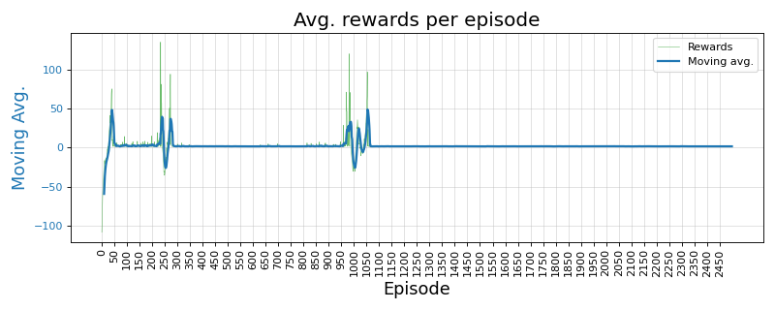
 | C-06. High noise and break-down
 | C06 | Threshold | 0.13 | A2C | 0.555 | 0.505 | 0.469 | 0.448 | 0.444 | 0.811 | 0.143 | 0.495
 |  | Noise | 1/100 | DQN | 0.359 | 0.390 | 0.235 | 0.240 | 0.256 | 0.984 | 0.099 | 0.610
 |  | Break-down | 10% | PPO | 0.552 | 0.495 | 0.524 | 0.509 | 0.499 | 0.572 | 0.388 | 0.505
 |  | Episodes | 2500 | REINFORCE | 0.404 | 0.635 | 0.436 | 0.465 | 0.494 | 0.000 | 1.000 | 0.365
 |  | Terminate on | 2000
GOLD | C-06. High noise and break-down. LOWER DOWN 1k episodes and same 1k termination
Lower ep./term | C06 | Threshold | 0.13 | A2C | 0.487 | 0.455 | 0.473 | 0.465 | 0.460 | 0.540 | 0.551 | 0.545
 |  | Noise | 1/100 | DQN | 0.409 | 0.630 | 0.440 | 0.468 | 0.495 | 0.015 | 1.000 | 0.370
 |  | Break-down | 10% | PPO | 0.530 | 0.485 | 0.514 | 0.504 | 0.497 | 0.510 | 0.533 | 0.515
 |  | Episodes | 1000 | REINFORCE | 0.736 | 0.725 | 0.706 | 0.697 | 0.695 | 0.071 | 0.628 | 0.275 | *** All parameters improved.
 |  | Terminate on | 1000

 | Sample Plots for REINFORCE algo. : C04 High noise and break-down chance

Notes
Notes |  | 13-May-23

An empirical study of the naïve REINFORCE algorithm for predictive maintenance of industrial machines

1 | Env. same for both | RL / Environment model design
2 | std dev show initially | State: Simple, single variable. Tool wear value
 |  | State stochasticity: Noise on wear signal, chance of tool break-down
3 | interesting plots show initially | Reward: +ve for every step; when wear < Threshold. -ve if Wear > Threshold
4 | 600 episodes for both | Penalty for tool replace "action"
 |  | Terminate: When max. operation cycles reached or tool breaks

$$VB=a.t^{b_{1}}. e^{b_{2}. t} | t=0, t=t_{k}$$
5 | why f1-BETA -> tool rep. FP want reduced. so dont want to reco tool rep unecessarily | Tool Wear Model
6 | 1. Noise is added RUN TIME. Not fixed to a file | Reference: | Dašić (2006) | Link | b0 | -2.49410 | b1 | 0.33420
7 | 2. Noise generated per step, every time | General model |  |  | b2 | 0.03147 | a | 0.08257
$$VB=0.08257 . t^{0.3342}. e^{0.03147.t}$$
8 | 3. Break down chance also per step - randomly | Model
9 | 4. earlier studies 600, 1k ep.
10 | 5. perf drop when trying phm real data -- realized "idea" was falacy | Real Tool Wear Data
11 | 6. "tried" wear threshold -- realized sensitivity | PHM 2010 - 3 sets
12 | - threshold sensitivity -> PHM application specific "benefit in disguise"? versus stability of SB-3 algo?
 | RECALL error was 1.0
 | Extended eps to 1200, and term to 800 - improved it drastically
 |  | Typical experiment parameters
 | Sometimes reducing the wear threshold for the policy to learn when to replace | Threshold (mm) | 3 | Wear threshold (mm) for tool replacement
 |  | Noise
 |  | Break-down chance
 |  | Episodes | 600
 |  | gamma | 0.99
 |  | alpha | 0.01
 |  | Training data | Tool_Wear_VB.csv
 |  | Test data | Sampled from training data itself
 |  | Test cases | 40

