Week1_D2
Test Case Generation | Test Strategy
1st Prompt |  | 1st Prompt

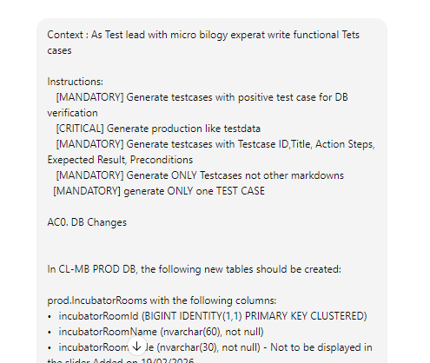
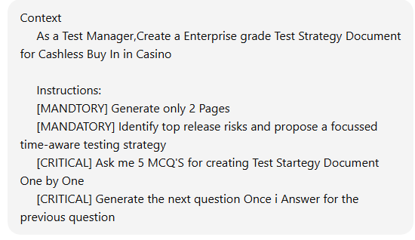

 | 2nd Prompt
2nd Prompt
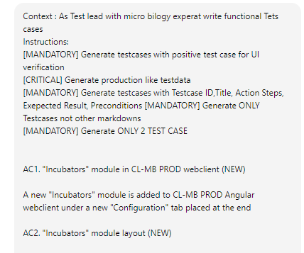

 |  | 3rd Prompt

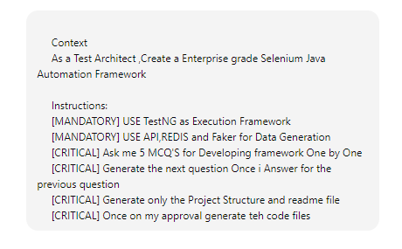

3rd Prompt

Master Test Plan

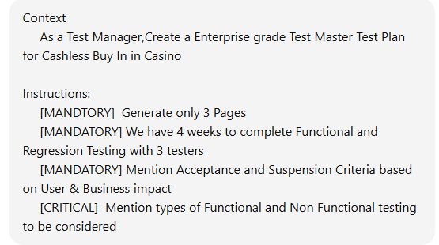

Emotional Prompting for Cover Letter

