Outlook_2007
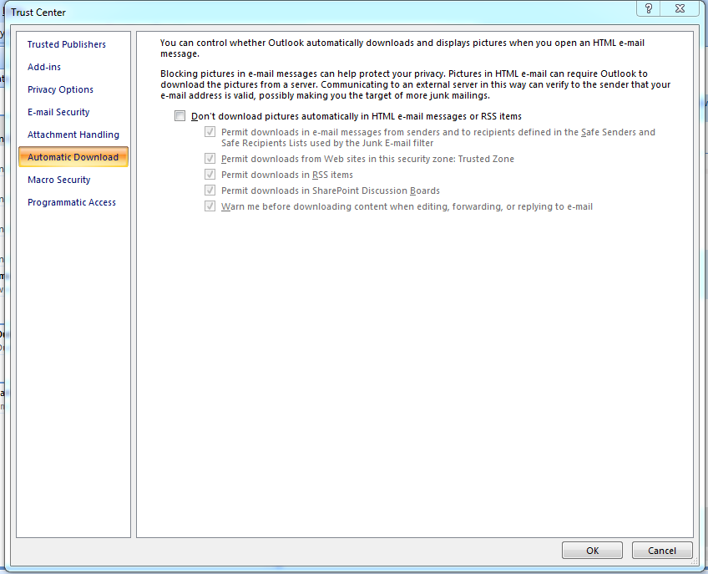
1.Select Tools Menu

2.In Tools Menu Select Trustcenter option
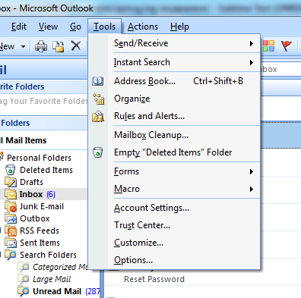

3.By Default All CheckBox are Checked

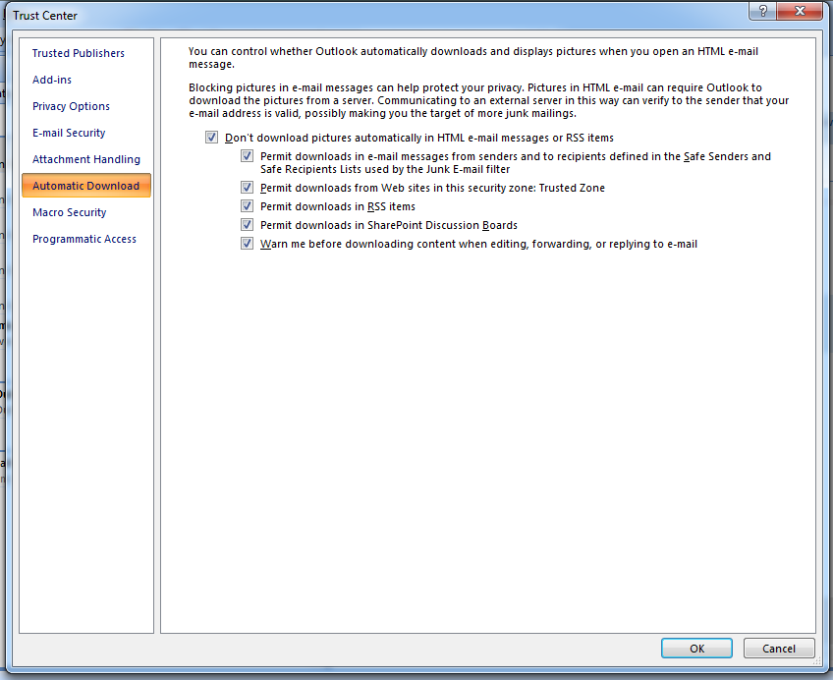

4.Uncheck All Checkbox

Outlook_2016
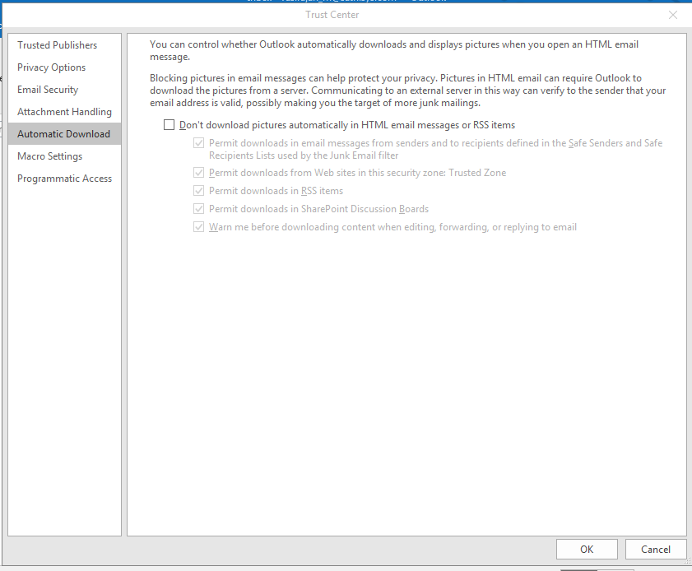
1.Select File Menu

2. Select Options option

3.Select Trust Center Option

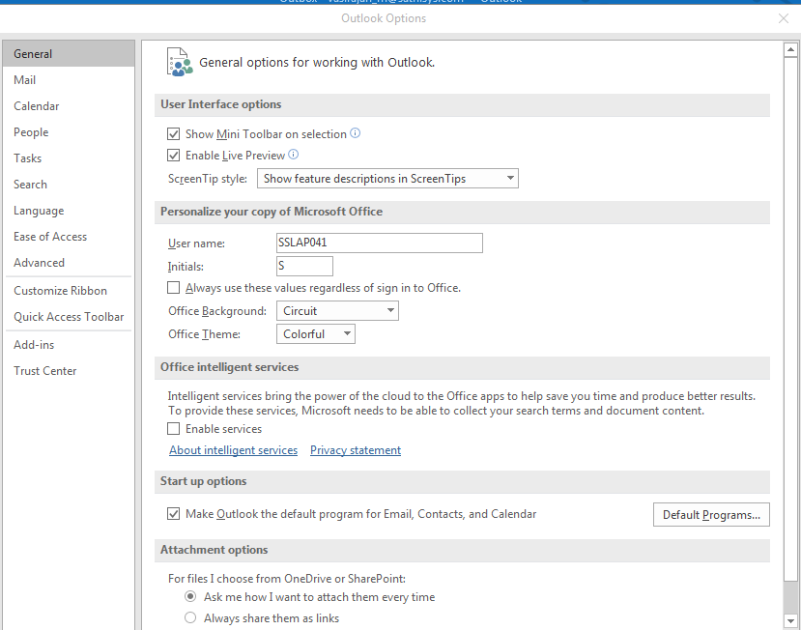

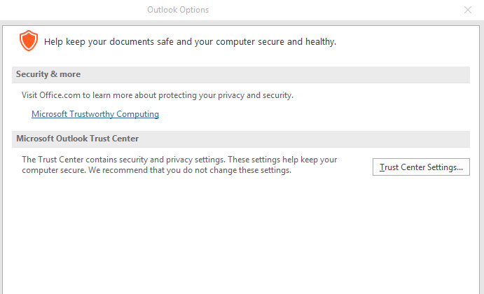
4.Click Trust Center Settings Button

5.Default All Check Box Are Checked
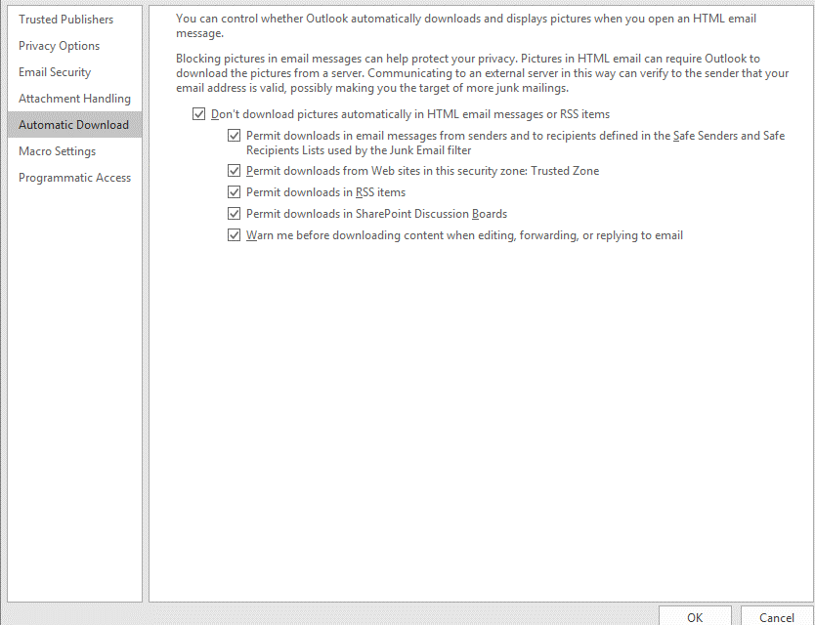

6.Uncheck All check box

